Valuation format
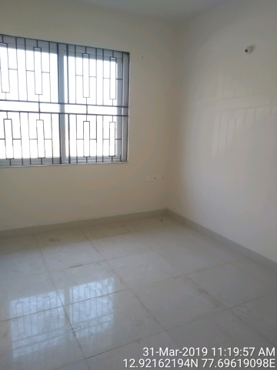
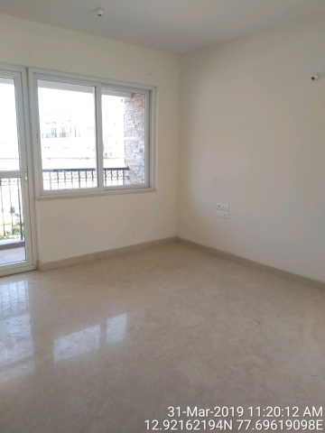
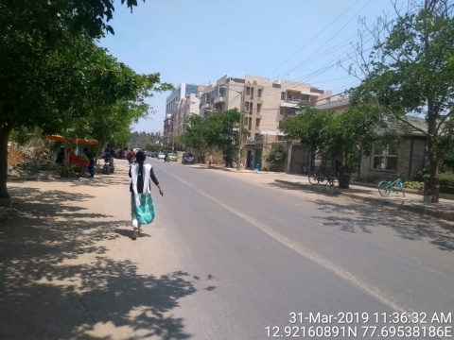
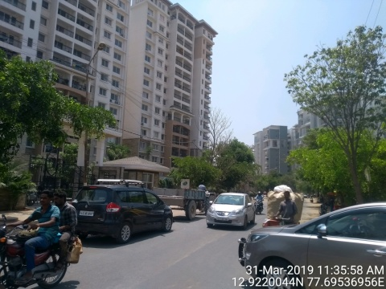
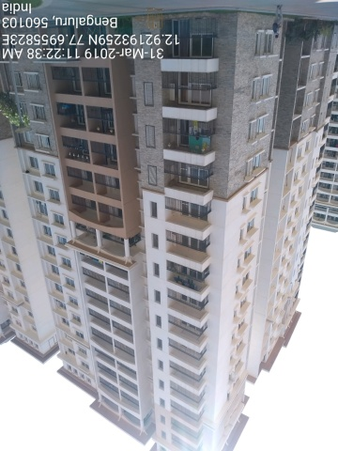
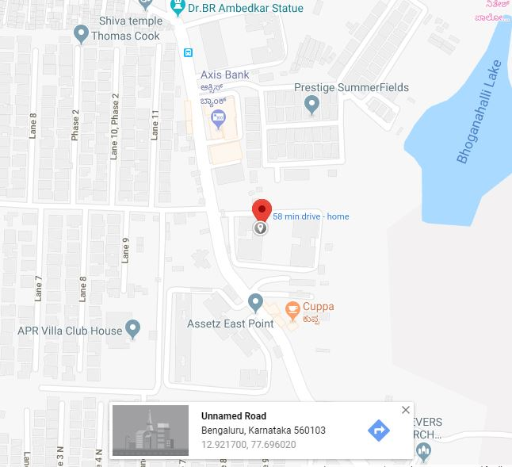
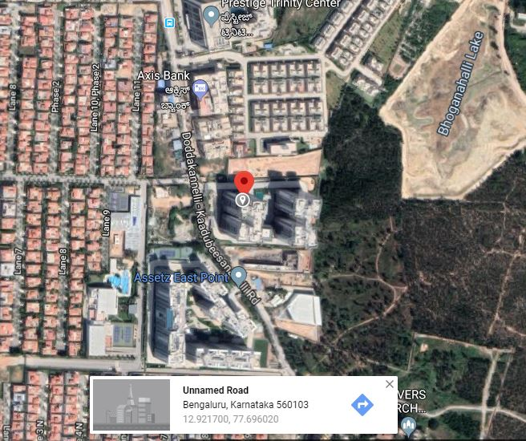
Valuation Report |  |  |  |  |  |  |  |  |  | Index
Bajaj Housing Finance limited |  |  |  |  |  |  |  |  |  |  | Choice
SFDC no | 23197461256 |  |  | Report date |  |  |  | 2019-03-31 |  |  | USR IP
Product Loan Type |  | NA |  | Person met at site |  |  |  | Oral Guidance |  |  | calender
Name of Applicant |  | Mr. Dharmendra Kumar |  |  |  | Contact no |  | 9971479111 |  |  | Deafult
Name of Property Owner as per legal document |  |  | Mr. Dharmendra Kumar, Mrs. Anju Kumar
Documents provided |  | Payment Schedule, Allotment Letter Dt. 29-03-2019

Location Details:
Postal address of the property | Flat No.1013 ,Ground Floor, Tower-1 Prestige Jade Pavilion Marathali Bengaluru-560103

Legal address of the property | Flat No.1013 Tower-1 Prestige Jade Pavilion Marathali Bengaluru

Landmark nearby |  | Axis Bank
Lat/Long: | 12.921627,77.696031 |  |  |  | Distance from City Centre |  |  |  | 20.1kms
Address Matching | Yes |  | Jurisdiction/ Local Municipal body |  |  |  |  | BBMP

Property holding type |  | Freehold |  |  | Marketability |  |  | Good
Type of the property |  |  | Residential House
Schedule | As per legal documents |  |  |  |  | As per site visit
East | NA |  |  |  |  | Vacant Site
West | NA |  |  |  |  | 50 Feet Road
North | NA |  |  |  |  | Residential House
South | NA |  |  |  |  | Residential House
Boundaries matching |  | Yes |  |  |  | Property Identified |  |  | Yes

Approved plan details | Layout plan details |  |  | NA
 | Approving authority |  |  | NA
 | Construction plan details: |  |  | NA
 | Plan validity from |  | NA |  |  |  | To date |  | NA
 | Approving authority |  |  |  |  | NA
Approved usage | NA |  |  |  | Actual usage |  |  | Residential

Current Zoning as per CDP
Occupancy details floorwise |  | Flat No.1013 ,Ground Floor-04BHK/Vacant
Technical Details:
Layout Infrastructure | Approach Road |  | Sewer system |  |  | Water Supply |  |  | Electricity
 | Yes |  | Yes |  |  | Yes |  |  | Yes
Construction Quality |  |  | Good |  |  | No. of lifts |  |  | 2
Plot area details |  | As per documents |  |  | As per Plan |  |  | Actuals
East to west in Feet |  | 40 |  |  | 40 |  |  | 40
North to South in Feet |  | 30 |  |  | 30 |  |  | 30
Land area or UDS in SFT |  | 1200 |  |  | 1200 |  |  | 1200
Carpet area of flat in SFT |  | NA |  |  | NA |  |  | NA
SBUA of Flat in SFT |  | 2500 |  |  | NA |  |  | 2500
BUA Area Details | Permissible BUA in Sft |  |  | Actual BUA in Sft |  |  |  | 140% of sanctioned area
No of floors |  |  |  | B2+B1+G+15
Basement/Stilt area |  |  |  |  |  |  |  | 0
GF area & units | 900 |  | 2*2bhk |  |  |  |  | 1260
FF area & units | 900 |  |  |  |  |  |  | 1260
SF area & units | 900 |  |  |  |  |  |  | 1260
TF area & units | 900 |  |  |  |  |  |  | 1260
Total | 2700 |  |  |  |  |  |  | 5040
FAR / FSI | 2.25 |  |  |  |  |  |  | 4.2
% Total BUA deviation |  | NA |  | % FAR/FSI deviation |  |  |  | NA
Total SBUA considered |  | 2500 |  | Risk of demolition |  |  |  | Low
Status of the property | Completed |  |  |  |  |  | Age of the property
 | % Progress |  | % Recommended |  |  |  | Current age |  | Year -2018 | AC sheet | 35 | years
 | 40% |  | 50% |  |  |  | Residual age |  | 59 Years | load bearing | 45 | years
Property value assessment as below |  |  |  |  |  |  |  |  |  | RCC | 60 | years
Items |  | Area details in Sqft |  |  |  | Rate/sqft |  | Total Value in Rupees
Land area or UDS in SFT |  | 1200 |  |  |  | ₹ 4,000 |  | ₹ 4,800,000
BUA/SBUA value |  | 2500 |  |  |  | ₹ 1,800 |  | ₹ 4,500,000
Interiors |  |  |  |  |  |  |  | ₹ 0
Car park |  | 1 |  |  |  | ₹ 0 |  | ₹ 0
Fair Market value as on Completion |  |  |  |  |  | ₹ 9,300,000
Fair Market value as on Date |  |  |  |  |  | ₹ 6,600,000
DISTRESSED / FORCED VALUE (80% of FMV) |  |  |  |  |  | ₹ 7,440,000
Govt. value |  |  |  |  |  | NA
Valuation done earlier |  | No |  | Is property in negative/Community area |  |  |  |  | No

In Municipal/Development Authority demolition list |  |  |  |  |  | No
Remarks If any :

UDS detials are not available hence zero valued
Approved plan not provided, any variation in plan will affect the valuation. Subject flat falls under 'A' Cat Builders
Legal aspects are beyond scope of valuation

I hereby declare that:
• We have no direct/indirect interest in the property valued.
• The information furnished in the report is true and correct to the best of my knowledge.
• The fair market value indicated in the report is an opinion of the value prevailing on the date of the said report and is based on market feedback on values of similar properties. The client is free to obtain other independent opinions on the same. The fair market value of such properties/localities may increase or decrease depending on the future market conditions and scenarios


 |  |  |  |  | For Seal with Signature

Property Photos & Route map

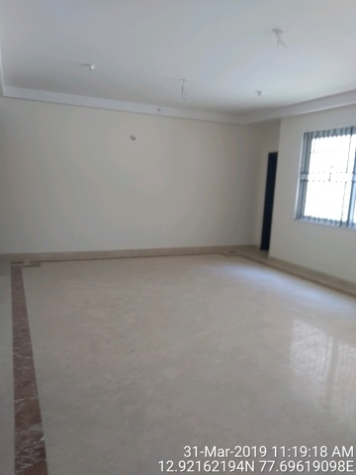
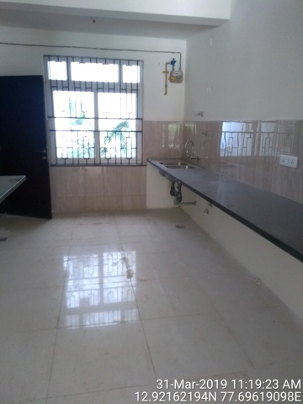

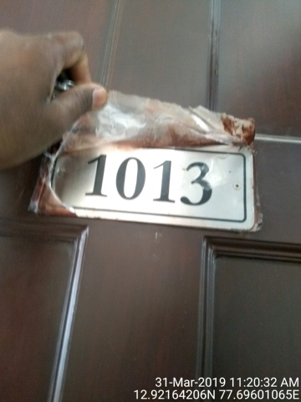 |  |  |  |  |  | 