Ind Technical Report
Larson & Turbo
I | Name of Customer | Morgan |  | Product | LAP
 | LAN No. | 4567885 |  | Initiated by | Mrs. Jane Austin

II | Property Address
 | Postal Address | 8228 Birchmount Road |  | City | Bangalore
 |  |  |  | State | Karnataka
 |  |  |  | Pincode | 560025
 | Legal Adress | 112 |  | Landmark

 |  |  |  | Name of the project | NA

 | Boundary Schedule |  | As per Document |  | As per Site
 | East |  |  | Walmart |  | Walmart
 | West |  |  | BigBazar |  | BestBuy
 | North |  |  | PVR |  | BMO
 | South |  |  | Shoppers |  | Shoppers
 | Plot boundaries matching (Y/N) |  | Yes |  | Yes

III | Documents Received
 | Property Documents |  | Issued by (Authority) | Date of Issue | Doc Reference
 | Sale Deed
 | Approved Plan
 | Layout Plan
 | Occupancy certificate
 | Ownership as per the document
IV | Location
 | Nature of locality |  |  | Vicinity
 | Class of locality |  |  | Quality of Infrastructure
 | Availability -Public transportation |  |  | Proximity to Civic Amenities
V | Property
 | Approved use |  |  | Property type
 | Structure type |  |  | No. of Lifts
 | Property holding |  |  | Property Residual Age
 | Property Age |  |  | Floor No.
 | No. of floors |  |  | No. of Floors
 | No. of wings |  |  | External Appearance
 | Maintenance
 | Configuration
 | Floor | Bedroom | Kitchen | Hall | Bathroom | Usage Remarks
 | GF
 | FF
 | FF

VI | Additional Due diligence
 | Name of the FPR met at site |  |  | Relationship with Applicant | Customer / Seller / Broker / Customer Representative / Tenant / Seller Representative / Others
 | Contact Number |  |  |  | If Others, pls specify
 | KYC Reference
 | Verification of the Society Ownership name board | (Y/ N/NA) |  | Owner's Name matching | (Y/ N/NA)
 | Discrepancies if any
 | Loan proposal in hand to be briefed to the FPR facilitating property inspection |  |  |  |  | (Y/N)
 | Occupancy status |  |  | Relationship with Applicant | NA
 | Occupied by |  |  | Residing since

VII | Valuation
 | Description |  |  | Area in sft | Rate /sft | Value INR
 | Property
 | Plot Area
 | Carpet Area
 | Built up Area
 | Super Built up Area
 | Sub Total
 | Amenities
 | Amenities 1
 | Amenities 2
 | Amenities 3
 | Amenities Sub Total
 | Grand Total
 | Distress Value (80%)
 | Total value(INR Words) |  | Rupees ZERO only
VIII | Progress Assessment
 | Property | Stage of Construction | Completed |  | % Progress
 |  |  |  |  | % Reco
 | Amenities | Stage of Construction | Completed |  | % Progress
 |  |  |  |  | % Reco

IX | Remarks
1
2
3
4
5
6
X | Property Photographs |  | Attachment 1 | External | Lattitude & Longitude
 |  |  | Attachment 2 | Vicinity
 |  |  | Attachment 3 | Internal
 |  |  | Attachment 4 | Internal with FPR

XI | Date of Visit |  |  | Visited by
 | Date of Report |  |  | Approved by | Naveen Kumar
 | Date of Approval |  |  | Report of | Agency


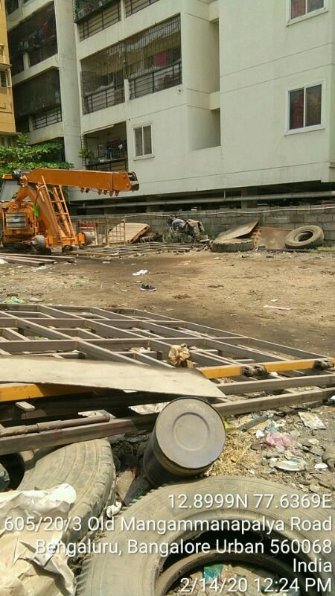

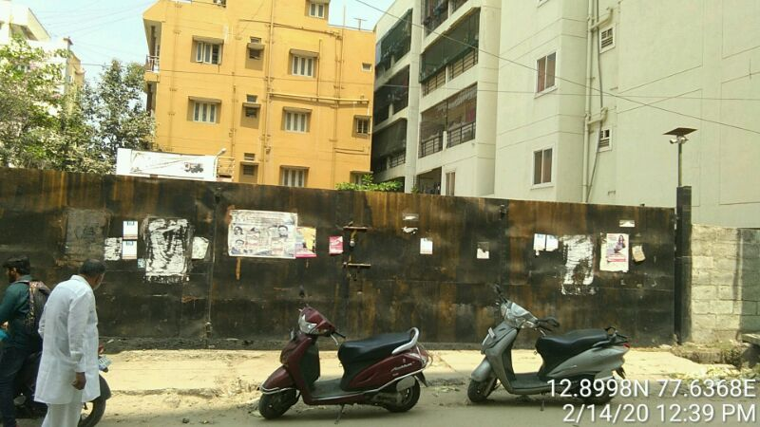

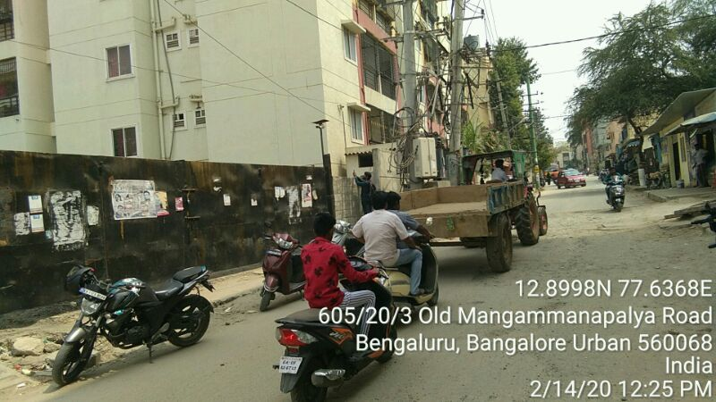

Annexure:
BUA Area Details |  | Permissible BUA in Sft | No. of Units | Actual BUA in Sft |  | No. of Units
No of floors |  |  |  | S+G+02F
UDS / PLOT AREA |  | 1200
SBUA / BUA |  |  |  | 0
Basement/Stilt area |  |  |  | Parking
GF area & units |  | 1050 |  | 1100 |  | 0
FF area & units |  | 1050 |  | 1100 |  | 0
SF area & units |  |  |  | 1000 |  | 0
TF area & units
4th F area & units
Total
FAR / FSI
% Total BUA deviation
Total SBUA considered

REMARKS:
1
2
3
4
5
6
7
8
9
10
11
12

