Ind Technical Report
Report Ref ID
I | Name of Customer |  |  | Product
 | LAN No. |  |  | Initiated by

II | Property Address
 | Postal Address |  |  | City
 |  |  |  | State | Karnataka
 |  |  |  | Pincode
 | Legal Adress |  |  | Landmark

 |  |  |  | Name of the project | NA

 | Boundary Schedule |  | As per Document |  | As per Site
 | East |  |  | 0 |  | 0
 | West |  |  | 0 |  | 0
 | North |  |  | 0 |  | 0 | 0
 | South |  |  | 0 |  | 0 | 0
 | Plot boundaries matching (Y/N) |  | Yes | 0 | Yes | 0

III | Documents Received
 | Property Documents |  | Issued by (Authority) | Date of Issue | Doc Reference
 | Sale Deed
 | Approved Plan
 | Layout Plan
 | Occupancy certificate
 | Ownership as per the document
IV | Location
 | Nature of locality |  |  | Vicinity
 | Class of locality |  |  | Quality of Infrastructure |  |  |  | G28 /D33 | D30 / G29/G30 | D29 | D39 / G38
 | Availability -Public transportation |  |  | Proximity to Civic Amenities |  |  |  | Residential | Poor | Low class | Excellent
V | Property |  |  |  |  |  |  | Industrial | Good | Upper Middle class | Satisfactory
 | Approved use |  |  | Property type |  |  |  | Mixed | Excellent | Upper class | Poor
 | Structure type |  |  | No. of Lifts |  |  |  | Institutional |  | Elite class
 | Property holding |  |  | Property Residual Age |  |  |  | Agricultural
 | Property Age |  |  | Floor No.
 | No. of floors |  |  | No. of Floors |  |  |  | D34 | D35 | G33 | D28
 | No. of wings |  |  | External Appearance |  |  |  | RCC | Leasehold | Flat | Poorly Developed
 | Maintenance |  |  |  |  |  |  | Load bearing | Freehold | Office | Under developed
 | Configuration |  |  |  |  |  |  | Composite |  | Shop | Developing
 | Floor | Bedroom | Kitchen | Hall | Bathroom | Usage Remarks |  | Steel structure |  | Bungalow | Developed
 | GF |  |  |  |  |  |  |  |  | Row House | Poshly developed
 | FF
 | FF
 |  |  |  |  |  |  |  |  |  | Stand Alone Commercial
VI | Additional Due diligence |  |  |  |  |  |  |  |  | Stand Alone Mixed usage
 | Name of the FPR met at site | 0 |  | Relationship with Applicant | Customer / Seller / Broker / Customer Representative / Tenant / Seller Representative / Others
 | Contact Number |  |  |  | If Others, pls specify
 | KYC Reference
 | Verification of the Society Ownership name board | (Y/ N/NA) |  | Owner's Name matching | (Y/ N/NA)
 | Discrepancies if any
 | Loan proposal in hand to be briefed to the FPR facilitating property inspection |  |  |  |  | (Y/N)
 | Occupancy status |  |  | Relationship with Applicant | NA
 | Occupied by |  |  | Residing since

VII | Valuation
 | Description |  |  | Area in sft | Rate /sft | Value INR
 | Property
 | Plot Area |  |  | 0
 | Carpet Area
 | Built up Area |  |  | 0
 | Super Built up Area
 | Sub Total
 | Amenities
 | Amenities 1
 | Amenities 2
 | Amenities 3
 | Amenities Sub Total
 | Grand Total |  |  | ₹ 0
 | Distress Value (80%) |  |  | ₹ 0
 | Total value(INR Words) |  | Rupees ZERO only
VIII | Progress Assessment
 | Property | Stage of Construction | Completed |  | % Progress
 |  |  |  |  | % Reco
 | Amenities | Stage of Construction | Completed |  | % Progress
 |  |  |  |  | % Reco

IX | Remarks
1
2
3
4
5
6
X | Property Photographs |  | Attachment 1 | External | Lattitude & Longitude
 |  |  | Attachment 2 | Vicinity
 |  |  | Attachment 3 | Internal
 |  |  | Attachment 4 | Internal with FPR

XI | Date of Visit |  |  | Visited by
 | Date of Report |  |  | Approved by | Naveen Kumar
 | Date of Approval |  |  | Report of | Agency


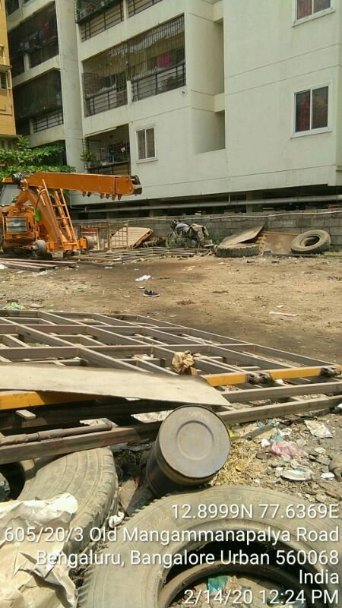

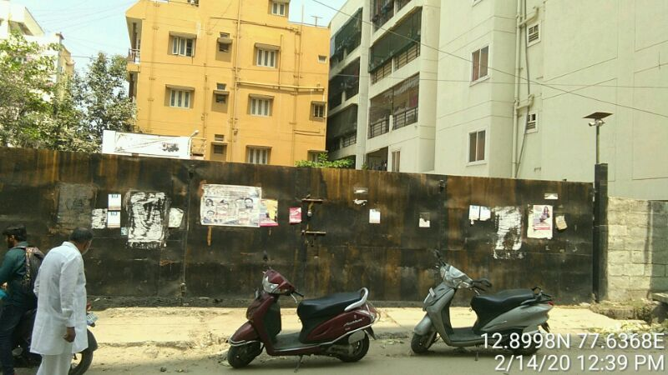

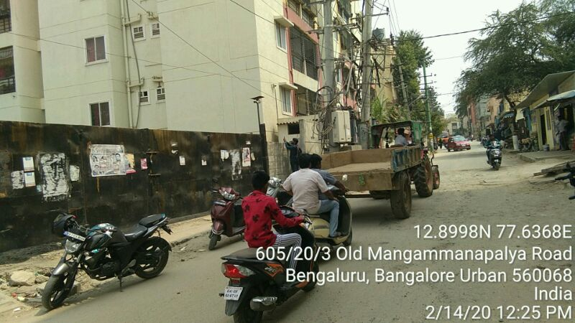

 |  |  |  |  |  |  | 16

Annexure:
BUA Area Details |  | Permissible BUA in Sft | No. of Units | Actual BUA in Sft |  | No. of Units
No of floors |  |  |  | S+G+02F
UDS / PLOT AREA |  | 1200 |  | 1200
SBUA / BUA |  |  |  | 0
Basement/Stilt area |  |  |  | Parking
GF area & units |  | 1050 |  | 1100 |  | 0
FF area & units |  | 1050 |  | 1100 |  | 0
SF area & units |  |  |  | 1000 |  | 0
TF area & units
4th F area & units
Total |  | 2100 |  | 3200 |  | 0
FAR / FSI |  | 1.75 |  | 2.6666666667
% Total BUA deviation |  | 52%
Total SBUA considered |  | 2100

REMARKS:
1
2
3
4
5
6
7
8
9
10
11
12

