Worksheet
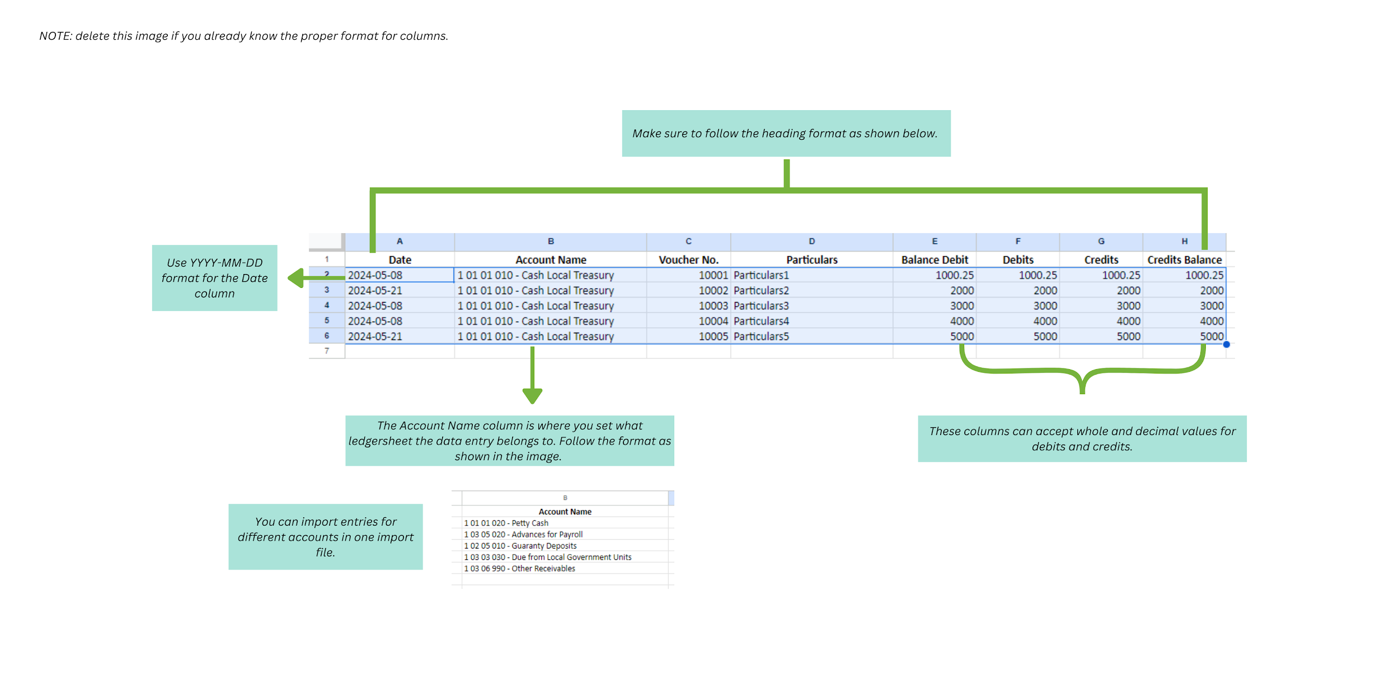
Date | Account Name | Voucher No. | Particulars | Balance Debit | Debits | Credits | Credits Balance
2024-05-08 | 1 01 01 010 - Cash Local Treasury | 10001 | Particulars1 | 1000.25 | 1000.25 | 1000.25 | 1000.25
2024-05-21 | 1 01 01 010 - Cash Local Treasury | 10002 | Particulars2 | 2000 | 2000 | 2000 | 2000
2024-05-08 | 1 01 01 010 - Cash Local Treasury | 10003 | Particulars3 | 3000 | 3000 | 3000 | 3000
2024-05-08 | 1 01 01 010 - Cash Local Treasury | 10004 | Particulars4 | 4000 | 4000 | 4000 | 4000
2024-05-21 | 1 01 01 010 - Cash Local Treasury | 10005 | Particulars5 | 5000 | 5000 | 5000 | 5000

