CCL18 PARC
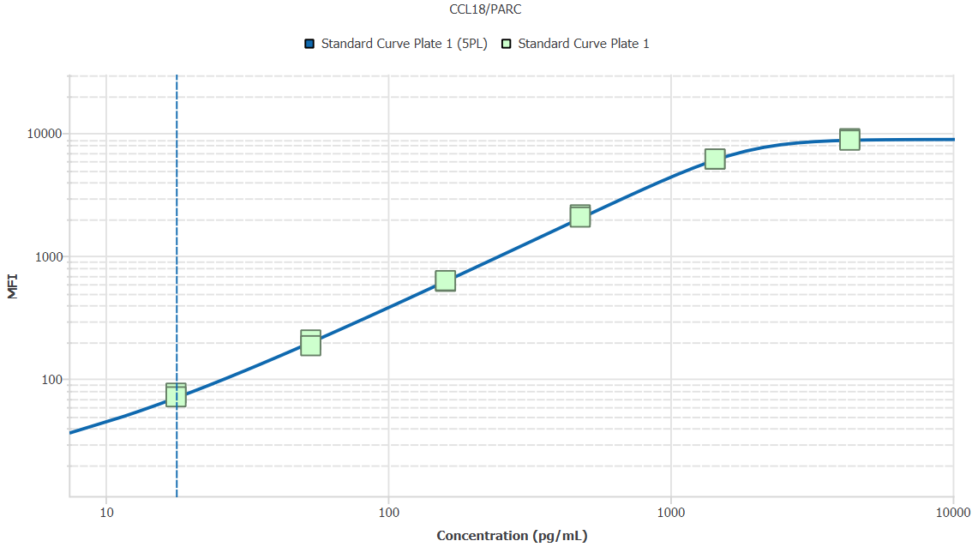
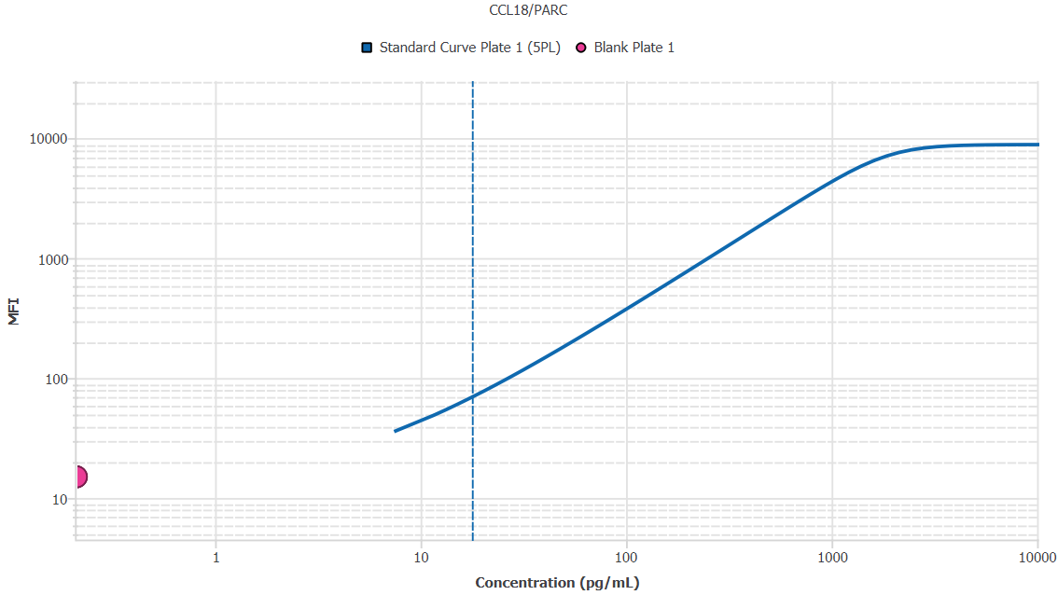
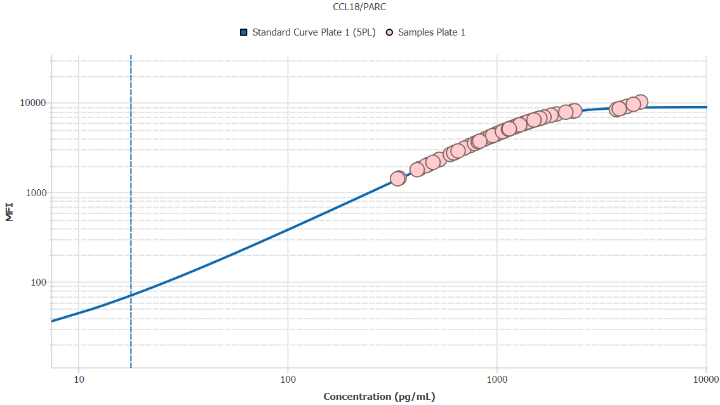
File Name: | O:/facility/2020/_ongoing_projects_/johanna_dahlqvist/PP2020_0052/anca_vasculitis/sia/luminex_interpolation/belysa_files/Belysa_MD_PP2020_0052_p1_k1_201105_CM_20200729_041052.belysa
Source File Name: | O:/facility/2020/_ongoing_projects_/johanna_dahlqvist/PP2020_0052/anca_vasculitis/sia/luminex_interpolation/luminex_data/PP2020_0052_p1_k1_201105_CM_20200729_041052.csv
Executed By:
Executed On:
Instrument: | MAGPX11083001
File Last Modified: | ti nov 24 15:13:29 2020 GMT+0100
File Last Modified By: | matilda.dale
Instrument SW Version: | 4.2.1324.0
Analysis SW Version: | Belysa 1.0.19
Printed By SW Version: | 1.0.19
Experiment Name: | Experiment 1
Experiment Description:
Experiment Created By: | matilda.dale
Experiment Created On: | ti nov 24 14:29:54 2020 GMT+0100

Original Name | Current Name | ID | Units | Precision
Analyte 33 | CCL18/PARC | 33 | pg/mL | 2

Standards

Plate | Group | Location | Well ID | Analyte | Expected | Unk. Dilution | Sample ID | Standard | Fit | Avg. Result | Result | Message | Result SD | Result CV | Avg. MFI | MFI | MFI CV | MFI SD | Avg. Recovery | Recovery | n | Exclude | Exclude Reason
Plate 1 | Standard Curve Plate 1 | A1 A12 | 1 | CCL18/PARC | 0.00 |  | Blank | Standard Curve Plate 1 | 5PL | - |  | EXT | - | - | 15.00 |  | 0.0% | 0.00 | - |  | 2
Plate 1 | Standard Curve Plate 1 | A1 | 1 | CCL18/PARC | 0.00 |  | Blank | Standard Curve Plate 1 | 5PL |  | - | EXT |  |  |  | 15.00 |  |  |  | -
Plate 1 | Standard Curve Plate 1 | A12 | 1 | CCL18/PARC | 0.00 |  | Blank | Standard Curve Plate 1 | 5PL |  | - | EXT |  |  |  | 15.00 |  |  |  | -
Plate 1 | Standard Curve Plate 1 | B1 B12 | 2 | CCL18/PARC | 17.78 |  | S6 | Standard Curve Plate 1 | 5PL | 18.52 |  |  | 1.03 | 5.5% | 73.50 |  | 4.8% | 3.54 | 104.2% |  | 2
Plate 1 | Standard Curve Plate 1 | B1 | 2 | CCL18/PARC | 17.78 |  | S6 | Standard Curve Plate 1 | 5PL |  | 19.25 |  |  |  |  | 76.00 |  |  |  | 108.3%
Plate 1 | Standard Curve Plate 1 | B12 | 2 | CCL18/PARC | 17.78 |  | S6 | Standard Curve Plate 1 | 5PL |  | 17.80 |  |  |  |  | 71.00 |  |  |  | 100.1%
Plate 1 | Standard Curve Plate 1 | C1 C12 | 3 | CCL18/PARC | 53.33 |  | S5 | Standard Curve Plate 1 | 5PL | 51.97 |  |  | 3.91 | 7.5% | 195.50 |  | 7.6% | 14.85 | 97.4% |  | 2
Plate 1 | Standard Curve Plate 1 | C1 | 3 | CCL18/PARC | 53.33 |  | S5 | Standard Curve Plate 1 | 5PL |  | 54.73 |  |  |  |  | 206.00 |  |  |  | 102.6%
Plate 1 | Standard Curve Plate 1 | C12 | 3 | CCL18/PARC | 53.33 |  | S5 | Standard Curve Plate 1 | 5PL |  | 49.20 |  |  |  |  | 185.00 |  |  |  | 92.2%
Plate 1 | Standard Curve Plate 1 | D1 D12 | 4 | CCL18/PARC | 160.00 |  | S4 | Standard Curve Plate 1 | 5PL | 157.91 |  |  | 1.43 | 0.9% | 622.75 |  | 1.0% | 6.01 | 98.7% |  | 2
Plate 1 | Standard Curve Plate 1 | D1 | 4 | CCL18/PARC | 160.00 |  | S4 | Standard Curve Plate 1 | 5PL |  | 156.90 |  |  |  |  | 618.50 |  |  |  | 98.1%
Plate 1 | Standard Curve Plate 1 | D12 | 4 | CCL18/PARC | 160.00 |  | S4 | Standard Curve Plate 1 | 5PL |  | 158.92 |  |  |  |  | 627.00 |  |  |  | 99.3%
Plate 1 | Standard Curve Plate 1 | E1 E12 | 5 | CCL18/PARC | 480.00 |  | S3 | Standard Curve Plate 1 | 5PL | 490.52 |  |  | 13.48 | 2.7% | 2106.00 |  | 3.0% | 62.23 | 102.2% |  | 2
Plate 1 | Standard Curve Plate 1 | E1 | 5 | CCL18/PARC | 480.00 |  | S3 | Standard Curve Plate 1 | 5PL |  | 500.05 |  |  |  |  | 2150.00 |  |  |  | 104.2%
Plate 1 | Standard Curve Plate 1 | E12 | 5 | CCL18/PARC | 480.00 |  | S3 | Standard Curve Plate 1 | 5PL |  | 480.98 |  |  |  |  | 2062.00 |  |  |  | 100.2%
Plate 1 | Standard Curve Plate 1 | F1 F12 | 6 | CCL18/PARC | 1440.00 |  | S2 | Standard Curve Plate 1 | 5PL | 1436.61 |  |  | 4.29 | 0.3% | 6116.00 |  | 0.2% | 14.14 | 99.8% |  | 2
Plate 1 | Standard Curve Plate 1 | F1 | 6 | CCL18/PARC | 1440.00 |  | S2 | Standard Curve Plate 1 | 5PL |  | 1433.57 |  |  |  |  | 6106.00 |  |  |  | 99.6%
Plate 1 | Standard Curve Plate 1 | F12 | 6 | CCL18/PARC | 1440.00 |  | S2 | Standard Curve Plate 1 | 5PL |  | 1439.64 |  |  |  |  | 6126.00 |  |  |  | 100.0%
Plate 1 | Standard Curve Plate 1 | G1 G12 | 7 | CCL18/PARC | 4320.00 |  | S1 | Standard Curve Plate 1 | 5PL | 4091.80 |  |  | 112.51 | 2.7% | 8842.75 |  | 2.0% | 176.42 | 94.7% |  | 2
Plate 1 | Standard Curve Plate 1 | G1 | 7 | CCL18/PARC | 4320.00 |  | S1 | Standard Curve Plate 1 | 5PL |  | 4171.36 |  |  |  |  | 8967.50 |  |  |  | 96.6%
Plate 1 | Standard Curve Plate 1 | G12 | 7 | CCL18/PARC | 4320.00 |  | S1 | Standard Curve Plate 1 | 5PL |  | 4012.24 |  |  |  |  | 8718.00 |  |  |  | 92.9%

Unknowns

Plate | Group | Location | Well ID | Analyte | Expected | Unk. Dilution | Sample ID | Standard | Fit | Avg. Result | Result | Message | Result SD | Result CV | Avg. MFI | MFI | MFI CV | MFI SD | Avg. Recovery | Recovery | n | Exclude | Exclude Reason
Plate 1 | Blank Plate 1 | H1 H11 H12 | 8 | CCL18/PARC |  | 1.00 | Blank | Standard Curve Plate 1 | 5PL | 0.21 |  | EXT | 0.00 | 0.0% | 15.00 |  | 0.0% | 0.00 | - |  | 3
Plate 1 | Blank Plate 1 | H1 | 8 | CCL18/PARC |  | 1.00 | Blank | Standard Curve Plate 1 | 5PL |  | 0.21 | EXT |  |  |  | 15.00 |  |  |  | -
Plate 1 | Blank Plate 1 | H11 | 8 | CCL18/PARC |  | 1.00 | Blank | Standard Curve Plate 1 | 5PL |  | 0.21 | EXT |  |  |  | 15.00 |  |  |  | -
Plate 1 | Blank Plate 1 | H12 | 8 | CCL18/PARC |  | 1.00 | Blank | Standard Curve Plate 1 | 5PL |  | 0.21 | EXT |  |  |  | 15.00 |  |  |  | -
Plate 1 | Samples Plate 1 | A2 | 9 | CCL18/PARC |  | 50.00 | 1900073310 | Standard Curve Plate 1 | 5PL | 23294.78 |  |  |  |  | 1992.50 |  |  |  | -
Plate 1 | Samples Plate 1 | B2 | 10 | CCL18/PARC |  | 50.00 | UMU3 | Standard Curve Plate 1 | 5PL | 118254.07 |  |  |  |  | 8044.00 |  |  |  | -
Plate 1 | Samples Plate 1 | C2 | 11 | CCL18/PARC |  | 50.00 | LU1109 | Standard Curve Plate 1 | 5PL | 67308.91 |  |  |  |  | 5806.50 |  |  |  | -
Plate 1 | Samples Plate 1 | D2 | 12 | CCL18/PARC |  | 50.00 | 1900073235 | Standard Curve Plate 1 | 5PL | 31827.43 |  |  |  |  | 2783.00 |  |  |  | -
Plate 1 | Samples Plate 1 | E2 | 13 | CCL18/PARC |  | 50.00 | 1900073360 | Standard Curve Plate 1 | 5PL | 43922.77 |  |  |  |  | 3894.00 |  |  |  | -
Plate 1 | Samples Plate 1 | F2 | 14 | CCL18/PARC |  | 50.00 | RA2058 | Standard Curve Plate 1 | 5PL | 91172.44 |  |  |  |  | 7176.50 |  |  |  | -
Plate 1 | Samples Plate 1 | G2 | 15 | CCL18/PARC |  | 50.00 | Daniel 102 | Standard Curve Plate 1 | 5PL | 187187.23 |  |  |  |  | 8297.00 |  |  |  | -
Plate 1 | Samples Plate 1 | H2 | 16 | CCL18/PARC |  | 50.00 | 1900073345 | Standard Curve Plate 1 | 5PL | 41591.04 |  |  |  |  | 3683.00 |  |  |  | -
Plate 1 | Samples Plate 1 | A3 | 17 | CCL18/PARC |  | 50.00 | 1900073321 | Standard Curve Plate 1 | 5PL | 26656.31 |  |  |  |  | 2303.00 |  |  |  | -
Plate 1 | Samples Plate 1 | B3 | 18 | CCL18/PARC |  | 50.00 | VASKA 122_2 | Standard Curve Plate 1 | 5PL | 37475.30 |  |  |  |  | 3306.00 |  |  |  | -
Plate 1 | Samples Plate 1 | C3 | 19 | CCL18/PARC |  | 50.00 | 1900073370 | Standard Curve Plate 1 | 5PL | 37366.80 |  |  |  |  | 3296.00 |  |  |  | -
Plate 1 | Samples Plate 1 | D3 | 20 | CCL18/PARC |  | 50.00 | SLE 1306 | Standard Curve Plate 1 | 5PL | 26742.67 |  |  |  |  | 2311.00 |  |  |  | -
Plate 1 | Samples Plate 1 | E3 | 21 | CCL18/PARC |  | 50.00 | 1900073231 | Standard Curve Plate 1 | 5PL | 16829.20 |  |  |  |  | 1403.50 |  |  |  | -
Plate 1 | Samples Plate 1 | F3 | 22 | CCL18/PARC |  | 50.00 | Daniel 96 | Standard Curve Plate 1 | 5PL | 244377.96 |  | EXT |  |  | 10090.50 |  |  |  | -
Plate 1 | Samples Plate 1 | G3 | 23 | CCL18/PARC |  | 50.00 | 1900073344 | Standard Curve Plate 1 | 5PL | 22974.15 |  |  |  |  | 1963.00 |  |  |  | -
Plate 1 | Samples Plate 1 | H3 | 24 | CCL18/PARC |  | 50.00 | LU1102 | Standard Curve Plate 1 | 5PL | 64582.70 |  |  |  |  | 5609.00 |  |  |  | -
Plate 1 | Samples Plate 1 | A4 | 25 | CCL18/PARC |  | 50.00 | 1900073358 | Standard Curve Plate 1 | 5PL | 21432.36 |  |  |  |  | 1821.50 |  |  |  | -
Plate 1 | Samples Plate 1 | B4 | 26 | CCL18/PARC |  | 50.00 | 1900073375 | Standard Curve Plate 1 | 5PL | 53578.74 |  |  |  |  | 4737.00 |  |  |  | -
Plate 1 | Samples Plate 1 | C4 | 27 | CCL18/PARC |  | 50.00 | LU1037 | Standard Curve Plate 1 | 5PL | 97042.62 |  |  |  |  | 7418.00 |  |  |  | -
Plate 1 | Samples Plate 1 | D4 | 28 | CCL18/PARC |  | 50.00 | 1900073250 | Standard Curve Plate 1 | 5PL | 31450.59 |  |  |  |  | 2748.00 |  |  |  | -
Plate 1 | Samples Plate 1 | E4 | 29 | CCL18/PARC |  | 50.00 | UMU1 | Standard Curve Plate 1 | 5PL | 23734.55 |  |  |  |  | 2033.00 |  |  |  | -
Plate 1 | Samples Plate 1 | F4 | 30 | CCL18/PARC |  | 50.00 | VASKA 501 | Standard Curve Plate 1 | 5PL | 79561.41 |  |  |  |  | 6591.00 |  |  |  | -
Plate 1 | Samples Plate 1 | G4 | 31 | CCL18/PARC |  | 50.00 | VASKA 609 | Standard Curve Plate 1 | 5PL | 72863.87 |  |  |  |  | 6183.50 |  |  |  | -
Plate 1 | Samples Plate 1 | H4 | 32 | CCL18/PARC |  | 50.00 | Daniel 107 | Standard Curve Plate 1 | 5PL | 193054.58 |  |  |  |  | 8481.00 |  |  |  | -
Plate 1 | Samples Plate 1 | A5 | 33 | CCL18/PARC |  | 50.00 | RA2330 | Standard Curve Plate 1 | 5PL | 49615.08 |  |  |  |  | 4398.00 |  |  |  | -
Plate 1 | Samples Plate 1 | B5 | 34 | CCL18/PARC |  | 50.00 | VASKA 648A_2 | Standard Curve Plate 1 | 5PL | 51364.57 |  |  |  |  | 4549.00 |  |  |  | -
Plate 1 | Samples Plate 1 | C5 | 35 | CCL18/PARC |  | 50.00 | LU1104 | Standard Curve Plate 1 | 5PL | 73932.52 |  |  |  |  | 6252.00 |  |  |  | -
Plate 1 | Samples Plate 1 | D5 | 36 | CCL18/PARC |  | 50.00 | 1900073269 | Standard Curve Plate 1 | 5PL | 62574.50 |  |  |  |  | 5458.50 |  |  |  | -
Plate 1 | Samples Plate 1 | E5 | 37 | CCL18/PARC |  | 50.00 | Ö30 | Standard Curve Plate 1 | 5PL | 68719.30 |  |  |  |  | 5905.50 |  |  |  | -
Plate 1 | Samples Plate 1 | F5 | 38 | CCL18/PARC |  | 50.00 | 1900073261 | Standard Curve Plate 1 | 5PL | 40871.86 |  |  |  |  | 3617.50 |  |  |  | -
Plate 1 | Samples Plate 1 | G5 | 39 | CCL18/PARC |  | 50.00 | 1900073287 | Standard Curve Plate 1 | 5PL | 61043.35 |  |  |  |  | 5341.00 |  |  |  | -
Plate 1 | Samples Plate 1 | H5 | 40 | CCL18/PARC |  | 50.00 | 1900073351 | Standard Curve Plate 1 | 5PL | 24856.44 |  |  |  |  | 2136.50 |  |  |  | -
Plate 1 | Samples Plate 1 | A6 | 41 | CCL18/PARC |  | 50.00 | 1900073327 | Standard Curve Plate 1 | 5PL | 59042.36 |  |  |  |  | 5184.00 |  |  |  | -
Plate 1 | Samples Plate 1 | B6 | 42 | CCL18/PARC |  | 50.00 | VASKA 641 | Standard Curve Plate 1 | 5PL | 77921.07 |  |  |  |  | 6496.00 |  |  |  | -
Plate 1 | Samples Plate 1 | C6 | 43 | CCL18/PARC |  | 50.00 | VASKA 301 | Standard Curve Plate 1 | 5PL | 70554.51 |  |  |  |  | 6031.00 |  |  |  | -
Plate 1 | Samples Plate 1 | D6 | 44 | CCL18/PARC |  | 50.00 | 1900073427 | Standard Curve Plate 1 | 5PL | 31612.09 |  |  |  |  | 2763.00 |  |  |  | -
Plate 1 | Samples Plate 1 | E6 | 45 | CCL18/PARC |  | 50.00 | VASKA 305 | Standard Curve Plate 1 | 5PL | 67344.15 |  |  |  |  | 5809.00 |  |  |  | -
Plate 1 | Samples Plate 1 | F6 | 46 | CCL18/PARC |  | 50.00 | 1900073280 | Standard Curve Plate 1 | 5PL | 51551.39 |  |  |  |  | 4565.00 |  |  |  | -
Plate 1 | Samples Plate 1 | G6 | 47 | CCL18/PARC |  | 50.00 | 1900073220 | Standard Curve Plate 1 | 5PL | 53406.41 |  |  |  |  | 4722.50 |  |  |  | -
Plate 1 | Samples Plate 1 | H6 | 48 | CCL18/PARC |  | 50.00 | 1900073432 | Standard Curve Plate 1 | 5PL | 80554.41 |  |  |  |  | 6647.00 |  |  |  | -
Plate 1 | Samples Plate 1 | A7 | 49 | CCL18/PARC |  | 50.00 | 1900073298 | Standard Curve Plate 1 | 5PL | 17112.57 |  |  |  |  | 1429.00 |  |  |  | -
Plate 1 | Samples Plate 1 | B7 | 50 | CCL18/PARC |  | 50.00 | VASKA 129 | Standard Curve Plate 1 | 5PL | 55106.16 |  |  |  |  | 4864.50 |  |  |  | -
Plate 1 | Samples Plate 1 | C7 | 51 | CCL18/PARC |  | 50.00 | 1900073249 | Standard Curve Plate 1 | 5PL | 35077.78 |  |  |  |  | 3084.50 |  |  |  | -
Plate 1 | Samples Plate 1 | D7 | 52 | CCL18/PARC |  | 50.00 | 1900073290 | Standard Curve Plate 1 | 5PL | 47842.53 |  |  |  |  | 4243.00 |  |  |  | -
Plate 1 | Samples Plate 1 | E7 | 53 | CCL18/PARC |  | 50.00 | 1900073229 | Standard Curve Plate 1 | 5PL | 31208.36 |  |  |  |  | 2725.50 |  |  |  | -
Plate 1 | Samples Plate 1 | F7 | 54 | CCL18/PARC |  | 50.00 | LU1082 | Standard Curve Plate 1 | 5PL | 61626.17 |  |  |  |  | 5386.00 |  |  |  | -
Plate 1 | Samples Plate 1 | G7 | 55 | CCL18/PARC |  | 50.00 | 1900073271 | Standard Curve Plate 1 | 5PL | 84317.82 |  |  |  |  | 6849.00 |  |  |  | -
Plate 1 | Samples Plate 1 | H7 | 56 | CCL18/PARC |  | 50.00 | Daniel 103 | Standard Curve Plate 1 | 5PL | 225612.00 |  | EXT |  |  | 9502.00 |  |  |  | -
Plate 1 | Samples Plate 1 | A8 | 57 | CCL18/PARC |  | 50.00 | 1900073248 | Standard Curve Plate 1 | 5PL | 54073.46 |  |  |  |  | 4778.50 |  |  |  | -
Plate 1 | Samples Plate 1 | B8 | 58 | CCL18/PARC |  | 50.00 | Daniel 82 | Standard Curve Plate 1 | 5PL | 196020.15 |  |  |  |  | 8574.00 |  |  |  | -
Plate 1 | Samples Plate 1 | C8 | 59 | CCL18/PARC |  | 50.00 | RA1369 | Standard Curve Plate 1 | 5PL | 107173.66 |  |  |  |  | 7760.00 |  |  |  | -
Plate 1 | Samples Plate 1 | D8 | 60 | CCL18/PARC |  | 50.00 | VASKA 102 | Standard Curve Plate 1 | 5PL | 31558.25 |  |  |  |  | 2758.00 |  |  |  | -
Plate 1 | Samples Plate 1 | E8 | 61 | CCL18/PARC |  | 50.00 | RA2201 | Standard Curve Plate 1 | 5PL | 77229.26 |  |  |  |  | 6455.00 |  |  |  | -
Plate 1 | Samples Plate 1 | F8 | 62 | CCL18/PARC |  | 50.00 | 1900073359 | Standard Curve Plate 1 | 5PL | 47899.37 |  |  |  |  | 4248.00 |  |  |  | -
Plate 1 | Samples Plate 1 | G8 | 63 | CCL18/PARC |  | 50.00 | 1900073348 | Standard Curve Plate 1 | 5PL | 32753.63 |  |  |  |  | 2869.00 |  |  |  | -
Plate 1 | Samples Plate 1 | H8 | 64 | CCL18/PARC |  | 50.00 | 1900073376 | Standard Curve Plate 1 | 5PL | 75482.35 |  |  |  |  | 6349.00 |  |  |  | -
Plate 1 | Samples Plate 1 | A9 | 65 | CCL18/PARC |  | 50.00 | VASKA 100 | Standard Curve Plate 1 | 5PL | 52843.78 |  |  |  |  | 4675.00 |  |  |  | -
Plate 1 | Samples Plate 1 | B9 | 66 | CCL18/PARC |  | 50.00 | IgA 1563 | Standard Curve Plate 1 | 5PL | 26580.74 |  |  |  |  | 2296.00 |  |  |  | -
Plate 1 | Samples Plate 1 | C9 | 67 | CCL18/PARC |  | 50.00 | VASKA 504 | Standard Curve Plate 1 | 5PL | 77212.50 |  |  |  |  | 6454.00 |  |  |  | -
Plate 1 | Samples Plate 1 | D9 | 68 | CCL18/PARC |  | 50.00 | 1900073343 | Standard Curve Plate 1 | 5PL | 30061.85 |  |  |  |  | 2619.00 |  |  |  | -
Plate 1 | Samples Plate 1 | E9 | 69 | CCL18/PARC |  | 50.00 | 1900073236 | Standard Curve Plate 1 | 5PL | 46394.43 |  |  |  |  | 4115.00 |  |  |  | -
Plate 1 | Samples Plate 1 | F9 | 70 | CCL18/PARC |  | 50.00 | Daniel 61 | Standard Curve Plate 1 | 5PL | 209572.45 |  | EXT |  |  | 8999.00 |  |  |  | -
Plate 1 | Samples Plate 1 | G9 | 71 | CCL18/PARC |  | 50.00 | Ö31 | Standard Curve Plate 1 | 5PL | 70547.09 |  |  |  |  | 6030.50 |  |  |  | -
Plate 1 | Samples Plate 1 | H9 | 72 | CCL18/PARC |  | 50.00 | 1900073381 | Standard Curve Plate 1 | 5PL | 20869.45 |  |  |  |  | 1770.00 |  |  |  | -
Plate 1 | Samples Plate 1 | A10 | 73 | CCL18/PARC |  | 50.00 | Daniel 101 | Standard Curve Plate 1 | 5PL | 116009.49 |  |  |  |  | 7993.00 |  |  |  | -
Plate 1 | Samples Plate 1 | B10 | 74 | CCL18/PARC |  | 50.00 | 1900073338 | Standard Curve Plate 1 | 5PL | 39390.01 |  |  |  |  | 3482.00 |  |  |  | -
Plate 1 | Samples Plate 1 | C10 | 75 | CCL18/PARC |  | 50.00 | UMU81 | Standard Curve Plate 1 | 5PL | 39270.03 |  |  |  |  | 3471.00 |  |  |  | -
Plate 1 | Samples Plate 1 | D10 | 76 | CCL18/PARC |  | 50.00 | SLE 0435 | Standard Curve Plate 1 | 5PL | 57037.95 |  |  |  |  | 5023.00 |  |  |  | -
Plate 1 | Samples Plate 1 | E10 | 77 | CCL18/PARC |  | 50.00 | Daniel 19 | Standard Curve Plate 1 | 5PL | 50469.46 |  |  |  |  | 4472.00 |  |  |  | -
Plate 1 | Samples Plate 1 | F10 | 78 | CCL18/PARC |  | 50.00 | 1900073331 | Standard Curve Plate 1 | 5PL | 63541.64 |  |  |  |  | 5531.50 |  |  |  | -
Plate 1 | Samples Plate 1 | G10 | 79 | CCL18/PARC |  | 50.00 | 1900073277 | Standard Curve Plate 1 | 5PL | 57025.64 |  |  |  |  | 5022.00 |  |  |  | -
Plate 1 | Samples Plate 1 | H10 | 80 | CCL18/PARC |  | 50.00 | VASKA 114_2 | Standard Curve Plate 1 | 5PL | 57556.52 |  |  |  |  | 5065.00 |  |  |  | -
Plate 1 | Samples Plate 1 | A11 | 81 | CCL18/PARC |  | 50.00 | 1900073419 | Standard Curve Plate 1 | 5PL | 64413.75 |  |  |  |  | 5596.50 |  |  |  | -
Plate 1 | Samples Plate 1 | B11 | 82 | CCL18/PARC |  | 50.00 | VASKA 621 | Standard Curve Plate 1 | 5PL | 31310.63 |  |  |  |  | 2735.00 |  |  |  | -
Plate 1 | Samples Plate 1 | C11 | 83 | CCL18/PARC |  | 50.00 | 1900073239 | Standard Curve Plate 1 | 5PL | 50238.00 |  |  |  |  | 4452.00 |  |  |  | -
Plate 1 | Samples Plate 1 | D11 | 84 | CCL18/PARC |  | 50.00 | Daniel 94 | Standard Curve Plate 1 | 5PL | 80500.69 |  |  |  |  | 6644.00 |  |  |  | -
Plate 1 | Samples Plate 1 | E11 | 85 | CCL18/PARC |  | 50.00 | 1900073429 | Standard Curve Plate 1 | 5PL | 80518.59 |  |  |  |  | 6645.00 |  |  |  | -
Plate 1 | Samples Plate 1 | F11 | 86 | CCL18/PARC |  | 50.00 | 1900073285 | Standard Curve Plate 1 | 5PL | 58960.54 |  |  |  |  | 5177.50 |  |  |  | -
Plate 1 | Samples Plate 1 | G11 | 87 | CCL18/PARC |  | 50.00 | 1900073384 | Standard Curve Plate 1 | 5PL | 62633.76 |  |  |  |  | 5463.00 |  |  |  | -

Curves

Group | Analyte | Fit | LLoQ | MDD | LoD | R Squared | Slope | Weighting | Equation
Standard Curve Plate 1 | CCL18/PARC | 5PL | 17.78 | N/A | N/A | 1.00 | 3.43 | 1/y^2 | y = 15.06 + (8972.11 - 15.06)/((1 + (1852.46/x)^3.52))^0.31

CA15-3 MUC-1
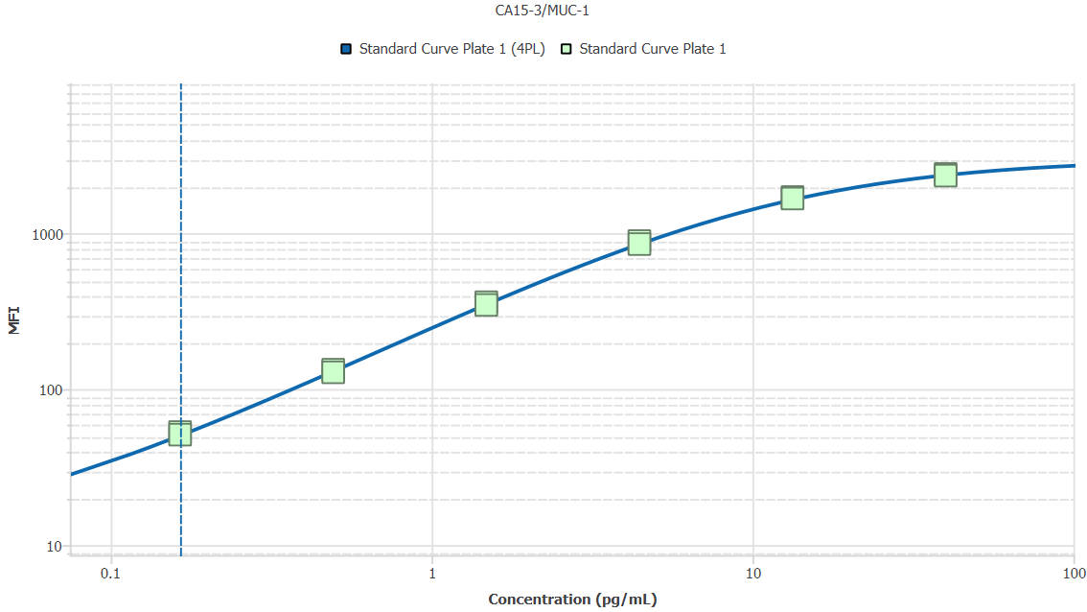
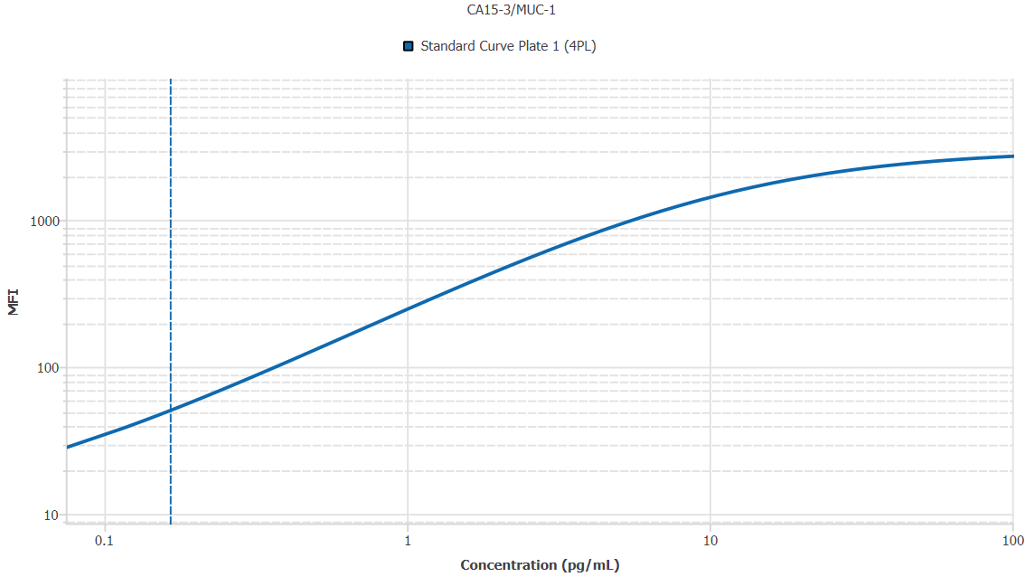
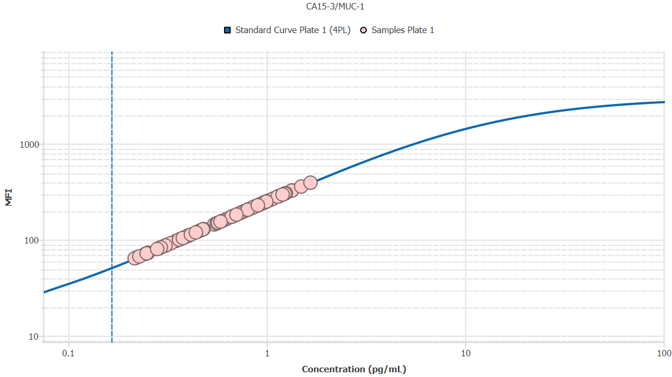
File Name: | O:/facility/2020/_ongoing_projects_/johanna_dahlqvist/PP2020_0052/anca_vasculitis/sia/luminex_interpolation/belysa_files/Belysa_MD_PP2020_0052_p1_k1_201105_CM_20200729_041052.belysa
Source File Name: | O:/facility/2020/_ongoing_projects_/johanna_dahlqvist/PP2020_0052/anca_vasculitis/sia/luminex_interpolation/luminex_data/PP2020_0052_p1_k1_201105_CM_20200729_041052.csv
Executed By:
Executed On:
Instrument: | MAGPX11083001
File Last Modified: | ti nov 24 15:13:29 2020 GMT+0100
File Last Modified By: | matilda.dale
Instrument SW Version: | 4.2.1324.0
Analysis SW Version: | Belysa 1.0.19
Printed By SW Version: | 1.0.19
Experiment Name: | Experiment 1
Experiment Description:
Experiment Created By: | matilda.dale
Experiment Created On: | ti nov 24 14:29:54 2020 GMT+0100

Original Name | Current Name | ID | Units | Precision
Analyte 75 | CA15-3/MUC-1 | 75 | pg/mL | 2

Standards

Plate | Group | Location | Well ID | Analyte | Expected | Unk. Dilution | Sample ID | Standard | Fit | Avg. Result | Result | Message | Result SD | Result CV | Avg. MFI | MFI | MFI CV | MFI SD | Avg. Recovery | Recovery | n | Exclude | Exclude Reason
Plate 1 | Standard Curve Plate 1 | A1 A12 | 1 | CA15-3/MUC-1 | 0.00 |  | Blank | Standard Curve Plate 1 | 4PL | - |  | ND, EXT | - | - | 10.50 |  | 6.7% | 0.71 | - |  | 2
Plate 1 | Standard Curve Plate 1 | A1 | 1 | CA15-3/MUC-1 | 0.00 |  | Blank | Standard Curve Plate 1 | 4PL |  | - | ND |  |  |  | 11.00 |  |  |  | -
Plate 1 | Standard Curve Plate 1 | A12 | 1 | CA15-3/MUC-1 | 0.00 |  | Blank | Standard Curve Plate 1 | 4PL |  | - | EXT |  |  |  | 10.00 |  |  |  | -
Plate 1 | Standard Curve Plate 1 | B1 B12 | 2 | CA15-3/MUC-1 | 0.16 |  | S6 | Standard Curve Plate 1 | 4PL | 0.17 |  |  | 0.01 | 3.4% | 52.00 |  | 2.7% | 1.41 | 101.9% |  | 2
Plate 1 | Standard Curve Plate 1 | B1 | 2 | CA15-3/MUC-1 | 0.16 |  | S6 | Standard Curve Plate 1 | 4PL |  | 0.17 |  |  |  |  | 53.00 |  |  |  | 104.3%
Plate 1 | Standard Curve Plate 1 | B12 | 2 | CA15-3/MUC-1 | 0.16 |  | S6 | Standard Curve Plate 1 | 4PL |  | 0.16 |  |  |  |  | 51.00 |  |  |  | 99.5%
Plate 1 | Standard Curve Plate 1 | C1 C12 | 3 | CA15-3/MUC-1 | 0.49 |  | S5 | Standard Curve Plate 1 | 4PL | 0.49 |  |  | 0.01 | 3.0% | 130.50 |  | 2.7% | 3.54 | 98.5% |  | 2
Plate 1 | Standard Curve Plate 1 | C1 | 3 | CA15-3/MUC-1 | 0.49 |  | S5 | Standard Curve Plate 1 | 4PL |  | 0.50 |  |  |  |  | 133.00 |  |  |  | 100.6%
Plate 1 | Standard Curve Plate 1 | C12 | 3 | CA15-3/MUC-1 | 0.49 |  | S5 | Standard Curve Plate 1 | 4PL |  | 0.48 |  |  |  |  | 128.00 |  |  |  | 96.4%
Plate 1 | Standard Curve Plate 1 | D1 D12 | 4 | CA15-3/MUC-1 | 1.48 |  | S4 | Standard Curve Plate 1 | 4PL | 1.47 |  |  | 0.05 | 3.2% | 353.00 |  | 2.8% | 9.90 | 99.4% |  | 2
Plate 1 | Standard Curve Plate 1 | D1 | 4 | CA15-3/MUC-1 | 1.48 |  | S4 | Standard Curve Plate 1 | 4PL |  | 1.51 |  |  |  |  | 360.00 |  |  |  | 101.6%
Plate 1 | Standard Curve Plate 1 | D12 | 4 | CA15-3/MUC-1 | 1.48 |  | S4 | Standard Curve Plate 1 | 4PL |  | 1.44 |  |  |  |  | 346.00 |  |  |  | 97.1%
Plate 1 | Standard Curve Plate 1 | E1 E12 | 5 | CA15-3/MUC-1 | 4.44 |  | S3 | Standard Curve Plate 1 | 4PL | 4.48 |  |  | 0.20 | 4.4% | 868.75 |  | 3.1% | 27.22 | 100.8% |  | 2
Plate 1 | Standard Curve Plate 1 | E1 | 5 | CA15-3/MUC-1 | 4.44 |  | S3 | Standard Curve Plate 1 | 4PL |  | 4.62 |  |  |  |  | 888.00 |  |  |  | 103.9%
Plate 1 | Standard Curve Plate 1 | E12 | 5 | CA15-3/MUC-1 | 4.44 |  | S3 | Standard Curve Plate 1 | 4PL |  | 4.34 |  |  |  |  | 849.50 |  |  |  | 97.7%
Plate 1 | Standard Curve Plate 1 | F1 F12 | 6 | CA15-3/MUC-1 | 13.33 |  | S2 | Standard Curve Plate 1 | 4PL | 13.75 |  |  | 0.47 | 3.4% | 1683.50 |  | 1.6% | 26.16 | 103.1% |  | 2
Plate 1 | Standard Curve Plate 1 | F1 | 6 | CA15-3/MUC-1 | 13.33 |  | S2 | Standard Curve Plate 1 | 4PL |  | 14.08 |  |  |  |  | 1702.00 |  |  |  | 105.6%
Plate 1 | Standard Curve Plate 1 | F12 | 6 | CA15-3/MUC-1 | 13.33 |  | S2 | Standard Curve Plate 1 | 4PL |  | 13.41 |  |  |  |  | 1665.00 |  |  |  | 100.6%
Plate 1 | Standard Curve Plate 1 | G1 G12 | 7 | CA15-3/MUC-1 | 40.00 |  | S1 | Standard Curve Plate 1 | 4PL | 39.04 |  |  | 2.22 | 5.7% | 2363.00 |  | 1.7% | 41.01 | 97.6% |  | 2
Plate 1 | Standard Curve Plate 1 | G1 | 7 | CA15-3/MUC-1 | 40.00 |  | S1 | Standard Curve Plate 1 | 4PL |  | 40.61 |  |  |  |  | 2392.00 |  |  |  | 101.5%
Plate 1 | Standard Curve Plate 1 | G12 | 7 | CA15-3/MUC-1 | 40.00 |  | S1 | Standard Curve Plate 1 | 4PL |  | 37.46 |  |  |  |  | 2334.00 |  |  |  | 93.7%

Unknowns

Plate | Group | Location | Well ID | Analyte | Expected | Unk. Dilution | Sample ID | Standard | Fit | Avg. Result | Result | Message | Result SD | Result CV | Avg. MFI | MFI | MFI CV | MFI SD | Avg. Recovery | Recovery | n | Exclude | Exclude Reason
Plate 1 | Blank Plate 1 | H1 H11 H12 | 8 | CA15-3/MUC-1 |  | 1.00 | Blank | Standard Curve Plate 1 | 4PL | - |  | EXT | - | - | 10.00 |  | 0.0% | 0.00 | - |  | 3
Plate 1 | Blank Plate 1 | H1 | 8 | CA15-3/MUC-1 |  | 1.00 | Blank | Standard Curve Plate 1 | 4PL |  | - | EXT |  |  |  | 10.00 |  |  |  | -
Plate 1 | Blank Plate 1 | H11 | 8 | CA15-3/MUC-1 |  | 1.00 | Blank | Standard Curve Plate 1 | 4PL |  | - | EXT |  |  |  | 10.00 |  |  |  | -
Plate 1 | Blank Plate 1 | H12 | 8 | CA15-3/MUC-1 |  | 1.00 | Blank | Standard Curve Plate 1 | 4PL |  | - | EXT |  |  |  | 10.00 |  |  |  | -
Plate 1 | Samples Plate 1 | A2 | 9 | CA15-3/MUC-1 |  | 50.00 | 1900073310 | Standard Curve Plate 1 | 4PL | 47.72 |  |  |  |  | 240.00 |  |  |  | -
Plate 1 | Samples Plate 1 | B2 | 10 | CA15-3/MUC-1 |  | 50.00 | UMU3 | Standard Curve Plate 1 | 4PL | 60.32 |  |  |  |  | 296.00 |  |  |  | -
Plate 1 | Samples Plate 1 | C2 | 11 | CA15-3/MUC-1 |  | 50.00 | LU1109 | Standard Curve Plate 1 | 4PL | 57.58 |  |  |  |  | 284.00 |  |  |  | -
Plate 1 | Samples Plate 1 | D2 | 12 | CA15-3/MUC-1 |  | 50.00 | 1900073235 | Standard Curve Plate 1 | 4PL | 44.21 |  |  |  |  | 224.00 |  |  |  | -
Plate 1 | Samples Plate 1 | E2 | 13 | CA15-3/MUC-1 |  | 50.00 | 1900073360 | Standard Curve Plate 1 | 4PL | 20.31 |  |  |  |  | 111.00 |  |  |  | -
Plate 1 | Samples Plate 1 | F2 | 14 | CA15-3/MUC-1 |  | 50.00 | RA2058 | Standard Curve Plate 1 | 4PL | 10.79 |  |  |  |  | 64.00 |  |  |  | -
Plate 1 | Samples Plate 1 | G2 | 15 | CA15-3/MUC-1 |  | 50.00 | Daniel 102 | Standard Curve Plate 1 | 4PL | 74.58 |  |  |  |  | 357.00 |  |  |  | -
Plate 1 | Samples Plate 1 | H2 | 16 | CA15-3/MUC-1 |  | 50.00 | 1900073345 | Standard Curve Plate 1 | 4PL | 12.40 |  |  |  |  | 72.00 |  |  |  | -
Plate 1 | Samples Plate 1 | A3 | 17 | CA15-3/MUC-1 |  | 50.00 | 1900073321 | Standard Curve Plate 1 | 4PL | 14.21 |  |  |  |  | 81.00 |  |  |  | -
Plate 1 | Samples Plate 1 | B3 | 18 | CA15-3/MUC-1 |  | 50.00 | VASKA 122_2 | Standard Curve Plate 1 | 4PL | 33.23 |  |  |  |  | 173.00 |  |  |  | -
Plate 1 | Samples Plate 1 | C3 | 19 | CA15-3/MUC-1 |  | 50.00 | 1900073370 | Standard Curve Plate 1 | 4PL | 42.90 |  |  |  |  | 218.00 |  |  |  | -
Plate 1 | Samples Plate 1 | D3 | 20 | CA15-3/MUC-1 |  | 50.00 | SLE 1306 | Standard Curve Plate 1 | 4PL | 17.46 |  |  |  |  | 97.00 |  |  |  | -
Plate 1 | Samples Plate 1 | E3 | 21 | CA15-3/MUC-1 |  | 50.00 | 1900073231 | Standard Curve Plate 1 | 4PL | 37.28 |  |  |  |  | 192.00 |  |  |  | -
Plate 1 | Samples Plate 1 | F3 | 22 | CA15-3/MUC-1 |  | 50.00 | Daniel 96 | Standard Curve Plate 1 | 4PL | 47.50 |  |  |  |  | 239.00 |  |  |  | -
Plate 1 | Samples Plate 1 | G3 | 23 | CA15-3/MUC-1 |  | 50.00 | 1900073344 | Standard Curve Plate 1 | 4PL | 23.19 |  |  |  |  | 125.00 |  |  |  | -
Plate 1 | Samples Plate 1 | H3 | 24 | CA15-3/MUC-1 |  | 50.00 | LU1102 | Standard Curve Plate 1 | 4PL | 60.09 |  |  |  |  | 295.00 |  |  |  | -
Plate 1 | Samples Plate 1 | A4 | 25 | CA15-3/MUC-1 |  | 50.00 | 1900073358 | Standard Curve Plate 1 | 4PL | 10.99 |  |  |  |  | 65.00 |  |  |  | -
Plate 1 | Samples Plate 1 | B4 | 26 | CA15-3/MUC-1 |  | 50.00 | 1900073375 | Standard Curve Plate 1 | 4PL | 40.08 |  |  |  |  | 205.00 |  |  |  | -
Plate 1 | Samples Plate 1 | C4 | 27 | CA15-3/MUC-1 |  | 50.00 | LU1037 | Standard Curve Plate 1 | 4PL | 49.27 |  |  |  |  | 247.00 |  |  |  | -
Plate 1 | Samples Plate 1 | D4 | 28 | CA15-3/MUC-1 |  | 50.00 | 1900073250 | Standard Curve Plate 1 | 4PL | 67.02 |  |  |  |  | 325.00 |  |  |  | -
Plate 1 | Samples Plate 1 | E4 | 29 | CA15-3/MUC-1 |  | 50.00 | UMU1 | Standard Curve Plate 1 | 4PL | 12.20 |  |  |  |  | 71.00 |  |  |  | -
Plate 1 | Samples Plate 1 | F4 | 30 | CA15-3/MUC-1 |  | 50.00 | VASKA 501 | Standard Curve Plate 1 | 4PL | 18.07 |  |  |  |  | 100.00 |  |  |  | -
Plate 1 | Samples Plate 1 | G4 | 31 | CA15-3/MUC-1 |  | 50.00 | VASKA 609 | Standard Curve Plate 1 | 4PL | 20.72 |  |  |  |  | 113.00 |  |  |  | -
Plate 1 | Samples Plate 1 | H4 | 32 | CA15-3/MUC-1 |  | 50.00 | Daniel 107 | Standard Curve Plate 1 | 4PL | 49.72 |  |  |  |  | 249.00 |  |  |  | -
Plate 1 | Samples Plate 1 | A5 | 33 | CA15-3/MUC-1 |  | 50.00 | RA2330 | Standard Curve Plate 1 | 4PL | 40.51 |  |  |  |  | 207.00 |  |  |  | -
Plate 1 | Samples Plate 1 | B5 | 34 | CA15-3/MUC-1 |  | 50.00 | VASKA 648A_2 | Standard Curve Plate 1 | 4PL | 14.21 |  |  |  |  | 81.00 |  |  |  | -
Plate 1 | Samples Plate 1 | C5 | 35 | CA15-3/MUC-1 |  | 50.00 | LU1104 | Standard Curve Plate 1 | 4PL | 34.50 |  |  |  |  | 179.00 |  |  |  | -
Plate 1 | Samples Plate 1 | D5 | 36 | CA15-3/MUC-1 |  | 50.00 | 1900073269 | Standard Curve Plate 1 | 4PL | 16.44 |  |  |  |  | 92.00 |  |  |  | -
Plate 1 | Samples Plate 1 | E5 | 37 | CA15-3/MUC-1 |  | 50.00 | Ö30 | Standard Curve Plate 1 | 4PL | 66.79 |  |  |  |  | 324.00 |  |  |  | -
Plate 1 | Samples Plate 1 | F5 | 38 | CA15-3/MUC-1 |  | 50.00 | 1900073261 | Standard Curve Plate 1 | 4PL | 11.39 |  |  |  |  | 67.00 |  |  |  | -
Plate 1 | Samples Plate 1 | G5 | 39 | CA15-3/MUC-1 |  | 50.00 | 1900073287 | Standard Curve Plate 1 | 4PL | 61.58 |  |  |  |  | 301.50 |  |  |  | -
Plate 1 | Samples Plate 1 | H5 | 40 | CA15-3/MUC-1 |  | 50.00 | 1900073351 | Standard Curve Plate 1 | 4PL | 23.81 |  |  |  |  | 128.00 |  |  |  | -
Plate 1 | Samples Plate 1 | A6 | 41 | CA15-3/MUC-1 |  | 50.00 | 1900073327 | Standard Curve Plate 1 | 4PL | 31.33 |  |  |  |  | 164.00 |  |  |  | -
Plate 1 | Samples Plate 1 | B6 | 42 | CA15-3/MUC-1 |  | 50.00 | VASKA 641 | Standard Curve Plate 1 | 4PL | 12.60 |  |  |  |  | 73.00 |  |  |  | -
Plate 1 | Samples Plate 1 | C6 | 43 | CA15-3/MUC-1 |  | 50.00 | VASKA 301 | Standard Curve Plate 1 | 4PL | 19.90 |  |  |  |  | 109.00 |  |  |  | -
Plate 1 | Samples Plate 1 | D6 | 44 | CA15-3/MUC-1 |  | 50.00 | 1900073427 | Standard Curve Plate 1 | 4PL | 22.57 |  |  |  |  | 122.00 |  |  |  | -
Plate 1 | Samples Plate 1 | E6 | 45 | CA15-3/MUC-1 |  | 50.00 | VASKA 305 | Standard Curve Plate 1 | 4PL | 40.51 |  |  |  |  | 207.00 |  |  |  | -
Plate 1 | Samples Plate 1 | F6 | 46 | CA15-3/MUC-1 |  | 50.00 | 1900073280 | Standard Curve Plate 1 | 4PL | 49.72 |  |  |  |  | 249.00 |  |  |  | -
Plate 1 | Samples Plate 1 | G6 | 47 | CA15-3/MUC-1 |  | 50.00 | 1900073220 | Standard Curve Plate 1 | 4PL | 43.99 |  |  |  |  | 223.00 |  |  |  | -
Plate 1 | Samples Plate 1 | H6 | 48 | CA15-3/MUC-1 |  | 50.00 | 1900073432 | Standard Curve Plate 1 | 4PL | 14.62 |  |  |  |  | 83.00 |  |  |  | -
Plate 1 | Samples Plate 1 | A7 | 49 | CA15-3/MUC-1 |  | 50.00 | 1900073298 | Standard Curve Plate 1 | 4PL | 29.85 |  |  |  |  | 157.00 |  |  |  | -
Plate 1 | Samples Plate 1 | B7 | 50 | CA15-3/MUC-1 |  | 50.00 | VASKA 129 | Standard Curve Plate 1 | 4PL | 33.44 |  |  |  |  | 174.00 |  |  |  | -
Plate 1 | Samples Plate 1 | C7 | 51 | CA15-3/MUC-1 |  | 50.00 | 1900073249 | Standard Curve Plate 1 | 4PL | 48.16 |  |  |  |  | 242.00 |  |  |  | -
Plate 1 | Samples Plate 1 | D7 | 52 | CA15-3/MUC-1 |  | 50.00 | 1900073290 | Standard Curve Plate 1 | 4PL | 33.23 |  |  |  |  | 173.00 |  |  |  | -
Plate 1 | Samples Plate 1 | E7 | 53 | CA15-3/MUC-1 |  | 50.00 | 1900073229 | Standard Curve Plate 1 | 4PL | 62.38 |  |  |  |  | 305.00 |  |  |  | -
Plate 1 | Samples Plate 1 | F7 | 54 | CA15-3/MUC-1 |  | 50.00 | LU1082 | Standard Curve Plate 1 | 4PL | 28.39 |  |  |  |  | 150.00 |  |  |  | -
Plate 1 | Samples Plate 1 | G7 | 55 | CA15-3/MUC-1 |  | 50.00 | 1900073271 | Standard Curve Plate 1 | 4PL | 15.43 |  |  |  |  | 87.00 |  |  |  | -
Plate 1 | Samples Plate 1 | H7 | 56 | CA15-3/MUC-1 |  | 50.00 | Daniel 103 | Standard Curve Plate 1 | 4PL | 14.01 |  |  |  |  | 80.00 |  |  |  | -
Plate 1 | Samples Plate 1 | A8 | 57 | CA15-3/MUC-1 |  | 50.00 | 1900073248 | Standard Curve Plate 1 | 4PL | 15.22 |  |  |  |  | 86.00 |  |  |  | -
Plate 1 | Samples Plate 1 | B8 | 58 | CA15-3/MUC-1 |  | 50.00 | Daniel 82 | Standard Curve Plate 1 | 4PL | 46.18 |  |  |  |  | 233.00 |  |  |  | -
Plate 1 | Samples Plate 1 | C8 | 59 | CA15-3/MUC-1 |  | 50.00 | RA1369 | Standard Curve Plate 1 | 4PL | 38.35 |  |  |  |  | 197.00 |  |  |  | -
Plate 1 | Samples Plate 1 | D8 | 60 | CA15-3/MUC-1 |  | 50.00 | VASKA 102 | Standard Curve Plate 1 | 4PL | 14.62 |  |  |  |  | 83.00 |  |  |  | -
Plate 1 | Samples Plate 1 | E8 | 61 | CA15-3/MUC-1 |  | 50.00 | RA2201 | Standard Curve Plate 1 | 4PL | 27.97 |  |  |  |  | 148.00 |  |  |  | -
Plate 1 | Samples Plate 1 | F8 | 62 | CA15-3/MUC-1 |  | 50.00 | 1900073359 | Standard Curve Plate 1 | 4PL | 56.67 |  |  |  |  | 280.00 |  |  |  | -
Plate 1 | Samples Plate 1 | G8 | 63 | CA15-3/MUC-1 |  | 50.00 | 1900073348 | Standard Curve Plate 1 | 4PL | 42.68 |  |  |  |  | 217.00 |  |  |  | -
Plate 1 | Samples Plate 1 | H8 | 64 | CA15-3/MUC-1 |  | 50.00 | 1900073376 | Standard Curve Plate 1 | 4PL | 83.03 |  |  |  |  | 392.00 |  |  |  | -
Plate 1 | Samples Plate 1 | A9 | 65 | CA15-3/MUC-1 |  | 50.00 | VASKA 100 | Standard Curve Plate 1 | 4PL | 57.46 |  |  |  |  | 283.50 |  |  |  | -
Plate 1 | Samples Plate 1 | B9 | 66 | CA15-3/MUC-1 |  | 50.00 | IgA 1563 | Standard Curve Plate 1 | 4PL | 15.63 |  |  |  |  | 88.00 |  |  |  | -
Plate 1 | Samples Plate 1 | C9 | 67 | CA15-3/MUC-1 |  | 50.00 | VASKA 504 | Standard Curve Plate 1 | 4PL | 27.13 |  |  |  |  | 144.00 |  |  |  | -
Plate 1 | Samples Plate 1 | D9 | 68 | CA15-3/MUC-1 |  | 50.00 | 1900073343 | Standard Curve Plate 1 | 4PL | 19.09 |  |  |  |  | 105.00 |  |  |  | -
Plate 1 | Samples Plate 1 | E9 | 69 | CA15-3/MUC-1 |  | 50.00 | 1900073236 | Standard Curve Plate 1 | 4PL | 42.03 |  |  |  |  | 214.00 |  |  |  | -
Plate 1 | Samples Plate 1 | F9 | 70 | CA15-3/MUC-1 |  | 50.00 | Daniel 61 | Standard Curve Plate 1 | 4PL | 18.88 |  |  |  |  | 104.00 |  |  |  | -
Plate 1 | Samples Plate 1 | G9 | 71 | CA15-3/MUC-1 |  | 50.00 | Ö31 | Standard Curve Plate 1 | 4PL | 29.22 |  |  |  |  | 154.00 |  |  |  | -
Plate 1 | Samples Plate 1 | H9 | 72 | CA15-3/MUC-1 |  | 50.00 | 1900073381 | Standard Curve Plate 1 | 4PL | 21.96 |  |  |  |  | 119.00 |  |  |  | -
Plate 1 | Samples Plate 1 | A10 | 73 | CA15-3/MUC-1 |  | 50.00 | Daniel 101 | Standard Curve Plate 1 | 4PL | 44.64 |  |  |  |  | 226.00 |  |  |  | -
Plate 1 | Samples Plate 1 | B10 | 74 | CA15-3/MUC-1 |  | 50.00 | 1900073338 | Standard Curve Plate 1 | 4PL | 49.94 |  |  |  |  | 250.00 |  |  |  | -
Plate 1 | Samples Plate 1 | C10 | 75 | CA15-3/MUC-1 |  | 50.00 | UMU81 | Standard Curve Plate 1 | 4PL | 51.50 |  |  |  |  | 257.00 |  |  |  | -
Plate 1 | Samples Plate 1 | D10 | 76 | CA15-3/MUC-1 |  | 50.00 | SLE 0435 | Standard Curve Plate 1 | 4PL | 53.74 |  |  |  |  | 267.00 |  |  |  | -
Plate 1 | Samples Plate 1 | E10 | 77 | CA15-3/MUC-1 |  | 50.00 | Daniel 19 | Standard Curve Plate 1 | 4PL | 36.21 |  |  |  |  | 187.00 |  |  |  | -
Plate 1 | Samples Plate 1 | F10 | 78 | CA15-3/MUC-1 |  | 50.00 | 1900073331 | Standard Curve Plate 1 | 4PL | 24.02 |  |  |  |  | 129.00 |  |  |  | -
Plate 1 | Samples Plate 1 | G10 | 79 | CA15-3/MUC-1 |  | 50.00 | 1900073277 | Standard Curve Plate 1 | 4PL | 40.08 |  |  |  |  | 205.00 |  |  |  | -
Plate 1 | Samples Plate 1 | H10 | 80 | CA15-3/MUC-1 |  | 50.00 | VASKA 114_2 | Standard Curve Plate 1 | 4PL | 45.08 |  |  |  |  | 228.00 |  |  |  | -
Plate 1 | Samples Plate 1 | A11 | 81 | CA15-3/MUC-1 |  | 50.00 | 1900073419 | Standard Curve Plate 1 | 4PL | 46.84 |  |  |  |  | 236.00 |  |  |  | -
Plate 1 | Samples Plate 1 | B11 | 82 | CA15-3/MUC-1 |  | 50.00 | VASKA 621 | Standard Curve Plate 1 | 4PL | 27.97 |  |  |  |  | 148.00 |  |  |  | -
Plate 1 | Samples Plate 1 | C11 | 83 | CA15-3/MUC-1 |  | 50.00 | 1900073239 | Standard Curve Plate 1 | 4PL | 20.31 |  |  |  |  | 111.00 |  |  |  | -
Plate 1 | Samples Plate 1 | D11 | 84 | CA15-3/MUC-1 |  | 50.00 | Daniel 94 | Standard Curve Plate 1 | 4PL | 18.27 |  |  |  |  | 101.00 |  |  |  | -
Plate 1 | Samples Plate 1 | E11 | 85 | CA15-3/MUC-1 |  | 50.00 | 1900073429 | Standard Curve Plate 1 | 4PL | 19.90 |  |  |  |  | 109.00 |  |  |  | -
Plate 1 | Samples Plate 1 | F11 | 86 | CA15-3/MUC-1 |  | 50.00 | 1900073285 | Standard Curve Plate 1 | 4PL | 12.60 |  |  |  |  | 73.00 |  |  |  | -
Plate 1 | Samples Plate 1 | G11 | 87 | CA15-3/MUC-1 |  | 50.00 | 1900073384 | Standard Curve Plate 1 | 4PL | 35.14 |  |  |  |  | 182.00 |  |  |  | -

Curves

Group | Analyte | Fit | LLoQ | MDD | LoD | R Squared | Slope | Weighting | Equation
Standard Curve Plate 1 | CA15-3/MUC-1 | 4PL | 0.16 | 1.77 | 0.01 | 1.00 | 238.44 | 1/y^2 | y = 10.24 + (3026.19 - 10.24)/(1 + (11.07/x)^1.02)

TIMP-1
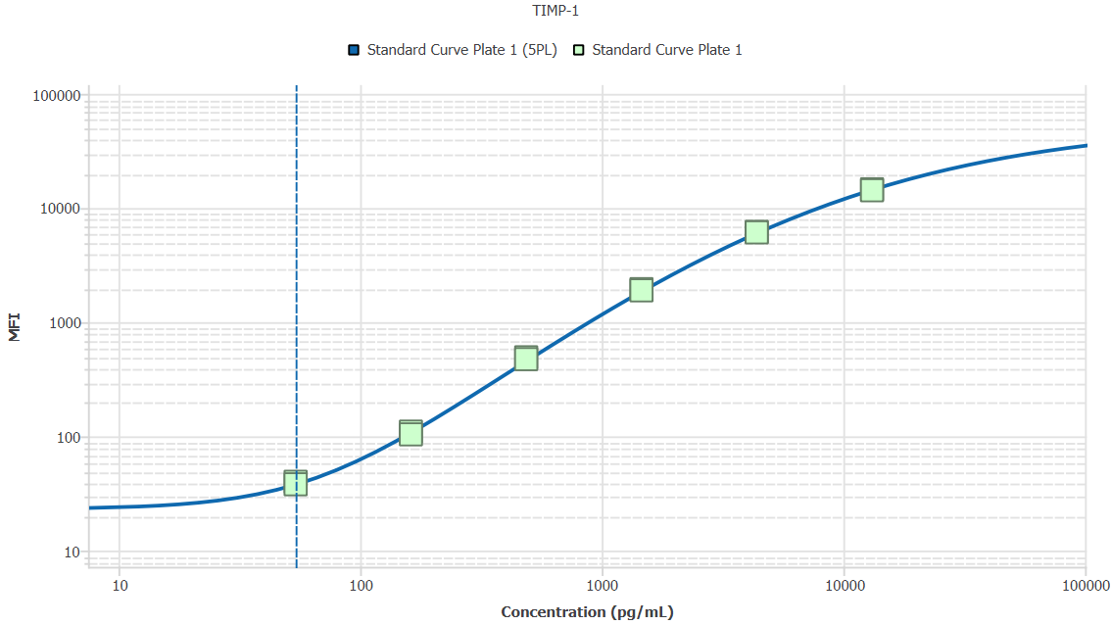
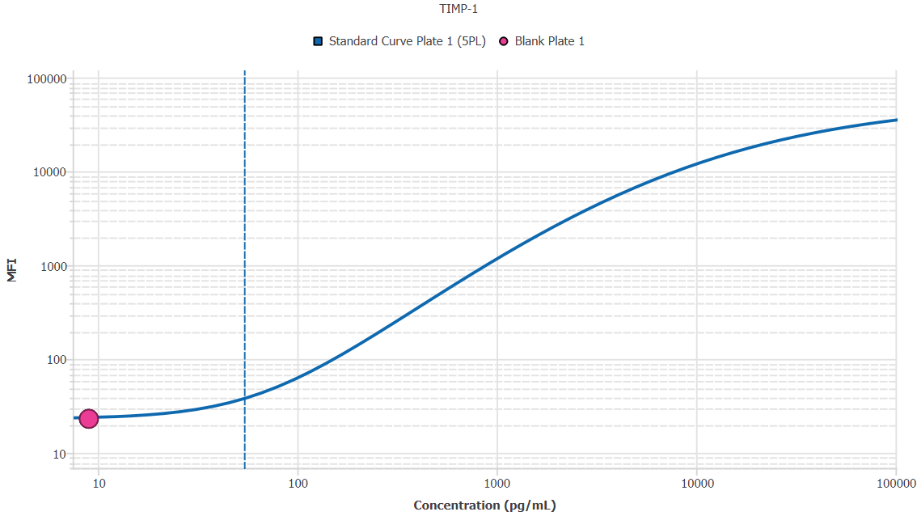
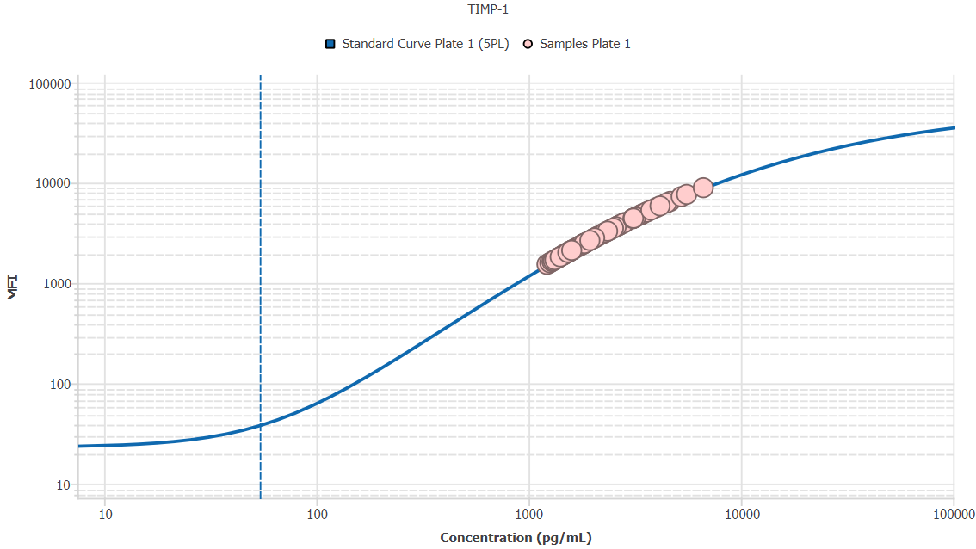
File Name: | O:/facility/2020/_ongoing_projects_/johanna_dahlqvist/PP2020_0052/anca_vasculitis/sia/luminex_interpolation/belysa_files/Belysa_MD_PP2020_0052_p1_k1_201105_CM_20200729_041052.belysa
Source File Name: | O:/facility/2020/_ongoing_projects_/johanna_dahlqvist/PP2020_0052/anca_vasculitis/sia/luminex_interpolation/luminex_data/PP2020_0052_p1_k1_201105_CM_20200729_041052.csv
Executed By:
Executed On:
Instrument: | MAGPX11083001
File Last Modified: | ti nov 24 15:13:29 2020 GMT+0100
File Last Modified By: | matilda.dale
Instrument SW Version: | 4.2.1324.0
Analysis SW Version: | Belysa 1.0.19
Printed By SW Version: | 1.0.19
Experiment Name: | Experiment 1
Experiment Description:
Experiment Created By: | matilda.dale
Experiment Created On: | ti nov 24 14:29:54 2020 GMT+0100

Original Name | Current Name | ID | Units | Precision
Analyte 76 | TIMP-1 | 76 | pg/mL | 2

Standards

Plate | Group | Location | Well ID | Analyte | Expected | Unk. Dilution | Sample ID | Standard | Fit | Avg. Result | Result | Message | Result SD | Result CV | Avg. MFI | MFI | MFI CV | MFI SD | Avg. Recovery | Recovery | n | Exclude | Exclude Reason
Plate 1 | Standard Curve Plate 1 | A1 A12 | 1 | TIMP-1 | 0.00 |  | Blank | Standard Curve Plate 1 | 5PL | - |  | EXT | - | - | 23.50 |  | 3.0% | 0.71 | - |  | 2
Plate 1 | Standard Curve Plate 1 | A1 | 1 | TIMP-1 | 0.00 |  | Blank | Standard Curve Plate 1 | 5PL |  | - |  |  |  |  | 24.00 |  |  |  | -
Plate 1 | Standard Curve Plate 1 | A12 | 1 | TIMP-1 | 0.00 |  | Blank | Standard Curve Plate 1 | 5PL |  | - | EXT |  |  |  | 23.00 |  |  |  | -
Plate 1 | Standard Curve Plate 1 | B1 B12 | 2 | TIMP-1 | 54.12 |  | S6 | Standard Curve Plate 1 | 5PL | 54.82 |  |  | 3.07 | 5.6% | 39.00 |  | 3.6% | 1.41 | 101.3% |  | 2
Plate 1 | Standard Curve Plate 1 | B1 | 2 | TIMP-1 | 54.12 |  | S6 | Standard Curve Plate 1 | 5PL |  | 56.99 |  |  |  |  | 40.00 |  |  |  | 105.3%
Plate 1 | Standard Curve Plate 1 | B12 | 2 | TIMP-1 | 54.12 |  | S6 | Standard Curve Plate 1 | 5PL |  | 52.65 |  |  |  |  | 38.00 |  |  |  | 97.3%
Plate 1 | Standard Curve Plate 1 | C1 C12 | 3 | TIMP-1 | 162.35 |  | S5 | Standard Curve Plate 1 | 5PL | 158.06 |  |  | 5.19 | 3.3% | 107.00 |  | 4.0% | 4.24 | 97.4% |  | 2
Plate 1 | Standard Curve Plate 1 | C1 | 3 | TIMP-1 | 162.35 |  | S5 | Standard Curve Plate 1 | 5PL |  | 161.73 |  |  |  |  | 110.00 |  |  |  | 99.6%
Plate 1 | Standard Curve Plate 1 | C12 | 3 | TIMP-1 | 162.35 |  | S5 | Standard Curve Plate 1 | 5PL |  | 154.39 |  |  |  |  | 104.00 |  |  |  | 95.1%
Plate 1 | Standard Curve Plate 1 | D1 D12 | 4 | TIMP-1 | 487.04 |  | S4 | Standard Curve Plate 1 | 5PL | 499.32 |  |  | 10.10 | 2.0% | 483.25 |  | 2.7% | 13.08 | 102.5% |  | 2
Plate 1 | Standard Curve Plate 1 | D1 | 4 | TIMP-1 | 487.04 |  | S4 | Standard Curve Plate 1 | 5PL |  | 506.46 |  |  |  |  | 492.50 |  |  |  | 104.0%
Plate 1 | Standard Curve Plate 1 | D12 | 4 | TIMP-1 | 487.04 |  | S4 | Standard Curve Plate 1 | 5PL |  | 492.18 |  |  |  |  | 474.00 |  |  |  | 101.1%
Plate 1 | Standard Curve Plate 1 | E1 E12 | 5 | TIMP-1 | 1461.11 |  | S3 | Standard Curve Plate 1 | 5PL | 1472.70 |  |  | 22.30 | 1.5% | 1923.00 |  | 1.8% | 34.65 | 100.8% |  | 2
Plate 1 | Standard Curve Plate 1 | E1 | 5 | TIMP-1 | 1461.11 |  | S3 | Standard Curve Plate 1 | 5PL |  | 1488.47 |  |  |  |  | 1947.50 |  |  |  | 101.9%
Plate 1 | Standard Curve Plate 1 | E12 | 5 | TIMP-1 | 1461.11 |  | S3 | Standard Curve Plate 1 | 5PL |  | 1456.93 |  |  |  |  | 1898.50 |  |  |  | 99.7%
Plate 1 | Standard Curve Plate 1 | F1 F12 | 6 | TIMP-1 | 4383.33 |  | S2 | Standard Curve Plate 1 | 5PL | 4370.76 |  |  | 35.70 | 0.8% | 6147.25 |  | 0.8% | 47.02 | 99.7% |  | 2
Plate 1 | Standard Curve Plate 1 | F1 | 6 | TIMP-1 | 4383.33 |  | S2 | Standard Curve Plate 1 | 5PL |  | 4396.00 |  |  |  |  | 6180.50 |  |  |  | 100.3%
Plate 1 | Standard Curve Plate 1 | F12 | 6 | TIMP-1 | 4383.33 |  | S2 | Standard Curve Plate 1 | 5PL |  | 4345.51 |  |  |  |  | 6114.00 |  |  |  | 99.1%
Plate 1 | Standard Curve Plate 1 | G1 G12 | 7 | TIMP-1 | 13150.00 |  | S1 | Standard Curve Plate 1 | 5PL | 12988.42 |  |  | 204.56 | 1.6% | 14441.75 |  | 1.5% | 213.19 | 98.8% |  | 2
Plate 1 | Standard Curve Plate 1 | G1 | 7 | TIMP-1 | 13150.00 |  | S1 | Standard Curve Plate 1 | 5PL |  | 13133.07 |  |  |  |  | 14592.50 |  |  |  | 99.9%
Plate 1 | Standard Curve Plate 1 | G12 | 7 | TIMP-1 | 13150.00 |  | S1 | Standard Curve Plate 1 | 5PL |  | 12843.77 |  |  |  |  | 14291.00 |  |  |  | 97.7%

Unknowns

Plate | Group | Location | Well ID | Analyte | Expected | Unk. Dilution | Sample ID | Standard | Fit | Avg. Result | Result | Message | Result SD | Result CV | Avg. MFI | MFI | MFI CV | MFI SD | Avg. Recovery | Recovery | n | Exclude | Exclude Reason
Plate 1 | Blank Plate 1 | H1 H11 H12 | 8 | TIMP-1 |  | 1.00 | Blank | Standard Curve Plate 1 | 5PL | 9.02 |  | EXT | 0.00 | 0.0% | 23.00 |  | 0.0% | 0.00 | - |  | 3
Plate 1 | Blank Plate 1 | H1 | 8 | TIMP-1 |  | 1.00 | Blank | Standard Curve Plate 1 | 5PL |  | 9.02 | EXT |  |  |  | 23.00 |  |  |  | -
Plate 1 | Blank Plate 1 | H11 | 8 | TIMP-1 |  | 1.00 | Blank | Standard Curve Plate 1 | 5PL |  | 9.02 | EXT |  |  |  | 23.00 |  |  |  | -
Plate 1 | Blank Plate 1 | H12 | 8 | TIMP-1 |  | 1.00 | Blank | Standard Curve Plate 1 | 5PL |  | 9.02 | EXT |  |  |  | 23.00 |  |  |  | -
Plate 1 | Samples Plate 1 | A2 | 9 | TIMP-1 |  | 50.00 | 1900073310 | Standard Curve Plate 1 | 5PL | 68609.57 |  |  |  |  | 1767.00 |  |  |  | -
Plate 1 | Samples Plate 1 | B2 | 10 | TIMP-1 |  | 50.00 | UMU3 | Standard Curve Plate 1 | 5PL | 182382.79 |  |  |  |  | 5168.00 |  |  |  | -
Plate 1 | Samples Plate 1 | C2 | 11 | TIMP-1 |  | 50.00 | LU1109 | Standard Curve Plate 1 | 5PL | 111283.60 |  |  |  |  | 3087.50 |  |  |  | -
Plate 1 | Samples Plate 1 | D2 | 12 | TIMP-1 |  | 50.00 | 1900073235 | Standard Curve Plate 1 | 5PL | 64441.86 |  |  |  |  | 1638.00 |  |  |  | -
Plate 1 | Samples Plate 1 | E2 | 13 | TIMP-1 |  | 50.00 | 1900073360 | Standard Curve Plate 1 | 5PL | 76980.95 |  |  |  |  | 2027.00 |  |  |  | -
Plate 1 | Samples Plate 1 | F2 | 14 | TIMP-1 |  | 50.00 | RA2058 | Standard Curve Plate 1 | 5PL | 125576.54 |  |  |  |  | 3521.00 |  |  |  | -
Plate 1 | Samples Plate 1 | G2 | 15 | TIMP-1 |  | 50.00 | Daniel 102 | Standard Curve Plate 1 | 5PL | 159997.72 |  |  |  |  | 4534.50 |  |  |  | -
Plate 1 | Samples Plate 1 | H2 | 16 | TIMP-1 |  | 50.00 | 1900073345 | Standard Curve Plate 1 | 5PL | 70431.18 |  |  |  |  | 1823.50 |  |  |  | -
Plate 1 | Samples Plate 1 | A3 | 17 | TIMP-1 |  | 50.00 | 1900073321 | Standard Curve Plate 1 | 5PL | 63033.00 |  |  |  |  | 1594.50 |  |  |  | -
Plate 1 | Samples Plate 1 | B3 | 18 | TIMP-1 |  | 50.00 | VASKA 122_2 | Standard Curve Plate 1 | 5PL | 105945.47 |  |  |  |  | 2924.00 |  |  |  | -
Plate 1 | Samples Plate 1 | C3 | 19 | TIMP-1 |  | 50.00 | 1900073370 | Standard Curve Plate 1 | 5PL | 123584.95 |  |  |  |  | 3461.00 |  |  |  | -
Plate 1 | Samples Plate 1 | D3 | 20 | TIMP-1 |  | 50.00 | SLE 1306 | Standard Curve Plate 1 | 5PL | 130910.33 |  |  |  |  | 3681.00 |  |  |  | -
Plate 1 | Samples Plate 1 | E3 | 21 | TIMP-1 |  | 50.00 | 1900073231 | Standard Curve Plate 1 | 5PL | 80132.29 |  |  |  |  | 2125.00 |  |  |  | -
Plate 1 | Samples Plate 1 | F3 | 22 | TIMP-1 |  | 50.00 | Daniel 96 | Standard Curve Plate 1 | 5PL | 261808.00 |  |  |  |  | 7250.00 |  |  |  | -
Plate 1 | Samples Plate 1 | G3 | 23 | TIMP-1 |  | 50.00 | 1900073344 | Standard Curve Plate 1 | 5PL | 65347.69 |  |  |  |  | 1666.00 |  |  |  | -
Plate 1 | Samples Plate 1 | H3 | 24 | TIMP-1 |  | 50.00 | LU1102 | Standard Curve Plate 1 | 5PL | 77013.11 |  |  |  |  | 2028.00 |  |  |  | -
Plate 1 | Samples Plate 1 | A4 | 25 | TIMP-1 |  | 50.00 | 1900073358 | Standard Curve Plate 1 | 5PL | 61037.45 |  |  |  |  | 1533.00 |  |  |  | -
Plate 1 | Samples Plate 1 | B4 | 26 | TIMP-1 |  | 50.00 | 1900073375 | Standard Curve Plate 1 | 5PL | 77125.67 |  |  |  |  | 2031.50 |  |  |  | -
Plate 1 | Samples Plate 1 | C4 | 27 | TIMP-1 |  | 50.00 | LU1037 | Standard Curve Plate 1 | 5PL | 115300.84 |  |  |  |  | 3210.00 |  |  |  | -
Plate 1 | Samples Plate 1 | D4 | 28 | TIMP-1 |  | 50.00 | 1900073250 | Standard Curve Plate 1 | 5PL | 78428.05 |  |  |  |  | 2072.00 |  |  |  | -
Plate 1 | Samples Plate 1 | E4 | 29 | TIMP-1 |  | 50.00 | UMU1 | Standard Curve Plate 1 | 5PL | 139889.80 |  |  |  |  | 3948.00 |  |  |  | -
Plate 1 | Samples Plate 1 | F4 | 30 | TIMP-1 |  | 50.00 | VASKA 501 | Standard Curve Plate 1 | 5PL | 155095.17 |  |  |  |  | 4393.00 |  |  |  | -
Plate 1 | Samples Plate 1 | G4 | 31 | TIMP-1 |  | 50.00 | VASKA 609 | Standard Curve Plate 1 | 5PL | 156062.60 |  |  |  |  | 4421.00 |  |  |  | -
Plate 1 | Samples Plate 1 | H4 | 32 | TIMP-1 |  | 50.00 | Daniel 107 | Standard Curve Plate 1 | 5PL | 208096.35 |  |  |  |  | 5870.00 |  |  |  | -
Plate 1 | Samples Plate 1 | A5 | 33 | TIMP-1 |  | 50.00 | RA2330 | Standard Curve Plate 1 | 5PL | 100744.98 |  |  |  |  | 2764.00 |  |  |  | -
Plate 1 | Samples Plate 1 | B5 | 34 | TIMP-1 |  | 50.00 | VASKA 648A_2 | Standard Curve Plate 1 | 5PL | 170895.37 |  |  |  |  | 4845.50 |  |  |  | -
Plate 1 | Samples Plate 1 | C5 | 35 | TIMP-1 |  | 50.00 | LU1104 | Standard Curve Plate 1 | 5PL | 91366.90 |  |  |  |  | 2474.00 |  |  |  | -
Plate 1 | Samples Plate 1 | D5 | 36 | TIMP-1 |  | 50.00 | 1900073269 | Standard Curve Plate 1 | 5PL | 88337.19 |  |  |  |  | 2380.00 |  |  |  | -
Plate 1 | Samples Plate 1 | E5 | 37 | TIMP-1 |  | 50.00 | Ö30 | Standard Curve Plate 1 | 5PL | 232493.88 |  |  |  |  | 6511.00 |  |  |  | -
Plate 1 | Samples Plate 1 | F5 | 38 | TIMP-1 |  | 50.00 | 1900073261 | Standard Curve Plate 1 | 5PL | 78283.35 |  |  |  |  | 2067.50 |  |  |  | -
Plate 1 | Samples Plate 1 | G5 | 39 | TIMP-1 |  | 50.00 | 1900073287 | Standard Curve Plate 1 | 5PL | 80614.63 |  |  |  |  | 2140.00 |  |  |  | -
Plate 1 | Samples Plate 1 | H5 | 40 | TIMP-1 |  | 50.00 | 1900073351 | Standard Curve Plate 1 | 5PL | 76530.70 |  |  |  |  | 2013.00 |  |  |  | -
Plate 1 | Samples Plate 1 | A6 | 41 | TIMP-1 |  | 50.00 | 1900073327 | Standard Curve Plate 1 | 5PL | 87628.63 |  |  |  |  | 2358.00 |  |  |  | -
Plate 1 | Samples Plate 1 | B6 | 42 | TIMP-1 |  | 50.00 | VASKA 641 | Standard Curve Plate 1 | 5PL | 134429.48 |  |  |  |  | 3786.00 |  |  |  | -
Plate 1 | Samples Plate 1 | C6 | 43 | TIMP-1 |  | 50.00 | VASKA 301 | Standard Curve Plate 1 | 5PL | 200058.36 |  |  |  |  | 5653.50 |  |  |  | -
Plate 1 | Samples Plate 1 | D6 | 44 | TIMP-1 |  | 50.00 | 1900073427 | Standard Curve Plate 1 | 5PL | 68964.37 |  |  |  |  | 1778.00 |  |  |  | -
Plate 1 | Samples Plate 1 | E6 | 45 | TIMP-1 |  | 50.00 | VASKA 305 | Standard Curve Plate 1 | 5PL | 223251.40 |  |  |  |  | 6271.00 |  |  |  | -
Plate 1 | Samples Plate 1 | F6 | 46 | TIMP-1 |  | 50.00 | 1900073280 | Standard Curve Plate 1 | 5PL | 88530.46 |  |  |  |  | 2386.00 |  |  |  | -
Plate 1 | Samples Plate 1 | G6 | 47 | TIMP-1 |  | 50.00 | 1900073220 | Standard Curve Plate 1 | 5PL | 72057.91 |  |  |  |  | 1874.00 |  |  |  | -
Plate 1 | Samples Plate 1 | H6 | 48 | TIMP-1 |  | 50.00 | 1900073432 | Standard Curve Plate 1 | 5PL | 102367.85 |  |  |  |  | 2814.00 |  |  |  | -
Plate 1 | Samples Plate 1 | A7 | 49 | TIMP-1 |  | 50.00 | 1900073298 | Standard Curve Plate 1 | 5PL | 62968.18 |  |  |  |  | 1592.50 |  |  |  | -
Plate 1 | Samples Plate 1 | B7 | 50 | TIMP-1 |  | 50.00 | VASKA 129 | Standard Curve Plate 1 | 5PL | 73860.57 |  |  |  |  | 1930.00 |  |  |  | -
Plate 1 | Samples Plate 1 | C7 | 51 | TIMP-1 |  | 50.00 | 1900073249 | Standard Curve Plate 1 | 5PL | 73860.57 |  |  |  |  | 1930.00 |  |  |  | -
Plate 1 | Samples Plate 1 | D7 | 52 | TIMP-1 |  | 50.00 | 1900073290 | Standard Curve Plate 1 | 5PL | 91560.42 |  |  |  |  | 2480.00 |  |  |  | -
Plate 1 | Samples Plate 1 | E7 | 53 | TIMP-1 |  | 50.00 | 1900073229 | Standard Curve Plate 1 | 5PL | 104578.23 |  |  |  |  | 2882.00 |  |  |  | -
Plate 1 | Samples Plate 1 | F7 | 54 | TIMP-1 |  | 50.00 | LU1082 | Standard Curve Plate 1 | 5PL | 277825.71 |  |  |  |  | 7640.00 |  |  |  | -
Plate 1 | Samples Plate 1 | G7 | 55 | TIMP-1 |  | 50.00 | 1900073271 | Standard Curve Plate 1 | 5PL | 92350.83 |  |  |  |  | 2504.50 |  |  |  | -
Plate 1 | Samples Plate 1 | H7 | 56 | TIMP-1 |  | 50.00 | Daniel 103 | Standard Curve Plate 1 | 5PL | 332790.34 |  |  |  |  | 8909.00 |  |  |  | -
Plate 1 | Samples Plate 1 | A8 | 57 | TIMP-1 |  | 50.00 | 1900073248 | Standard Curve Plate 1 | 5PL | 83911.24 |  |  |  |  | 2242.50 |  |  |  | -
Plate 1 | Samples Plate 1 | B8 | 58 | TIMP-1 |  | 50.00 | Daniel 82 | Standard Curve Plate 1 | 5PL | 132249.15 |  |  |  |  | 3721.00 |  |  |  | -
Plate 1 | Samples Plate 1 | C8 | 59 | TIMP-1 |  | 50.00 | RA1369 | Standard Curve Plate 1 | 5PL | 168691.46 |  |  |  |  | 4783.00 |  |  |  | -
Plate 1 | Samples Plate 1 | D8 | 60 | TIMP-1 |  | 50.00 | VASKA 102 | Standard Curve Plate 1 | 5PL | 95208.72 |  |  |  |  | 2593.00 |  |  |  | -
Plate 1 | Samples Plate 1 | E8 | 61 | TIMP-1 |  | 50.00 | RA2201 | Standard Curve Plate 1 | 5PL | 129239.86 |  |  |  |  | 3631.00 |  |  |  | -
Plate 1 | Samples Plate 1 | F8 | 62 | TIMP-1 |  | 50.00 | 1900073359 | Standard Curve Plate 1 | 5PL | 77720.60 |  |  |  |  | 2050.00 |  |  |  | -
Plate 1 | Samples Plate 1 | G8 | 63 | TIMP-1 |  | 50.00 | 1900073348 | Standard Curve Plate 1 | 5PL | 66478.97 |  |  |  |  | 1701.00 |  |  |  | -
Plate 1 | Samples Plate 1 | H8 | 64 | TIMP-1 |  | 50.00 | 1900073376 | Standard Curve Plate 1 | 5PL | 91431.40 |  |  |  |  | 2476.00 |  |  |  | -
Plate 1 | Samples Plate 1 | A9 | 65 | TIMP-1 |  | 50.00 | VASKA 100 | Standard Curve Plate 1 | 5PL | 155026.12 |  |  |  |  | 4391.00 |  |  |  | -
Plate 1 | Samples Plate 1 | B9 | 66 | TIMP-1 |  | 50.00 | IgA 1563 | Standard Curve Plate 1 | 5PL | 119450.12 |  |  |  |  | 3336.00 |  |  |  | -
Plate 1 | Samples Plate 1 | C9 | 67 | TIMP-1 |  | 50.00 | VASKA 504 | Standard Curve Plate 1 | 5PL | 154249.74 |  |  |  |  | 4368.50 |  |  |  | -
Plate 1 | Samples Plate 1 | D9 | 68 | TIMP-1 |  | 50.00 | 1900073343 | Standard Curve Plate 1 | 5PL | 93044.72 |  |  |  |  | 2526.00 |  |  |  | -
Plate 1 | Samples Plate 1 | E9 | 69 | TIMP-1 |  | 50.00 | 1900073236 | Standard Curve Plate 1 | 5PL | 91141.14 |  |  |  |  | 2467.00 |  |  |  | -
Plate 1 | Samples Plate 1 | F9 | 70 | TIMP-1 |  | 50.00 | Daniel 61 | Standard Curve Plate 1 | 5PL | 158660.44 |  |  |  |  | 4496.00 |  |  |  | -
Plate 1 | Samples Plate 1 | G9 | 71 | TIMP-1 |  | 50.00 | Ö31 | Standard Curve Plate 1 | 5PL | 188427.73 |  |  |  |  | 5335.50 |  |  |  | -
Plate 1 | Samples Plate 1 | H9 | 72 | TIMP-1 |  | 50.00 | 1900073381 | Standard Curve Plate 1 | 5PL | 79810.73 |  |  |  |  | 2115.00 |  |  |  | -
Plate 1 | Samples Plate 1 | A10 | 73 | TIMP-1 |  | 50.00 | Daniel 101 | Standard Curve Plate 1 | 5PL | 142057.63 |  |  |  |  | 4012.00 |  |  |  | -
Plate 1 | Samples Plate 1 | B10 | 74 | TIMP-1 |  | 50.00 | 1900073338 | Standard Curve Plate 1 | 5PL | 73216.89 |  |  |  |  | 1910.00 |  |  |  | -
Plate 1 | Samples Plate 1 | C10 | 75 | TIMP-1 |  | 50.00 | UMU81 | Standard Curve Plate 1 | 5PL | 121134.84 |  |  |  |  | 3387.00 |  |  |  | -
Plate 1 | Samples Plate 1 | D10 | 76 | TIMP-1 |  | 50.00 | SLE 0435 | Standard Curve Plate 1 | 5PL | 135589.15 |  |  |  |  | 3820.50 |  |  |  | -
Plate 1 | Samples Plate 1 | E10 | 77 | TIMP-1 |  | 50.00 | Daniel 19 | Standard Curve Plate 1 | 5PL | 116714.84 |  |  |  |  | 3253.00 |  |  |  | -
Plate 1 | Samples Plate 1 | F10 | 78 | TIMP-1 |  | 50.00 | 1900073331 | Standard Curve Plate 1 | 5PL | 72267.21 |  |  |  |  | 1880.50 |  |  |  | -
Plate 1 | Samples Plate 1 | G10 | 79 | TIMP-1 |  | 50.00 | 1900073277 | Standard Curve Plate 1 | 5PL | 80855.81 |  |  |  |  | 2147.50 |  |  |  | -
Plate 1 | Samples Plate 1 | H10 | 80 | TIMP-1 |  | 50.00 | VASKA 114_2 | Standard Curve Plate 1 | 5PL | 97213.69 |  |  |  |  | 2655.00 |  |  |  | -
Plate 1 | Samples Plate 1 | A11 | 81 | TIMP-1 |  | 50.00 | 1900073419 | Standard Curve Plate 1 | 5PL | 69544.80 |  |  |  |  | 1796.00 |  |  |  | -
Plate 1 | Samples Plate 1 | B11 | 82 | TIMP-1 |  | 50.00 | VASKA 621 | Standard Curve Plate 1 | 5PL | 171549.10 |  |  |  |  | 4864.00 |  |  |  | -
Plate 1 | Samples Plate 1 | C11 | 83 | TIMP-1 |  | 50.00 | 1900073239 | Standard Curve Plate 1 | 5PL | 100988.28 |  |  |  |  | 2771.50 |  |  |  | -
Plate 1 | Samples Plate 1 | D11 | 84 | TIMP-1 |  | 50.00 | Daniel 94 | Standard Curve Plate 1 | 5PL | 178746.21 |  |  |  |  | 5066.50 |  |  |  | -
Plate 1 | Samples Plate 1 | E11 | 85 | TIMP-1 |  | 50.00 | 1900073429 | Standard Curve Plate 1 | 5PL | 114151.42 |  |  |  |  | 3175.00 |  |  |  | -
Plate 1 | Samples Plate 1 | F11 | 86 | TIMP-1 |  | 50.00 | 1900073285 | Standard Curve Plate 1 | 5PL | 117817.88 |  |  |  |  | 3286.50 |  |  |  | -
Plate 1 | Samples Plate 1 | G11 | 87 | TIMP-1 |  | 50.00 | 1900073384 | Standard Curve Plate 1 | 5PL | 77817.07 |  |  |  |  | 2053.00 |  |  |  | -

Curves

Group | Analyte | Fit | LLoQ | MDD | LoD | R Squared | Slope | Weighting | Equation
Standard Curve Plate 1 | TIMP-1 | 5PL | 54.12 | 1.77 | 4.00 | 1.00 | 0.63 | 1/y^2 | y = 23.43 + (56635.43 - 23.43)/((1 + (6022.41/x)^0.61))^2.79

