CCL18 PARC
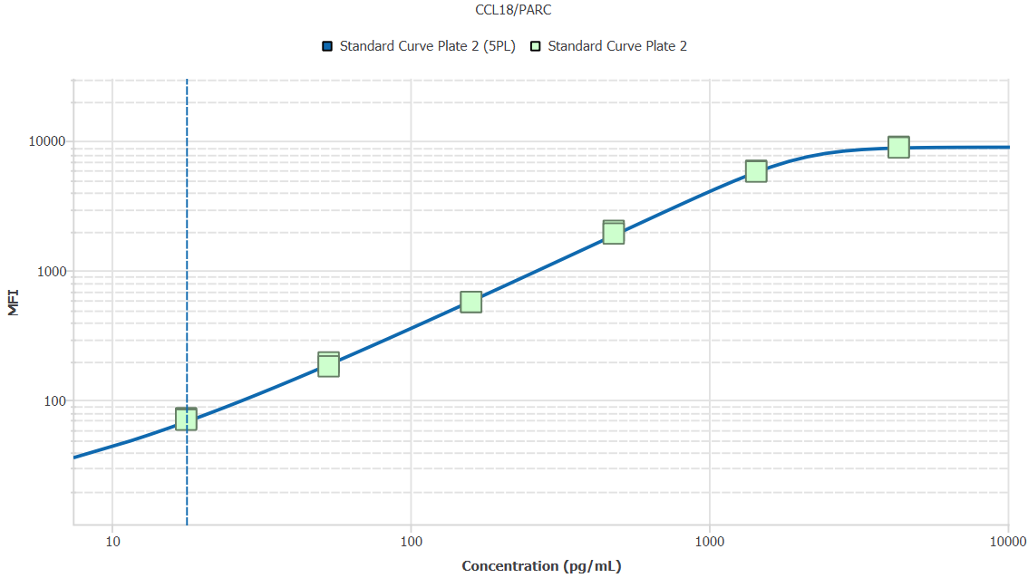
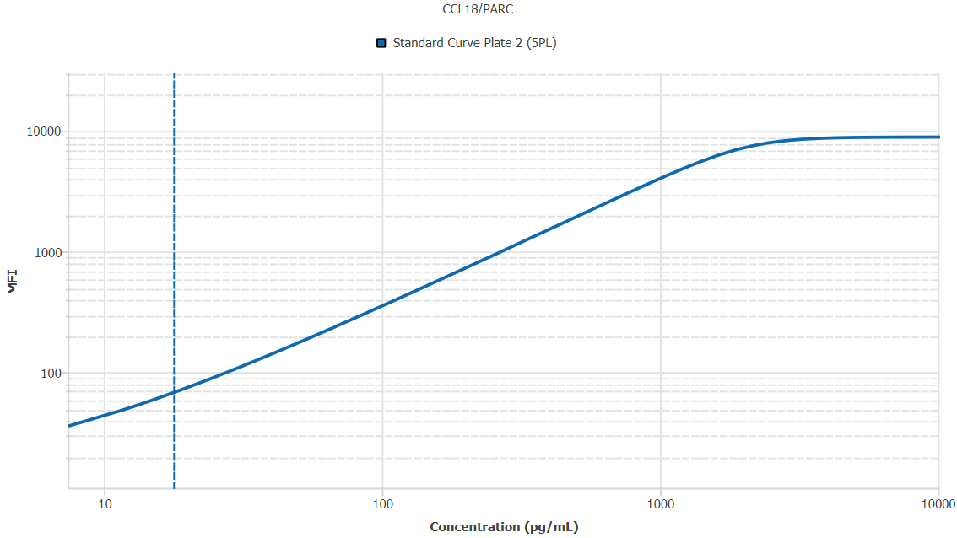
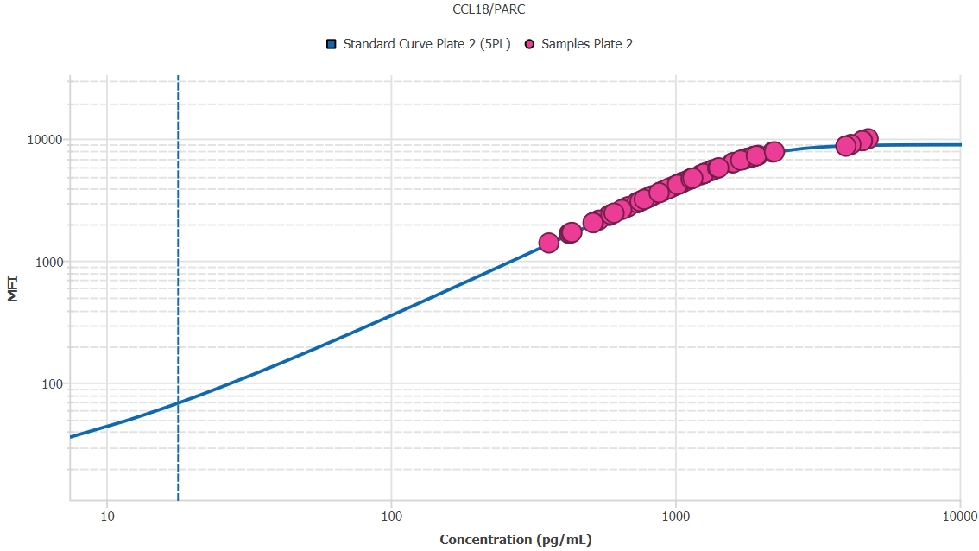
File Name: | O:/facility/2020/_ongoing_projects_/johanna_dahlqvist/PP2020_0052/anca_vasculitis/sia/luminex_interpolation/belysa_files/Belysa_MD_PP2020_0052_kit1_plate2_201109_1403_CM_20200802_040331.belysa
Source File Name: | O:/facility/2020/_ongoing_projects_/johanna_dahlqvist/PP2020_0052/anca_vasculitis/sia/luminex_interpolation/luminex_data/PP2020_0052_kit1_plate2_201109_1403_CM_20200802_040331.csv
Executed By:
Executed On:
Instrument: | MAGPX11083001
File Last Modified: | ti nov 24 15:50:49 2020 GMT+0100
File Last Modified By: | matilda.dale
Instrument SW Version: | 4.2.1324.0
Analysis SW Version: | Belysa 1.0.19
Printed By SW Version: | 1.0.19
Experiment Name: | Experiment 1
Experiment Description:
Experiment Created By: | matilda.dale
Experiment Created On: | ti nov 24 15:36:49 2020 GMT+0100

Original Name | Current Name | ID | Units | Precision
Analyte 33 | CCL18/PARC | 33 | pg/mL | 2

Standards

Plate | Group | Location | Well ID | Analyte | Expected | Unk. Dilution | Sample ID | Standard | Fit | Avg. Result | Result | Message | Result SD | Result CV | Avg. MFI | MFI | MFI CV | MFI SD | Avg. Recovery | Recovery | n | Exclude | Exclude Reason
Kit 1 Plate 2 | Standard Curve Plate 2 | A1 A12 | 1 | CCL18/PARC | 0.00 |  | Blank | Standard Curve Plate 2 | 5PL | - |  | EXT, ND | - | - | 15.50 |  | 4.6% | 0.71 | - |  | 2
Kit 1 Plate 2 | Standard Curve Plate 2 | A1 | 1 | CCL18/PARC | 0.00 |  | Blank | Standard Curve Plate 2 | 5PL |  | - | ND |  |  |  | 16.00 |  |  |  | -
Kit 1 Plate 2 | Standard Curve Plate 2 | A12 | 1 | CCL18/PARC | 0.00 |  | Blank | Standard Curve Plate 2 | 5PL |  | - | EXT |  |  |  | 15.00 |  |  |  | -
Kit 1 Plate 2 | Standard Curve Plate 2 | B1 B12 | 2 | CCL18/PARC | 17.78 |  | S6 | Standard Curve Plate 2 | 5PL | 18.46 |  |  | 0.44 | 2.4% | 71.00 |  | 2.0% | 1.41 | 103.8% |  | 2
Kit 1 Plate 2 | Standard Curve Plate 2 | B1 | 2 | CCL18/PARC | 17.78 |  | S6 | Standard Curve Plate 2 | 5PL |  | 18.77 |  |  |  |  | 72.00 |  |  |  | 105.6%
Kit 1 Plate 2 | Standard Curve Plate 2 | B12 | 2 | CCL18/PARC | 17.78 |  | S6 | Standard Curve Plate 2 | 5PL |  | 18.15 |  |  |  |  | 70.00 |  |  |  | 102.1%
Kit 1 Plate 2 | Standard Curve Plate 2 | C1 C12 | 3 | CCL18/PARC | 53.33 |  | S5 | Standard Curve Plate 2 | 5PL | 52.54 |  |  | 2.60 | 4.9% | 187.50 |  | 4.9% | 9.19 | 98.5% |  | 2
Kit 1 Plate 2 | Standard Curve Plate 2 | C1 | 3 | CCL18/PARC | 53.33 |  | S5 | Standard Curve Plate 2 | 5PL |  | 54.37 |  |  |  |  | 194.00 |  |  |  | 102.0%
Kit 1 Plate 2 | Standard Curve Plate 2 | C12 | 3 | CCL18/PARC | 53.33 |  | S5 | Standard Curve Plate 2 | 5PL |  | 50.70 |  |  |  |  | 181.00 |  |  |  | 95.1%
Kit 1 Plate 2 | Standard Curve Plate 2 | D1 D12 | 4 | CCL18/PARC | 160.00 |  | S4 | Standard Curve Plate 2 | 5PL | 154.47 |  |  | 0.09 | 0.1% | 567.75 |  | 0.1% | 0.35 | 96.5% |  | 2
Kit 1 Plate 2 | Standard Curve Plate 2 | D1 | 4 | CCL18/PARC | 160.00 |  | S4 | Standard Curve Plate 2 | 5PL |  | 154.41 |  |  |  |  | 567.50 |  |  |  | 96.5%
Kit 1 Plate 2 | Standard Curve Plate 2 | D12 | 4 | CCL18/PARC | 160.00 |  | S4 | Standard Curve Plate 2 | 5PL |  | 154.54 |  |  |  |  | 568.00 |  |  |  | 96.6%
Kit 1 Plate 2 | Standard Curve Plate 2 | E1 E12 | 5 | CCL18/PARC | 480.00 |  | S3 | Standard Curve Plate 2 | 5PL | 496.28 |  |  | 15.86 | 3.2% | 1965.50 |  | 3.4% | 67.18 | 103.4% |  | 2
Kit 1 Plate 2 | Standard Curve Plate 2 | E1 | 5 | CCL18/PARC | 480.00 |  | S3 | Standard Curve Plate 2 | 5PL |  | 507.50 |  |  |  |  | 2013.00 |  |  |  | 105.7%
Kit 1 Plate 2 | Standard Curve Plate 2 | E12 | 5 | CCL18/PARC | 480.00 |  | S3 | Standard Curve Plate 2 | 5PL |  | 485.06 |  |  |  |  | 1918.00 |  |  |  | 101.1%
Kit 1 Plate 2 | Standard Curve Plate 2 | F1 F12 | 6 | CCL18/PARC | 1440.00 |  | S2 | Standard Curve Plate 2 | 5PL | 1437.78 |  |  | 18.86 | 1.3% | 5815.50 |  | 1.1% | 65.76 | 99.8% |  | 2
Kit 1 Plate 2 | Standard Curve Plate 2 | F1 | 6 | CCL18/PARC | 1440.00 |  | S2 | Standard Curve Plate 2 | 5PL |  | 1451.11 |  |  |  |  | 5862.00 |  |  |  | 100.8%
Kit 1 Plate 2 | Standard Curve Plate 2 | F12 | 6 | CCL18/PARC | 1440.00 |  | S2 | Standard Curve Plate 2 | 5PL |  | 1424.44 |  |  |  |  | 5769.00 |  |  |  | 98.9%
Kit 1 Plate 2 | Standard Curve Plate 2 | G1 G12 | 7 | CCL18/PARC | 4320.00 |  | S1 | Standard Curve Plate 2 | 5PL | 4121.70 |  |  | 55.20 | 1.3% | 8912.00 |  | 1.0% | 90.51 | 95.4% |  | 2
Kit 1 Plate 2 | Standard Curve Plate 2 | G1 | 7 | CCL18/PARC | 4320.00 |  | S1 | Standard Curve Plate 2 | 5PL |  | 4160.74 |  |  |  |  | 8976.00 |  |  |  | 96.3%
Kit 1 Plate 2 | Standard Curve Plate 2 | G12 | 7 | CCL18/PARC | 4320.00 |  | S1 | Standard Curve Plate 2 | 5PL |  | 4082.67 |  |  |  |  | 8848.00 |  |  |  | 94.5%

Unknowns

Plate | Group | Location | Well ID | Analyte | Expected | Unk. Dilution | Sample ID | Standard | Fit | Avg. Result | Result | Message | Result SD | Result CV | Avg. MFI | MFI | MFI CV | MFI SD | Avg. Recovery | Recovery | n | Exclude | Exclude Reason
Kit 1 Plate 2 | Blanks Plate 2 | H1 H11 H12 | 8 | CCL18/PARC |  | 1.00 | Blank | Standard Curve Plate 2 | 5PL | - |  | EXT, ND | - | - | 15.67 |  | 3.7% | 0.58 | - |  | 3
Kit 1 Plate 2 | Blanks Plate 2 | H1 | 8 | CCL18/PARC |  | 1.00 | Blank | Standard Curve Plate 2 | 5PL |  | - | ND |  |  |  | 16.00 |  |  |  | -
Kit 1 Plate 2 | Blanks Plate 2 | H11 | 8 | CCL18/PARC |  | 1.00 | Blank | Standard Curve Plate 2 | 5PL |  | - | ND |  |  |  | 16.00 |  |  |  | -
Kit 1 Plate 2 | Blanks Plate 2 | H12 | 8 | CCL18/PARC |  | 1.00 | Blank | Standard Curve Plate 2 | 5PL |  | - | EXT |  |  |  | 15.00 |  |  |  | -
Kit 1 Plate 2 | Samples Plate 2 | A2 | 9 | CCL18/PARC |  | 50.00 | UMU76 | Standard Curve Plate 2 | 5PL | 40696.79 |  |  |  |  | 3325.00 |  |  |  | -
Kit 1 Plate 2 | Samples Plate 2 | B2 | 10 | CCL18/PARC |  | 50.00 | 1900073258 | Standard Curve Plate 2 | 5PL | 33655.82 |  |  |  |  | 2720.50 |  |  |  | -
Kit 1 Plate 2 | Samples Plate 2 | C2 | 11 | CCL18/PARC |  | 50.00 | VASKA 659 | Standard Curve Plate 2 | 5PL | 55833.69 |  |  |  |  | 4595.50 |  |  |  | -
Kit 1 Plate 2 | Samples Plate 2 | D2 | 12 | CCL18/PARC |  | 50.00 | 1900073241 | Standard Curve Plate 2 | 5PL | 57113.76 |  |  |  |  | 4699.00 |  |  |  | -
Kit 1 Plate 2 | Samples Plate 2 | E2 | 13 | CCL18/PARC |  | 50.00 | VASKA 637 | Standard Curve Plate 2 | 5PL | 87442.67 |  |  |  |  | 6783.00 |  |  |  | -
Kit 1 Plate 2 | Samples Plate 2 | F2 | 14 | CCL18/PARC |  | 50.00 | Daniel 42 | Standard Curve Plate 2 | 5PL | 207426.95 |  |  |  |  | 8956.00 |  |  |  | -
Kit 1 Plate 2 | Samples Plate 2 | G2 | 15 | CCL18/PARC |  | 50.00 | 1900073341 | Standard Curve Plate 2 | 5PL | 32461.51 |  |  |  |  | 2618.00 |  |  |  | -
Kit 1 Plate 2 | Samples Plate 2 | H2 | 16 | CCL18/PARC |  | 50.00 | RA2711 | Standard Curve Plate 2 | 5PL | 56865.58 |  |  |  |  | 4679.00 |  |  |  | -
Kit 1 Plate 2 | Samples Plate 2 | A3 | 17 | CCL18/PARC |  | 50.00 | LU1038 | Standard Curve Plate 2 | 5PL | 89742.10 |  |  |  |  | 6905.00 |  |  |  | -
Kit 1 Plate 2 | Samples Plate 2 | B3 | 18 | CCL18/PARC |  | 50.00 | RA1913 | Standard Curve Plate 2 | 5PL | 79446.98 |  |  |  |  | 6316.00 |  |  |  | -
Kit 1 Plate 2 | Samples Plate 2 | C3 | 19 | CCL18/PARC |  | 50.00 | VASKA 117 | Standard Curve Plate 2 | 5PL | 62038.98 |  |  |  |  | 5088.50 |  |  |  | -
Kit 1 Plate 2 | Samples Plate 2 | D3 | 20 | CCL18/PARC |  | 50.00 | Daniel 106 | Standard Curve Plate 2 | 5PL | 227690.50 |  | EXT |  |  | 9620.50 |  |  |  | -
Kit 1 Plate 2 | Samples Plate 2 | E3 | 21 | CCL18/PARC |  | 50.00 | VASKA 668 | Standard Curve Plate 2 | 5PL | 40475.05 |  |  |  |  | 3306.00 |  |  |  | -
Kit 1 Plate 2 | Samples Plate 2 | F3 | 22 | CCL18/PARC |  | 50.00 | 1900073270 | Standard Curve Plate 2 | 5PL | 21481.01 |  |  |  |  | 1684.50 |  |  |  | -
Kit 1 Plate 2 | Samples Plate 2 | G3 | 23 | CCL18/PARC |  | 50.00 | LU1034 | Standard Curve Plate 2 | 5PL | 80203.52 |  |  |  |  | 6363.00 |  |  |  | -
Kit 1 Plate 2 | Samples Plate 2 | H3 | 24 | CCL18/PARC |  | 50.00 | 1900073284 | Standard Curve Plate 2 | 5PL | 25722.66 |  |  |  |  | 2042.50 |  |  |  | -
Kit 1 Plate 2 | Samples Plate 2 | A4 | 25 | CCL18/PARC |  | 50.00 | Daniel 105 | Standard Curve Plate 2 | 5PL | 238531.27 |  | EXT |  |  | 9976.00 |  |  |  | -
Kit 1 Plate 2 | Samples Plate 2 | B4 | 26 | CCL18/PARC |  | 50.00 | VASKA 506 | Standard Curve Plate 2 | 5PL | 67537.76 |  |  |  |  | 5504.00 |  |  |  | -
Kit 1 Plate 2 | Samples Plate 2 | C4 | 27 | CCL18/PARC |  | 50.00 | 1900073299 | Standard Curve Plate 2 | 5PL | 37026.05 |  |  |  |  | 3010.00 |  |  |  | -
Kit 1 Plate 2 | Samples Plate 2 | D4 | 28 | CCL18/PARC |  | 50.00 | 1900073355 | Standard Curve Plate 2 | 5PL | 18001.62 |  |  |  |  | 1394.50 |  |  |  | -
Kit 1 Plate 2 | Samples Plate 2 | E4 | 29 | CCL18/PARC |  | 50.00 | RA2307 | Standard Curve Plate 2 | 5PL | 87461.11 |  |  |  |  | 6784.00 |  |  |  | -
Kit 1 Plate 2 | Samples Plate 2 | F4 | 30 | CCL18/PARC |  | 50.00 | 1900073256 | Standard Curve Plate 2 | 5PL | 44061.12 |  |  |  |  | 3612.50 |  |  |  | -
Kit 1 Plate 2 | Samples Plate 2 | G4 | 31 | CCL18/PARC |  | 50.00 | LUN1103 | Standard Curve Plate 2 | 5PL | 70514.46 |  |  |  |  | 5719.00 |  |  |  | -
Kit 1 Plate 2 | Samples Plate 2 | H4 | 32 | CCL18/PARC |  | 50.00 | 1900073224 | Standard Curve Plate 2 | 5PL | 30501.24 |  |  |  |  | 2450.00 |  |  |  | -
Kit 1 Plate 2 | Samples Plate 2 | A5 | 33 | CCL18/PARC |  | 50.00 | 1900073349 | Standard Curve Plate 2 | 5PL | 29250.29 |  |  |  |  | 2343.00 |  |  |  | -
Kit 1 Plate 2 | Samples Plate 2 | B5 | 34 | CCL18/PARC |  | 50.00 | VASKA 124 | Standard Curve Plate 2 | 5PL | 38318.51 |  |  |  |  | 3121.00 |  |  |  | -
Kit 1 Plate 2 | Samples Plate 2 | C5 | 35 | CCL18/PARC |  | 50.00 | VASKA 634 | Standard Curve Plate 2 | 5PL | 66879.92 |  |  |  |  | 5455.50 |  |  |  | -
Kit 1 Plate 2 | Samples Plate 2 | D5 | 36 | CCL18/PARC |  | 50.00 | Daniel 81 | Standard Curve Plate 2 | 5PL | 199284.93 |  |  |  |  | 8689.00 |  |  |  | -
Kit 1 Plate 2 | Samples Plate 2 | E5 | 37 | CCL18/PARC |  | 50.00 | 1900073265 | Standard Curve Plate 2 | 5PL | 51664.42 |  |  |  |  | 4253.00 |  |  |  | -
Kit 1 Plate 2 | Samples Plate 2 | F5 | 38 | CCL18/PARC |  | 50.00 | 1900073430 | Standard Curve Plate 2 | 5PL | 29741.58 |  |  |  |  | 2385.00 |  |  |  | -
Kit 1 Plate 2 | Samples Plate 2 | G5 | 39 | CCL18/PARC |  | 50.00 | VASKA 006 | Standard Curve Plate 2 | 5PL | 199239.19 |  |  |  |  | 8687.50 |  |  |  | -
Kit 1 Plate 2 | Samples Plate 2 | H5 | 40 | CCL18/PARC |  | 50.00 | 1900073399 | Standard Curve Plate 2 | 5PL | 37631.44 |  |  |  |  | 3062.00 |  |  |  | -
Kit 1 Plate 2 | Samples Plate 2 | A6 | 41 | CCL18/PARC |  | 50.00 | UMU78 | Standard Curve Plate 2 | 5PL | 57002.03 |  |  |  |  | 4690.00 |  |  |  | -
Kit 1 Plate 2 | Samples Plate 2 | B6 | 42 | CCL18/PARC |  | 50.00 | VASKA 654 | Standard Curve Plate 2 | 5PL | 51363.55 |  |  |  |  | 4228.00 |  |  |  | -
Kit 1 Plate 2 | Samples Plate 2 | C6 | 43 | CCL18/PARC |  | 50.00 | 1900073240 | Standard Curve Plate 2 | 5PL | 41607.75 |  |  |  |  | 3403.00 |  |  |  | -
Kit 1 Plate 2 | Samples Plate 2 | D6 | 44 | CCL18/PARC |  | 50.00 | 1900073357 | Standard Curve Plate 2 | 5PL | 45725.33 |  |  |  |  | 3754.00 |  |  |  | -
Kit 1 Plate 2 | Samples Plate 2 | E6 | 45 | CCL18/PARC |  | 50.00 | 1900073319 | Standard Curve Plate 2 | 5PL | 52678.51 |  |  |  |  | 4337.00 |  |  |  | -
Kit 1 Plate 2 | Samples Plate 2 | F6 | 46 | CCL18/PARC |  | 50.00 | RA1541 | Standard Curve Plate 2 | 5PL | 93927.98 |  |  |  |  | 7113.00 |  |  |  | -
Kit 1 Plate 2 | Samples Plate 2 | G6 | 47 | CCL18/PARC |  | 50.00 | 1900073292 | Standard Curve Plate 2 | 5PL | 51706.58 |  |  |  |  | 4256.50 |  |  |  | -
Kit 1 Plate 2 | Samples Plate 2 | H6 | 48 | CCL18/PARC |  | 50.00 | 1900073296 | Standard Curve Plate 2 | 5PL | 57717.34 |  |  |  |  | 4747.50 |  |  |  | -
Kit 1 Plate 2 | Samples Plate 2 | A7 | 49 | CCL18/PARC |  | 50.00 | 1900073374 | Standard Curve Plate 2 | 5PL | 36740.85 |  |  |  |  | 2985.50 |  |  |  | -
Kit 1 Plate 2 | Samples Plate 2 | B7 | 50 | CCL18/PARC |  | 50.00 | LU1051 | Standard Curve Plate 2 | 5PL | 63584.27 |  |  |  |  | 5207.50 |  |  |  | -
Kit 1 Plate 2 | Samples Plate 2 | C7 | 51 | CCL18/PARC |  | 50.00 | 1900073422 | Standard Curve Plate 2 | 5PL | 26928.69 |  |  |  |  | 2145.00 |  |  |  | -
Kit 1 Plate 2 | Samples Plate 2 | D7 | 52 | CCL18/PARC |  | 50.00 | SLE 0952 | Standard Curve Plate 2 | 5PL | 94948.85 |  |  |  |  | 7161.00 |  |  |  | -
Kit 1 Plate 2 | Samples Plate 2 | E7 | 53 | CCL18/PARC |  | 50.00 | UMU6 | Standard Curve Plate 2 | 5PL | 97788.66 |  |  |  |  | 7289.00 |  |  |  | -
Kit 1 Plate 2 | Samples Plate 2 | F7 | 54 | CCL18/PARC |  | 50.00 | 1900073365 | Standard Curve Plate 2 | 5PL | 36839.80 |  |  |  |  | 2994.00 |  |  |  | -
Kit 1 Plate 2 | Samples Plate 2 | G7 | 55 | CCL18/PARC |  | 50.00 | 1900073219 | Standard Curve Plate 2 | 5PL | 47083.29 |  |  |  |  | 3869.00 |  |  |  | -
Kit 1 Plate 2 | Samples Plate 2 | H7 | 56 | CCL18/PARC |  | 50.00 | VASKA 639 | Standard Curve Plate 2 | 5PL | 96468.51 |  |  |  |  | 7230.50 |  |  |  | -
Kit 1 Plate 2 | Samples Plate 2 | A8 | 57 | CCL18/PARC |  | 50.00 | 1900073333 | Standard Curve Plate 2 | 5PL | 21224.55 |  |  |  |  | 1663.00 |  |  |  | -
Kit 1 Plate 2 | Samples Plate 2 | B8 | 58 | CCL18/PARC |  | 50.00 | VASKA 096 | Standard Curve Plate 2 | 5PL | 62789.47 |  |  |  |  | 5146.50 |  |  |  | -
Kit 1 Plate 2 | Samples Plate 2 | C8 | 59 | CCL18/PARC |  | 50.00 | VASKA 121 | Standard Curve Plate 2 | 5PL | 63905.14 |  |  |  |  | 5232.00 |  |  |  | -
Kit 1 Plate 2 | Samples Plate 2 | D8 | 60 | CCL18/PARC |  | 50.00 | 1900073252 | Standard Curve Plate 2 | 5PL | 47829.59 |  |  |  |  | 3932.00 |  |  |  | -
Kit 1 Plate 2 | Samples Plate 2 | E8 | 61 | CCL18/PARC |  | 50.00 | RA2690 | Standard Curve Plate 2 | 5PL | 61466.47 |  |  |  |  | 5044.00 |  |  |  | -
Kit 1 Plate 2 | Samples Plate 2 | F8 | 62 | CCL18/PARC |  | 50.00 | VASKA 0134 | Standard Curve Plate 2 | 5PL | 53600.47 |  |  |  |  | 4413.00 |  |  |  | -
Kit 1 Plate 2 | Samples Plate 2 | G8 | 63 | CCL18/PARC |  | 50.00 | Ö11 | Standard Curve Plate 2 | 5PL | 71165.31 |  |  |  |  | 5765.00 |  |  |  | -
Kit 1 Plate 2 | Samples Plate 2 | H8 | 64 | CCL18/PARC |  | 50.00 | VASKA 629 | Standard Curve Plate 2 | 5PL | 111723.51 |  |  |  |  | 7807.00 |  |  |  | -
Kit 1 Plate 2 | Samples Plate 2 | A9 | 65 | CCL18/PARC |  | 50.00 | 1900073274 | Standard Curve Plate 2 | 5PL | 90421.65 |  |  |  |  | 6940.00 |  |  |  | -
Kit 1 Plate 2 | Samples Plate 2 | B9 | 66 | CCL18/PARC |  | 50.00 | 1900073431 | Standard Curve Plate 2 | 5PL | 39664.41 |  |  |  |  | 3236.50 |  |  |  | -
Kit 1 Plate 2 | Samples Plate 2 | C9 | 67 | CCL18/PARC |  | 50.00 | LU1068 | Standard Curve Plate 2 | 5PL | 51935.57 |  |  |  |  | 4275.50 |  |  |  | -
Kit 1 Plate 2 | Samples Plate 2 | D9 | 68 | CCL18/PARC |  | 50.00 | 1900073406 | Standard Curve Plate 2 | 5PL | 48363.81 |  |  |  |  | 3977.00 |  |  |  | -
Kit 1 Plate 2 | Samples Plate 2 | E9 | 69 | CCL18/PARC |  | 50.00 | 1900073244 | Standard Curve Plate 2 | 5PL | 34203.17 |  |  |  |  | 2767.50 |  |  |  | -
Kit 1 Plate 2 | Samples Plate 2 | F9 | 70 | CCL18/PARC |  | 50.00 | 1900073275 | Standard Curve Plate 2 | 5PL | 36711.75 |  |  |  |  | 2983.00 |  |  |  | -
Kit 1 Plate 2 | Samples Plate 2 | G9 | 71 | CCL18/PARC |  | 50.00 | 1900073253 | Standard Curve Plate 2 | 5PL | 84976.13 |  |  |  |  | 6646.00 |  |  |  | -
Kit 1 Plate 2 | Samples Plate 2 | H9 | 72 | CCL18/PARC |  | 50.00 | 1900073222 | Standard Curve Plate 2 | 5PL | 38930.11 |  |  |  |  | 3173.50 |  |  |  | -
Kit 1 Plate 2 | Samples Plate 2 | A10 | 73 | CCL18/PARC |  | 50.00 | 1900073387 | Standard Curve Plate 2 | 5PL | 67988.09 |  |  |  |  | 5537.00 |  |  |  | -
Kit 1 Plate 2 | Samples Plate 2 | B10 | 74 | CCL18/PARC |  | 50.00 | VASKA 089_2 | Standard Curve Plate 2 | 5PL | 38807.77 |  |  |  |  | 3163.00 |  |  |  | -
Kit 1 Plate 2 | Samples Plate 2 | C10 | 75 | CCL18/PARC |  | 50.00 | UMU60 | Standard Curve Plate 2 | 5PL | 49602.37 |  |  |  |  | 4081.00 |  |  |  | -
Kit 1 Plate 2 | Samples Plate 2 | D10 | 76 | CCL18/PARC |  | 50.00 | IgA 1646 | Standard Curve Plate 2 | 5PL | 44642.54 |  |  |  |  | 3662.00 |  |  |  | -
Kit 1 Plate 2 | Samples Plate 2 | E10 | 77 | CCL18/PARC |  | 50.00 | 1900073336 | Standard Curve Plate 2 | 5PL | 25793.34 |  |  |  |  | 2048.50 |  |  |  | -
Kit 1 Plate 2 | Samples Plate 2 | F10 | 78 | CCL18/PARC |  | 50.00 | VASKA 145 | Standard Curve Plate 2 | 5PL | 63029.90 |  |  |  |  | 5165.00 |  |  |  | -
Kit 1 Plate 2 | Samples Plate 2 | G10 | 79 | CCL18/PARC |  | 50.00 | 1900073356 | Standard Curve Plate 2 | 5PL | 21683.63 |  |  |  |  | 1701.50 |  |  |  | -
Kit 1 Plate 2 | Samples Plate 2 | H10 | 80 | CCL18/PARC |  | 50.00 | 1900073260 | Standard Curve Plate 2 | 5PL | 43902.68 |  |  |  |  | 3599.00 |  |  |  | -
Kit 1 Plate 2 | Samples Plate 2 | A11 | 81 | CCL18/PARC |  | 50.00 | RA898 | Standard Curve Plate 2 | 5PL | 94191.67 |  |  |  |  | 7125.50 |  |  |  | -
Kit 1 Plate 2 | Samples Plate 2 | B11 | 82 | CCL18/PARC |  | 50.00 | 1900073366 | Standard Curve Plate 2 | 5PL | 57611.38 |  |  |  |  | 4739.00 |  |  |  | -
Kit 1 Plate 2 | Samples Plate 2 | C11 | 83 | CCL18/PARC |  | 50.00 | VASKA 033 | Standard Curve Plate 2 | 5PL | 67865.05 |  |  |  |  | 5528.00 |  |  |  | -
Kit 1 Plate 2 | Samples Plate 2 | D11 | 84 | CCL18/PARC |  | 50.00 | 1900073324 | Standard Curve Plate 2 | 5PL | 94542.05 |  |  |  |  | 7142.00 |  |  |  | -
Kit 1 Plate 2 | Samples Plate 2 | E11 | 85 | CCL18/PARC |  | 50.00 | VASKA 103 | Standard Curve Plate 2 | 5PL | 227431.29 |  | EXT |  |  | 9612.00 |  |  |  | -
Kit 1 Plate 2 | Samples Plate 2 | F11 | 86 | CCL18/PARC |  | 50.00 | Daniel 53 | Standard Curve Plate 2 | 5PL | 110010.91 |  |  |  |  | 7752.50 |  |  |  | -
Kit 1 Plate 2 | Samples Plate 2 | G11 | 87 | CCL18/PARC |  | 50.00 | 1900073232 | Standard Curve Plate 2 | 5PL | 50991.04 |  |  |  |  | 4197.00 |  |  |  | -

Curves

Group | Analyte | Fit | LLoQ | MDD | LoD | R Squared | Slope | Weighting | Equation
Standard Curve Plate 2 | CCL18/PARC | 5PL | 17.78 | 1.77 | 0.66 | 1.00 | 3.28 | 1/y^2 | y = 15.54 + (9035.64 - 15.54)/((1 + (2042.55/x)^3.93))^0.28

CA15-3 MUC-1
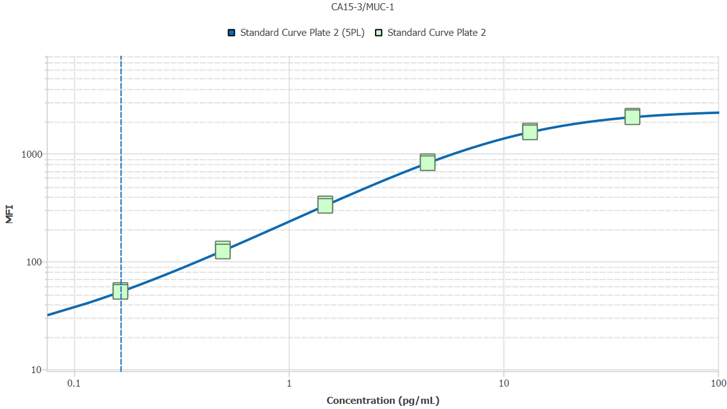
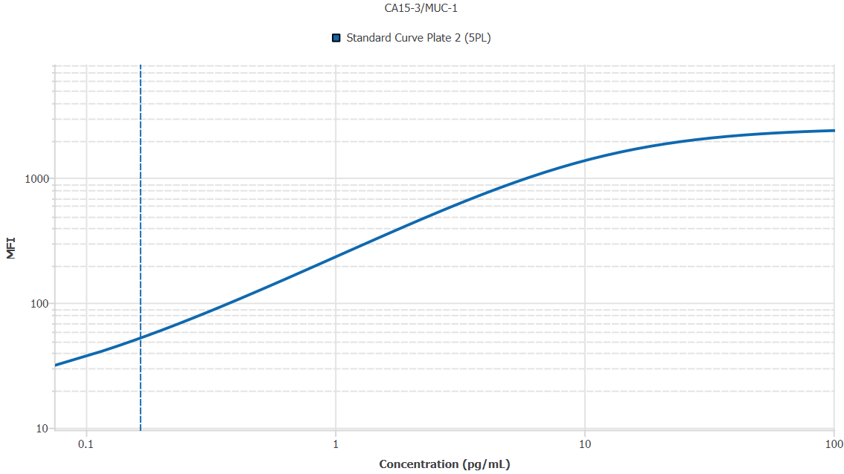
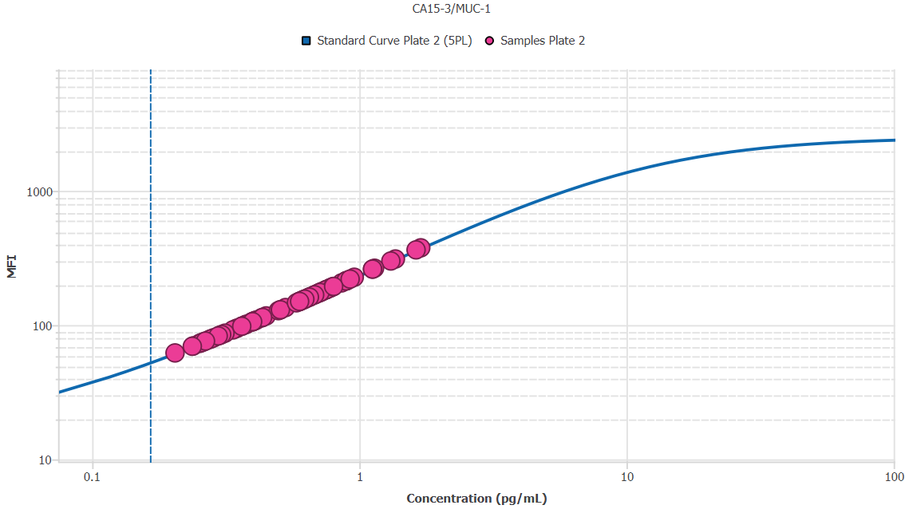
File Name: | O:/facility/2020/_ongoing_projects_/johanna_dahlqvist/PP2020_0052/anca_vasculitis/sia/luminex_interpolation/belysa_files/Belysa_MD_PP2020_0052_kit1_plate2_201109_1403_CM_20200802_040331.belysa
Source File Name: | O:/facility/2020/_ongoing_projects_/johanna_dahlqvist/PP2020_0052/anca_vasculitis/sia/luminex_interpolation/luminex_data/PP2020_0052_kit1_plate2_201109_1403_CM_20200802_040331.csv
Executed By:
Executed On:
Instrument: | MAGPX11083001
File Last Modified: | ti nov 24 15:50:49 2020 GMT+0100
File Last Modified By: | matilda.dale
Instrument SW Version: | 4.2.1324.0
Analysis SW Version: | Belysa 1.0.19
Printed By SW Version: | 1.0.19
Experiment Name: | Experiment 1
Experiment Description:
Experiment Created By: | matilda.dale
Experiment Created On: | ti nov 24 15:36:49 2020 GMT+0100

Original Name | Current Name | ID | Units | Precision
Analyte 75 | CA15-3/MUC-1 | 75 | pg/mL | 2

Standards

Plate | Group | Location | Well ID | Analyte | Expected | Unk. Dilution | Sample ID | Standard | Fit | Avg. Result | Result | Message | Result SD | Result CV | Avg. MFI | MFI | MFI CV | MFI SD | Avg. Recovery | Recovery | n | Exclude | Exclude Reason
Kit 1 Plate 2 | Standard Curve Plate 2 | A1 A12 | 1 | CA15-3/MUC-1 | 0.00 |  | Blank | Standard Curve Plate 2 | 5PL | - |  | EXT, ND | - | - | 14.50 |  | 4.9% | 0.71 | - |  | 2
Kit 1 Plate 2 | Standard Curve Plate 2 | A1 | 1 | CA15-3/MUC-1 | 0.00 |  | Blank | Standard Curve Plate 2 | 5PL |  | - | ND |  |  |  | 15.00 |  |  |  | -
Kit 1 Plate 2 | Standard Curve Plate 2 | A12 | 1 | CA15-3/MUC-1 | 0.00 |  | Blank | Standard Curve Plate 2 | 5PL |  | - | EXT |  |  |  | 14.00 |  |  |  | -
Kit 1 Plate 2 | Standard Curve Plate 2 | B1 B12 | 2 | CA15-3/MUC-1 | 0.16 |  | S6 | Standard Curve Plate 2 | 5PL | 0.17 |  |  | 0.01 | 3.7% | 53.00 |  | 2.7% | 1.41 | 100.3% |  | 2
Kit 1 Plate 2 | Standard Curve Plate 2 | B1 | 2 | CA15-3/MUC-1 | 0.16 |  | S6 | Standard Curve Plate 2 | 5PL |  | 0.17 |  |  |  |  | 54.00 |  |  |  | 103.0%
Kit 1 Plate 2 | Standard Curve Plate 2 | B12 | 2 | CA15-3/MUC-1 | 0.16 |  | S6 | Standard Curve Plate 2 | 5PL |  | 0.16 |  |  |  |  | 52.00 |  |  |  | 97.7%
Kit 1 Plate 2 | Standard Curve Plate 2 | C1 C12 | 3 | CA15-3/MUC-1 | 0.49 |  | S5 | Standard Curve Plate 2 | 5PL | 0.49 |  |  | 0.03 | 5.2% | 127.00 |  | 4.5% | 5.66 | 99.9% |  | 2
Kit 1 Plate 2 | Standard Curve Plate 2 | C1 | 3 | CA15-3/MUC-1 | 0.49 |  | S5 | Standard Curve Plate 2 | 5PL |  | 0.51 |  |  |  |  | 131.00 |  |  |  | 103.6%
Kit 1 Plate 2 | Standard Curve Plate 2 | C12 | 3 | CA15-3/MUC-1 | 0.49 |  | S5 | Standard Curve Plate 2 | 5PL |  | 0.48 |  |  |  |  | 123.00 |  |  |  | 96.2%
Kit 1 Plate 2 | Standard Curve Plate 2 | D1 D12 | 4 | CA15-3/MUC-1 | 1.48 |  | S4 | Standard Curve Plate 2 | 5PL | 1.49 |  |  | 0.06 | 4.1% | 334.50 |  | 3.6% | 12.02 | 100.3% |  | 2
Kit 1 Plate 2 | Standard Curve Plate 2 | D1 | 4 | CA15-3/MUC-1 | 1.48 |  | S4 | Standard Curve Plate 2 | 5PL |  | 1.53 |  |  |  |  | 343.00 |  |  |  | 103.2%
Kit 1 Plate 2 | Standard Curve Plate 2 | D12 | 4 | CA15-3/MUC-1 | 1.48 |  | S4 | Standard Curve Plate 2 | 5PL |  | 1.44 |  |  |  |  | 326.00 |  |  |  | 97.4%
Kit 1 Plate 2 | Standard Curve Plate 2 | E1 E12 | 5 | CA15-3/MUC-1 | 4.44 |  | S3 | Standard Curve Plate 2 | 5PL | 4.46 |  |  | 0.17 | 3.9% | 827.00 |  | 2.9% | 24.04 | 100.3% |  | 2
Kit 1 Plate 2 | Standard Curve Plate 2 | E1 | 5 | CA15-3/MUC-1 | 4.44 |  | S3 | Standard Curve Plate 2 | 5PL |  | 4.58 |  |  |  |  | 844.00 |  |  |  | 103.0%
Kit 1 Plate 2 | Standard Curve Plate 2 | E12 | 5 | CA15-3/MUC-1 | 4.44 |  | S3 | Standard Curve Plate 2 | 5PL |  | 4.33 |  |  |  |  | 810.00 |  |  |  | 97.5%
Kit 1 Plate 2 | Standard Curve Plate 2 | F1 F12 | 6 | CA15-3/MUC-1 | 13.33 |  | S2 | Standard Curve Plate 2 | 5PL | 13.33 |  |  | 0.82 | 6.1% | 1593.75 |  | 2.7% | 42.78 | 100.0% |  | 2
Kit 1 Plate 2 | Standard Curve Plate 2 | F1 | 6 | CA15-3/MUC-1 | 13.33 |  | S2 | Standard Curve Plate 2 | 5PL |  | 13.91 |  |  |  |  | 1624.00 |  |  |  | 104.3%
Kit 1 Plate 2 | Standard Curve Plate 2 | F12 | 6 | CA15-3/MUC-1 | 13.33 |  | S2 | Standard Curve Plate 2 | 5PL |  | 12.76 |  |  |  |  | 1563.50 |  |  |  | 95.7%
Kit 1 Plate 2 | Standard Curve Plate 2 | G1 G12 | 7 | CA15-3/MUC-1 | 40.00 |  | S1 | Standard Curve Plate 2 | 5PL | 38.12 |  |  | 1.43 | 3.8% | 2193.75 |  | 2.3% | 49.85 | 95.3% |  | 2
Kit 1 Plate 2 | Standard Curve Plate 2 | G1 | 7 | CA15-3/MUC-1 | 40.00 |  | S1 | Standard Curve Plate 2 | 5PL |  | 39.13 |  |  |  |  | 2229.00 |  |  |  | 97.8%
Kit 1 Plate 2 | Standard Curve Plate 2 | G12 | 7 | CA15-3/MUC-1 | 40.00 |  | S1 | Standard Curve Plate 2 | 5PL |  | 37.10 |  |  |  |  | 2158.50 |  |  |  | 92.8%

Unknowns

Plate | Group | Location | Well ID | Analyte | Expected | Unk. Dilution | Sample ID | Standard | Fit | Avg. Result | Result | Message | Result SD | Result CV | Avg. MFI | MFI | MFI CV | MFI SD | Avg. Recovery | Recovery | n | Exclude | Exclude Reason
Kit 1 Plate 2 | Blanks Plate 2 | H1 H11 H12 | 8 | CA15-3/MUC-1 |  | 1.00 | Blank | Standard Curve Plate 2 | 5PL | - |  | EXT | - | - | 14.00 |  | 0.0% | 0.00 | - |  | 3
Kit 1 Plate 2 | Blanks Plate 2 | H1 | 8 | CA15-3/MUC-1 |  | 1.00 | Blank | Standard Curve Plate 2 | 5PL |  | - | EXT |  |  |  | 14.00 |  |  |  | -
Kit 1 Plate 2 | Blanks Plate 2 | H11 | 8 | CA15-3/MUC-1 |  | 1.00 | Blank | Standard Curve Plate 2 | 5PL |  | - | EXT |  |  |  | 14.00 |  |  |  | -
Kit 1 Plate 2 | Blanks Plate 2 | H12 | 8 | CA15-3/MUC-1 |  | 1.00 | Blank | Standard Curve Plate 2 | 5PL |  | - | EXT |  |  |  | 14.00 |  |  |  | -
Kit 1 Plate 2 | Samples Plate 2 | A2 | 9 | CA15-3/MUC-1 |  | 50.00 | UMU76 | Standard Curve Plate 2 | 5PL | 17.27 |  |  |  |  | 94.00 |  |  |  | -
Kit 1 Plate 2 | Samples Plate 2 | B2 | 10 | CA15-3/MUC-1 |  | 50.00 | 1900073258 | Standard Curve Plate 2 | 5PL | 36.35 |  |  |  |  | 178.00 |  |  |  | -
Kit 1 Plate 2 | Samples Plate 2 | C2 | 11 | CA15-3/MUC-1 |  | 50.00 | VASKA 659 | Standard Curve Plate 2 | 5PL | 20.61 |  |  |  |  | 109.00 |  |  |  | -
Kit 1 Plate 2 | Samples Plate 2 | D2 | 12 | CA15-3/MUC-1 |  | 50.00 | 1900073241 | Standard Curve Plate 2 | 5PL | 18.83 |  |  |  |  | 101.00 |  |  |  | -
Kit 1 Plate 2 | Samples Plate 2 | E2 | 13 | CA15-3/MUC-1 |  | 50.00 | VASKA 637 | Standard Curve Plate 2 | 5PL | 34.03 |  |  |  |  | 168.00 |  |  |  | -
Kit 1 Plate 2 | Samples Plate 2 | F2 | 14 | CA15-3/MUC-1 |  | 50.00 | Daniel 42 | Standard Curve Plate 2 | 5PL | 11.97 |  |  |  |  | 70.00 |  |  |  | -
Kit 1 Plate 2 | Samples Plate 2 | G2 | 15 | CA15-3/MUC-1 |  | 50.00 | 1900073341 | Standard Curve Plate 2 | 5PL | 12.85 |  |  |  |  | 74.00 |  |  |  | -
Kit 1 Plate 2 | Samples Plate 2 | H2 | 16 | CA15-3/MUC-1 |  | 50.00 | RA2711 | Standard Curve Plate 2 | 5PL | 56.05 |  |  |  |  | 261.00 |  |  |  | -
Kit 1 Plate 2 | Samples Plate 2 | A3 | 17 | CA15-3/MUC-1 |  | 50.00 | LU1038 | Standard Curve Plate 2 | 5PL | 42.90 |  |  |  |  | 206.00 |  |  |  | -
Kit 1 Plate 2 | Samples Plate 2 | B3 | 18 | CA15-3/MUC-1 |  | 50.00 | RA1913 | Standard Curve Plate 2 | 5PL | 22.41 |  |  |  |  | 117.00 |  |  |  | -
Kit 1 Plate 2 | Samples Plate 2 | C3 | 19 | CA15-3/MUC-1 |  | 50.00 | VASKA 117 | Standard Curve Plate 2 | 5PL | 20.17 |  |  |  |  | 107.00 |  |  |  | -
Kit 1 Plate 2 | Samples Plate 2 | D3 | 20 | CA15-3/MUC-1 |  | 50.00 | Daniel 106 | Standard Curve Plate 2 | 5PL | 44.79 |  |  |  |  | 214.00 |  |  |  | -
Kit 1 Plate 2 | Samples Plate 2 | E3 | 21 | CA15-3/MUC-1 |  | 50.00 | VASKA 668 | Standard Curve Plate 2 | 5PL | 35.42 |  |  |  |  | 174.00 |  |  |  | -
Kit 1 Plate 2 | Samples Plate 2 | F3 | 22 | CA15-3/MUC-1 |  | 50.00 | 1900073270 | Standard Curve Plate 2 | 5PL | 20.17 |  |  |  |  | 107.00 |  |  |  | -
Kit 1 Plate 2 | Samples Plate 2 | G3 | 23 | CA15-3/MUC-1 |  | 50.00 | LU1034 | Standard Curve Plate 2 | 5PL | 47.88 |  |  |  |  | 227.00 |  |  |  | -
Kit 1 Plate 2 | Samples Plate 2 | H3 | 24 | CA15-3/MUC-1 |  | 50.00 | 1900073284 | Standard Curve Plate 2 | 5PL | 19.94 |  |  |  |  | 106.00 |  |  |  | -
Kit 1 Plate 2 | Samples Plate 2 | A4 | 25 | CA15-3/MUC-1 |  | 50.00 | Daniel 105 | Standard Curve Plate 2 | 5PL | 37.63 |  |  |  |  | 183.50 |  |  |  | -
Kit 1 Plate 2 | Samples Plate 2 | B4 | 26 | CA15-3/MUC-1 |  | 50.00 | VASKA 506 | Standard Curve Plate 2 | 5PL | 13.95 |  |  |  |  | 79.00 |  |  |  | -
Kit 1 Plate 2 | Samples Plate 2 | C4 | 27 | CA15-3/MUC-1 |  | 50.00 | 1900073299 | Standard Curve Plate 2 | 5PL | 39.15 |  |  |  |  | 190.00 |  |  |  | -
Kit 1 Plate 2 | Samples Plate 2 | D4 | 28 | CA15-3/MUC-1 |  | 50.00 | 1900073355 | Standard Curve Plate 2 | 5PL | 68.24 |  |  |  |  | 310.50 |  |  |  | -
Kit 1 Plate 2 | Samples Plate 2 | E4 | 29 | CA15-3/MUC-1 |  | 50.00 | RA2307 | Standard Curve Plate 2 | 5PL | 44.55 |  |  |  |  | 213.00 |  |  |  | -
Kit 1 Plate 2 | Samples Plate 2 | F4 | 30 | CA15-3/MUC-1 |  | 50.00 | 1900073256 | Standard Curve Plate 2 | 5PL | 35.65 |  |  |  |  | 175.00 |  |  |  | -
Kit 1 Plate 2 | Samples Plate 2 | G4 | 31 | CA15-3/MUC-1 |  | 50.00 | LUN1103 | Standard Curve Plate 2 | 5PL | 18.27 |  |  |  |  | 98.50 |  |  |  | -
Kit 1 Plate 2 | Samples Plate 2 | H4 | 32 | CA15-3/MUC-1 |  | 50.00 | 1900073224 | Standard Curve Plate 2 | 5PL | 40.08 |  |  |  |  | 194.00 |  |  |  | -
Kit 1 Plate 2 | Samples Plate 2 | A5 | 33 | CA15-3/MUC-1 |  | 50.00 | 1900073349 | Standard Curve Plate 2 | 5PL | 34.96 |  |  |  |  | 172.00 |  |  |  | -
Kit 1 Plate 2 | Samples Plate 2 | B5 | 34 | CA15-3/MUC-1 |  | 50.00 | VASKA 124 | Standard Curve Plate 2 | 5PL | 17.49 |  |  |  |  | 95.00 |  |  |  | -
Kit 1 Plate 2 | Samples Plate 2 | C5 | 35 | CA15-3/MUC-1 |  | 50.00 | VASKA 634 | Standard Curve Plate 2 | 5PL | 12.63 |  |  |  |  | 73.00 |  |  |  | -
Kit 1 Plate 2 | Samples Plate 2 | D5 | 36 | CA15-3/MUC-1 |  | 50.00 | Daniel 81 | Standard Curve Plate 2 | 5PL | 29.67 |  |  |  |  | 149.00 |  |  |  | -
Kit 1 Plate 2 | Samples Plate 2 | E5 | 37 | CA15-3/MUC-1 |  | 50.00 | 1900073265 | Standard Curve Plate 2 | 5PL | 19.94 |  |  |  |  | 106.00 |  |  |  | -
Kit 1 Plate 2 | Samples Plate 2 | F5 | 38 | CA15-3/MUC-1 |  | 50.00 | 1900073430 | Standard Curve Plate 2 | 5PL | 14.83 |  |  |  |  | 83.00 |  |  |  | -
Kit 1 Plate 2 | Samples Plate 2 | G5 | 39 | CA15-3/MUC-1 |  | 50.00 | VASKA 006 | Standard Curve Plate 2 | 5PL | 31.04 |  |  |  |  | 155.00 |  |  |  | -
Kit 1 Plate 2 | Samples Plate 2 | H5 | 40 | CA15-3/MUC-1 |  | 50.00 | 1900073399 | Standard Curve Plate 2 | 5PL | 30.47 |  |  |  |  | 152.50 |  |  |  | -
Kit 1 Plate 2 | Samples Plate 2 | A6 | 41 | CA15-3/MUC-1 |  | 50.00 | UMU78 | Standard Curve Plate 2 | 5PL | 30.58 |  |  |  |  | 153.00 |  |  |  | -
Kit 1 Plate 2 | Samples Plate 2 | B6 | 42 | CA15-3/MUC-1 |  | 50.00 | VASKA 654 | Standard Curve Plate 2 | 5PL | 32.88 |  |  |  |  | 163.00 |  |  |  | -
Kit 1 Plate 2 | Samples Plate 2 | C6 | 43 | CA15-3/MUC-1 |  | 50.00 | 1900073240 | Standard Curve Plate 2 | 5PL | 16.82 |  |  |  |  | 92.00 |  |  |  | -
Kit 1 Plate 2 | Samples Plate 2 | D6 | 44 | CA15-3/MUC-1 |  | 50.00 | 1900073357 | Standard Curve Plate 2 | 5PL | 32.19 |  |  |  |  | 160.00 |  |  |  | -
Kit 1 Plate 2 | Samples Plate 2 | E6 | 45 | CA15-3/MUC-1 |  | 50.00 | 1900073319 | Standard Curve Plate 2 | 5PL | 15.27 |  |  |  |  | 85.00 |  |  |  | -
Kit 1 Plate 2 | Samples Plate 2 | F6 | 46 | CA15-3/MUC-1 |  | 50.00 | RA1541 | Standard Curve Plate 2 | 5PL | 19.72 |  |  |  |  | 105.00 |  |  |  | -
Kit 1 Plate 2 | Samples Plate 2 | G6 | 47 | CA15-3/MUC-1 |  | 50.00 | 1900073292 | Standard Curve Plate 2 | 5PL | 20.39 |  |  |  |  | 108.00 |  |  |  | -
Kit 1 Plate 2 | Samples Plate 2 | H6 | 48 | CA15-3/MUC-1 |  | 50.00 | 1900073296 | Standard Curve Plate 2 | 5PL | 31.27 |  |  |  |  | 156.00 |  |  |  | -
Kit 1 Plate 2 | Samples Plate 2 | A7 | 49 | CA15-3/MUC-1 |  | 50.00 | 1900073374 | Standard Curve Plate 2 | 5PL | 13.73 |  |  |  |  | 78.00 |  |  |  | -
Kit 1 Plate 2 | Samples Plate 2 | B7 | 50 | CA15-3/MUC-1 |  | 50.00 | LU1051 | Standard Curve Plate 2 | 5PL | 45.03 |  |  |  |  | 215.00 |  |  |  | -
Kit 1 Plate 2 | Samples Plate 2 | C7 | 51 | CA15-3/MUC-1 |  | 50.00 | 1900073422 | Standard Curve Plate 2 | 5PL | 24.89 |  |  |  |  | 128.00 |  |  |  | -
Kit 1 Plate 2 | Samples Plate 2 | D7 | 52 | CA15-3/MUC-1 |  | 50.00 | SLE 0952 | Standard Curve Plate 2 | 5PL | 36.12 |  |  |  |  | 177.00 |  |  |  | -
Kit 1 Plate 2 | Samples Plate 2 | E7 | 53 | CA15-3/MUC-1 |  | 50.00 | UMU6 | Standard Curve Plate 2 | 5PL | 65.63 |  |  |  |  | 300.00 |  |  |  | -
Kit 1 Plate 2 | Samples Plate 2 | F7 | 54 | CA15-3/MUC-1 |  | 50.00 | 1900073365 | Standard Curve Plate 2 | 5PL | 34.03 |  |  |  |  | 168.00 |  |  |  | -
Kit 1 Plate 2 | Samples Plate 2 | G7 | 55 | CA15-3/MUC-1 |  | 50.00 | 1900073219 | Standard Curve Plate 2 | 5PL | 21.74 |  |  |  |  | 114.00 |  |  |  | -
Kit 1 Plate 2 | Samples Plate 2 | H7 | 56 | CA15-3/MUC-1 |  | 50.00 | VASKA 639 | Standard Curve Plate 2 | 5PL | 11.86 |  |  |  |  | 69.50 |  |  |  | -
Kit 1 Plate 2 | Samples Plate 2 | A8 | 57 | CA15-3/MUC-1 |  | 50.00 | 1900073333 | Standard Curve Plate 2 | 5PL | 37.40 |  |  |  |  | 182.50 |  |  |  | -
Kit 1 Plate 2 | Samples Plate 2 | B8 | 58 | CA15-3/MUC-1 |  | 50.00 | VASKA 096 | Standard Curve Plate 2 | 5PL | 31.50 |  |  |  |  | 157.00 |  |  |  | -
Kit 1 Plate 2 | Samples Plate 2 | C8 | 59 | CA15-3/MUC-1 |  | 50.00 | VASKA 121 | Standard Curve Plate 2 | 5PL | 29.90 |  |  |  |  | 150.00 |  |  |  | -
Kit 1 Plate 2 | Samples Plate 2 | D8 | 60 | CA15-3/MUC-1 |  | 50.00 | 1900073252 | Standard Curve Plate 2 | 5PL | 37.63 |  |  |  |  | 183.50 |  |  |  | -
Kit 1 Plate 2 | Samples Plate 2 | E8 | 61 | CA15-3/MUC-1 |  | 50.00 | RA2690 | Standard Curve Plate 2 | 5PL | 57.03 |  |  |  |  | 265.00 |  |  |  | -
Kit 1 Plate 2 | Samples Plate 2 | F8 | 62 | CA15-3/MUC-1 |  | 50.00 | VASKA 0134 | Standard Curve Plate 2 | 5PL | 10.22 |  |  |  |  | 62.00 |  |  |  | -
Kit 1 Plate 2 | Samples Plate 2 | G8 | 63 | CA15-3/MUC-1 |  | 50.00 | Ö11 | Standard Curve Plate 2 | 5PL | 44.55 |  |  |  |  | 213.00 |  |  |  | -
Kit 1 Plate 2 | Samples Plate 2 | H8 | 64 | CA15-3/MUC-1 |  | 50.00 | VASKA 629 | Standard Curve Plate 2 | 5PL | 18.16 |  |  |  |  | 98.00 |  |  |  | -
Kit 1 Plate 2 | Samples Plate 2 | A9 | 65 | CA15-3/MUC-1 |  | 50.00 | 1900073274 | Standard Curve Plate 2 | 5PL | 30.58 |  |  |  |  | 153.00 |  |  |  | -
Kit 1 Plate 2 | Samples Plate 2 | B9 | 66 | CA15-3/MUC-1 |  | 50.00 | 1900073431 | Standard Curve Plate 2 | 5PL | 38.68 |  |  |  |  | 188.00 |  |  |  | -
Kit 1 Plate 2 | Samples Plate 2 | C9 | 67 | CA15-3/MUC-1 |  | 50.00 | LU1068 | Standard Curve Plate 2 | 5PL | 25.34 |  |  |  |  | 130.00 |  |  |  | -
Kit 1 Plate 2 | Samples Plate 2 | D9 | 68 | CA15-3/MUC-1 |  | 50.00 | 1900073406 | Standard Curve Plate 2 | 5PL | 15.71 |  |  |  |  | 87.00 |  |  |  | -
Kit 1 Plate 2 | Samples Plate 2 | E9 | 69 | CA15-3/MUC-1 |  | 50.00 | 1900073244 | Standard Curve Plate 2 | 5PL | 29.90 |  |  |  |  | 150.00 |  |  |  | -
Kit 1 Plate 2 | Samples Plate 2 | F9 | 70 | CA15-3/MUC-1 |  | 50.00 | 1900073275 | Standard Curve Plate 2 | 5PL | 32.54 |  |  |  |  | 161.50 |  |  |  | -
Kit 1 Plate 2 | Samples Plate 2 | G9 | 71 | CA15-3/MUC-1 |  | 50.00 | 1900073253 | Standard Curve Plate 2 | 5PL | 81.56 |  |  |  |  | 363.00 |  |  |  | -
Kit 1 Plate 2 | Samples Plate 2 | H9 | 72 | CA15-3/MUC-1 |  | 50.00 | 1900073222 | Standard Curve Plate 2 | 5PL | 29.90 |  |  |  |  | 150.00 |  |  |  | -
Kit 1 Plate 2 | Samples Plate 2 | A10 | 73 | CA15-3/MUC-1 |  | 50.00 | 1900073387 | Standard Curve Plate 2 | 5PL | 13.07 |  |  |  |  | 75.00 |  |  |  | -
Kit 1 Plate 2 | Samples Plate 2 | B10 | 74 | CA15-3/MUC-1 |  | 50.00 | VASKA 089_2 | Standard Curve Plate 2 | 5PL | 21.51 |  |  |  |  | 113.00 |  |  |  | -
Kit 1 Plate 2 | Samples Plate 2 | C10 | 75 | CA15-3/MUC-1 |  | 50.00 | UMU60 | Standard Curve Plate 2 | 5PL | 38.91 |  |  |  |  | 189.00 |  |  |  | -
Kit 1 Plate 2 | Samples Plate 2 | D10 | 76 | CA15-3/MUC-1 |  | 50.00 | IgA 1646 | Standard Curve Plate 2 | 5PL | 84.93 |  |  |  |  | 376.00 |  |  |  | -
Kit 1 Plate 2 | Samples Plate 2 | E10 | 77 | CA15-3/MUC-1 |  | 50.00 | 1900073336 | Standard Curve Plate 2 | 5PL | 39.85 |  |  |  |  | 193.00 |  |  |  | -
Kit 1 Plate 2 | Samples Plate 2 | F10 | 78 | CA15-3/MUC-1 |  | 50.00 | VASKA 145 | Standard Curve Plate 2 | 5PL | 29.10 |  |  |  |  | 146.50 |  |  |  | -
Kit 1 Plate 2 | Samples Plate 2 | G10 | 79 | CA15-3/MUC-1 |  | 50.00 | 1900073356 | Standard Curve Plate 2 | 5PL | 13.29 |  |  |  |  | 76.00 |  |  |  | -
Kit 1 Plate 2 | Samples Plate 2 | H10 | 80 | CA15-3/MUC-1 |  | 50.00 | 1900073260 | Standard Curve Plate 2 | 5PL | 56.05 |  |  |  |  | 261.00 |  |  |  | -
Kit 1 Plate 2 | Samples Plate 2 | A11 | 81 | CA15-3/MUC-1 |  | 50.00 | RA898 | Standard Curve Plate 2 | 5PL | 14.28 |  |  |  |  | 80.50 |  |  |  | -
Kit 1 Plate 2 | Samples Plate 2 | B11 | 82 | CA15-3/MUC-1 |  | 50.00 | 1900073366 | Standard Curve Plate 2 | 5PL | 15.05 |  |  |  |  | 84.00 |  |  |  | -
Kit 1 Plate 2 | Samples Plate 2 | C11 | 83 | CA15-3/MUC-1 |  | 50.00 | VASKA 033 | Standard Curve Plate 2 | 5PL | 26.48 |  |  |  |  | 135.00 |  |  |  | -
Kit 1 Plate 2 | Samples Plate 2 | D11 | 84 | CA15-3/MUC-1 |  | 50.00 | 1900073324 | Standard Curve Plate 2 | 5PL | 25.34 |  |  |  |  | 130.00 |  |  |  | -
Kit 1 Plate 2 | Samples Plate 2 | E11 | 85 | CA15-3/MUC-1 |  | 50.00 | VASKA 103 | Standard Curve Plate 2 | 5PL | 18.83 |  |  |  |  | 101.00 |  |  |  | -
Kit 1 Plate 2 | Samples Plate 2 | F11 | 86 | CA15-3/MUC-1 |  | 50.00 | Daniel 53 | Standard Curve Plate 2 | 5PL | 20.17 |  |  |  |  | 107.00 |  |  |  | -
Kit 1 Plate 2 | Samples Plate 2 | G11 | 87 | CA15-3/MUC-1 |  | 50.00 | 1900073232 | Standard Curve Plate 2 | 5PL | 46.21 |  |  |  |  | 220.00 |  |  |  | -

Curves

Group | Analyte | Fit | LLoQ | MDD | LoD | R Squared | Slope | Weighting | Equation
Standard Curve Plate 2 | CA15-3/MUC-1 | 5PL | 0.16 | 1.77 | 0.01 | 1.00 | 224.77 | 1/y^2 | y = 14.21 + (2529.51 - 14.21)/((1 + (11.34/x)^1.26))^0.78

TIMP-1
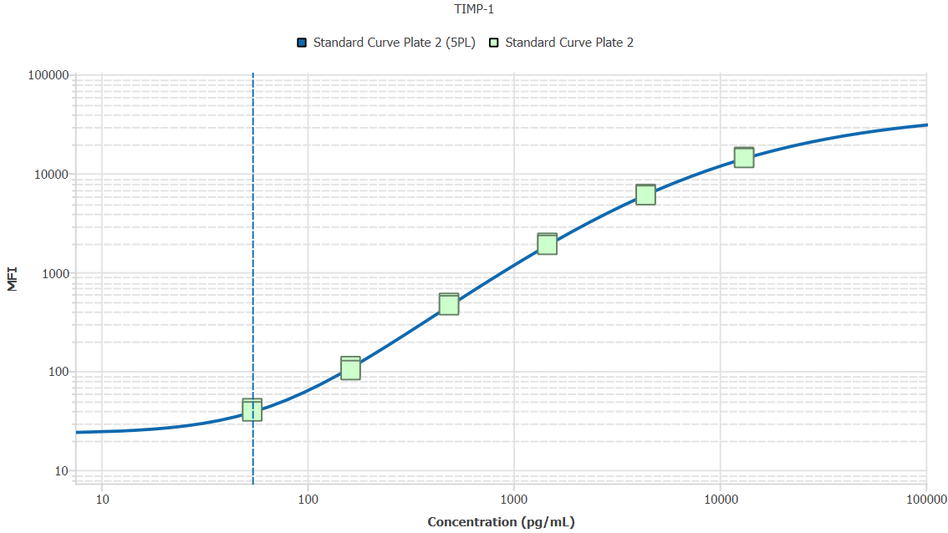
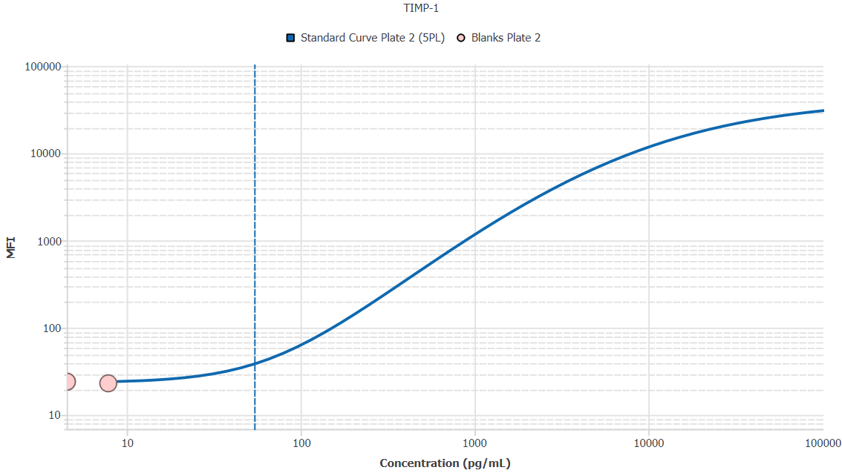
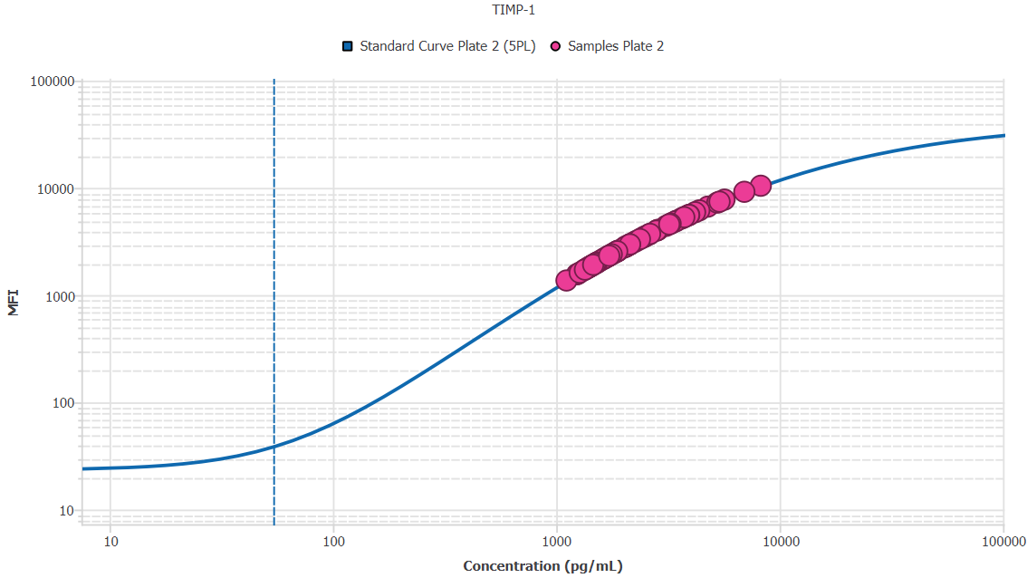
File Name: | O:/facility/2020/_ongoing_projects_/johanna_dahlqvist/PP2020_0052/anca_vasculitis/sia/luminex_interpolation/belysa_files/Belysa_MD_PP2020_0052_kit1_plate2_201109_1403_CM_20200802_040331.belysa
Source File Name: | O:/facility/2020/_ongoing_projects_/johanna_dahlqvist/PP2020_0052/anca_vasculitis/sia/luminex_interpolation/luminex_data/PP2020_0052_kit1_plate2_201109_1403_CM_20200802_040331.csv
Executed By:
Executed On:
Instrument: | MAGPX11083001
File Last Modified: | ti nov 24 15:50:49 2020 GMT+0100
File Last Modified By: | matilda.dale
Instrument SW Version: | 4.2.1324.0
Analysis SW Version: | Belysa 1.0.19
Printed By SW Version: | 1.0.19
Experiment Name: | Experiment 1
Experiment Description:
Experiment Created By: | matilda.dale
Experiment Created On: | ti nov 24 15:36:49 2020 GMT+0100

Original Name | Current Name | ID | Units | Precision
Analyte 76 | TIMP-1 | 76 | pg/mL | 2

Standards

Plate | Group | Location | Well ID | Analyte | Expected | Unk. Dilution | Sample ID | Standard | Fit | Avg. Result | Result | Message | Result SD | Result CV | Avg. MFI | MFI | MFI CV | MFI SD | Avg. Recovery | Recovery | n | Exclude | Exclude Reason
Kit 1 Plate 2 | Standard Curve Plate 2 | A1 A12 | 1 | TIMP-1 | 0.00 |  | Blank | Standard Curve Plate 2 | 5PL | - |  | EXT | - | - | 23.50 |  | 3.0% | 0.71 | - |  | 2
Kit 1 Plate 2 | Standard Curve Plate 2 | A1 | 1 | TIMP-1 | 0.00 |  | Blank | Standard Curve Plate 2 | 5PL |  | - |  |  |  |  | 24.00 |  |  |  | -
Kit 1 Plate 2 | Standard Curve Plate 2 | A12 | 1 | TIMP-1 | 0.00 |  | Blank | Standard Curve Plate 2 | 5PL |  | - | EXT |  |  |  | 23.00 |  |  |  | -
Kit 1 Plate 2 | Standard Curve Plate 2 | B1 B12 | 2 | TIMP-1 | 54.12 |  | S6 | Standard Curve Plate 2 | 5PL | 56.91 |  |  | 4.52 | 7.9% | 40.50 |  | 5.2% | 2.12 | 105.2% |  | 2
Kit 1 Plate 2 | Standard Curve Plate 2 | B1 | 2 | TIMP-1 | 54.12 |  | S6 | Standard Curve Plate 2 | 5PL |  | 60.11 |  |  |  |  | 42.00 |  |  |  | 111.1%
Kit 1 Plate 2 | Standard Curve Plate 2 | B12 | 2 | TIMP-1 | 54.12 |  | S6 | Standard Curve Plate 2 | 5PL |  | 53.71 |  |  |  |  | 39.00 |  |  |  | 99.3%
Kit 1 Plate 2 | Standard Curve Plate 2 | C1 C12 | 3 | TIMP-1 | 162.35 |  | S5 | Standard Curve Plate 2 | 5PL | 158.17 |  |  | 8.75 | 5.5% | 107.00 |  | 6.6% | 7.07 | 97.4% |  | 2
Kit 1 Plate 2 | Standard Curve Plate 2 | C1 | 3 | TIMP-1 | 162.35 |  | S5 | Standard Curve Plate 2 | 5PL |  | 164.36 |  |  |  |  | 112.00 |  |  |  | 101.2%
Kit 1 Plate 2 | Standard Curve Plate 2 | C12 | 3 | TIMP-1 | 162.35 |  | S5 | Standard Curve Plate 2 | 5PL |  | 151.99 |  |  |  |  | 102.00 |  |  |  | 93.6%
Kit 1 Plate 2 | Standard Curve Plate 2 | D1 D12 | 4 | TIMP-1 | 487.04 |  | S4 | Standard Curve Plate 2 | 5PL | 495.01 |  |  | 14.26 | 2.9% | 475.00 |  | 3.9% | 18.38 | 101.6% |  | 2
Kit 1 Plate 2 | Standard Curve Plate 2 | D1 | 4 | TIMP-1 | 487.04 |  | S4 | Standard Curve Plate 2 | 5PL |  | 505.10 |  |  |  |  | 488.00 |  |  |  | 103.7%
Kit 1 Plate 2 | Standard Curve Plate 2 | D12 | 4 | TIMP-1 | 487.04 |  | S4 | Standard Curve Plate 2 | 5PL |  | 484.93 |  |  |  |  | 462.00 |  |  |  | 99.6%
Kit 1 Plate 2 | Standard Curve Plate 2 | E1 E12 | 5 | TIMP-1 | 1461.11 |  | S3 | Standard Curve Plate 2 | 5PL | 1474.21 |  |  | 41.50 | 2.8% | 1930.50 |  | 3.4% | 65.05 | 100.9% |  | 2
Kit 1 Plate 2 | Standard Curve Plate 2 | E1 | 5 | TIMP-1 | 1461.11 |  | S3 | Standard Curve Plate 2 | 5PL |  | 1503.56 |  |  |  |  | 1976.50 |  |  |  | 102.9%
Kit 1 Plate 2 | Standard Curve Plate 2 | E12 | 5 | TIMP-1 | 1461.11 |  | S3 | Standard Curve Plate 2 | 5PL |  | 1444.87 |  |  |  |  | 1884.50 |  |  |  | 98.9%
Kit 1 Plate 2 | Standard Curve Plate 2 | F1 F12 | 6 | TIMP-1 | 4383.33 |  | S2 | Standard Curve Plate 2 | 5PL | 4310.26 |  |  | 90.42 | 2.1% | 6080.75 |  | 1.9% | 118.44 | 98.3% |  | 2
Kit 1 Plate 2 | Standard Curve Plate 2 | F1 | 6 | TIMP-1 | 4383.33 |  | S2 | Standard Curve Plate 2 | 5PL |  | 4374.19 |  |  |  |  | 6164.50 |  |  |  | 99.8%
Kit 1 Plate 2 | Standard Curve Plate 2 | F12 | 6 | TIMP-1 | 4383.33 |  | S2 | Standard Curve Plate 2 | 5PL |  | 4246.32 |  |  |  |  | 5997.00 |  |  |  | 96.9%
Kit 1 Plate 2 | Standard Curve Plate 2 | G1 G12 | 7 | TIMP-1 | 13150.00 |  | S1 | Standard Curve Plate 2 | 5PL | 13093.95 |  |  | 108.09 | 0.8% | 14436.75 |  | 1.8% | 252.79 | 99.6% |  | 2
Kit 1 Plate 2 | Standard Curve Plate 2 | G1 | 7 | TIMP-1 | 13150.00 |  | S1 | Standard Curve Plate 2 | 5PL |  | 13170.38 |  |  |  |  | 14615.50 |  |  |  | 100.2%
Kit 1 Plate 2 | Standard Curve Plate 2 | G12 | 7 | TIMP-1 | 13150.00 |  | S1 | Standard Curve Plate 2 | 5PL |  | 13017.52 |  |  |  |  | 14258.00 |  |  |  | 99.0%

Unknowns

Plate | Group | Location | Well ID | Analyte | Expected | Unk. Dilution | Sample ID | Standard | Fit | Avg. Result | Result | Message | Result SD | Result CV | Avg. MFI | MFI | MFI CV | MFI SD | Avg. Recovery | Recovery | n | Exclude | Exclude Reason
Kit 1 Plate 2 | Blanks Plate 2 | H1 H11 H12 | 8 | TIMP-1 |  | 1.00 | Blank | Standard Curve Plate 2 | 5PL | 5.63 |  | EXT, BLOQ | 1.91 | 33.9% | 23.67 |  | 2.4% | 0.58 | - |  | 3
Kit 1 Plate 2 | Blanks Plate 2 | H1 | 8 | TIMP-1 |  | 1.00 | Blank | Standard Curve Plate 2 | 5PL |  | 4.53 | BLOQ |  |  |  | 24.00 |  |  |  | -
Kit 1 Plate 2 | Blanks Plate 2 | H11 | 8 | TIMP-1 |  | 1.00 | Blank | Standard Curve Plate 2 | 5PL |  | 4.53 | BLOQ |  |  |  | 24.00 |  |  |  | -
Kit 1 Plate 2 | Blanks Plate 2 | H12 | 8 | TIMP-1 |  | 1.00 | Blank | Standard Curve Plate 2 | 5PL |  | 7.84 | EXT |  |  |  | 23.00 |  |  |  | -
Kit 1 Plate 2 | Samples Plate 2 | A2 | 9 | TIMP-1 |  | 50.00 | UMU76 | Standard Curve Plate 2 | 5PL | 62010.90 |  |  |  |  | 1565.00 |  |  |  | -
Kit 1 Plate 2 | Samples Plate 2 | B2 | 10 | TIMP-1 |  | 50.00 | 1900073258 | Standard Curve Plate 2 | 5PL | 82428.90 |  |  |  |  | 2204.00 |  |  |  | -
Kit 1 Plate 2 | Samples Plate 2 | C2 | 11 | TIMP-1 |  | 50.00 | VASKA 659 | Standard Curve Plate 2 | 5PL | 183854.12 |  |  |  |  | 5228.50 |  |  |  | -
Kit 1 Plate 2 | Samples Plate 2 | D2 | 12 | TIMP-1 |  | 50.00 | 1900073241 | Standard Curve Plate 2 | 5PL | 121694.03 |  |  |  |  | 3421.00 |  |  |  | -
Kit 1 Plate 2 | Samples Plate 2 | E2 | 13 | TIMP-1 |  | 50.00 | VASKA 637 | Standard Curve Plate 2 | 5PL | 140422.30 |  |  |  |  | 3983.50 |  |  |  | -
Kit 1 Plate 2 | Samples Plate 2 | F2 | 14 | TIMP-1 |  | 50.00 | Daniel 42 | Standard Curve Plate 2 | 5PL | 194689.78 |  |  |  |  | 5525.50 |  |  |  | -
Kit 1 Plate 2 | Samples Plate 2 | G2 | 15 | TIMP-1 |  | 50.00 | 1900073341 | Standard Curve Plate 2 | 5PL | 63714.93 |  |  |  |  | 1618.00 |  |  |  | -
Kit 1 Plate 2 | Samples Plate 2 | H2 | 16 | TIMP-1 |  | 50.00 | RA2711 | Standard Curve Plate 2 | 5PL | 107019.90 |  |  |  |  | 2971.00 |  |  |  | -
Kit 1 Plate 2 | Samples Plate 2 | A3 | 17 | TIMP-1 |  | 50.00 | LU1038 | Standard Curve Plate 2 | 5PL | 141654.64 |  |  |  |  | 4020.00 |  |  |  | -
Kit 1 Plate 2 | Samples Plate 2 | B3 | 18 | TIMP-1 |  | 50.00 | RA1913 | Standard Curve Plate 2 | 5PL | 124246.83 |  |  |  |  | 3498.50 |  |  |  | -
Kit 1 Plate 2 | Samples Plate 2 | C3 | 19 | TIMP-1 |  | 50.00 | VASKA 117 | Standard Curve Plate 2 | 5PL | 128863.04 |  |  |  |  | 3638.00 |  |  |  | -
Kit 1 Plate 2 | Samples Plate 2 | D3 | 20 | TIMP-1 |  | 50.00 | Daniel 106 | Standard Curve Plate 2 | 5PL | 412026.92 |  |  |  |  | 10454.00 |  |  |  | -
Kit 1 Plate 2 | Samples Plate 2 | E3 | 21 | TIMP-1 |  | 50.00 | VASKA 668 | Standard Curve Plate 2 | 5PL | 131623.06 |  |  |  |  | 3721.00 |  |  |  | -
Kit 1 Plate 2 | Samples Plate 2 | F3 | 22 | TIMP-1 |  | 50.00 | 1900073270 | Standard Curve Plate 2 | 5PL | 72131.69 |  |  |  |  | 1881.00 |  |  |  | -
Kit 1 Plate 2 | Samples Plate 2 | G3 | 23 | TIMP-1 |  | 50.00 | LU1034 | Standard Curve Plate 2 | 5PL | 196589.23 |  |  |  |  | 5577.00 |  |  |  | -
Kit 1 Plate 2 | Samples Plate 2 | H3 | 24 | TIMP-1 |  | 50.00 | 1900073284 | Standard Curve Plate 2 | 5PL | 72769.93 |  |  |  |  | 1901.00 |  |  |  | -
Kit 1 Plate 2 | Samples Plate 2 | A4 | 25 | TIMP-1 |  | 50.00 | Daniel 105 | Standard Curve Plate 2 | 5PL | 283420.11 |  |  |  |  | 7759.00 |  |  |  | -
Kit 1 Plate 2 | Samples Plate 2 | B4 | 26 | TIMP-1 |  | 50.00 | VASKA 506 | Standard Curve Plate 2 | 5PL | 155276.65 |  |  |  |  | 4419.00 |  |  |  | -
Kit 1 Plate 2 | Samples Plate 2 | C4 | 27 | TIMP-1 |  | 50.00 | 1900073299 | Standard Curve Plate 2 | 5PL | 72753.98 |  |  |  |  | 1900.50 |  |  |  | -
Kit 1 Plate 2 | Samples Plate 2 | D4 | 28 | TIMP-1 |  | 50.00 | 1900073355 | Standard Curve Plate 2 | 5PL | 55607.69 |  |  |  |  | 1367.00 |  |  |  | -
Kit 1 Plate 2 | Samples Plate 2 | E4 | 29 | TIMP-1 |  | 50.00 | RA2307 | Standard Curve Plate 2 | 5PL | 100712.62 |  |  |  |  | 2775.50 |  |  |  | -
Kit 1 Plate 2 | Samples Plate 2 | F4 | 30 | TIMP-1 |  | 50.00 | 1900073256 | Standard Curve Plate 2 | 5PL | 76038.79 |  |  |  |  | 2003.50 |  |  |  | -
Kit 1 Plate 2 | Samples Plate 2 | G4 | 31 | TIMP-1 |  | 50.00 | LUN1103 | Standard Curve Plate 2 | 5PL | 269418.24 |  |  |  |  | 7429.00 |  |  |  | -
Kit 1 Plate 2 | Samples Plate 2 | H4 | 32 | TIMP-1 |  | 50.00 | 1900073224 | Standard Curve Plate 2 | 5PL | 93780.82 |  |  |  |  | 2559.50 |  |  |  | -
Kit 1 Plate 2 | Samples Plate 2 | A5 | 33 | TIMP-1 |  | 50.00 | 1900073349 | Standard Curve Plate 2 | 5PL | 68121.90 |  |  |  |  | 1755.50 |  |  |  | -
Kit 1 Plate 2 | Samples Plate 2 | B5 | 34 | TIMP-1 |  | 50.00 | VASKA 124 | Standard Curve Plate 2 | 5PL | 165677.59 |  |  |  |  | 4718.00 |  |  |  | -
Kit 1 Plate 2 | Samples Plate 2 | C5 | 35 | TIMP-1 |  | 50.00 | VASKA 634 | Standard Curve Plate 2 | 5PL | 238765.12 |  |  |  |  | 6678.00 |  |  |  | -
Kit 1 Plate 2 | Samples Plate 2 | D5 | 36 | TIMP-1 |  | 50.00 | Daniel 81 | Standard Curve Plate 2 | 5PL | 181166.99 |  |  |  |  | 5154.00 |  |  |  | -
Kit 1 Plate 2 | Samples Plate 2 | E5 | 37 | TIMP-1 |  | 50.00 | 1900073265 | Standard Curve Plate 2 | 5PL | 85489.86 |  |  |  |  | 2300.00 |  |  |  | -
Kit 1 Plate 2 | Samples Plate 2 | F5 | 38 | TIMP-1 |  | 50.00 | 1900073430 | Standard Curve Plate 2 | 5PL | 82397.03 |  |  |  |  | 2203.00 |  |  |  | -
Kit 1 Plate 2 | Samples Plate 2 | G5 | 39 | TIMP-1 |  | 50.00 | VASKA 006 | Standard Curve Plate 2 | 5PL | 347837.87 |  |  |  |  | 9180.00 |  |  |  | -
Kit 1 Plate 2 | Samples Plate 2 | H5 | 40 | TIMP-1 |  | 50.00 | 1900073399 | Standard Curve Plate 2 | 5PL | 67225.85 |  |  |  |  | 1727.50 |  |  |  | -
Kit 1 Plate 2 | Samples Plate 2 | A6 | 41 | TIMP-1 |  | 50.00 | UMU78 | Standard Curve Plate 2 | 5PL | 102692.97 |  |  |  |  | 2837.00 |  |  |  | -
Kit 1 Plate 2 | Samples Plate 2 | B6 | 42 | TIMP-1 |  | 50.00 | VASKA 654 | Standard Curve Plate 2 | 5PL | 124758.38 |  |  |  |  | 3514.00 |  |  |  | -
Kit 1 Plate 2 | Samples Plate 2 | C6 | 43 | TIMP-1 |  | 50.00 | 1900073240 | Standard Curve Plate 2 | 5PL | 62107.45 |  |  |  |  | 1568.00 |  |  |  | -
Kit 1 Plate 2 | Samples Plate 2 | D6 | 44 | TIMP-1 |  | 50.00 | 1900073357 | Standard Curve Plate 2 | 5PL | 85250.64 |  |  |  |  | 2292.50 |  |  |  | -
Kit 1 Plate 2 | Samples Plate 2 | E6 | 45 | TIMP-1 |  | 50.00 | 1900073319 | Standard Curve Plate 2 | 5PL | 77935.26 |  |  |  |  | 2063.00 |  |  |  | -
Kit 1 Plate 2 | Samples Plate 2 | F6 | 46 | TIMP-1 |  | 50.00 | RA1541 | Standard Curve Plate 2 | 5PL | 188991.68 |  |  |  |  | 5370.00 |  |  |  | -
Kit 1 Plate 2 | Samples Plate 2 | G6 | 47 | TIMP-1 |  | 50.00 | 1900073292 | Standard Curve Plate 2 | 5PL | 105048.05 |  |  |  |  | 2910.00 |  |  |  | -
Kit 1 Plate 2 | Samples Plate 2 | H6 | 48 | TIMP-1 |  | 50.00 | 1900073296 | Standard Curve Plate 2 | 5PL | 88617.37 |  |  |  |  | 2398.00 |  |  |  | -
Kit 1 Plate 2 | Samples Plate 2 | A7 | 49 | TIMP-1 |  | 50.00 | 1900073374 | Standard Curve Plate 2 | 5PL | 70694.96 |  |  |  |  | 1836.00 |  |  |  | -
Kit 1 Plate 2 | Samples Plate 2 | B7 | 50 | TIMP-1 |  | 50.00 | LU1051 | Standard Curve Plate 2 | 5PL | 93092.60 |  |  |  |  | 2538.00 |  |  |  | -
Kit 1 Plate 2 | Samples Plate 2 | C7 | 51 | TIMP-1 |  | 50.00 | 1900073422 | Standard Curve Plate 2 | 5PL | 66377.22 |  |  |  |  | 1701.00 |  |  |  | -
Kit 1 Plate 2 | Samples Plate 2 | D7 | 52 | TIMP-1 |  | 50.00 | SLE 0952 | Standard Curve Plate 2 | 5PL | 171209.68 |  |  |  |  | 4875.00 |  |  |  | -
Kit 1 Plate 2 | Samples Plate 2 | E7 | 53 | TIMP-1 |  | 50.00 | UMU6 | Standard Curve Plate 2 | 5PL | 118542.94 |  |  |  |  | 3325.00 |  |  |  | -
Kit 1 Plate 2 | Samples Plate 2 | F7 | 54 | TIMP-1 |  | 50.00 | 1900073365 | Standard Curve Plate 2 | 5PL | 76006.91 |  |  |  |  | 2002.50 |  |  |  | -
Kit 1 Plate 2 | Samples Plate 2 | G7 | 55 | TIMP-1 |  | 50.00 | 1900073219 | Standard Curve Plate 2 | 5PL | 70103.99 |  |  |  |  | 1817.50 |  |  |  | -
Kit 1 Plate 2 | Samples Plate 2 | H7 | 56 | TIMP-1 |  | 50.00 | VASKA 639 | Standard Curve Plate 2 | 5PL | 162598.43 |  |  |  |  | 4630.00 |  |  |  | -
Kit 1 Plate 2 | Samples Plate 2 | A8 | 57 | TIMP-1 |  | 50.00 | 1900073333 | Standard Curve Plate 2 | 5PL | 94981.89 |  |  |  |  | 2597.00 |  |  |  | -
Kit 1 Plate 2 | Samples Plate 2 | B8 | 58 | TIMP-1 |  | 50.00 | VASKA 096 | Standard Curve Plate 2 | 5PL | 92548.62 |  |  |  |  | 2521.00 |  |  |  | -
Kit 1 Plate 2 | Samples Plate 2 | C8 | 59 | TIMP-1 |  | 50.00 | VASKA 121 | Standard Curve Plate 2 | 5PL | 131056.92 |  |  |  |  | 3704.00 |  |  |  | -
Kit 1 Plate 2 | Samples Plate 2 | D8 | 60 | TIMP-1 |  | 50.00 | 1900073252 | Standard Curve Plate 2 | 5PL | 71429.41 |  |  |  |  | 1859.00 |  |  |  | -
Kit 1 Plate 2 | Samples Plate 2 | E8 | 61 | TIMP-1 |  | 50.00 | RA2690 | Standard Curve Plate 2 | 5PL | 74620.00 |  |  |  |  | 1959.00 |  |  |  | -
Kit 1 Plate 2 | Samples Plate 2 | F8 | 62 | TIMP-1 |  | 50.00 | VASKA 0134 | Standard Curve Plate 2 | 5PL | 209325.18 |  |  |  |  | 5918.00 |  |  |  | -
Kit 1 Plate 2 | Samples Plate 2 | G8 | 63 | TIMP-1 |  | 50.00 | Ö11 | Standard Curve Plate 2 | 5PL | 187207.53 |  |  |  |  | 5321.00 |  |  |  | -
Kit 1 Plate 2 | Samples Plate 2 | H8 | 64 | TIMP-1 |  | 50.00 | VASKA 629 | Standard Curve Plate 2 | 5PL | 160385.97 |  |  |  |  | 4566.50 |  |  |  | -
Kit 1 Plate 2 | Samples Plate 2 | A9 | 65 | TIMP-1 |  | 50.00 | 1900073274 | Standard Curve Plate 2 | 5PL | 86000.25 |  |  |  |  | 2316.00 |  |  |  | -
Kit 1 Plate 2 | Samples Plate 2 | B9 | 66 | TIMP-1 |  | 50.00 | 1900073431 | Standard Curve Plate 2 | 5PL | 75735.94 |  |  |  |  | 1994.00 |  |  |  | -
Kit 1 Plate 2 | Samples Plate 2 | C9 | 67 | TIMP-1 |  | 50.00 | LU1068 | Standard Curve Plate 2 | 5PL | 263205.46 |  |  |  |  | 7280.00 |  |  |  | -
Kit 1 Plate 2 | Samples Plate 2 | D9 | 68 | TIMP-1 |  | 50.00 | 1900073406 | Standard Curve Plate 2 | 5PL | 80150.11 |  |  |  |  | 2132.50 |  |  |  | -
Kit 1 Plate 2 | Samples Plate 2 | E9 | 69 | TIMP-1 |  | 50.00 | 1900073244 | Standard Curve Plate 2 | 5PL | 91317.28 |  |  |  |  | 2482.50 |  |  |  | -
Kit 1 Plate 2 | Samples Plate 2 | F9 | 70 | TIMP-1 |  | 50.00 | 1900073275 | Standard Curve Plate 2 | 5PL | 70056.07 |  |  |  |  | 1816.00 |  |  |  | -
Kit 1 Plate 2 | Samples Plate 2 | G9 | 71 | TIMP-1 |  | 50.00 | 1900073253 | Standard Curve Plate 2 | 5PL | 102080.80 |  |  |  |  | 2818.00 |  |  |  | -
Kit 1 Plate 2 | Samples Plate 2 | H9 | 72 | TIMP-1 |  | 50.00 | 1900073222 | Standard Curve Plate 2 | 5PL | 73216.61 |  |  |  |  | 1915.00 |  |  |  | -
Kit 1 Plate 2 | Samples Plate 2 | A10 | 73 | TIMP-1 |  | 50.00 | 1900073387 | Standard Curve Plate 2 | 5PL | 68745.58 |  |  |  |  | 1775.00 |  |  |  | -
Kit 1 Plate 2 | Samples Plate 2 | B10 | 74 | TIMP-1 |  | 50.00 | VASKA 089_2 | Standard Curve Plate 2 | 5PL | 114718.36 |  |  |  |  | 3208.00 |  |  |  | -
Kit 1 Plate 2 | Samples Plate 2 | C10 | 75 | TIMP-1 |  | 50.00 | UMU60 | Standard Curve Plate 2 | 5PL | 142973.85 |  |  |  |  | 4059.00 |  |  |  | -
Kit 1 Plate 2 | Samples Plate 2 | D10 | 76 | TIMP-1 |  | 50.00 | IgA 1646 | Standard Curve Plate 2 | 5PL | 111787.54 |  |  |  |  | 3118.00 |  |  |  | -
Kit 1 Plate 2 | Samples Plate 2 | E10 | 77 | TIMP-1 |  | 50.00 | 1900073336 | Standard Curve Plate 2 | 5PL | 102918.59 |  |  |  |  | 2844.00 |  |  |  | -
Kit 1 Plate 2 | Samples Plate 2 | F10 | 78 | TIMP-1 |  | 50.00 | VASKA 145 | Standard Curve Plate 2 | 5PL | 106890.49 |  |  |  |  | 2967.00 |  |  |  | -
Kit 1 Plate 2 | Samples Plate 2 | G10 | 79 | TIMP-1 |  | 50.00 | 1900073356 | Standard Curve Plate 2 | 5PL | 74811.32 |  |  |  |  | 1965.00 |  |  |  | -
Kit 1 Plate 2 | Samples Plate 2 | H10 | 80 | TIMP-1 |  | 50.00 | 1900073260 | Standard Curve Plate 2 | 5PL | 86367.14 |  |  |  |  | 2327.50 |  |  |  | -
Kit 1 Plate 2 | Samples Plate 2 | A11 | 81 | TIMP-1 |  | 50.00 | RA898 | Standard Curve Plate 2 | 5PL | 103466.70 |  |  |  |  | 2861.00 |  |  |  | -
Kit 1 Plate 2 | Samples Plate 2 | B11 | 82 | TIMP-1 |  | 50.00 | 1900073366 | Standard Curve Plate 2 | 5PL | 94357.22 |  |  |  |  | 2577.50 |  |  |  | -
Kit 1 Plate 2 | Samples Plate 2 | C11 | 83 | TIMP-1 |  | 50.00 | VASKA 033 | Standard Curve Plate 2 | 5PL | 172893.34 |  |  |  |  | 4922.50 |  |  |  | -
Kit 1 Plate 2 | Samples Plate 2 | D11 | 84 | TIMP-1 |  | 50.00 | 1900073324 | Standard Curve Plate 2 | 5PL | 107408.25 |  |  |  |  | 2983.00 |  |  |  | -
Kit 1 Plate 2 | Samples Plate 2 | E11 | 85 | TIMP-1 |  | 50.00 | VASKA 103 | Standard Curve Plate 2 | 5PL | 218613.63 |  |  |  |  | 6162.00 |  |  |  | -
Kit 1 Plate 2 | Samples Plate 2 | F11 | 86 | TIMP-1 |  | 50.00 | Daniel 53 | Standard Curve Plate 2 | 5PL | 197032.71 |  |  |  |  | 5589.00 |  |  |  | -
Kit 1 Plate 2 | Samples Plate 2 | G11 | 87 | TIMP-1 |  | 50.00 | 1900073232 | Standard Curve Plate 2 | 5PL | 89096.40 |  |  |  |  | 2413.00 |  |  |  | -

Curves

Group | Analyte | Fit | LLoQ | MDD | LoD | R Squared | Slope | Weighting | Equation
Standard Curve Plate 2 | TIMP-1 | 5PL | 54.12 | 1.77 | 4.01 | 1.00 | 0.61 | 1/y^2 | y = 23.73 + (42706.18 - 23.73)/((1 + (6214.04/x)^0.70))^2.35

