CCL18 PARC
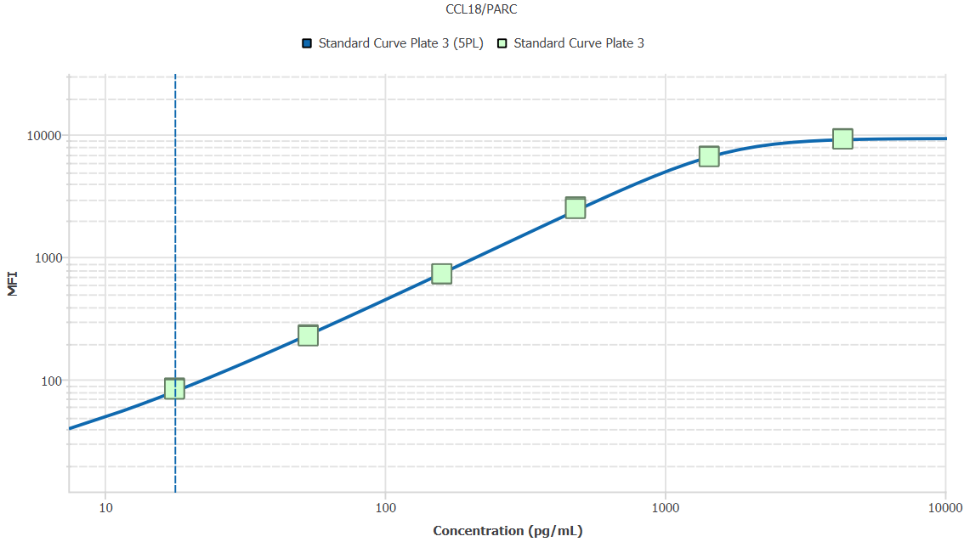
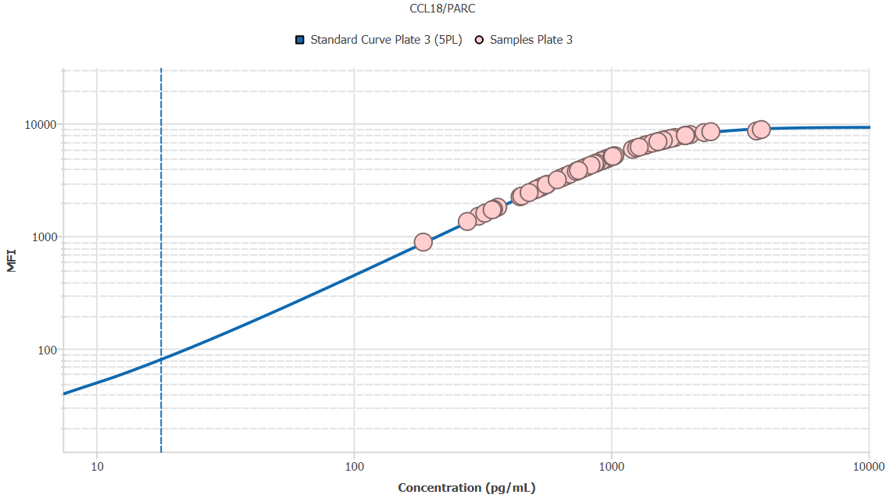
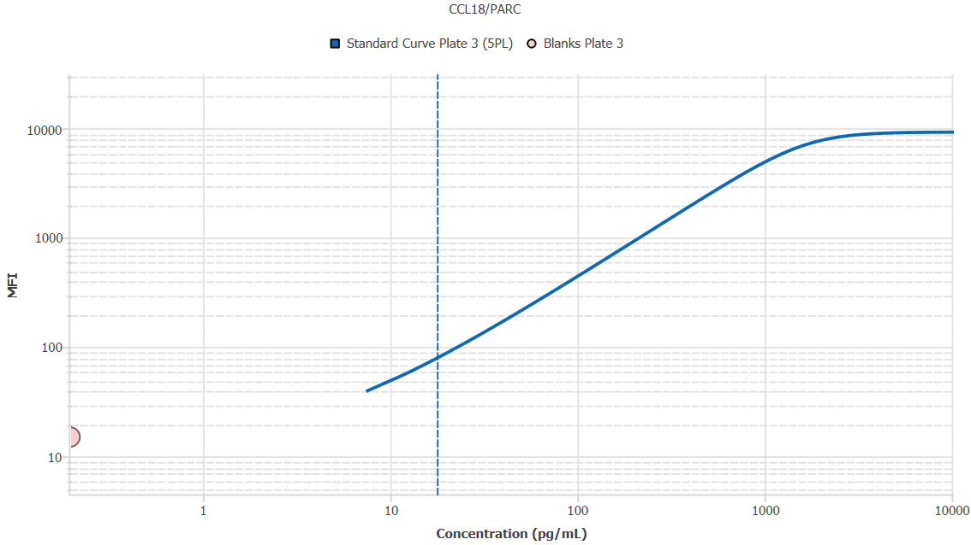
File Name: | O:/facility/2020/_ongoing_projects_/johanna_dahlqvist/PP2020_0052/anca_vasculitis/sia/luminex_interpolation/belysa_files/Belysa_MD_PP2020_0052_Kit1_Plate3_201110_CM_20200803_035130.belysa
Source File Name: | O:/facility/2020/_ongoing_projects_/johanna_dahlqvist/PP2020_0052/anca_vasculitis/sia/luminex_interpolation/luminex_data/PP2020_0052_Kit1_Plate3_201110_CM_20200803_035130.csv
Executed By:
Executed On:
Instrument: | MAGPX11083001
File Last Modified: | ti nov 24 16:04:19 2020 GMT+0100
File Last Modified By: | matilda.dale
Instrument SW Version: | 4.2.1324.0
Analysis SW Version: | Belysa 1.0.19
Printed By SW Version: | 1.0.19
Experiment Name: | Experiment 1
Experiment Description:
Experiment Created By: | matilda.dale
Experiment Created On: | ti nov 24 15:54:26 2020 GMT+0100

Original Name | Current Name | ID | Units | Precision
Analyte 33 | CCL18/PARC | 33 | pg/mL | 2

Standards

Plate | Group | Location | Well ID | Analyte | Expected | Unk. Dilution | Sample ID | Standard | Fit | Avg. Result | Result | Message | Result SD | Result CV | Avg. MFI | MFI | MFI CV | MFI SD | Avg. Recovery | Recovery | n | Exclude | Exclude Reason
Kit 1 Plate 3 | Standard Curve Plate 3 | A1 A12 | 1 | CCL18/PARC | 0.00 |  | Blank | Standard Curve Plate 3 | 5PL | - |  | EXT | - | - | 14.50 |  | 4.9% | 0.71 | - |  | 2
Kit 1 Plate 3 | Standard Curve Plate 3 | A1 | 1 | CCL18/PARC | 0.00 |  | Blank | Standard Curve Plate 3 | 5PL |  | - |  |  |  |  | 15.00 |  |  |  | -
Kit 1 Plate 3 | Standard Curve Plate 3 | A12 | 1 | CCL18/PARC | 0.00 |  | Blank | Standard Curve Plate 3 | 5PL |  | - | EXT |  |  |  | 14.00 |  |  |  | -
Kit 1 Plate 3 | Standard Curve Plate 3 | B1 B12 | 2 | CCL18/PARC | 17.78 |  | S6 | Standard Curve Plate 3 | 5PL | 18.51 |  |  | 0.34 | 1.9% | 84.00 |  | 1.7% | 1.41 | 104.1% |  | 2
Kit 1 Plate 3 | Standard Curve Plate 3 | B1 | 2 | CCL18/PARC | 17.78 |  | S6 | Standard Curve Plate 3 | 5PL |  | 18.75 |  |  |  |  | 85.00 |  |  |  | 105.5%
Kit 1 Plate 3 | Standard Curve Plate 3 | B12 | 2 | CCL18/PARC | 17.78 |  | S6 | Standard Curve Plate 3 | 5PL |  | 18.26 |  |  |  |  | 83.00 |  |  |  | 102.7%
Kit 1 Plate 3 | Standard Curve Plate 3 | C1 C12 | 3 | CCL18/PARC | 53.33 |  | S5 | Standard Curve Plate 3 | 5PL | 51.83 |  |  | 0.78 | 1.5% | 228.50 |  | 1.5% | 3.54 | 97.2% |  | 2
Kit 1 Plate 3 | Standard Curve Plate 3 | C1 | 3 | CCL18/PARC | 53.33 |  | S5 | Standard Curve Plate 3 | 5PL |  | 52.38 |  |  |  |  | 231.00 |  |  |  | 98.2%
Kit 1 Plate 3 | Standard Curve Plate 3 | C12 | 3 | CCL18/PARC | 53.33 |  | S5 | Standard Curve Plate 3 | 5PL |  | 51.27 |  |  |  |  | 226.00 |  |  |  | 96.1%
Kit 1 Plate 3 | Standard Curve Plate 3 | D1 D12 | 4 | CCL18/PARC | 160.00 |  | S4 | Standard Curve Plate 3 | 5PL | 155.70 |  |  | 0.50 | 0.3% | 725.75 |  | 0.3% | 2.47 | 97.3% |  | 2
Kit 1 Plate 3 | Standard Curve Plate 3 | D1 | 4 | CCL18/PARC | 160.00 |  | S4 | Standard Curve Plate 3 | 5PL |  | 155.35 |  |  |  |  | 724.00 |  |  |  | 97.1%
Kit 1 Plate 3 | Standard Curve Plate 3 | D12 | 4 | CCL18/PARC | 160.00 |  | S4 | Standard Curve Plate 3 | 5PL |  | 156.05 |  |  |  |  | 727.50 |  |  |  | 97.5%
Kit 1 Plate 3 | Standard Curve Plate 3 | E1 E12 | 5 | CCL18/PARC | 480.00 |  | S3 | Standard Curve Plate 3 | 5PL | 498.05 |  |  | 11.36 | 2.3% | 2518.25 |  | 2.4% | 60.46 | 103.8% |  | 2
Kit 1 Plate 3 | Standard Curve Plate 3 | E1 | 5 | CCL18/PARC | 480.00 |  | S3 | Standard Curve Plate 3 | 5PL |  | 506.08 |  |  |  |  | 2561.00 |  |  |  | 105.4%
Kit 1 Plate 3 | Standard Curve Plate 3 | E12 | 5 | CCL18/PARC | 480.00 |  | S3 | Standard Curve Plate 3 | 5PL |  | 490.01 |  |  |  |  | 2475.50 |  |  |  | 102.1%
Kit 1 Plate 3 | Standard Curve Plate 3 | F1 F12 | 6 | CCL18/PARC | 1440.00 |  | S2 | Standard Curve Plate 3 | 5PL | 1424.99 |  |  | 20.07 | 1.4% | 6605.75 |  | 0.9% | 61.16 | 99.0% |  | 2
Kit 1 Plate 3 | Standard Curve Plate 3 | F1 | 6 | CCL18/PARC | 1440.00 |  | S2 | Standard Curve Plate 3 | 5PL |  | 1439.19 |  |  |  |  | 6649.00 |  |  |  | 99.9%
Kit 1 Plate 3 | Standard Curve Plate 3 | F12 | 6 | CCL18/PARC | 1440.00 |  | S2 | Standard Curve Plate 3 | 5PL |  | 1410.80 |  |  |  |  | 6562.50 |  |  |  | 98.0%
Kit 1 Plate 3 | Standard Curve Plate 3 | G1 G12 | 7 | CCL18/PARC | 4320.00 |  | S1 | Standard Curve Plate 3 | 5PL | 4120.10 |  |  | 16.04 | 0.4% | 9184.25 |  | 0.7% | 66.11 | 95.4% |  | 2
Kit 1 Plate 3 | Standard Curve Plate 3 | G1 | 7 | CCL18/PARC | 4320.00 |  | S1 | Standard Curve Plate 3 | 5PL |  | 4108.77 |  |  |  |  | 9231.00 |  |  |  | 95.1%
Kit 1 Plate 3 | Standard Curve Plate 3 | G12 | 7 | CCL18/PARC | 4320.00 |  | S1 | Standard Curve Plate 3 | 5PL |  | 4131.44 |  |  |  |  | 9137.50 |  |  |  | 95.6%

Unknowns

Plate | Group | Location | Well ID | Analyte | Expected | Unk. Dilution | Sample ID | Standard | Fit | Avg. Result | Result | Message | Result SD | Result CV | Avg. MFI | MFI | MFI CV | MFI SD | Avg. Recovery | Recovery | n | Exclude | Exclude Reason
Kit 1 Plate 3 | Blanks Plate 3 | H1 H11 H12 | 8 | CCL18/PARC |  | 1.00 | Blank | Standard Curve Plate 3 | 5PL | 0.20 |  | BLOQ | 0.00 | 0.0% | 15.00 |  | 0.0% | 0.00 | - |  | 3
Kit 1 Plate 3 | Blanks Plate 3 | H1 | 8 | CCL18/PARC |  | 1.00 | Blank | Standard Curve Plate 3 | 5PL |  | 0.20 | BLOQ |  |  |  | 15.00 |  |  |  | -
Kit 1 Plate 3 | Blanks Plate 3 | H11 | 8 | CCL18/PARC |  | 1.00 | Blank | Standard Curve Plate 3 | 5PL |  | 0.20 | BLOQ |  |  |  | 15.00 |  |  |  | -
Kit 1 Plate 3 | Blanks Plate 3 | H12 | 8 | CCL18/PARC |  | 1.00 | Blank | Standard Curve Plate 3 | 5PL |  | 0.20 | BLOQ |  |  |  | 15.00 |  |  |  | -
Kit 1 Plate 3 | Samples Plate 3 | A2 | 9 | CCL18/PARC |  | 50.00 | 1900073363 | Standard Curve Plate 3 | 5PL | 27036.80 |  |  |  |  | 2745.00 |  |  |  | -
Kit 1 Plate 3 | Samples Plate 3 | B2 | 10 | CCL18/PARC |  | 50.00 | 1900073350 | Standard Curve Plate 3 | 5PL | 17484.48 |  |  |  |  | 1729.00 |  |  |  | -
Kit 1 Plate 3 | Samples Plate 3 | C2 | 11 | CCL18/PARC |  | 50.00 | 1900073378 | Standard Curve Plate 3 | 5PL | 15266.80 |  |  |  |  | 1495.00 |  |  |  | -
Kit 1 Plate 3 | Samples Plate 3 | D2 | 12 | CCL18/PARC |  | 50.00 | 1900073354 | Standard Curve Plate 3 | 5PL | 37351.21 |  |  |  |  | 3816.00 |  |  |  | -
Kit 1 Plate 3 | Samples Plate 3 | E2 | 13 | CCL18/PARC |  | 50.00 | 1900073228 | Standard Curve Plate 3 | 5PL | 62897.01 |  |  |  |  | 6052.00 |  |  |  | -
Kit 1 Plate 3 | Samples Plate 3 | F2 | 14 | CCL18/PARC |  | 50.00 | LU1039 | Standard Curve Plate 3 | 5PL | 25680.29 |  |  |  |  | 2601.00 |  |  |  | -
Kit 1 Plate 3 | Samples Plate 3 | G2 | 15 | CCL18/PARC |  | 50.00 | 1900073380 | Standard Curve Plate 3 | 5PL | 46061.27 |  |  |  |  | 4661.00 |  |  |  | -
Kit 1 Plate 3 | Samples Plate 3 | H2 | 16 | CCL18/PARC |  | 50.00 | Daniel 98 | Standard Curve Plate 3 | 5PL | 97641.61 |  |  |  |  | 7821.00 |  |  |  | -
Kit 1 Plate 3 | Samples Plate 3 | A3 | 17 | CCL18/PARC |  | 50.00 | UMU7 | Standard Curve Plate 3 | 5PL | 22168.05 |  |  |  |  | 2227.00 |  |  |  | -
Kit 1 Plate 3 | Samples Plate 3 | B3 | 18 | CCL18/PARC |  | 50.00 | VASKA 503 | Standard Curve Plate 3 | 5PL | 114970.27 |  |  |  |  | 8291.00 |  |  |  | -
Kit 1 Plate 3 | Samples Plate 3 | C3 | 19 | CCL18/PARC |  | 50.00 | 1900073364 | Standard Curve Plate 3 | 5PL | 80193.98 |  |  |  |  | 7102.00 |  |  |  | -
Kit 1 Plate 3 | Samples Plate 3 | D3 | 20 | CCL18/PARC |  | 50.00 | 1900073362 | Standard Curve Plate 3 | 5PL | 25351.08 |  |  |  |  | 2566.00 |  |  |  | -
Kit 1 Plate 3 | Samples Plate 3 | E3 | 21 | CCL18/PARC |  | 50.00 | VASKA 648_1 | Standard Curve Plate 3 | 5PL | 26522.97 |  |  |  |  | 2690.50 |  |  |  | -
Kit 1 Plate 3 | Samples Plate 3 | F3 | 22 | CCL18/PARC |  | 50.00 | 1900073237 | Standard Curve Plate 3 | 5PL | 36673.32 |  |  |  |  | 3747.50 |  |  |  | -
Kit 1 Plate 3 | Samples Plate 3 | G3 | 23 | CCL18/PARC |  | 50.00 | RA2137 | Standard Curve Plate 3 | 5PL | 51734.25 |  |  |  |  | 5169.00 |  |  |  | -
Kit 1 Plate 3 | Samples Plate 3 | H3 | 24 | CCL18/PARC |  | 50.00 | VASKA 148 | Standard Curve Plate 3 | 5PL | 191884.00 |  |  |  |  | 8813.00 |  |  |  | -
Kit 1 Plate 3 | Samples Plate 3 | A4 | 25 | CCL18/PARC |  | 50.00 | 1900073337 | Standard Curve Plate 3 | 5PL | 38032.54 |  |  |  |  | 3884.50 |  |  |  | -
Kit 1 Plate 3 | Samples Plate 3 | B4 | 26 | CCL18/PARC |  | 50.00 | LU1049 | Standard Curve Plate 3 | 5PL | 40525.95 |  |  |  |  | 4132.00 |  |  |  | -
Kit 1 Plate 3 | Samples Plate 3 | C4 | 27 | CCL18/PARC |  | 50.00 | 1900073262 | Standard Curve Plate 3 | 5PL | 32201.35 |  |  |  |  | 3288.00 |  |  |  | -
Kit 1 Plate 3 | Samples Plate 3 | D4 | 28 | CCL18/PARC |  | 50.00 | SLE 1494 | Standard Curve Plate 3 | 5PL | 69019.39 |  |  |  |  | 6467.00 |  |  |  | -
Kit 1 Plate 3 | Samples Plate 3 | E4 | 29 | CCL18/PARC |  | 50.00 | 1900073372 | Standard Curve Plate 3 | 5PL | 26942.48 |  |  |  |  | 2735.00 |  |  |  | -
Kit 1 Plate 3 | Samples Plate 3 | F4 | 30 | CCL18/PARC |  | 50.00 | 1900073281 | Standard Curve Plate 3 | 5PL | 28019.09 |  |  |  |  | 2849.00 |  |  |  | -
Kit 1 Plate 3 | Samples Plate 3 | G4 | 31 | CCL18/PARC |  | 50.00 | 1900073424 | Standard Curve Plate 3 | 5PL | 43904.52 |  |  |  |  | 4458.50 |  |  |  | -
Kit 1 Plate 3 | Samples Plate 3 | H4 | 32 | CCL18/PARC |  | 50.00 | Ö21 | Standard Curve Plate 3 | 5PL | 76100.62 |  |  |  |  | 6887.00 |  |  |  | -
Kit 1 Plate 3 | Samples Plate 3 | A5 | 33 | CCL18/PARC |  | 50.00 | VASKA 0139 | Standard Curve Plate 3 | 5PL | 101619.29 |  |  |  |  | 7947.00 |  |  |  | -
Kit 1 Plate 3 | Samples Plate 3 | B5 | 34 | CCL18/PARC |  | 50.00 | Ö39 | Standard Curve Plate 3 | 5PL | 33275.87 |  |  |  |  | 3399.50 |  |  |  | -
Kit 1 Plate 3 | Samples Plate 3 | C5 | 35 | CCL18/PARC |  | 50.00 | 1900073293 | Standard Curve Plate 3 | 5PL | 26405.19 |  |  |  |  | 2678.00 |  |  |  | -
Kit 1 Plate 3 | Samples Plate 3 | D5 | 36 | CCL18/PARC |  | 50.00 | VASKA 304 | Standard Curve Plate 3 | 5PL | 27216.08 |  |  |  |  | 2764.00 |  |  |  | -
Kit 1 Plate 3 | Samples Plate 3 | E5 | 37 | CCL18/PARC |  | 50.00 | LUN 1059 | Standard Curve Plate 3 | 5PL | 45781.41 |  |  |  |  | 4635.00 |  |  |  | -
Kit 1 Plate 3 | Samples Plate 3 | F5 | 38 | CCL18/PARC |  | 50.00 | RA1080 | Standard Curve Plate 3 | 5PL | 75937.09 |  |  |  |  | 6878.00 |  |  |  | -
Kit 1 Plate 3 | Samples Plate 3 | G5 | 39 | CCL18/PARC |  | 50.00 | 1900073267 | Standard Curve Plate 3 | 5PL | 43186.21 |  |  |  |  | 4390.00 |  |  |  | -
Kit 1 Plate 3 | Samples Plate 3 | H5 | 40 | CCL18/PARC |  | 50.00 | RA1534 | Standard Curve Plate 3 | 5PL | 97311.89 |  |  |  |  | 7810.00 |  |  |  | -
Kit 1 Plate 3 | Samples Plate 3 | A6 | 41 | CCL18/PARC |  | 50.00 | LU1097 | Standard Curve Plate 3 | 5PL | 51018.65 |  |  |  |  | 5107.00 |  |  |  | -
Kit 1 Plate 3 | Samples Plate 3 | B6 | 42 | CCL18/PARC |  | 50.00 | 1900073233 | Standard Curve Plate 3 | 5PL | 37659.11 |  |  |  |  | 3847.00 |  |  |  | -
Kit 1 Plate 3 | Samples Plate 3 | C6 | 43 | CCL18/PARC |  | 50.00 | RA1239 | Standard Curve Plate 3 | 5PL | 122127.87 |  |  |  |  | 8434.50 |  |  |  | -
Kit 1 Plate 3 | Samples Plate 3 | D6 | 44 | CCL18/PARC |  | 50.00 | VASKA 008 | Standard Curve Plate 3 | 5PL | 78732.91 |  |  |  |  | 7027.50 |  |  |  | -
Kit 1 Plate 3 | Samples Plate 3 | E6 | 45 | CCL18/PARC |  | 50.00 | 1900073247 | Standard Curve Plate 3 | 5PL | 47837.24 |  |  |  |  | 4824.00 |  |  |  | -
Kit 1 Plate 3 | Samples Plate 3 | F6 | 46 | CCL18/PARC |  | 50.00 | 1900073335 | Standard Curve Plate 3 | 5PL | 9329.78 |  |  |  |  | 881.00 |  |  |  | -
Kit 1 Plate 3 | Samples Plate 3 | G6 | 47 | CCL18/PARC |  | 50.00 | VASKA 0125 | Standard Curve Plate 3 | 5PL | 183777.37 |  |  |  |  | 8563.00 |  |  |  | -
Kit 1 Plate 3 | Samples Plate 3 | H6 | 48 | CCL18/PARC |  | 50.00 | 1900073421 | Standard Curve Plate 3 | 5PL | 50846.59 |  |  |  |  | 5092.00 |  |  |  | -
Kit 1 Plate 3 | Samples Plate 3 | A7 | 49 | CCL18/PARC |  | 50.00 | RA1009 | Standard Curve Plate 3 | 5PL | 48129.65 |  |  |  |  | 4850.50 |  |  |  | -
Kit 1 Plate 3 | Samples Plate 3 | B7 | 50 | CCL18/PARC |  | 50.00 | Daniel 87 | Standard Curve Plate 3 | 5PL | 67415.15 |  |  |  |  | 6363.00 |  |  |  | -
Kit 1 Plate 3 | Samples Plate 3 | C7 | 51 | CCL18/PARC |  | 50.00 | LUN 1055 | Standard Curve Plate 3 | 5PL | 74702.37 |  |  |  |  | 6809.00 |  |  |  | -
Kit 1 Plate 3 | Samples Plate 3 | D7 | 52 | CCL18/PARC |  | 50.00 | 1900073300 | Standard Curve Plate 3 | 5PL | 16183.37 |  |  |  |  | 1591.50 |  |  |  | -
Kit 1 Plate 3 | Samples Plate 3 | E7 | 53 | CCL18/PARC |  | 50.00 | 1900073353 | Standard Curve Plate 3 | 5PL | 40088.94 |  |  |  |  | 4089.00 |  |  |  | -
Kit 1 Plate 3 | Samples Plate 3 | F7 | 54 | CCL18/PARC |  | 50.00 | Daniel 33 | Standard Curve Plate 3 | 5PL | 68784.79 |  |  |  |  | 6452.00 |  |  |  | -
Kit 1 Plate 3 | Samples Plate 3 | G7 | 55 | CCL18/PARC |  | 50.00 | VASKA 111 | Standard Curve Plate 3 | 5PL | 50469.48 |  |  |  |  | 5059.00 |  |  |  | -
Kit 1 Plate 3 | Samples Plate 3 | H7 | 56 | CCL18/PARC |  | 50.00 | 1900073368 | Standard Curve Plate 3 | 5PL | 64379.40 |  |  |  |  | 6157.00 |  |  |  | -
Kit 1 Plate 3 | Samples Plate 3 | A8 | 57 | CCL18/PARC |  | 50.00 | VASKA 623 | Standard Curve Plate 3 | 5PL | 88591.43 |  |  |  |  | 7485.00 |  |  |  | -
Kit 1 Plate 3 | Samples Plate 3 | B8 | 58 | CCL18/PARC |  | 50.00 | 1900073400 | Standard Curve Plate 3 | 5PL | 36589.43 |  |  |  |  | 3739.00 |  |  |  | -
Kit 1 Plate 3 | Samples Plate 3 | C8 | 59 | CCL18/PARC |  | 50.00 | LU1002 | Standard Curve Plate 3 | 5PL | 49461.91 |  |  |  |  | 4970.00 |  |  |  | -
Kit 1 Plate 3 | Samples Plate 3 | D8 | 60 | CCL18/PARC |  | 50.00 | 1900073245 | Standard Curve Plate 3 | 5PL | 67513.92 |  |  |  |  | 6369.50 |  |  |  | -
Kit 1 Plate 3 | Samples Plate 3 | E8 | 61 | CCL18/PARC |  | 50.00 | Daniel 83 | Standard Curve Plate 3 | 5PL | 96338.24 |  |  |  |  | 7777.00 |  |  |  | -
Kit 1 Plate 3 | Samples Plate 3 | F8 | 62 | CCL18/PARC |  | 50.00 | 1900073334 | Standard Curve Plate 3 | 5PL | 17271.92 |  |  |  |  | 1706.50 |  |  |  | -
Kit 1 Plate 3 | Samples Plate 3 | G8 | 63 | CCL18/PARC |  | 50.00 | VASKA 042 | Standard Curve Plate 3 | 5PL | 85486.20 |  |  |  |  | 7352.00 |  |  |  | -
Kit 1 Plate 3 | Samples Plate 3 | H8 | 64 | CCL18/PARC |  | 50.00 | 1900073382 | Standard Curve Plate 3 | 5PL | 41796.03 |  |  |  |  | 4256.00 |  |  |  | -
Kit 1 Plate 3 | Samples Plate 3 | A9 | 65 | CCL18/PARC |  | 50.00 | LU1106 | Standard Curve Plate 3 | 5PL | 28260.34 |  |  |  |  | 2874.50 |  |  |  | -
Kit 1 Plate 3 | Samples Plate 3 | B9 | 66 | CCL18/PARC |  | 50.00 | Daniel 62 | Standard Curve Plate 3 | 5PL | 78540.39 |  |  |  |  | 7017.50 |  |  |  | -
Kit 1 Plate 3 | Samples Plate 3 | C9 | 67 | CCL18/PARC |  | 50.00 | 1900073257 | Standard Curve Plate 3 | 5PL | 48063.35 |  |  |  |  | 4844.50 |  |  |  | -
Kit 1 Plate 3 | Samples Plate 3 | D9 | 68 | CCL18/PARC |  | 50.00 | 1900073332 | Standard Curve Plate 3 | 5PL | 22519.93 |  |  |  |  | 2264.50 |  |  |  | -
Kit 1 Plate 3 | Samples Plate 3 | E9 | 69 | CCL18/PARC |  | 50.00 | 1900073320 | Standard Curve Plate 3 | 5PL | 26768.03 |  |  |  |  | 2716.50 |  |  |  | -
Kit 1 Plate 3 | Samples Plate 3 | F9 | 70 | CCL18/PARC |  | 50.00 | RA2078 | Standard Curve Plate 3 | 5PL | 81901.44 |  |  |  |  | 7186.00 |  |  |  | -
Kit 1 Plate 3 | Samples Plate 3 | G9 | 71 | CCL18/PARC |  | 50.00 | 1900073301 | Standard Curve Plate 3 | 5PL | 72402.72 |  |  |  |  | 6675.50 |  |  |  | -
Kit 1 Plate 3 | Samples Plate 3 | H9 | 72 | CCL18/PARC |  | 50.00 | IgA 2156 | Standard Curve Plate 3 | 5PL | 37390.90 |  |  |  |  | 3820.00 |  |  |  | -
Kit 1 Plate 3 | Samples Plate 3 | A10 | 73 | CCL18/PARC |  | 50.00 | 1900073221 | Standard Curve Plate 3 | 5PL | 48201.53 |  |  |  |  | 4857.00 |  |  |  | -
Kit 1 Plate 3 | Samples Plate 3 | B10 | 74 | CCL18/PARC |  | 50.00 | RA1788 | Standard Curve Plate 3 | 5PL | 61481.13 |  |  |  |  | 5949.00 |  |  |  | -
Kit 1 Plate 3 | Samples Plate 3 | C10 | 75 | CCL18/PARC |  | 50.00 | 1900073303 | Standard Curve Plate 3 | 5PL | 46061.27 |  |  |  |  | 4661.00 |  |  |  | -
Kit 1 Plate 3 | Samples Plate 3 | D10 | 76 | CCL18/PARC |  | 50.00 | Daniel 104 | Standard Curve Plate 3 | 5PL | 97431.48 |  |  |  |  | 7814.00 |  |  |  | -
Kit 1 Plate 3 | Samples Plate 3 | E10 | 77 | CCL18/PARC |  | 50.00 | IgA 1624 | Standard Curve Plate 3 | 5PL | 51122.09 |  |  |  |  | 5116.00 |  |  |  | -
Kit 1 Plate 3 | Samples Plate 3 | F10 | 78 | CCL18/PARC |  | 50.00 | 1900073425 | Standard Curve Plate 3 | 5PL | 30926.91 |  |  |  |  | 3155.00 |  |  |  | -
Kit 1 Plate 3 | Samples Plate 3 | G10 | 79 | CCL18/PARC |  | 50.00 | LU1045 | Standard Curve Plate 3 | 5PL | 38948.32 |  |  |  |  | 3976.00 |  |  |  | -
Kit 1 Plate 3 | Samples Plate 3 | H10 | 80 | CCL18/PARC |  | 50.00 | 1900073423 | Standard Curve Plate 3 | 5PL | 24054.46 |  |  |  |  | 2428.00 |  |  |  | -
Kit 1 Plate 3 | Samples Plate 3 | A11 | 81 | CCL18/PARC |  | 50.00 | SLE 0446 | Standard Curve Plate 3 | 5PL | 18159.19 |  |  |  |  | 1800.50 |  |  |  | -
Kit 1 Plate 3 | Samples Plate 3 | B11 | 82 | CCL18/PARC |  | 50.00 | 1900073379 | Standard Curve Plate 3 | 5PL | 60579.10 |  |  |  |  | 5882.00 |  |  |  | -
Kit 1 Plate 3 | Samples Plate 3 | C11 | 83 | CCL18/PARC |  | 50.00 | VASKA 622 | Standard Curve Plate 3 | 5PL | 48745.56 |  |  |  |  | 4906.00 |  |  |  | -
Kit 1 Plate 3 | Samples Plate 3 | D11 | 84 | CCL18/PARC |  | 50.00 | 1900073234 | Standard Curve Plate 3 | 5PL | 34629.19 |  |  |  |  | 3539.00 |  |  |  | -
Kit 1 Plate 3 | Samples Plate 3 | E11 | 85 | CCL18/PARC |  | 50.00 | RA2143 | Standard Curve Plate 3 | 5PL | 81447.80 |  |  |  |  | 7164.00 |  |  |  | -
Kit 1 Plate 3 | Samples Plate 3 | F11 | 86 | CCL18/PARC |  | 50.00 | 1900073259 | Standard Curve Plate 3 | 5PL | 13835.15 |  |  |  |  | 1345.00 |  |  |  | -
Kit 1 Plate 3 | Samples Plate 3 | G11 | 87 | CCL18/PARC |  | 50.00 | UMU5 | Standard Curve Plate 3 | 5PL | 79856.33 |  |  |  |  | 7085.00 |  |  |  | -

Curves

Group | Analyte | Fit | LLoQ | MDD | LoD | R Squared | Slope | Weighting | Equation
Standard Curve Plate 3 | CCL18/PARC | 5PL | 17.78 | 1.77 | N/A | 1.00 | N/A | 1/y^2 | y = 14.52 + (9379.58 - 14.52)/((1 + (1648.12/x)^2.87))^0.38

CA15-3 MUC-1
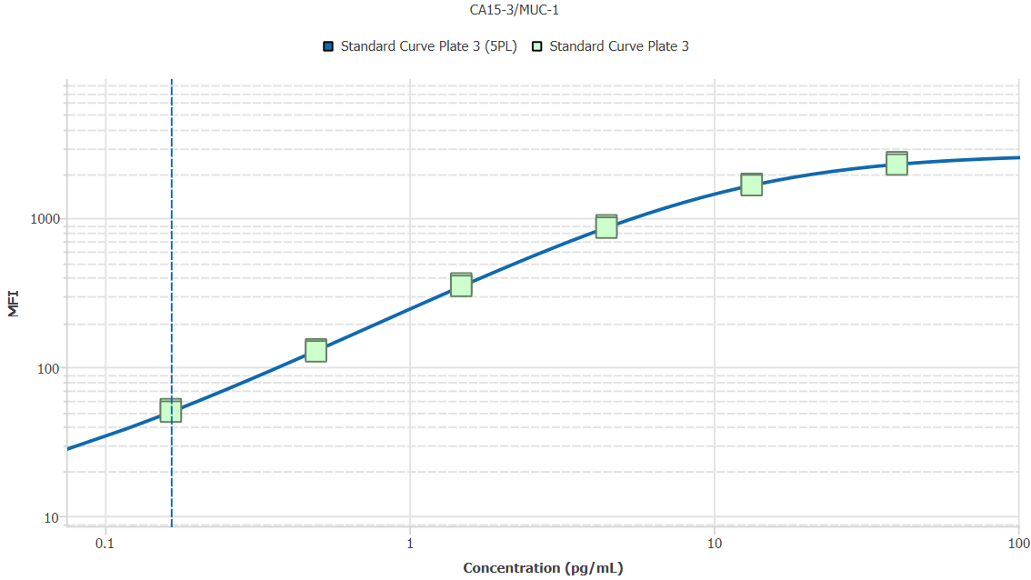
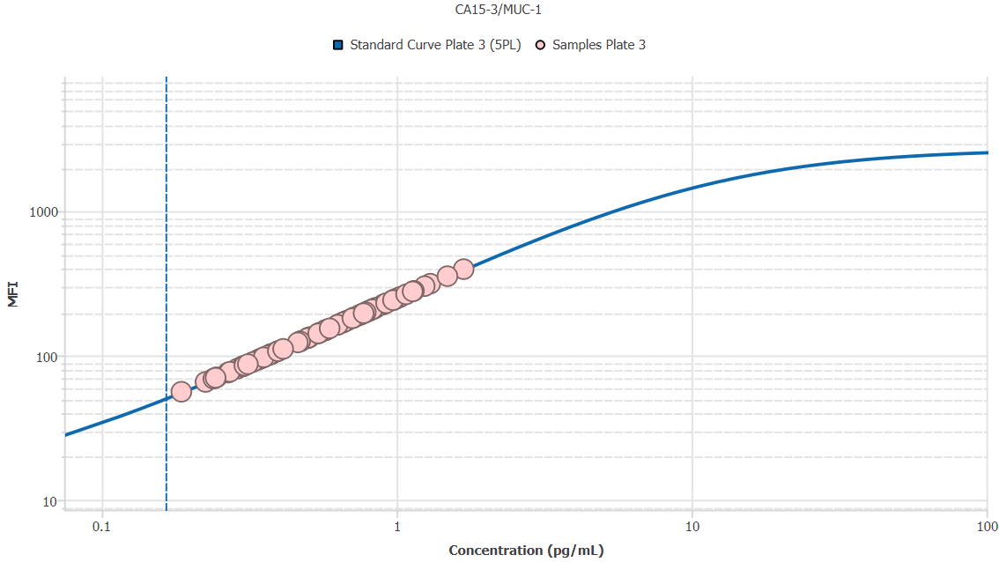
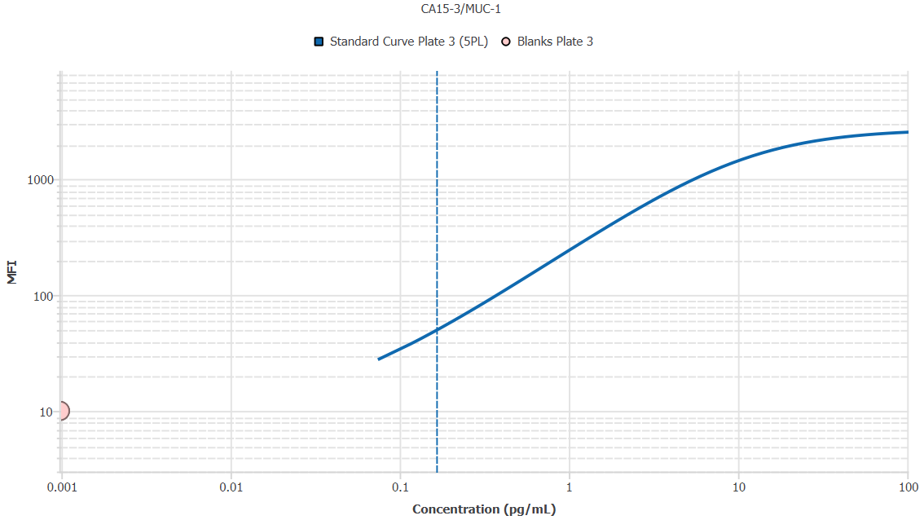
File Name: | O:/facility/2020/_ongoing_projects_/johanna_dahlqvist/PP2020_0052/anca_vasculitis/sia/luminex_interpolation/belysa_files/Belysa_MD_PP2020_0052_Kit1_Plate3_201110_CM_20200803_035130.belysa
Source File Name: | O:/facility/2020/_ongoing_projects_/johanna_dahlqvist/PP2020_0052/anca_vasculitis/sia/luminex_interpolation/luminex_data/PP2020_0052_Kit1_Plate3_201110_CM_20200803_035130.csv
Executed By:
Executed On:
Instrument: | MAGPX11083001
File Last Modified: | ti nov 24 16:04:19 2020 GMT+0100
File Last Modified By: | matilda.dale
Instrument SW Version: | 4.2.1324.0
Analysis SW Version: | Belysa 1.0.19
Printed By SW Version: | 1.0.19
Experiment Name: | Experiment 1
Experiment Description:
Experiment Created By: | matilda.dale
Experiment Created On: | ti nov 24 15:54:26 2020 GMT+0100

Original Name | Current Name | ID | Units | Precision
Analyte 75 | CA15-3/MUC-1 | 75 | pg/mL | 2

Standards

Plate | Group | Location | Well ID | Analyte | Expected | Unk. Dilution | Sample ID | Standard | Fit | Avg. Result | Result | Message | Result SD | Result CV | Avg. MFI | MFI | MFI CV | MFI SD | Avg. Recovery | Recovery | n | Exclude | Exclude Reason
Kit 1 Plate 3 | Standard Curve Plate 3 | A1 A12 | 1 | CA15-3/MUC-1 | 0.00 |  | Blank | Standard Curve Plate 3 | 5PL | - |  |  | - | - | 10.00 |  | 0.0% | 0.00 | - |  | 2
Kit 1 Plate 3 | Standard Curve Plate 3 | A1 | 1 | CA15-3/MUC-1 | 0.00 |  | Blank | Standard Curve Plate 3 | 5PL |  | - |  |  |  |  | 10.00 |  |  |  | -
Kit 1 Plate 3 | Standard Curve Plate 3 | A12 | 1 | CA15-3/MUC-1 | 0.00 |  | Blank | Standard Curve Plate 3 | 5PL |  | - |  |  |  |  | 10.00 |  |  |  | -
Kit 1 Plate 3 | Standard Curve Plate 3 | B1 B12 | 2 | CA15-3/MUC-1 | 0.16 |  | S6 | Standard Curve Plate 3 | 5PL | 0.17 |  |  | 0.01 | 3.5% | 51.00 |  | 2.8% | 1.41 | 100.9% |  | 2
Kit 1 Plate 3 | Standard Curve Plate 3 | B1 | 2 | CA15-3/MUC-1 | 0.16 |  | S6 | Standard Curve Plate 3 | 5PL |  | 0.17 |  |  |  |  | 52.00 |  |  |  | 103.3%
Kit 1 Plate 3 | Standard Curve Plate 3 | B12 | 2 | CA15-3/MUC-1 | 0.16 |  | S6 | Standard Curve Plate 3 | 5PL |  | 0.16 |  |  |  |  | 50.00 |  |  |  | 98.4%
Kit 1 Plate 3 | Standard Curve Plate 3 | C1 C12 | 3 | CA15-3/MUC-1 | 0.49 |  | S5 | Standard Curve Plate 3 | 5PL | 0.49 |  |  | 0.01 | 2.4% | 129.00 |  | 2.2% | 2.83 | 98.7% |  | 2
Kit 1 Plate 3 | Standard Curve Plate 3 | C1 | 3 | CA15-3/MUC-1 | 0.49 |  | S5 | Standard Curve Plate 3 | 5PL |  | 0.50 |  |  |  |  | 131.00 |  |  |  | 100.4%
Kit 1 Plate 3 | Standard Curve Plate 3 | C12 | 3 | CA15-3/MUC-1 | 0.49 |  | S5 | Standard Curve Plate 3 | 5PL |  | 0.48 |  |  |  |  | 127.00 |  |  |  | 97.0%
Kit 1 Plate 3 | Standard Curve Plate 3 | D1 D12 | 4 | CA15-3/MUC-1 | 1.48 |  | S4 | Standard Curve Plate 3 | 5PL | 1.50 |  |  | 0.05 | 3.1% | 356.00 |  | 2.8% | 9.90 | 101.0% |  | 2
Kit 1 Plate 3 | Standard Curve Plate 3 | D1 | 4 | CA15-3/MUC-1 | 1.48 |  | S4 | Standard Curve Plate 3 | 5PL |  | 1.53 |  |  |  |  | 363.00 |  |  |  | 103.2%
Kit 1 Plate 3 | Standard Curve Plate 3 | D12 | 4 | CA15-3/MUC-1 | 1.48 |  | S4 | Standard Curve Plate 3 | 5PL |  | 1.46 |  |  |  |  | 349.00 |  |  |  | 98.8%
Kit 1 Plate 3 | Standard Curve Plate 3 | E1 E12 | 5 | CA15-3/MUC-1 | 4.44 |  | S3 | Standard Curve Plate 3 | 5PL | 4.45 |  |  | 0.16 | 3.6% | 875.50 |  | 2.7% | 23.33 | 100.1% |  | 2
Kit 1 Plate 3 | Standard Curve Plate 3 | E1 | 5 | CA15-3/MUC-1 | 4.44 |  | S3 | Standard Curve Plate 3 | 5PL |  | 4.56 |  |  |  |  | 892.00 |  |  |  | 102.7%
Kit 1 Plate 3 | Standard Curve Plate 3 | E12 | 5 | CA15-3/MUC-1 | 4.44 |  | S3 | Standard Curve Plate 3 | 5PL |  | 4.34 |  |  |  |  | 859.00 |  |  |  | 97.6%
Kit 1 Plate 3 | Standard Curve Plate 3 | F1 F12 | 6 | CA15-3/MUC-1 | 13.33 |  | S2 | Standard Curve Plate 3 | 5PL | 13.26 |  |  | 0.45 | 3.4% | 1674.50 |  | 1.5% | 24.75 | 99.5% |  | 2
Kit 1 Plate 3 | Standard Curve Plate 3 | F1 | 6 | CA15-3/MUC-1 | 13.33 |  | S2 | Standard Curve Plate 3 | 5PL |  | 13.58 |  |  |  |  | 1692.00 |  |  |  | 101.9%
Kit 1 Plate 3 | Standard Curve Plate 3 | F12 | 6 | CA15-3/MUC-1 | 13.33 |  | S2 | Standard Curve Plate 3 | 5PL |  | 12.95 |  |  |  |  | 1657.00 |  |  |  | 97.1%
Kit 1 Plate 3 | Standard Curve Plate 3 | G1 G12 | 7 | CA15-3/MUC-1 | 40.00 |  | S1 | Standard Curve Plate 3 | 5PL | 38.18 |  |  | 1.65 | 4.3% | 2322.50 |  | 2.6% | 60.81 | 95.4% |  | 2
Kit 1 Plate 3 | Standard Curve Plate 3 | G1 | 7 | CA15-3/MUC-1 | 40.00 |  | S1 | Standard Curve Plate 3 | 5PL |  | 39.34 |  |  |  |  | 2365.50 |  |  |  | 98.4%
Kit 1 Plate 3 | Standard Curve Plate 3 | G12 | 7 | CA15-3/MUC-1 | 40.00 |  | S1 | Standard Curve Plate 3 | 5PL |  | 37.01 |  |  |  |  | 2279.50 |  |  |  | 92.5%

Unknowns

Plate | Group | Location | Well ID | Analyte | Expected | Unk. Dilution | Sample ID | Standard | Fit | Avg. Result | Result | Message | Result SD | Result CV | Avg. MFI | MFI | MFI CV | MFI SD | Avg. Recovery | Recovery | n | Exclude | Exclude Reason
Kit 1 Plate 3 | Blanks Plate 3 | H1 H11 H12 | 8 | CA15-3/MUC-1 |  | 1.00 | Blank | Standard Curve Plate 3 | 5PL | 0.00 |  | BLOQ | 0.00 | 0.0% | 10.00 |  | 0.0% | 0.00 | - |  | 3
Kit 1 Plate 3 | Blanks Plate 3 | H1 | 8 | CA15-3/MUC-1 |  | 1.00 | Blank | Standard Curve Plate 3 | 5PL |  | 0.00 | BLOQ |  |  |  | 10.00 |  |  |  | -
Kit 1 Plate 3 | Blanks Plate 3 | H11 | 8 | CA15-3/MUC-1 |  | 1.00 | Blank | Standard Curve Plate 3 | 5PL |  | 0.00 | BLOQ |  |  |  | 10.00 |  |  |  | -
Kit 1 Plate 3 | Blanks Plate 3 | H12 | 8 | CA15-3/MUC-1 |  | 1.00 | Blank | Standard Curve Plate 3 | 5PL |  | 0.00 | BLOQ |  |  |  | 10.00 |  |  |  | -
Kit 1 Plate 3 | Samples Plate 3 | A2 | 9 | CA15-3/MUC-1 |  | 50.00 | 1900073363 | Standard Curve Plate 3 | 5PL | 14.42 |  |  |  |  | 81.00 |  |  |  | -
Kit 1 Plate 3 | Samples Plate 3 | B2 | 10 | CA15-3/MUC-1 |  | 50.00 | 1900073350 | Standard Curve Plate 3 | 5PL | 15.04 |  |  |  |  | 84.00 |  |  |  | -
Kit 1 Plate 3 | Samples Plate 3 | C2 | 11 | CA15-3/MUC-1 |  | 50.00 | 1900073378 | Standard Curve Plate 3 | 5PL | 49.61 |  |  |  |  | 246.00 |  |  |  | -
Kit 1 Plate 3 | Samples Plate 3 | D2 | 12 | CA15-3/MUC-1 |  | 50.00 | 1900073354 | Standard Curve Plate 3 | 5PL | 48.39 |  |  |  |  | 240.50 |  |  |  | -
Kit 1 Plate 3 | Samples Plate 3 | E2 | 13 | CA15-3/MUC-1 |  | 50.00 | 1900073228 | Standard Curve Plate 3 | 5PL | 25.42 |  |  |  |  | 134.00 |  |  |  | -
Kit 1 Plate 3 | Samples Plate 3 | F2 | 14 | CA15-3/MUC-1 |  | 50.00 | LU1039 | Standard Curve Plate 3 | 5PL | 41.36 |  |  |  |  | 208.50 |  |  |  | -
Kit 1 Plate 3 | Samples Plate 3 | G2 | 15 | CA15-3/MUC-1 |  | 50.00 | 1900073380 | Standard Curve Plate 3 | 5PL | 53.86 |  |  |  |  | 265.00 |  |  |  | -
Kit 1 Plate 3 | Samples Plate 3 | H2 | 16 | CA15-3/MUC-1 |  | 50.00 | Daniel 98 | Standard Curve Plate 3 | 5PL | 62.25 |  |  |  |  | 302.00 |  |  |  | -
Kit 1 Plate 3 | Samples Plate 3 | A3 | 17 | CA15-3/MUC-1 |  | 50.00 | UMU7 | Standard Curve Plate 3 | 5PL | 16.99 |  |  |  |  | 93.50 |  |  |  | -
Kit 1 Plate 3 | Samples Plate 3 | B3 | 18 | CA15-3/MUC-1 |  | 50.00 | VASKA 503 | Standard Curve Plate 3 | 5PL | 28.80 |  |  |  |  | 150.00 |  |  |  | -
Kit 1 Plate 3 | Samples Plate 3 | C3 | 19 | CA15-3/MUC-1 |  | 50.00 | 1900073364 | Standard Curve Plate 3 | 5PL | 34.12 |  |  |  |  | 175.00 |  |  |  | -
Kit 1 Plate 3 | Samples Plate 3 | D3 | 20 | CA15-3/MUC-1 |  | 50.00 | 1900073362 | Standard Curve Plate 3 | 5PL | 40.16 |  |  |  |  | 203.00 |  |  |  | -
Kit 1 Plate 3 | Samples Plate 3 | E3 | 21 | CA15-3/MUC-1 |  | 50.00 | VASKA 648_1 | Standard Curve Plate 3 | 5PL | 13.60 |  |  |  |  | 77.00 |  |  |  | -
Kit 1 Plate 3 | Samples Plate 3 | F3 | 22 | CA15-3/MUC-1 |  | 50.00 | 1900073237 | Standard Curve Plate 3 | 5PL | 28.59 |  |  |  |  | 149.00 |  |  |  | -
Kit 1 Plate 3 | Samples Plate 3 | G3 | 23 | CA15-3/MUC-1 |  | 50.00 | RA2137 | Standard Curve Plate 3 | 5PL | 39.30 |  |  |  |  | 199.00 |  |  |  | -
Kit 1 Plate 3 | Samples Plate 3 | H3 | 24 | CA15-3/MUC-1 |  | 50.00 | VASKA 148 | Standard Curve Plate 3 | 5PL | 12.17 |  |  |  |  | 70.00 |  |  |  | -
Kit 1 Plate 3 | Samples Plate 3 | A4 | 25 | CA15-3/MUC-1 |  | 50.00 | 1900073337 | Standard Curve Plate 3 | 5PL | 33.27 |  |  |  |  | 171.00 |  |  |  | -
Kit 1 Plate 3 | Samples Plate 3 | B4 | 26 | CA15-3/MUC-1 |  | 50.00 | LU1049 | Standard Curve Plate 3 | 5PL | 31.56 |  |  |  |  | 163.00 |  |  |  | -
Kit 1 Plate 3 | Samples Plate 3 | C4 | 27 | CA15-3/MUC-1 |  | 50.00 | 1900073262 | Standard Curve Plate 3 | 5PL | 28.80 |  |  |  |  | 150.00 |  |  |  | -
Kit 1 Plate 3 | Samples Plate 3 | D4 | 28 | CA15-3/MUC-1 |  | 50.00 | SLE 1494 | Standard Curve Plate 3 | 5PL | 25.00 |  |  |  |  | 132.00 |  |  |  | -
Kit 1 Plate 3 | Samples Plate 3 | E4 | 29 | CA15-3/MUC-1 |  | 50.00 | 1900073372 | Standard Curve Plate 3 | 5PL | 40.16 |  |  |  |  | 203.00 |  |  |  | -
Kit 1 Plate 3 | Samples Plate 3 | F4 | 30 | CA15-3/MUC-1 |  | 50.00 | 1900073281 | Standard Curve Plate 3 | 5PL | 18.96 |  |  |  |  | 103.00 |  |  |  | -
Kit 1 Plate 3 | Samples Plate 3 | G4 | 31 | CA15-3/MUC-1 |  | 50.00 | 1900073424 | Standard Curve Plate 3 | 5PL | 27.11 |  |  |  |  | 142.00 |  |  |  | -
Kit 1 Plate 3 | Samples Plate 3 | H4 | 32 | CA15-3/MUC-1 |  | 50.00 | Ö21 | Standard Curve Plate 3 | 5PL | 57.24 |  |  |  |  | 280.00 |  |  |  | -
Kit 1 Plate 3 | Samples Plate 3 | A5 | 33 | CA15-3/MUC-1 |  | 50.00 | VASKA 0139 | Standard Curve Plate 3 | 5PL | 17.72 |  |  |  |  | 97.00 |  |  |  | -
Kit 1 Plate 3 | Samples Plate 3 | B5 | 34 | CA15-3/MUC-1 |  | 50.00 | Ö39 | Standard Curve Plate 3 | 5PL | 84.40 |  |  |  |  | 396.00 |  |  |  | -
Kit 1 Plate 3 | Samples Plate 3 | C5 | 35 | CA15-3/MUC-1 |  | 50.00 | 1900073293 | Standard Curve Plate 3 | 5PL | 18.75 |  |  |  |  | 102.00 |  |  |  | -
Kit 1 Plate 3 | Samples Plate 3 | D5 | 36 | CA15-3/MUC-1 |  | 50.00 | VASKA 304 | Standard Curve Plate 3 | 5PL | 25.00 |  |  |  |  | 132.00 |  |  |  | -
Kit 1 Plate 3 | Samples Plate 3 | E5 | 37 | CA15-3/MUC-1 |  | 50.00 | LUN 1059 | Standard Curve Plate 3 | 5PL | 18.75 |  |  |  |  | 102.00 |  |  |  | -
Kit 1 Plate 3 | Samples Plate 3 | F5 | 38 | CA15-3/MUC-1 |  | 50.00 | RA1080 | Standard Curve Plate 3 | 5PL | 74.35 |  |  |  |  | 354.00 |  |  |  | -
Kit 1 Plate 3 | Samples Plate 3 | G5 | 39 | CA15-3/MUC-1 |  | 50.00 | 1900073267 | Standard Curve Plate 3 | 5PL | 23.12 |  |  |  |  | 123.00 |  |  |  | -
Kit 1 Plate 3 | Samples Plate 3 | H5 | 40 | CA15-3/MUC-1 |  | 50.00 | RA1534 | Standard Curve Plate 3 | 5PL | 37.35 |  |  |  |  | 190.00 |  |  |  | -
Kit 1 Plate 3 | Samples Plate 3 | A6 | 41 | CA15-3/MUC-1 |  | 50.00 | LU1097 | Standard Curve Plate 3 | 5PL | 28.80 |  |  |  |  | 150.00 |  |  |  | -
Kit 1 Plate 3 | Samples Plate 3 | B6 | 42 | CA15-3/MUC-1 |  | 50.00 | 1900073233 | Standard Curve Plate 3 | 5PL | 17.30 |  |  |  |  | 95.00 |  |  |  | -
Kit 1 Plate 3 | Samples Plate 3 | C6 | 43 | CA15-3/MUC-1 |  | 50.00 | RA1239 | Standard Curve Plate 3 | 5PL | 15.04 |  |  |  |  | 84.00 |  |  |  | -
Kit 1 Plate 3 | Samples Plate 3 | D6 | 44 | CA15-3/MUC-1 |  | 50.00 | VASKA 008 | Standard Curve Plate 3 | 5PL | 40.82 |  |  |  |  | 206.00 |  |  |  | -
Kit 1 Plate 3 | Samples Plate 3 | E6 | 45 | CA15-3/MUC-1 |  | 50.00 | 1900073247 | Standard Curve Plate 3 | 5PL | 65.01 |  |  |  |  | 314.00 |  |  |  | -
Kit 1 Plate 3 | Samples Plate 3 | F6 | 46 | CA15-3/MUC-1 |  | 50.00 | 1900073335 | Standard Curve Plate 3 | 5PL | 23.54 |  |  |  |  | 125.00 |  |  |  | -
Kit 1 Plate 3 | Samples Plate 3 | G6 | 47 | CA15-3/MUC-1 |  | 50.00 | VASKA 0125 | Standard Curve Plate 3 | 5PL | 18.34 |  |  |  |  | 100.00 |  |  |  | -
Kit 1 Plate 3 | Samples Plate 3 | H6 | 48 | CA15-3/MUC-1 |  | 50.00 | 1900073421 | Standard Curve Plate 3 | 5PL | 29.65 |  |  |  |  | 154.00 |  |  |  | -
Kit 1 Plate 3 | Samples Plate 3 | A7 | 49 | CA15-3/MUC-1 |  | 50.00 | RA1009 | Standard Curve Plate 3 | 5PL | 44.97 |  |  |  |  | 225.00 |  |  |  | -
Kit 1 Plate 3 | Samples Plate 3 | B7 | 50 | CA15-3/MUC-1 |  | 50.00 | Daniel 87 | Standard Curve Plate 3 | 5PL | 38.75 |  |  |  |  | 196.50 |  |  |  | -
Kit 1 Plate 3 | Samples Plate 3 | C7 | 51 | CA15-3/MUC-1 |  | 50.00 | LUN 1055 | Standard Curve Plate 3 | 5PL | 11.25 |  |  |  |  | 65.50 |  |  |  | -
Kit 1 Plate 3 | Samples Plate 3 | D7 | 52 | CA15-3/MUC-1 |  | 50.00 | 1900073300 | Standard Curve Plate 3 | 5PL | 33.05 |  |  |  |  | 170.00 |  |  |  | -
Kit 1 Plate 3 | Samples Plate 3 | E7 | 53 | CA15-3/MUC-1 |  | 50.00 | 1900073353 | Standard Curve Plate 3 | 5PL | 23.75 |  |  |  |  | 126.00 |  |  |  | -
Kit 1 Plate 3 | Samples Plate 3 | F7 | 54 | CA15-3/MUC-1 |  | 50.00 | Daniel 33 | Standard Curve Plate 3 | 5PL | 15.24 |  |  |  |  | 85.00 |  |  |  | -
Kit 1 Plate 3 | Samples Plate 3 | G7 | 55 | CA15-3/MUC-1 |  | 50.00 | VASKA 111 | Standard Curve Plate 3 | 5PL | 31.56 |  |  |  |  | 163.00 |  |  |  | -
Kit 1 Plate 3 | Samples Plate 3 | H7 | 56 | CA15-3/MUC-1 |  | 50.00 | 1900073368 | Standard Curve Plate 3 | 5PL | 56.67 |  |  |  |  | 277.50 |  |  |  | -
Kit 1 Plate 3 | Samples Plate 3 | A8 | 57 | CA15-3/MUC-1 |  | 50.00 | VASKA 623 | Standard Curve Plate 3 | 5PL | 50.72 |  |  |  |  | 251.00 |  |  |  | -
Kit 1 Plate 3 | Samples Plate 3 | B8 | 58 | CA15-3/MUC-1 |  | 50.00 | 1900073400 | Standard Curve Plate 3 | 5PL | 42.34 |  |  |  |  | 213.00 |  |  |  | -
Kit 1 Plate 3 | Samples Plate 3 | C8 | 59 | CA15-3/MUC-1 |  | 50.00 | LU1002 | Standard Curve Plate 3 | 5PL | 37.56 |  |  |  |  | 191.00 |  |  |  | -
Kit 1 Plate 3 | Samples Plate 3 | D8 | 60 | CA15-3/MUC-1 |  | 50.00 | 1900073245 | Standard Curve Plate 3 | 5PL | 40.16 |  |  |  |  | 203.00 |  |  |  | -
Kit 1 Plate 3 | Samples Plate 3 | E8 | 61 | CA15-3/MUC-1 |  | 50.00 | Daniel 83 | Standard Curve Plate 3 | 5PL | 38.00 |  |  |  |  | 193.00 |  |  |  | -
Kit 1 Plate 3 | Samples Plate 3 | F8 | 62 | CA15-3/MUC-1 |  | 50.00 | 1900073334 | Standard Curve Plate 3 | 5PL | 11.96 |  |  |  |  | 69.00 |  |  |  | -
Kit 1 Plate 3 | Samples Plate 3 | G8 | 63 | CA15-3/MUC-1 |  | 50.00 | VASKA 042 | Standard Curve Plate 3 | 5PL | 17.72 |  |  |  |  | 97.00 |  |  |  | -
Kit 1 Plate 3 | Samples Plate 3 | H8 | 64 | CA15-3/MUC-1 |  | 50.00 | 1900073382 | Standard Curve Plate 3 | 5PL | 35.41 |  |  |  |  | 181.00 |  |  |  | -
Kit 1 Plate 3 | Samples Plate 3 | A9 | 65 | CA15-3/MUC-1 |  | 50.00 | LU1106 | Standard Curve Plate 3 | 5PL | 9.32 |  |  |  |  | 56.00 |  |  |  | -
Kit 1 Plate 3 | Samples Plate 3 | B9 | 66 | CA15-3/MUC-1 |  | 50.00 | Daniel 62 | Standard Curve Plate 3 | 5PL | 41.69 |  |  |  |  | 210.00 |  |  |  | -
Kit 1 Plate 3 | Samples Plate 3 | C9 | 67 | CA15-3/MUC-1 |  | 50.00 | 1900073257 | Standard Curve Plate 3 | 5PL | 33.05 |  |  |  |  | 170.00 |  |  |  | -
Kit 1 Plate 3 | Samples Plate 3 | D9 | 68 | CA15-3/MUC-1 |  | 50.00 | 1900073332 | Standard Curve Plate 3 | 5PL | 13.40 |  |  |  |  | 76.00 |  |  |  | -
Kit 1 Plate 3 | Samples Plate 3 | E9 | 69 | CA15-3/MUC-1 |  | 50.00 | 1900073320 | Standard Curve Plate 3 | 5PL | 19.79 |  |  |  |  | 107.00 |  |  |  | -
Kit 1 Plate 3 | Samples Plate 3 | F9 | 70 | CA15-3/MUC-1 |  | 50.00 | RA2078 | Standard Curve Plate 3 | 5PL | 46.07 |  |  |  |  | 230.00 |  |  |  | -
Kit 1 Plate 3 | Samples Plate 3 | G9 | 71 | CA15-3/MUC-1 |  | 50.00 | 1900073301 | Standard Curve Plate 3 | 5PL | 19.79 |  |  |  |  | 107.00 |  |  |  | -
Kit 1 Plate 3 | Samples Plate 3 | H9 | 72 | CA15-3/MUC-1 |  | 50.00 | IgA 2156 | Standard Curve Plate 3 | 5PL | 38.65 |  |  |  |  | 196.00 |  |  |  | -
Kit 1 Plate 3 | Samples Plate 3 | A10 | 73 | CA15-3/MUC-1 |  | 50.00 | 1900073221 | Standard Curve Plate 3 | 5PL | 27.11 |  |  |  |  | 142.00 |  |  |  | -
Kit 1 Plate 3 | Samples Plate 3 | B10 | 74 | CA15-3/MUC-1 |  | 50.00 | RA1788 | Standard Curve Plate 3 | 5PL | 27.53 |  |  |  |  | 144.00 |  |  |  | -
Kit 1 Plate 3 | Samples Plate 3 | C10 | 75 | CA15-3/MUC-1 |  | 50.00 | 1900073303 | Standard Curve Plate 3 | 5PL | 32.41 |  |  |  |  | 167.00 |  |  |  | -
Kit 1 Plate 3 | Samples Plate 3 | D10 | 76 | CA15-3/MUC-1 |  | 50.00 | Daniel 104 | Standard Curve Plate 3 | 5PL | 51.62 |  |  |  |  | 255.00 |  |  |  | -
Kit 1 Plate 3 | Samples Plate 3 | E10 | 77 | CA15-3/MUC-1 |  | 50.00 | IgA 1624 | Standard Curve Plate 3 | 5PL | 25.00 |  |  |  |  | 132.00 |  |  |  | -
Kit 1 Plate 3 | Samples Plate 3 | F10 | 78 | CA15-3/MUC-1 |  | 50.00 | 1900073425 | Standard Curve Plate 3 | 5PL | 16.27 |  |  |  |  | 90.00 |  |  |  | -
Kit 1 Plate 3 | Samples Plate 3 | G10 | 79 | CA15-3/MUC-1 |  | 50.00 | LU1045 | Standard Curve Plate 3 | 5PL | 35.63 |  |  |  |  | 182.00 |  |  |  | -
Kit 1 Plate 3 | Samples Plate 3 | H10 | 80 | CA15-3/MUC-1 |  | 50.00 | 1900073423 | Standard Curve Plate 3 | 5PL | 15.65 |  |  |  |  | 87.00 |  |  |  | -
Kit 1 Plate 3 | Samples Plate 3 | A11 | 81 | CA15-3/MUC-1 |  | 50.00 | SLE 0446 | Standard Curve Plate 3 | 5PL | 12.27 |  |  |  |  | 70.50 |  |  |  | -
Kit 1 Plate 3 | Samples Plate 3 | B11 | 82 | CA15-3/MUC-1 |  | 50.00 | 1900073379 | Standard Curve Plate 3 | 5PL | 36.06 |  |  |  |  | 184.00 |  |  |  | -
Kit 1 Plate 3 | Samples Plate 3 | C11 | 83 | CA15-3/MUC-1 |  | 50.00 | VASKA 622 | Standard Curve Plate 3 | 5PL | 42.34 |  |  |  |  | 213.00 |  |  |  | -
Kit 1 Plate 3 | Samples Plate 3 | D11 | 84 | CA15-3/MUC-1 |  | 50.00 | 1900073234 | Standard Curve Plate 3 | 5PL | 48.95 |  |  |  |  | 243.00 |  |  |  | -
Kit 1 Plate 3 | Samples Plate 3 | E11 | 85 | CA15-3/MUC-1 |  | 50.00 | RA2143 | Standard Curve Plate 3 | 5PL | 18.75 |  |  |  |  | 102.00 |  |  |  | -
Kit 1 Plate 3 | Samples Plate 3 | F11 | 86 | CA15-3/MUC-1 |  | 50.00 | 1900073259 | Standard Curve Plate 3 | 5PL | 48.61 |  |  |  |  | 241.50 |  |  |  | -
Kit 1 Plate 3 | Samples Plate 3 | G11 | 87 | CA15-3/MUC-1 |  | 50.00 | UMU5 | Standard Curve Plate 3 | 5PL | 20.62 |  |  |  |  | 111.00 |  |  |  | -

Curves

Group | Analyte | Fit | LLoQ | MDD | LoD | R Squared | Slope | Weighting | Equation
Standard Curve Plate 3 | CA15-3/MUC-1 | 5PL | 0.16 | N/A | N/A | 1.00 | 236.92 | 1/y^2 | y = 9.75 + (2719.93 - 9.75)/((1 + (10.89/x)^1.19))^0.84

TIMP-1
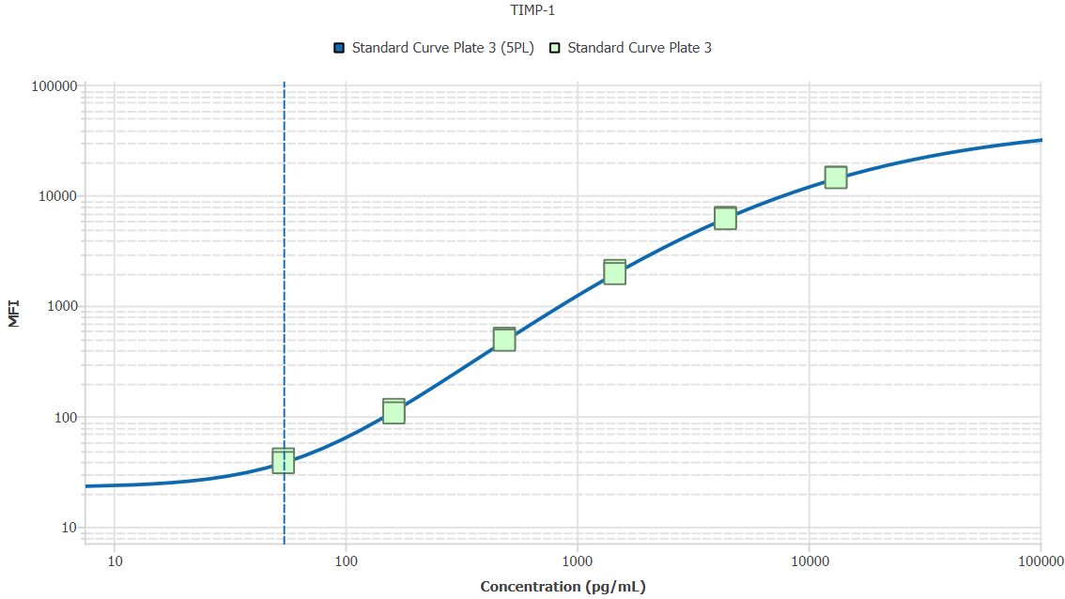
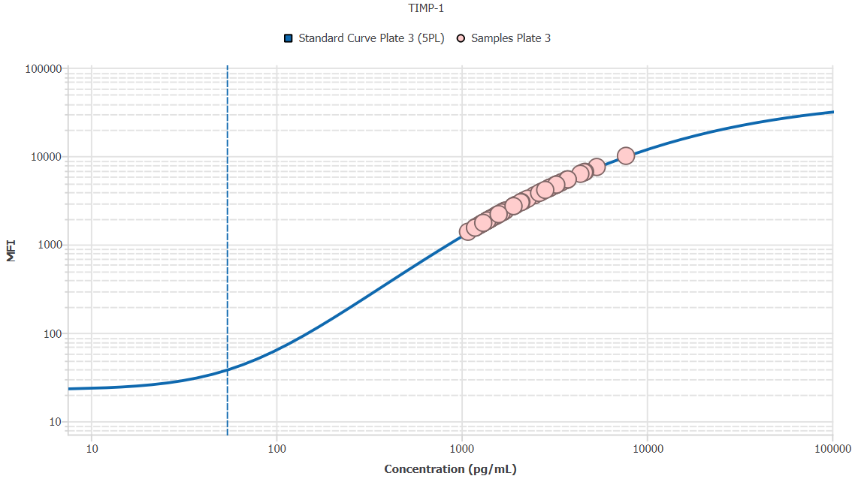
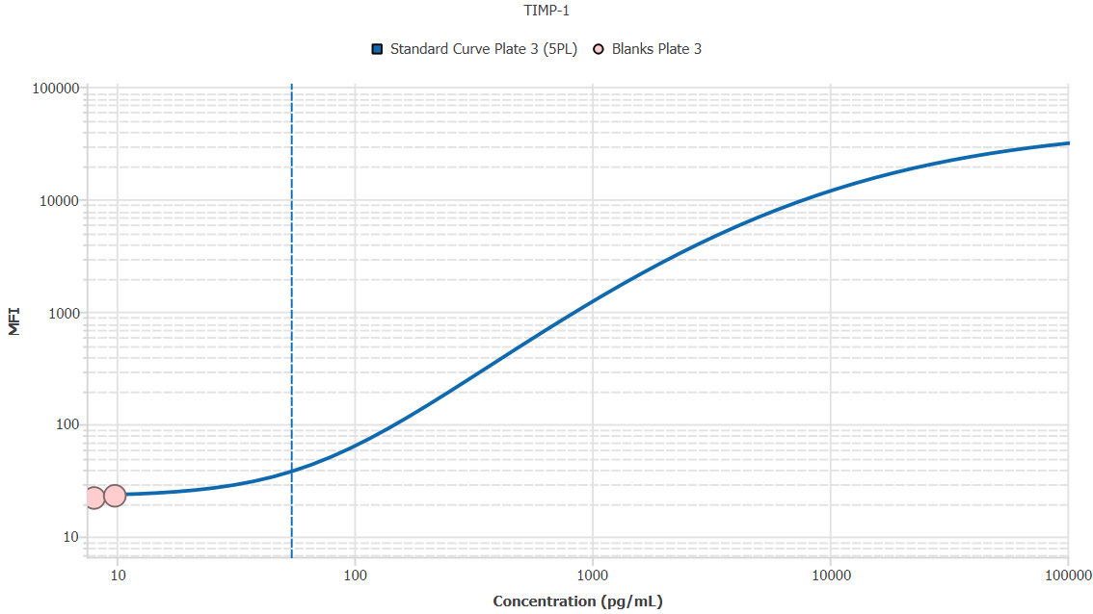
File Name: | O:/facility/2020/_ongoing_projects_/johanna_dahlqvist/PP2020_0052/anca_vasculitis/sia/luminex_interpolation/belysa_files/Belysa_MD_PP2020_0052_Kit1_Plate3_201110_CM_20200803_035130.belysa
Source File Name: | O:/facility/2020/_ongoing_projects_/johanna_dahlqvist/PP2020_0052/anca_vasculitis/sia/luminex_interpolation/luminex_data/PP2020_0052_Kit1_Plate3_201110_CM_20200803_035130.csv
Executed By:
Executed On:
Instrument: | MAGPX11083001
File Last Modified: | ti nov 24 16:04:19 2020 GMT+0100
File Last Modified By: | matilda.dale
Instrument SW Version: | 4.2.1324.0
Analysis SW Version: | Belysa 1.0.19
Printed By SW Version: | 1.0.19
Experiment Name: | Experiment 1
Experiment Description:
Experiment Created By: | matilda.dale
Experiment Created On: | ti nov 24 15:54:26 2020 GMT+0100

Original Name | Current Name | ID | Units | Precision
Analyte 76 | TIMP-1 | 76 | pg/mL | 2

Standards

Plate | Group | Location | Well ID | Analyte | Expected | Unk. Dilution | Sample ID | Standard | Fit | Avg. Result | Result | Message | Result SD | Result CV | Avg. MFI | MFI | MFI CV | MFI SD | Avg. Recovery | Recovery | n | Exclude | Exclude Reason
Kit 1 Plate 3 | Standard Curve Plate 3 | A1 A12 | 1 | TIMP-1 | 0.00 |  | Blank | Standard Curve Plate 3 | 5PL | - |  | EXT | - | - | 23.00 |  | 6.1% | 1.41 | - |  | 2
Kit 1 Plate 3 | Standard Curve Plate 3 | A1 | 1 | TIMP-1 | 0.00 |  | Blank | Standard Curve Plate 3 | 5PL |  | - |  |  |  |  | 24.00 |  |  |  | -
Kit 1 Plate 3 | Standard Curve Plate 3 | A12 | 1 | TIMP-1 | 0.00 |  | Blank | Standard Curve Plate 3 | 5PL |  | - | EXT |  |  |  | 22.00 |  |  |  | -
Kit 1 Plate 3 | Standard Curve Plate 3 | B1 B12 | 2 | TIMP-1 | 54.12 |  | S6 | Standard Curve Plate 3 | 5PL | 55.96 |  |  | 4.42 | 7.9% | 39.50 |  | 5.4% | 2.12 | 103.4% |  | 2
Kit 1 Plate 3 | Standard Curve Plate 3 | B1 | 2 | TIMP-1 | 54.12 |  | S6 | Standard Curve Plate 3 | 5PL |  | 59.08 |  |  |  |  | 41.00 |  |  |  | 109.2%
Kit 1 Plate 3 | Standard Curve Plate 3 | B12 | 2 | TIMP-1 | 54.12 |  | S6 | Standard Curve Plate 3 | 5PL |  | 52.83 |  |  |  |  | 38.00 |  |  |  | 97.6%
Kit 1 Plate 3 | Standard Curve Plate 3 | C1 C12 | 3 | TIMP-1 | 162.35 |  | S5 | Standard Curve Plate 3 | 5PL | 159.41 |  |  | 6.57 | 4.1% | 111.00 |  | 5.1% | 5.66 | 98.2% |  | 2
Kit 1 Plate 3 | Standard Curve Plate 3 | C1 | 3 | TIMP-1 | 162.35 |  | S5 | Standard Curve Plate 3 | 5PL |  | 164.06 |  |  |  |  | 115.00 |  |  |  | 101.1%
Kit 1 Plate 3 | Standard Curve Plate 3 | C12 | 3 | TIMP-1 | 162.35 |  | S5 | Standard Curve Plate 3 | 5PL |  | 154.76 |  |  |  |  | 107.00 |  |  |  | 95.3%
Kit 1 Plate 3 | Standard Curve Plate 3 | D1 D12 | 4 | TIMP-1 | 487.04 |  | S4 | Standard Curve Plate 3 | 5PL | 492.55 |  |  | 10.40 | 2.1% | 497.00 |  | 2.8% | 14.14 | 101.1% |  | 2
Kit 1 Plate 3 | Standard Curve Plate 3 | D1 | 4 | TIMP-1 | 487.04 |  | S4 | Standard Curve Plate 3 | 5PL |  | 499.90 |  |  |  |  | 507.00 |  |  |  | 102.6%
Kit 1 Plate 3 | Standard Curve Plate 3 | D12 | 4 | TIMP-1 | 487.04 |  | S4 | Standard Curve Plate 3 | 5PL |  | 485.20 |  |  |  |  | 487.00 |  |  |  | 99.6%
Kit 1 Plate 3 | Standard Curve Plate 3 | E1 E12 | 5 | TIMP-1 | 1461.11 |  | S3 | Standard Curve Plate 3 | 5PL | 1474.52 |  |  | 58.03 | 3.9% | 2014.00 |  | 4.6% | 93.34 | 100.9% |  | 2
Kit 1 Plate 3 | Standard Curve Plate 3 | E1 | 5 | TIMP-1 | 1461.11 |  | S3 | Standard Curve Plate 3 | 5PL |  | 1515.55 |  |  |  |  | 2080.00 |  |  |  | 103.7%
Kit 1 Plate 3 | Standard Curve Plate 3 | E12 | 5 | TIMP-1 | 1461.11 |  | S3 | Standard Curve Plate 3 | 5PL |  | 1433.48 |  |  |  |  | 1948.00 |  |  |  | 98.1%
Kit 1 Plate 3 | Standard Curve Plate 3 | F1 F12 | 6 | TIMP-1 | 4383.33 |  | S2 | Standard Curve Plate 3 | 5PL | 4317.23 |  |  | 86.31 | 2.0% | 6201.50 |  | 1.8% | 112.43 | 98.5% |  | 2
Kit 1 Plate 3 | Standard Curve Plate 3 | F1 | 6 | TIMP-1 | 4383.33 |  | S2 | Standard Curve Plate 3 | 5PL |  | 4378.26 |  |  |  |  | 6281.00 |  |  |  | 99.9%
Kit 1 Plate 3 | Standard Curve Plate 3 | F12 | 6 | TIMP-1 | 4383.33 |  | S2 | Standard Curve Plate 3 | 5PL |  | 4256.20 |  |  |  |  | 6122.00 |  |  |  | 97.1%
Kit 1 Plate 3 | Standard Curve Plate 3 | G1 G12 | 7 | TIMP-1 | 13150.00 |  | S1 | Standard Curve Plate 3 | 5PL | 13108.48 |  |  | 63.79 | 0.5% | 14465.50 |  | 0.7% | 106.77 | 99.7% |  | 2
Kit 1 Plate 3 | Standard Curve Plate 3 | G1 | 7 | TIMP-1 | 13150.00 |  | S1 | Standard Curve Plate 3 | 5PL |  | 13063.37 |  |  |  |  | 14541.00 |  |  |  | 99.3%
Kit 1 Plate 3 | Standard Curve Plate 3 | G12 | 7 | TIMP-1 | 13150.00 |  | S1 | Standard Curve Plate 3 | 5PL |  | 13153.59 |  |  |  |  | 14390.00 |  |  |  | 100.0%

Unknowns

Plate | Group | Location | Well ID | Analyte | Expected | Unk. Dilution | Sample ID | Standard | Fit | Avg. Result | Result | Message | Result SD | Result CV | Avg. MFI | MFI | MFI CV | MFI SD | Avg. Recovery | Recovery | n | Exclude | Exclude Reason
Kit 1 Plate 3 | Blanks Plate 3 | H1 H11 H12 | 8 | TIMP-1 |  | 1.00 | Blank | Standard Curve Plate 3 | 5PL | - |  | ND, EXT | - | - | 22.83 |  | 3.3% | 0.76 | - |  | 3
Kit 1 Plate 3 | Blanks Plate 3 | H1 | 8 | TIMP-1 |  | 1.00 | Blank | Standard Curve Plate 3 | 5PL |  | - | ND |  |  |  | 23.50 |  |  |  | -
Kit 1 Plate 3 | Blanks Plate 3 | H11 | 8 | TIMP-1 |  | 1.00 | Blank | Standard Curve Plate 3 | 5PL |  | 8.05 | EXT |  |  |  | 22.00 |  |  |  | -
Kit 1 Plate 3 | Blanks Plate 3 | H12 | 8 | TIMP-1 |  | 1.00 | Blank | Standard Curve Plate 3 | 5PL |  | 9.84 | EXT |  |  |  | 23.00 |  |  |  | -
Kit 1 Plate 3 | Samples Plate 3 | A2 | 9 | TIMP-1 |  | 50.00 | 1900073363 | Standard Curve Plate 3 | 5PL | 68534.28 |  |  |  |  | 1847.00 |  |  |  | -
Kit 1 Plate 3 | Samples Plate 3 | B2 | 10 | TIMP-1 |  | 50.00 | 1900073350 | Standard Curve Plate 3 | 5PL | 69140.58 |  |  |  |  | 1866.50 |  |  |  | -
Kit 1 Plate 3 | Samples Plate 3 | C2 | 11 | TIMP-1 |  | 50.00 | 1900073378 | Standard Curve Plate 3 | 5PL | 60623.09 |  |  |  |  | 1593.00 |  |  |  | -
Kit 1 Plate 3 | Samples Plate 3 | D2 | 12 | TIMP-1 |  | 50.00 | 1900073354 | Standard Curve Plate 3 | 5PL | 83485.13 |  |  |  |  | 2327.50 |  |  |  | -
Kit 1 Plate 3 | Samples Plate 3 | E2 | 13 | TIMP-1 |  | 50.00 | 1900073228 | Standard Curve Plate 3 | 5PL | 71751.79 |  |  |  |  | 1950.50 |  |  |  | -
Kit 1 Plate 3 | Samples Plate 3 | F2 | 14 | TIMP-1 |  | 50.00 | LU1039 | Standard Curve Plate 3 | 5PL | 86373.69 |  |  |  |  | 2420.00 |  |  |  | -
Kit 1 Plate 3 | Samples Plate 3 | G2 | 15 | TIMP-1 |  | 50.00 | 1900073380 | Standard Curve Plate 3 | 5PL | 105290.05 |  |  |  |  | 3020.00 |  |  |  | -
Kit 1 Plate 3 | Samples Plate 3 | H2 | 16 | TIMP-1 |  | 50.00 | Daniel 98 | Standard Curve Plate 3 | 5PL | 219144.69 |  |  |  |  | 6287.00 |  |  |  | -
Kit 1 Plate 3 | Samples Plate 3 | A3 | 17 | TIMP-1 |  | 50.00 | UMU7 | Standard Curve Plate 3 | 5PL | 69746.82 |  |  |  |  | 1886.00 |  |  |  | -
Kit 1 Plate 3 | Samples Plate 3 | B3 | 18 | TIMP-1 |  | 50.00 | VASKA 503 | Standard Curve Plate 3 | 5PL | 268620.20 |  |  |  |  | 7512.50 |  |  |  | -
Kit 1 Plate 3 | Samples Plate 3 | C3 | 19 | TIMP-1 |  | 50.00 | 1900073364 | Standard Curve Plate 3 | 5PL | 79760.61 |  |  |  |  | 2208.00 |  |  |  | -
Kit 1 Plate 3 | Samples Plate 3 | D3 | 20 | TIMP-1 |  | 50.00 | 1900073362 | Standard Curve Plate 3 | 5PL | 68005.65 |  |  |  |  | 1830.00 |  |  |  | -
Kit 1 Plate 3 | Samples Plate 3 | E3 | 21 | TIMP-1 |  | 50.00 | VASKA 648_1 | Standard Curve Plate 3 | 5PL | 183562.12 |  |  |  |  | 5335.00 |  |  |  | -
Kit 1 Plate 3 | Samples Plate 3 | F3 | 22 | TIMP-1 |  | 50.00 | 1900073237 | Standard Curve Plate 3 | 5PL | 59326.43 |  |  |  |  | 1551.50 |  |  |  | -
Kit 1 Plate 3 | Samples Plate 3 | G3 | 23 | TIMP-1 |  | 50.00 | RA2137 | Standard Curve Plate 3 | 5PL | 133446.33 |  |  |  |  | 3887.00 |  |  |  | -
Kit 1 Plate 3 | Samples Plate 3 | H3 | 24 | TIMP-1 |  | 50.00 | VASKA 148 | Standard Curve Plate 3 | 5PL | 187156.81 |  |  |  |  | 5434.00 |  |  |  | -
Kit 1 Plate 3 | Samples Plate 3 | A4 | 25 | TIMP-1 |  | 50.00 | 1900073337 | Standard Curve Plate 3 | 5PL | 65298.92 |  |  |  |  | 1743.00 |  |  |  | -
Kit 1 Plate 3 | Samples Plate 3 | B4 | 26 | TIMP-1 |  | 50.00 | LU1049 | Standard Curve Plate 3 | 5PL | 62962.83 |  |  |  |  | 1668.00 |  |  |  | -
Kit 1 Plate 3 | Samples Plate 3 | C4 | 27 | TIMP-1 |  | 50.00 | 1900073262 | Standard Curve Plate 3 | 5PL | 77208.46 |  |  |  |  | 2126.00 |  |  |  | -
Kit 1 Plate 3 | Samples Plate 3 | D4 | 28 | TIMP-1 |  | 50.00 | SLE 1494 | Standard Curve Plate 3 | 5PL | 229671.29 |  |  |  |  | 6557.00 |  |  |  | -
Kit 1 Plate 3 | Samples Plate 3 | E4 | 29 | TIMP-1 |  | 50.00 | 1900073372 | Standard Curve Plate 3 | 5PL | 68130.04 |  |  |  |  | 1834.00 |  |  |  | -
Kit 1 Plate 3 | Samples Plate 3 | F4 | 30 | TIMP-1 |  | 50.00 | 1900073281 | Standard Curve Plate 3 | 5PL | 71534.20 |  |  |  |  | 1943.50 |  |  |  | -
Kit 1 Plate 3 | Samples Plate 3 | G4 | 31 | TIMP-1 |  | 50.00 | 1900073424 | Standard Curve Plate 3 | 5PL | 82658.56 |  |  |  |  | 2301.00 |  |  |  | -
Kit 1 Plate 3 | Samples Plate 3 | H4 | 32 | TIMP-1 |  | 50.00 | Ö21 | Standard Curve Plate 3 | 5PL | 187393.64 |  |  |  |  | 5440.50 |  |  |  | -
Kit 1 Plate 3 | Samples Plate 3 | A5 | 33 | TIMP-1 |  | 50.00 | VASKA 0139 | Standard Curve Plate 3 | 5PL | 149122.29 |  |  |  |  | 4353.50 |  |  |  | -
Kit 1 Plate 3 | Samples Plate 3 | B5 | 34 | TIMP-1 |  | 50.00 | Ö39 | Standard Curve Plate 3 | 5PL | 232512.75 |  |  |  |  | 6629.00 |  |  |  | -
Kit 1 Plate 3 | Samples Plate 3 | C5 | 35 | TIMP-1 |  | 50.00 | 1900073293 | Standard Curve Plate 3 | 5PL | 54261.76 |  |  |  |  | 1390.00 |  |  |  | -
Kit 1 Plate 3 | Samples Plate 3 | D5 | 36 | TIMP-1 |  | 50.00 | VASKA 304 | Standard Curve Plate 3 | 5PL | 109185.48 |  |  |  |  | 3142.00 |  |  |  | -
Kit 1 Plate 3 | Samples Plate 3 | E5 | 37 | TIMP-1 |  | 50.00 | LUN 1059 | Standard Curve Plate 3 | 5PL | 164232.15 |  |  |  |  | 4791.50 |  |  |  | -
Kit 1 Plate 3 | Samples Plate 3 | F5 | 38 | TIMP-1 |  | 50.00 | RA1080 | Standard Curve Plate 3 | 5PL | 163585.79 |  |  |  |  | 4773.00 |  |  |  | -
Kit 1 Plate 3 | Samples Plate 3 | G5 | 39 | TIMP-1 |  | 50.00 | 1900073267 | Standard Curve Plate 3 | 5PL | 62386.08 |  |  |  |  | 1649.50 |  |  |  | -
Kit 1 Plate 3 | Samples Plate 3 | H5 | 40 | TIMP-1 |  | 50.00 | RA1534 | Standard Curve Plate 3 | 5PL | 162504.35 |  |  |  |  | 4742.00 |  |  |  | -
Kit 1 Plate 3 | Samples Plate 3 | A6 | 41 | TIMP-1 |  | 50.00 | LU1097 | Standard Curve Plate 3 | 5PL | 65189.96 |  |  |  |  | 1739.50 |  |  |  | -
Kit 1 Plate 3 | Samples Plate 3 | B6 | 42 | TIMP-1 |  | 50.00 | 1900073233 | Standard Curve Plate 3 | 5PL | 69622.47 |  |  |  |  | 1882.00 |  |  |  | -
Kit 1 Plate 3 | Samples Plate 3 | C6 | 43 | TIMP-1 |  | 50.00 | RA1239 | Standard Curve Plate 3 | 5PL | 158822.03 |  |  |  |  | 4636.00 |  |  |  | -
Kit 1 Plate 3 | Samples Plate 3 | D6 | 44 | TIMP-1 |  | 50.00 | VASKA 008 | Standard Curve Plate 3 | 5PL | 85373.78 |  |  |  |  | 2388.00 |  |  |  | -
Kit 1 Plate 3 | Samples Plate 3 | E6 | 45 | TIMP-1 |  | 50.00 | 1900073247 | Standard Curve Plate 3 | 5PL | 107698.47 |  |  |  |  | 3095.50 |  |  |  | -
Kit 1 Plate 3 | Samples Plate 3 | F6 | 46 | TIMP-1 |  | 50.00 | 1900073335 | Standard Curve Plate 3 | 5PL | 64333.70 |  |  |  |  | 1712.00 |  |  |  | -
Kit 1 Plate 3 | Samples Plate 3 | G6 | 47 | TIMP-1 |  | 50.00 | VASKA 0125 | Standard Curve Plate 3 | 5PL | 148152.68 |  |  |  |  | 4325.00 |  |  |  | -
Kit 1 Plate 3 | Samples Plate 3 | H6 | 48 | TIMP-1 |  | 50.00 | 1900073421 | Standard Curve Plate 3 | 5PL | 141695.39 |  |  |  |  | 4134.00 |  |  |  | -
Kit 1 Plate 3 | Samples Plate 3 | A7 | 49 | TIMP-1 |  | 50.00 | RA1009 | Standard Curve Plate 3 | 5PL | 98311.45 |  |  |  |  | 2800.00 |  |  |  | -
Kit 1 Plate 3 | Samples Plate 3 | B7 | 50 | TIMP-1 |  | 50.00 | Daniel 87 | Standard Curve Plate 3 | 5PL | 75746.60 |  |  |  |  | 2079.00 |  |  |  | -
Kit 1 Plate 3 | Samples Plate 3 | C7 | 51 | TIMP-1 |  | 50.00 | LUN 1055 | Standard Curve Plate 3 | 5PL | 224265.84 |  |  |  |  | 6419.00 |  |  |  | -
Kit 1 Plate 3 | Samples Plate 3 | D7 | 52 | TIMP-1 |  | 50.00 | 1900073300 | Standard Curve Plate 3 | 5PL | 64271.41 |  |  |  |  | 1710.00 |  |  |  | -
Kit 1 Plate 3 | Samples Plate 3 | E7 | 53 | TIMP-1 |  | 50.00 | 1900073353 | Standard Curve Plate 3 | 5PL | 78421.99 |  |  |  |  | 2165.00 |  |  |  | -
Kit 1 Plate 3 | Samples Plate 3 | F7 | 54 | TIMP-1 |  | 50.00 | Daniel 33 | Standard Curve Plate 3 | 5PL | 113970.07 |  |  |  |  | 3291.00 |  |  |  | -
Kit 1 Plate 3 | Samples Plate 3 | G7 | 55 | TIMP-1 |  | 50.00 | VASKA 111 | Standard Curve Plate 3 | 5PL | 386458.43 |  |  |  |  | 10039.50 |  |  |  | -
Kit 1 Plate 3 | Samples Plate 3 | H7 | 56 | TIMP-1 |  | 50.00 | 1900073368 | Standard Curve Plate 3 | 5PL | 104462.32 |  |  |  |  | 2994.00 |  |  |  | -
Kit 1 Plate 3 | Samples Plate 3 | A8 | 57 | TIMP-1 |  | 50.00 | VASKA 623 | Standard Curve Plate 3 | 5PL | 160243.50 |  |  |  |  | 4677.00 |  |  |  | -
Kit 1 Plate 3 | Samples Plate 3 | B8 | 58 | TIMP-1 |  | 50.00 | 1900073400 | Standard Curve Plate 3 | 5PL | 96969.56 |  |  |  |  | 2757.50 |  |  |  | -
Kit 1 Plate 3 | Samples Plate 3 | C8 | 59 | TIMP-1 |  | 50.00 | LU1002 | Standard Curve Plate 3 | 5PL | 136922.73 |  |  |  |  | 3991.50 |  |  |  | -
Kit 1 Plate 3 | Samples Plate 3 | D8 | 60 | TIMP-1 |  | 50.00 | 1900073245 | Standard Curve Plate 3 | 5PL | 77099.58 |  |  |  |  | 2122.50 |  |  |  | -
Kit 1 Plate 3 | Samples Plate 3 | E8 | 61 | TIMP-1 |  | 50.00 | Daniel 83 | Standard Curve Plate 3 | 5PL | 173129.19 |  |  |  |  | 5044.00 |  |  |  | -
Kit 1 Plate 3 | Samples Plate 3 | F8 | 62 | TIMP-1 |  | 50.00 | 1900073334 | Standard Curve Plate 3 | 5PL | 78421.99 |  |  |  |  | 2165.00 |  |  |  | -
Kit 1 Plate 3 | Samples Plate 3 | G8 | 63 | TIMP-1 |  | 50.00 | VASKA 042 | Standard Curve Plate 3 | 5PL | 150178.78 |  |  |  |  | 4384.50 |  |  |  | -
Kit 1 Plate 3 | Samples Plate 3 | H8 | 64 | TIMP-1 |  | 50.00 | 1900073382 | Standard Curve Plate 3 | 5PL | 65579.05 |  |  |  |  | 1752.00 |  |  |  | -
Kit 1 Plate 3 | Samples Plate 3 | A9 | 65 | TIMP-1 |  | 50.00 | LU1106 | Standard Curve Plate 3 | 5PL | 84124.84 |  |  |  |  | 2348.00 |  |  |  | -
Kit 1 Plate 3 | Samples Plate 3 | B9 | 66 | TIMP-1 |  | 50.00 | Daniel 62 | Standard Curve Plate 3 | 5PL | 147609.04 |  |  |  |  | 4309.00 |  |  |  | -
Kit 1 Plate 3 | Samples Plate 3 | C9 | 67 | TIMP-1 |  | 50.00 | 1900073257 | Standard Curve Plate 3 | 5PL | 73368.15 |  |  |  |  | 2002.50 |  |  |  | -
Kit 1 Plate 3 | Samples Plate 3 | D9 | 68 | TIMP-1 |  | 50.00 | 1900073332 | Standard Curve Plate 3 | 5PL | 63679.56 |  |  |  |  | 1691.00 |  |  |  | -
Kit 1 Plate 3 | Samples Plate 3 | E9 | 69 | TIMP-1 |  | 50.00 | 1900073320 | Standard Curve Plate 3 | 5PL | 70353.00 |  |  |  |  | 1905.50 |  |  |  | -
Kit 1 Plate 3 | Samples Plate 3 | F9 | 70 | TIMP-1 |  | 50.00 | RA2078 | Standard Curve Plate 3 | 5PL | 95125.53 |  |  |  |  | 2699.00 |  |  |  | -
Kit 1 Plate 3 | Samples Plate 3 | G9 | 71 | TIMP-1 |  | 50.00 | 1900073301 | Standard Curve Plate 3 | 5PL | 69000.67 |  |  |  |  | 1862.00 |  |  |  | -
Kit 1 Plate 3 | Samples Plate 3 | H9 | 72 | TIMP-1 |  | 50.00 | IgA 2156 | Standard Curve Plate 3 | 5PL | 95535.01 |  |  |  |  | 2712.00 |  |  |  | -
Kit 1 Plate 3 | Samples Plate 3 | A10 | 73 | TIMP-1 |  | 50.00 | 1900073221 | Standard Curve Plate 3 | 5PL | 75870.99 |  |  |  |  | 2083.00 |  |  |  | -
Kit 1 Plate 3 | Samples Plate 3 | B10 | 74 | TIMP-1 |  | 50.00 | RA1788 | Standard Curve Plate 3 | 5PL | 78032.98 |  |  |  |  | 2152.50 |  |  |  | -
Kit 1 Plate 3 | Samples Plate 3 | C10 | 75 | TIMP-1 |  | 50.00 | 1900073303 | Standard Curve Plate 3 | 5PL | 65049.87 |  |  |  |  | 1735.00 |  |  |  | -
Kit 1 Plate 3 | Samples Plate 3 | D10 | 76 | TIMP-1 |  | 50.00 | Daniel 104 | Standard Curve Plate 3 | 5PL | 163882.67 |  |  |  |  | 4781.50 |  |  |  | -
Kit 1 Plate 3 | Samples Plate 3 | E10 | 77 | TIMP-1 |  | 50.00 | IgA 1624 | Standard Curve Plate 3 | 5PL | 186446.91 |  |  |  |  | 5414.50 |  |  |  | -
Kit 1 Plate 3 | Samples Plate 3 | F10 | 78 | TIMP-1 |  | 50.00 | 1900073425 | Standard Curve Plate 3 | 5PL | 71456.49 |  |  |  |  | 1941.00 |  |  |  | -
Kit 1 Plate 3 | Samples Plate 3 | G10 | 79 | TIMP-1 |  | 50.00 | LU1045 | Standard Curve Plate 3 | 5PL | 59201.36 |  |  |  |  | 1547.50 |  |  |  | -
Kit 1 Plate 3 | Samples Plate 3 | H10 | 80 | TIMP-1 |  | 50.00 | 1900073423 | Standard Curve Plate 3 | 5PL | 79433.67 |  |  |  |  | 2197.50 |  |  |  | -
Kit 1 Plate 3 | Samples Plate 3 | A11 | 81 | TIMP-1 |  | 50.00 | SLE 0446 | Standard Curve Plate 3 | 5PL | 59732.79 |  |  |  |  | 1564.50 |  |  |  | -
Kit 1 Plate 3 | Samples Plate 3 | B11 | 82 | TIMP-1 |  | 50.00 | 1900073379 | Standard Curve Plate 3 | 5PL | 84093.63 |  |  |  |  | 2347.00 |  |  |  | -
Kit 1 Plate 3 | Samples Plate 3 | C11 | 83 | TIMP-1 |  | 50.00 | VASKA 622 | Standard Curve Plate 3 | 5PL | 151630.32 |  |  |  |  | 4427.00 |  |  |  | -
Kit 1 Plate 3 | Samples Plate 3 | D11 | 84 | TIMP-1 |  | 50.00 | 1900073234 | Standard Curve Plate 3 | 5PL | 65952.52 |  |  |  |  | 1764.00 |  |  |  | -
Kit 1 Plate 3 | Samples Plate 3 | E11 | 85 | TIMP-1 |  | 50.00 | RA2143 | Standard Curve Plate 3 | 5PL | 123685.75 |  |  |  |  | 3590.50 |  |  |  | -
Kit 1 Plate 3 | Samples Plate 3 | F11 | 86 | TIMP-1 |  | 50.00 | 1900073259 | Standard Curve Plate 3 | 5PL | 80227.75 |  |  |  |  | 2223.00 |  |  |  | -
Kit 1 Plate 3 | Samples Plate 3 | G11 | 87 | TIMP-1 |  | 50.00 | UMU5 | Standard Curve Plate 3 | 5PL | 131343.33 |  |  |  |  | 3823.50 |  |  |  | -

Curves

Group | Analyte | Fit | LLoQ | MDD | LoD | R Squared | Slope | Weighting | Equation
Standard Curve Plate 3 | TIMP-1 | 5PL | 54.12 | 3.54 | 7.59 | 1.00 | 0.66 | 1/y^2 | y = 23.08 + (46371.22 - 23.08)/((1 + (5077.67/x)^0.64))^2.70

