CCL18 PARC
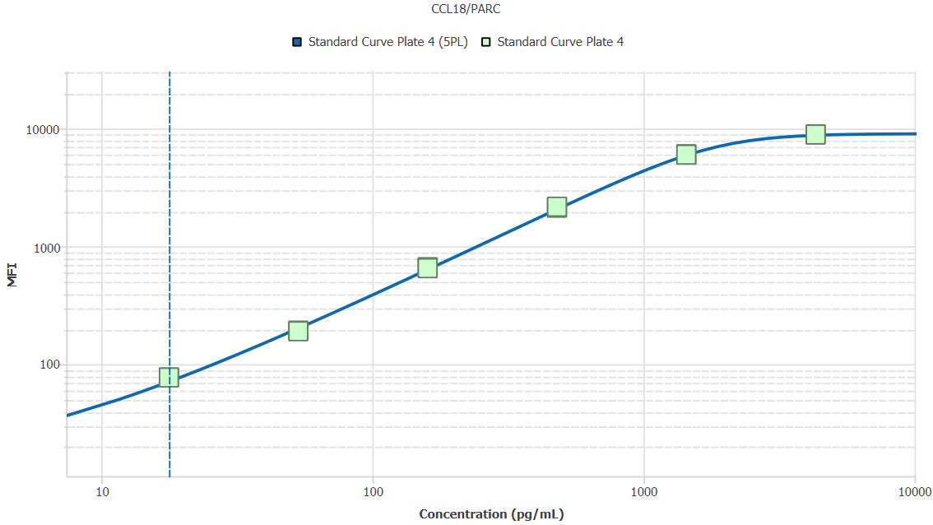
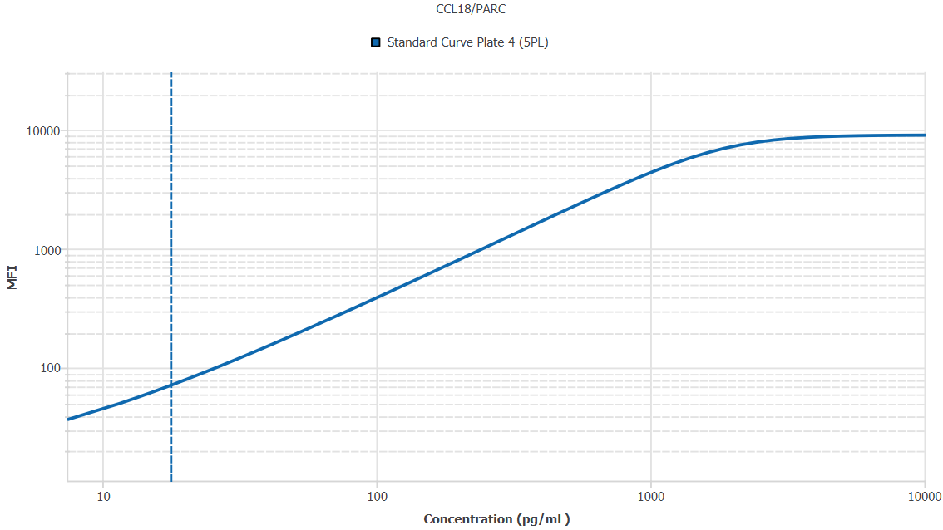
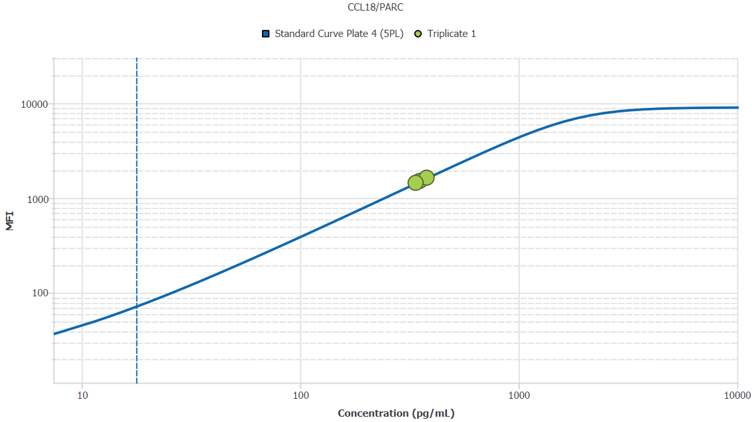
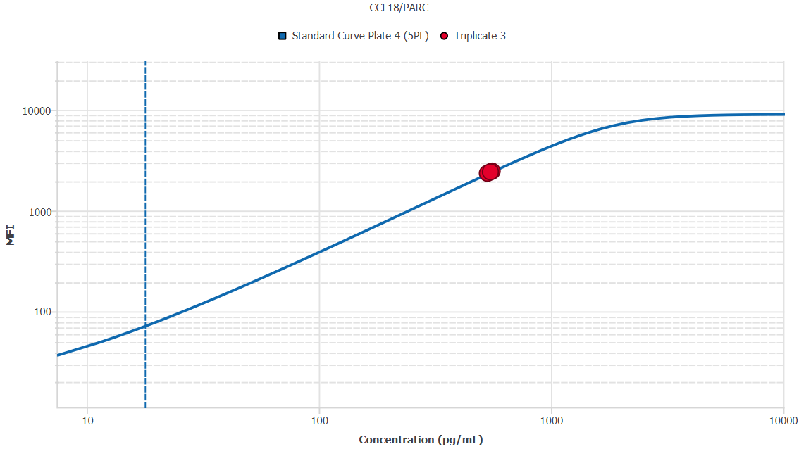
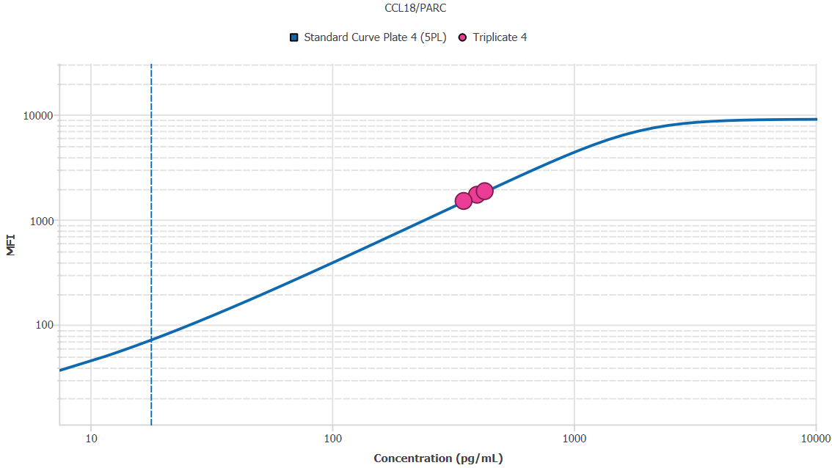
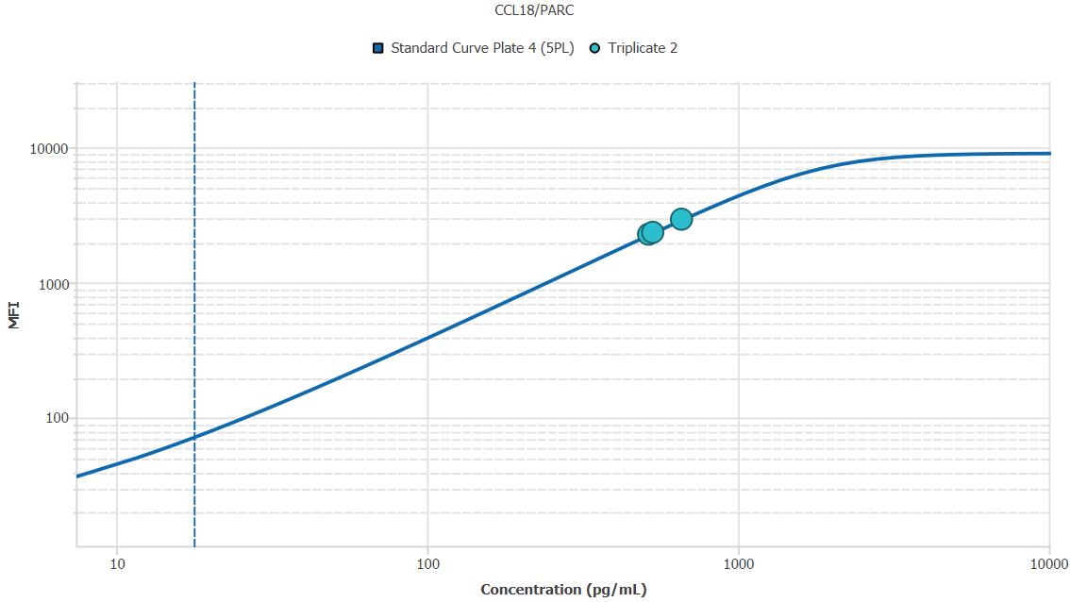
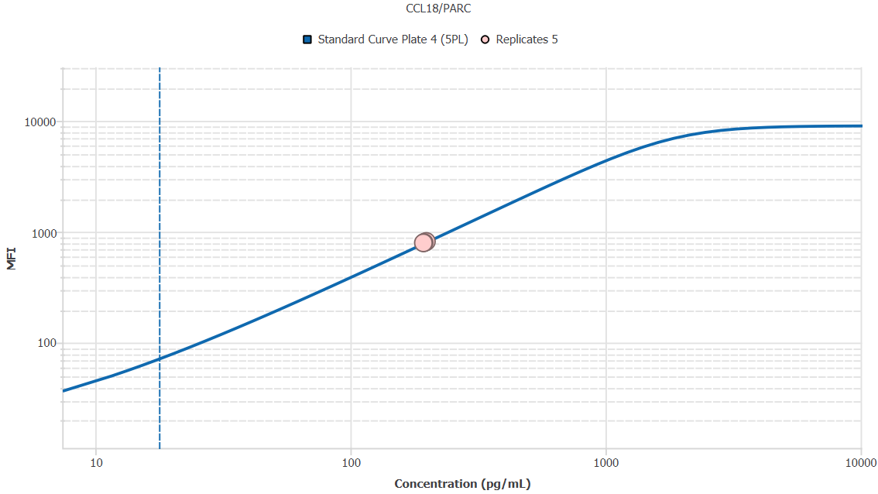
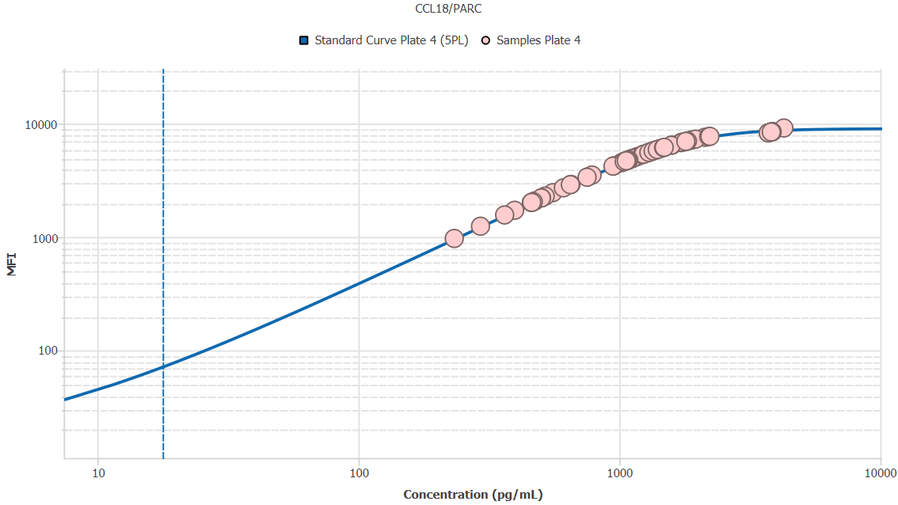
File Name: | O:/facility/2020/_ongoing_projects_/johanna_dahlqvist/PP2020_0052/anca_vasculitis/sia/luminex_interpolation/belysa_files/Belysa_MD_PP2020_0052_plate4_kit1_201111_CM_20200804_034335.belysa
Source File Name: | O:/facility/2020/_ongoing_projects_/johanna_dahlqvist/PP2020_0052/anca_vasculitis/sia/luminex_interpolation/luminex_data/PP2020_0052_plate4_kit1_201111_CM_20200804_034335.csv
Executed By:
Executed On:
Instrument: | MAGPX11083001
File Last Modified: | on nov 25 09:08:54 2020 GMT+0100
File Last Modified By: | matilda.dale
Instrument SW Version: | 4.2.1324.0
Analysis SW Version: | Belysa 1.0.19
Printed By SW Version: | 1.0.19
Experiment Name: | Experiment 1
Experiment Description:
Experiment Created By: | matilda.dale
Experiment Created On: | on nov 25 08:44:12 2020 GMT+0100

Original Name | Current Name | ID | Units | Precision
Analyte 33 | CCL18/PARC | 33 | pg/mL | 2

Standards

Plate | Group | Location | Well ID | Analyte | Expected | Unk. Dilution | Sample ID | Standard | Fit | Avg. Result | Result | Message | Result SD | Result CV | Avg. MFI | MFI | MFI CV | MFI SD | Avg. Recovery | Recovery | n | Exclude | Exclude Reason
Plate 4 | Standard Curve Plate 4 | A1 A12 | 1 | CCL18/PARC | 0.00 |  | Blank | Standard Curve Plate 4 | 5PL | - |  | EXT | - | - | 15.00 |  | 0.0% | 0.00 | - |  | 2
Plate 4 | Standard Curve Plate 4 | A1 | 1 | CCL18/PARC | 0.00 |  | Blank | Standard Curve Plate 4 | 5PL |  | - | EXT |  |  |  | 15.00 |  |  |  | -
Plate 4 | Standard Curve Plate 4 | A12 | 1 | CCL18/PARC | 0.00 |  | Blank | Standard Curve Plate 4 | 5PL |  | - | EXT |  |  |  | 15.00 |  |  |  | -
Plate 4 | Standard Curve Plate 4 | B1 B12 | 2 | CCL18/PARC | 17.78 |  | S6 | Standard Curve Plate 4 | 5PL | 19.07 |  |  | 0.00 | 0.0% | 77.00 |  | 0.0% | 0.00 | 107.3% |  | 2
Plate 4 | Standard Curve Plate 4 | B1 | 2 | CCL18/PARC | 17.78 |  | S6 | Standard Curve Plate 4 | 5PL |  | 19.07 |  |  |  |  | 77.00 |  |  |  | 107.3%
Plate 4 | Standard Curve Plate 4 | B12 | 2 | CCL18/PARC | 17.78 |  | S6 | Standard Curve Plate 4 | 5PL |  | 19.07 |  |  |  |  | 77.00 |  |  |  | 107.3%
Plate 4 | Standard Curve Plate 4 | C1 C12 | 3 | CCL18/PARC | 53.33 |  | S5 | Standard Curve Plate 4 | 5PL | 49.65 |  |  | 0.46 | 0.9% | 191.25 |  | 0.9% | 1.77 | 93.1% |  | 2
Plate 4 | Standard Curve Plate 4 | C1 | 3 | CCL18/PARC | 53.33 |  | S5 | Standard Curve Plate 4 | 5PL |  | 49.98 |  |  |  |  | 192.50 |  |  |  | 93.7%
Plate 4 | Standard Curve Plate 4 | C12 | 3 | CCL18/PARC | 53.33 |  | S5 | Standard Curve Plate 4 | 5PL |  | 49.33 |  |  |  |  | 190.00 |  |  |  | 92.5%
Plate 4 | Standard Curve Plate 4 | D1 D12 | 4 | CCL18/PARC | 160.00 |  | S4 | Standard Curve Plate 4 | 5PL | 162.30 |  |  | 2.21 | 1.4% | 657.75 |  | 1.5% | 9.55 | 101.4% |  | 2
Plate 4 | Standard Curve Plate 4 | D1 | 4 | CCL18/PARC | 160.00 |  | S4 | Standard Curve Plate 4 | 5PL |  | 163.86 |  |  |  |  | 664.50 |  |  |  | 102.4%
Plate 4 | Standard Curve Plate 4 | D12 | 4 | CCL18/PARC | 160.00 |  | S4 | Standard Curve Plate 4 | 5PL |  | 160.74 |  |  |  |  | 651.00 |  |  |  | 100.5%
Plate 4 | Standard Curve Plate 4 | E1 E12 | 5 | CCL18/PARC | 480.00 |  | S3 | Standard Curve Plate 4 | 5PL | 488.83 |  |  | 6.52 | 1.3% | 2143.50 |  | 1.4% | 30.41 | 101.8% |  | 2
Plate 4 | Standard Curve Plate 4 | E1 | 5 | CCL18/PARC | 480.00 |  | S3 | Standard Curve Plate 4 | 5PL |  | 484.22 |  |  |  |  | 2122.00 |  |  |  | 100.9%
Plate 4 | Standard Curve Plate 4 | E12 | 5 | CCL18/PARC | 480.00 |  | S3 | Standard Curve Plate 4 | 5PL |  | 493.44 |  |  |  |  | 2165.00 |  |  |  | 102.8%
Plate 4 | Standard Curve Plate 4 | F1 F12 | 6 | CCL18/PARC | 1440.00 |  | S2 | Standard Curve Plate 4 | 5PL | 1433.73 |  |  | 11.83 | 0.8% | 6009.25 |  | 0.6% | 36.42 | 99.6% |  | 2
Plate 4 | Standard Curve Plate 4 | F1 | 6 | CCL18/PARC | 1440.00 |  | S2 | Standard Curve Plate 4 | 5PL |  | 1442.10 |  |  |  |  | 6035.00 |  |  |  | 100.1%
Plate 4 | Standard Curve Plate 4 | F12 | 6 | CCL18/PARC | 1440.00 |  | S2 | Standard Curve Plate 4 | 5PL |  | 1425.37 |  |  |  |  | 5983.50 |  |  |  | 99.0%
Plate 4 | Standard Curve Plate 4 | G1 G12 | 7 | CCL18/PARC | 4320.00 |  | S1 | Standard Curve Plate 4 | 5PL | 4362.95 |  |  | 116.64 | 2.7% | 8880.25 |  | 0.2% | 19.45 | 101.0% |  | 2
Plate 4 | Standard Curve Plate 4 | G1 | 7 | CCL18/PARC | 4320.00 |  | S1 | Standard Curve Plate 4 | 5PL |  | 4445.43 |  |  |  |  | 8894.00 |  |  |  | 102.9%
Plate 4 | Standard Curve Plate 4 | G12 | 7 | CCL18/PARC | 4320.00 |  | S1 | Standard Curve Plate 4 | 5PL |  | 4280.47 |  |  |  |  | 8866.50 |  |  |  | 99.1%

Unknowns

Plate | Group | Location | Well ID | Analyte | Expected | Unk. Dilution | Sample ID | Standard | Fit | Avg. Result | Result | Message | Result SD | Result CV | Avg. MFI | MFI | MFI CV | MFI SD | Avg. Recovery | Recovery | n | Exclude | Exclude Reason
Plate 4 | Blanks Plate 4 | H1 H9 H12 | 8 | CCL18/PARC |  | 1.00 | Blank | Standard Curve Plate 4 | 5PL | - |  | EXT | - | - | 15.00 |  | 0.0% | 0.00 | - |  | 3
Plate 4 | Blanks Plate 4 | H1 | 8 | CCL18/PARC |  | 1.00 | Blank | Standard Curve Plate 4 | 5PL |  | - | EXT |  |  |  | 15.00 |  |  |  | -
Plate 4 | Blanks Plate 4 | H9 | 8 | CCL18/PARC |  | 1.00 | Blank | Standard Curve Plate 4 | 5PL |  | - | EXT |  |  |  | 15.00 |  |  |  | -
Plate 4 | Blanks Plate 4 | H12 | 8 | CCL18/PARC |  | 1.00 | Blank | Standard Curve Plate 4 | 5PL |  | - | EXT |  |  |  | 15.00 |  |  |  | -
Plate 4 | Samples Plate 4 | A2 | 9 | CCL18/PARC |  | 50.00 | 1900073283 | Standard Curve Plate 4 | 5PL | 23024.71 |  |  |  |  | 2011.50 |  |  |  | -
Plate 4 | Samples Plate 4 | B2 | 10 | CCL18/PARC |  | 50.00 | SLE 0959 | Standard Curve Plate 4 | 5PL | 11659.44 |  |  |  |  | 969.50 |  |  |  | -
Plate 4 | Samples Plate 4 | C2 | 11 | CCL18/PARC |  | 50.00 | RA2273 | Standard Curve Plate 4 | 5PL | 193054.48 |  |  |  |  | 8491.00 |  |  |  | -
Plate 4 | Samples Plate 4 | D2 | 12 | CCL18/PARC |  | 50.00 | RA2626 | Standard Curve Plate 4 | 5PL | 106302.95 |  |  |  |  | 7568.00 |  |  |  | -
Plate 4 | Samples Plate 4 | E2 | 13 | CCL18/PARC |  | 50.00 | UMU4 | Standard Curve Plate 4 | 5PL | 94063.99 |  |  |  |  | 7137.00 |  |  |  | -
Plate 4 | Samples Plate 4 | F2 | 14 | CCL18/PARC |  | 50.00 | RA2357 | Standard Curve Plate 4 | 5PL | 47306.11 |  |  |  |  | 4211.50 |  |  |  | -
Plate 4 | Samples Plate 4 | G2 | 15 | CCL18/PARC |  | 50.00 | VASKA 126 | Standard Curve Plate 4 | 5PL | 53789.80 |  |  |  |  | 4744.00 |  |  |  | -
Plate 4 | Samples Plate 4 | H2 | 16 | CCL18/PARC |  | 50.00 | 1900073326 | Standard Curve Plate 4 | 5PL | 18182.71 |  |  |  |  | 1562.50 |  |  |  | -
Plate 4 | Samples Plate 4 | A3 | 17 | CCL18/PARC |  | 50.00 | LU1098 | Standard Curve Plate 4 | 5PL | 56216.36 |  |  |  |  | 4934.00 |  |  |  | -
Plate 4 | Samples Plate 4 | B3 | 18 | CCL18/PARC |  | 50.00 | 1900073272 | Standard Curve Plate 4 | 5PL | 32646.31 |  |  |  |  | 2906.00 |  |  |  | -
Plate 4 | Samples Plate 4 | C3 | 19 | CCL18/PARC |  | 50.00 | VASKA 043 | Standard Curve Plate 4 | 5PL | 56281.17 |  |  |  |  | 4939.00 |  |  |  | -
Plate 4 | Samples Plate 4 | D3 | 20 | CCL18/PARC |  | 50.00 | IgA 1288 | Standard Curve Plate 4 | 5PL | 52216.53 |  |  |  |  | 4618.00 |  |  |  | -
Plate 4 | Samples Plate 4 | E3 | 21 | CCL18/PARC |  | 50.00 | RA914 | Standard Curve Plate 4 | 5PL | 186407.04 |  |  |  |  | 8281.00 |  |  |  | -
Plate 4 | Samples Plate 4 | F3 | 22 | CCL18/PARC |  | 50.00 | IgA 677 | Standard Curve Plate 4 | 5PL | 23411.27 |  |  |  |  | 2047.50 |  |  |  | -
Plate 4 | Samples Plate 4 | G3 | 23 | CCL18/PARC |  | 50.00 | RA1622 | Standard Curve Plate 4 | 5PL | 88992.64 |  |  |  |  | 6923.00 |  |  |  | -
Plate 4 | Samples Plate 4 | H3 | 24 | CCL18/PARC |  | 50.00 | RA2532 | Standard Curve Plate 4 | 5PL | 91249.25 |  |  |  |  | 7021.00 |  |  |  | -
Plate 4 | Samples Plate 4 | A4 | 25 | CCL18/PARC |  | 50.00 | RA1321 | Standard Curve Plate 4 | 5PL | 71292.51 |  |  |  |  | 5985.00 |  |  |  | -
Plate 4 | Samples Plate 4 | B4 | 26 | CCL18/PARC |  | 50.00 | 1900073369 | Standard Curve Plate 4 | 5PL | 23781.62 |  |  |  |  | 2082.00 |  |  |  | -
Plate 4 | Samples Plate 4 | C4 | 27 | CCL18/PARC |  | 50.00 | 1900073346 | Standard Curve Plate 4 | 5PL | 26002.45 |  |  |  |  | 2289.00 |  |  |  | -
Plate 4 | Samples Plate 4 | D4 | 28 | CCL18/PARC |  | 50.00 | 1900073266 | Standard Curve Plate 4 | 5PL | 37899.01 |  |  |  |  | 3386.00 |  |  |  | -
Plate 4 | Samples Plate 4 | E4 | 29 | CCL18/PARC |  | 50.00 | Daniel 108 | Standard Curve Plate 4 | 5PL | 186248.77 |  |  |  |  | 8276.00 |  |  |  | -
Plate 4 | Samples Plate 4 | F4 | 30 | CCL18/PARC |  | 50.00 | 1900073397 | Standard Curve Plate 4 | 5PL | 37633.56 |  |  |  |  | 3362.00 |  |  |  | -
Plate 4 | Samples Plate 4 | G4 | 31 | CCL18/PARC |  | 50.00 | VASKA 122_1 | Standard Curve Plate 4 | 5PL | 86256.91 |  |  |  |  | 6798.00 |  |  |  | -
Plate 4 | Samples Plate 4 | H4 | 32 | CCL18/PARC |  | 50.00 | RA2407 | Standard Curve Plate 4 | 5PL | 79039.67 |  |  |  |  | 6434.00 |  |  |  | -
Plate 4 | Samples Plate 4 | A5 | 33 | CCL18/PARC |  | 50.00 | VASKA 636 | Standard Curve Plate 4 | 5PL | 193687.57 |  |  |  |  | 8511.00 |  |  |  | -
Plate 4 | Samples Plate 4 | B5 | 34 | CCL18/PARC |  | 50.00 | 1900073391 | Standard Curve Plate 4 | 5PL | 50949.73 |  |  |  |  | 4515.00 |  |  |  | -
Plate 4 | Samples Plate 4 | C5 | 35 | CCL18/PARC |  | 50.00 | IgA 1180 | Standard Curve Plate 4 | 5PL | 61466.06 |  |  |  |  | 5326.00 |  |  |  | -
Plate 4 | Samples Plate 4 | D5 | 36 | CCL18/PARC |  | 50.00 | UMU63 | Standard Curve Plate 4 | 5PL | 39332.04 |  |  |  |  | 3515.00 |  |  |  | -
Plate 4 | Samples Plate 4 | E5 | 37 | CCL18/PARC |  | 50.00 | VASKA 645 | Standard Curve Plate 4 | 5PL | 64934.86 |  |  |  |  | 5570.00 |  |  |  | -
Plate 4 | Samples Plate 4 | F5 | 38 | CCL18/PARC |  | 50.00 | RA1865 | Standard Curve Plate 4 | 5PL | 111260.29 |  |  |  |  | 7712.50 |  |  |  | -
Plate 4 | Samples Plate 4 | G5 | 39 | CCL18/PARC |  | 50.00 | 1900073246 | Standard Curve Plate 4 | 5PL | 14694.36 |  |  |  |  | 1243.00 |  |  |  | -
Plate 4 | Samples Plate 4 | H5 | 40 | CCL18/PARC |  | 50.00 | Daniel 38 | Standard Curve Plate 4 | 5PL | 89992.91 |  |  |  |  | 6967.00 |  |  |  | -
Plate 4 | Samples Plate 4 | A6 | 41 | CCL18/PARC |  | 50.00 | LU1035 | Standard Curve Plate 4 | 5PL | 47690.46 |  |  |  |  | 4244.00 |  |  |  | -
Plate 4 | Samples Plate 4 | B6 | 42 | CCL18/PARC |  | 50.00 | VASKA 635 | Standard Curve Plate 4 | 5PL | 66439.38 |  |  |  |  | 5672.00 |  |  |  | -
Plate 4 | Samples Plate 4 | C6 | 43 | CCL18/PARC |  | 50.00 | 1900073278 | Standard Curve Plate 4 | 5PL | 25181.81 |  |  |  |  | 2212.50 |  |  |  | -
Plate 4 | Samples Plate 4 | D6 | 44 | CCL18/PARC |  | 50.00 | 1900073322 | Standard Curve Plate 4 | 5PL | 19865.34 |  |  |  |  | 1718.00 |  |  |  | -
Plate 4 | Samples Plate 4 | E6 | 45 | CCL18/PARC |  | 50.00 | RA1523 | Standard Curve Plate 4 | 5PL | 98078.20 |  |  |  |  | 7291.00 |  |  |  | -
Plate 4 | Samples Plate 4 | F6 | 46 | CCL18/PARC |  | 50.00 | 1900073347 | Standard Curve Plate 4 | 5PL | 30538.27 |  |  |  |  | 2711.00 |  |  |  | -
Plate 4 | Samples Plate 4 | G6 | 47 | CCL18/PARC |  | 50.00 | LU1001 | Standard Curve Plate 4 | 5PL | 23083.78 |  |  |  |  | 2017.00 |  |  |  | -
Plate 4 | Samples Plate 4 | H6 | 48 | CCL18/PARC |  | 50.00 | SLE 1519 | Standard Curve Plate 4 | 5PL | 73933.16 |  |  |  |  | 6145.00 |  |  |  | -
Plate 4 | Samples Plate 4 | A7 | 49 | CCL18/PARC |  | 50.00 | 1900073395 | Standard Curve Plate 4 | 5PL | 54956.22 |  |  |  |  | 4836.00 |  |  |  | -
Plate 4 | Samples Plate 4 | B7 | 50 | CCL18/PARC |  | 50.00 | 1900073420 | Standard Curve Plate 4 | 5PL | 94921.40 |  |  |  |  | 7171.00 |  |  |  | -
Plate 4 | Samples Plate 4 | C7 | 51 | CCL18/PARC |  | 50.00 | 1900073238 | Standard Curve Plate 4 | 5PL | 25133.54 |  |  |  |  | 2208.00 |  |  |  | -
Plate 4 | Samples Plate 4 | D7 | 52 | CCL18/PARC |  | 50.00 | Ö3 | Standard Curve Plate 4 | 5PL | 68965.77 |  |  |  |  | 5838.00 |  |  |  | -
Plate 4 | Samples Plate 4 | E7 | 53 | CCL18/PARC |  | 50.00 | Danie 56 | Standard Curve Plate 4 | 5PL | 110062.04 |  |  |  |  | 7679.00 |  |  |  | -
Plate 4 | Samples Plate 4 | F7 | 54 | CCL18/PARC |  | 50.00 | RA924 | Standard Curve Plate 4 | 5PL | 69936.25 |  |  |  |  | 5900.00 |  |  |  | -
Plate 4 | Samples Plate 4 | G7 | 55 | CCL18/PARC |  | 50.00 | UMU2 | Standard Curve Plate 4 | 5PL | 87137.72 |  |  |  |  | 6839.00 |  |  |  | -
Plate 4 | Samples Plate 4 | H7 | 56 | CCL18/PARC |  | 50.00 | 1900073330 | Standard Curve Plate 4 | 5PL | 53187.27 |  |  |  |  | 4696.00 |  |  |  | -
Plate 4 | Samples Plate 4 | A8 | 57 | CCL18/PARC |  | 50.00 | 1900073264 | Standard Curve Plate 4 | 5PL | 27816.24 |  |  |  |  | 2458.00 |  |  |  | -
Plate 4 | Samples Plate 4 | B8 | 58 | CCL18/PARC |  | 50.00 | 1900073328 | Standard Curve Plate 4 | 5PL | 58622.70 |  |  |  |  | 5117.00 |  |  |  | -
Plate 4 | Samples Plate 4 | C8 | 59 | CCL18/PARC |  | 50.00 | VASKA 114_1 | Standard Curve Plate 4 | 5PL | 61939.21 |  |  |  |  | 5360.00 |  |  |  | -
Plate 4 | Samples Plate 4 | D8 | 60 | CCL18/PARC |  | 50.00 | Daniel 95 | Standard Curve Plate 4 | 5PL | 213693.17 |  |  |  |  | 9143.00 |  |  |  | -
Plate 4 | Samples Plate 4 | E8 | 61 | CCL18/PARC |  | 50.00 | UMU008 | Standard Curve Plate 4 | 5PL | 67416.65 |  |  |  |  | 5737.00 |  |  |  | -
Plate 4 | Samples Plate 4 | F8 | 62 | CCL18/PARC |  | 50.00 | 1900073273 | Standard Curve Plate 4 | 5PL | 53024.77 |  |  |  |  | 4683.00 |  |  |  | -
Plate 4 | Samples Plate 4 | G8 | 63 | CCL18/PARC |  | 50.00 | 1900073329 | Standard Curve Plate 4 | 5PL | 52241.29 |  |  |  |  | 4620.00 |  |  |  | -
Plate 4 | Samples Plate 4 | H8 | 64 | CCL18/PARC |  | 50.00 | VASKA 649 | Standard Curve Plate 4 | 5PL | 74331.38 |  |  |  |  | 6168.50 |  |  |  | -
Plate 4 | Samples Plate 4 | A9 | 65 | CCL18/PARC |  | 50.00 | SLE 1510 | Standard Curve Plate 4 | 5PL | 64224.06 |  |  |  |  | 5521.00 |  |  |  | -
Plate 4 | Samples Plate 4 | B9 | 66 | CCL18/PARC |  | 50.00 | RA1767 | Standard Curve Plate 4 | 5PL | 54295.04 |  |  |  |  | 4784.00 |  |  |  | -
Plate 4 | Samples Plate 4 | C9 | 67 | CCL18/PARC |  | 50.00 | 1900073352 | Standard Curve Plate 4 | 5PL | 79823.25 |  |  |  |  | 6476.00 |  |  |  | -
Plate 4 | Samples Plate 4 | D9 | 68 | CCL18/PARC |  | 50.00 | LU1061 | Standard Curve Plate 4 | 5PL | 192642.97 |  |  |  |  | 8478.00 |  |  |  | -
Plate 4 | Samples Plate 4 | E9 | 69 | CCL18/PARC |  | 50.00 | VASKA 089_1 | Standard Curve Plate 4 | 5PL | 54352.06 |  |  |  |  | 4788.50 |  |  |  | -
Plate 4 | Samples Plate 4 | F9 | 70 | CCL18/PARC |  | 50.00 | 1900073230 | Standard Curve Plate 4 | 5PL | 32483.75 |  |  |  |  | 2891.00 |  |  |  | -
Plate 4 | Samples Plate 4 | G9 | 71 | CCL18/PARC |  | 50.00 | RA2045 | Standard Curve Plate 4 | 5PL | 191186.86 |  |  |  |  | 8432.00 |  |  |  | -
Plate 4 | Triplicate 1 | A10 B10 C10 | 72 | CCL18/PARC |  | 50.00 | 1900073310_rep | Standard Curve Plate 4 | 5PL | 17836.01 |  |  | 1049.90 | 5.9% | 1530.67 |  | 6.3% | 96.72 | - |  | 3
Plate 4 | Triplicate 1 | A10 | 72 | CCL18/PARC |  | 50.00 | 1900073310_rep | Standard Curve Plate 4 | 5PL |  | 17645.31 |  |  |  |  | 1513.00 |  |  |  | -
Plate 4 | Triplicate 1 | B10 | 72 | CCL18/PARC |  | 50.00 | 1900073310_rep | Standard Curve Plate 4 | 5PL |  | 18968.19 |  |  |  |  | 1635.00 |  |  |  | -
Plate 4 | Triplicate 1 | C10 | 72 | CCL18/PARC |  | 50.00 | 1900073310_rep | Standard Curve Plate 4 | 5PL |  | 16894.54 |  |  |  |  | 1444.00 |  |  |  | -
Plate 4 | Triplicate 2 | D10 E10 F10 | 73 | CCL18/PARC |  | 50.00 | UMU76_rep | Standard Curve Plate 4 | 5PL | 28450.54 |  |  | 3898.65 | 13.7% | 2516.33 |  | 14.4% | 361.93 | - |  | 3
Plate 4 | Triplicate 2 | D10 | 73 | CCL18/PARC |  | 50.00 | UMU76_rep | Standard Curve Plate 4 | 5PL |  | 32928.28 |  |  |  |  | 2932.00 |  |  |  | -
Plate 4 | Triplicate 2 | E10 | 73 | CCL18/PARC |  | 50.00 | UMU76_rep | Standard Curve Plate 4 | 5PL |  | 25809.35 |  |  |  |  | 2271.00 |  |  |  | -
Plate 4 | Triplicate 2 | F10 | 73 | CCL18/PARC |  | 50.00 | UMU76_rep | Standard Curve Plate 4 | 5PL |  | 26614.00 |  |  |  |  | 2346.00 |  |  |  | -
Plate 4 | Triplicate 3 | A11 G10 H10 | 74 | CCL18/PARC |  | 50.00 | 1900073363_rep | Standard Curve Plate 4 | 5PL | 27306.33 |  |  | 639.64 | 2.3% | 2410.50 |  | 2.5% | 59.59 | - |  | 3
Plate 4 | Triplicate 3 | A11 | 74 | CCL18/PARC |  | 50.00 | 1900073363_rep | Standard Curve Plate 4 | 5PL |  | 26614.00 |  |  |  |  | 2346.00 |  |  |  | -
Plate 4 | Triplicate 3 | G10 | 74 | CCL18/PARC |  | 50.00 | 1900073363_rep | Standard Curve Plate 4 | 5PL |  | 27875.31 |  |  |  |  | 2463.50 |  |  |  | -
Plate 4 | Triplicate 3 | H10 | 74 | CCL18/PARC |  | 50.00 | 1900073363_rep | Standard Curve Plate 4 | 5PL |  | 27429.69 |  |  |  |  | 2422.00 |  |  |  | -
Plate 4 | Triplicate 4 | B11 C11 D11 | 75 | CCL18/PARC |  | 50.00 | 1900073283_rep | Standard Curve Plate 4 | 5PL | 19606.45 |  |  | 1964.29 | 10.0% | 1694.33 |  | 10.7% | 181.67 | - |  | 3
Plate 4 | Triplicate 4 | B11 | 75 | CCL18/PARC |  | 50.00 | 1900073283_rep | Standard Curve Plate 4 | 5PL |  | 19892.33 |  |  |  |  | 1720.50 |  |  |  | -
Plate 4 | Triplicate 4 | C11 | 75 | CCL18/PARC |  | 50.00 | 1900073283_rep | Standard Curve Plate 4 | 5PL |  | 17514.89 |  |  |  |  | 1501.00 |  |  |  | -
Plate 4 | Triplicate 4 | D11 | 75 | CCL18/PARC |  | 50.00 | 1900073283_rep | Standard Curve Plate 4 | 5PL |  | 21412.13 |  |  |  |  | 1861.50 |  |  |  | -
Plate 4 | Replicates 5 | E11 F11 G11 H11 | 76 | CCL18/PARC |  | 50.00 | SLE 0959_rep | Standard Curve Plate 4 | 5PL | 9783.18 |  |  | 114.24 | 1.2% | 803.25 |  | 1.3% | 10.05 | - |  | 4
Plate 4 | Replicates 5 | E11 | 76 | CCL18/PARC |  | 50.00 | SLE 0959_rep | Standard Curve Plate 4 | 5PL |  | 9814.50 |  |  |  |  | 806.00 |  |  |  | -
Plate 4 | Replicates 5 | F11 | 76 | CCL18/PARC |  | 50.00 | SLE 0959_rep | Standard Curve Plate 4 | 5PL |  | 9928.15 |  |  |  |  | 816.00 |  |  |  | -
Plate 4 | Replicates 5 | G11 | 76 | CCL18/PARC |  | 50.00 | SLE 0959_rep | Standard Curve Plate 4 | 5PL |  | 9723.50 |  |  |  |  | 798.00 |  |  |  | -
Plate 4 | Replicates 5 | H11 | 76 | CCL18/PARC |  | 50.00 | SLE 0959_rep | Standard Curve Plate 4 | 5PL |  | 9666.59 |  |  |  |  | 793.00 |  |  |  | -

Curves

Group | Analyte | Fit | LLoQ | MDD | LoD | R Squared | Slope | Weighting | Equation
Standard Curve Plate 4 | CCL18/PARC | 5PL | 17.78 | N/A | N/A | 1.00 | 3.21 | 1/y^2 | y = 15.09 + (9144.28 - 15.09)/((1 + (1839.08/x)^2.91))^0.38

CA15-3 MUC-1
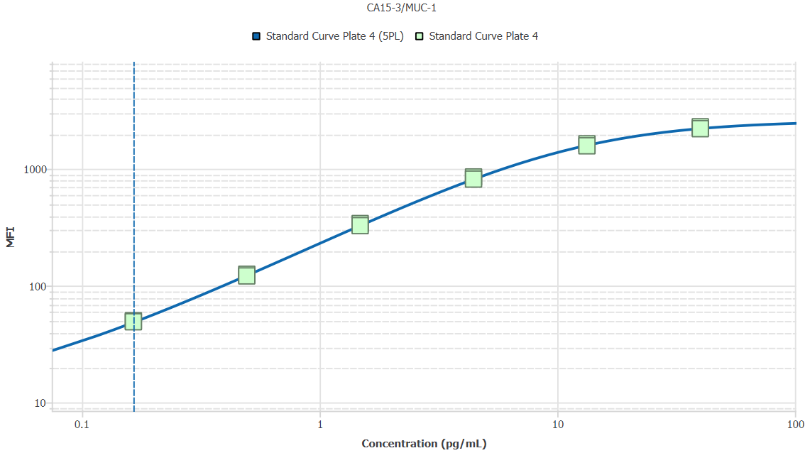
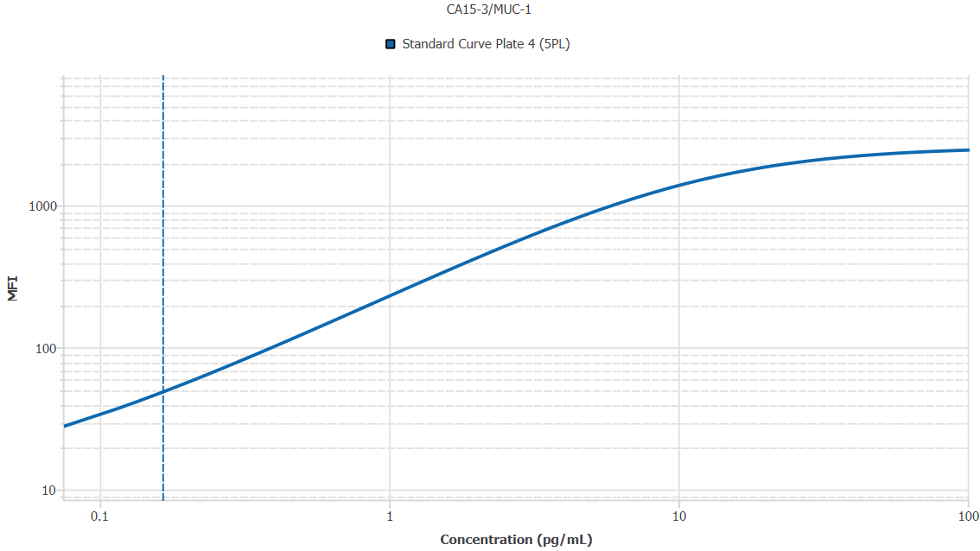
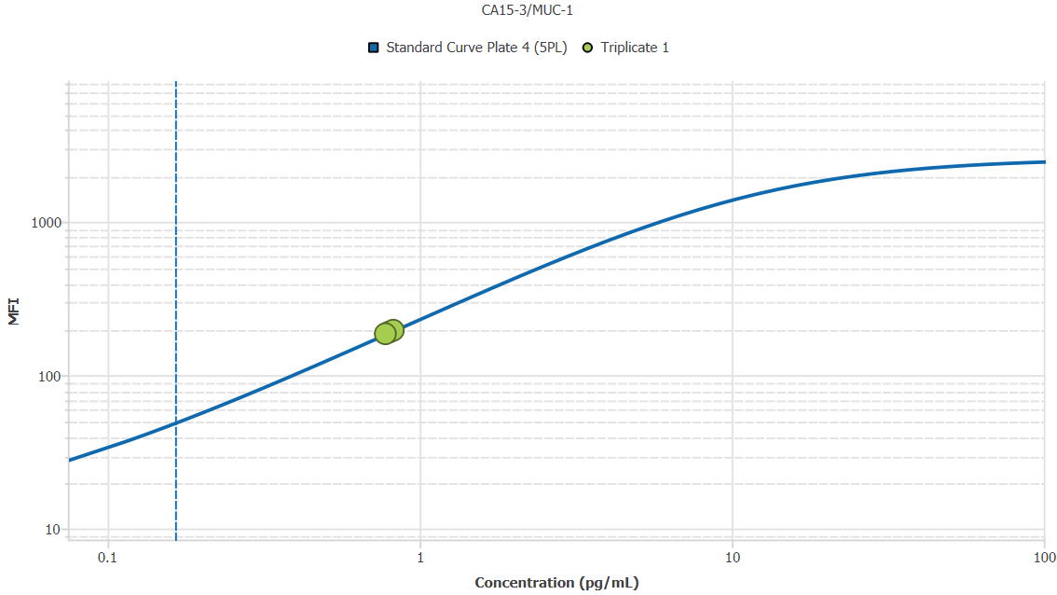
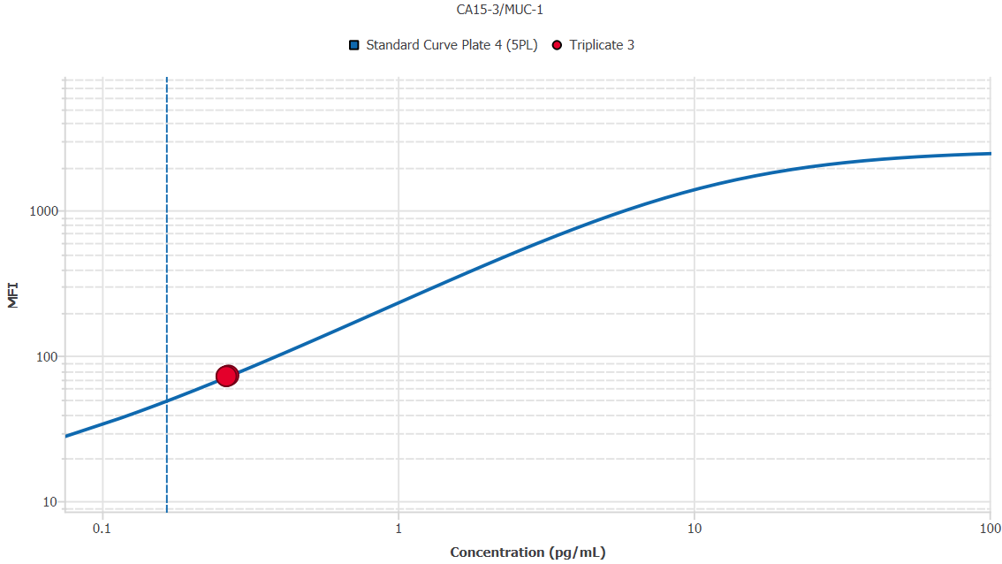
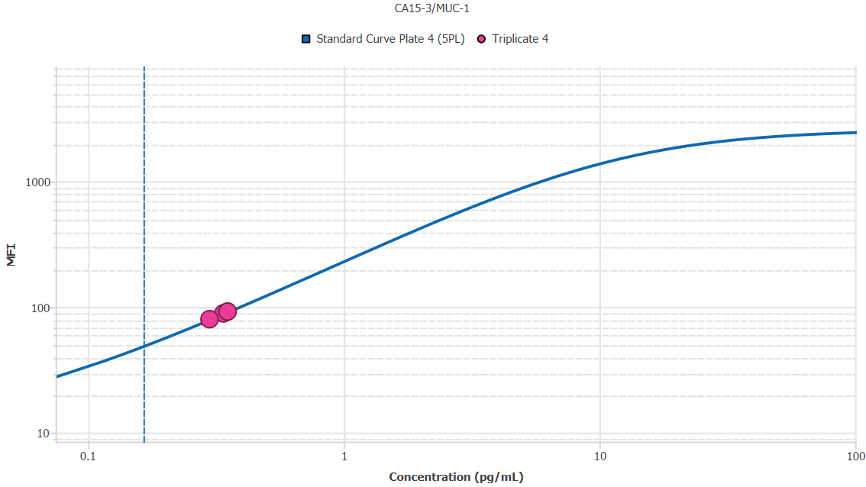
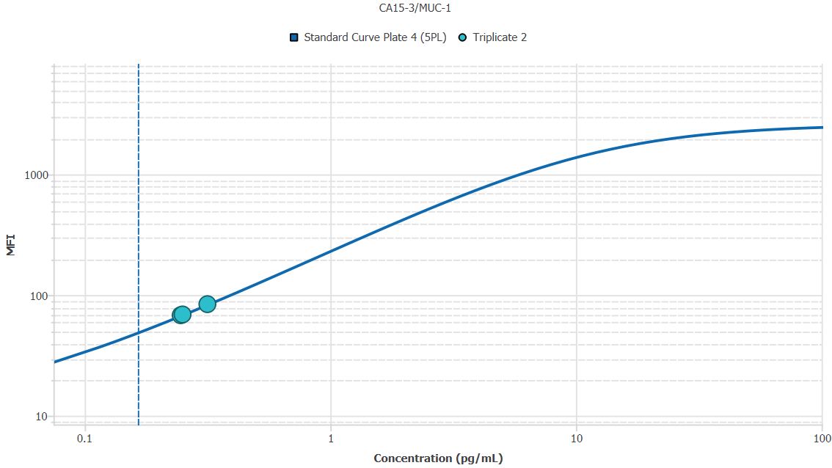
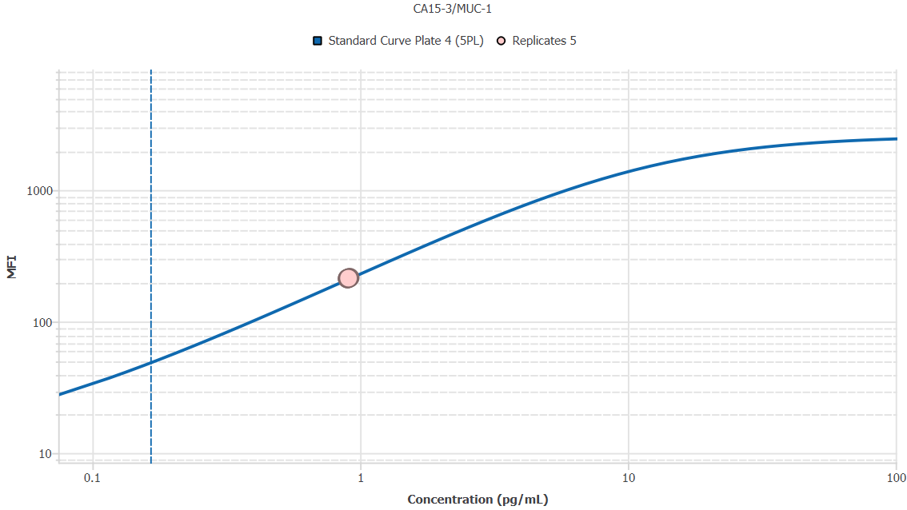
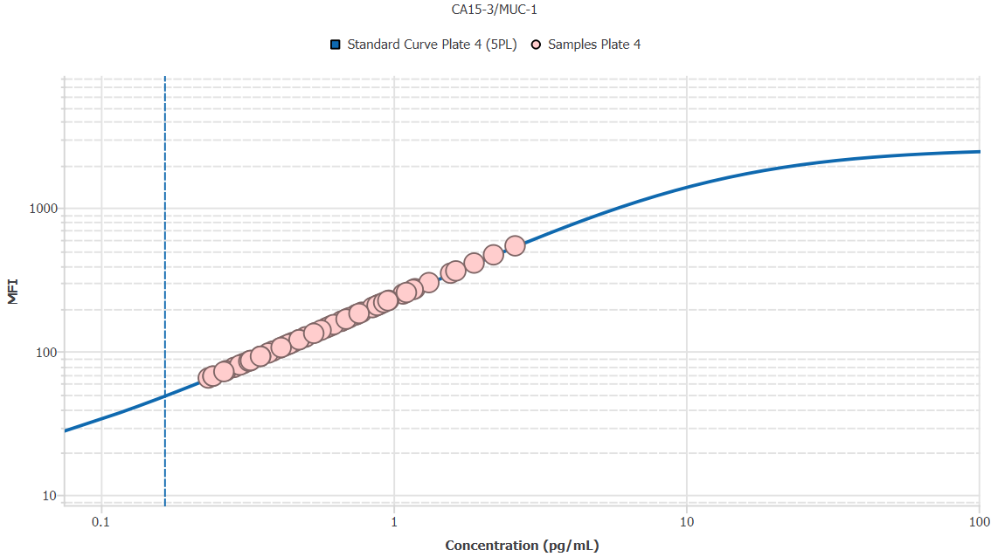
File Name: | O:/facility/2020/_ongoing_projects_/johanna_dahlqvist/PP2020_0052/anca_vasculitis/sia/luminex_interpolation/belysa_files/Belysa_MD_PP2020_0052_plate4_kit1_201111_CM_20200804_034335.belysa
Source File Name: | O:/facility/2020/_ongoing_projects_/johanna_dahlqvist/PP2020_0052/anca_vasculitis/sia/luminex_interpolation/luminex_data/PP2020_0052_plate4_kit1_201111_CM_20200804_034335.csv
Executed By:
Executed On:
Instrument: | MAGPX11083001
File Last Modified: | on nov 25 09:08:54 2020 GMT+0100
File Last Modified By: | matilda.dale
Instrument SW Version: | 4.2.1324.0
Analysis SW Version: | Belysa 1.0.19
Printed By SW Version: | 1.0.19
Experiment Name: | Experiment 1
Experiment Description:
Experiment Created By: | matilda.dale
Experiment Created On: | on nov 25 08:44:12 2020 GMT+0100

Original Name | Current Name | ID | Units | Precision
Analyte 75 | CA15-3/MUC-1 | 75 | pg/mL | 2

Standards

Plate | Group | Location | Well ID | Analyte | Expected | Unk. Dilution | Sample ID | Standard | Fit | Avg. Result | Result | Message | Result SD | Result CV | Avg. MFI | MFI | MFI CV | MFI SD | Avg. Recovery | Recovery | n | Exclude | Exclude Reason
Plate 4 | Standard Curve Plate 4 | A1 A12 | 1 | CA15-3/MUC-1 | 0.00 |  | Blank | Standard Curve Plate 4 | 5PL | - |  | EXT, ND | - | - | 10.50 |  | 6.7% | 0.71 | - |  | 2
Plate 4 | Standard Curve Plate 4 | A1 | 1 | CA15-3/MUC-1 | 0.00 |  | Blank | Standard Curve Plate 4 | 5PL |  | - | ND |  |  |  | 11.00 |  |  |  | -
Plate 4 | Standard Curve Plate 4 | A12 | 1 | CA15-3/MUC-1 | 0.00 |  | Blank | Standard Curve Plate 4 | 5PL |  | - | EXT |  |  |  | 10.00 |  |  |  | -
Plate 4 | Standard Curve Plate 4 | B1 B12 | 2 | CA15-3/MUC-1 | 0.16 |  | S6 | Standard Curve Plate 4 | 5PL | 0.17 |  |  | 0.00 | 1.8% | 49.50 |  | 1.4% | 0.71 | 100.7% |  | 2
Plate 4 | Standard Curve Plate 4 | B1 | 2 | CA15-3/MUC-1 | 0.16 |  | S6 | Standard Curve Plate 4 | 5PL |  | 0.17 |  |  |  |  | 50.00 |  |  |  | 102.0%
Plate 4 | Standard Curve Plate 4 | B12 | 2 | CA15-3/MUC-1 | 0.16 |  | S6 | Standard Curve Plate 4 | 5PL |  | 0.16 |  |  |  |  | 49.00 |  |  |  | 99.4%
Plate 4 | Standard Curve Plate 4 | C1 C12 | 3 | CA15-3/MUC-1 | 0.49 |  | S5 | Standard Curve Plate 4 | 5PL | 0.49 |  |  | 0.01 | 2.6% | 123.00 |  | 2.3% | 2.83 | 99.1% |  | 2
Plate 4 | Standard Curve Plate 4 | C1 | 3 | CA15-3/MUC-1 | 0.49 |  | S5 | Standard Curve Plate 4 | 5PL |  | 0.50 |  |  |  |  | 125.00 |  |  |  | 100.9%
Plate 4 | Standard Curve Plate 4 | C12 | 3 | CA15-3/MUC-1 | 0.49 |  | S5 | Standard Curve Plate 4 | 5PL |  | 0.48 |  |  |  |  | 121.00 |  |  |  | 97.2%
Plate 4 | Standard Curve Plate 4 | D1 D12 | 4 | CA15-3/MUC-1 | 1.48 |  | S4 | Standard Curve Plate 4 | 5PL | 1.49 |  |  | 0.05 | 3.2% | 332.75 |  | 2.9% | 9.55 | 100.3% |  | 2
Plate 4 | Standard Curve Plate 4 | D1 | 4 | CA15-3/MUC-1 | 1.48 |  | S4 | Standard Curve Plate 4 | 5PL |  | 1.52 |  |  |  |  | 339.50 |  |  |  | 102.6%
Plate 4 | Standard Curve Plate 4 | D12 | 4 | CA15-3/MUC-1 | 1.48 |  | S4 | Standard Curve Plate 4 | 5PL |  | 1.45 |  |  |  |  | 326.00 |  |  |  | 98.0%
Plate 4 | Standard Curve Plate 4 | E1 E12 | 5 | CA15-3/MUC-1 | 4.44 |  | S3 | Standard Curve Plate 4 | 5PL | 4.49 |  |  | 0.18 | 4.0% | 833.50 |  | 3.0% | 24.75 | 101.0% |  | 2
Plate 4 | Standard Curve Plate 4 | E1 | 5 | CA15-3/MUC-1 | 4.44 |  | S3 | Standard Curve Plate 4 | 5PL |  | 4.61 |  |  |  |  | 851.00 |  |  |  | 103.8%
Plate 4 | Standard Curve Plate 4 | E12 | 5 | CA15-3/MUC-1 | 4.44 |  | S3 | Standard Curve Plate 4 | 5PL |  | 4.36 |  |  |  |  | 816.00 |  |  |  | 98.1%
Plate 4 | Standard Curve Plate 4 | F1 F12 | 6 | CA15-3/MUC-1 | 13.33 |  | S2 | Standard Curve Plate 4 | 5PL | 13.20 |  |  | 0.80 | 6.1% | 1604.25 |  | 2.8% | 44.19 | 99.0% |  | 2
Plate 4 | Standard Curve Plate 4 | F1 | 6 | CA15-3/MUC-1 | 13.33 |  | S2 | Standard Curve Plate 4 | 5PL |  | 13.77 |  |  |  |  | 1635.50 |  |  |  | 103.2%
Plate 4 | Standard Curve Plate 4 | F12 | 6 | CA15-3/MUC-1 | 13.33 |  | S2 | Standard Curve Plate 4 | 5PL |  | 12.63 |  |  |  |  | 1573.00 |  |  |  | 94.7%
Plate 4 | Standard Curve Plate 4 | G1 G12 | 7 | CA15-3/MUC-1 | 40.00 |  | S1 | Standard Curve Plate 4 | 5PL | 38.22 |  |  | 1.64 | 4.3% | 2247.00 |  | 2.6% | 59.40 | 95.6% |  | 2
Plate 4 | Standard Curve Plate 4 | G1 | 7 | CA15-3/MUC-1 | 40.00 |  | S1 | Standard Curve Plate 4 | 5PL |  | 39.39 |  |  |  |  | 2289.00 |  |  |  | 98.5%
Plate 4 | Standard Curve Plate 4 | G12 | 7 | CA15-3/MUC-1 | 40.00 |  | S1 | Standard Curve Plate 4 | 5PL |  | 37.06 |  |  |  |  | 2205.00 |  |  |  | 92.7%

Unknowns

Plate | Group | Location | Well ID | Analyte | Expected | Unk. Dilution | Sample ID | Standard | Fit | Avg. Result | Result | Message | Result SD | Result CV | Avg. MFI | MFI | MFI CV | MFI SD | Avg. Recovery | Recovery | n | Exclude | Exclude Reason
Plate 4 | Blanks Plate 4 | H1 H9 H12 | 8 | CA15-3/MUC-1 |  | 1.00 | Blank | Standard Curve Plate 4 | 5PL | - |  | EXT | - | - | 10.00 |  | 0.0% | 0.00 | - |  | 3
Plate 4 | Blanks Plate 4 | H1 | 8 | CA15-3/MUC-1 |  | 1.00 | Blank | Standard Curve Plate 4 | 5PL |  | - | EXT |  |  |  | 10.00 |  |  |  | -
Plate 4 | Blanks Plate 4 | H9 | 8 | CA15-3/MUC-1 |  | 1.00 | Blank | Standard Curve Plate 4 | 5PL |  | - | EXT |  |  |  | 10.00 |  |  |  | -
Plate 4 | Blanks Plate 4 | H12 | 8 | CA15-3/MUC-1 |  | 1.00 | Blank | Standard Curve Plate 4 | 5PL |  | - | EXT |  |  |  | 10.00 |  |  |  | -
Plate 4 | Samples Plate 4 | A2 | 9 | CA15-3/MUC-1 |  | 50.00 | 1900073283 | Standard Curve Plate 4 | 5PL | 20.44 |  |  |  |  | 105.00 |  |  |  | -
Plate 4 | Samples Plate 4 | B2 | 10 | CA15-3/MUC-1 |  | 50.00 | SLE 0959 | Standard Curve Plate 4 | 5PL | 53.94 |  |  |  |  | 250.00 |  |  |  | -
Plate 4 | Samples Plate 4 | C2 | 11 | CA15-3/MUC-1 |  | 50.00 | RA2273 | Standard Curve Plate 4 | 5PL | 33.30 |  |  |  |  | 162.00 |  |  |  | -
Plate 4 | Samples Plate 4 | D2 | 12 | CA15-3/MUC-1 |  | 50.00 | RA2626 | Standard Curve Plate 4 | 5PL | 34.45 |  |  |  |  | 167.00 |  |  |  | -
Plate 4 | Samples Plate 4 | E2 | 13 | CA15-3/MUC-1 |  | 50.00 | UMU4 | Standard Curve Plate 4 | 5PL | 17.56 |  |  |  |  | 92.00 |  |  |  | -
Plate 4 | Samples Plate 4 | F2 | 14 | CA15-3/MUC-1 |  | 50.00 | RA2357 | Standard Curve Plate 4 | 5PL | 44.67 |  |  |  |  | 211.00 |  |  |  | -
Plate 4 | Samples Plate 4 | G2 | 15 | CA15-3/MUC-1 |  | 50.00 | VASKA 126 | Standard Curve Plate 4 | 5PL | 48.21 |  |  |  |  | 226.00 |  |  |  | -
Plate 4 | Samples Plate 4 | H2 | 16 | CA15-3/MUC-1 |  | 50.00 | 1900073326 | Standard Curve Plate 4 | 5PL | 26.71 |  |  |  |  | 133.00 |  |  |  | -
Plate 4 | Samples Plate 4 | A3 | 17 | CA15-3/MUC-1 |  | 50.00 | LU1098 | Standard Curve Plate 4 | 5PL | 11.64 |  |  |  |  | 65.00 |  |  |  | -
Plate 4 | Samples Plate 4 | B3 | 18 | CA15-3/MUC-1 |  | 50.00 | 1900073272 | Standard Curve Plate 4 | 5PL | 43.26 |  |  |  |  | 205.00 |  |  |  | -
Plate 4 | Samples Plate 4 | C3 | 19 | CA15-3/MUC-1 |  | 50.00 | VASKA 043 | Standard Curve Plate 4 | 5PL | 30.11 |  |  |  |  | 148.00 |  |  |  | -
Plate 4 | Samples Plate 4 | D3 | 20 | CA15-3/MUC-1 |  | 50.00 | IgA 1288 | Standard Curve Plate 4 | 5PL | 42.33 |  |  |  |  | 201.00 |  |  |  | -
Plate 4 | Samples Plate 4 | E3 | 21 | CA15-3/MUC-1 |  | 50.00 | RA914 | Standard Curve Plate 4 | 5PL | 25.13 |  |  |  |  | 126.00 |  |  |  | -
Plate 4 | Samples Plate 4 | F3 | 22 | CA15-3/MUC-1 |  | 50.00 | IgA 677 | Standard Curve Plate 4 | 5PL | 81.71 |  |  |  |  | 362.00 |  |  |  | -
Plate 4 | Samples Plate 4 | G3 | 23 | CA15-3/MUC-1 |  | 50.00 | RA1622 | Standard Curve Plate 4 | 5PL | 16.02 |  |  |  |  | 85.00 |  |  |  | -
Plate 4 | Samples Plate 4 | H3 | 24 | CA15-3/MUC-1 |  | 50.00 | RA2532 | Standard Curve Plate 4 | 5PL | 20.66 |  |  |  |  | 106.00 |  |  |  | -
Plate 4 | Samples Plate 4 | A4 | 25 | CA15-3/MUC-1 |  | 50.00 | RA1321 | Standard Curve Plate 4 | 5PL | 21.55 |  |  |  |  | 110.00 |  |  |  | -
Plate 4 | Samples Plate 4 | B4 | 26 | CA15-3/MUC-1 |  | 50.00 | 1900073369 | Standard Curve Plate 4 | 5PL | 37.44 |  |  |  |  | 180.00 |  |  |  | -
Plate 4 | Samples Plate 4 | C4 | 27 | CA15-3/MUC-1 |  | 50.00 | 1900073346 | Standard Curve Plate 4 | 5PL | 19.33 |  |  |  |  | 100.00 |  |  |  | -
Plate 4 | Samples Plate 4 | D4 | 28 | CA15-3/MUC-1 |  | 50.00 | 1900073266 | Standard Curve Plate 4 | 5PL | 31.24 |  |  |  |  | 153.00 |  |  |  | -
Plate 4 | Samples Plate 4 | E4 | 29 | CA15-3/MUC-1 |  | 50.00 | Daniel 108 | Standard Curve Plate 4 | 5PL | 66.11 |  |  |  |  | 300.00 |  |  |  | -
Plate 4 | Samples Plate 4 | F4 | 30 | CA15-3/MUC-1 |  | 50.00 | 1900073397 | Standard Curve Plate 4 | 5PL | 12.08 |  |  |  |  | 67.00 |  |  |  | -
Plate 4 | Samples Plate 4 | G4 | 31 | CA15-3/MUC-1 |  | 50.00 | VASKA 122_1 | Standard Curve Plate 4 | 5PL | 34.45 |  |  |  |  | 167.00 |  |  |  | -
Plate 4 | Samples Plate 4 | H4 | 32 | CA15-3/MUC-1 |  | 50.00 | RA2407 | Standard Curve Plate 4 | 5PL | 47.85 |  |  |  |  | 224.50 |  |  |  | -
Plate 4 | Samples Plate 4 | A5 | 33 | CA15-3/MUC-1 |  | 50.00 | VASKA 636 | Standard Curve Plate 4 | 5PL | 109.92 |  |  |  |  | 468.50 |  |  |  | -
Plate 4 | Samples Plate 4 | B5 | 34 | CA15-3/MUC-1 |  | 50.00 | 1900073391 | Standard Curve Plate 4 | 5PL | 14.26 |  |  |  |  | 77.00 |  |  |  | -
Plate 4 | Samples Plate 4 | C5 | 35 | CA15-3/MUC-1 |  | 50.00 | IgA 1180 | Standard Curve Plate 4 | 5PL | 24.91 |  |  |  |  | 125.00 |  |  |  | -
Plate 4 | Samples Plate 4 | D5 | 36 | CA15-3/MUC-1 |  | 50.00 | UMU63 | Standard Curve Plate 4 | 5PL | 21.11 |  |  |  |  | 108.00 |  |  |  | -
Plate 4 | Samples Plate 4 | E5 | 37 | CA15-3/MUC-1 |  | 50.00 | VASKA 645 | Standard Curve Plate 4 | 5PL | 23.79 |  |  |  |  | 120.00 |  |  |  | -
Plate 4 | Samples Plate 4 | F5 | 38 | CA15-3/MUC-1 |  | 50.00 | RA1865 | Standard Curve Plate 4 | 5PL | 22.00 |  |  |  |  | 112.00 |  |  |  | -
Plate 4 | Samples Plate 4 | G5 | 39 | CA15-3/MUC-1 |  | 50.00 | 1900073246 | Standard Curve Plate 4 | 5PL | 23.79 |  |  |  |  | 120.00 |  |  |  | -
Plate 4 | Samples Plate 4 | H5 | 40 | CA15-3/MUC-1 |  | 50.00 | Daniel 38 | Standard Curve Plate 4 | 5PL | 55.38 |  |  |  |  | 256.00 |  |  |  | -
Plate 4 | Samples Plate 4 | A6 | 41 | CA15-3/MUC-1 |  | 50.00 | LU1035 | Standard Curve Plate 4 | 5PL | 30.79 |  |  |  |  | 151.00 |  |  |  | -
Plate 4 | Samples Plate 4 | B6 | 42 | CA15-3/MUC-1 |  | 50.00 | VASKA 635 | Standard Curve Plate 4 | 5PL | 78.39 |  |  |  |  | 349.00 |  |  |  | -
Plate 4 | Samples Plate 4 | C6 | 43 | CA15-3/MUC-1 |  | 50.00 | 1900073278 | Standard Curve Plate 4 | 5PL | 33.07 |  |  |  |  | 161.00 |  |  |  | -
Plate 4 | Samples Plate 4 | D6 | 44 | CA15-3/MUC-1 |  | 50.00 | 1900073322 | Standard Curve Plate 4 | 5PL | 27.05 |  |  |  |  | 134.50 |  |  |  | -
Plate 4 | Samples Plate 4 | E6 | 45 | CA15-3/MUC-1 |  | 50.00 | RA1523 | Standard Curve Plate 4 | 5PL | 45.14 |  |  |  |  | 213.00 |  |  |  | -
Plate 4 | Samples Plate 4 | F6 | 46 | CA15-3/MUC-1 |  | 50.00 | 1900073347 | Standard Curve Plate 4 | 5PL | 35.37 |  |  |  |  | 171.00 |  |  |  | -
Plate 4 | Samples Plate 4 | G6 | 47 | CA15-3/MUC-1 |  | 50.00 | LU1001 | Standard Curve Plate 4 | 5PL | 28.29 |  |  |  |  | 140.00 |  |  |  | -
Plate 4 | Samples Plate 4 | H6 | 48 | CA15-3/MUC-1 |  | 50.00 | SLE 1519 | Standard Curve Plate 4 | 5PL | 38.14 |  |  |  |  | 183.00 |  |  |  | -
Plate 4 | Samples Plate 4 | A7 | 49 | CA15-3/MUC-1 |  | 50.00 | 1900073395 | Standard Curve Plate 4 | 5PL | 42.56 |  |  |  |  | 202.00 |  |  |  | -
Plate 4 | Samples Plate 4 | B7 | 50 | CA15-3/MUC-1 |  | 50.00 | 1900073420 | Standard Curve Plate 4 | 5PL | 44.20 |  |  |  |  | 209.00 |  |  |  | -
Plate 4 | Samples Plate 4 | C7 | 51 | CA15-3/MUC-1 |  | 50.00 | 1900073238 | Standard Curve Plate 4 | 5PL | 22.22 |  |  |  |  | 113.00 |  |  |  | -
Plate 4 | Samples Plate 4 | D7 | 52 | CA15-3/MUC-1 |  | 50.00 | Ö3 | Standard Curve Plate 4 | 5PL | 22.67 |  |  |  |  | 115.00 |  |  |  | -
Plate 4 | Samples Plate 4 | E7 | 53 | CA15-3/MUC-1 |  | 50.00 | Danie 56 | Standard Curve Plate 4 | 5PL | 58.40 |  |  |  |  | 268.50 |  |  |  | -
Plate 4 | Samples Plate 4 | F7 | 54 | CA15-3/MUC-1 |  | 50.00 | RA924 | Standard Curve Plate 4 | 5PL | 12.08 |  |  |  |  | 67.00 |  |  |  | -
Plate 4 | Samples Plate 4 | G7 | 55 | CA15-3/MUC-1 |  | 50.00 | UMU2 | Standard Curve Plate 4 | 5PL | 17.56 |  |  |  |  | 92.00 |  |  |  | -
Plate 4 | Samples Plate 4 | H7 | 56 | CA15-3/MUC-1 |  | 50.00 | 1900073330 | Standard Curve Plate 4 | 5PL | 16.24 |  |  |  |  | 86.00 |  |  |  | -
Plate 4 | Samples Plate 4 | A8 | 57 | CA15-3/MUC-1 |  | 50.00 | 1900073264 | Standard Curve Plate 4 | 5PL | 29.42 |  |  |  |  | 145.00 |  |  |  | -
Plate 4 | Samples Plate 4 | B8 | 58 | CA15-3/MUC-1 |  | 50.00 | 1900073328 | Standard Curve Plate 4 | 5PL | 15.36 |  |  |  |  | 82.00 |  |  |  | -
Plate 4 | Samples Plate 4 | C8 | 59 | CA15-3/MUC-1 |  | 50.00 | VASKA 114_1 | Standard Curve Plate 4 | 5PL | 59.25 |  |  |  |  | 272.00 |  |  |  | -
Plate 4 | Samples Plate 4 | D8 | 60 | CA15-3/MUC-1 |  | 50.00 | Daniel 95 | Standard Curve Plate 4 | 5PL | 14.92 |  |  |  |  | 80.00 |  |  |  | -
Plate 4 | Samples Plate 4 | E8 | 61 | CA15-3/MUC-1 |  | 50.00 | UMU008 | Standard Curve Plate 4 | 5PL | 37.21 |  |  |  |  | 179.00 |  |  |  | -
Plate 4 | Samples Plate 4 | F8 | 62 | CA15-3/MUC-1 |  | 50.00 | 1900073273 | Standard Curve Plate 4 | 5PL | 43.96 |  |  |  |  | 208.00 |  |  |  | -
Plate 4 | Samples Plate 4 | G8 | 63 | CA15-3/MUC-1 |  | 50.00 | 1900073329 | Standard Curve Plate 4 | 5PL | 46.32 |  |  |  |  | 218.00 |  |  |  | -
Plate 4 | Samples Plate 4 | H8 | 64 | CA15-3/MUC-1 |  | 50.00 | VASKA 649 | Standard Curve Plate 4 | 5PL | 17.56 |  |  |  |  | 92.00 |  |  |  | -
Plate 4 | Samples Plate 4 | A9 | 65 | CA15-3/MUC-1 |  | 50.00 | SLE 1510 | Standard Curve Plate 4 | 5PL | 38.95 |  |  |  |  | 186.50 |  |  |  | -
Plate 4 | Samples Plate 4 | B9 | 66 | CA15-3/MUC-1 |  | 50.00 | RA1767 | Standard Curve Plate 4 | 5PL | 13.39 |  |  |  |  | 73.00 |  |  |  | -
Plate 4 | Samples Plate 4 | C9 | 67 | CA15-3/MUC-1 |  | 50.00 | 1900073352 | Standard Curve Plate 4 | 5PL | 18.66 |  |  |  |  | 97.00 |  |  |  | -
Plate 4 | Samples Plate 4 | D9 | 68 | CA15-3/MUC-1 |  | 50.00 | LU1061 | Standard Curve Plate 4 | 5PL | 94.32 |  |  |  |  | 410.50 |  |  |  | -
Plate 4 | Samples Plate 4 | E9 | 69 | CA15-3/MUC-1 |  | 50.00 | VASKA 089_1 | Standard Curve Plate 4 | 5PL | 16.24 |  |  |  |  | 86.00 |  |  |  | -
Plate 4 | Samples Plate 4 | F9 | 70 | CA15-3/MUC-1 |  | 50.00 | 1900073230 | Standard Curve Plate 4 | 5PL | 13.17 |  |  |  |  | 72.00 |  |  |  | -
Plate 4 | Samples Plate 4 | G9 | 71 | CA15-3/MUC-1 |  | 50.00 | RA2045 | Standard Curve Plate 4 | 5PL | 130.27 |  |  |  |  | 541.00 |  |  |  | -
Plate 4 | Triplicate 1 | A10 B10 C10 | 72 | CA15-3/MUC-1 |  | 50.00 | 1900073310_rep | Standard Curve Plate 4 | 5PL | 39.99 |  |  | 1.16 | 2.9% | 191.00 |  | 2.6% | 5.00 | - |  | 3
Plate 4 | Triplicate 1 | A10 | 72 | CA15-3/MUC-1 |  | 50.00 | 1900073310_rep | Standard Curve Plate 4 | 5PL |  | 39.99 |  |  |  |  | 191.00 |  |  |  | -
Plate 4 | Triplicate 1 | B10 | 72 | CA15-3/MUC-1 |  | 50.00 | 1900073310_rep | Standard Curve Plate 4 | 5PL |  | 41.16 |  |  |  |  | 196.00 |  |  |  | -
Plate 4 | Triplicate 1 | C10 | 72 | CA15-3/MUC-1 |  | 50.00 | 1900073310_rep | Standard Curve Plate 4 | 5PL |  | 38.83 |  |  |  |  | 186.00 |  |  |  | -
Plate 4 | Triplicate 2 | D10 E10 F10 | 73 | CA15-3/MUC-1 |  | 50.00 | UMU76_rep | Standard Curve Plate 4 | 5PL | 13.54 |  |  | 1.96 | 14.5% | 73.67 |  | 12.2% | 8.96 | - |  | 3
Plate 4 | Triplicate 2 | D10 | 73 | CA15-3/MUC-1 |  | 50.00 | UMU76_rep | Standard Curve Plate 4 | 5PL |  | 15.80 |  |  |  |  | 84.00 |  |  |  | -
Plate 4 | Triplicate 2 | E10 | 73 | CA15-3/MUC-1 |  | 50.00 | UMU76_rep | Standard Curve Plate 4 | 5PL |  | 12.30 |  |  |  |  | 68.00 |  |  |  | -
Plate 4 | Triplicate 2 | F10 | 73 | CA15-3/MUC-1 |  | 50.00 | UMU76_rep | Standard Curve Plate 4 | 5PL |  | 12.52 |  |  |  |  | 69.00 |  |  |  | -
Plate 4 | Triplicate 3 | A11 G10 H10 | 74 | CA15-3/MUC-1 |  | 50.00 | 1900073363_rep | Standard Curve Plate 4 | 5PL | 13.24 |  |  | 0.13 | 1.0% | 72.33 |  | 0.8% | 0.58 | - |  | 3
Plate 4 | Triplicate 3 | A11 | 74 | CA15-3/MUC-1 |  | 50.00 | 1900073363_rep | Standard Curve Plate 4 | 5PL |  | 13.17 |  |  |  |  | 72.00 |  |  |  | -
Plate 4 | Triplicate 3 | G10 | 74 | CA15-3/MUC-1 |  | 50.00 | 1900073363_rep | Standard Curve Plate 4 | 5PL |  | 13.39 |  |  |  |  | 73.00 |  |  |  | -
Plate 4 | Triplicate 3 | H10 | 74 | CA15-3/MUC-1 |  | 50.00 | 1900073363_rep | Standard Curve Plate 4 | 5PL |  | 13.17 |  |  |  |  | 72.00 |  |  |  | -
Plate 4 | Triplicate 4 | B11 C11 D11 | 75 | CA15-3/MUC-1 |  | 50.00 | 1900073283_rep | Standard Curve Plate 4 | 5PL | 16.46 |  |  | 1.37 | 8.3% | 87.00 |  | 7.2% | 6.24 | - |  | 3
Plate 4 | Triplicate 4 | B11 | 75 | CA15-3/MUC-1 |  | 50.00 | 1900073283_rep | Standard Curve Plate 4 | 5PL |  | 16.90 |  |  |  |  | 89.00 |  |  |  | -
Plate 4 | Triplicate 4 | C11 | 75 | CA15-3/MUC-1 |  | 50.00 | 1900073283_rep | Standard Curve Plate 4 | 5PL |  | 14.92 |  |  |  |  | 80.00 |  |  |  | -
Plate 4 | Triplicate 4 | D11 | 75 | CA15-3/MUC-1 |  | 50.00 | 1900073283_rep | Standard Curve Plate 4 | 5PL |  | 17.56 |  |  |  |  | 92.00 |  |  |  | -
Plate 4 | Replicates 5 | E11 F11 G11 H11 | 76 | CA15-3/MUC-1 |  | 50.00 | SLE 0959_rep | Standard Curve Plate 4 | 5PL | 45.20 |  |  | 0.39 | 0.9% | 213.25 |  | 0.8% | 1.66 | - |  | 4
Plate 4 | Replicates 5 | E11 | 76 | CA15-3/MUC-1 |  | 50.00 | SLE 0959_rep | Standard Curve Plate 4 | 5PL |  | 44.90 |  |  |  |  | 212.00 |  |  |  | -
Plate 4 | Replicates 5 | F11 | 76 | CA15-3/MUC-1 |  | 50.00 | SLE 0959_rep | Standard Curve Plate 4 | 5PL |  | 45.73 |  |  |  |  | 215.50 |  |  |  | -
Plate 4 | Replicates 5 | G11 | 76 | CA15-3/MUC-1 |  | 50.00 | SLE 0959_rep | Standard Curve Plate 4 | 5PL |  | 44.90 |  |  |  |  | 212.00 |  |  |  | -
Plate 4 | Replicates 5 | H11 | 76 | CA15-3/MUC-1 |  | 50.00 | SLE 0959_rep | Standard Curve Plate 4 | 5PL |  | 45.26 |  |  |  |  | 213.50 |  |  |  | -

Curves

Group | Analyte | Fit | LLoQ | MDD | LoD | R Squared | Slope | Weighting | Equation
Standard Curve Plate 4 | CA15-3/MUC-1 | 5PL | 0.16 | 1.77 | 0.01 | 1.00 | 223.26 | 1/y^2 | y = 10.20 + (2612.64 - 10.20)/((1 + (11.66/x)^1.25))^0.79

TIMP-1
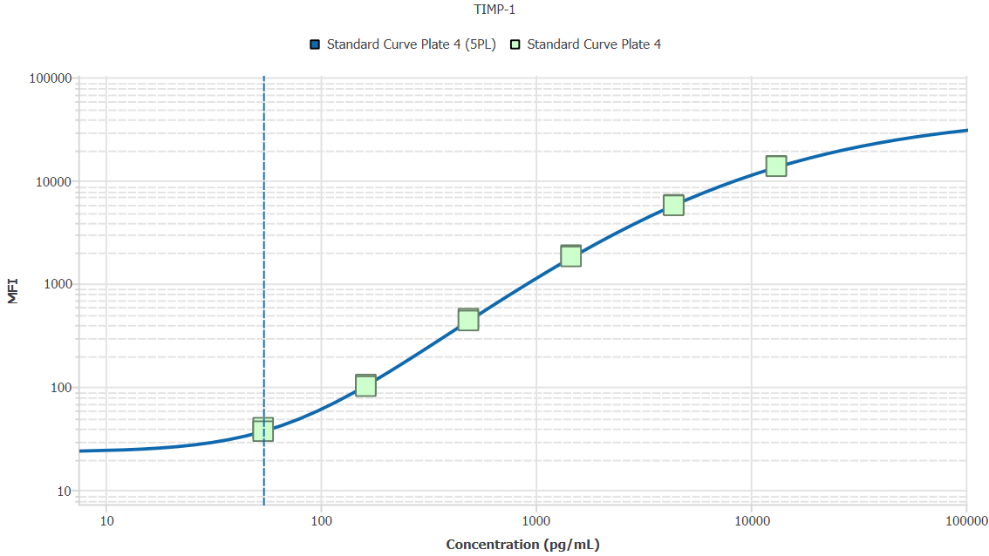
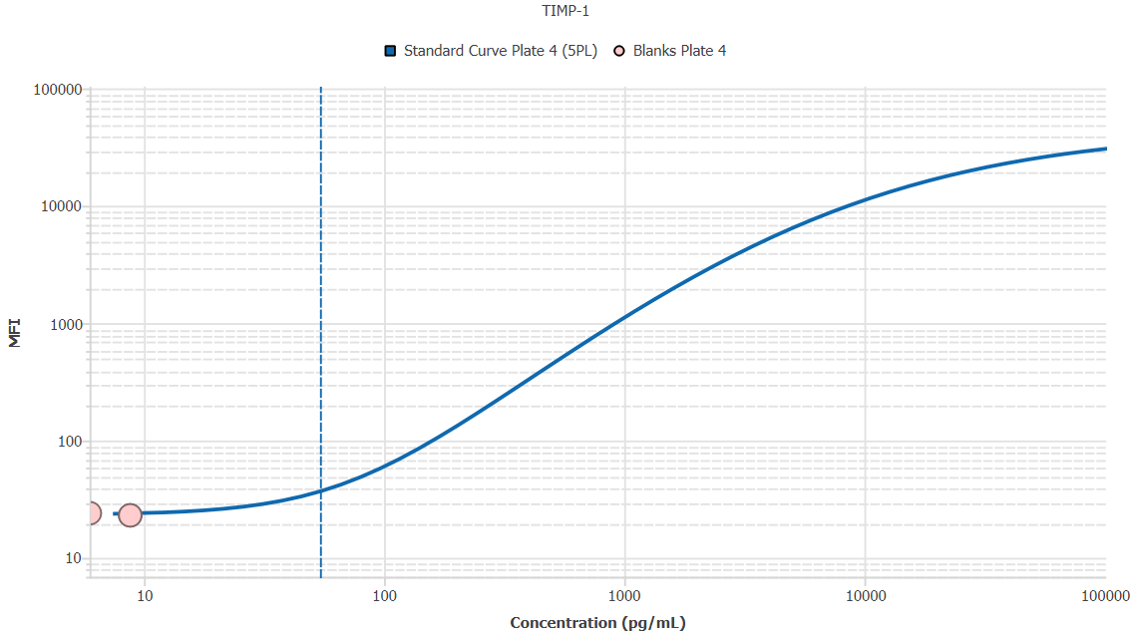
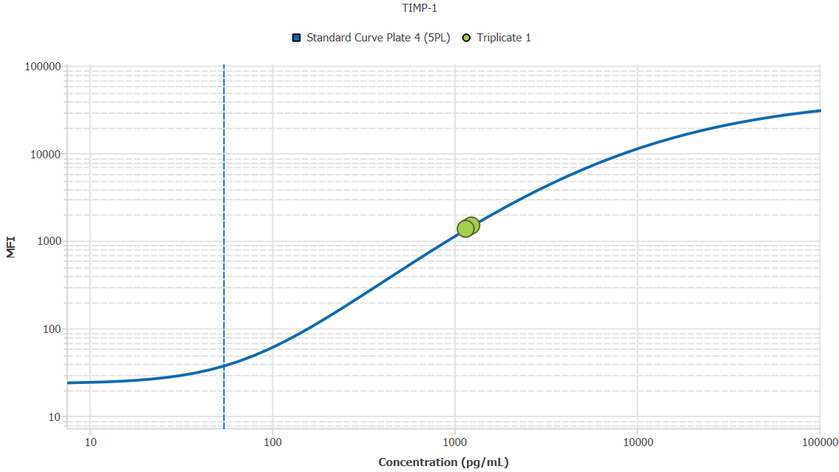
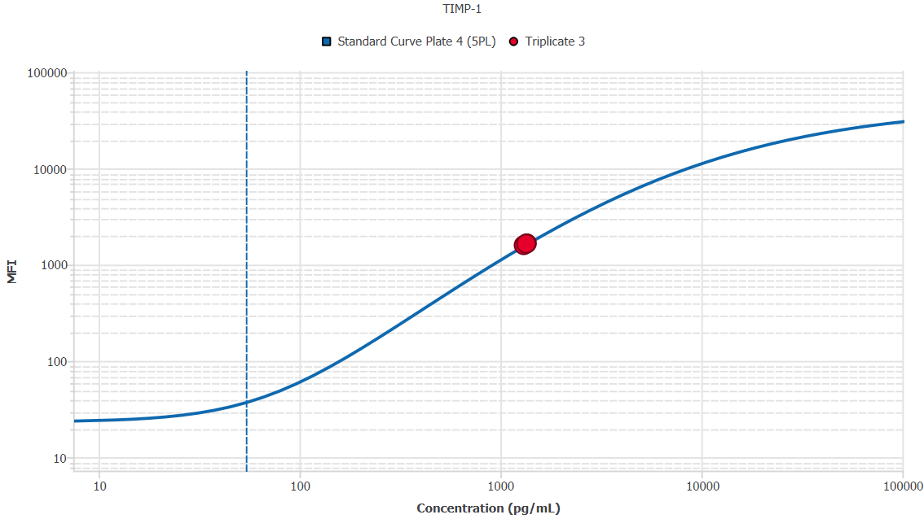
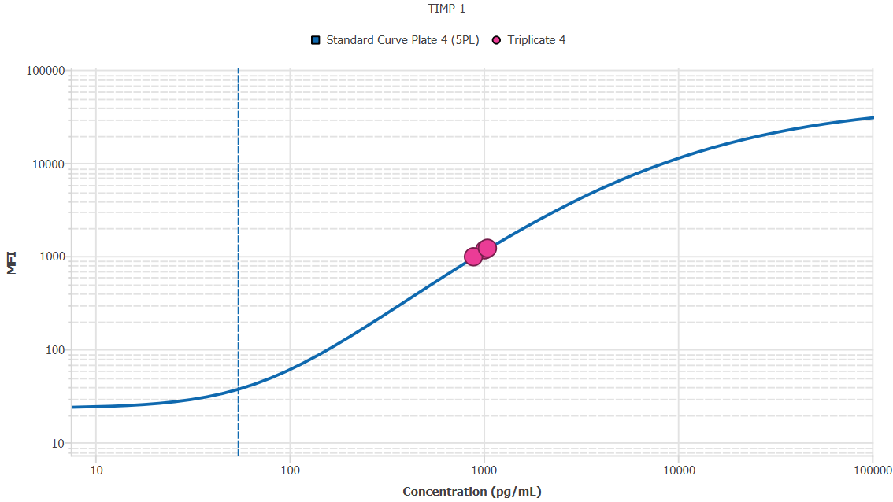
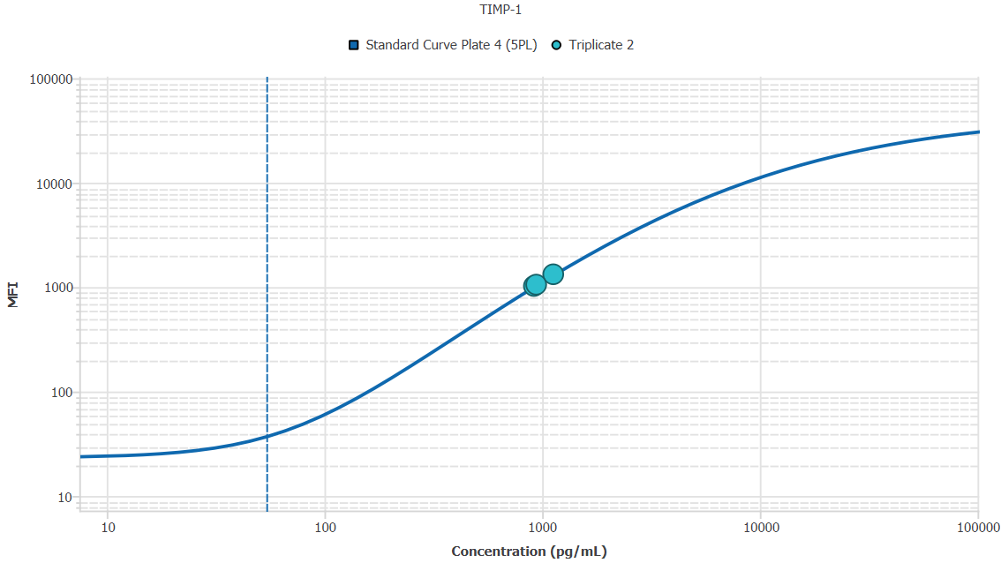
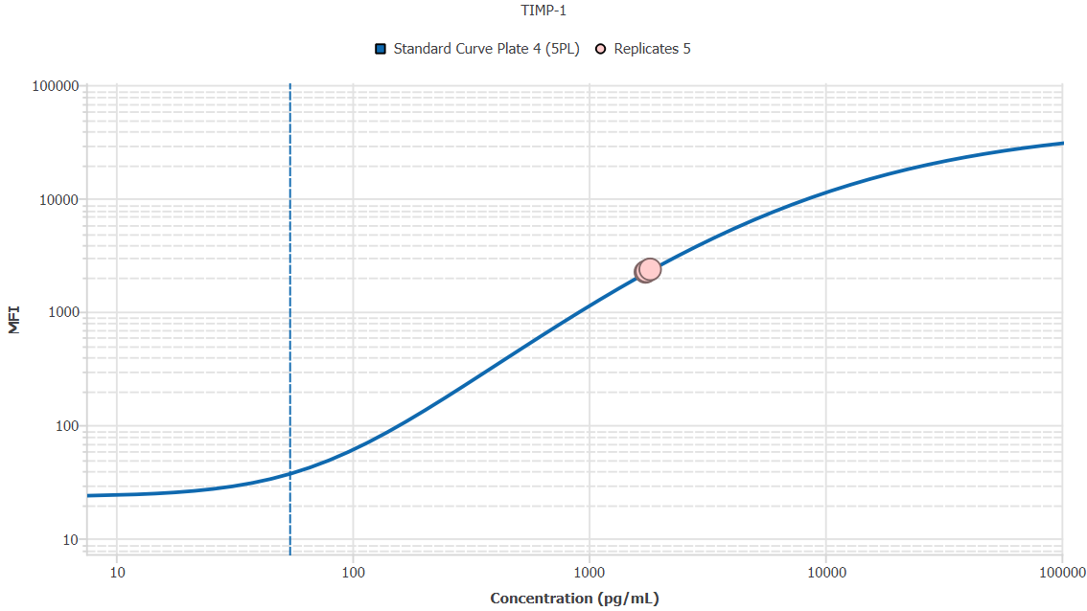
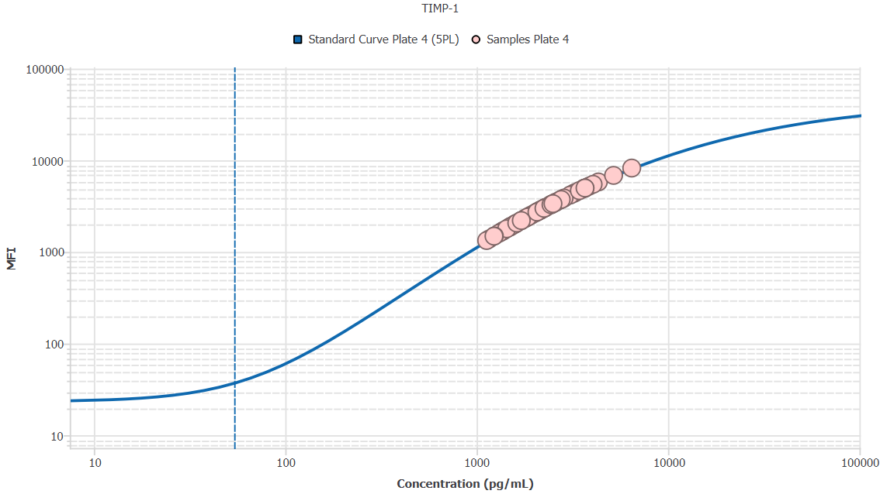
File Name: | O:/facility/2020/_ongoing_projects_/johanna_dahlqvist/PP2020_0052/anca_vasculitis/sia/luminex_interpolation/belysa_files/Belysa_MD_PP2020_0052_plate4_kit1_201111_CM_20200804_034335.belysa
Source File Name: | O:/facility/2020/_ongoing_projects_/johanna_dahlqvist/PP2020_0052/anca_vasculitis/sia/luminex_interpolation/luminex_data/PP2020_0052_plate4_kit1_201111_CM_20200804_034335.csv
Executed By:
Executed On:
Instrument: | MAGPX11083001
File Last Modified: | on nov 25 09:08:54 2020 GMT+0100
File Last Modified By: | matilda.dale
Instrument SW Version: | 4.2.1324.0
Analysis SW Version: | Belysa 1.0.19
Printed By SW Version: | 1.0.19
Experiment Name: | Experiment 1
Experiment Description:
Experiment Created By: | matilda.dale
Experiment Created On: | on nov 25 08:44:12 2020 GMT+0100

Original Name | Current Name | ID | Units | Precision
Analyte 76 | TIMP-1 | 76 | pg/mL | 2

Standards

Plate | Group | Location | Well ID | Analyte | Expected | Unk. Dilution | Sample ID | Standard | Fit | Avg. Result | Result | Message | Result SD | Result CV | Avg. MFI | MFI | MFI CV | MFI SD | Avg. Recovery | Recovery | n | Exclude | Exclude Reason
Plate 4 | Standard Curve Plate 4 | A1 A12 | 1 | TIMP-1 | 0.00 |  | Blank | Standard Curve Plate 4 | 5PL | - |  | EXT | - | - | 23.50 |  | 3.0% | 0.71 | - |  | 2
Plate 4 | Standard Curve Plate 4 | A1 | 1 | TIMP-1 | 0.00 |  | Blank | Standard Curve Plate 4 | 5PL |  | - |  |  |  |  | 24.00 |  |  |  | -
Plate 4 | Standard Curve Plate 4 | A12 | 1 | TIMP-1 | 0.00 |  | Blank | Standard Curve Plate 4 | 5PL |  | - | EXT |  |  |  | 23.00 |  |  |  | -
Plate 4 | Standard Curve Plate 4 | B1 B12 | 2 | TIMP-1 | 54.12 |  | S6 | Standard Curve Plate 4 | 5PL | 55.99 |  |  | 4.91 | 8.8% | 38.50 |  | 5.5% | 2.12 | 103.5% |  | 2
Plate 4 | Standard Curve Plate 4 | B1 | 2 | TIMP-1 | 54.12 |  | S6 | Standard Curve Plate 4 | 5PL |  | 59.46 |  |  |  |  | 40.00 |  |  |  | 109.9%
Plate 4 | Standard Curve Plate 4 | B12 | 2 | TIMP-1 | 54.12 |  | S6 | Standard Curve Plate 4 | 5PL |  | 52.52 |  |  |  |  | 37.00 |  |  |  | 97.0%
Plate 4 | Standard Curve Plate 4 | C1 C12 | 3 | TIMP-1 | 162.35 |  | S5 | Standard Curve Plate 4 | 5PL | 159.83 |  |  | 3.65 | 2.3% | 103.00 |  | 2.7% | 2.83 | 98.4% |  | 2
Plate 4 | Standard Curve Plate 4 | C1 | 3 | TIMP-1 | 162.35 |  | S5 | Standard Curve Plate 4 | 5PL |  | 162.41 |  |  |  |  | 105.00 |  |  |  | 100.0%
Plate 4 | Standard Curve Plate 4 | C12 | 3 | TIMP-1 | 162.35 |  | S5 | Standard Curve Plate 4 | 5PL |  | 157.24 |  |  |  |  | 101.00 |  |  |  | 96.9%
Plate 4 | Standard Curve Plate 4 | D1 D12 | 4 | TIMP-1 | 487.04 |  | S4 | Standard Curve Plate 4 | 5PL | 488.90 |  |  | 10.63 | 2.2% | 446.75 |  | 2.9% | 13.08 | 100.4% |  | 2
Plate 4 | Standard Curve Plate 4 | D1 | 4 | TIMP-1 | 487.04 |  | S4 | Standard Curve Plate 4 | 5PL |  | 496.41 |  |  |  |  | 456.00 |  |  |  | 101.9%
Plate 4 | Standard Curve Plate 4 | D12 | 4 | TIMP-1 | 487.04 |  | S4 | Standard Curve Plate 4 | 5PL |  | 481.38 |  |  |  |  | 437.50 |  |  |  | 98.8%
Plate 4 | Standard Curve Plate 4 | E1 E12 | 5 | TIMP-1 | 1461.11 |  | S3 | Standard Curve Plate 4 | 5PL | 1483.66 |  |  | 27.29 | 1.8% | 1857.25 |  | 2.2% | 40.66 | 101.5% |  | 2
Plate 4 | Standard Curve Plate 4 | E1 | 5 | TIMP-1 | 1461.11 |  | S3 | Standard Curve Plate 4 | 5PL |  | 1502.95 |  |  |  |  | 1886.00 |  |  |  | 102.9%
Plate 4 | Standard Curve Plate 4 | E12 | 5 | TIMP-1 | 1461.11 |  | S3 | Standard Curve Plate 4 | 5PL |  | 1464.36 |  |  |  |  | 1828.50 |  |  |  | 100.2%
Plate 4 | Standard Curve Plate 4 | F1 F12 | 6 | TIMP-1 | 4383.33 |  | S2 | Standard Curve Plate 4 | 5PL | 4299.01 |  |  | 47.83 | 1.1% | 5760.00 |  | 1.0% | 59.40 | 98.1% |  | 2
Plate 4 | Standard Curve Plate 4 | F1 | 6 | TIMP-1 | 4383.33 |  | S2 | Standard Curve Plate 4 | 5PL |  | 4332.84 |  |  |  |  | 5802.00 |  |  |  | 98.8%
Plate 4 | Standard Curve Plate 4 | F12 | 6 | TIMP-1 | 4383.33 |  | S2 | Standard Curve Plate 4 | 5PL |  | 4265.19 |  |  |  |  | 5718.00 |  |  |  | 97.3%
Plate 4 | Standard Curve Plate 4 | G1 G12 | 7 | TIMP-1 | 13150.00 |  | S1 | Standard Curve Plate 4 | 5PL | 13125.46 |  |  | 65.64 | 0.5% | 13773.50 |  | 0.7% | 101.12 | 99.8% |  | 2
Plate 4 | Standard Curve Plate 4 | G1 | 7 | TIMP-1 | 13150.00 |  | S1 | Standard Curve Plate 4 | 5PL |  | 13079.05 |  |  |  |  | 13845.00 |  |  |  | 99.5%
Plate 4 | Standard Curve Plate 4 | G12 | 7 | TIMP-1 | 13150.00 |  | S1 | Standard Curve Plate 4 | 5PL |  | 13171.87 |  |  |  |  | 13702.00 |  |  |  | 100.2%

Unknowns

Plate | Group | Location | Well ID | Analyte | Expected | Unk. Dilution | Sample ID | Standard | Fit | Avg. Result | Result | Message | Result SD | Result CV | Avg. MFI | MFI | MFI CV | MFI SD | Avg. Recovery | Recovery | n | Exclude | Exclude Reason
Plate 4 | Blanks Plate 4 | H1 H9 H12 | 8 | TIMP-1 |  | 1.00 | Blank | Standard Curve Plate 4 | 5PL | 7.83 |  | BLOQ, EXT | 1.63 | 20.8% | 23.33 |  | 2.5% | 0.58 | - |  | 3
Plate 4 | Blanks Plate 4 | H1 | 8 | TIMP-1 |  | 1.00 | Blank | Standard Curve Plate 4 | 5PL |  | 8.77 | EXT |  |  |  | 23.00 |  |  |  | -
Plate 4 | Blanks Plate 4 | H9 | 8 | TIMP-1 |  | 1.00 | Blank | Standard Curve Plate 4 | 5PL |  | 5.96 | BLOQ |  |  |  | 24.00 |  |  |  | -
Plate 4 | Blanks Plate 4 | H12 | 8 | TIMP-1 |  | 1.00 | Blank | Standard Curve Plate 4 | 5PL |  | 8.77 | EXT |  |  |  | 23.00 |  |  |  | -
Plate 4 | Samples Plate 4 | A2 | 9 | TIMP-1 |  | 50.00 | 1900073283 | Standard Curve Plate 4 | 5PL | 58231.80 |  |  |  |  | 1384.00 |  |  |  | -
Plate 4 | Samples Plate 4 | B2 | 10 | TIMP-1 |  | 50.00 | SLE 0959 | Standard Curve Plate 4 | 5PL | 103121.03 |  |  |  |  | 2716.00 |  |  |  | -
Plate 4 | Samples Plate 4 | C2 | 11 | TIMP-1 |  | 50.00 | RA2273 | Standard Curve Plate 4 | 5PL | 183586.49 |  |  |  |  | 4960.00 |  |  |  | -
Plate 4 | Samples Plate 4 | D2 | 12 | TIMP-1 |  | 50.00 | RA2626 | Standard Curve Plate 4 | 5PL | 112228.52 |  |  |  |  | 2982.50 |  |  |  | -
Plate 4 | Samples Plate 4 | E2 | 13 | TIMP-1 |  | 50.00 | UMU4 | Standard Curve Plate 4 | 5PL | 154144.66 |  |  |  |  | 4170.00 |  |  |  | -
Plate 4 | Samples Plate 4 | F2 | 14 | TIMP-1 |  | 50.00 | RA2357 | Standard Curve Plate 4 | 5PL | 126604.01 |  |  |  |  | 3397.50 |  |  |  | -
Plate 4 | Samples Plate 4 | G2 | 15 | TIMP-1 |  | 50.00 | VASKA 126 | Standard Curve Plate 4 | 5PL | 138428.84 |  |  |  |  | 3733.00 |  |  |  | -
Plate 4 | Samples Plate 4 | H2 | 16 | TIMP-1 |  | 50.00 | 1900073326 | Standard Curve Plate 4 | 5PL | 61655.00 |  |  |  |  | 1485.00 |  |  |  | -
Plate 4 | Samples Plate 4 | A3 | 17 | TIMP-1 |  | 50.00 | LU1098 | Standard Curve Plate 4 | 5PL | 100301.17 |  |  |  |  | 2633.00 |  |  |  | -
Plate 4 | Samples Plate 4 | B3 | 18 | TIMP-1 |  | 50.00 | 1900073272 | Standard Curve Plate 4 | 5PL | 94039.90 |  |  |  |  | 2448.00 |  |  |  | -
Plate 4 | Samples Plate 4 | C3 | 19 | TIMP-1 |  | 50.00 | VASKA 043 | Standard Curve Plate 4 | 5PL | 159958.76 |  |  |  |  | 4329.00 |  |  |  | -
Plate 4 | Samples Plate 4 | D3 | 20 | TIMP-1 |  | 50.00 | IgA 1288 | Standard Curve Plate 4 | 5PL | 129897.48 |  |  |  |  | 3491.50 |  |  |  | -
Plate 4 | Samples Plate 4 | E3 | 21 | TIMP-1 |  | 50.00 | RA914 | Standard Curve Plate 4 | 5PL | 203129.61 |  |  |  |  | 5463.50 |  |  |  | -
Plate 4 | Samples Plate 4 | F3 | 22 | TIMP-1 |  | 50.00 | IgA 677 | Standard Curve Plate 4 | 5PL | 135679.73 |  |  |  |  | 3655.50 |  |  |  | -
Plate 4 | Samples Plate 4 | G3 | 23 | TIMP-1 |  | 50.00 | RA1622 | Standard Curve Plate 4 | 5PL | 123133.56 |  |  |  |  | 3298.00 |  |  |  | -
Plate 4 | Samples Plate 4 | H3 | 24 | TIMP-1 |  | 50.00 | RA2532 | Standard Curve Plate 4 | 5PL | 172145.23 |  |  |  |  | 4657.50 |  |  |  | -
Plate 4 | Samples Plate 4 | A4 | 25 | TIMP-1 |  | 50.00 | RA1321 | Standard Curve Plate 4 | 5PL | 85687.34 |  |  |  |  | 2200.00 |  |  |  | -
Plate 4 | Samples Plate 4 | B4 | 26 | TIMP-1 |  | 50.00 | 1900073369 | Standard Curve Plate 4 | 5PL | 56428.64 |  |  |  |  | 1331.00 |  |  |  | -
Plate 4 | Samples Plate 4 | C4 | 27 | TIMP-1 |  | 50.00 | 1900073346 | Standard Curve Plate 4 | 5PL | 68969.19 |  |  |  |  | 1702.00 |  |  |  | -
Plate 4 | Samples Plate 4 | D4 | 28 | TIMP-1 |  | 50.00 | 1900073266 | Standard Curve Plate 4 | 5PL | 68733.85 |  |  |  |  | 1695.00 |  |  |  | -
Plate 4 | Samples Plate 4 | E4 | 29 | TIMP-1 |  | 50.00 | Daniel 108 | Standard Curve Plate 4 | 5PL | 184350.65 |  |  |  |  | 4980.00 |  |  |  | -
Plate 4 | Samples Plate 4 | F4 | 30 | TIMP-1 |  | 50.00 | 1900073397 | Standard Curve Plate 4 | 5PL | 71824.86 |  |  |  |  | 1787.00 |  |  |  | -
Plate 4 | Samples Plate 4 | G4 | 31 | TIMP-1 |  | 50.00 | VASKA 122_1 | Standard Curve Plate 4 | 5PL | 180577.51 |  |  |  |  | 4881.00 |  |  |  | -
Plate 4 | Samples Plate 4 | H4 | 32 | TIMP-1 |  | 50.00 | RA2407 | Standard Curve Plate 4 | 5PL | 122420.50 |  |  |  |  | 3277.50 |  |  |  | -
Plate 4 | Samples Plate 4 | A5 | 33 | TIMP-1 |  | 50.00 | VASKA 636 | Standard Curve Plate 4 | 5PL | 184446.24 |  |  |  |  | 4982.50 |  |  |  | -
Plate 4 | Samples Plate 4 | B5 | 34 | TIMP-1 |  | 50.00 | 1900073391 | Standard Curve Plate 4 | 5PL | 74291.99 |  |  |  |  | 1860.50 |  |  |  | -
Plate 4 | Samples Plate 4 | C5 | 35 | TIMP-1 |  | 50.00 | IgA 1180 | Standard Curve Plate 4 | 5PL | 323301.28 |  |  |  |  | 8219.00 |  |  |  | -
Plate 4 | Samples Plate 4 | D5 | 36 | TIMP-1 |  | 50.00 | UMU63 | Standard Curve Plate 4 | 5PL | 128897.37 |  |  |  |  | 3463.00 |  |  |  | -
Plate 4 | Samples Plate 4 | E5 | 37 | TIMP-1 |  | 50.00 | VASKA 645 | Standard Curve Plate 4 | 5PL | 107501.70 |  |  |  |  | 2844.50 |  |  |  | -
Plate 4 | Samples Plate 4 | F5 | 38 | TIMP-1 |  | 50.00 | RA1865 | Standard Curve Plate 4 | 5PL | 123307.58 |  |  |  |  | 3303.00 |  |  |  | -
Plate 4 | Samples Plate 4 | G5 | 39 | TIMP-1 |  | 50.00 | 1900073246 | Standard Curve Plate 4 | 5PL | 61959.33 |  |  |  |  | 1494.00 |  |  |  | -
Plate 4 | Samples Plate 4 | H5 | 40 | TIMP-1 |  | 50.00 | Daniel 38 | Standard Curve Plate 4 | 5PL | 125329.08 |  |  |  |  | 3361.00 |  |  |  | -
Plate 4 | Samples Plate 4 | A6 | 41 | TIMP-1 |  | 50.00 | LU1035 | Standard Curve Plate 4 | 5PL | 104584.83 |  |  |  |  | 2759.00 |  |  |  | -
Plate 4 | Samples Plate 4 | B6 | 42 | TIMP-1 |  | 50.00 | VASKA 635 | Standard Curve Plate 4 | 5PL | 163920.36 |  |  |  |  | 4436.50 |  |  |  | -
Plate 4 | Samples Plate 4 | C6 | 43 | TIMP-1 |  | 50.00 | 1900073278 | Standard Curve Plate 4 | 5PL | 74711.44 |  |  |  |  | 1873.00 |  |  |  | -
Plate 4 | Samples Plate 4 | D6 | 44 | TIMP-1 |  | 50.00 | 1900073322 | Standard Curve Plate 4 | 5PL | 65469.18 |  |  |  |  | 1598.00 |  |  |  | -
Plate 4 | Samples Plate 4 | E6 | 45 | TIMP-1 |  | 50.00 | RA1523 | Standard Curve Plate 4 | 5PL | 181413.94 |  |  |  |  | 4903.00 |  |  |  | -
Plate 4 | Samples Plate 4 | F6 | 46 | TIMP-1 |  | 50.00 | 1900073347 | Standard Curve Plate 4 | 5PL | 90465.05 |  |  |  |  | 2342.00 |  |  |  | -
Plate 4 | Samples Plate 4 | G6 | 47 | TIMP-1 |  | 50.00 | LU1001 | Standard Curve Plate 4 | 5PL | 106801.55 |  |  |  |  | 2824.00 |  |  |  | -
Plate 4 | Samples Plate 4 | H6 | 48 | TIMP-1 |  | 50.00 | SLE 1519 | Standard Curve Plate 4 | 5PL | 184293.31 |  |  |  |  | 4978.50 |  |  |  | -
Plate 4 | Samples Plate 4 | A7 | 49 | TIMP-1 |  | 50.00 | 1900073395 | Standard Curve Plate 4 | 5PL | 76691.00 |  |  |  |  | 1932.00 |  |  |  | -
Plate 4 | Samples Plate 4 | B7 | 50 | TIMP-1 |  | 50.00 | 1900073420 | Standard Curve Plate 4 | 5PL | 79609.91 |  |  |  |  | 2019.00 |  |  |  | -
Plate 4 | Samples Plate 4 | C7 | 51 | TIMP-1 |  | 50.00 | 1900073238 | Standard Curve Plate 4 | 5PL | 67354.80 |  |  |  |  | 1654.00 |  |  |  | -
Plate 4 | Samples Plate 4 | D7 | 52 | TIMP-1 |  | 50.00 | Ö3 | Standard Curve Plate 4 | 5PL | 193520.17 |  |  |  |  | 5218.00 |  |  |  | -
Plate 4 | Samples Plate 4 | E7 | 53 | TIMP-1 |  | 50.00 | Danie 56 | Standard Curve Plate 4 | 5PL | 114377.49 |  |  |  |  | 3045.00 |  |  |  | -
Plate 4 | Samples Plate 4 | F7 | 54 | TIMP-1 |  | 50.00 | RA924 | Standard Curve Plate 4 | 5PL | 121013.67 |  |  |  |  | 3237.00 |  |  |  | -
Plate 4 | Samples Plate 4 | G7 | 55 | TIMP-1 |  | 50.00 | UMU2 | Standard Curve Plate 4 | 5PL | 107997.23 |  |  |  |  | 2859.00 |  |  |  | -
Plate 4 | Samples Plate 4 | H7 | 56 | TIMP-1 |  | 50.00 | 1900073330 | Standard Curve Plate 4 | 5PL | 85636.93 |  |  |  |  | 2198.50 |  |  |  | -
Plate 4 | Samples Plate 4 | A8 | 57 | TIMP-1 |  | 50.00 | 1900073264 | Standard Curve Plate 4 | 5PL | 79307.93 |  |  |  |  | 2010.00 |  |  |  | -
Plate 4 | Samples Plate 4 | B8 | 58 | TIMP-1 |  | 50.00 | 1900073328 | Standard Curve Plate 4 | 5PL | 96439.26 |  |  |  |  | 2519.00 |  |  |  | -
Plate 4 | Samples Plate 4 | C8 | 59 | TIMP-1 |  | 50.00 | VASKA 114_1 | Standard Curve Plate 4 | 5PL | 115100.75 |  |  |  |  | 3066.00 |  |  |  | -
Plate 4 | Samples Plate 4 | D8 | 60 | TIMP-1 |  | 50.00 | Daniel 95 | Standard Curve Plate 4 | 5PL | 216480.28 |  |  |  |  | 5798.00 |  |  |  | -
Plate 4 | Samples Plate 4 | E8 | 61 | TIMP-1 |  | 50.00 | UMU008 | Standard Curve Plate 4 | 5PL | 84830.46 |  |  |  |  | 2174.50 |  |  |  | -
Plate 4 | Samples Plate 4 | F8 | 62 | TIMP-1 |  | 50.00 | 1900073273 | Standard Curve Plate 4 | 5PL | 92639.33 |  |  |  |  | 2406.50 |  |  |  | -
Plate 4 | Samples Plate 4 | G8 | 63 | TIMP-1 |  | 50.00 | 1900073329 | Standard Curve Plate 4 | 5PL | 103359.19 |  |  |  |  | 2723.00 |  |  |  | -
Plate 4 | Samples Plate 4 | H8 | 64 | TIMP-1 |  | 50.00 | VASKA 649 | Standard Curve Plate 4 | 5PL | 259910.99 |  |  |  |  | 6835.00 |  |  |  | -
Plate 4 | Samples Plate 4 | A9 | 65 | TIMP-1 |  | 50.00 | SLE 1510 | Standard Curve Plate 4 | 5PL | 109536.75 |  |  |  |  | 2904.00 |  |  |  | -
Plate 4 | Samples Plate 4 | B9 | 66 | TIMP-1 |  | 50.00 | RA1767 | Standard Curve Plate 4 | 5PL | 89168.55 |  |  |  |  | 2303.50 |  |  |  | -
Plate 4 | Samples Plate 4 | C9 | 67 | TIMP-1 |  | 50.00 | 1900073352 | Standard Curve Plate 4 | 5PL | 74946.33 |  |  |  |  | 1880.00 |  |  |  | -
Plate 4 | Samples Plate 4 | D9 | 68 | TIMP-1 |  | 50.00 | LU1061 | Standard Curve Plate 4 | 5PL | 140350.87 |  |  |  |  | 3787.00 |  |  |  | -
Plate 4 | Samples Plate 4 | E9 | 69 | TIMP-1 |  | 50.00 | VASKA 089_1 | Standard Curve Plate 4 | 5PL | 143351.57 |  |  |  |  | 3871.00 |  |  |  | -
Plate 4 | Samples Plate 4 | F9 | 70 | TIMP-1 |  | 50.00 | 1900073230 | Standard Curve Plate 4 | 5PL | 81086.47 |  |  |  |  | 2063.00 |  |  |  | -
Plate 4 | Samples Plate 4 | G9 | 71 | TIMP-1 |  | 50.00 | RA2045 | Standard Curve Plate 4 | 5PL | 112486.12 |  |  |  |  | 2990.00 |  |  |  | -
Plate 4 | Triplicate 1 | A10 B10 C10 | 72 | TIMP-1 |  | 50.00 | 1900073310_rep | Standard Curve Plate 4 | 5PL | 59559.03 |  |  | 2172.83 | 3.6% | 1423.17 |  | 4.5% | 64.10 | - |  | 3
Plate 4 | Triplicate 1 | A10 | 72 | TIMP-1 |  | 50.00 | 1900073310_rep | Standard Curve Plate 4 | 5PL |  | 59097.57 |  |  |  |  | 1409.50 |  |  |  | -
Plate 4 | Triplicate 1 | B10 | 72 | TIMP-1 |  | 50.00 | 1900073310_rep | Standard Curve Plate 4 | 5PL |  | 61925.52 |  |  |  |  | 1493.00 |  |  |  | -
Plate 4 | Triplicate 1 | C10 | 72 | TIMP-1 |  | 50.00 | 1900073310_rep | Standard Curve Plate 4 | 5PL |  | 57654.00 |  |  |  |  | 1367.00 |  |  |  | -
Plate 4 | Triplicate 2 | D10 E10 F10 | 73 | TIMP-1 |  | 50.00 | UMU76_rep | Standard Curve Plate 4 | 5PL | 49688.68 |  |  | 5716.79 | 11.5% | 1135.33 |  | 14.6% | 165.90 | - |  | 3
Plate 4 | Triplicate 2 | D10 | 73 | TIMP-1 |  | 50.00 | UMU76_rep | Standard Curve Plate 4 | 5PL |  | 56258.26 |  |  |  |  | 1326.00 |  |  |  | -
Plate 4 | Triplicate 2 | E10 | 73 | TIMP-1 |  | 50.00 | UMU76_rep | Standard Curve Plate 4 | 5PL |  | 45845.16 |  |  |  |  | 1024.00 |  |  |  | -
Plate 4 | Triplicate 2 | F10 | 73 | TIMP-1 |  | 50.00 | UMU76_rep | Standard Curve Plate 4 | 5PL |  | 46962.61 |  |  |  |  | 1056.00 |  |  |  | -
Plate 4 | Triplicate 3 | A11 G10 H10 | 74 | TIMP-1 |  | 50.00 | 1900073363_rep | Standard Curve Plate 4 | 5PL | 66742.99 |  |  | 1272.66 | 1.9% | 1635.83 |  | 2.3% | 37.80 | - |  | 3
Plate 4 | Triplicate 3 | A11 | 74 | TIMP-1 |  | 50.00 | 1900073363_rep | Standard Curve Plate 4 | 5PL |  | 65300.70 |  |  |  |  | 1593.00 |  |  |  | -
Plate 4 | Triplicate 3 | G10 | 74 | TIMP-1 |  | 50.00 | 1900073363_rep | Standard Curve Plate 4 | 5PL |  | 67708.08 |  |  |  |  | 1664.50 |  |  |  | -
Plate 4 | Triplicate 3 | H10 | 74 | TIMP-1 |  | 50.00 | 1900073363_rep | Standard Curve Plate 4 | 5PL |  | 67220.19 |  |  |  |  | 1650.00 |  |  |  | -
Plate 4 | Triplicate 4 | B11 C11 D11 | 75 | TIMP-1 |  | 50.00 | 1900073283_rep | Standard Curve Plate 4 | 5PL | 49105.15 |  |  | 4206.37 | 8.6% | 1118.17 |  | 10.8% | 121.04 | - |  | 3
Plate 4 | Triplicate 4 | B11 | 75 | TIMP-1 |  | 50.00 | 1900073283_rep | Standard Curve Plate 4 | 5PL |  | 50689.06 |  |  |  |  | 1163.50 |  |  |  | -
Plate 4 | Triplicate 4 | C11 | 75 | TIMP-1 |  | 50.00 | 1900073283_rep | Standard Curve Plate 4 | 5PL |  | 44336.76 |  |  |  |  | 981.00 |  |  |  | -
Plate 4 | Triplicate 4 | D11 | 75 | TIMP-1 |  | 50.00 | 1900073283_rep | Standard Curve Plate 4 | 5PL |  | 52289.61 |  |  |  |  | 1210.00 |  |  |  | -
Plate 4 | Replicates 5 | E11 F11 G11 H11 | 76 | TIMP-1 |  | 50.00 | SLE 0959_rep | Standard Curve Plate 4 | 5PL | 89085.18 |  |  | 2001.81 | 2.2% | 2301.00 |  | 2.6% | 59.47 | - |  | 4
Plate 4 | Replicates 5 | E11 | 76 | TIMP-1 |  | 50.00 | SLE 0959_rep | Standard Curve Plate 4 | 5PL |  | 86863.94 |  |  |  |  | 2235.00 |  |  |  | -
Plate 4 | Replicates 5 | F11 | 76 | TIMP-1 |  | 50.00 | SLE 0959_rep | Standard Curve Plate 4 | 5PL |  | 90532.43 |  |  |  |  | 2344.00 |  |  |  | -
Plate 4 | Replicates 5 | G11 | 76 | TIMP-1 |  | 50.00 | SLE 0959_rep | Standard Curve Plate 4 | 5PL |  | 87940.22 |  |  |  |  | 2267.00 |  |  |  | -
Plate 4 | Replicates 5 | H11 | 76 | TIMP-1 |  | 50.00 | SLE 0959_rep | Standard Curve Plate 4 | 5PL |  | 91004.14 |  |  |  |  | 2358.00 |  |  |  | -

Curves

Group | Analyte | Fit | LLoQ | MDD | LoD | R Squared | Slope | Weighting | Equation
Standard Curve Plate 4 | TIMP-1 | 5PL | 54.12 | 1.77 | 4.20 | 1.00 | 0.60 | 1/y^2 | y = 23.65 + (45284.30 - 23.65)/((1 + (5604.27/x)^0.65))^2.64

