Complement Component C5a
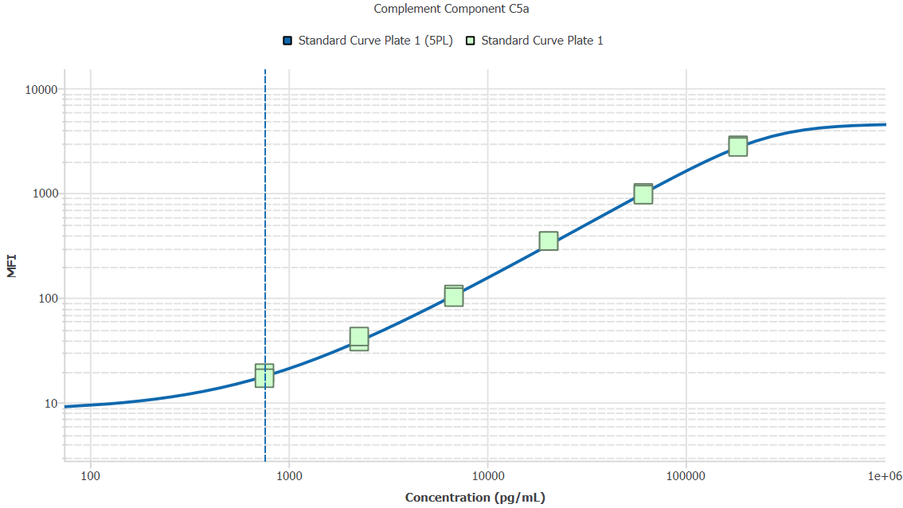
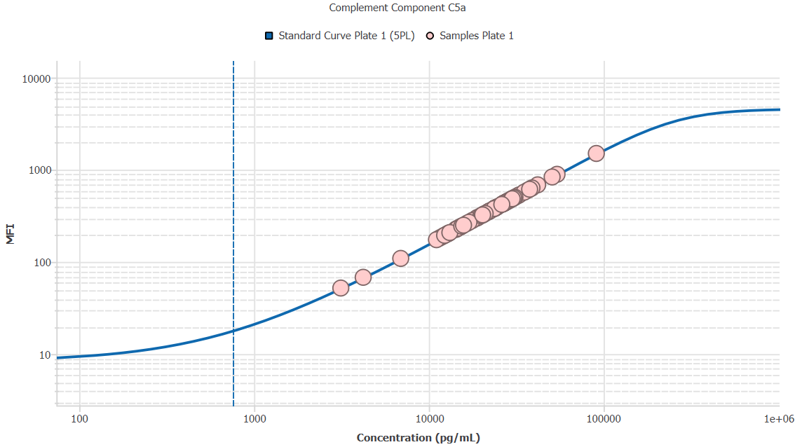
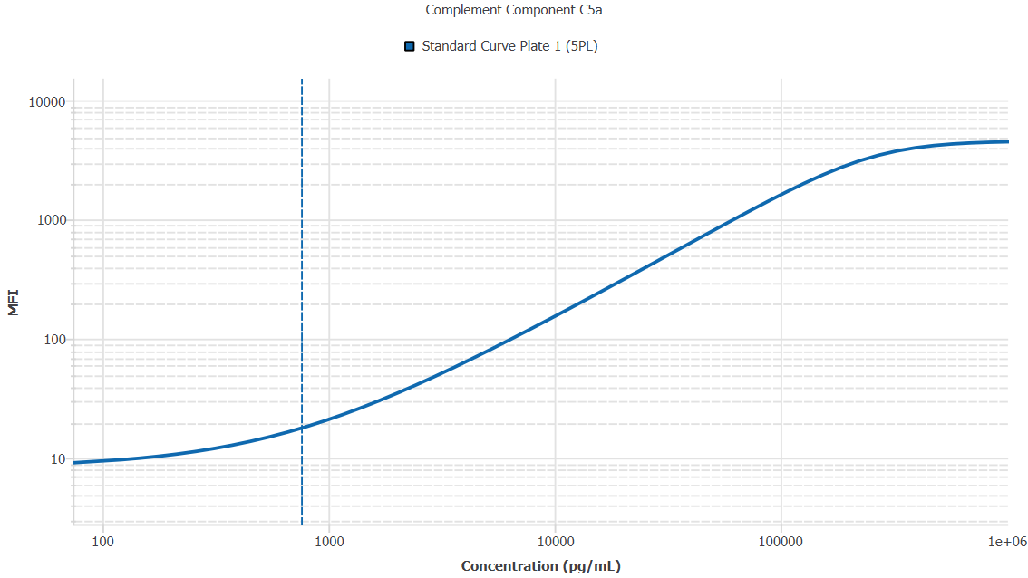
File Name: | O:/facility/2020/_ongoing_projects_/johanna_dahlqvist/PP2020_0052/anca_vasculitis/sia/luminex_interpolation/belysa_files/Kit 2/Belysa_MD_PP2020_0052_p1_k2_201105_CM_20200729_050723.belysa
Source File Name: | O:/facility/2020/_ongoing_projects_/johanna_dahlqvist/PP2020_0052/anca_vasculitis/sia/luminex_interpolation/luminex_data/PP2020_0052_p1_k2_201105_CM_20200729_050723.csv
Executed By:
Executed On:
Instrument: | MAGPX11083001
File Last Modified: | on nov 25 12:02:06 2020 GMT+0100
File Last Modified By: | matilda.dale
Instrument SW Version: | 4.2.1324.0
Analysis SW Version: | Belysa 1.0.19
Printed By SW Version: | 1.0.19
Experiment Name: | Experiment 1
Experiment Description:
Experiment Created By: | matilda.dale
Experiment Created On: | on nov 25 10:08:20 2020 GMT+0100

Original Name | Current Name | ID | Units | Precision
Analyte 18 | Complement Component C5a | 18 | pg/mL | 2

Standards

Plate | Group | Location | Well ID | Analyte | Expected | Unk. Dilution | Sample ID | Standard | Fit | Avg. Result | Result | Message | Result SD | Result CV | Avg. MFI | MFI | MFI CV | MFI SD | Avg. Recovery | Recovery | n | Exclude | Exclude Reason
Kit 2 Plate 1 | Standard Curve Plate 1 | A1 A12 | 1 | Complement Component C5a | 0.00 |  | Blank | Standard Curve Plate 1 | 5PL | - |  | ND, EXT | - | - | 8.50 |  | 8.3% | 0.71 | - |  | 2
Kit 2 Plate 1 | Standard Curve Plate 1 | A1 | 1 | Complement Component C5a | 0.00 |  | Blank | Standard Curve Plate 1 | 5PL |  | - | EXT |  |  |  | 8.00 |  |  |  | -
Kit 2 Plate 1 | Standard Curve Plate 1 | A12 | 1 | Complement Component C5a | 0.00 |  | Blank | Standard Curve Plate 1 | 5PL |  | - | ND |  |  |  | 9.00 |  |  |  | -
Kit 2 Plate 1 | Standard Curve Plate 1 | B1 B12 | 2 | Complement Component C5a | 756.75 |  | S6 | Standard Curve Plate 1 | 5PL | 751.09 |  |  | 104.63 | 13.9% | 18.00 |  | 7.9% | 1.41 | 99.3% |  | 2
Kit 2 Plate 1 | Standard Curve Plate 1 | B1 | 2 | Complement Component C5a | 756.75 |  | S6 | Standard Curve Plate 1 | 5PL |  | 825.07 |  |  |  |  | 19.00 |  |  |  | 109.0%
Kit 2 Plate 1 | Standard Curve Plate 1 | B12 | 2 | Complement Component C5a | 756.75 |  | S6 | Standard Curve Plate 1 | 5PL |  | 677.10 |  |  |  |  | 17.00 |  |  |  | 89.5%
Kit 2 Plate 1 | Standard Curve Plate 1 | C1 C12 | 3 | Complement Component C5a | 2270.25 |  | S5 | Standard Curve Plate 1 | 5PL | 2332.29 |  |  | 220.07 | 9.4% | 40.25 |  | 7.9% | 3.18 | 102.7% |  | 2
Kit 2 Plate 1 | Standard Curve Plate 1 | C1 | 3 | Complement Component C5a | 2270.25 |  | S5 | Standard Curve Plate 1 | 5PL |  | 2176.68 |  |  |  |  | 38.00 |  |  |  | 95.9%
Kit 2 Plate 1 | Standard Curve Plate 1 | C12 | 3 | Complement Component C5a | 2270.25 |  | S5 | Standard Curve Plate 1 | 5PL |  | 2487.90 |  |  |  |  | 42.50 |  |  |  | 109.6%
Kit 2 Plate 1 | Standard Curve Plate 1 | D1 D12 | 4 | Complement Component C5a | 6810.74 |  | S4 | Standard Curve Plate 1 | 5PL | 6584.49 |  |  | 275.90 | 4.2% | 104.00 |  | 4.1% | 4.24 | 96.7% |  | 2
Kit 2 Plate 1 | Standard Curve Plate 1 | D1 | 4 | Complement Component C5a | 6810.74 |  | S4 | Standard Curve Plate 1 | 5PL |  | 6779.58 |  |  |  |  | 107.00 |  |  |  | 99.5%
Kit 2 Plate 1 | Standard Curve Plate 1 | D12 | 4 | Complement Component C5a | 6810.74 |  | S4 | Standard Curve Plate 1 | 5PL |  | 6389.41 |  |  |  |  | 101.00 |  |  |  | 93.8%
Kit 2 Plate 1 | Standard Curve Plate 1 | E1 E12 | 5 | Complement Component C5a | 20432.22 |  | S3 | Standard Curve Plate 1 | 5PL | 21715.75 |  |  | 42.97 | 0.2% | 346.50 |  | 0.2% | 0.71 | 106.3% |  | 2
Kit 2 Plate 1 | Standard Curve Plate 1 | E1 | 5 | Complement Component C5a | 20432.22 |  | S3 | Standard Curve Plate 1 | 5PL |  | 21685.37 |  |  |  |  | 346.00 |  |  |  | 106.1%
Kit 2 Plate 1 | Standard Curve Plate 1 | E12 | 5 | Complement Component C5a | 20432.22 |  | S3 | Standard Curve Plate 1 | 5PL |  | 21746.14 |  |  |  |  | 347.00 |  |  |  | 106.4%
Kit 2 Plate 1 | Standard Curve Plate 1 | F1 F12 | 6 | Complement Component C5a | 61296.67 |  | S2 | Standard Curve Plate 1 | 5PL | 59436.09 |  |  | 1595.60 | 2.7% | 980.00 |  | 2.7% | 26.87 | 97.0% |  | 2
Kit 2 Plate 1 | Standard Curve Plate 1 | F1 | 6 | Complement Component C5a | 61296.67 |  | S2 | Standard Curve Plate 1 | 5PL |  | 60564.35 |  |  |  |  | 999.00 |  |  |  | 98.8%
Kit 2 Plate 1 | Standard Curve Plate 1 | F12 | 6 | Complement Component C5a | 61296.67 |  | S2 | Standard Curve Plate 1 | 5PL |  | 58307.83 |  |  |  |  | 961.00 |  |  |  | 95.1%
Kit 2 Plate 1 | Standard Curve Plate 1 | G1 G12 | 7 | Complement Component C5a | 183890.00 |  | S1 | Standard Curve Plate 1 | 5PL | 183862.83 |  |  | 4576.51 | 2.5% | 2794.75 |  | 2.6% | 72.48 | 100.0% |  | 2
Kit 2 Plate 1 | Standard Curve Plate 1 | G1 | 7 | Complement Component C5a | 183890.00 |  | S1 | Standard Curve Plate 1 | 5PL |  | 187098.91 |  |  |  |  | 2846.00 |  |  |  | 101.7%
Kit 2 Plate 1 | Standard Curve Plate 1 | G12 | 7 | Complement Component C5a | 183890.00 |  | S1 | Standard Curve Plate 1 | 5PL |  | 180626.75 |  |  |  |  | 2743.50 |  |  |  | 98.2%

Unknowns

Plate | Group | Location | Well ID | Analyte | Expected | Unk. Dilution | Sample ID | Standard | Fit | Avg. Result | Result | Message | Result SD | Result CV | Avg. MFI | MFI | MFI CV | MFI SD | Avg. Recovery | Recovery | n | Exclude | Exclude Reason
Kit 2 Plate 1 | Blanks Plate 1 | H1 H11 H12 | 8 | Complement Component C5a |  | 1.00 | Blank | Standard Curve Plate 1 | 5PL | - |  | ND, EXT | - | - | 8.67 |  | 6.7% | 0.58 | - |  | 3
Kit 2 Plate 1 | Blanks Plate 1 | H1 | 8 | Complement Component C5a |  | 1.00 | Blank | Standard Curve Plate 1 | 5PL |  | - | EXT |  |  |  | 8.00 |  |  |  | -
Kit 2 Plate 1 | Blanks Plate 1 | H11 | 8 | Complement Component C5a |  | 1.00 | Blank | Standard Curve Plate 1 | 5PL |  | - | ND |  |  |  | 9.00 |  |  |  | -
Kit 2 Plate 1 | Blanks Plate 1 | H12 | 8 | Complement Component C5a |  | 1.00 | Blank | Standard Curve Plate 1 | 5PL |  | - | ND |  |  |  | 9.00 |  |  |  | -
Kit 2 Plate 1 | Samples Plate 1 | A2 | 9 | Complement Component C5a |  | 2.00 | 1900073310 | Standard Curve Plate 1 | 5PL | 38249.15 |  |  |  |  | 304.00 |  |  |  | -
Kit 2 Plate 1 | Samples Plate 1 | B2 | 10 | Complement Component C5a |  | 2.00 | UMU3 | Standard Curve Plate 1 | 5PL | 54488.80 |  |  |  |  | 438.00 |  |  |  | -
Kit 2 Plate 1 | Samples Plate 1 | C2 | 11 | Complement Component C5a |  | 2.00 | LU1109 | Standard Curve Plate 1 | 5PL | 64311.75 |  |  |  |  | 520.00 |  |  |  | -
Kit 2 Plate 1 | Samples Plate 1 | D2 | 12 | Complement Component C5a |  | 2.00 | 1900073235 | Standard Curve Plate 1 | 5PL | 54368.57 |  |  |  |  | 437.00 |  |  |  | -
Kit 2 Plate 1 | Samples Plate 1 | E2 | 13 | Complement Component C5a |  | 2.00 | 1900073360 | Standard Curve Plate 1 | 5PL | 53165.58 |  |  |  |  | 427.00 |  |  |  | -
Kit 2 Plate 1 | Samples Plate 1 | F2 | 14 | Complement Component C5a |  | 2.00 | RA2058 | Standard Curve Plate 1 | 5PL | 54368.57 |  |  |  |  | 437.00 |  |  |  | -
Kit 2 Plate 1 | Samples Plate 1 | G2 | 15 | Complement Component C5a |  | 2.00 | Daniel 102 | Standard Curve Plate 1 | 5PL | 44949.50 |  |  |  |  | 359.00 |  |  |  | -
Kit 2 Plate 1 | Samples Plate 1 | H2 | 16 | Complement Component C5a |  | 2.00 | 1900073345 | Standard Curve Plate 1 | 5PL | 30866.68 |  |  |  |  | 244.00 |  |  |  | -
Kit 2 Plate 1 | Samples Plate 1 | A3 | 17 | Complement Component C5a |  | 2.00 | 1900073321 | Standard Curve Plate 1 | 5PL | 49548.96 |  |  |  |  | 397.00 |  |  |  | -
Kit 2 Plate 1 | Samples Plate 1 | B3 | 18 | Complement Component C5a |  | 2.00 | VASKA 122_2 | Standard Curve Plate 1 | 5PL | 38004.40 |  |  |  |  | 302.00 |  |  |  | -
Kit 2 Plate 1 | Samples Plate 1 | C3 | 19 | Complement Component C5a |  | 2.00 | 1900073370 | Standard Curve Plate 1 | 5PL | 25515.79 |  |  |  |  | 201.00 |  |  |  | -
Kit 2 Plate 1 | Samples Plate 1 | D3 | 20 | Complement Component C5a |  | 2.00 | SLE 1306 | Standard Curve Plate 1 | 5PL | 28633.72 |  |  |  |  | 226.00 |  |  |  | -
Kit 2 Plate 1 | Samples Plate 1 | E3 | 21 | Complement Component C5a |  | 2.00 | 1900073231 | Standard Curve Plate 1 | 5PL | 48824.16 |  |  |  |  | 391.00 |  |  |  | -
Kit 2 Plate 1 | Samples Plate 1 | F3 | 22 | Complement Component C5a |  | 2.00 | Daniel 96 | Standard Curve Plate 1 | 5PL | 56530.98 |  |  |  |  | 455.00 |  |  |  | -
Kit 2 Plate 1 | Samples Plate 1 | G3 | 23 | Complement Component C5a |  | 2.00 | 1900073344 | Standard Curve Plate 1 | 5PL | 47735.99 |  |  |  |  | 382.00 |  |  |  | -
Kit 2 Plate 1 | Samples Plate 1 | H3 | 24 | Complement Component C5a |  | 2.00 | LU1102 | Standard Curve Plate 1 | 5PL | 108316.28 |  |  |  |  | 891.00 |  |  |  | -
Kit 2 Plate 1 | Samples Plate 1 | A4 | 25 | Complement Component C5a |  | 2.00 | 1900073358 | Standard Curve Plate 1 | 5PL | 24388.13 |  |  |  |  | 192.00 |  |  |  | -
Kit 2 Plate 1 | Samples Plate 1 | B4 | 26 | Complement Component C5a |  | 2.00 | 1900073375 | Standard Curve Plate 1 | 5PL | 47009.88 |  |  |  |  | 376.00 |  |  |  | -
Kit 2 Plate 1 | Samples Plate 1 | C4 | 27 | Complement Component C5a |  | 2.00 | LU1037 | Standard Curve Plate 1 | 5PL | 181772.09 |  |  |  |  | 1500.00 |  |  |  | -
Kit 2 Plate 1 | Samples Plate 1 | D4 | 28 | Complement Component C5a |  | 2.00 | 1900073250 | Standard Curve Plate 1 | 5PL | 47554.51 |  |  |  |  | 380.50 |  |  |  | -
Kit 2 Plate 1 | Samples Plate 1 | E4 | 29 | Complement Component C5a |  | 2.00 | UMU1 | Standard Curve Plate 1 | 5PL | 22123.62 |  |  |  |  | 174.00 |  |  |  | -
Kit 2 Plate 1 | Samples Plate 1 | F4 | 30 | Complement Component C5a |  | 2.00 | VASKA 501 | Standard Curve Plate 1 | 5PL | 29006.54 |  |  |  |  | 229.00 |  |  |  | -
Kit 2 Plate 1 | Samples Plate 1 | G4 | 31 | Complement Component C5a |  | 2.00 | VASKA 609 | Standard Curve Plate 1 | 5PL | 39776.98 |  |  |  |  | 316.50 |  |  |  | -
Kit 2 Plate 1 | Samples Plate 1 | H4 | 32 | Complement Component C5a |  | 2.00 | Daniel 107 | Standard Curve Plate 1 | 5PL | 53767.23 |  |  |  |  | 432.00 |  |  |  | -
Kit 2 Plate 1 | Samples Plate 1 | A5 | 33 | Complement Component C5a |  | 2.00 | RA2330 | Standard Curve Plate 1 | 5PL | 52864.64 |  |  |  |  | 424.50 |  |  |  | -
Kit 2 Plate 1 | Samples Plate 1 | B5 | 34 | Complement Component C5a |  | 2.00 | VASKA 648A_2 | Standard Curve Plate 1 | 5PL | 22879.87 |  |  |  |  | 180.00 |  |  |  | -
Kit 2 Plate 1 | Samples Plate 1 | C5 | 35 | Complement Component C5a |  | 2.00 | LU1104 | Standard Curve Plate 1 | 5PL | 83927.30 |  |  |  |  | 685.00 |  |  |  | -
Kit 2 Plate 1 | Samples Plate 1 | D5 | 36 | Complement Component C5a |  | 2.00 | 1900073269 | Standard Curve Plate 1 | 5PL | 77879.12 |  |  |  |  | 634.00 |  |  |  | -
Kit 2 Plate 1 | Samples Plate 1 | E5 | 37 | Complement Component C5a |  | 2.00 | Ö30 | Standard Curve Plate 1 | 5PL | 58330.24 |  |  |  |  | 470.00 |  |  |  | -
Kit 2 Plate 1 | Samples Plate 1 | F5 | 38 | Complement Component C5a |  | 2.00 | 1900073261 | Standard Curve Plate 1 | 5PL | 53827.38 |  |  |  |  | 432.50 |  |  |  | -
Kit 2 Plate 1 | Samples Plate 1 | G5 | 39 | Complement Component C5a |  | 2.00 | 1900073287 | Standard Curve Plate 1 | 5PL | 59288.88 |  |  |  |  | 478.00 |  |  |  | -
Kit 2 Plate 1 | Samples Plate 1 | H5 | 40 | Complement Component C5a |  | 2.00 | 1900073351 | Standard Curve Plate 1 | 5PL | 33953.28 |  |  |  |  | 269.00 |  |  |  | -
Kit 2 Plate 1 | Samples Plate 1 | A6 | 41 | Complement Component C5a |  | 2.00 | 1900073327 | Standard Curve Plate 1 | 5PL | 25891.04 |  |  |  |  | 204.00 |  |  |  | -
Kit 2 Plate 1 | Samples Plate 1 | B6 | 42 | Complement Component C5a |  | 2.00 | VASKA 641 | Standard Curve Plate 1 | 5PL | 37392.15 |  |  |  |  | 297.00 |  |  |  | -
Kit 2 Plate 1 | Samples Plate 1 | C6 | 43 | Complement Component C5a |  | 2.00 | VASKA 301 | Standard Curve Plate 1 | 5PL | 29999.42 |  |  |  |  | 237.00 |  |  |  | -
Kit 2 Plate 1 | Samples Plate 1 | D6 | 44 | Complement Component C5a |  | 2.00 | 1900073427 | Standard Curve Plate 1 | 5PL | 41301.73 |  |  |  |  | 329.00 |  |  |  | -
Kit 2 Plate 1 | Samples Plate 1 | E6 | 45 | Complement Component C5a |  | 2.00 | VASKA 305 | Standard Curve Plate 1 | 5PL | 35429.29 |  |  |  |  | 281.00 |  |  |  | -
Kit 2 Plate 1 | Samples Plate 1 | F6 | 46 | Complement Component C5a |  | 2.00 | 1900073280 | Standard Curve Plate 1 | 5PL | 62220.84 |  |  |  |  | 502.50 |  |  |  | -
Kit 2 Plate 1 | Samples Plate 1 | G6 | 47 | Complement Component C5a |  | 2.00 | 1900073220 | Standard Curve Plate 1 | 5PL | 26390.89 |  |  |  |  | 208.00 |  |  |  | -
Kit 2 Plate 1 | Samples Plate 1 | H6 | 48 | Complement Component C5a |  | 2.00 | 1900073432 | Standard Curve Plate 1 | 5PL | 60007.44 |  |  |  |  | 484.00 |  |  |  | -
Kit 2 Plate 1 | Samples Plate 1 | A7 | 49 | Complement Component C5a |  | 2.00 | 1900073298 | Standard Curve Plate 1 | 5PL | 40936.06 |  |  |  |  | 326.00 |  |  |  | -
Kit 2 Plate 1 | Samples Plate 1 | B7 | 50 | Complement Component C5a |  | 2.00 | VASKA 129 | Standard Curve Plate 1 | 5PL | 25515.79 |  |  |  |  | 201.00 |  |  |  | -
Kit 2 Plate 1 | Samples Plate 1 | C7 | 51 | Complement Component C5a |  | 2.00 | 1900073249 | Standard Curve Plate 1 | 5PL | 44221.20 |  |  |  |  | 353.00 |  |  |  | -
Kit 2 Plate 1 | Samples Plate 1 | D7 | 52 | Complement Component C5a |  | 2.00 | 1900073290 | Standard Curve Plate 1 | 5PL | 59767.96 |  |  |  |  | 482.00 |  |  |  | -
Kit 2 Plate 1 | Samples Plate 1 | E7 | 53 | Complement Component C5a |  | 2.00 | 1900073229 | Standard Curve Plate 1 | 5PL | 54789.33 |  |  |  |  | 440.50 |  |  |  | -
Kit 2 Plate 1 | Samples Plate 1 | F7 | 54 | Complement Component C5a |  | 2.00 | LU1082 | Standard Curve Plate 1 | 5PL | 53526.61 |  |  |  |  | 430.00 |  |  |  | -
Kit 2 Plate 1 | Samples Plate 1 | G7 | 55 | Complement Component C5a |  | 2.00 | 1900073271 | Standard Curve Plate 1 | 5PL | 47856.96 |  |  |  |  | 383.00 |  |  |  | -
Kit 2 Plate 1 | Samples Plate 1 | H7 | 56 | Complement Component C5a |  | 2.00 | Daniel 103 | Standard Curve Plate 1 | 5PL | 52322.75 |  |  |  |  | 420.00 |  |  |  | -
Kit 2 Plate 1 | Samples Plate 1 | A8 | 57 | Complement Component C5a |  | 2.00 | 1900073248 | Standard Curve Plate 1 | 5PL | 44403.33 |  |  |  |  | 354.50 |  |  |  | -
Kit 2 Plate 1 | Samples Plate 1 | B8 | 58 | Complement Component C5a |  | 2.00 | Daniel 82 | Standard Curve Plate 1 | 5PL | 43492.28 |  |  |  |  | 347.00 |  |  |  | -
Kit 2 Plate 1 | Samples Plate 1 | C8 | 59 | Complement Component C5a |  | 2.00 | RA1369 | Standard Curve Plate 1 | 5PL | 73365.39 |  |  |  |  | 596.00 |  |  |  | -
Kit 2 Plate 1 | Samples Plate 1 | D8 | 60 | Complement Component C5a |  | 2.00 | VASKA 102 | Standard Curve Plate 1 | 5PL | 13818.69 |  |  |  |  | 109.00 |  |  |  | -
Kit 2 Plate 1 | Samples Plate 1 | E8 | 61 | Complement Component C5a |  | 2.00 | RA2201 | Standard Curve Plate 1 | 5PL | 70212.97 |  |  |  |  | 569.50 |  |  |  | -
Kit 2 Plate 1 | Samples Plate 1 | F8 | 62 | Complement Component C5a |  | 2.00 | 1900073359 | Standard Curve Plate 1 | 5PL | 60127.17 |  |  |  |  | 485.00 |  |  |  | -
Kit 2 Plate 1 | Samples Plate 1 | G8 | 63 | Complement Component C5a |  | 2.00 | 1900073348 | Standard Curve Plate 1 | 5PL | 47373.00 |  |  |  |  | 379.00 |  |  |  | -
Kit 2 Plate 1 | Samples Plate 1 | H8 | 64 | Complement Component C5a |  | 2.00 | 1900073376 | Standard Curve Plate 1 | 5PL | 40631.21 |  |  |  |  | 323.50 |  |  |  | -
Kit 2 Plate 1 | Samples Plate 1 | A9 | 65 | Complement Component C5a |  | 2.00 | VASKA 100 | Standard Curve Plate 1 | 5PL | 23634.69 |  |  |  |  | 186.00 |  |  |  | -
Kit 2 Plate 1 | Samples Plate 1 | B9 | 66 | Complement Component C5a |  | 2.00 | IgA 1563 | Standard Curve Plate 1 | 5PL | 30123.40 |  |  |  |  | 238.00 |  |  |  | -
Kit 2 Plate 1 | Samples Plate 1 | C9 | 67 | Complement Component C5a |  | 2.00 | VASKA 504 | Standard Curve Plate 1 | 5PL | 65863.35 |  |  |  |  | 533.00 |  |  |  | -
Kit 2 Plate 1 | Samples Plate 1 | D9 | 68 | Complement Component C5a |  | 2.00 | 1900073343 | Standard Curve Plate 1 | 5PL | 56050.76 |  |  |  |  | 451.00 |  |  |  | -
Kit 2 Plate 1 | Samples Plate 1 | E9 | 69 | Complement Component C5a |  | 2.00 | 1900073236 | Standard Curve Plate 1 | 5PL | 75504.37 |  |  |  |  | 614.00 |  |  |  | -
Kit 2 Plate 1 | Samples Plate 1 | F9 | 70 | Complement Component C5a |  | 2.00 | Daniel 61 | Standard Curve Plate 1 | 5PL | 29254.94 |  |  |  |  | 231.00 |  |  |  | -
Kit 2 Plate 1 | Samples Plate 1 | G9 | 71 | Complement Component C5a |  | 2.00 | Ö31 | Standard Curve Plate 1 | 5PL | 53707.08 |  |  |  |  | 431.50 |  |  |  | -
Kit 2 Plate 1 | Samples Plate 1 | H9 | 72 | Complement Component C5a |  | 2.00 | 1900073381 | Standard Curve Plate 1 | 5PL | 101567.05 |  |  |  |  | 834.00 |  |  |  | -
Kit 2 Plate 1 | Samples Plate 1 | A10 | 73 | Complement Component C5a |  | 2.00 | Daniel 101 | Standard Curve Plate 1 | 5PL | 28509.39 |  |  |  |  | 225.00 |  |  |  | -
Kit 2 Plate 1 | Samples Plate 1 | B10 | 74 | Complement Component C5a |  | 2.00 | 1900073338 | Standard Curve Plate 1 | 5PL | 32967.32 |  |  |  |  | 261.00 |  |  |  | -
Kit 2 Plate 1 | Samples Plate 1 | C10 | 75 | Complement Component C5a |  | 2.00 | UMU81 | Standard Curve Plate 1 | 5PL | 26016.05 |  |  |  |  | 205.00 |  |  |  | -
Kit 2 Plate 1 | Samples Plate 1 | D10 | 76 | Complement Component C5a |  | 2.00 | SLE 0435 | Standard Curve Plate 1 | 5PL | 6275.42 |  |  |  |  | 52.00 |  |  |  | -
Kit 2 Plate 1 | Samples Plate 1 | E10 | 77 | Complement Component C5a |  | 2.00 | Daniel 19 | Standard Curve Plate 1 | 5PL | 24638.97 |  |  |  |  | 194.00 |  |  |  | -
Kit 2 Plate 1 | Samples Plate 1 | F10 | 78 | Complement Component C5a |  | 2.00 | 1900073331 | Standard Curve Plate 1 | 5PL | 61204.27 |  |  |  |  | 494.00 |  |  |  | -
Kit 2 Plate 1 | Samples Plate 1 | G10 | 79 | Complement Component C5a |  | 2.00 | 1900073277 | Standard Curve Plate 1 | 5PL | 42032.56 |  |  |  |  | 335.00 |  |  |  | -
Kit 2 Plate 1 | Samples Plate 1 | H10 | 80 | Complement Component C5a |  | 2.00 | VASKA 114_2 | Standard Curve Plate 1 | 5PL | 31608.96 |  |  |  |  | 250.00 |  |  |  | -
Kit 2 Plate 1 | Samples Plate 1 | A11 | 81 | Complement Component C5a |  | 2.00 | 1900073419 | Standard Curve Plate 1 | 5PL | 48098.85 |  |  |  |  | 385.00 |  |  |  | -
Kit 2 Plate 1 | Samples Plate 1 | B11 | 82 | Complement Component C5a |  | 2.00 | VASKA 621 | Standard Curve Plate 1 | 5PL | 30742.87 |  |  |  |  | 243.00 |  |  |  | -
Kit 2 Plate 1 | Samples Plate 1 | C11 | 83 | Complement Component C5a |  | 2.00 | 1900073239 | Standard Curve Plate 1 | 5PL | 37759.56 |  |  |  |  | 300.00 |  |  |  | -
Kit 2 Plate 1 | Samples Plate 1 | D11 | 84 | Complement Component C5a |  | 2.00 | Daniel 94 | Standard Curve Plate 1 | 5PL | 8429.86 |  |  |  |  | 68.00 |  |  |  | -
Kit 2 Plate 1 | Samples Plate 1 | E11 | 85 | Complement Component C5a |  | 2.00 | 1900073429 | Standard Curve Plate 1 | 5PL | 56771.02 |  |  |  |  | 457.00 |  |  |  | -
Kit 2 Plate 1 | Samples Plate 1 | F11 | 86 | Complement Component C5a |  | 2.00 | 1900073285 | Standard Curve Plate 1 | 5PL | 57310.95 |  |  |  |  | 461.50 |  |  |  | -
Kit 2 Plate 1 | Samples Plate 1 | G11 | 87 | Complement Component C5a |  | 2.00 | 1900073384 | Standard Curve Plate 1 | 5PL | 40570.23 |  |  |  |  | 323.00 |  |  |  | -

Curves

Group | Analyte | Fit | LLoQ | MDD | LoD | R Squared | Slope | Weighting | Equation
Standard Curve Plate 1 | Complement Component C5a | 5PL | 756.75 | 1.77 | 150.58 | 1.00 | 0.01 | 1/y^2 | y = 8.41 + (4621.30 - 8.41)/((1 + (255604.05/x)^2.44))^0.43

