Complement Componenet C5a
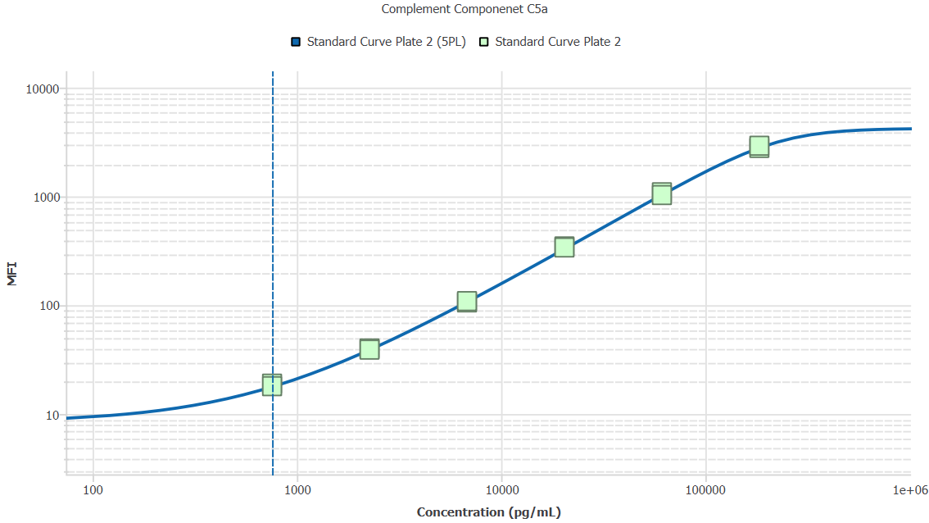
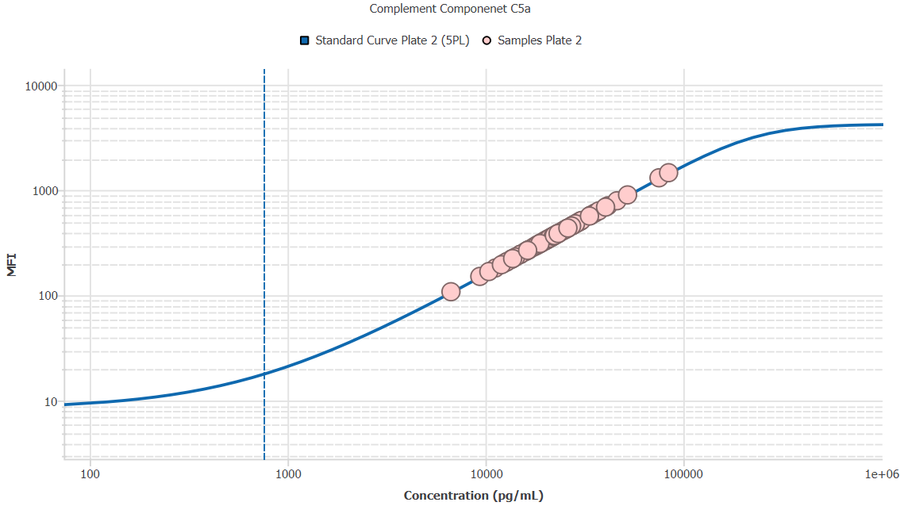
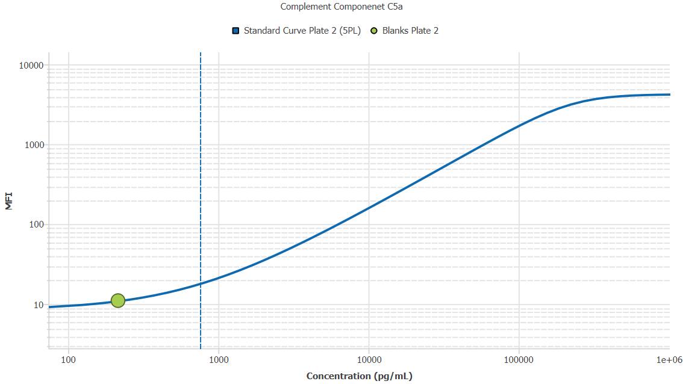
File Name: | O:/facility/2020/_ongoing_projects_/johanna_dahlqvist/PP2020_0052/anca_vasculitis/sia/luminex_interpolation/belysa_files/Kit 2/Belysa_MD_PP2020_0052_kit2_plate2_201109_CM_20200802_052118.belysa
Source File Name: | O:/facility/2020/_ongoing_projects_/johanna_dahlqvist/PP2020_0052/anca_vasculitis/sia/luminex_interpolation/luminex_data/PP2020_0052_kit2_plate2_201109_CM_20200802_052118.csv
Executed By:
Executed On:
Instrument: | MAGPX11083001
File Last Modified: | on nov 25 12:02:50 2020 GMT+0100
File Last Modified By: | matilda.dale
Instrument SW Version: | 4.2.1324.0
Analysis SW Version: | Belysa 1.0.19
Printed By SW Version: | 1.0.19
Experiment Name: | Experiment 1
Experiment Description:
Experiment Created By: | matilda.dale
Experiment Created On: | on nov 25 10:43:24 2020 GMT+0100

Original Name | Current Name | ID | Units | Precision
Analyte 18 | Complement Componenet C5a | 18 | pg/mL | 2

Standards

Plate | Group | Location | Well ID | Analyte | Expected | Unk. Dilution | Sample ID | Standard | Fit | Avg. Result | Result | Message | Result SD | Result CV | Avg. MFI | MFI | MFI CV | MFI SD | Avg. Recovery | Recovery | n | Exclude | Exclude Reason
Kit 2 Plate 2 | Standard Curve Plate 2 | A1 A12 | 1 | Complement Componenet C5a | 0.00 |  | Blank | Standard Curve Plate 2 | 5PL | - |  | EXT, ND | - | - | 8.50 |  | 8.3% | 0.71 | - |  | 2
Kit 2 Plate 2 | Standard Curve Plate 2 | A1 | 1 | Complement Componenet C5a | 0.00 |  | Blank | Standard Curve Plate 2 | 5PL |  | - | ND |  |  |  | 9.00 |  |  |  | -
Kit 2 Plate 2 | Standard Curve Plate 2 | A12 | 1 | Complement Componenet C5a | 0.00 |  | Blank | Standard Curve Plate 2 | 5PL |  | - | EXT |  |  |  | 8.00 |  |  |  | -
Kit 2 Plate 2 | Standard Curve Plate 2 | B1 B12 | 2 | Complement Componenet C5a | 756.75 |  | S6 | Standard Curve Plate 2 | 5PL | 783.66 |  |  | 51.72 | 6.6% | 18.50 |  | 3.8% | 0.71 | 103.6% |  | 2
Kit 2 Plate 2 | Standard Curve Plate 2 | B1 | 2 | Complement Componenet C5a | 756.75 |  | S6 | Standard Curve Plate 2 | 5PL |  | 820.24 |  |  |  |  | 19.00 |  |  |  | 108.4%
Kit 2 Plate 2 | Standard Curve Plate 2 | B12 | 2 | Complement Componenet C5a | 756.75 |  | S6 | Standard Curve Plate 2 | 5PL |  | 747.09 |  |  |  |  | 18.00 |  |  |  | 98.7%
Kit 2 Plate 2 | Standard Curve Plate 2 | C1 C12 | 3 | Complement Componenet C5a | 2270.25 |  | S5 | Standard Curve Plate 2 | 5PL | 2253.71 |  |  | 48.00 | 2.1% | 39.50 |  | 1.8% | 0.71 | 99.3% |  | 2
Kit 2 Plate 2 | Standard Curve Plate 2 | C1 | 3 | Complement Componenet C5a | 2270.25 |  | S5 | Standard Curve Plate 2 | 5PL |  | 2287.65 |  |  |  |  | 40.00 |  |  |  | 100.8%
Kit 2 Plate 2 | Standard Curve Plate 2 | C12 | 3 | Complement Componenet C5a | 2270.25 |  | S5 | Standard Curve Plate 2 | 5PL |  | 2219.76 |  |  |  |  | 39.00 |  |  |  | 97.8%
Kit 2 Plate 2 | Standard Curve Plate 2 | D1 D12 | 4 | Complement Componenet C5a | 6810.74 |  | S4 | Standard Curve Plate 2 | 5PL | 6665.86 |  |  | 133.42 | 2.0% | 107.50 |  | 2.0% | 2.12 | 97.9% |  | 2
Kit 2 Plate 2 | Standard Curve Plate 2 | D1 | 4 | Complement Componenet C5a | 6810.74 |  | S4 | Standard Curve Plate 2 | 5PL |  | 6571.52 |  |  |  |  | 106.00 |  |  |  | 96.5%
Kit 2 Plate 2 | Standard Curve Plate 2 | D12 | 4 | Complement Componenet C5a | 6810.74 |  | S4 | Standard Curve Plate 2 | 5PL |  | 6760.20 |  |  |  |  | 109.00 |  |  |  | 99.3%
Kit 2 Plate 2 | Standard Curve Plate 2 | E1 E12 | 5 | Complement Componenet C5a | 20432.22 |  | S3 | Standard Curve Plate 2 | 5PL | 20799.72 |  |  | 329.25 | 1.6% | 343.00 |  | 1.6% | 5.66 | 101.8% |  | 2
Kit 2 Plate 2 | Standard Curve Plate 2 | E1 | 5 | Complement Componenet C5a | 20432.22 |  | S3 | Standard Curve Plate 2 | 5PL |  | 21032.53 |  |  |  |  | 347.00 |  |  |  | 102.9%
Kit 2 Plate 2 | Standard Curve Plate 2 | E12 | 5 | Complement Componenet C5a | 20432.22 |  | S3 | Standard Curve Plate 2 | 5PL |  | 20566.91 |  |  |  |  | 339.00 |  |  |  | 100.7%
Kit 2 Plate 2 | Standard Curve Plate 2 | F1 F12 | 6 | Complement Componenet C5a | 61296.67 |  | S2 | Standard Curve Plate 2 | 5PL | 61362.83 |  |  | 2514.58 | 4.1% | 1059.50 |  | 4.2% | 44.55 | 100.1% |  | 2
Kit 2 Plate 2 | Standard Curve Plate 2 | F1 | 6 | Complement Componenet C5a | 61296.67 |  | S2 | Standard Curve Plate 2 | 5PL |  | 63140.91 |  |  |  |  | 1091.00 |  |  |  | 103.0%
Kit 2 Plate 2 | Standard Curve Plate 2 | F12 | 6 | Complement Componenet C5a | 61296.67 |  | S2 | Standard Curve Plate 2 | 5PL |  | 59584.76 |  |  |  |  | 1028.00 |  |  |  | 97.2%
Kit 2 Plate 2 | Standard Curve Plate 2 | G1 G12 | 7 | Complement Componenet C5a | 183890.00 |  | S1 | Standard Curve Plate 2 | 5PL | 182988.74 |  |  | 6283.74 | 3.4% | 2853.50 |  | 3.3% | 95.46 | 99.5% |  | 2
Kit 2 Plate 2 | Standard Curve Plate 2 | G1 | 7 | Complement Componenet C5a | 183890.00 |  | S1 | Standard Curve Plate 2 | 5PL |  | 178545.47 |  |  |  |  | 2786.00 |  |  |  | 97.1%
Kit 2 Plate 2 | Standard Curve Plate 2 | G12 | 7 | Complement Componenet C5a | 183890.00 |  | S1 | Standard Curve Plate 2 | 5PL |  | 187432.01 |  |  |  |  | 2921.00 |  |  |  | 101.9%

Unknowns

Plate | Group | Location | Well ID | Analyte | Expected | Unk. Dilution | Sample ID | Standard | Fit | Avg. Result | Result | Message | Result SD | Result CV | Avg. MFI | MFI | MFI CV | MFI SD | Avg. Recovery | Recovery | n | Exclude | Exclude Reason
Kit 2 Plate 2 | Blanks Plate 2 | H1 H11 H12 | 8 | Complement Componenet C5a |  | 1.00 | Blank | Standard Curve Plate 2 | 5PL | - |  | EXT, BLOQ | - | - | 9.00 |  | 19.2% | 1.73 | - |  | 3
Kit 2 Plate 2 | Blanks Plate 2 | H1 | 8 | Complement Componenet C5a |  | 1.00 | Blank | Standard Curve Plate 2 | 5PL |  | - | EXT |  |  |  | 8.00 |  |  |  | -
Kit 2 Plate 2 | Blanks Plate 2 | H11 | 8 | Complement Componenet C5a |  | 1.00 | Blank | Standard Curve Plate 2 | 5PL |  | 215.15 | BLOQ |  |  |  | 11.00 |  |  |  | -
Kit 2 Plate 2 | Blanks Plate 2 | H12 | 8 | Complement Componenet C5a |  | 1.00 | Blank | Standard Curve Plate 2 | 5PL |  | - | EXT |  |  |  | 8.00 |  |  |  | -
Kit 2 Plate 2 | Samples Plate 2 | A2 | 9 | Complement Componenet C5a |  | 2.00 | UMU76 | Standard Curve Plate 2 | 5PL | 22456.92 |  |  |  |  | 181.50 |  |  |  | -
Kit 2 Plate 2 | Samples Plate 2 | B2 | 10 | Complement Componenet C5a |  | 2.00 | 1900073258 | Standard Curve Plate 2 | 5PL | 58127.90 |  |  |  |  | 486.50 |  |  |  | -
Kit 2 Plate 2 | Samples Plate 2 | C2 | 11 | Complement Componenet C5a |  | 2.00 | VASKA 659 | Standard Curve Plate 2 | 5PL | 41948.73 |  |  |  |  | 346.00 |  |  |  | -
Kit 2 Plate 2 | Samples Plate 2 | D2 | 12 | Complement Componenet C5a |  | 2.00 | 1900073241 | Standard Curve Plate 2 | 5PL | 29959.57 |  |  |  |  | 244.00 |  |  |  | -
Kit 2 Plate 2 | Samples Plate 2 | E2 | 13 | Complement Componenet C5a |  | 2.00 | VASKA 637 | Standard Curve Plate 2 | 5PL | 51944.91 |  |  |  |  | 432.50 |  |  |  | -
Kit 2 Plate 2 | Samples Plate 2 | F2 | 14 | Complement Componenet C5a |  | 2.00 | Daniel 42 | Standard Curve Plate 2 | 5PL | 50450.45 |  |  |  |  | 419.50 |  |  |  | -
Kit 2 Plate 2 | Samples Plate 2 | G2 | 15 | Complement Componenet C5a |  | 2.00 | 1900073341 | Standard Curve Plate 2 | 5PL | 42181.38 |  |  |  |  | 348.00 |  |  |  | -
Kit 2 Plate 2 | Samples Plate 2 | H2 | 16 | Complement Componenet C5a |  | 2.00 | RA2711 | Standard Curve Plate 2 | 5PL | 25656.16 |  |  |  |  | 208.00 |  |  |  | -
Kit 2 Plate 2 | Samples Plate 2 | A3 | 17 | Complement Componenet C5a |  | 2.00 | LU1038 | Standard Curve Plate 2 | 5PL | 83088.26 |  |  |  |  | 707.00 |  |  |  | -
Kit 2 Plate 2 | Samples Plate 2 | B3 | 18 | Complement Componenet C5a |  | 2.00 | RA1913 | Standard Curve Plate 2 | 5PL | 41133.82 |  |  |  |  | 339.00 |  |  |  | -
Kit 2 Plate 2 | Samples Plate 2 | C3 | 19 | Complement Componenet C5a |  | 2.00 | VASKA 117 | Standard Curve Plate 2 | 5PL | 52346.85 |  |  |  |  | 436.00 |  |  |  | -
Kit 2 Plate 2 | Samples Plate 2 | D3 | 20 | Complement Componenet C5a |  | 2.00 | Daniel 106 | Standard Curve Plate 2 | 5PL | 41133.82 |  |  |  |  | 339.00 |  |  |  | -
Kit 2 Plate 2 | Samples Plate 2 | E3 | 21 | Complement Componenet C5a |  | 2.00 | VASKA 668 | Standard Curve Plate 2 | 5PL | 43285.39 |  |  |  |  | 357.50 |  |  |  | -
Kit 2 Plate 2 | Samples Plate 2 | F3 | 22 | Complement Componenet C5a |  | 2.00 | 1900073270 | Standard Curve Plate 2 | 5PL | 42878.86 |  |  |  |  | 354.00 |  |  |  | -
Kit 2 Plate 2 | Samples Plate 2 | G3 | 23 | Complement Componenet C5a |  | 2.00 | LU1034 | Standard Curve Plate 2 | 5PL | 150781.06 |  |  |  |  | 1306.00 |  |  |  | -
Kit 2 Plate 2 | Samples Plate 2 | H3 | 24 | Complement Componenet C5a |  | 2.00 | 1900073284 | Standard Curve Plate 2 | 5PL | 50507.97 |  |  |  |  | 420.00 |  |  |  | -
Kit 2 Plate 2 | Samples Plate 2 | A4 | 25 | Complement Componenet C5a |  | 2.00 | Daniel 105 | Standard Curve Plate 2 | 5PL | 35986.91 |  |  |  |  | 295.00 |  |  |  | -
Kit 2 Plate 2 | Samples Plate 2 | B4 | 26 | Complement Componenet C5a |  | 2.00 | VASKA 506 | Standard Curve Plate 2 | 5PL | 33395.81 |  |  |  |  | 273.00 |  |  |  | -
Kit 2 Plate 2 | Samples Plate 2 | C4 | 27 | Complement Componenet C5a |  | 2.00 | 1900073299 | Standard Curve Plate 2 | 5PL | 45661.86 |  |  |  |  | 378.00 |  |  |  | -
Kit 2 Plate 2 | Samples Plate 2 | D4 | 28 | Complement Componenet C5a |  | 2.00 | 1900073355 | Standard Curve Plate 2 | 5PL | 44851.25 |  |  |  |  | 371.00 |  |  |  | -
Kit 2 Plate 2 | Samples Plate 2 | E4 | 29 | Complement Componenet C5a |  | 2.00 | RA2307 | Standard Curve Plate 2 | 5PL | 74805.47 |  |  |  |  | 633.50 |  |  |  | -
Kit 2 Plate 2 | Samples Plate 2 | F4 | 30 | Complement Componenet C5a |  | 2.00 | 1900073256 | Standard Curve Plate 2 | 5PL | 37805.10 |  |  |  |  | 310.50 |  |  |  | -
Kit 2 Plate 2 | Samples Plate 2 | G4 | 31 | Complement Componenet C5a |  | 2.00 | LUN1103 | Standard Curve Plate 2 | 5PL | 168593.54 |  |  |  |  | 1459.50 |  |  |  | -
Kit 2 Plate 2 | Samples Plate 2 | H4 | 32 | Complement Componenet C5a |  | 2.00 | 1900073224 | Standard Curve Plate 2 | 5PL | 46587.20 |  |  |  |  | 386.00 |  |  |  | -
Kit 2 Plate 2 | Samples Plate 2 | A5 | 33 | Complement Componenet C5a |  | 2.00 | 1900073349 | Standard Curve Plate 2 | 5PL | 39617.68 |  |  |  |  | 326.00 |  |  |  | -
Kit 2 Plate 2 | Samples Plate 2 | B5 | 34 | Complement Componenet C5a |  | 2.00 | VASKA 124 | Standard Curve Plate 2 | 5PL | 36456.68 |  |  |  |  | 299.00 |  |  |  | -
Kit 2 Plate 2 | Samples Plate 2 | C5 | 35 | Complement Componenet C5a |  | 2.00 | VASKA 634 | Standard Curve Plate 2 | 5PL | 54983.90 |  |  |  |  | 459.00 |  |  |  | -
Kit 2 Plate 2 | Samples Plate 2 | D5 | 36 | Complement Componenet C5a |  | 2.00 | Daniel 81 | Standard Curve Plate 2 | 5PL | 59268.93 |  |  |  |  | 496.50 |  |  |  | -
Kit 2 Plate 2 | Samples Plate 2 | E5 | 37 | Complement Componenet C5a |  | 2.00 | 1900073265 | Standard Curve Plate 2 | 5PL | 40026.22 |  |  |  |  | 329.50 |  |  |  | -
Kit 2 Plate 2 | Samples Plate 2 | F5 | 38 | Complement Componenet C5a |  | 2.00 | 1900073430 | Standard Curve Plate 2 | 5PL | 37101.97 |  |  |  |  | 304.50 |  |  |  | -
Kit 2 Plate 2 | Samples Plate 2 | G5 | 39 | Complement Componenet C5a |  | 2.00 | VASKA 006 | Standard Curve Plate 2 | 5PL | 80949.54 |  |  |  |  | 688.00 |  |  |  | -
Kit 2 Plate 2 | Samples Plate 2 | H5 | 40 | Complement Componenet C5a |  | 2.00 | 1900073399 | Standard Curve Plate 2 | 5PL | 54525.79 |  |  |  |  | 455.00 |  |  |  | -
Kit 2 Plate 2 | Samples Plate 2 | A6 | 41 | Complement Componenet C5a |  | 2.00 | UMU78 | Standard Curve Plate 2 | 5PL | 51944.91 |  |  |  |  | 432.50 |  |  |  | -
Kit 2 Plate 2 | Samples Plate 2 | B6 | 42 | Complement Componenet C5a |  | 2.00 | VASKA 654 | Standard Curve Plate 2 | 5PL | 37746.54 |  |  |  |  | 310.00 |  |  |  | -
Kit 2 Plate 2 | Samples Plate 2 | C6 | 43 | Complement Componenet C5a |  | 2.00 | 1900073240 | Standard Curve Plate 2 | 5PL | 32568.62 |  |  |  |  | 266.00 |  |  |  | -
Kit 2 Plate 2 | Samples Plate 2 | D6 | 44 | Complement Componenet C5a |  | 2.00 | 1900073357 | Standard Curve Plate 2 | 5PL | 67963.77 |  |  |  |  | 573.00 |  |  |  | -
Kit 2 Plate 2 | Samples Plate 2 | E6 | 45 | Complement Componenet C5a |  | 2.00 | 1900073319 | Standard Curve Plate 2 | 5PL | 48780.52 |  |  |  |  | 405.00 |  |  |  | -
Kit 2 Plate 2 | Samples Plate 2 | F6 | 46 | Complement Componenet C5a |  | 2.00 | RA1541 | Standard Curve Plate 2 | 5PL | 55556.23 |  |  |  |  | 464.00 |  |  |  | -
Kit 2 Plate 2 | Samples Plate 2 | G6 | 47 | Complement Componenet C5a |  | 2.00 | 1900073292 | Standard Curve Plate 2 | 5PL | 44039.75 |  |  |  |  | 364.00 |  |  |  | -
Kit 2 Plate 2 | Samples Plate 2 | H6 | 48 | Complement Componenet C5a |  | 2.00 | 1900073296 | Standard Curve Plate 2 | 5PL | 13394.69 |  |  |  |  | 108.00 |  |  |  | -
Kit 2 Plate 2 | Samples Plate 2 | A7 | 49 | Complement Componenet C5a |  | 2.00 | 1900073374 | Standard Curve Plate 2 | 5PL | 18734.92 |  |  |  |  | 151.00 |  |  |  | -
Kit 2 Plate 2 | Samples Plate 2 | B7 | 50 | Complement Componenet C5a |  | 2.00 | LU1051 | Standard Curve Plate 2 | 5PL | 92417.94 |  |  |  |  | 790.00 |  |  |  | -
Kit 2 Plate 2 | Samples Plate 2 | C7 | 51 | Complement Componenet C5a |  | 2.00 | 1900073422 | Standard Curve Plate 2 | 5PL | 71529.19 |  |  |  |  | 604.50 |  |  |  | -
Kit 2 Plate 2 | Samples Plate 2 | D7 | 52 | Complement Componenet C5a |  | 2.00 | SLE 0952 | Standard Curve Plate 2 | 5PL | 46760.58 |  |  |  |  | 387.50 |  |  |  | -
Kit 2 Plate 2 | Samples Plate 2 | E7 | 53 | Complement Componenet C5a |  | 2.00 | UMU6 | Standard Curve Plate 2 | 5PL | 32923.30 |  |  |  |  | 269.00 |  |  |  | -
Kit 2 Plate 2 | Samples Plate 2 | F7 | 54 | Complement Componenet C5a |  | 2.00 | 1900073365 | Standard Curve Plate 2 | 5PL | 61149.19 |  |  |  |  | 513.00 |  |  |  | -
Kit 2 Plate 2 | Samples Plate 2 | G7 | 55 | Complement Componenet C5a |  | 2.00 | 1900073219 | Standard Curve Plate 2 | 5PL | 26975.95 |  |  |  |  | 219.00 |  |  |  | -
Kit 2 Plate 2 | Samples Plate 2 | H7 | 56 | Complement Componenet C5a |  | 2.00 | VASKA 639 | Standard Curve Plate 2 | 5PL | 24090.38 |  |  |  |  | 195.00 |  |  |  | -
Kit 2 Plate 2 | Samples Plate 2 | A8 | 57 | Complement Componenet C5a |  | 2.00 | 1900073333 | Standard Curve Plate 2 | 5PL | 45661.86 |  |  |  |  | 378.00 |  |  |  | -
Kit 2 Plate 2 | Samples Plate 2 | B8 | 58 | Complement Componenet C5a |  | 2.00 | VASKA 096 | Standard Curve Plate 2 | 5PL | 31740.04 |  |  |  |  | 259.00 |  |  |  | -
Kit 2 Plate 2 | Samples Plate 2 | C8 | 59 | Complement Componenet C5a |  | 2.00 | VASKA 121 | Standard Curve Plate 2 | 5PL | 46818.36 |  |  |  |  | 388.00 |  |  |  | -
Kit 2 Plate 2 | Samples Plate 2 | D8 | 60 | Complement Componenet C5a |  | 2.00 | 1900073252 | Standard Curve Plate 2 | 5PL | 68416.95 |  |  |  |  | 577.00 |  |  |  | -
Kit 2 Plate 2 | Samples Plate 2 | E8 | 61 | Complement Componenet C5a |  | 2.00 | RA2690 | Standard Curve Plate 2 | 5PL | 20815.21 |  |  |  |  | 168.00 |  |  |  | -
Kit 2 Plate 2 | Samples Plate 2 | F8 | 62 | Complement Componenet C5a |  | 2.00 | VASKA 0134 | Standard Curve Plate 2 | 5PL | 36691.42 |  |  |  |  | 301.00 |  |  |  | -
Kit 2 Plate 2 | Samples Plate 2 | G8 | 63 | Complement Componenet C5a |  | 2.00 | Ö11 | Standard Curve Plate 2 | 5PL | 67113.72 |  |  |  |  | 565.50 |  |  |  | -
Kit 2 Plate 2 | Samples Plate 2 | H8 | 64 | Complement Componenet C5a |  | 2.00 | VASKA 629 | Standard Curve Plate 2 | 5PL | 27454.78 |  |  |  |  | 223.00 |  |  |  | -
Kit 2 Plate 2 | Samples Plate 2 | A9 | 65 | Complement Componenet C5a |  | 2.00 | 1900073274 | Standard Curve Plate 2 | 5PL | 60465.80 |  |  |  |  | 507.00 |  |  |  | -
Kit 2 Plate 2 | Samples Plate 2 | B9 | 66 | Complement Componenet C5a |  | 2.00 | 1900073431 | Standard Curve Plate 2 | 5PL | 27454.78 |  |  |  |  | 223.00 |  |  |  | -
Kit 2 Plate 2 | Samples Plate 2 | C9 | 67 | Complement Componenet C5a |  | 2.00 | LU1068 | Standard Curve Plate 2 | 5PL | 104545.77 |  |  |  |  | 898.00 |  |  |  | -
Kit 2 Plate 2 | Samples Plate 2 | D9 | 68 | Complement Componenet C5a |  | 2.00 | 1900073406 | Standard Curve Plate 2 | 5PL | 28410.74 |  |  |  |  | 231.00 |  |  |  | -
Kit 2 Plate 2 | Samples Plate 2 | E9 | 69 | Complement Componenet C5a |  | 2.00 | 1900073244 | Standard Curve Plate 2 | 5PL | 27095.71 |  |  |  |  | 220.00 |  |  |  | -
Kit 2 Plate 2 | Samples Plate 2 | F9 | 70 | Complement Componenet C5a |  | 2.00 | 1900073275 | Standard Curve Plate 2 | 5PL | 43227.33 |  |  |  |  | 357.00 |  |  |  | -
Kit 2 Plate 2 | Samples Plate 2 | G9 | 71 | Complement Componenet C5a |  | 2.00 | 1900073253 | Standard Curve Plate 2 | 5PL | 24813.89 |  |  |  |  | 201.00 |  |  |  | -
Kit 2 Plate 2 | Samples Plate 2 | H9 | 72 | Complement Componenet C5a |  | 2.00 | 1900073222 | Standard Curve Plate 2 | 5PL | 32686.88 |  |  |  |  | 267.00 |  |  |  | -
Kit 2 Plate 2 | Samples Plate 2 | A10 | 73 | Complement Componenet C5a |  | 2.00 | 1900073387 | Standard Curve Plate 2 | 5PL | 44039.75 |  |  |  |  | 364.00 |  |  |  | -
Kit 2 Plate 2 | Samples Plate 2 | B10 | 74 | Complement Componenet C5a |  | 2.00 | VASKA 089_2 | Standard Curve Plate 2 | 5PL | 35046.15 |  |  |  |  | 287.00 |  |  |  | -
Kit 2 Plate 2 | Samples Plate 2 | C10 | 75 | Complement Componenet C5a |  | 2.00 | UMU60 | Standard Curve Plate 2 | 5PL | 30078.49 |  |  |  |  | 245.00 |  |  |  | -
Kit 2 Plate 2 | Samples Plate 2 | D10 | 76 | Complement Componenet C5a |  | 2.00 | IgA 1646 | Standard Curve Plate 2 | 5PL | 38331.90 |  |  |  |  | 315.00 |  |  |  | -
Kit 2 Plate 2 | Samples Plate 2 | E10 | 77 | Complement Componenet C5a |  | 2.00 | 1900073336 | Standard Curve Plate 2 | 5PL | 38799.77 |  |  |  |  | 319.00 |  |  |  | -
Kit 2 Plate 2 | Samples Plate 2 | F10 | 78 | Complement Componenet C5a |  | 2.00 | VASKA 145 | Standard Curve Plate 2 | 5PL | 25656.16 |  |  |  |  | 208.00 |  |  |  | -
Kit 2 Plate 2 | Samples Plate 2 | G10 | 79 | Complement Componenet C5a |  | 2.00 | 1900073356 | Standard Curve Plate 2 | 5PL | 37746.54 |  |  |  |  | 310.00 |  |  |  | -
Kit 2 Plate 2 | Samples Plate 2 | H10 | 80 | Complement Componenet C5a |  | 2.00 | 1900073260 | Standard Curve Plate 2 | 5PL | 52232.02 |  |  |  |  | 435.00 |  |  |  | -
Kit 2 Plate 2 | Samples Plate 2 | A11 | 81 | Complement Componenet C5a |  | 2.00 | RA898 | Standard Curve Plate 2 | 5PL | 40900.80 |  |  |  |  | 337.00 |  |  |  | -
Kit 2 Plate 2 | Samples Plate 2 | B11 | 82 | Complement Componenet C5a |  | 2.00 | 1900073366 | Standard Curve Plate 2 | 5PL | 40201.24 |  |  |  |  | 331.00 |  |  |  | -
Kit 2 Plate 2 | Samples Plate 2 | C11 | 83 | Complement Componenet C5a |  | 2.00 | VASKA 033 | Standard Curve Plate 2 | 5PL | 60351.87 |  |  |  |  | 506.00 |  |  |  | -
Kit 2 Plate 2 | Samples Plate 2 | D11 | 84 | Complement Componenet C5a |  | 2.00 | 1900073324 | Standard Curve Plate 2 | 5PL | 40376.20 |  |  |  |  | 332.50 |  |  |  | -
Kit 2 Plate 2 | Samples Plate 2 | E11 | 85 | Complement Componenet C5a |  | 2.00 | VASKA 103 | Standard Curve Plate 2 | 5PL | 46355.97 |  |  |  |  | 384.00 |  |  |  | -
Kit 2 Plate 2 | Samples Plate 2 | F11 | 86 | Complement Componenet C5a |  | 2.00 | Daniel 53 | Standard Curve Plate 2 | 5PL | 57042.84 |  |  |  |  | 477.00 |  |  |  | -
Kit 2 Plate 2 | Samples Plate 2 | G11 | 87 | Complement Componenet C5a |  | 2.00 | 1900073232 | Standard Curve Plate 2 | 5PL | 44619.49 |  |  |  |  | 369.00 |  |  |  | -

Curves

Group | Analyte | Fit | LLoQ | MDD | LoD | R Squared | Slope | Weighting | Equation
Standard Curve Plate 2 | Complement Componenet C5a | 5PL | 756.75 | 1.77 | 154.99 | 1.00 | 0.01 | 1/y^2 | y = 8.49 + (4281.50 - 8.49)/((1 + (224413.35/x)^2.58))^0.41

