Complement Component C5a
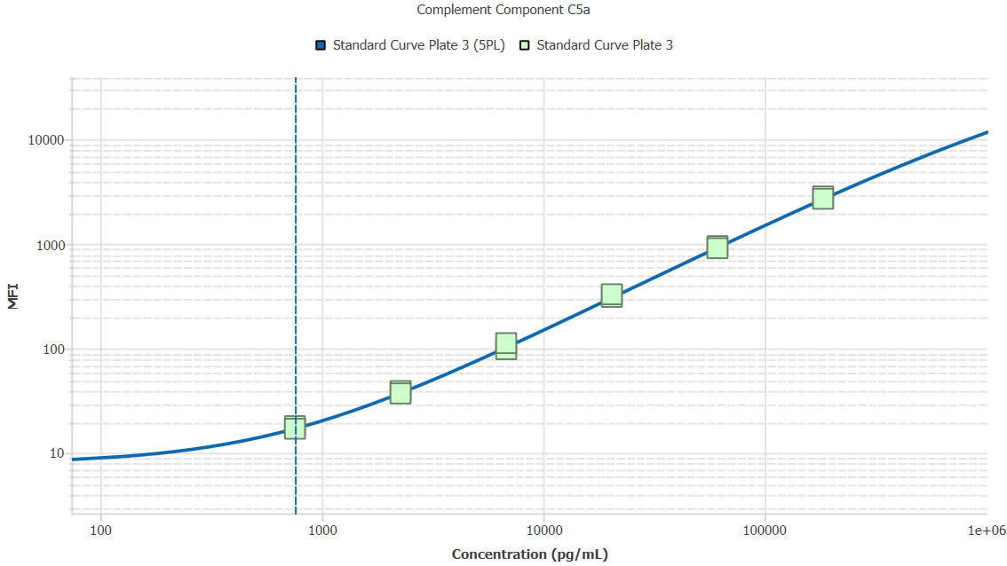
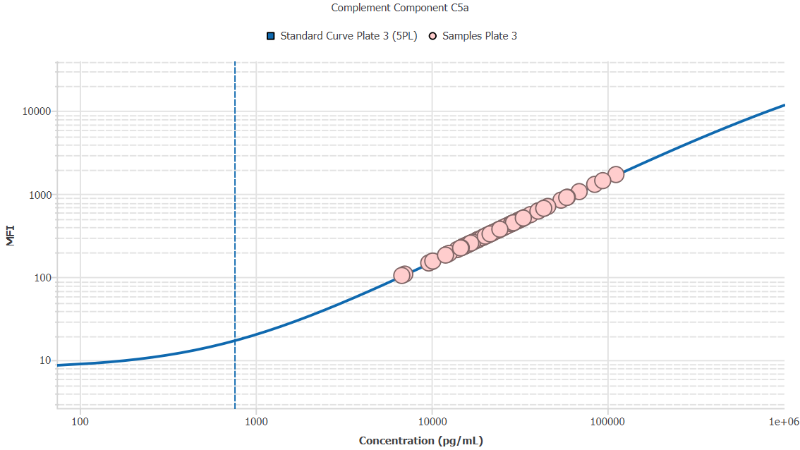
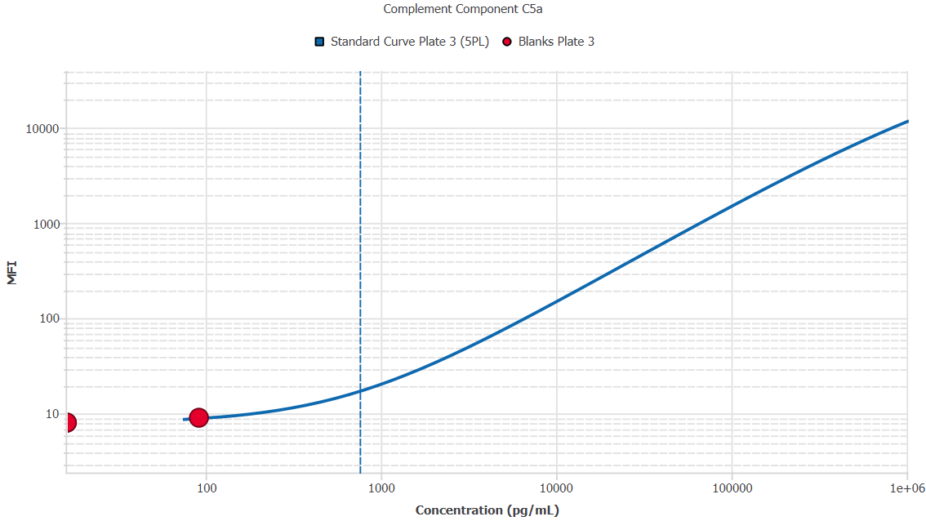
File Name: | O:/facility/2020/_ongoing_projects_/johanna_dahlqvist/PP2020_0052/anca_vasculitis/sia/luminex_interpolation/belysa_files/Kit 2/Belysa_MD_PP2020_0052_kit2_plate3_201110_CM_20200803_045452.belysa
Source File Name: | O:/facility/2020/_ongoing_projects_/johanna_dahlqvist/PP2020_0052/anca_vasculitis/sia/luminex_interpolation/luminex_data/PP2020_0052_kit2_plate3_201110_CM_20200803_045452.csv
Executed By:
Executed On:
Instrument: | MAGPX11083001
File Last Modified: | on nov 25 12:12:06 2020 GMT+0100
File Last Modified By: | matilda.dale
Instrument SW Version: | 4.2.1324.0
Analysis SW Version: | Belysa 1.0.19
Printed By SW Version: | 1.0.19
Experiment Name: | Experiment 1
Experiment Description:
Experiment Created By: | matilda.dale
Experiment Created On: | on nov 25 10:54:24 2020 GMT+0100

Original Name | Current Name | ID | Units | Precision
Analyte 18 | Complement Component C5a | 18 | pg/mL | 2

Standards

Plate | Group | Location | Well ID | Analyte | Expected | Unk. Dilution | Sample ID | Standard | Fit | Avg. Result | Result | Message | Result SD | Result CV | Avg. MFI | MFI | MFI CV | MFI SD | Avg. Recovery | Recovery | n | Exclude | Exclude Reason
Kit 2 Plate 3 | Standard Curve Plate 3 | A1 A12 | 1 | Complement Component C5a | 0.00 |  | Blank | Standard Curve Plate 3 | 5PL | - |  | EXT | - | - | 8.00 |  | 0.0% | 0.00 | - |  | 2
Kit 2 Plate 3 | Standard Curve Plate 3 | A1 | 1 | Complement Component C5a | 0.00 |  | Blank | Standard Curve Plate 3 | 5PL |  | - | EXT |  |  |  | 8.00 |  |  |  | -
Kit 2 Plate 3 | Standard Curve Plate 3 | A12 | 1 | Complement Component C5a | 0.00 |  | Blank | Standard Curve Plate 3 | 5PL |  | - | EXT |  |  |  | 8.00 |  |  |  | -
Kit 2 Plate 3 | Standard Curve Plate 3 | B1 B12 | 2 | Complement Component C5a | 756.75 |  | S6 | Standard Curve Plate 3 | 5PL | 763.20 |  |  | 53.45 | 7.0% | 17.50 |  | 4.0% | 0.71 | 100.9% |  | 2
Kit 2 Plate 3 | Standard Curve Plate 3 | B1 | 2 | Complement Component C5a | 756.75 |  | S6 | Standard Curve Plate 3 | 5PL |  | 800.99 |  |  |  |  | 18.00 |  |  |  | 105.8%
Kit 2 Plate 3 | Standard Curve Plate 3 | B12 | 2 | Complement Component C5a | 756.75 |  | S6 | Standard Curve Plate 3 | 5PL |  | 725.41 |  |  |  |  | 17.00 |  |  |  | 95.9%
Kit 2 Plate 3 | Standard Curve Plate 3 | C1 C12 | 3 | Complement Component C5a | 2270.25 |  | S5 | Standard Curve Plate 3 | 5PL | 2254.44 |  |  | 100.28 | 4.4% | 38.00 |  | 3.7% | 1.41 | 99.3% |  | 2
Kit 2 Plate 3 | Standard Curve Plate 3 | C1 | 3 | Complement Component C5a | 2270.25 |  | S5 | Standard Curve Plate 3 | 5PL |  | 2325.34 |  |  |  |  | 39.00 |  |  |  | 102.4%
Kit 2 Plate 3 | Standard Curve Plate 3 | C12 | 3 | Complement Component C5a | 2270.25 |  | S5 | Standard Curve Plate 3 | 5PL |  | 2183.53 |  |  |  |  | 37.00 |  |  |  | 96.2%
Kit 2 Plate 3 | Standard Curve Plate 3 | D1 D12 | 4 | Complement Component C5a | 6810.74 |  | S4 | Standard Curve Plate 3 | 5PL | 6846.25 |  |  | 664.29 | 9.7% | 105.00 |  | 9.4% | 9.90 | 100.5% |  | 2
Kit 2 Plate 3 | Standard Curve Plate 3 | D1 | 4 | Complement Component C5a | 6810.74 |  | S4 | Standard Curve Plate 3 | 5PL |  | 6376.53 |  |  |  |  | 98.00 |  |  |  | 93.6%
Kit 2 Plate 3 | Standard Curve Plate 3 | D12 | 4 | Complement Component C5a | 6810.74 |  | S4 | Standard Curve Plate 3 | 5PL |  | 7315.97 |  |  |  |  | 112.00 |  |  |  | 107.4%
Kit 2 Plate 3 | Standard Curve Plate 3 | E1 E12 | 5 | Complement Component C5a | 20432.22 |  | S3 | Standard Curve Plate 3 | 5PL | 20900.68 |  |  | 848.32 | 4.1% | 319.25 |  | 4.1% | 13.08 | 102.3% |  | 2
Kit 2 Plate 3 | Standard Curve Plate 3 | E1 | 5 | Complement Component C5a | 20432.22 |  | S3 | Standard Curve Plate 3 | 5PL |  | 20300.82 |  |  |  |  | 310.00 |  |  |  | 99.4%
Kit 2 Plate 3 | Standard Curve Plate 3 | E12 | 5 | Complement Component C5a | 20432.22 |  | S3 | Standard Curve Plate 3 | 5PL |  | 21500.53 |  |  |  |  | 328.50 |  |  |  | 105.2%
Kit 2 Plate 3 | Standard Curve Plate 3 | F1 F12 | 6 | Complement Component C5a | 61296.67 |  | S2 | Standard Curve Plate 3 | 5PL | 60305.25 |  |  | 1939.60 | 3.2% | 927.00 |  | 3.2% | 29.70 | 98.4% |  | 2
Kit 2 Plate 3 | Standard Curve Plate 3 | F1 | 6 | Complement Component C5a | 61296.67 |  | S2 | Standard Curve Plate 3 | 5PL |  | 61676.75 |  |  |  |  | 948.00 |  |  |  | 100.6%
Kit 2 Plate 3 | Standard Curve Plate 3 | F12 | 6 | Complement Component C5a | 61296.67 |  | S2 | Standard Curve Plate 3 | 5PL |  | 58933.75 |  |  |  |  | 906.00 |  |  |  | 96.1%
Kit 2 Plate 3 | Standard Curve Plate 3 | G1 G12 | 7 | Complement Component C5a | 183890.00 |  | S1 | Standard Curve Plate 3 | 5PL | 184491.55 |  |  | 5953.66 | 3.2% | 2761.50 |  | 3.7% | 101.12 | 100.3% |  | 2
Kit 2 Plate 3 | Standard Curve Plate 3 | G1 | 7 | Complement Component C5a | 183890.00 |  | S1 | Standard Curve Plate 3 | 5PL |  | 188701.43 |  |  |  |  | 2833.00 |  |  |  | 102.6%
Kit 2 Plate 3 | Standard Curve Plate 3 | G12 | 7 | Complement Component C5a | 183890.00 |  | S1 | Standard Curve Plate 3 | 5PL |  | 180281.68 |  |  |  |  | 2690.00 |  |  |  | 98.0%

Unknowns

Plate | Group | Location | Well ID | Analyte | Expected | Unk. Dilution | Sample ID | Standard | Fit | Avg. Result | Result | Message | Result SD | Result CV | Avg. MFI | MFI | MFI CV | MFI SD | Avg. Recovery | Recovery | n | Exclude | Exclude Reason
Kit 2 Plate 3 | Blanks Plate 3 | H1 H11 H12 | 8 | Complement Component C5a |  | 1.00 | Blank | Standard Curve Plate 3 | 5PL | 41.33 |  | BLOQ, EXT | 43.59 | 105.5% | 8.33 |  | 6.9% | 0.58 | - |  | 3
Kit 2 Plate 3 | Blanks Plate 3 | H1 | 8 | Complement Component C5a |  | 1.00 | Blank | Standard Curve Plate 3 | 5PL |  | 91.66 | BLOQ |  |  |  | 9.00 |  |  |  | -
Kit 2 Plate 3 | Blanks Plate 3 | H11 | 8 | Complement Component C5a |  | 1.00 | Blank | Standard Curve Plate 3 | 5PL |  | 16.16 | EXT |  |  |  | 8.00 |  |  |  | -
Kit 2 Plate 3 | Blanks Plate 3 | H12 | 8 | Complement Component C5a |  | 1.00 | Blank | Standard Curve Plate 3 | 5PL |  | 16.16 | EXT |  |  |  | 8.00 |  |  |  | -
Kit 2 Plate 3 | Samples Plate 3 | A2 | 9 | Complement Component C5a |  | 2.00 | 1900073363 | Standard Curve Plate 3 | 5PL | 41898.89 |  |  |  |  | 320.00 |  |  |  | -
Kit 2 Plate 3 | Samples Plate 3 | B2 | 10 | Complement Component C5a |  | 2.00 | 1900073350 | Standard Curve Plate 3 | 5PL | 43195.51 |  |  |  |  | 330.00 |  |  |  | -
Kit 2 Plate 3 | Samples Plate 3 | C2 | 11 | Complement Component C5a |  | 2.00 | 1900073378 | Standard Curve Plate 3 | 5PL | 19289.17 |  |  |  |  | 147.00 |  |  |  | -
Kit 2 Plate 3 | Samples Plate 3 | D2 | 12 | Complement Component C5a |  | 2.00 | 1900073354 | Standard Curve Plate 3 | 5PL | 49218.23 |  |  |  |  | 376.50 |  |  |  | -
Kit 2 Plate 3 | Samples Plate 3 | E2 | 13 | Complement Component C5a |  | 2.00 | 1900073228 | Standard Curve Plate 3 | 5PL | 62085.56 |  |  |  |  | 476.00 |  |  |  | -
Kit 2 Plate 3 | Samples Plate 3 | F2 | 14 | Complement Component C5a |  | 2.00 | LU1039 | Standard Curve Plate 3 | 5PL | 48635.78 |  |  |  |  | 372.00 |  |  |  | -
Kit 2 Plate 3 | Samples Plate 3 | G2 | 15 | Complement Component C5a |  | 2.00 | 1900073380 | Standard Curve Plate 3 | 5PL | 57043.81 |  |  |  |  | 437.00 |  |  |  | -
Kit 2 Plate 3 | Samples Plate 3 | H2 | 16 | Complement Component C5a |  | 2.00 | Daniel 98 | Standard Curve Plate 3 | 5PL | 44880.28 |  |  |  |  | 343.00 |  |  |  | -
Kit 2 Plate 3 | Samples Plate 3 | A3 | 17 | Complement Component C5a |  | 2.00 | UMU7 | Standard Curve Plate 3 | 5PL | 24431.07 |  |  |  |  | 186.00 |  |  |  | -
Kit 2 Plate 3 | Samples Plate 3 | B3 | 18 | Complement Component C5a |  | 2.00 | VASKA 503 | Standard Curve Plate 3 | 5PL | 51159.28 |  |  |  |  | 391.50 |  |  |  | -
Kit 2 Plate 3 | Samples Plate 3 | C3 | 19 | Complement Component C5a |  | 2.00 | 1900073364 | Standard Curve Plate 3 | 5PL | 109002.95 |  |  |  |  | 838.00 |  |  |  | -
Kit 2 Plate 3 | Samples Plate 3 | D3 | 20 | Complement Component C5a |  | 2.00 | 1900073362 | Standard Curve Plate 3 | 5PL | 24431.07 |  |  |  |  | 186.00 |  |  |  | -
Kit 2 Plate 3 | Samples Plate 3 | E3 | 21 | Complement Component C5a |  | 2.00 | VASKA 648_1 | Standard Curve Plate 3 | 5PL | 42158.26 |  |  |  |  | 322.00 |  |  |  | -
Kit 2 Plate 3 | Samples Plate 3 | F3 | 22 | Complement Component C5a |  | 2.00 | 1900073237 | Standard Curve Plate 3 | 5PL | 29931.16 |  |  |  |  | 228.00 |  |  |  | -
Kit 2 Plate 3 | Samples Plate 3 | G3 | 23 | Complement Component C5a |  | 2.00 | RA2137 | Standard Curve Plate 3 | 5PL | 80578.94 |  |  |  |  | 619.00 |  |  |  | -
Kit 2 Plate 3 | Samples Plate 3 | H3 | 24 | Complement Component C5a |  | 2.00 | VASKA 148 | Standard Curve Plate 3 | 5PL | 43065.88 |  |  |  |  | 329.00 |  |  |  | -
Kit 2 Plate 3 | Samples Plate 3 | A4 | 25 | Complement Component C5a |  | 2.00 | 1900073337 | Standard Curve Plate 3 | 5PL | 19950.78 |  |  |  |  | 152.00 |  |  |  | -
Kit 2 Plate 3 | Samples Plate 3 | B4 | 26 | Complement Component C5a |  | 2.00 | LU1049 | Standard Curve Plate 3 | 5PL | 223751.08 |  |  |  |  | 1703.50 |  |  |  | -
Kit 2 Plate 3 | Samples Plate 3 | C4 | 27 | Complement Component C5a |  | 2.00 | 1900073262 | Standard Curve Plate 3 | 5PL | 61439.23 |  |  |  |  | 471.00 |  |  |  | -
Kit 2 Plate 3 | Samples Plate 3 | D4 | 28 | Complement Component C5a |  | 2.00 | SLE 1494 | Standard Curve Plate 3 | 5PL | 32540.46 |  |  |  |  | 248.00 |  |  |  | -
Kit 2 Plate 3 | Samples Plate 3 | E4 | 29 | Complement Component C5a |  | 2.00 | 1900073372 | Standard Curve Plate 3 | 5PL | 25218.82 |  |  |  |  | 192.00 |  |  |  | -
Kit 2 Plate 3 | Samples Plate 3 | F4 | 30 | Complement Component C5a |  | 2.00 | 1900073281 | Standard Curve Plate 3 | 5PL | 54199.04 |  |  |  |  | 415.00 |  |  |  | -
Kit 2 Plate 3 | Samples Plate 3 | G4 | 31 | Complement Component C5a |  | 2.00 | 1900073424 | Standard Curve Plate 3 | 5PL | 30845.03 |  |  |  |  | 235.00 |  |  |  | -
Kit 2 Plate 3 | Samples Plate 3 | H4 | 32 | Complement Component C5a |  | 2.00 | Ö21 | Standard Curve Plate 3 | 5PL | 91591.45 |  |  |  |  | 704.00 |  |  |  | -
Kit 2 Plate 3 | Samples Plate 3 | A5 | 33 | Complement Component C5a |  | 2.00 | VASKA 0139 | Standard Curve Plate 3 | 5PL | 44621.15 |  |  |  |  | 341.00 |  |  |  | -
Kit 2 Plate 3 | Samples Plate 3 | B5 | 34 | Complement Component C5a |  | 2.00 | Ö39 | Standard Curve Plate 3 | 5PL | 64024.54 |  |  |  |  | 491.00 |  |  |  | -
Kit 2 Plate 3 | Samples Plate 3 | C5 | 35 | Complement Component C5a |  | 2.00 | 1900073293 | Standard Curve Plate 3 | 5PL | 39303.71 |  |  |  |  | 300.00 |  |  |  | -
Kit 2 Plate 3 | Samples Plate 3 | D5 | 36 | Complement Component C5a |  | 2.00 | VASKA 304 | Standard Curve Plate 3 | 5PL | 27970.39 |  |  |  |  | 213.00 |  |  |  | -
Kit 2 Plate 3 | Samples Plate 3 | E5 | 37 | Complement Component C5a |  | 2.00 | LUN 1059 | Standard Curve Plate 3 | 5PL | 188203.80 |  |  |  |  | 1439.00 |  |  |  | -
Kit 2 Plate 3 | Samples Plate 3 | F5 | 38 | Complement Component C5a |  | 2.00 | RA1080 | Standard Curve Plate 3 | 5PL | 55880.13 |  |  |  |  | 428.00 |  |  |  | -
Kit 2 Plate 3 | Samples Plate 3 | G5 | 39 | Complement Component C5a |  | 2.00 | 1900073267 | Standard Curve Plate 3 | 5PL | 57108.46 |  |  |  |  | 437.50 |  |  |  | -
Kit 2 Plate 3 | Samples Plate 3 | H5 | 40 | Complement Component C5a |  | 2.00 | RA1534 | Standard Curve Plate 3 | 5PL | 58465.96 |  |  |  |  | 448.00 |  |  |  | -
Kit 2 Plate 3 | Samples Plate 3 | A6 | 41 | Complement Component C5a |  | 2.00 | LU1097 | Standard Curve Plate 3 | 5PL | 57108.46 |  |  |  |  | 437.50 |  |  |  | -
Kit 2 Plate 3 | Samples Plate 3 | B6 | 42 | Complement Component C5a |  | 2.00 | 1900073233 | Standard Curve Plate 3 | 5PL | 49671.21 |  |  |  |  | 380.00 |  |  |  | -
Kit 2 Plate 3 | Samples Plate 3 | C6 | 43 | Complement Component C5a |  | 2.00 | RA1239 | Standard Curve Plate 3 | 5PL | 65446.48 |  |  |  |  | 502.00 |  |  |  | -
Kit 2 Plate 3 | Samples Plate 3 | D6 | 44 | Complement Component C5a |  | 2.00 | VASKA 008 | Standard Curve Plate 3 | 5PL | 51482.72 |  |  |  |  | 394.00 |  |  |  | -
Kit 2 Plate 3 | Samples Plate 3 | E6 | 45 | Complement Component C5a |  | 2.00 | 1900073247 | Standard Curve Plate 3 | 5PL | 34364.00 |  |  |  |  | 262.00 |  |  |  | -
Kit 2 Plate 3 | Samples Plate 3 | F6 | 46 | Complement Component C5a |  | 2.00 | 1900073335 | Standard Curve Plate 3 | 5PL | 20347.37 |  |  |  |  | 155.00 |  |  |  | -
Kit 2 Plate 3 | Samples Plate 3 | G6 | 47 | Complement Component C5a |  | 2.00 | VASKA 0125 | Standard Curve Plate 3 | 5PL | 33452.51 |  |  |  |  | 255.00 |  |  |  | -
Kit 2 Plate 3 | Samples Plate 3 | H6 | 48 | Complement Component C5a |  | 2.00 | 1900073421 | Standard Curve Plate 3 | 5PL | 86924.76 |  |  |  |  | 668.00 |  |  |  | -
Kit 2 Plate 3 | Samples Plate 3 | A7 | 49 | Complement Component C5a |  | 2.00 | RA1009 | Standard Curve Plate 3 | 5PL | 48635.78 |  |  |  |  | 372.00 |  |  |  | -
Kit 2 Plate 3 | Samples Plate 3 | B7 | 50 | Complement Component C5a |  | 2.00 | Daniel 87 | Standard Curve Plate 3 | 5PL | 41120.62 |  |  |  |  | 314.00 |  |  |  | -
Kit 2 Plate 3 | Samples Plate 3 | C7 | 51 | Complement Component C5a |  | 2.00 | LUN 1055 | Standard Curve Plate 3 | 5PL | 138289.01 |  |  |  |  | 1062.00 |  |  |  | -
Kit 2 Plate 3 | Samples Plate 3 | D7 | 52 | Complement Component C5a |  | 2.00 | 1900073300 | Standard Curve Plate 3 | 5PL | 38979.11 |  |  |  |  | 297.50 |  |  |  | -
Kit 2 Plate 3 | Samples Plate 3 | E7 | 53 | Complement Component C5a |  | 2.00 | 1900073353 | Standard Curve Plate 3 | 5PL | 73074.80 |  |  |  |  | 561.00 |  |  |  | -
Kit 2 Plate 3 | Samples Plate 3 | F7 | 54 | Complement Component C5a |  | 2.00 | Daniel 33 | Standard Curve Plate 3 | 5PL | 32931.41 |  |  |  |  | 251.00 |  |  |  | -
Kit 2 Plate 3 | Samples Plate 3 | G7 | 55 | Complement Component C5a |  | 2.00 | VASKA 111 | Standard Curve Plate 3 | 5PL | 87702.27 |  |  |  |  | 674.00 |  |  |  | -
Kit 2 Plate 3 | Samples Plate 3 | H7 | 56 | Complement Component C5a |  | 2.00 | 1900073368 | Standard Curve Plate 3 | 5PL | 66545.29 |  |  |  |  | 510.50 |  |  |  | -
Kit 2 Plate 3 | Samples Plate 3 | A8 | 57 | Complement Component C5a |  | 2.00 | VASKA 623 | Standard Curve Plate 3 | 5PL | 81355.65 |  |  |  |  | 625.00 |  |  |  | -
Kit 2 Plate 3 | Samples Plate 3 | B8 | 58 | Complement Component C5a |  | 2.00 | 1900073400 | Standard Curve Plate 3 | 5PL | 36835.49 |  |  |  |  | 281.00 |  |  |  | -
Kit 2 Plate 3 | Samples Plate 3 | C8 | 59 | Complement Component C5a |  | 2.00 | LU1002 | Standard Curve Plate 3 | 5PL | 118389.60 |  |  |  |  | 910.00 |  |  |  | -
Kit 2 Plate 3 | Samples Plate 3 | D8 | 60 | Complement Component C5a |  | 2.00 | 1900073245 | Standard Curve Plate 3 | 5PL | 47470.65 |  |  |  |  | 363.00 |  |  |  | -
Kit 2 Plate 3 | Samples Plate 3 | E8 | 61 | Complement Component C5a |  | 2.00 | Daniel 83 | Standard Curve Plate 3 | 5PL | 32931.41 |  |  |  |  | 251.00 |  |  |  | -
Kit 2 Plate 3 | Samples Plate 3 | F8 | 62 | Complement Component C5a |  | 2.00 | 1900073334 | Standard Curve Plate 3 | 5PL | 53035.03 |  |  |  |  | 406.00 |  |  |  | -
Kit 2 Plate 3 | Samples Plate 3 | G8 | 63 | Complement Component C5a |  | 2.00 | VASKA 042 | Standard Curve Plate 3 | 5PL | 29539.29 |  |  |  |  | 225.00 |  |  |  | -
Kit 2 Plate 3 | Samples Plate 3 | H8 | 64 | Complement Component C5a |  | 2.00 | 1900073382 | Standard Curve Plate 3 | 5PL | 29277.96 |  |  |  |  | 223.00 |  |  |  | -
Kit 2 Plate 3 | Samples Plate 3 | A9 | 65 | Complement Component C5a |  | 2.00 | LU1106 | Standard Curve Plate 3 | 5PL | 169369.85 |  |  |  |  | 1297.50 |  |  |  | -
Kit 2 Plate 3 | Samples Plate 3 | B9 | 66 | Complement Component C5a |  | 2.00 | Daniel 62 | Standard Curve Plate 3 | 5PL | 68031.98 |  |  |  |  | 522.00 |  |  |  | -
Kit 2 Plate 3 | Samples Plate 3 | C9 | 67 | Complement Component C5a |  | 2.00 | 1900073257 | Standard Curve Plate 3 | 5PL | 40147.45 |  |  |  |  | 306.50 |  |  |  | -
Kit 2 Plate 3 | Samples Plate 3 | D9 | 68 | Complement Component C5a |  | 2.00 | 1900073332 | Standard Curve Plate 3 | 5PL | 42547.28 |  |  |  |  | 325.00 |  |  |  | -
Kit 2 Plate 3 | Samples Plate 3 | E9 | 69 | Complement Component C5a |  | 2.00 | 1900073320 | Standard Curve Plate 3 | 5PL | 31366.93 |  |  |  |  | 239.00 |  |  |  | -
Kit 2 Plate 3 | Samples Plate 3 | F9 | 70 | Complement Component C5a |  | 2.00 | RA2078 | Standard Curve Plate 3 | 5PL | 30061.76 |  |  |  |  | 229.00 |  |  |  | -
Kit 2 Plate 3 | Samples Plate 3 | G9 | 71 | Complement Component C5a |  | 2.00 | 1900073301 | Standard Curve Plate 3 | 5PL | 64800.14 |  |  |  |  | 497.00 |  |  |  | -
Kit 2 Plate 3 | Samples Plate 3 | H9 | 72 | Complement Component C5a |  | 2.00 | IgA 2156 | Standard Curve Plate 3 | 5PL | 24036.90 |  |  |  |  | 183.00 |  |  |  | -
Kit 2 Plate 3 | Samples Plate 3 | A10 | 73 | Complement Component C5a |  | 2.00 | 1900073221 | Standard Curve Plate 3 | 5PL | 36965.47 |  |  |  |  | 282.00 |  |  |  | -
Kit 2 Plate 3 | Samples Plate 3 | B10 | 74 | Complement Component C5a |  | 2.00 | RA1788 | Standard Curve Plate 3 | 5PL | 43584.39 |  |  |  |  | 333.00 |  |  |  | -
Kit 2 Plate 3 | Samples Plate 3 | C10 | 75 | Complement Component C5a |  | 2.00 | 1900073303 | Standard Curve Plate 3 | 5PL | 48635.78 |  |  |  |  | 372.00 |  |  |  | -
Kit 2 Plate 3 | Samples Plate 3 | D10 | 76 | Complement Component C5a |  | 2.00 | Daniel 104 | Standard Curve Plate 3 | 5PL | 46952.72 |  |  |  |  | 359.00 |  |  |  | -
Kit 2 Plate 3 | Samples Plate 3 | E10 | 77 | Complement Component C5a |  | 2.00 | IgA 1624 | Standard Curve Plate 3 | 5PL | 14096.22 |  |  |  |  | 108.00 |  |  |  | -
Kit 2 Plate 3 | Samples Plate 3 | F10 | 78 | Complement Component C5a |  | 2.00 | 1900073425 | Standard Curve Plate 3 | 5PL | 13559.64 |  |  |  |  | 104.00 |  |  |  | -
Kit 2 Plate 3 | Samples Plate 3 | G10 | 79 | Complement Component C5a |  | 2.00 | LU1045 | Standard Curve Plate 3 | 5PL | 117475.96 |  |  |  |  | 903.00 |  |  |  | -
Kit 2 Plate 3 | Samples Plate 3 | H10 | 80 | Complement Component C5a |  | 2.00 | 1900073423 | Standard Curve Plate 3 | 5PL | 48959.37 |  |  |  |  | 374.50 |  |  |  | -
Kit 2 Plate 3 | Samples Plate 3 | A11 | 81 | Complement Component C5a |  | 2.00 | SLE 0446 | Standard Curve Plate 3 | 5PL | 36445.49 |  |  |  |  | 278.00 |  |  |  | -
Kit 2 Plate 3 | Samples Plate 3 | B11 | 82 | Complement Component C5a |  | 2.00 | 1900073379 | Standard Curve Plate 3 | 5PL | 30845.03 |  |  |  |  | 235.00 |  |  |  | -
Kit 2 Plate 3 | Samples Plate 3 | C11 | 83 | Complement Component C5a |  | 2.00 | VASKA 622 | Standard Curve Plate 3 | 5PL | 36120.42 |  |  |  |  | 275.50 |  |  |  | -
Kit 2 Plate 3 | Samples Plate 3 | D11 | 84 | Complement Component C5a |  | 2.00 | 1900073234 | Standard Curve Plate 3 | 5PL | 43973.21 |  |  |  |  | 336.00 |  |  |  | -
Kit 2 Plate 3 | Samples Plate 3 | E11 | 85 | Complement Component C5a |  | 2.00 | RA2143 | Standard Curve Plate 3 | 5PL | 59435.54 |  |  |  |  | 455.50 |  |  |  | -
Kit 2 Plate 3 | Samples Plate 3 | F11 | 86 | Complement Component C5a |  | 2.00 | 1900073259 | Standard Curve Plate 3 | 5PL | 31758.22 |  |  |  |  | 242.00 |  |  |  | -
Kit 2 Plate 3 | Samples Plate 3 | G11 | 87 | Complement Component C5a |  | 2.00 | UMU5 | Standard Curve Plate 3 | 5PL | 40471.88 |  |  |  |  | 309.00 |  |  |  | -

Curves

Group | Analyte | Fit | LLoQ | MDD | LoD | R Squared | Slope | Weighting | Equation
Standard Curve Plate 3 | Complement Component C5a | 5PL | 756.75 | N/A | N/A | 1.00 | 0.01 | 1/y^2 | y = 8.01 + (87543.47 - 8.01)/((1 + (3929059.51/x)^0.66))^1.61

