Complement Component C5a
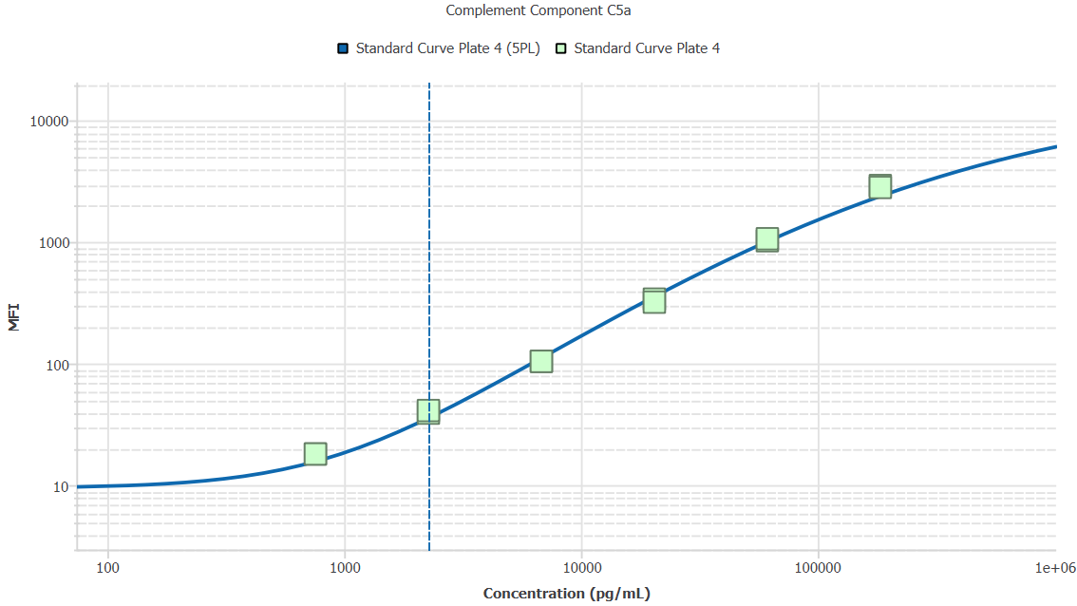
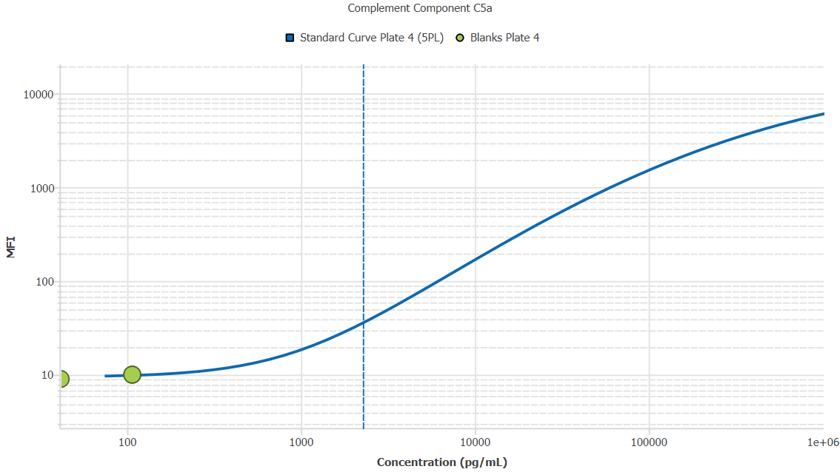
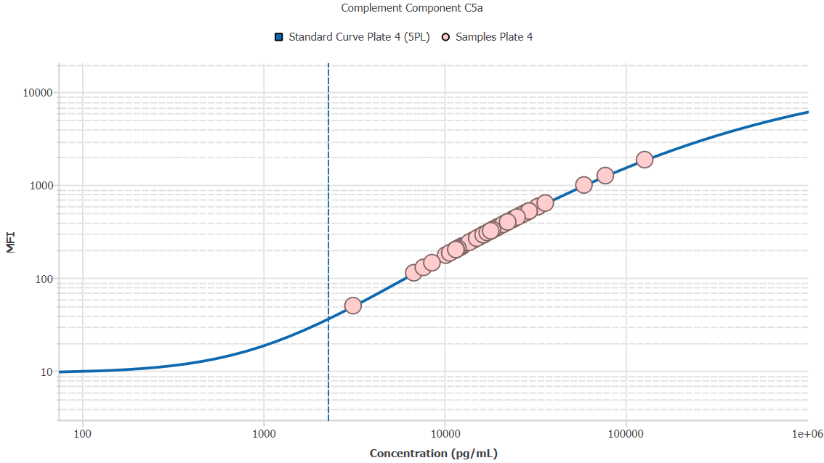
File Name: | O:/facility/2020/_ongoing_projects_/johanna_dahlqvist/PP2020_0052/anca_vasculitis/sia/luminex_interpolation/belysa_files/Kit 2/Belysa_MD_PP2020_0052_plate4_kit2_201111_CM_20200804_044332(without replicates).belysa
Source File Name: | O:/facility/2020/_ongoing_projects_/johanna_dahlqvist/PP2020_0052/anca_vasculitis/sia/luminex_interpolation/luminex_data/PP2020_0052_plate4_kit2_201111_CM_20200804_044332.csv
Executed By:
Executed On:
Instrument: | MAGPX11083001
File Last Modified: | on dec 2 09:01:32 2020 GMT+0100
File Last Modified By: | matilda.dale
Instrument SW Version: | 4.2.1324.0
Analysis SW Version: | Belysa 1.0.19
Printed By SW Version: | 1.0.19
Experiment Name: | Experiment 1
Experiment Description:
Experiment Created By: | matilda.dale
Experiment Created On: | on nov 25 11:15:05 2020 GMT+0100

Original Name | Current Name | ID | Units | Precision
Analyte 18 | Complement Component C5a | 18 | pg/mL | 2

Standards

Plate | Group | Location | Well ID | Analyte | Expected | Unk. Dilution | Sample ID | Standard | Fit | Avg. Result | Result | Message | Result SD | Result CV | Avg. MFI | MFI | MFI CV | MFI SD | Avg. Recovery | Recovery | n | Exclude | Exclude Reason
Kit 2 Plate 4 | Standard Curve Plate 4 | A1 A12 | 1 | Complement Component C5a | 0.00 |  | Blank | Standard Curve Plate 4 | 5PL | - |  | EXT | - | - | 9.00 |  | 0.0% | 0.00 | - |  | 2
Kit 2 Plate 4 | Standard Curve Plate 4 | A1 | 1 | Complement Component C5a | 0.00 |  | Blank | Standard Curve Plate 4 | 5PL |  | - | EXT |  |  |  | 9.00 |  |  |  | -
Kit 2 Plate 4 | Standard Curve Plate 4 | A12 | 1 | Complement Component C5a | 0.00 |  | Blank | Standard Curve Plate 4 | 5PL |  | - | EXT |  |  |  | 9.00 |  |  |  | -
Kit 2 Plate 4 | Standard Curve Plate 4 | B1 B12 | 2 | Complement Component C5a | 756.75 |  | S6 | Standard Curve Plate 4 | 5PL | 933.01 |  |  | 0.00 | 0.0% | 18.00 |  | 0.0% | 0.00 | 123.3% |  | 2
Kit 2 Plate 4 | Standard Curve Plate 4 | B1 | 2 | Complement Component C5a | 756.75 |  | S6 | Standard Curve Plate 4 | 5PL |  | 933.01 |  |  |  |  | 18.00 |  |  |  | 123.3%
Kit 2 Plate 4 | Standard Curve Plate 4 | B12 | 2 | Complement Component C5a | 756.75 |  | S6 | Standard Curve Plate 4 | 5PL |  | 933.01 |  |  |  |  | 18.00 |  |  |  | 123.3%
Kit 2 Plate 4 | Standard Curve Plate 4 | C1 C12 | 3 | Complement Component C5a | 2270.25 |  | S5 | Standard Curve Plate 4 | 5PL | 2499.23 |  |  | 91.50 | 3.7% | 40.00 |  | 3.5% | 1.41 | 110.1% |  | 2
Kit 2 Plate 4 | Standard Curve Plate 4 | C1 | 3 | Complement Component C5a | 2270.25 |  | S5 | Standard Curve Plate 4 | 5PL |  | 2434.53 |  |  |  |  | 39.00 |  |  |  | 107.2%
Kit 2 Plate 4 | Standard Curve Plate 4 | C12 | 3 | Complement Component C5a | 2270.25 |  | S5 | Standard Curve Plate 4 | 5PL |  | 2563.92 |  |  |  |  | 41.00 |  |  |  | 112.9%
Kit 2 Plate 4 | Standard Curve Plate 4 | D1 D12 | 4 | Complement Component C5a | 6810.74 |  | S4 | Standard Curve Plate 4 | 5PL | 6271.62 |  |  | 0.00 | 0.0% | 104.00 |  | 0.0% | 0.00 | 92.1% |  | 2
Kit 2 Plate 4 | Standard Curve Plate 4 | D1 | 4 | Complement Component C5a | 6810.74 |  | S4 | Standard Curve Plate 4 | 5PL |  | 6271.62 |  |  |  |  | 104.00 |  |  |  | 92.1%
Kit 2 Plate 4 | Standard Curve Plate 4 | D12 | 4 | Complement Component C5a | 6810.74 |  | S4 | Standard Curve Plate 4 | 5PL |  | 6271.62 |  |  |  |  | 104.00 |  |  |  | 92.1%
Kit 2 Plate 4 | Standard Curve Plate 4 | E1 E12 | 5 | Complement Component C5a | 20432.22 |  | S3 | Standard Curve Plate 4 | 5PL | 18473.45 |  |  | 734.74 | 4.0% | 328.50 |  | 4.1% | 13.44 | 90.4% |  | 2
Kit 2 Plate 4 | Standard Curve Plate 4 | E1 | 5 | Complement Component C5a | 20432.22 |  | S3 | Standard Curve Plate 4 | 5PL |  | 18992.99 |  |  |  |  | 338.00 |  |  |  | 93.0%
Kit 2 Plate 4 | Standard Curve Plate 4 | E12 | 5 | Complement Component C5a | 20432.22 |  | S3 | Standard Curve Plate 4 | 5PL |  | 17953.91 |  |  |  |  | 319.00 |  |  |  | 87.9%
Kit 2 Plate 4 | Standard Curve Plate 4 | F1 F12 | 6 | Complement Component C5a | 61296.67 |  | S2 | Standard Curve Plate 4 | 5PL | 61951.63 |  |  | 1941.40 | 3.1% | 1041.00 |  | 2.7% | 28.28 | 101.1% |  | 2
Kit 2 Plate 4 | Standard Curve Plate 4 | F1 | 6 | Complement Component C5a | 61296.67 |  | S2 | Standard Curve Plate 4 | 5PL |  | 60578.85 |  |  |  |  | 1021.00 |  |  |  | 98.8%
Kit 2 Plate 4 | Standard Curve Plate 4 | F12 | 6 | Complement Component C5a | 61296.67 |  | S2 | Standard Curve Plate 4 | 5PL |  | 63324.41 |  |  |  |  | 1061.00 |  |  |  | 103.3%
Kit 2 Plate 4 | Standard Curve Plate 4 | G1 G12 | 7 | Complement Component C5a | 183890.00 |  | S1 | Standard Curve Plate 4 | 5PL | 183067.93 |  |  | 4833.90 | 2.6% | 2852.25 |  | 2.6% | 73.89 | 99.6% |  | 2
Kit 2 Plate 4 | Standard Curve Plate 4 | G1 | 7 | Complement Component C5a | 183890.00 |  | S1 | Standard Curve Plate 4 | 5PL |  | 186486.01 |  |  |  |  | 2904.50 |  |  |  | 101.4%
Kit 2 Plate 4 | Standard Curve Plate 4 | G12 | 7 | Complement Component C5a | 183890.00 |  | S1 | Standard Curve Plate 4 | 5PL |  | 179649.84 |  |  |  |  | 2800.00 |  |  |  | 97.7%

Unknowns

Plate | Group | Location | Well ID | Analyte | Expected | Unk. Dilution | Sample ID | Standard | Fit | Avg. Result | Result | Message | Result SD | Result CV | Avg. MFI | MFI | MFI CV | MFI SD | Avg. Recovery | Recovery | n | Exclude | Exclude Reason
Kit 2 Plate 4 | Blanks Plate 4 | H1 H9 H12 | 8 | Complement Component C5a |  | 1.00 | Blank | Standard Curve Plate 4 | 5PL | 85.23 |  | EXT, BLOQ | 37.90 | 44.5% | 9.67 |  | 6.0% | 0.58 | - |  | 3
Kit 2 Plate 4 | Blanks Plate 4 | H1 | 8 | Complement Component C5a |  | 1.00 | Blank | Standard Curve Plate 4 | 5PL |  | 107.11 | BLOQ |  |  |  | 10.00 |  |  |  | -
Kit 2 Plate 4 | Blanks Plate 4 | H9 | 8 | Complement Component C5a |  | 1.00 | Blank | Standard Curve Plate 4 | 5PL |  | 107.11 | BLOQ |  |  |  | 10.00 |  |  |  | -
Kit 2 Plate 4 | Blanks Plate 4 | H12 | 8 | Complement Component C5a |  | 1.00 | Blank | Standard Curve Plate 4 | 5PL |  | 41.47 | EXT |  |  |  | 9.00 |  |  |  | -
Kit 2 Plate 4 | Samples Plate 4 | A2 | 9 | Complement Component C5a |  | 2.00 | 1900073283 | Standard Curve Plate 4 | 5PL | 23453.31 |  |  |  |  | 204.00 |  |  |  | -
Kit 2 Plate 4 | Samples Plate 4 | B2 | 10 | Complement Component C5a |  | 2.00 | SLE 0959 | Standard Curve Plate 4 | 5PL | 23237.48 |  |  |  |  | 202.00 |  |  |  | -
Kit 2 Plate 4 | Samples Plate 4 | C2 | 11 | Complement Component C5a |  | 2.00 | RA2273 | Standard Curve Plate 4 | 5PL | 32533.22 |  |  |  |  | 288.00 |  |  |  | -
Kit 2 Plate 4 | Samples Plate 4 | D2 | 12 | Complement Component C5a |  | 2.00 | RA2626 | Standard Curve Plate 4 | 5PL | 36563.21 |  |  |  |  | 325.00 |  |  |  | -
Kit 2 Plate 4 | Samples Plate 4 | E2 | 13 | Complement Component C5a |  | 2.00 | UMU4 | Standard Curve Plate 4 | 5PL | 33184.96 |  |  |  |  | 294.00 |  |  |  | -
Kit 2 Plate 4 | Samples Plate 4 | F2 | 14 | Complement Component C5a |  | 2.00 | RA2357 | Standard Curve Plate 4 | 5PL | 58635.30 |  |  |  |  | 522.00 |  |  |  | -
Kit 2 Plate 4 | Samples Plate 4 | G2 | 15 | Complement Component C5a |  | 2.00 | VASKA 126 | Standard Curve Plate 4 | 5PL | 32804.71 |  |  |  |  | 290.50 |  |  |  | -
Kit 2 Plate 4 | Samples Plate 4 | H2 | 16 | Complement Component C5a |  | 2.00 | 1900073326 | Standard Curve Plate 4 | 5PL | 23129.56 |  |  |  |  | 201.00 |  |  |  | -
Kit 2 Plate 4 | Samples Plate 4 | A3 | 17 | Complement Component C5a |  | 2.00 | LU1098 | Standard Curve Plate 4 | 5PL | 39742.58 |  |  |  |  | 354.00 |  |  |  | -
Kit 2 Plate 4 | Samples Plate 4 | B3 | 18 | Complement Component C5a |  | 2.00 | 1900073272 | Standard Curve Plate 4 | 5PL | 22643.85 |  |  |  |  | 196.50 |  |  |  | -
Kit 2 Plate 4 | Samples Plate 4 | C3 | 19 | Complement Component C5a |  | 2.00 | VASKA 043 | Standard Curve Plate 4 | 5PL | 44551.96 |  |  |  |  | 397.50 |  |  |  | -
Kit 2 Plate 4 | Samples Plate 4 | D3 | 20 | Complement Component C5a |  | 2.00 | IgA 1288 | Standard Curve Plate 4 | 5PL | 53088.46 |  |  |  |  | 473.50 |  |  |  | -
Kit 2 Plate 4 | Samples Plate 4 | E3 | 21 | Complement Component C5a |  | 2.00 | RA914 | Standard Curve Plate 4 | 5PL | 38863.50 |  |  |  |  | 346.00 |  |  |  | -
Kit 2 Plate 4 | Samples Plate 4 | F3 | 22 | Complement Component C5a |  | 2.00 | IgA 677 | Standard Curve Plate 4 | 5PL | 23777.02 |  |  |  |  | 207.00 |  |  |  | -
Kit 2 Plate 4 | Samples Plate 4 | G3 | 23 | Complement Component C5a |  | 2.00 | RA1622 | Standard Curve Plate 4 | 5PL | 32750.40 |  |  |  |  | 290.00 |  |  |  | -
Kit 2 Plate 4 | Samples Plate 4 | H3 | 24 | Complement Component C5a |  | 2.00 | RA2532 | Standard Curve Plate 4 | 5PL | 36891.20 |  |  |  |  | 328.00 |  |  |  | -
Kit 2 Plate 4 | Samples Plate 4 | A4 | 25 | Complement Component C5a |  | 2.00 | RA1321 | Standard Curve Plate 4 | 5PL | 56452.62 |  |  |  |  | 503.00 |  |  |  | -
Kit 2 Plate 4 | Samples Plate 4 | B4 | 26 | Complement Component C5a |  | 2.00 | 1900073369 | Standard Curve Plate 4 | 5PL | 28796.40 |  |  |  |  | 253.50 |  |  |  | -
Kit 2 Plate 4 | Samples Plate 4 | C4 | 27 | Complement Component C5a |  | 2.00 | 1900073346 | Standard Curve Plate 4 | 5PL | 35798.66 |  |  |  |  | 318.00 |  |  |  | -
Kit 2 Plate 4 | Samples Plate 4 | D4 | 28 | Complement Component C5a |  | 2.00 | 1900073266 | Standard Curve Plate 4 | 5PL | 35362.25 |  |  |  |  | 314.00 |  |  |  | -
Kit 2 Plate 4 | Samples Plate 4 | E4 | 29 | Complement Component C5a |  | 2.00 | Daniel 108 | Standard Curve Plate 4 | 5PL | 58635.30 |  |  |  |  | 522.00 |  |  |  | -
Kit 2 Plate 4 | Samples Plate 4 | F4 | 30 | Complement Component C5a |  | 2.00 | 1900073397 | Standard Curve Plate 4 | 5PL | 42223.78 |  |  |  |  | 376.50 |  |  |  | -
Kit 2 Plate 4 | Samples Plate 4 | G4 | 31 | Complement Component C5a |  | 2.00 | VASKA 122_1 | Standard Curve Plate 4 | 5PL | 42057.95 |  |  |  |  | 375.00 |  |  |  | -
Kit 2 Plate 4 | Samples Plate 4 | H4 | 32 | Complement Component C5a |  | 2.00 | RA2407 | Standard Curve Plate 4 | 5PL | 50316.65 |  |  |  |  | 449.00 |  |  |  | -
Kit 2 Plate 4 | Samples Plate 4 | A5 | 33 | Complement Component C5a |  | 2.00 | VASKA 636 | Standard Curve Plate 4 | 5PL | 13545.60 |  |  |  |  | 113.00 |  |  |  | -
Kit 2 Plate 4 | Samples Plate 4 | B5 | 34 | Complement Component C5a |  | 2.00 | 1900073391 | Standard Curve Plate 4 | 5PL | 66377.48 |  |  |  |  | 588.50 |  |  |  | -
Kit 2 Plate 4 | Samples Plate 4 | C5 | 35 | Complement Component C5a |  | 2.00 | IgA 1180 | Standard Curve Plate 4 | 5PL | 55765.97 |  |  |  |  | 497.00 |  |  |  | -
Kit 2 Plate 4 | Samples Plate 4 | D5 | 36 | Complement Component C5a |  | 2.00 | UMU63 | Standard Curve Plate 4 | 5PL | 24424.36 |  |  |  |  | 213.00 |  |  |  | -
Kit 2 Plate 4 | Samples Plate 4 | E5 | 37 | Complement Component C5a |  | 2.00 | VASKA 645 | Standard Curve Plate 4 | 5PL | 30148.45 |  |  |  |  | 266.00 |  |  |  | -
Kit 2 Plate 4 | Samples Plate 4 | F5 | 38 | Complement Component C5a |  | 2.00 | RA1865 | Standard Curve Plate 4 | 5PL | 39247.91 |  |  |  |  | 349.50 |  |  |  | -
Kit 2 Plate 4 | Samples Plate 4 | G5 | 39 | Complement Component C5a |  | 2.00 | 1900073246 | Standard Curve Plate 4 | 5PL | 21401.80 |  |  |  |  | 185.00 |  |  |  | -
Kit 2 Plate 4 | Samples Plate 4 | H5 | 40 | Complement Component C5a |  | 2.00 | Daniel 38 | Standard Curve Plate 4 | 5PL | 34490.40 |  |  |  |  | 306.00 |  |  |  | -
Kit 2 Plate 4 | Samples Plate 4 | A6 | 41 | Complement Component C5a |  | 2.00 | LU1035 | Standard Curve Plate 4 | 5PL | 47956.17 |  |  |  |  | 428.00 |  |  |  | -
Kit 2 Plate 4 | Samples Plate 4 | B6 | 42 | Complement Component C5a |  | 2.00 | VASKA 635 | Standard Curve Plate 4 | 5PL | 36891.20 |  |  |  |  | 328.00 |  |  |  | -
Kit 2 Plate 4 | Samples Plate 4 | C6 | 43 | Complement Component C5a |  | 2.00 | 1900073278 | Standard Curve Plate 4 | 5PL | 36235.42 |  |  |  |  | 322.00 |  |  |  | -
Kit 2 Plate 4 | Samples Plate 4 | D6 | 44 | Complement Component C5a |  | 2.00 | 1900073322 | Standard Curve Plate 4 | 5PL | 27391.97 |  |  |  |  | 240.50 |  |  |  | -
Kit 2 Plate 4 | Samples Plate 4 | E6 | 45 | Complement Component C5a |  | 2.00 | RA1523 | Standard Curve Plate 4 | 5PL | 53145.24 |  |  |  |  | 474.00 |  |  |  | -
Kit 2 Plate 4 | Samples Plate 4 | F6 | 46 | Complement Component C5a |  | 2.00 | 1900073347 | Standard Curve Plate 4 | 5PL | 33184.96 |  |  |  |  | 294.00 |  |  |  | -
Kit 2 Plate 4 | Samples Plate 4 | G6 | 47 | Complement Component C5a |  | 2.00 | LU1001 | Standard Curve Plate 4 | 5PL | 254641.26 |  |  |  |  | 1864.00 |  |  |  | -
Kit 2 Plate 4 | Samples Plate 4 | H6 | 48 | Complement Component C5a |  | 2.00 | SLE 1519 | Standard Curve Plate 4 | 5PL | 36017.00 |  |  |  |  | 320.00 |  |  |  | -
Kit 2 Plate 4 | Samples Plate 4 | A7 | 49 | Complement Component C5a |  | 2.00 | 1900073395 | Standard Curve Plate 4 | 5PL | 154540.68 |  |  |  |  | 1256.00 |  |  |  | -
Kit 2 Plate 4 | Samples Plate 4 | B7 | 50 | Complement Component C5a |  | 2.00 | 1900073420 | Standard Curve Plate 4 | 5PL | 25071.67 |  |  |  |  | 219.00 |  |  |  | -
Kit 2 Plate 4 | Samples Plate 4 | C7 | 51 | Complement Component C5a |  | 2.00 | 1900073238 | Standard Curve Plate 4 | 5PL | 15311.70 |  |  |  |  | 129.00 |  |  |  | -
Kit 2 Plate 4 | Samples Plate 4 | D7 | 52 | Complement Component C5a |  | 2.00 | Ö3 | Standard Curve Plate 4 | 5PL | 65202.77 |  |  |  |  | 578.50 |  |  |  | -
Kit 2 Plate 4 | Samples Plate 4 | E7 | 53 | Complement Component C5a |  | 2.00 | Danie 56 | Standard Curve Plate 4 | 5PL | 33076.29 |  |  |  |  | 293.00 |  |  |  | -
Kit 2 Plate 4 | Samples Plate 4 | F7 | 54 | Complement Component C5a |  | 2.00 | RA924 | Standard Curve Plate 4 | 5PL | 43608.11 |  |  |  |  | 389.00 |  |  |  | -
Kit 2 Plate 4 | Samples Plate 4 | G7 | 55 | Complement Component C5a |  | 2.00 | UMU2 | Standard Curve Plate 4 | 5PL | 72069.46 |  |  |  |  | 636.50 |  |  |  | -
Kit 2 Plate 4 | Samples Plate 4 | H7 | 56 | Complement Component C5a |  | 2.00 | 1900073330 | Standard Curve Plate 4 | 5PL | 17062.72 |  |  |  |  | 145.00 |  |  |  | -
Kit 2 Plate 4 | Samples Plate 4 | A8 | 57 | Complement Component C5a |  | 2.00 | 1900073264 | Standard Curve Plate 4 | 5PL | 39083.13 |  |  |  |  | 348.00 |  |  |  | -
Kit 2 Plate 4 | Samples Plate 4 | B8 | 58 | Complement Component C5a |  | 2.00 | 1900073328 | Standard Curve Plate 4 | 5PL | 58174.73 |  |  |  |  | 518.00 |  |  |  | -
Kit 2 Plate 4 | Samples Plate 4 | C8 | 59 | Complement Component C5a |  | 2.00 | VASKA 114_1 | Standard Curve Plate 4 | 5PL | 48516.93 |  |  |  |  | 433.00 |  |  |  | -
Kit 2 Plate 4 | Samples Plate 4 | D8 | 60 | Complement Component C5a |  | 2.00 | Daniel 95 | Standard Curve Plate 4 | 5PL | 6262.33 |  |  |  |  | 50.00 |  |  |  | -
Kit 2 Plate 4 | Samples Plate 4 | E8 | 61 | Complement Component C5a |  | 2.00 | UMU008 | Standard Curve Plate 4 | 5PL | 23021.64 |  |  |  |  | 200.00 |  |  |  | -
Kit 2 Plate 4 | Samples Plate 4 | F8 | 62 | Complement Component C5a |  | 2.00 | 1900073273 | Standard Curve Plate 4 | 5PL | 39247.91 |  |  |  |  | 349.50 |  |  |  | -
Kit 2 Plate 4 | Samples Plate 4 | G8 | 63 | Complement Component C5a |  | 2.00 | 1900073329 | Standard Curve Plate 4 | 5PL | 47396.18 |  |  |  |  | 423.00 |  |  |  | -
Kit 2 Plate 4 | Samples Plate 4 | H8 | 64 | Complement Component C5a |  | 2.00 | VASKA 649 | Standard Curve Plate 4 | 5PL | 44663.13 |  |  |  |  | 398.50 |  |  |  | -
Kit 2 Plate 4 | Samples Plate 4 | A9 | 65 | Complement Component C5a |  | 2.00 | SLE 1510 | Standard Curve Plate 4 | 5PL | 24046.75 |  |  |  |  | 209.50 |  |  |  | -
Kit 2 Plate 4 | Samples Plate 4 | B9 | 66 | Complement Component C5a |  | 2.00 | RA1767 | Standard Curve Plate 4 | 5PL | 31123.17 |  |  |  |  | 275.00 |  |  |  | -
Kit 2 Plate 4 | Samples Plate 4 | C9 | 67 | Complement Component C5a |  | 2.00 | 1900073352 | Standard Curve Plate 4 | 5PL | 24909.84 |  |  |  |  | 217.50 |  |  |  | -
Kit 2 Plate 4 | Samples Plate 4 | D9 | 68 | Complement Component C5a |  | 2.00 | LU1061 | Standard Curve Plate 4 | 5PL | 117764.35 |  |  |  |  | 996.00 |  |  |  | -
Kit 2 Plate 4 | Samples Plate 4 | E9 | 69 | Complement Component C5a |  | 2.00 | VASKA 089_1 | Standard Curve Plate 4 | 5PL | 38863.50 |  |  |  |  | 346.00 |  |  |  | -
Kit 2 Plate 4 | Samples Plate 4 | F9 | 70 | Complement Component C5a |  | 2.00 | 1900073230 | Standard Curve Plate 4 | 5PL | 20320.42 |  |  |  |  | 175.00 |  |  |  | -
Kit 2 Plate 4 | Samples Plate 4 | G9 | 71 | Complement Component C5a |  | 2.00 | RA2045 | Standard Curve Plate 4 | 5PL | 23237.48 |  |  |  |  | 202.00 |  |  |  | -

Curves

Group | Analyte | Fit | LLoQ | MDD | LoD | R Squared | Slope | Weighting | Equation
Standard Curve Plate 4 | Complement Component C5a | 5PL | 2270.25 | N/A | N/A | 0.97 | 0.01 | 1/y^2 | y = 9.57 + (17204.91 - 9.57)/((1 + (149298.91/x)^0.48))^3.04

