sample
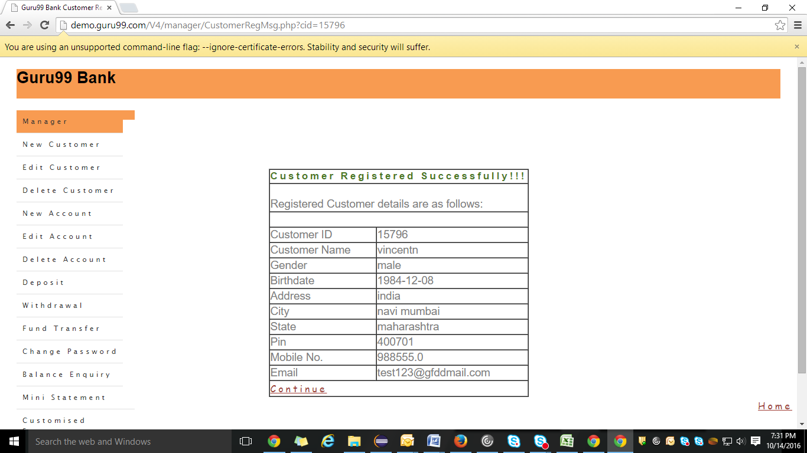
TestCase | Keyword | Object | ObjectType | value
Reset Login In Application |  |  |  |  | Edit Customer
 | GOTOURL |  |  | url | Delete Customer
 | SETTEXT | username | name | mgr123 | New Account
 | SETTEXT | password | name | mgr!23 | Edit Account
 | CLICK | resetButton | name |  | Delete Account
Login In Application |  |  |  |  | Deposit
 | GOTOURL |  |  | url | Withdrawal
 | SETTEXT | username | name | mgr123 | Fund Transfer
 | SETTEXT | password | name | mgr!23 | Change Password
 | CLICK | loginButton | name |  | Balance Enquiry
 |  |  |  |  | Mini Statement
 |  |  |  |  | Customised Statement
 |  |  |  |  | Log out

