Sheet1
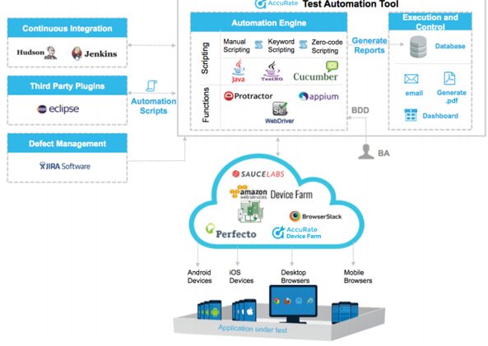

Sheet2
Automation Engine
Browser

Chrome, Firefox, IE
 | Selenium Automation tool – Jdk 1.7 or higher, Eclipse IDE, Jenkins, AutoIt Soap UI

Test Apps

Prime, SOA, Oasis

Sheet3
Browser

