Sheet
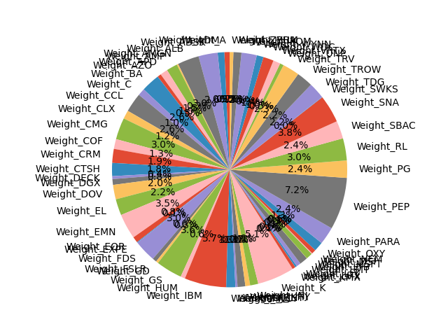
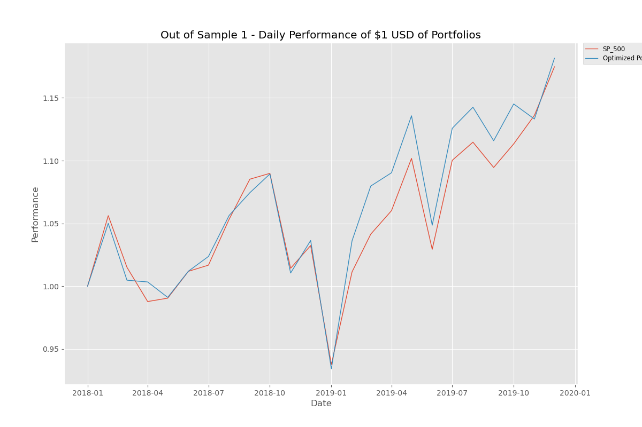
Target Betas
Mkt-RF | 1
SMB | -0.14
HML | -0.01

