Report preference partworths
Summary

Preference partworths
Average and standard statistics for preference partworths.
 | Average | Std dev. | Minimum | Maximum
Exceeds 9% | 27.3 | 13.2 | 6.0 | 52
Exceeds 5% | 16.9 | 10.9 | 2.0 | 40
Meets specifications | 8.4 | 7.6 | 0.0 | 40
Short by 5% | 0.0 | 0.0 | 0.0 | 0
6 months | 31.2 | 13.3 | 10.0 | 55
9 months | 19.1 | 10.5 | 5.0 | 45
12 months | 9.2 | 5.6 | 2.0 | 20
15 months | 0.0 | 0.0 | 0.0 | 0
600000.0 | 18.6 | 12.6 | 2.0 | 50
700000.0 | 12.6 | 10.3 | 0.0 | 38
800000.0 | 6.4 | 5.8 | 0.0 | 25
900000.0 | 0.2 | 0.6 | 0.0 | 3
Installed, with 2-year warranty | 20.4 | 11.1 | 3.0 | 45
Installed, with 1-year warranty | 13.9 | 9.0 | 3.0 | 40
Installed, with service contract | 5.6 | 3.7 | 0.0 | 16
FOB, with service contract | 0.0 | 0.0 | 0.0 | 0

Average preference partworths

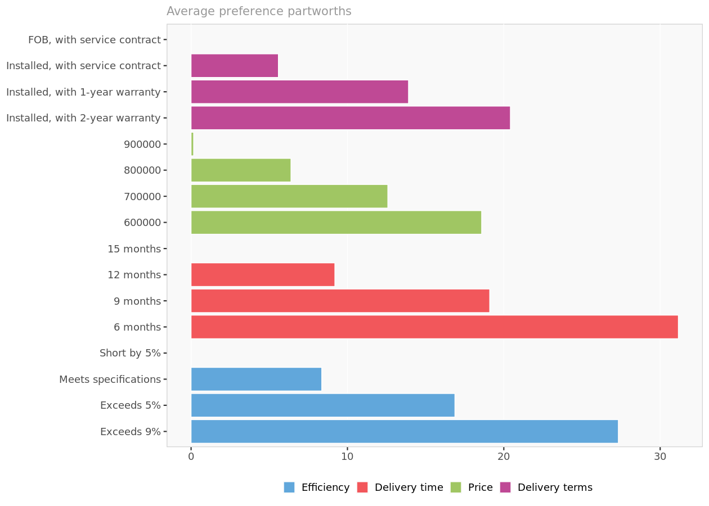

Preference partworths. Average preference partworths for each attribute level.

Attribute importance

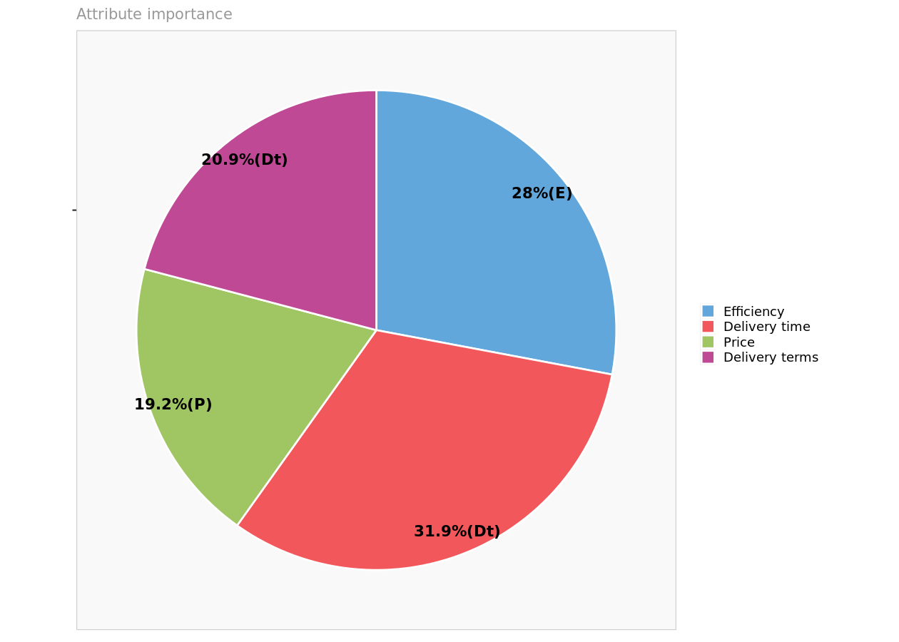

Attribute importance. Reports the maximum level value for each attribute, reflecting the relative importance of each attribute in driving preferences.

Detailed preference partworths

Preference partworths
 | Exceeds 9% | Exceeds 5% | Meets specifications | Short by 5% | 6 months | 9 months | 12 months | 15 months | 600000 | 700000 | 800000 | 900000 | Installed, with 2-year warranty | Installed, with 1-year warranty | Installed, with service contract | FOB, with service contract
Chev | 20.00 | 5.00 | 0.00 | 0.00 | 20.00 | 10.00 | 5.00 | 0.00 | 20.00 | 15.00 | 10.00 | 0.00 | 40.00 | 20.00 | 0.00 | 0
TXU | 50.00 | 40.00 | 10.00 | 0.00 | 10.00 | 8.00 | 3.00 | 0.00 | 10.00 | 5.00 | 2.00 | 0.00 | 30.00 | 20.00 | 10.00 | 0
AEP | 10.00 | 10.00 | 10.00 | 0.00 | 10.00 | 6.00 | 4.00 | 0.00 | 35.00 | 30.00 | 25.00 | 0.00 | 25.00 | 4.00 | 0.00 | 0
GenMills | 28.00 | 20.00 | 13.00 | 0.00 | 40.00 | 28.00 | 18.00 | 0.00 | 11.00 | 6.00 | 8.00 | 0.00 | 21.00 | 14.00 | 7.00 | 0
KrispyKreme | 15.00 | 10.00 | 3.00 | 0.00 | 45.00 | 40.00 | 5.00 | 0.00 | 10.00 | 7.00 | 3.00 | 0.00 | 30.00 | 25.00 | 2.00 | 0
Dean | 29.00 | 19.00 | 10.00 | 0.00 | 39.00 | 17.00 | 4.00 | 0.00 | 29.00 | 12.00 | 6.00 | 0.00 | 3.00 | 3.00 | 2.00 | 0
Duke | 6.00 | 2.00 | 2.00 | 0.00 | 20.00 | 10.00 | 5.00 | 0.00 | 50.00 | 35.00 | 20.00 | 0.00 | 20.00 | 10.00 | 5.00 | 0
Molson | 50.00 | 30.00 | 40.00 | 0.00 | 20.00 | 10.00 | 5.00 | 0.00 | 20.00 | 20.00 | 10.00 | 0.00 | 5.00 | 3.00 | 2.00 | 0
EnergyEast | 13.00 | 4.00 | 3.00 | 0.00 | 24.00 | 10.00 | 4.00 | 0.00 | 24.00 | 14.00 | 13.00 | 3.00 | 39.00 | 30.00 | 6.00 | 0
Pepsi | 20.00 | 10.00 | 5.00 | 0.00 | 50.00 | 45.00 | 10.00 | 0.00 | 10.00 | 8.00 | 4.00 | 0.00 | 10.00 | 10.00 | 2.00 | 0
BrownForman | 40.00 | 35.00 | 5.00 | 0.00 | 40.00 | 30.00 | 20.00 | 0.00 | 10.00 | 8.00 | 5.00 | 0.00 | 10.00 | 8.00 | 6.00 | 0
Xerium | 40.00 | 30.00 | 10.00 | 0.00 | 45.00 | 25.00 | 20.00 | 0.00 | 15.00 | 10.00 | 5.00 | 0.00 | 5.00 | 3.00 | 2.00 | 0
PGE | 20.00 | 10.00 | 5.00 | 0.00 | 12.00 | 10.00 | 10.00 | 0.00 | 43.00 | 38.00 | 10.00 | 0.00 | 25.00 | 25.00 | 10.00 | 0
Mohawk | 21.00 | 13.00 | 6.00 | 0.00 | 45.00 | 26.00 | 2.00 | 0.00 | 14.00 | 9.00 | 3.00 | 0.00 | 20.00 | 17.00 | 6.00 | 0
GAPac | 20.00 | 7.00 | 6.00 | 0.00 | 11.00 | 9.00 | 7.00 | 0.00 | 31.00 | 25.00 | 10.00 | 0.00 | 38.00 | 26.00 | 9.00 | 0
Fab | 34.00 | 11.00 | 10.00 | 0.00 | 44.00 | 36.00 | 7.00 | 0.00 | 9.00 | 6.00 | 3.00 | 0.00 | 14.00 | 13.00 | 11.00 | 0
AveryDenn | 27.00 | 17.00 | 14.00 | 0.00 | 37.00 | 14.00 | 5.00 | 0.00 | 2.00 | 1.00 | 0.00 | 0.00 | 31.00 | 11.00 | 6.00 | 0
SealedAir | 35.00 | 10.00 | 4.00 | 0.00 | 31.00 | 15.00 | 8.00 | 0.00 | 18.00 | 5.00 | 0.00 | 0.00 | 16.00 | 10.00 | 6.00 | 0
Champion | 35.00 | 28.00 | 19.00 | 0.00 | 25.00 | 15.00 | 15.00 | 0.00 | 15.00 | 5.00 | 2.00 | 0.00 | 25.00 | 22.00 | 11.00 | 0
ConGraph | 35.00 | 29.00 | 17.00 | 0.00 | 45.00 | 21.00 | 10.00 | 0.00 | 8.00 | 1.00 | 0.00 | 0.00 | 10.00 | 7.00 | 4.00 | 0
Citgo | 15.00 | 5.00 | 5.00 | 0.00 | 20.00 | 20.00 | 15.00 | 0.00 | 5.00 | 5.00 | 0.00 | 0.00 | 45.00 | 40.00 | 0.00 | 0
HollyCorp | 14.00 | 10.00 | 0.00 | 0.00 | 55.00 | 40.00 | 16.00 | 0.00 | 12.00 | 4.00 | 3.00 | 0.00 | 15.00 | 12.00 | 4.00 | 0
Coffeyville | 15.00 | 15.00 | 6.00 | 0.00 | 44.00 | 13.00 | 12.00 | 0.00 | 10.00 | 0.00 | 4.00 | 0.00 | 28.00 | 23.00 | 16.00 | 0
Monsanto | 48.00 | 34.00 | 6.00 | 0.00 | 22.00 | 21.00 | 6.00 | 0.00 | 15.00 | 12.00 | 4.00 | 0.00 | 15.00 | 7.00 | 7.00 | 0
Scotts | 14.00 | 8.00 | 3.00 | 0.00 | 42.00 | 17.00 | 17.00 | 0.00 | 9.00 | 7.00 | 4.00 | 0.00 | 27.00 | 12.00 | 10.00 | 0
Lubrizol | 45.00 | 30.00 | 17.00 | 0.00 | 22.00 | 20.00 | 7.00 | 0.00 | 12.00 | 10.00 | 0.00 | 2.00 | 13.00 | 4.00 | 4.00 | 0
Carlisle | 22.00 | 16.00 | 9.00 | 0.00 | 45.00 | 19.00 | 18.00 | 0.00 | 12.00 | 19.00 | 9.00 | 0.00 | 20.00 | 16.00 | 7.00 | 0
Nucor | 38.00 | 25.00 | 10.00 | 0.00 | 29.00 | 22.00 | 8.00 | 0.00 | 27.00 | 9.00 | 6.00 | 0.00 | 14.00 | 10.00 | 4.00 | 0
Bridgestone | 19.00 | 5.00 | 3.00 | 0.00 | 19.00 | 5.00 | 2.00 | 0.00 | 42.00 | 28.00 | 14.00 | 0.00 | 10.00 | 10.00 | 4.00 | 0
UTC | 17.00 | 7.00 | 4.00 | 0.00 | 20.00 | 11.00 | 6.00 | 0.00 | 41.00 | 29.00 | 9.00 | 0.00 | 22.00 | 11.00 | 5.00 | 0
Timken | 52.00 | 28.00 | 4.00 | 0.00 | 35.00 | 19.00 | 11.00 | 0.00 | 7.00 | 7.00 | 6.00 | 0.00 | 7.00 | 5.00 | 5.00 | 0

Simulations with existing pr...
Existing products

Existing products
Characteristics of products already in the marketplace.
 | Efficiency | Delivery time | Price | Delivery terms
Wastewatch | Exceeds 5% | 9 months | 600000 | FOB, with service contract
Thermatrix | Exceeds 9% | 12 months | 900000 | FOB, with service contract
Advanced Air | Meets specifications | 9 months | 600000 | Installed, with service contract

Predicted market shares
The decision rule applied to predict market shares is the logit rule, with a parameter (thau) scaled to mimick observed
market shares as closely as possible.
The scaling parameter has reached the maximum value allowed, however, and the decision rule has been automatically
adjusted to the first-choice rule.

Predicted and actual market shares
 | Wastewatch | Thermatrix | Advanced Air
Predicted | 48.9% | 5.4% | 0.45698924731
Actual | 50.0% | 5.0% | 0.45

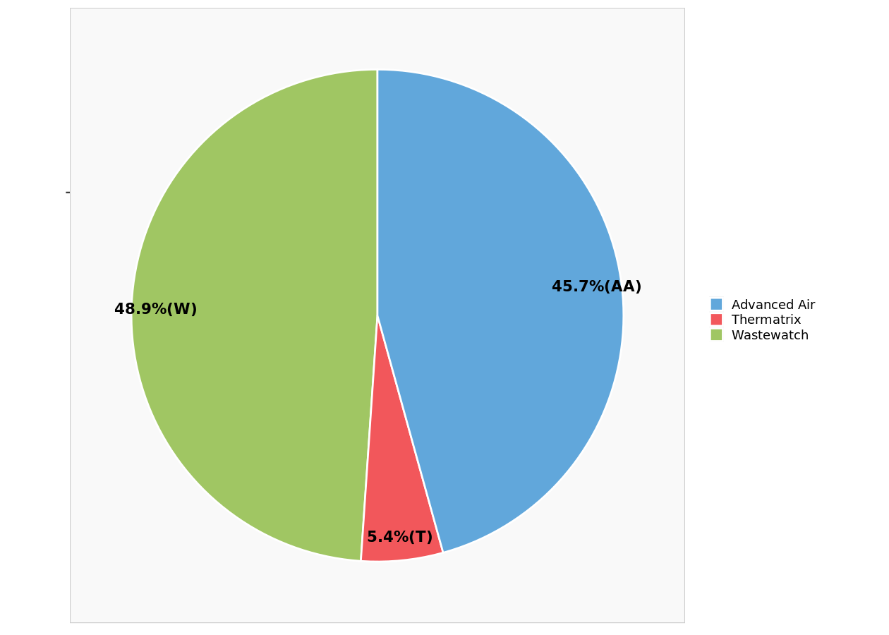

Predicted market shares.

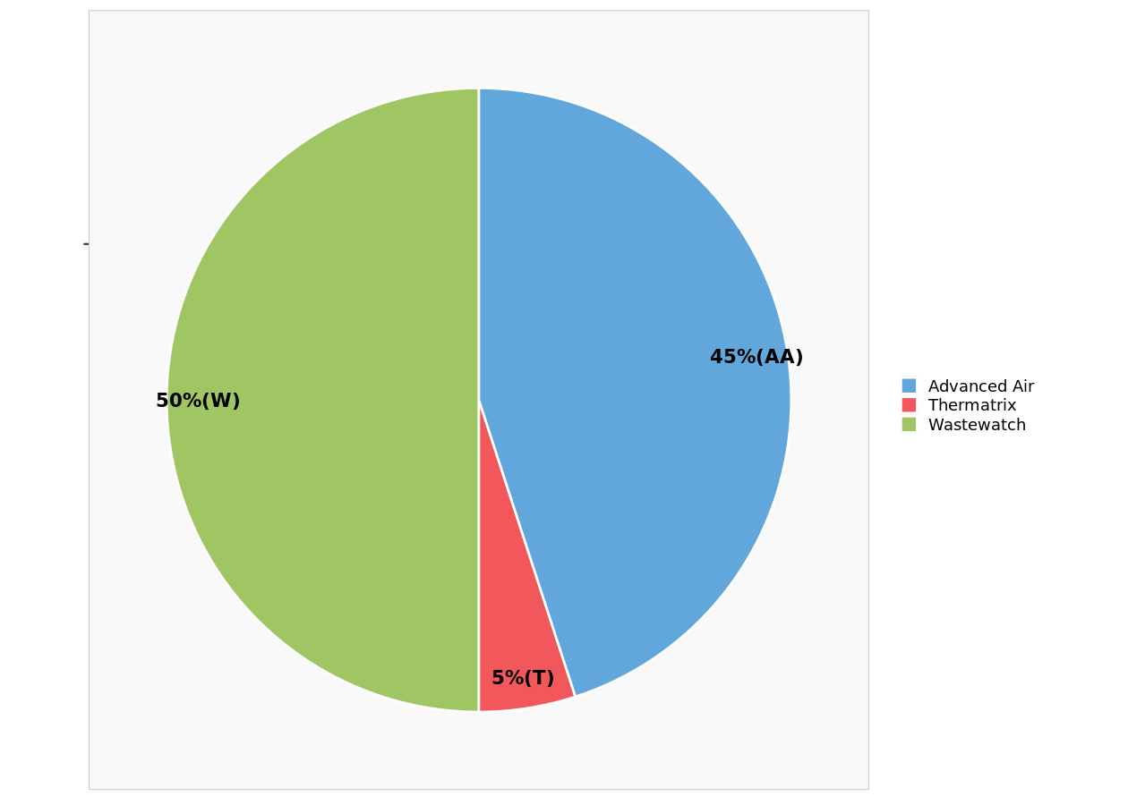

Actual market shares.

Detailed predictions

Detailed predictions
Detail of choice predictions, among existing products
 | Wastewatch | Thermatrix | Advanced Air | Wastewatch | Thermatrix | Advanced Air
Chev | 35 | 25 | 3000.0% | 100.0% | 0.0% | 0
TXU | 58 | 53 | 3800.0% | 100.0% | 0.0% | 0
AEP | 51 | 14 | 5100.0% | 50.0% | 0.0% | 0.5
GenMills | 59 | 46 | 5900.0% | 50.0% | 0.0% | 0.5
KrispyKreme | 60 | 20 | 5500.0% | 100.0% | 0.0% | 0
Dean | 65 | 33 | 5800.0% | 100.0% | 0.0% | 0
Duke | 62 | 11 | 6700.0% | 0.0% | 0.0% | 1
Molson | 60 | 55 | 7200.0% | 0.0% | 0.0% | 1
EnergyEast | 38 | 20 | 4300.0% | 0.0% | 0.0% | 1
Pepsi | 65 | 30 | 6200.0% | 100.0% | 0.0% | 0
BrownForman | 75 | 60 | 5100.0% | 100.0% | 0.0% | 0
Xerium | 70 | 60 | 5200.0% | 100.0% | 0.0% | 0
PGE | 63 | 30 | 6800.0% | 0.0% | 0.0% | 1
Mohawk | 53 | 23 | 5200.0% | 100.0% | 0.0% | 0
GAPac | 47 | 27 | 5500.0% | 0.0% | 0.0% | 1
Fab | 56 | 41 | 6600.0% | 0.0% | 0.0% | 1
AveryDenn | 33 | 32 | 3600.0% | 0.0% | 0.0% | 1
SealedAir | 43 | 43 | 4300.0% | 33.3% | 33.3% | 0.33333333333
Champion | 58 | 50 | 6000.0% | 0.0% | 0.0% | 1
ConGraph | 58 | 45 | 5000.0% | 100.0% | 0.0% | 0
Citgo | 30 | 30 | 3000.0% | 33.3% | 33.3% | 0.33333333333
HollyCorp | 62 | 30 | 5600.0% | 100.0% | 0.0% | 0
Coffeyville | 38 | 27 | 4500.0% | 0.0% | 0.0% | 1
Monsanto | 70 | 54 | 4900.0% | 100.0% | 0.0% | 0
Scotts | 34 | 31 | 3900.0% | 0.0% | 0.0% | 1
Lubrizol | 62 | 54 | 5300.0% | 100.0% | 0.0% | 0
Carlisle | 47 | 40 | 4700.0% | 50.0% | 0.0% | 0.5
Nucor | 74 | 46 | 6300.0% | 100.0% | 0.0% | 0
Bridgestone | 52 | 21 | 5400.0% | 0.0% | 0.0% | 1
UTC | 59 | 23 | 6100.0% | 0.0% | 0.0% | 1
Timken | 54 | 63 | 3500.0% | 0.0% | 100.0% | 0

Simulations with new products
New products

New products
Characteristics of new products potentially introduced in the marketplace.
 | Efficiency | Delivery time | Price | Delivery terms
Servair DX | Meets specifications | 15 months | 900000 | Installed, with 2-year warranty
Premier DX | Exceeds 9% | 12 months | 900000 | Installed, with service contract
Base model | Exceeds 5% | 12 months | 700000 | Installed, with service contract

Predicted market shares and revenue

Simulation results
Predicted market shares, revenue per unit, and weighted revenue (i.e., revenue per unit multiplied by predicted market shares) for each new product.
 | Wastewatch | Thermatrix | Advanced Air | New product | Revenue per unit | Weighted revenue
Base predictions | 48.9% | 5.4% | 0.4569892 | N/A | N/A | N/A
...with Servair DX | 44.6% | 4.3% | 0.3817204 | 0.12903225806 | 180 | 23.225806452
...with Premier DX | 43.8% | 0.8% | 0.3413978 | 0.2123655914 | 230 | 48.844086022
...with Base model | 45.7% | 5.4% | 0.3924731 | 0.096774193548 | 200 | 19.35483871

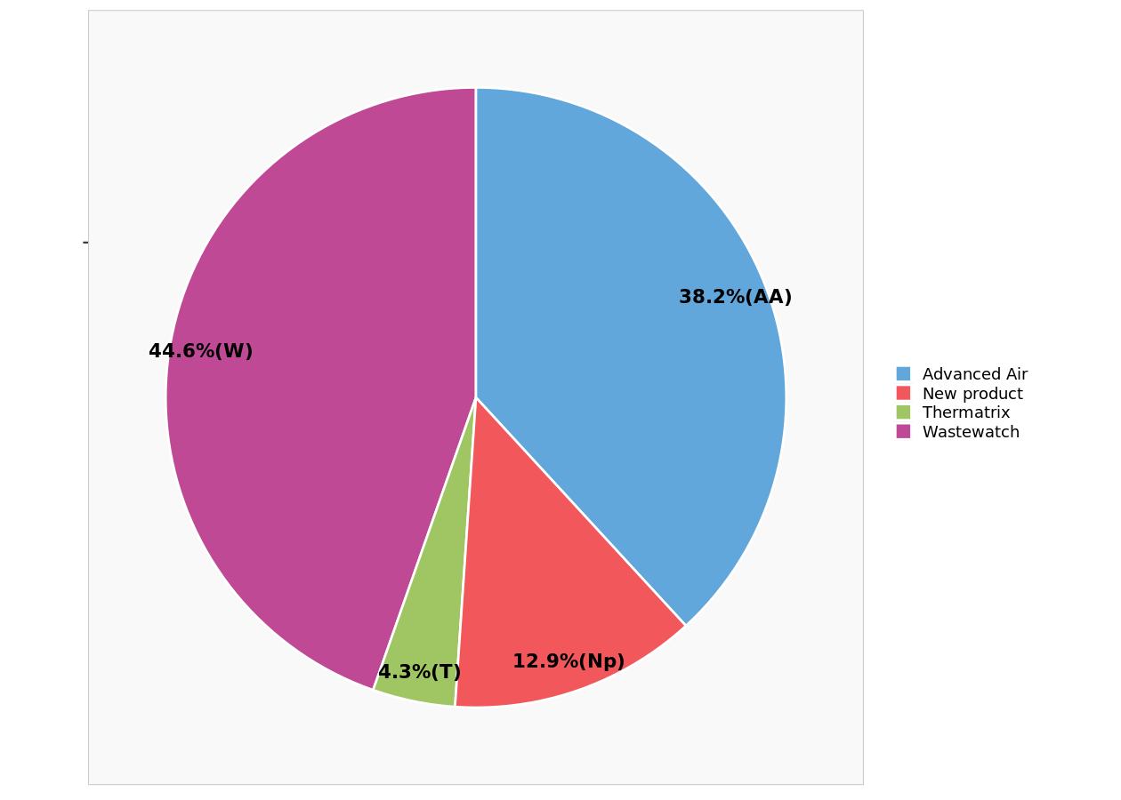

Predicted market shares ...with Servair DX.

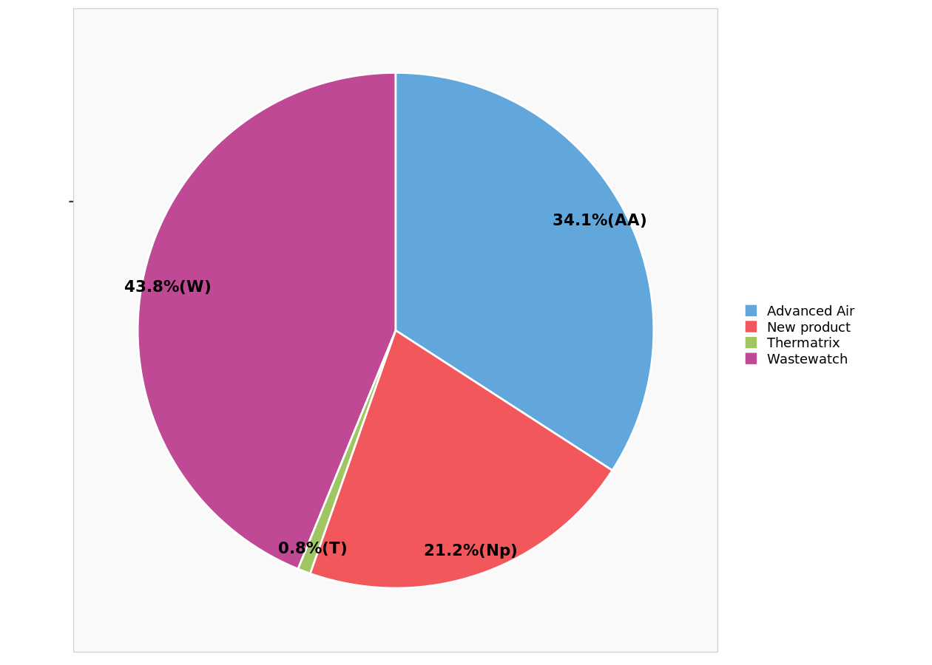

Predicted market shares ...with Premier DX.

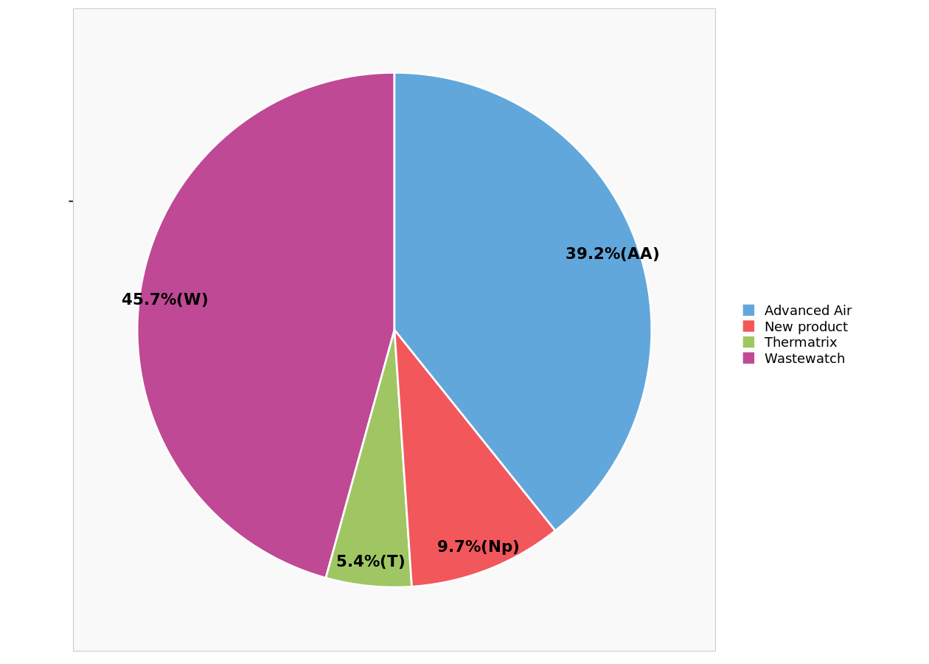

Predicted market shares ...with Base model.

