PDS
 | IBM Data Studio Linking
 | Data source explorer (list dbs- all cylindrical) -> right click db23/dsn3 and click connect -> after connect, create sql script and run. That’s all
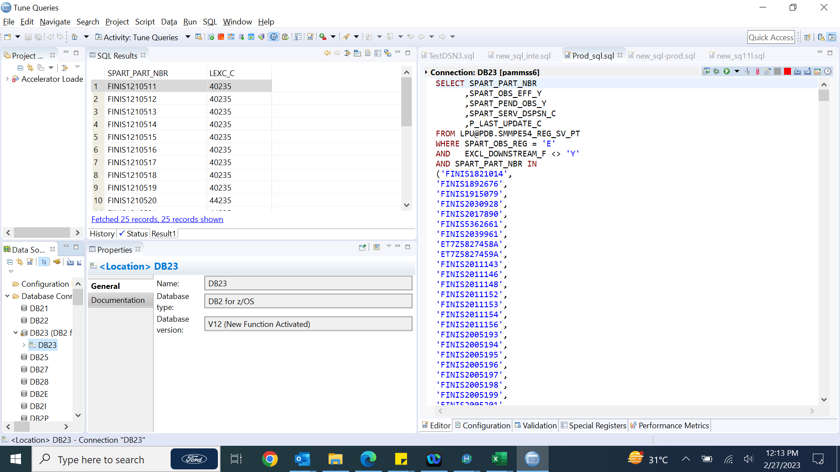
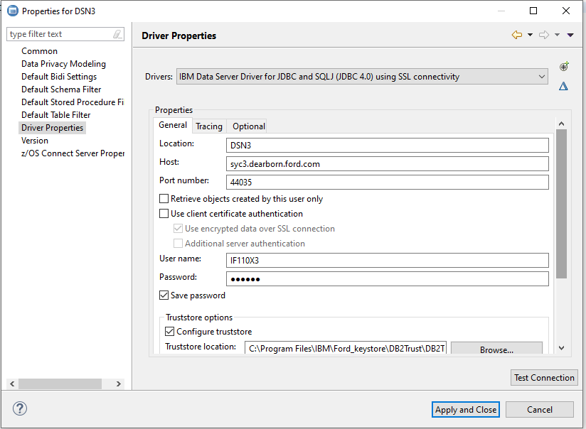
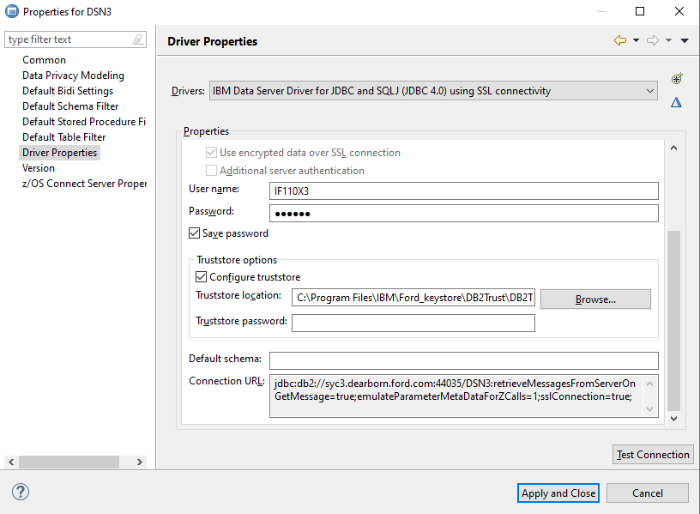
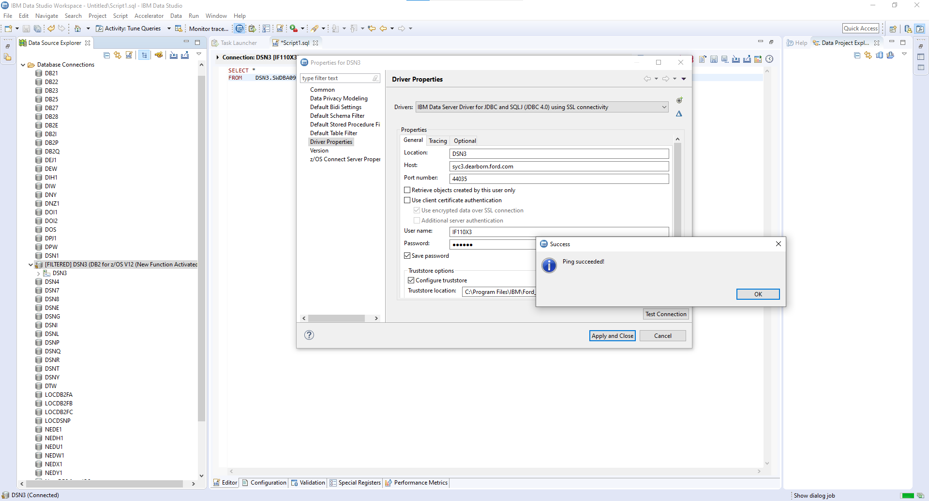

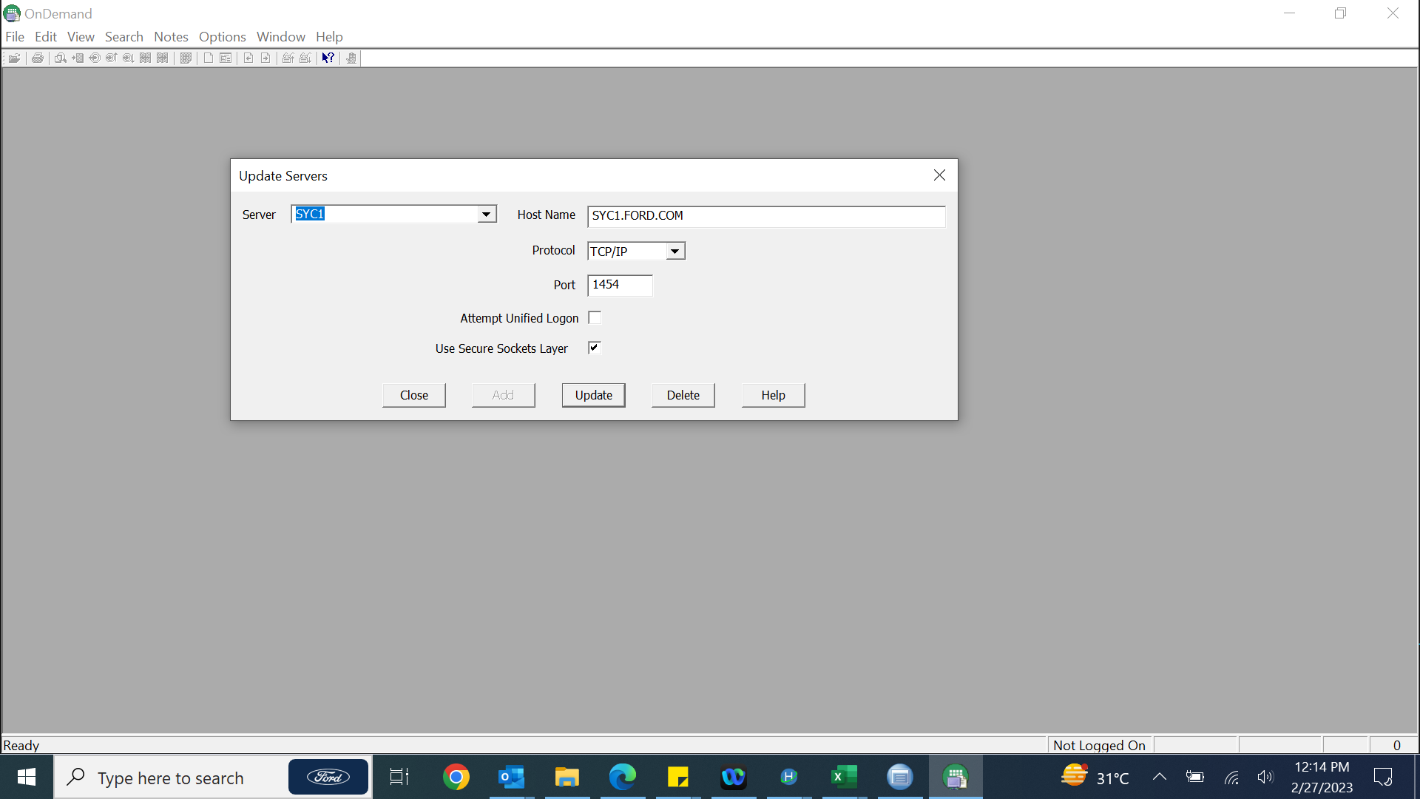
 |  |  |  |  |  |  |  |  |  |  |  |  | Report checking
 |  |  |  |  |  |  |  |  |  |  |  | 1 | Install CMOD from software center
 |  |  |  |  |  |  |  |  |  |  |  | 2 | Add the server details (Host name & Port number)
 |  |  |  |  |  |  |  |  |  |  |  | 3 | Giver username & password.
 |  |  |  |  |  |  |  |  |  |  |  | 4 | Go to/Find JCL Viewing
 |  |  |  |  |  |  |  |  |  |  |  | 5 | Give jobname and see run status

 | Eassets ford software install link - |  |  |  | https://www.eassets.ford.com/eassetsWeb/sms/admin/fordselfservicetool/listofAppsAction.do

 | Table Access
 | Location . . . . . DSN3 |  |  |  | Test Db Sub-system - DSN3 – LPU@TDB.smmpe14% |  |  |  |  | LPAR - SYC3
 | Owner . . . . . . . LPU@TDB |  |  |  | INTE1 – DB2P – LPU@IDB
 | Name . . . . . . . SMMPE12* |  |  |  | PROD – DB23 – LPU@PDB / SWDBA09.
 | Start position . . 1
 | Row count . . . . . 1000 |  |  |  | DB23.SWDBA09.SMMPD22_ENG_VL_APP

 | Screen Access
 | imst3->uname,pwd ->X (other applications -> 42 (App services) -> 40 (Materials Management process) -> 90 (part control) ->10 (all part control screens) -> [AQFA(015) Analyst Work Queue]
 | IMS2 -> production region
 | IMSI3 integration

 | Programs | Numbers
 | PA0046* | 92 members/programs in SW.ENDV.SYC.PROD.PAMM.COB
 | PA0067* | 513 members/programs in SW.ENDV.SYC.PROD.PAMM.COB

 | Tables | Number of tables
 | SMMPD* | 114
 | SMMPE* | 72

 | PDS
 | Program | SW.ENDV.SYC.PROD.PAMM.COB |  |  |  | SW.ENDV.SYC.TEST1.PAMM.BASE.COB
 | Job | SW.ENDV.SYC.PROD.PAMM.JOB
 | copybook | SW.ENDV.SYC.PROD.PAMM.CPY
 | ctlcard | SW.ENDV.SYC.PROD.PAMM.CTL
 | sortcard | SW.ENDV.SYC.PROD.PAMM.SOR
 | optcard | SW.ENDV.SYC.PROD.PAMM.OPT

 | SP Parameters | SW.ENDV.SYC.PROD.PAMM.SPPARM
 | PSB for pgm | SW.ENDV.SYC.PROD.PAMM.PSO
 | PSB for pgm | SW.ENDV.SYC.PROD.PAMM.PSO
 | MFS | SW.ENDV.SYC.PROD.PAMM.MFS
 | Load | SW.ENDV.SYC.PROD.PAMM.LOD
 | DBRM | SW.ENDV.SYC.PROD.PAMM.DBR
 | DCLGEN | SW.ENDV.SYC.PROD.PAMM.DCL

 | Sample jobs |  | PA.TEST.PA0067.SY9.UBP.V8.JOB(SORTA)
 |  |  | PA.TEST.PA0067.PAMMSS6.PROD.JOB(IERPGDG)

 | PA0067DL
 |  |  |  |  | 0
 | Raising an NSRR/CRD
1 | Go to ITCONNECT
2 | search for either NSRR / CRD
3 | Give the details and submit

 | COMMON DATASET
 | 'PA.TEST.PA0067.SY9.DUMMY1'

 | Sample jobs
 | PA.TEST.PA0067.SY9.UBP.V8.JOB(SORTA)

 | Every part has a usage. That usage might be a part of Primary feature or Minor Feature or a combination of Minor features (Minor feature combination code).
 | upsuffixing - (EPN1 - SPN1. EPN2 - SPN2)

 | Test Jobcard |  | //IF110X3A JOB (1,90240,NPD-271),FCSS,
 |  |  | // MSGCLASS=H,NOTIFY=&SYSUID

 | Prod Jobcard |  | //IF110X3Z JOB (1,90240,TSLBPAMM),FCSS,
 |  |  | // MSGCLASS=N,USER=&SYSUID

 | PROD ENDEVOR |  |  |  |  |  |  |  | PROD TEST
 | Location: List Options:
 | Environment . PROD Apply List Filters . . . . . N (Y/N)
 | System. . . . PAMM Build Using Map. . . . . . . Y (Y/N)
 | Subsystem . . BASE Return First Found . . . . . Y (Y/N)
 | Element . . . PA0067PY + Display Env/Sys/Subsys List. N (Y/N)
 | Type. . . . . COB

 | CCID . . . . . US4539776___ |  |  |  |  |  | CCID . . . . . US4587493
 | Comment. . . . D60 Record Status Flag Changes_ |  |  |  |  |  | Comment. . . . WERS to PCII data conversion

 | ITMS MMP |  | 125
 | ITMS PCII |  | 11317
 | Moving a component to PROD from Test1.
 | There should be only 1 changed version (not multiple changed versions from base version) in endevor
 |  | edit the element in endevor, do unnum, copy and paste in PS/PDS member. Delete (#) the element. Now edit the element and copy paste from PS/PDS member to endevor and generate.

 | No need to create package
 |  | Just move the element (O) from Test1. So it goes to INTE1
 |  | Give 'tso package' . Give comments if needed. Press enter and generate. Job will run and will be send to approval (for prod movement).
 |  | Get approval from saravana, component moved to PROD
 | How to check if your changes moved to PROD
 | Find Bind package name. Command( F LAST BIND)
 | package name will be in format PAMM-date-time.
 | Check the time, that’s it.

 | Job Monitoring, do in 'ON DEMAND'.

 | RACF ID - IF110X3

 | 2051111 | Infrastructure division number to reduce AC cooling temperature

 | After option 090, you can access by screen shortcut name

 | JOB IMS statement

test | //*MAIN CLASS=IMST3BMP,FAILURE=CANCEL,LINES=(9999,W)
prod | //*MAIN CLASS=IMS2BMP,FAILURE=CANCEL,LINES=(9999,W)

 | Titans pdo
 | Itanspdo, T (T.) <TITANSPD@ford.com>

 | NSRR sample request

 | Request #: REQ000005751994 (Submitted) |  |  |  |  |  |  |  |  |  | Request Details:
 | Re: FR Mainframe NSRR - Emergency - Non-Follow up - New Request - C - PA0067DL |  |  |  |  |  |  |  |  |  | Service Type: FR Mainframe NSRR
 |  |  |  |  |  |  |  |  |  |  | Request Type: Non-Follow up
 | Status: Planning |  |  |  |  |  |  |  |  |  | Service Action: New Request
 | Requested For: Pamarti Hima |  |  |  |  |  |  |  |  |  | Facility: C
 | Requested By: APIGEE Integration |  |  |  |  |  |  |  |  |  | Application Name: 11317-PC: Material Mgmt - Part Control I/II(PC: M11317)
 | Impact: 3-Moderate/Limited |  |  |  |  |  |  |  |  |  | Job Name: PA0067LL
 | Urgency: 3-Medium |  |  |  |  |  |  |  |  |  | Approver CDSID: vsarav22
 |  |  |  |  |  |  |  |  |  |  | Approver Full Name: V Saravana kumar
 | Request Details: |  |  |  |  |  |  |  |  |  | Comments: This request was generated by Rapid Request
 | Service Type: FR Mainframe NSRR
 | Request Type: Non-Follow up |  |  |  |  |  |  |  |  |  | Initiated By: MKANDAS1
 | Service Action: New Request |  |  |  |  |  |  |  |  |  | Facility: C
 | Facility: C |  |  |  |  |  |  |  |  |  | Application: 11317-PC: Material Mgmt - Part Control I/II(PC: M11317)
 | Application Name: 11317-PC: Material Mgmt - Part Control I/II(PC: M11317) |  |  |  |  |  |  |  |  |  | Start Time: Soonest Possible
 | Job Name: PA0067DL |  |  |  |  |  |  |  |  |  | Production: YES
 | Approver CDSID: vsarav22 |  |  |  |  |  |  |  |  |  | Job Name: PA0067LL
 | Approver Full Name: V Saravana kumar |  |  |  |  |  |  |  |  |  | Job Type: single-job
 | Comments: This request was generated by Rapid Request |  |  |  |  |  |  |  |  |  | SCHID: 99
 |  |  |  |  |  |  |  |  |  |  | Demand with Trigger: No
 | Initiated By: PHIMABIN |  |  |  |  |  |  |  |  |  | Post the Requirement: No
 | Facility: C |  |  |  |  |  |  |  |  |  | Service Action: New Request
 | Application: 11317-PC: Material Mgmt - Part Control I/II(PC: M11317) |  |  |  |  |  |  |  |  |  | Action Required: Demand Job from Production Lib
 | Start Time: Soonest Possible |  |  |  |  |  |  |  |  |  | Approval: Post-approval
 | Production: YES |  |  |  |  |  |  |  |  |  | Approver: IT Delegate 1 - vsarav22
 | Job Name: PA0067DL |  |  |  |  |  |  |  |  |  | Additional Details: Please demand the job PA0067LL from production library with schid 099 without triggers. Please give me call 98842 66586 if you have any query
 | Job Type: single-job
 | SCHID: 1
 | Demand with Trigger: No
 | Post the Requirement: No
 | Service Action: New Request
 | Action Required: Demand Job from Revision Lib
 | Approval: Post-approval
 | Approver: IT Delegate 1 - vsarav22
 | JCL Library: SYSPA.FACC.JCL.REVISION(PA0067DL)
 | Additional Details: Please demand the job PA0067DL from revision library SYSPA.FACC.JCL.REVISION(PA0067DL)

 | BATCH Mails
1 | GSPPS PACK-SPEC FILE SUCCESS NOTIFICATION
 | Job- |  | PA0PKGPK |  |  |  |  | Corresponding GSPPS Job - PA0PKGGP . Please trigger this at schid 99 and without trigger.
 | File Name- |  | PA.PA0PKG.PKS.DATA

2 | GSPPS UPC CODES FILE SUCCESS NOTIFICATION
 | Job- |  | PA0PKGPK
 | File Name- |  | PA.PA0PKG.GSPPS.UPC.DATA

3 | GSPPS CONTAINER FILE SUCCESS NOTIFICATION
 | Job- |  | PA0PKGPK
 | File Name- |  | PA.PA0PKG.GSPPS.CSP.DATA

4 | CYCLONE - MISSING PPN FOR VW
 | CYCLONE PROJECT
 | ENGINEERING PART WITHOUT PARTNER PART NUMBER FOR VW

5 | PCF Change Advisory (Complete): CRQ000000735852
 | Implement Local UAA Password Complexity - EDC1 Prod

6 | [Dynatrace PC II PROD]OPEN Problem P-230313895: Failed database connects on Database service DB23:FSAVL, OWS, ibis - temp, ESPARS, PC II, SAVE, GCQIS, TFOAMS, IBIS DB, Special Service SC, STARS, GOASIS, IBIS, GOLDD, SOFRELS
7 | [Dynatrace PC II PROD]RESOLVED Problem P-230313895: Failed database connects on Database service DB23:FSAVL, OWS, ibis - temp, ESPARS, PC II, SAVE, GCQIS, TFOAMS, IBIS DB, Special Service SC, STARS, GOASIS, IBIS, GOLDD, SOFRELS

8 | PCII Inventory Service:Success

9 | PA0067DL
 | Please demand the job PA0067DL from revision library SYSPA.FACC.JCL.REVISION(PA0067DL)

10 | PCF Change Advisory (Scheduled): CRQ000000737108
 | PCF Service team is scaling down Diego Cell Capacity Applications running only 1 instance could a disruption of up to 5 minutes while the apps are moved to other VM's. It is recommended that application teams run multiple instances of their application to prevent downtime during such changes

 | EDC2 Prod
 | EDC1 Prod

11 | REINSTATEMENT FEED - SCM TO PCII
 | BATCH REINSTATEMENT STATUS REPORT - PROGRAM NAME: PA0067AR

12 | ERROR - ENGINEERING NUMBERS TO CHECK FOR CYCLONE

 | LEXICON file loading in PCII |  |  |  | FOE Lexicon File
 | PA0067LL has completed fine and the lexicon feed has been loaded in DB23.SWDBA09.SMMPD31_LEXICON table
 | Please demand the job PA0067LL from production library with schid 099 without triggers. Please give me call 98842 66586 if you have any query

 | From: Kandasamy, Mohan (M.) <mkandas1@ford.com>
 | Sent: 31 March 2023 21:35:14 (UTC+05:30) Chennai, Kolkata, Mumbai, New Delhi
 | To: Saravana kumar, V (V.) <VSARAV22@ford.com>
 | Cc: Itanspdo, T (T.) <TITANSPD@ford.com>
 | Subject: RE: FOE Lexicon file
 | Hi Saravanan,

 | PA0067LL has completed fine and the lexicon feed has been loaded in DB23.SWDBA09.SMMPD31_LEXICON table.

 | Thanks & Regards
 | Mohan K

 | Suup link ford
 | https://www.suup.ford.com/SUUP/home.faces?faces-redirect=true&dswid=-8969

 | RACF/SAMS | https://www.racf.ford.com/SAMS/home.faces?faces-redirect=true&dswid=-3120
1 | Go to above link and click 'FIND RACF'.
 | or
2 | EI.ALL.RACF dataset also has details

 | PAMMSY9 |  | VKANNA11
 | PAMMSS6 |  | PHIMABIN
 | PAMMSS9 |  | ARIYAJO1

 | ITMS Number | Application Name | Review Coordinator | Total Permissions | Unattested Permissions | Permissions Being Removed by Appl. Owner | Actions
 | 125 | MMP: Materials Management Process | NIPPILI | 1 | 1 | 0 | View Attestations

 | Code changes

del all lines in endevor |  |  |  | DEL ALL NX
to retain old line numbers |  |  |  | RES;NUM OFF; CUT
 |  |  |  | RES;NUM OFF; PASTE

 |  | LCT component |  | INCLUDE TESTLOD(PA0046JC)

 |  |  |  | INCLUDE TESTLOD(PA0067LU)

 |  | [CHANGES TAGGED WITH LINE NUMBER
 |  | AS:UBPCR8]

 | SDPROD.HIST.SYC1 |  |  | IBM Fault Analyser Library

 | JCL to count recs in tape
 | PAMMSS5.Db2tabl.refresh

 | PA.TEST.PA0067.PCII.TEST.SY9.REFRESH

 | //PAMMSY9C JOB (1,90275,TSLB),'IDCAMS',
 | // MSGCLASS=H,NOTIFY=&SYSUID
 | //*********************************************************
 | //* JCL TO CHECK THE NUMBER OF ROWS EXISTS FOR TABLE LOAD
 | //*********************************************************
 | //STEP01 EXEC PGM=ICETOOL
 | //TOOLMSG DD SYSOUT=*
 | //DFSMSG DD SYSOUT=*
 | //*N DD DSN=PA.PA0067.PROD.UNLD.SMMPD01(+0),
 | //IN DD DSN=PA.TEST.PA0067.PROD.UNLD.SMMPD80.DT0513,
 | // DISP=OLD
 | //TOOLIN DD *
 | COUNT FROM(IN)
 | /*
 | //

 | Creating gdg with help of ISPF
 | ISPF Home -> 3 (utilities) -> 2 (Data set) -> V (VSAM Utilities) and datasetname - 'XX.XX.XXX' -> Define(1) & GDG(4) -> give limit, empty&scratch option - > jcl generated -> give EXEC -> return code 0.

 | crosshair shortcut: CTRL+Home

 | job line in jes st

 | login lpar/region: |  | UCC7C

 | CA7 Username: |  | SWLOOK
 | Ca7 Password: |  | N44SXBB9

 | password dataset: |  | ITAOS.SW.LOOK

 | JCL ID | 72
 | JCL PDS | CD.PA.TSOC.PRODJCL

 | SMS Recovery / tape recovery

 | SMS Recovery Exec
 | From ISPF Home -> A(Db2) ->6(Ford Db2 tools)->E(SMS dataset recovery aid)

Tables
 |  |  |  |  |  |  | DB23.LPU@PDB.SMMP |  |  | SMMPD06_PART_TYPE
dt:mar21-2023 | Tables | Number of tables in production
 | SMMPD* | 108 |  |  |  |  | IF110X3.PROD.UNLD.SMMPD06
 | SMMPE* | 70

 | # | TB NAME | DB NAME | TS NAME | OBJ TYPE |  |  |  |  | # | TB NAME | DB NAME | TS NAME | OBJ TYPE
 | 1 | SMMPD01_ACTIVITY DSNDB06 SYSTSTAB ALIAS |  |  |  |  |  |  |  | 1 | SMMPE01_CMPRT_PART DSNDB06 SYSTSTAB ALIAS
 | 2 | SMMPD02_CP_CNTRY_XREF DSNDB06 SYSTSTAB ALIAS |  |  |  |  |  |  |  | 2 | SMMPE02_PART_NX_A DSNDB06 SYSTSTAB ALIAS
 | 3 | SMMPD03_AN_BK_ASSG DSNDB06 SYSTSTAB ALIAS |  |  |  |  |  |  |  | 3 | SMMPE03_ENG_PART DSNDB06 SYSTSTAB ALIAS
 | 4 | SMMPD04_BOOK_ASSG DSNDB06 SYSTSTAB ALIAS |  |  |  |  |  |  |  | 4 | SMMPE03_V_SSBMC04 SMMPE0RD SMMPE12U VIEW
 | 5 | SMMPD05_DE_VEH_GRP DSNDB06 SYSTSTAB ALIAS |  |  |  |  |  |  |  | 5 | SMMPE03_V_SSBMC05 SMMPE0RD SMMPE03P VIEW
 | 6 | SMMPD06_PART_TYPE DSNDB06 SYSTSTAB ALIAS |  |  |  |  |  | 52 rows |  | 6 | SMMPE03_V_SSBMC15 SMMPE0RD SMMPE03P VIEW
 | 7 | SMMPD07_ENGPART_DK DSNDB06 SYSTSTAB ALIAS |  |  |  |  |  |  |  | 7 | SMMPE04_ENGP_RMKS DSNDB06 SYSTSTAB ALIAS
 | 8 | SMMPD08_DE_COL_STL DSNDB06 SYSTSTAB ALIAS |  |  |  |  |  |  |  | 8 | SMMPE05_ENGP_RULES DSNDB06 SYSTSTAB ALIAS
 | 9 | SMMPD09_PART_INVENTRY_REG SMMPD0RD SMMPD09G TABLE |  |  |  |  |  |  |  | 9 | SMMPE06_JOB_ROLE DSNDB06 SYSTSTAB ALIAS
 | 10 | SMMPD10_DESGN_RMKS DSNDB06 SYSTSTAB ALIAS |  |  |  |  |  |  |  | 10 | SMMPE07_NOTICE_AFF DSNDB06 SYSTSTAB ALIAS
 | 11 | SMMPD11_CONCERN DSNDB06 SYSTSTAB ALIAS |  |  |  |  |  |  |  | 11 | SMMPE08_PART_ASSGM DSNDB06 SYSTSTAB ALIAS
 | 12 | SMMPD12_PT_ACTV_PV DSNDB06 SYSTSTAB ALIAS |  |  |  |  |  |  |  | 12 | SMMPE08_V_SMMPE14 SMMPE0RD SMMPE14U VIEW
 | 13 | SMMPD13_PT_CMT_PT DSNDB06 SYSTSTAB ALIAS |  |  |  |  |  |  |  | 13 | SMMPE09_PGM_AFF_PT DSNDB06 SYSTSTAB ALIAS
 | 14 | SMMPD14_ENG_PT_FNC DSNDB06 SYSTSTAB ALIAS |  |  |  |  |  |  |  | 14 | SMMPE10_REPL_SVPT DSNDB06 SYSTSTAB ALIAS
 | 15 | SMMPD15_ENG_PT_F_R DSNDB06 SYSTSTAB ALIAS |  |  |  |  |  |  |  | 15 | SMMPE11_REP_SVPT_E DSNDB06 SYSTSTAB ALIAS
 | 16 | SMMPD16_ENG_PT_FSP DSNDB06 SYSTSTAB ALIAS |  |  |  |  |  |  |  | 16 | SMMPE12_SENG_EQL DSNDB06 SYSTSTAB ALIAS
 | 17 | SMMPD17_ENG_PT_NXA DSNDB06 SYSTSTAB ALIAS |  |  |  |  |  |  |  | 17 | SMMPE13_SENG_EQL_H DSNDB06 SYSTSTAB ALIAS
 | 18 | SMMPD18_USG_TERR_MDLYR DSNDB06 SYSTSTAB ALIAS |  |  |  |  |  |  |  | 18 | SMMPE14_FPSD_SV_PT DSNDB06 SYSTSTAB ALIAS
 | 19 | SMMPD19_ENG_PTN_WS DSNDB06 SYSTSTAB ALIAS |  |  |  |  |  |  |  | 19 | SMMPE15_SPART_P_C DSNDB06 SYSTSTAB ALIAS
 | 20 | SMMPD20_ENG_PTPTNR DSNDB06 SYSTSTAB ALIAS |  |  |  |  |  |  |  | 20 | SMMPE16_SPART_RMKS DSNDB06 SYSTSTAB ALIAS
 | 21 | SMMPD20_V_SSBMC12 SMMPD0RD SMMPD20U VIEW |  |  |  |  |  |  |  | 21 | SMMPE17_SDI_ASSGM DSNDB06 SYSTSTAB ALIAS
 | 22 | SMMPD21_ENG_PT_RPL DSNDB06 SYSTSTAB ALIAS |  |  |  |  |  |  |  | 22 | SMMPE18_S_VL_ASSN DSNDB06 SYSTSTAB ALIAS
 | 23 | SMMPD22_ENG_VL_APP DSNDB06 SYSTSTAB ALIAS |  |  |  |  |  |  |  | 23 | SMMPE19_SPGM DSNDB06 SYSTSTAB ALIAS
 | 24 | SMMPD23_ENGINEER DSNDB06 SYSTSTAB ALIAS |  |  |  |  |  |  |  | 24 | SMMPE20_USER_VEH DSNDB06 SYSTSTAB ALIAS
 | 25 | SMMPD23_V_SSBMC06 SMMPD0RD SMMPD23U VIEW |  |  |  |  |  |  |  | 25 | SMMPE21_VH_APPL_MY DSNDB06 SYSTSTAB ALIAS
 | 26 | SMMPD24_TERR_ENG_VL_APP DSNDB06 SYSTSTAB ALIAS |  |  |  |  |  |  |  | 26 | SMMPE22_VH_APPLRMK DSNDB06 SYSTSTAB ALIAS
 | 27 | SMMPD25_FEATR DSNDB06 SYSTSTAB ALIAS |  |  |  |  |  |  |  | 27 | SMMPE23_SDS_GSDB_X DSNDB06 SYSTSTAB ALIAS
 | 28 | SMMPD26_FINASC DSNDB06 SYSTSTAB ALIAS |  |  |  |  |  |  |  | 28 | SMMPE24_EIO_COM_EQ DSNDB06 SYSTSTAB ALIAS
 | 29 | SMMPD26_V_SSBMC09 SMMPD0RD SMMPD26P VIEW |  |  |  |  |  |  |  | 29 | SMMPE25_SERV_CMDTY DSNDB06 SYSTSTAB ALIAS
 | 30 | SMMPD27_FINIS_CODE DSNDB06 SYSTSTAB ALIAS |  |  |  |  |  |  |  | 30 | SMMPE26_PT_SER_NBR DSNDB06 SYSTSTAB ALIAS
 | 31 | SMMPD28_IMP_CNTRY DSNDB06 SYSTSTAB ALIAS |  |  |  |  |  |  |  | 31 | SMMPE27_SV_REL_CC DSNDB06 SYSTSTAB ALIAS
 | 32 | SMMPD29_CP_GATES_CODE DSNDB06 SYSTSTAB ALIAS |  |  |  |  |  |  |  | 32 | SMMPE28_ELE_REACT DSNDB06 SYSTSTAB ALIAS
 | 33 | SMMPD30_REF_REGIS DSNDB06 SYSTSTAB ALIAS |  |  |  |  |  |  |  | 33 | SMMPE29_CHG_JORNAL DSNDB06 SYSTSTAB ALIAS
 | 34 | SMMPD31_LEXICON DSNDB06 SYSTSTAB ALIAS |  |  |  |  |  |  |  | 34 | SMMPE30_CHG_HISTRY DSNDB06 SYSTSTAB ALIAS
 | 35 | SMMPD32_MN_FEAT_C DSNDB06 SYSTSTAB ALIAS |  |  |  |  |  |  |  | 35 | SMMPE31_CJ_TRANS DSNDB06 SYSTSTAB ALIAS
 | 36 | SMMPD33_MTCRF_ASSG DSNDB06 SYSTSTAB ALIAS |  |  |  |  |  |  |  | 36 | SMMPE32_CJ_ERR_LOG DSNDB06 SYSTSTAB ALIAS
 | 37 | SMMPD34_MTCRF_PRBS DSNDB06 SYSTSTAB ALIAS |  |  |  |  |  |  |  | 37 | SMMPE33_TBL_COL DSNDB06 SYSTSTAB ALIAS
 | 38 | SMMPD35_NOTICE DSNDB06 SYSTSTAB ALIAS |  |  |  |  |  |  |  | 38 | SMMPE34_VOL_GRP_RL DSNDB06 SYSTSTAB ALIAS
 | 39 | SMMPD36_NOTICE_DES DSNDB06 SYSTSTAB ALIAS |  |  |  |  |  |  |  | 39 | SMMPE35_EIO_COMM_H SMMPE0RD SMMPE35U TABLE
 | 40 | SMMPD37_S4P DSNDB06 SYSTSTAB ALIAS |  |  |  |  |  |  |  | 40 | SMMPE37_QOS_TRACK SMMPE0RD SMMPE37U TABLE
 | 41 | SMMPD38_SV_PGM_CAN DSNDB06 SYSTSTAB ALIAS |  |  |  |  |  |  |  | 41 | SMMPE38_DATEGR SMMPE0RD SMMPE38U TABLE
 | 42 | SMMPD39_STK_DISP DSNDB06 SYSTSTAB ALIAS |  |  |  |  |  |  |  | 42 | SMMPE39_QOS_GRCUST SMMPE0RD SMMPE39U TABLE
 | 43 | SMMPD41_WORK_QUE DSNDB06 SYSTSTAB ALIAS |  |  |  |  |  |  |  | 43 | SMMPE40_SFI_UCC_XF SMMPE0RD SMMPE40U TABLE
 | 44 | SMMPD42_CAD_CL DSNDB06 SYSTSTAB ALIAS |  |  |  |  |  |  |  | 44 | SMMPE41_PLANT_TIME SMMPE0RD SMMPE41U TABLE
 | 45 | SMMPD43_CAD_SYSTYP DSNDB06 SYSTSTAB ALIAS |  |  |  |  |  |  |  | 45 | SMMPE42_PTVL_PLANT SMMPE0RD SMMPE42U TABLE
 | 46 | SMMPD44_CPSC DSNDB06 SYSTSTAB ALIAS |  |  |  |  |  |  |  | 46 | SMMPE43_PLANT SMMPE0RD SMMPE43U TABLE
 | 47 | SMMPD45_TERR_CM DSNDB06 SYSTSTAB ALIAS |  |  |  |  |  |  |  | 47 | SMMPE44_XS4P SMMPE0RD SMMPE44U TABLE
 | 48 | SMMPD46_INTR_FILSQ DSNDB06 SYSTSTAB ALIAS |  |  |  |  |  |  |  | 48 | SMMPE45_XREF_REG_DET SMMPE0RD SMMPE45G TABLE
 | 49 | SMMPD47_LANGUAGE DSNDB06 SYSTSTAB ALIAS |  |  |  |  |  |  |  | 49 | SMMPE46_KCODE_PTVL SMMPE0RD SMMPE46U TABLE
 | 50 | SMMPD48_MNR_FTR_CM DSNDB06 SYSTSTAB ALIAS |  |  |  |  |  |  |  | 50 | SMMPE47_COLOR_BASE SMMPE0RD SMMPE47U TABLE
 | 51 | SMMPD48_V_SSBMC11 SMMPD0RD SMMPD48U VIEW |  |  |  |  |  |  |  | 51 | SMMPE50_VHLN_PRDLN SMMPE0RD SMMPE50U TABLE
 | 52 | SMMPD49_PROCUREMNT DSNDB06 SYSTSTAB ALIAS |  |  |  |  |  |  |  | 52 | SMMPE51_SMTR_EQL_H SMMPE0RD SMMPE51U TABLE
 | 53 | SMMPD50_PRDTP_VHLN DSNDB06 SYSTSTAB ALIAS |  |  |  |  |  |  |  | 53 | SMMPE52_FTR_SVC_RP SMMPE0RD SMMPE52U TABLE
 | 54 | SMMPD50_V_SSBMC02 SMMPD0RD SMMPD50U VIEW |  |  |  |  |  |  |  | 54 | SMMPE53_REP_SVPT_G SMMPE0RD SMMPE53G TABLE
 | 55 | SMMPD51_REASON DSNDB06 SYSTSTAB ALIAS |  |  |  |  |  |  |  | 55 | SMMPE54_REG_SV_PT SMMPE0RD SMMPE54G TABLE
 | 56 | SMMPD52_REGINT_JRL DSNDB06 SYSTSTAB ALIAS |  |  |  |  |  |  |  | 56 | SMMPE56_FTR_ENG SMMPE0RD SMMPE56U TABLE
 | 57 | SMMPD53_MDLYR_COMB DSNDB06 SYSTSTAB ALIAS |  |  |  |  |  |  |  | 57 | SMMPE57_OBS_EAO SMMPE0RD SMMPE57U TABLE
 | 58 | SMMPD54_PTPTNR_PT SMMPD0RD SMMPD54U TABLE |  |  |  |  |  |  |  | 58 | SMMPE58_REPL_SVCPT SMMPE0RD SMMPE58U TABLE
 | 59 | SMMPD55_VALIDATION DSNDB06 SYSTSTAB ALIAS |  |  |  |  |  |  |  | 59 | SMMPE59_RET_CAT SMMPE0RD SMMPE59U TABLE
 | 60 | SMMPD56_CP_CODE_DESC DSNDB06 SYSTSTAB ALIAS |  |  |  |  |  |  |  | 60 | SMMPE60_ARCHIVD_ENG_CODE SMMPE0RD SMMPE60U TABLE
 | 61 | SMMPD57_IMPACT_PTY DSNDB06 SYSTSTAB ALIAS |  |  |  |  |  |  |  | 61 | SMMPE61_RMK_CONV_H SMMPE0RD SMMPE61U TABLE
 | 62 | SMMPD58_PRM_FT_CMB DSNDB06 SYSTSTAB ALIAS |  |  |  |  |  |  |  | 62 | SMMPE62_PDC_SV_PT SMMPE0RD SMMPE62G TABLE
 | 63 | SMMPD58_V_SSBMC10 SMMPD0RD SMMPD58U VIEW |  |  |  |  |  |  |  | 63 | SMMPE63_CSTMS_SVPT SMMPE0RD SMMPE63G TABLE
 | 64 | SMMPD59_PTVL_INFO SMMPD0RD SMMPD59G TABLE |  |  |  |  |  |  |  | 64 | SMMPE64_PTHR_DET SMMPE0RD SMMPE64G TABLE
 | 65 | SMMPD60_TERTRY_FTR SMMPD0RD SMMPD60G TABLE |  |  |  |  |  |  |  | 65 | SMMPE65_PTHR_STRUC SMMPE0RD SMMPE65G TABLE
 | 66 | SMMPD61_PRTNR_USAG DSNDB06 SYSTSTAB ALIAS |  |  |  |  |  |  |  | 66 | SMMPE66_PTHR_LVLS SMMPE0RD SMMPE66G TABLE
 | 67 | SMMPD62_FTRCHDSU_X SMMPD0RD SMMPD62G TABLE |  |  |  |  |  |  |  | 67 | SMMPE67_PCII_HTS_CODES SMMPE0RD SMMPE67G TABLE
 | 68 | SMMPD63_ENGP_RULES DSNDB06 SYSTSTAB ALIAS |  |  |  |  |  |  |  | 68 | SMMPE68_VALID_VEHLINE SMMPE0RD SMMPE68G TABLE
 | 69 | SMMPD64_TERR_USG_VL_APP DSNDB06 SYSTSTAB ALIAS |  |  |  |  |  |  |  | 69 | SMMPE69_TEMP_TABLE SMMPE0RD SMMPE69G TABLE
 | 70 | SMMPD65_MKT_INTNT SMMPD0RD SMMPD65G TABLE |  |  |  |  |  |  |  | 70 | SMMPE93_ANLYST_ROL DSNDB06 SYSTSTAB ALIAS
 | 71 | SMMPD66_IMPTY_XREF DSNDB06 SYSTSTAB ALIAS
 | 72 | SMMPD67_PTNRSV_XRF DSNDB06 SYSTSTAB ALIAS
 | 73 | SMMPD68_ENG_PT_MY DSNDB06 SYSTSTAB ALIAS
 | 74 | SMMPD68_V_SSBMC03 SMMPD0RD SMMPD68U VIEW
 | 75 | SMMPD69_SVC_TOX DSNDB06 SYSTSTAB ALIAS
 | 76 | SMMPD70_SBASE_TRFC DSNDB06 SYSTSTAB ALIAS
 | 77 | SMMPD71_TRFFC_BSFX DSNDB06 SYSTSTAB ALIAS
 | 78 | SMMPD72_ENG_EVENT DSNDB06 SYSTSTAB ALIAS
 | 79 | SMMPD73_ENG_EV_HST DSNDB06 SYSTSTAB ALIAS
 | 80 | SMMPD74_SVC_EVENT DSNDB06 SYSTSTAB ALIAS
 | 81 | SMMPD75_SVC_EV_HST DSNDB06 SYSTSTAB ALIAS
 | 82 | SMMPD76_MTD_ID_EV DSNDB06 SYSTSTAB ALIAS
 | 83 | SMMPD77_YTD_ID_EV DSNDB06 SYSTSTAB ALIAS
 | 84 | SMMPD78_NMOD_EXCPT DSNDB06 SYSTSTAB ALIAS
 | 85 | SMMPD80_USG_VL_APP SMMPD0RD SMMPD80P TABLE
 | 86 | SMMPD80_VEHLINE_USAGE_VW SMMPD0RD SMMPD80P VIEW
 | 87 | SMMPD80_V_SSBMC14 SMMPD0RD SMMPD80P VIEW
 | 88 | SMMPD80_V_SSBMC16 SMMPD0RD SMMPD80P VIEW
 | 89 | SMMPD80_V_SSBMC17 SMMPD0RD SMMPD80P VIEW
 | 90 | SMMPD81_MKT_INTNT SMMPD0RD SMMPD81U TABLE
 | 91 | SMMPD82_CNTRY_FEAT SMMPD0RD SMMPD82U TABLE
 | 92 | SMMPD83_SENG_CPSC SMMPD0RD SMMPD83U TABLE
 | 93 | SMMPD84_SBASE_CPSC SMMPD0RD SMMPD84U TABLE
 | 94 | SMMPD85_CATLG SMMPD0RD SMMPD85U TABLE
 | 95 | SMMPD86_WRSRGN SMMPD0RD SMMPD86U TABLE
 | 96 | SMMPD87_IMPTY_XREF SMMPD0RD SMMPD87P TABLE
 | 97 | SMMPD88_MFG_FINAL SMMPD0RD SMMPD88P TABLE
 | 98 | SMMPD89_BOOK_XREF SMMPD0RD SMMPD89P TABLE
 | 99 | SMMPD90_CMDTY_CPSC SMMPD0RD SMMPD90U TABLE
 | 100 | SMMPD91_SBOM_PGM SMMPD0RD SMMPD91U TABLE
 | 101 | SMMPD92_CAMP_HIST SMMPD0RD SMMPD92U TABLE
 | 102 | SMMPD93_CNTRY_APR SMMPD0RD SMMPD93U TABLE
 | 103 | SMMPD94_CNTRY_XREF SMMPD0RD SMMPD94U TABLE
 | 104 | SMMPD95_DESIGN_TOX SMMPD0RD SMMPD95U TABLE
 | 105 | SMMPD96_APR_EL_TRK SMMPD0RD SMMPD96U TABLE
 | 106 | SMMPD97_RPP_CPSC_A SMMPD0RD SMMPD97U TABLE
 | 107 | SMMPD98_RPP_SVC_CP SMMPD0RD SMMPD98U TABLE
 | 108 | SMMPD99_GRSRP_SP4A SMMPD0RD SMMPD99U TABLE

 | E03 | SMMPE03_ENG_PART ENG |  |  |  | Engineering Parts Master Table
 | E12 | SMMPE12_SENG_EQL SENG |  |  |  | Service/Engineering Equivalent
 | E14 | SMMPE14_FPSD_SV_PT SVPT |  |  |  | Service parts Master Table |  |  | A durable good that has been identified by the Product Analysis department as being appropriate for Ford service use

 |  | SERVICE PART to ENG PART relationship tables
 | 1 | SMMPE12_SENG_EQL – Holds Current/Active XREF information.
 | 2 | SMMPE13_SENG_EQL_H – Contains History XREF information.

 | D37 | SMMPD37_S4P |  |  | S4 codes for vt, line, origin, region

 | E28 | SMMPE28_ELE_REACT |  |  | (Addition of a row/Deletion of a row/Change of a Field in a row) in Table X needs to be processed by Program Y. (with help of entry in from CJ/E29)
 |  |  |  |  | In other words, With help of entry in CJ/E29, Program Y processes (Addition of a row/Deletion of a row/Change of a Field in a row) in Table X.

 | E29 | SMMPE29_CHG_JORNAL |  |  | Changes in a table(E29 has details of what changes were done) will be processed by which program.

 | D68 | SMMPD68_ENG_PT_MY |  |  | V type code, V line, Origin, model yr, prod start date, prod end date. (Has vehicle's - model yr, production start date, production end date info)

 | D60 | SMMPD60_TERTRY_FTR |  |  | Has V type code, V line, Origin, model yr, territory, feature(primary,Minor) and Record active or inactive status.

 | D59 | SMMPD59_PTVL_INFO |  |  | Vehicle description. Has Vehicle type, line, model and description of that vehicle.

 | D94 | SMMPD94_CNTRY_XREF |  |  | Region, Country and description.(Relationship b/w region & market).

 | D22 | DSN3.SWDBA09.SMMPD22_ENG_VL_APP
 |  |  |  |  |  |  |  |  |  |  | DB23.LPU@PDB.SMMP
 | Usage Related Tables: |  |  |  |  |  |  |  |  |  | DB23.SWDBA09.SMMPD22_ENG_VL_APP
 | D22 - Direct Engineering Usages |  |  |  |  |  |  | EP - 6 8 5 |  |  | DSN3.SWDBA09.SMMPD22_ENG_VL_APP
 | D80 - Direct and derived Engineering Usages |  |  |  |  |  |  | SP - 5 8 5 |  |  | DSN3.LPU@TDB.SMMPD65_MKT_INTNT
 | D26 ---- Final assembly and component relationship |  |  |  |  |  |  | Justif - R R L
 | D48 - MFC-Cobminations and its corresponding MFCs
 | D58 - PFC - Combination number and its PFCs
 | D32 - MFC and its description
 | D14 - SMMPD14_ENG_PT_FNC - fUNCTION TABLE

 | D22 | Engineering part direct usage |  |  |  |  |  | SMMPEPEA : Engineering Part Information
 | D26 | Component and Final assembly part relation |  |  |  |  |  | SMMPUAFA : (Maintain Usage)
 | D80 | Has Engg Part (direct) and component (derived) usage. |  |  |  |  |  | SMMPCXFA : Final Assemply to component relationship (SMMPD26 table)

 | how to know if a part has a component? GO to D26 and find a row which has final assembly
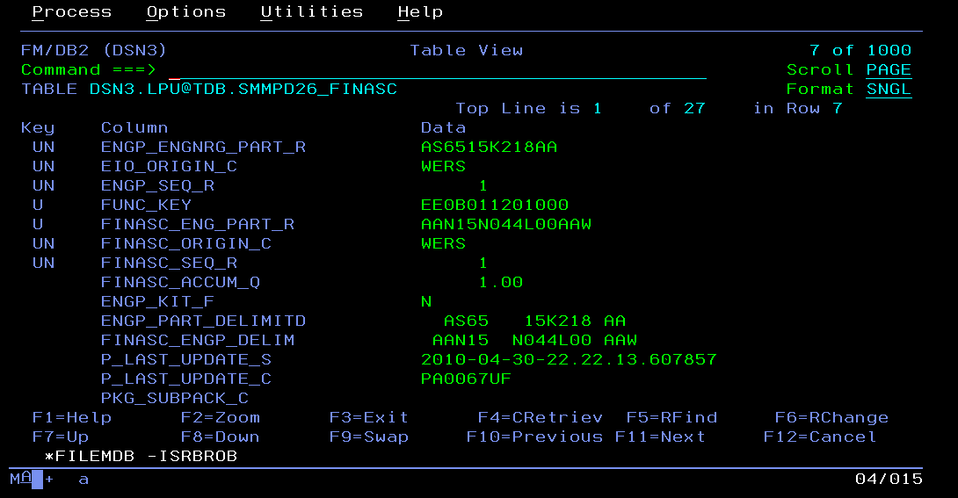
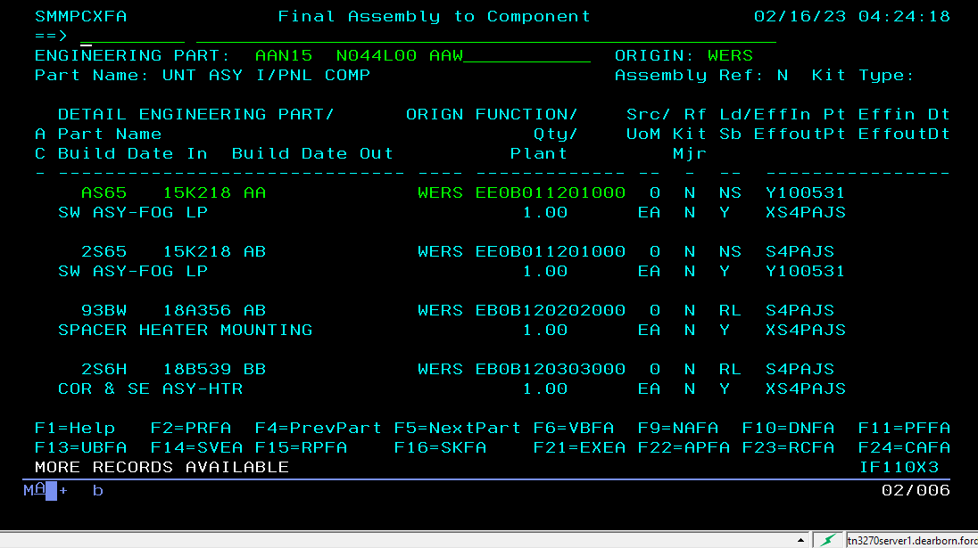

 | March 13,2023

1 | DSN3.LPU@TDB.SMMPD07_ENGPART_DK |  |  |  |  | 78 |  | 78 |  |  |  |  |  | P_LAST_UPDATE_S TIMESTAMP(6)
2 | DSN3.LPU@TDB.SMMPD14_ENG_PT_FNC |  |  |  |  | 78 |  | 78 |  |  |  |  |  | P_LAST_UPDATE_S TIMESTAMP(6)

3 | DSN3.LPU@TDB.SMMPD22_ENG_VL_APP |  |  |  |  | 78 |  | 78 |  |  |  |  |  | P_LAST_UPDATE_S TIMESTAMP(6)
4 | DSN3.LPU@TDB.SMMPD35_NOTICE |  |  |  |  | 3 |  | 3 |  |  |  |  |  | P_LAST_UPDATE_S TIMESTAMP(6)

5 | DSN3.LPU@TDB.SMMPE03_ENG_PART |  |  |  |  | 78 |  | 701 |  |  |  |  |  | P_LAST_UPDATE_S TIMESTAMP(6)
6 | DSN3.LPU@TDB.SMMPE07_NOTICE_AFF |  |  |  |  | 78 |  | 78 |  |  |  |  |  | P_LAST_UPDATE_S TIMESTAMP(6)

7 | DSN3.LPU@TDB.SMMPE12_SENG_EQL |  |  |  |  | 78 |  | 78 |  |  |  |  |  | P_LAST_UPDATE_S TIMESTAMP(6)
8 | DSN3.LPU@TDB.SMMPE14_FPSD_SV_PT |  |  |  |  | 78 |  | 78 |  |  |  |  |  | P_LAST_UPDATE_S TIMESTAMP(6)

9 | DSN3.LPU@TDB.SMMPE54_REG_SV_PT |  |  |  |  | 78 |  | 78 |  |  |  |  |  | P_LAST_UPDATE_S TIMESTAMP(6)

Batch Flow
 | PA0067PY
 |  | PA0067UA
 |  |  | PA0067UV
 |  |  |  | PA0067ZJ
 |  |  |  |  | PA0067ZA
 |  |  |  |  |  | PA0067ZB
 |  |  |  |  |  |  | PA0067ZC
 |  |  |  |  |  |  |  | PA0067AK | PA0067UH
 |  |  |  |  |  |  |  |  | PA0067LK | PA0067UI
 |  |  |  |  |  |  |  |  |  | PA0067BJ | PA0067VD
 |  |  |  |  |  |  |  |  |  |  | PA0067BZ | PA0067VC | PA0067V3
 |  |  |  |  |  |  |  |  |  |  |  |  | PA0067U0 | PA0067VE
 |  |  |  |  |  |  |  |  |  |  |  |  |  | PA006865 | PA0067D8
 |  |  |  |  |  |  |  |  |  |  |  |  |  |  |  | PA0067UN
 |  |  |  |  |  |  |  |  |  |  |  |  |  |  |  |  | PA0067VC

 | PA0067TO
 |  | PA0067TB
 |  |  | PA0067UF
 |  |  |  | PA0067AC | PA0067MR
 |  |  |  |  | PA0067AB | PA0067MD

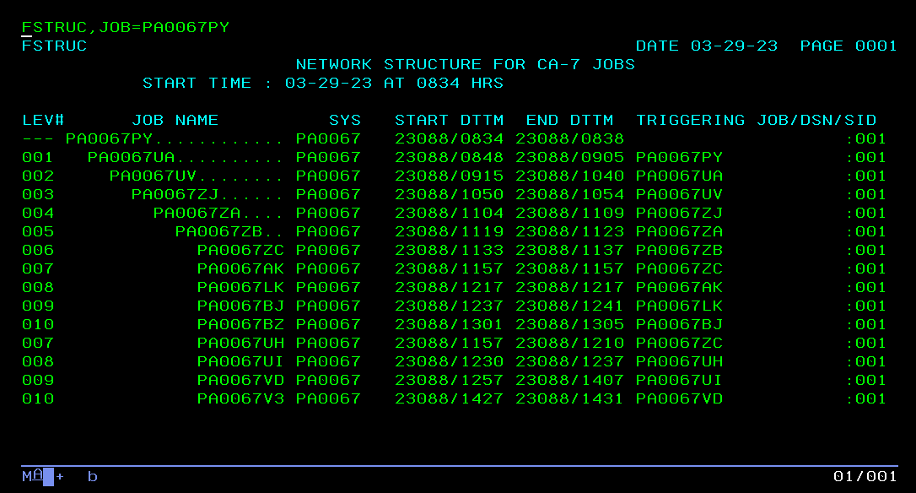

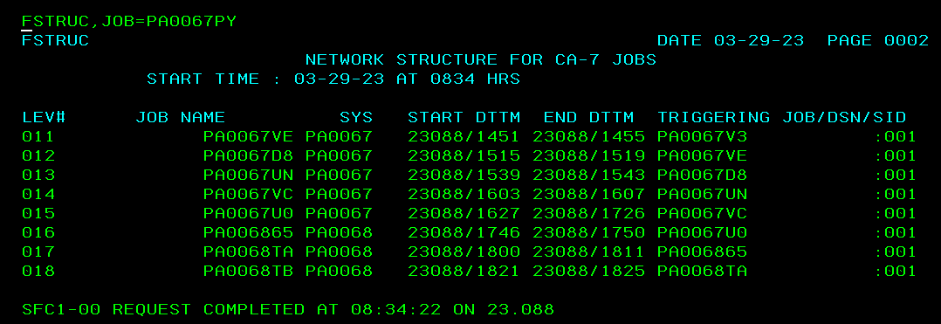

Level
 | PA0067W1
1 | PA0067TW | PA0067SA
2 | PA0067TN | PA0067SD
3 | PA0067TQ
4 | PA0067TO
5 | PA0067TB
6 | PA0067UF
7 | PA0067AC | PA0067MR
8 | PA0067AB |  | PA0067MD
9 | PA0067DB |  | PA0067RR | PA0067XP
10 | PA0067FG |  |  | PA0067XO
11 | PA0067WW |  |  | PA0067X3
12 | PA0067DQ
13 | PA0067EB
14 | PA0067EC
15 | PA0067RS
16 | PA0067BG
17 | PA0067CO | PA0067TE
18 | PA0067CM | PA0067RM
19 | PA0067DP
20 | PA0067RJ
21 | PA0067RN
22 | PA0067Z1
23 | PA0067Z3
24 | PA0067Z2
25 | PA0067Z4
26 | PA0067Z5
27 | PA0067BL
28 | PA0067BF
29 | PA0067DW | PA0067V1

One component in FINASC
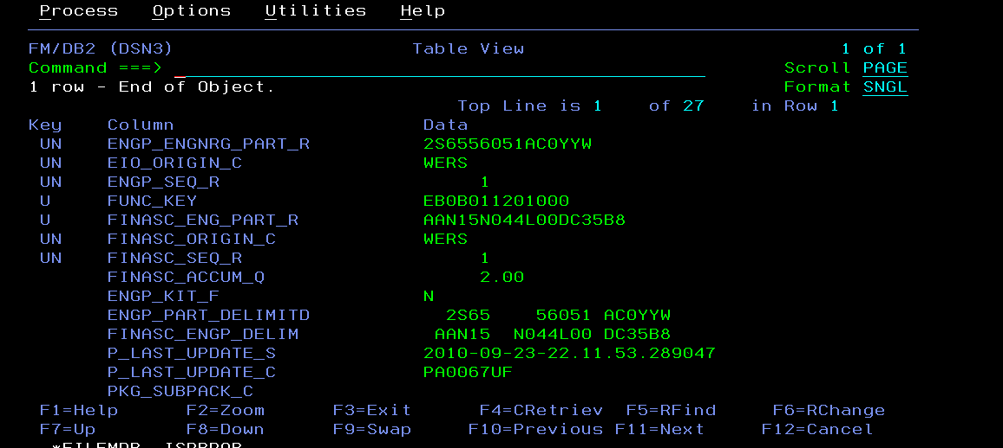

 | FINASC_ENG_PART_R AAN15N044L00DC35B8 | No. of Usage of finasc part in d22

 | ENGP_ENGNRG_PART_R 2S6556051AC0YYW | No. of Usage of component engg part in d22

 | One part (but having a usage)
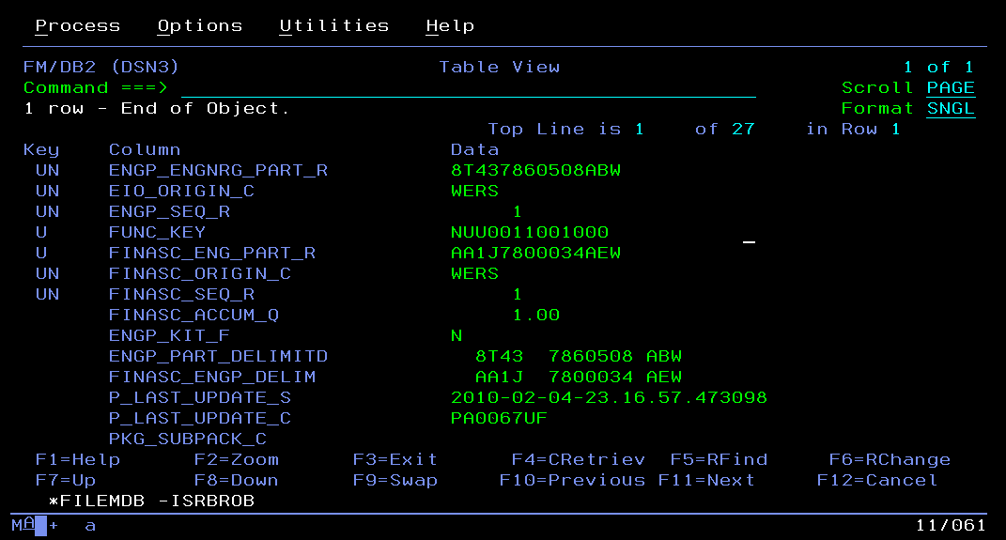
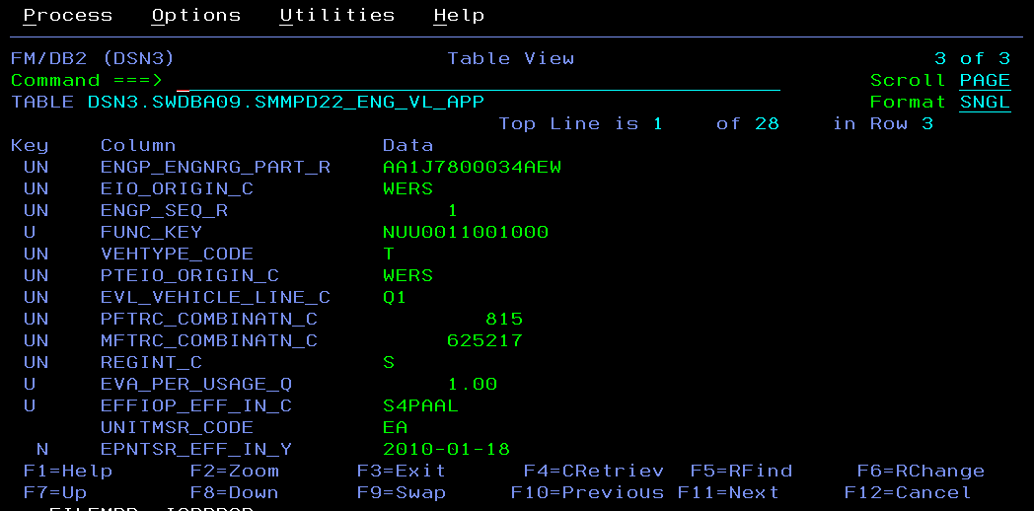

Step1 | AA1J7800034AEW (final assembly) has 3 usages for region A, N, S in D22 | step2 | AA1J7800034AEW (final assembly) has 1 component part - 8T437860508ABW in D26
 | AA1J7800034AEW

