Sheet1
 |  | 
 |  |  | STUDENTS DETAILS - BCA I (2025-2028)
S.No | NAME | FATHER'S NAME | CLASS | GENDER | DOB | PHOTO | ATTENDANCE AUG | ATTENDANCE SEP
1 | Aastha Bhakuni | Kedar Bhakuni | BCA I | Female | 2008-08-04 | 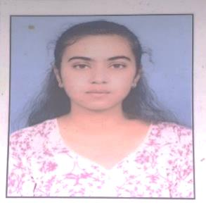
2 | Abhay Dangwal | Narendra Singh Dangwal | BCA I | Male | 2007-04-12
3 | Abhishek Mehra | Chander pal Mehra | BCA I | Male | 30/04/2006
4 | Aditi Mehta | Rajendra Mehta | BCA I | Female | 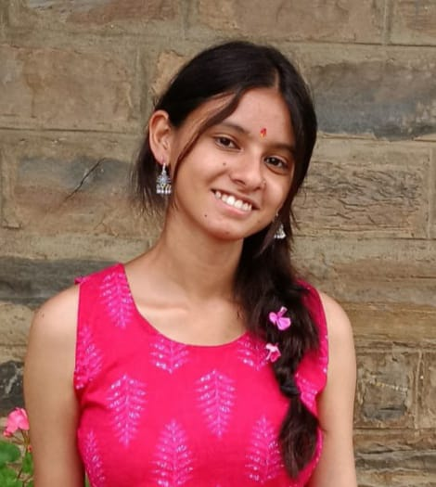 26/07/2008
5 | Aditya Kumar Upadhyay | Manoj Kumar Upadhyay | BCA I | Male | 26/05/2006 | 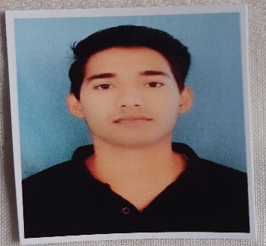
6 | Akanksha Dasila | Laxman Singh Dasila | BCA I | Female | 2008-07-11 | 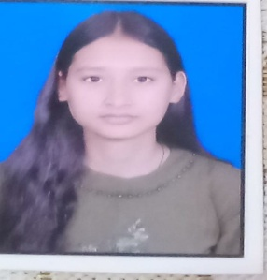
7 | Akshansh Singh Rana | Anand Singh Rana | BCA I | Male | 17/08/2007
8 | Akshay Kumar | Ashok Kumar | BCA I | Male | 2007-03-03 | 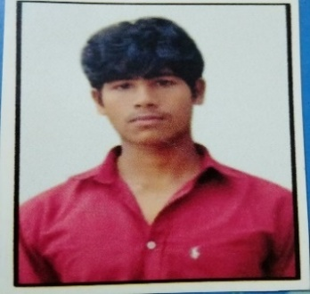
9 | Aman Bhakuni | Lalit Singh Bhakuni | BCA I | Male | 2008-09-05
10 | Aman Kumar | Mangal Singh | BCA I | Male | 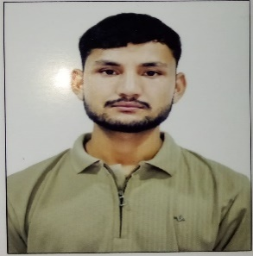 2003-09-06
11 | Aman Kumar Agari | Jagdish Prasad | BCA I | Male | 2008-10-11 | 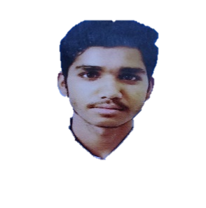
12 | Anil Singh Takuli | Yashpal Singh | BCA I | Male | 2009-10-01 | 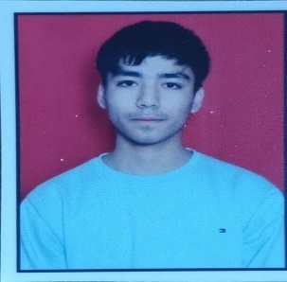
13 | Anjali Bhandari | Anand Singh Bhandari | BCA I | Female | 23/02/2008 | 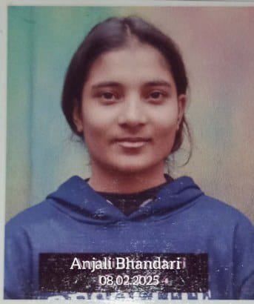
14 | Ayush Singh Rawat | Shyam Singh Rawat | BCA I | Male | 25/07/2007 | 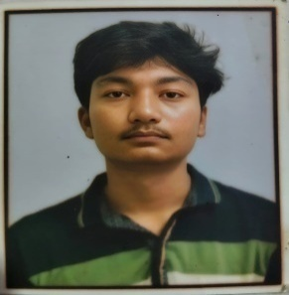
15 | Bharat Matiyani | Suresh Singh | BCA I | Male | 22/02/2008
16 | Bhaskar Kumar | Manoj Kumar | BCA I | Male | 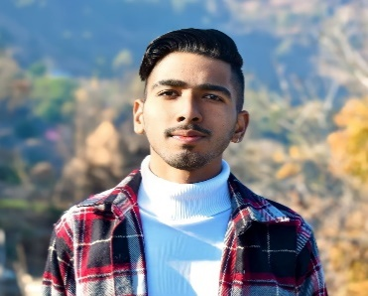 2007-04-06
17 | Bhumika Verma | Puran Chandra Verma | BCA I | Female | 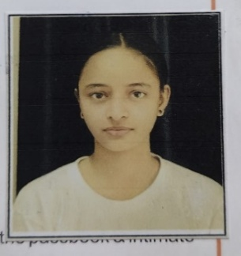 2007-10-04
18 | Bhuwan Joshi | Mohan Chandra Joshi | BCA I | Male | 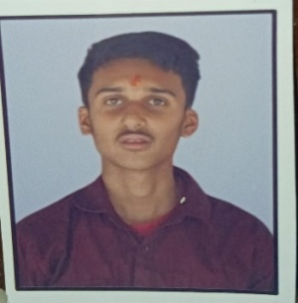 20/06/2008
19 | Chanda | Balwant Singh | BCA I | Female | 2007-05-04 | 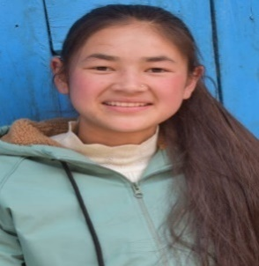
20 | Chandan Singh Taragi | Mahendra Singh Taragi | BCA I | Male | 2008-04-05 | 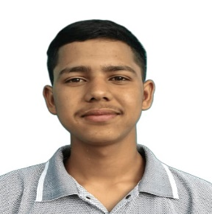
21 | Chitrank Sah | Dinesh Chandra Sah | BCA I | Male | 2007-10-06
22 | Deep Shubham | Narendra singh | BCA I | Male | 2007-03-08 | 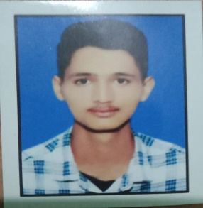
23 | Deepanshu Kholiya | Rajendra Singh Kholiya | BCA I | Male | 29/03/2006 | 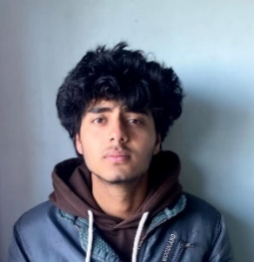
24 | Diksha Rautela | Harsh Singh Rautela | BCA I | Female | 2006-12-12
25 | Dipanshu Singh | Dan Singh | BCA I | Male | 22/02/2007
26 | Disha Karki | Rajendra Singh Karki | BCA I | Female | 13/06/2006 | 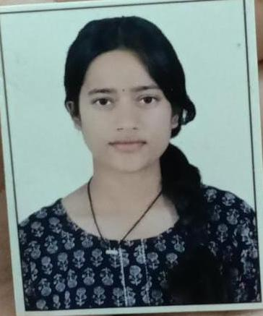
27 | Divyesh Bhakuni | Arjun Bhakuni | BCA I | Male
28 | Ganesh Papola | Jagat Singh | BCA I | Male | 17/08/2007
29 | Gargi Kanwal | Prem Singh Kanwal | BCA I | Female | 16/12/2007 | 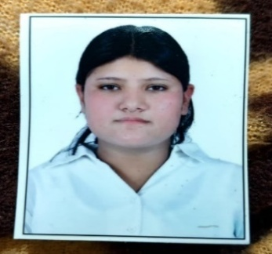
30 | Gaurav Kumar | Girish Ram | BCA I | Male | 23/03/2008
31 | Gaurav Singh Pilkhwal | Dev Singh Pilkhwal | BCA I | Male | 18/02/2008 | 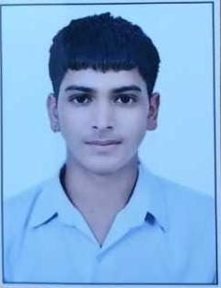
32 | Geeta Khetwal | Dan Singh Khetwal | BCA I | Female | 17/06/2007
33 | Harshit Negi | Kundan Singh Negi | BCA I | Male |  | 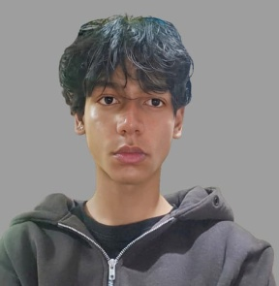
34 | Harshita Bora | Vinod Singh Bora | BCA I | Female | 2007-05-12 | 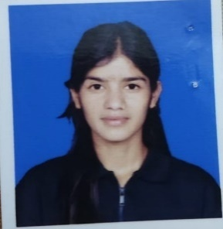
35 | Hema Bohra | Sher Singh Bohra | BCA I | Female | 2008-02-02 | 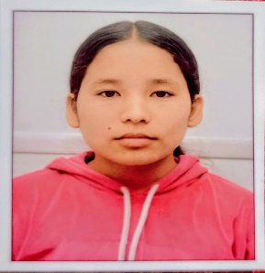
36 | Himanshu Arya | Vinod Lal | BCA I | Male | 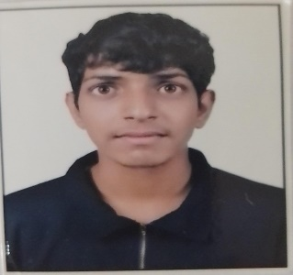 2007-12-08
37 | Himanshu Bisht | Anand Singh | BCA I | Male | 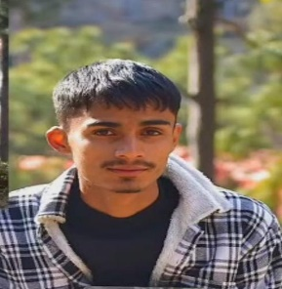 25/04/2007
38 | Himanshu Bisht | Trilok Singh Bisht | BCA I | Male | 19/07/2006 | 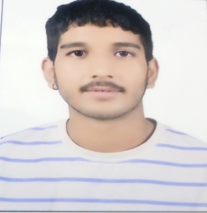
39 | Himanshu Kumar | Chandan Kumar | BCA I | Male
40 | Himanshu Mehra | Manoj Singh Mehra | BCA I | Male | 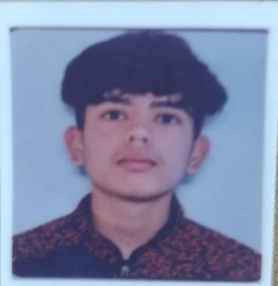 2007-06-01
41 | Himanshu Negi | Brijendra Singh | BCA I | Male | 2008-02-01 | 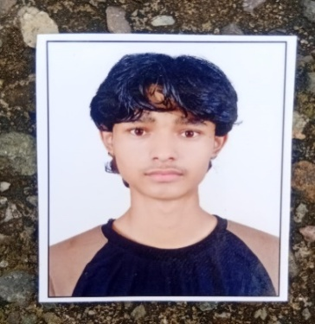
42 | Indra Singh | Surendra Singh | BCA I | Male | 24/02/2009
43 | Ishwar Singh | Jagdish Singh Dhanik | BCA I | Male | 2007-01-09 | 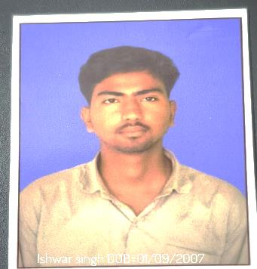
44 | Jiya Karayat | Devendra Singh | BCA I | Female | 21/02/2008
45 | Kanchan Bahuguna | Ramesh Chandra | BCA I | Female | 27/05/2008 | 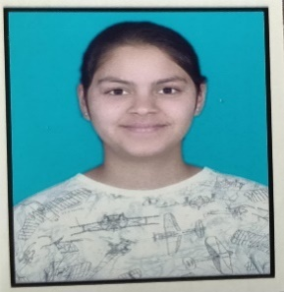
46 | Kapil | Sonu Dutt | BCA I | Male | 2008-05-04
47 | Karan Singh Bisht | Gopal Singh | BCA I | Male | 30/01/2007 | 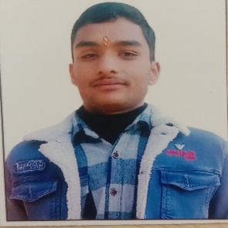
48 | Karishma Yadav | Dheer Singh | BCA I | Female | 2008-05-03 | 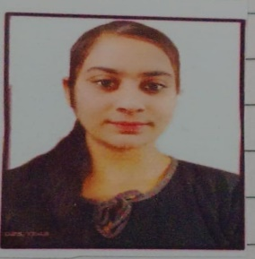
49 | Kartik Agarwal | Neeraj Agarwal | BCA I | Male | 2007-09-08
50 | Kartik Bisht | Narendra Singh Bisht | BCA I | Male | 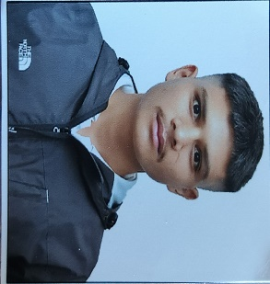 16/03/2008
51 | Kartik Joshi | Deep Chandra Joshi | BCA I | Male | 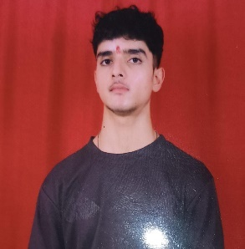 15/06/2007
52 | Khushi Joshi | Ramesh Chandra Joshi | BCA I | Female | 15/03/2007
53 | Kiran Bisht | Nandan Singh Bisht | BCA I | Female | 2007-05-09
54 | Komal Pandey | Puran Chandra Pandey | BCA I | Female |  | 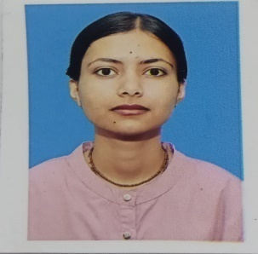
55 | Krishna Chandra Pant | Laxmi Prasad Pant | BCA I | Male | 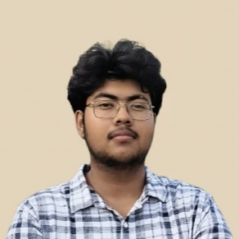 2007-03-01
56 | Krishna Singh Fartiyal | Bhagwat Singh Fartiyal | BCA I | Male | 2003-12-07
57 | Kunal Pandey | Jagdish Chandra Pandey | BCA I | Male | 20/03/2007 | 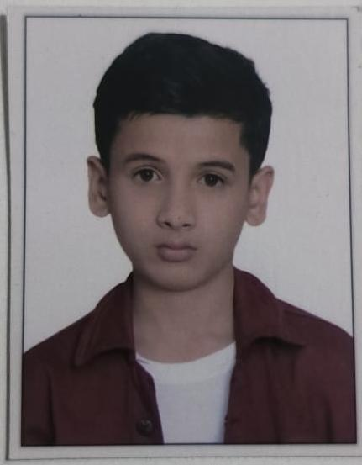
58 | Lalit Bisht | Devendra Singh Bisht | BCA I | Male | 2008-10-02 | 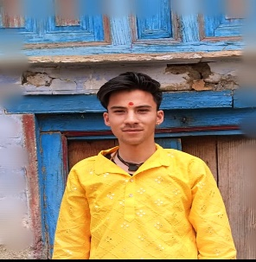
59 | Mayank Bisht | Narendra Singh Bisht | BCA I | Male | 28/12/2007 | 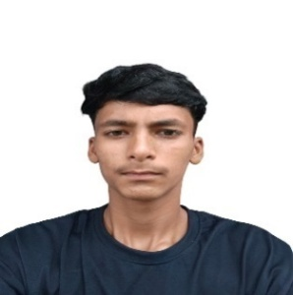
60 | Mayank Singh Bisht | Puran Singh Bisht | BCA I | Male | 19/06/2008 | 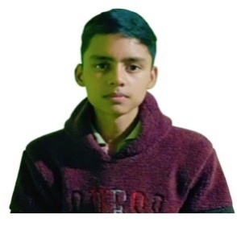
61 | Mohit Singh | Kundan Singh Bisht | BCA I | Male | 24/03/2007 | 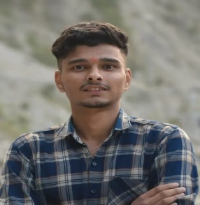
62 | Nakul Pant | Rajendra Prasad | BCA I | Male | 2008-11-02
63 | Neeraj Singh Bora | Balwant Singh Bora | BCA I | Male
64 | Neha Nayal | Virendra Singh Nayal | BCA I | Female | 2008-02-02 | 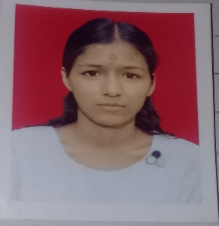
65 | Neha Negi | Laxman Singh Negi | BCA I | Female | 25/04/2007 | 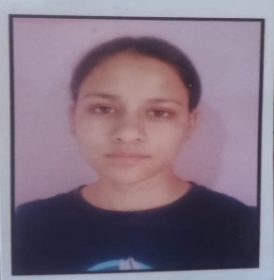
66 | Nikhil Singh Takuli | Lokpal Singh | BCA I | Male | 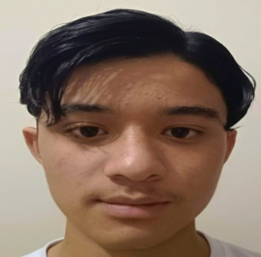 26/06/2008
67 | Nikshay Kanwal | Shiv Singh Kanwal | BCA I | Male | 31/08/2007
68 | Nisha Upadhyay | Vinod Kumar Upadhyay | BCA I | Female | 15/08/2007
69 | Nishant Tiwari | Navin Chandra Tiwari | BCA I | Male | 2007-01-01 | 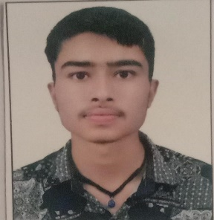
70 | Nitesh Chandra | Lalit Mohan | BCA I | Male | 21/03/2008 | 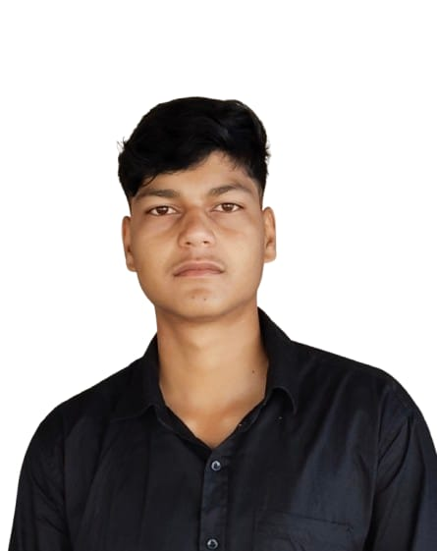
71 | Pawan Bhatt | Bhuwan Chandra | BCA I | Male | 2007-05-06 | 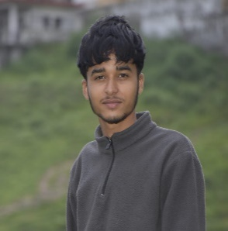
72 | Pawan Kanwal | Nandan Singh Kanwal | BCA I | Male | 14/04/2008 | 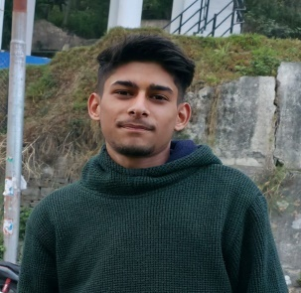
73 | Piyush Jalal | Ganesh Singh Jalal | BCA I | Male | 2007-04-12 | 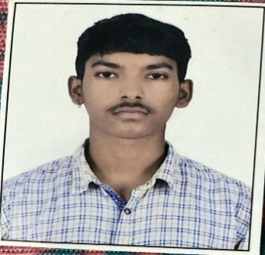
74 | Pooja Gogini | Prakash Singh | BCA I | Female | 31/01/2007 | 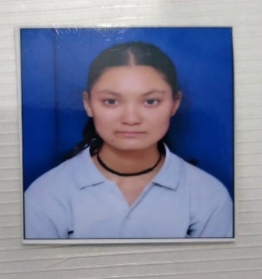
75 | Poornima | Devendra Singh | BCA I | Female | 16/10/2007
76 | Prabhakar Singh Rana | Narendra Singh Rana | BCA I | Male |  2008-01-01
77 | Prachi Sah | Harish Sah | BCA I | Female |  16/05/2008
78 | Prajjwal Joshi | Jeewan Chandra Joshi | BCA I | Male | 2007-10-11
79 | Priya | Chandan Singh | BCA I | Female | 14/06/2008
80 | Priyanshu Bagdwal | Narendra Singh Bagdwal | BCA I | Male | 27/04/2008
81 | Priyanshu Joshi | Umesh Chandra Joshi | BCA I | Male | 2008-12-01
82 | Priyanshu Negi | Rajendra Singh Negi | BCA I | Male | 2008-06-04 | 
83 | Rahul Bisht | Puran Singh Bisht | BCA I | Male | 26/02/2008 | 
84 | Rishabh Bhandari | Ravindra Singh Bhandari | BCA I | Male | 2007-05-10 | 
85 | Rohit Kumar | Kishan Chandra | BCA I | Male | 2007-04-03 | 
86 | Ruchika Pathak | Harish Chandra Pathak | BCA I | Female | 2008-09-02 | 
87 | Sagar Singh Bisht | Bahadur Singh Bisht | BCA I | Male | 2007-06-04 | 
88 | Sahil Negi | Diwan Singh Negi | BCA I | Male | 17/01/2007 | 
89 | Sahil Rautela | Padam Singh Rautela | BCA I | Male | 22/12/2007 | 
90 | Sahil Thathola | Jeewan Singh | BCA I | Male | 24/04/2007 | 
91 | Shashank Joshi | Girija Shanker joshi | BCA I | Male | 2008-01-05 | 
92 | Shiv Sagar | Harish Ram | BCA I | Male | 25/06/2008
93 | Simran Mahajan | Pradeep Mahajan | BCA I | Female |  2007-10-07
94 | Sorav Singh | Narendra Singh | BCA I | Male | 2007-01-08 | 
95 | Sujata Parihar | Mahadev Singh | BCA I | Female | 24/07/2007
96 | Tanuja Negi | Narendra Singh Negi | BCA I | Female | 2008-10-03 | 
97 | Tatshiva Adhikari | Yogesh Singh Adhikari | BCA I | Male | 24/11/2008
98 | Vedansh Bhakuni | Rajeev Bhakuni | BCA I | Male | 
99 | Vijay Pant | Kailash Chandra Pant | BCA I | Male |  2008-01-03
100 | Vijay Singh Kaira | Kheem Singh Kaira | BCA I | Male | 23/12/2009
101 | Vineet Kandpal | Jitendra Kandpal | BCA I | Male | 14/06/2007 | 
102 | Vivek Parihar | Bhupal Singh | BCA I | Male | 2008-12-08 | 
103 | Yogesh Chandra Kandpal | Naveen Chandra Kandpal | BCA I | Male
104 | Yogesh Mehta | Bhupal Singh | BCA I | Male | 28/08/2008 | 

