Intro
TO L0G OR NOT TO L0G?

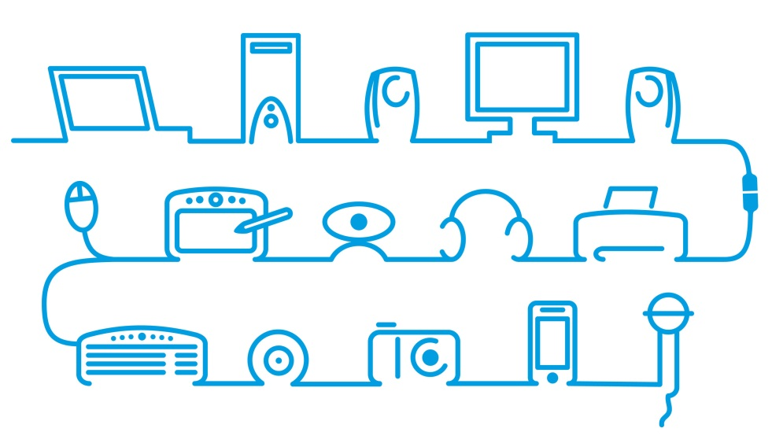

Risks and benefits of emerging life-logging applications
Appendix II – Risk Assessment Spreadsheet

Graphs
Information Security Risk Measurement Scale
Minimum Risk |  |  |  |  |  | Maximum Risk
1 | 2 | 3 | 4 | 5 | 6 | 7 | 8 | 9 | 10 | 11 | 12 | 13
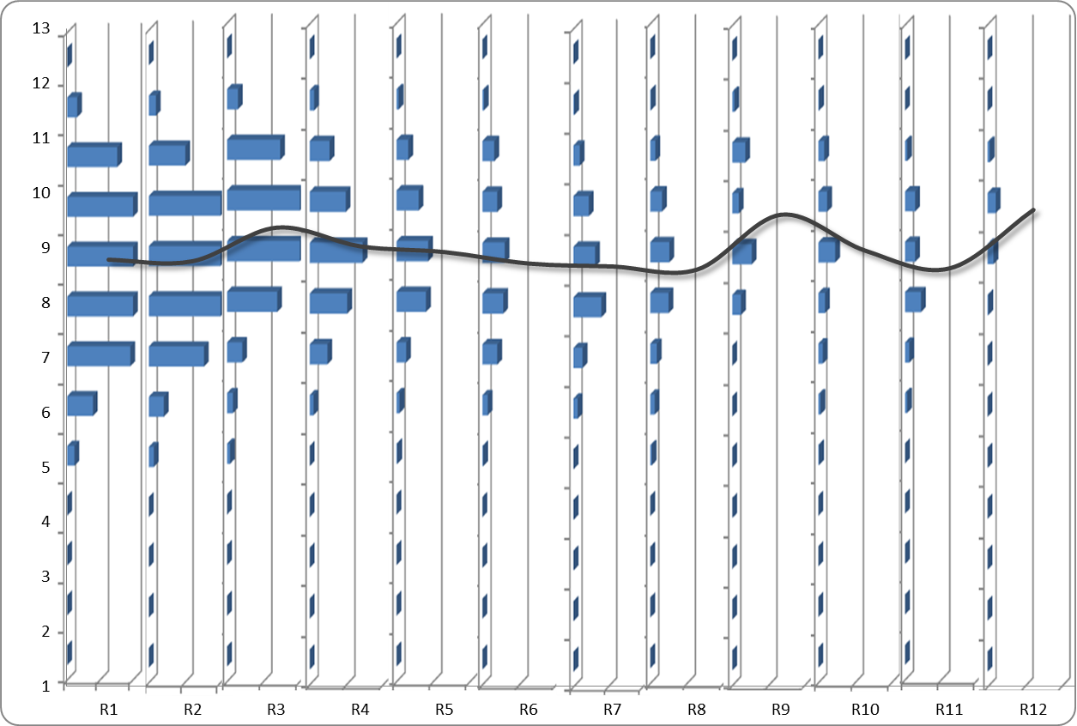
Very Low |  | Low |  |  | Medium |  |  | High |  |  | Very High

R1 | 8.7784711388 | M
R2 | 8.7605363985 | M
R3 | 9.3728395062 | H
Overview of compound risk values
R4 | 9.0299145299 | M
R5 | 8.9266666667 | M
R6 | 8.7177419355 | H
R7 | 8.6639344262 | H
R8 | 8.6086956522 | M
R9 | 9.6086956522 | M
R10 | 8.9523809524 | H
R11 | 8.6290322581 | M
R12 | 9.6956521739 | H

 | R3
 | 0
 | 0
 | 0
 | 0
 | 4
 | 8
 | 21
 | 69
 | 104
 | 111
 | 73
 | 15
 | 0
 | R4
 | 0
 | 0
 | 0
 | 0
 | 0
 | 5
 | 24
 | 51
 | 72
 | 49
 | 27
 | 6
 | 0
 | R1
 | 0
 | 0
 | 0
 | 0
 | 11
 | 39
 | 96
 | 124
 | 142
 | 138
 | 76
 | 15
 | 0
 | R2
 | 0
 | 0
 | 0
 | 0
 | 7
 | 21
 | 77
 | 117
 | 134
 | 105
 | 51
 | 10
 | 0
 | R5
 | 0
 | 0
 | 0
 | 0
 | 1
 | 4
 | 13
 | 40
 | 43
 | 30
 | 16
 | 3
 | 0
 | R6
 | 0
 | 0
 | 0
 | 0
 | 1
 | 7
 | 20
 | 28
 | 30
 | 20
 | 16
 | 2
 | 0

 | R9
 | 0
 | 0
 | 0
 | 0
 | 0
 | 0
 | 0
 | 12
 | 27
 | 9
 | 18
 | 3
 | 0
 | R7
 | 0
 | 0
 | 0
 | 0
 | 0
 | 6
 | 13
 | 40
 | 31
 | 22
 | 9
 | 1
 | 0
 | R8
 | 0
 | 0
 | 0
 | 0
 | 2
 | 6
 | 9
 | 25
 | 26
 | 16
 | 7
 | 1
 | 0
 | R10
 | 0
 | 0
 | 0
 | 0
 | 1
 | 3
 | 6
 | 9
 | 23
 | 12
 | 8
 | 1
 | 0
 | R11
 | 0
 | 0
 | 0
 | 0
 | 0
 | 3
 | 6
 | 22
 | 14
 | 14
 | 3
 | 0
 | 0
 | R12
 | 0
 | 0
 | 0
 | 0
 | 0
 | 0
 | 0
 | 1
 | 8
 | 11
 | 3
 | 0
 | 0

