Sheet1

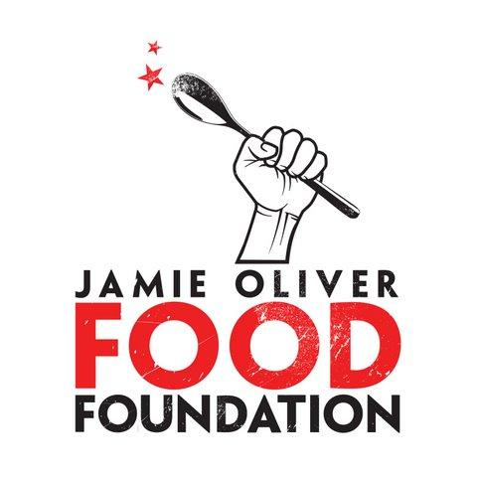
FOOD REVOLUTION SWEETENED MILK CALCULATOR
{ enter data from your school to see what kids are really drinking }

 |  |  | Fill in these items
 | (1) Total grams of Sugar in 8oz. of Chocolate Milk at your school |  | 28 | Typically 22-28g of total sugar for chocolate. Strawberry and Vanilla can be higher.
 | (2) Number of students in your school or District |  | 2000
 | (3) Number of days in your school year |  | 180
 | (4) Percentage of kids choosing chocolate milk |  | 70% | Typically 60-75% of students

If your kids are choosing chocolate milk at breakfast and lunch, they are collectively drinking this much added sugar:

 |  | per school year |  | in 365 days | per kid every school year
 | Helpful note: 8oz. of milk contains 12g of natural sugar from lactose | 8,064,000 | Grams | 16,352,000 | 5,760
 |  | 31,207,680 | Calories | 63,282,240 | 22,291
 | Helpful note: 4g of sugar = 1 teaspoon | 2,016,000 | Teaspoons | 4,088,000 | 1440
 |  | 42,000 | Cups | 85,167 | 30
 |  | 3,557 | Sugar sacks (4 lb. bags) | 7,213 | 2.5
 |  | 2,625 | Gallons (milk jugs) | 5,323 | 1.9
 |  | 44 | Wheelbarrows | 89

It's not just Sugar that's added to flavored milk. Chocolate Milk sometimes contains these items, which are definitely not from a cow. Read the labels at your school.
 | Alkali | High Fructose Corn Syrup
 | Artificial Flavors | Mono and Diglycerides
 | Calcium Carbonate | Natural Flavors
 | Carrageenan | Polysorbate 80
 | Cellulose Gum | Propylene Glycol
 | Corn starch | Salt
 | Corn Sweetener | Sodium Citrate
 | Dextrose | Sodium Phosphate
 | Food Starch | Vanillin (artificial flavoring)
 | Guar Gum | Vitamin A palmitate

