Directions and Score
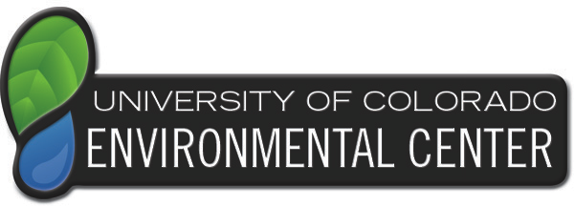
 | The Green Office Program is designed to promote sustainable practices for faculty and staff at the University of Colorado through our Green Office Certification which integrates many of CU’s campus sustainability initiatives, including transportation, recycling, and energy. The goal of this program is to help people reduce their footprint and impact the overall wellbeing of our planet.

Thank you for taking the first step towards becoming Green Office Certified. Your contribution to the sustainability successes at CU-Boulder is important. This form can be completed and continuously revised to reflect ongoing improvements your office makes during and following certification.

Directions:

Use the tabs below (Contact Info, Energy, Recycling & Events, etc.) to navigate to individual sections and enter the data about your office practices. Scroll down on this page to see a summary report.

Note: Some sections require that you collect information from your colleagues. This will take more or less time depending on the size of your department.

Please type comments in the margins if you feel as though your score needs explanation or if the question requests you do so.

Questions? Please do not hesitate to call or email: Rachel Hawkins, Program Coordinator at 303-492-8308 or Greenoffice@colorado.edu

 | Green Office Categories | Possible Points | Points Earned

1 | Recycling & Events | 19 | 0.00

2 | Energy | 32 | 0.00

3 | Purchasing | 14 | 0.00

4 | Reduction of Waste | 21 | 0.00

5 | Transportation | 16 | 0.00

 | TOTAL | 102 | 0.00

 | BONUS

6 | Innovation BONUS | 4 | 0.00

 | TOTAL (+Bonus) | 102 | 0.00

 | TOTAL PERCENTAGE: Your Score= |  | 0

