Cover Sheet
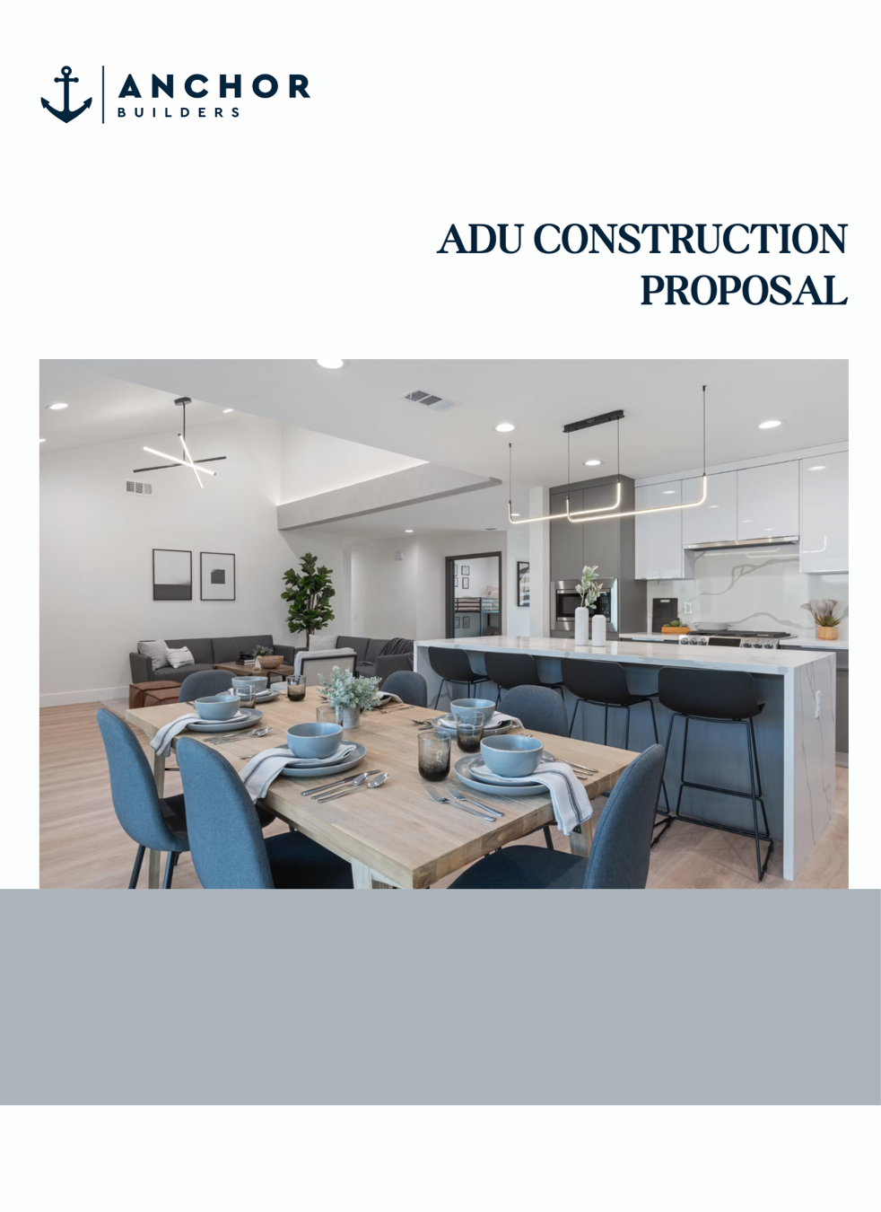

Prepared for:
John Vo
(714) 724-4701 jvo32@hotmail.com
Project Address:
9677 Shamrock Ave.
Fountain Valley, CA 92708

Construction Proposal
 |  |  |  | 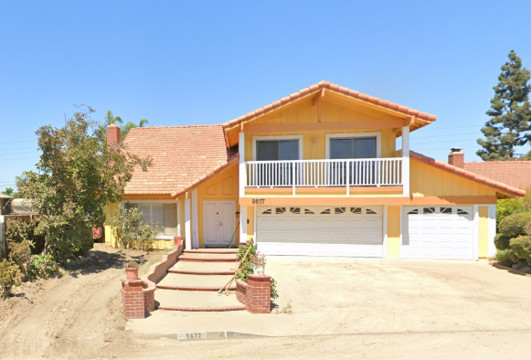

PROJECT OWNER
Name |  | John Vo |  |  |  |  |  |  |  | input sheet data
Address |  | 9677 Shamrock Avenue |  |  |  |  |  |  |  | input sheet data
City, State ZIP |  | Fountain Valley, CA 92708 |  |  |  |  |  |  |  | input sheet data
Phone |  | (714) 724-4701 |  |  |  |  |  |  |  | input sheet data
Email |  | jvo32@hotmail.com |  |  |  |  |  |  |  | input sheet data

SCOPE OF WORK
[Full build out of an ADU]
BED/BATH: 3 Bedrooms, 3 Bathrooms |  |  | LIVING AREA: ± 1000 sqft |  |  |  | ADU TYPE: Detached |  |  | Dependent on how many bedrooms and bathrooms

• Standardized Finishes & Fixtures- Installed from our pre-selected materials list for consistent quality. |  |  |  |  | • HVAC- Central air conditioning and heating
• An ALLOWANCE WORKSHEET will be included for certain finish material items |  |  |  |  | • Electrical - Separate electrical panel
 |  |  |  |  | • Gas & Water - Shared gas & water meter setup (using existing meters)
• House Appliances – Range hood, stove, dishwasher, kitchen sink |  |  |  |  | • Sewer - Connect ADU plumbing to existing main house sewer line lateral
• Cabinetry & Casework - Kitchen cabinets and bathroom vanities |  |  |  |  | • Fire Safety – Smoke & CO detectors per building code
• Flooring - Vinyl plank flooring throughout, tile in bathrooms
• Windows & Doors - Energy-efficient vinyl windows; standard interior/exterior doors |  |  |  |  |  |  |  |  |  | Electrical is dependent on selecting SHARED vs SEPARATE
• Roofing – Composition shingles (30-year), fascia, and venting per code |  |  |  |  |  |  |  |  |  | Gas & Water is dependent on selecting SHARED vs SEPARATE
• Insulation – R-13/R-30 insulation for walls and attic, compliant with Title 24

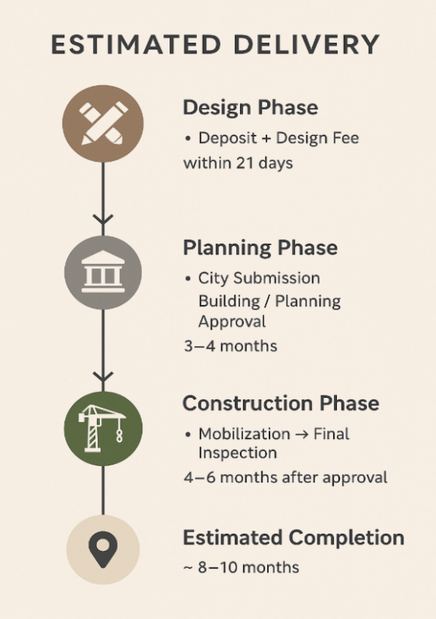
ESTIMATED PRICE BREAKDOWN
Phase |  | Description |  |  |  | Price
DESIGN & PLANNING |  | ADU Plan Design |  |  |  | $ 12,500
 |  | Structural Engineering (Roof & Foundation Plan) |  |  |  | included
 |  | MEP Design (Mechanical, Electrical, Plumbing) |  |  |  | included
 |  | Zoning & Site Planning Review |  |  |  | included
 |  | Title 24 Energy Compliance |  |  |  | included

 |  | Subtotal |  |  |  | $ 12,500

COORDINATION SERVICES |  | Plan Check Coordination |  |  |  | $ 0
 |  | Building Permit Coordination |  |  |  | $ 0
 |  | Utility & Public Works Coordination |  |  |  | $ 0
 |  | Solar Vendor Coordination |  |  |  | $ 0

CONSTRUCTION |  | Deposit |  |  |  | $ 1,000
 |  | Interior Design / Finish Material Selection¹ |  |  |  | included
 |  | Mobilization |  |  |  | $ 50,000
 |  | Trenching & Underground Plumbing |  |  |  | $ 50,000
 |  | Foundation |  |  |  | $ 50,000
 |  | Framing |  |  |  | $ 30,000
 |  | Mechanical, Electrical, Plumbing (MEP) |  |  |  | $ 25,000 |  | CONSTRUCTION Cost per sqft | $240.00 per sqft
 |  | Drywall |  |  |  | $ 23,000
 |  | Property Final |  |  |  | $ 11,000 |  |  |  |  | Vinh Le to Create an optional additional page for ADD ON WORK
 |  | Subtotal (without Add on Work) |  |  |  | $ 240,000

ADD ON WORK |  | Additional Bathroom (3rd Bathroom) |  |  |  | $ 8,000 |  | GRAND TOTAL | $ 260,500
 |  | Subtotal (with Add on Work) |  |  |  | $ 248,000 |  |  |  |  | Line 57 - dependent on additional work

EXCLUSIONS |  |  |  |  |  | ADDITIONAL SERVICES (ADD ON)
[Any work outside of the normal building of an ADU] |  |  |  |  |  | [These are additional services that are not included]

City-Related Costs |  |  |  |  |  | 1) Design Upgrades
• | City permits, planning approval fees, and third-party inspections |  |  |  |  | a. Customized option to personalize your project beyond our Standardized Material Package.
• | Land grading, surveys, and soil testing (if required), including grading beyond the building foundation area
 |  |  |  |  |  | 2) Landscaping and Hardscaping Site Design
Site Prep & Exterior Work |  |  |  |  |  | a. Landscape and hardscaping services to improve the appearance and functionality of your property.
• | Cleaning or demolishing any existing or unpermitted structures
• | Landscaping, fencing, driveways, patios, rain gutters |  |  |  |  | 3) Rental Plans
• | Potential damage to underground irrigation or tree roots |  |  |  |  | a. Creation of a site plan to designate a parking spot for tenants, ensuring separation between rental units.
Utilities & Unexpected Conditions
• | Utility connections (gas, water, electric) or fire sprinkler system installation (if required)
• | Unforeseen repairs like structural issues, pests, or water drainage
• | Builder Risk insurance or city-required bonds for construction
Security & Insurance
• | Job-site security or surveillance systems

TERMS & CONDITIONS
A formal construction contract will be prepared and executed upon acceptance of this bid. The pricing outlined in this proposal is valid for 30 days from the proposal date. A detailed payment schedule will be included in the formal contract. The overall project schedule is subject to factors such as city permitting timelines, material availability, and the client’s responsiveness throughout the process. Any changes to the agreed-upon scope of work, materials, layout, or finish levels must be requested in writing and formally approved. Approved change orders may result in adjustments to both the total project cost and construction timeline. All changes will be documented and reflected with an updated scope, revised pricing, and adjusted schedule as needed. *This is a non-binding estimate. Final cost is subject to plan approval, scope adjustments, and change orders.*
Footnotes & Clarifications:
¹ Interior Design – Includes 2 sessions (each session 2 hours). Additional sessions billed at $150/hour.

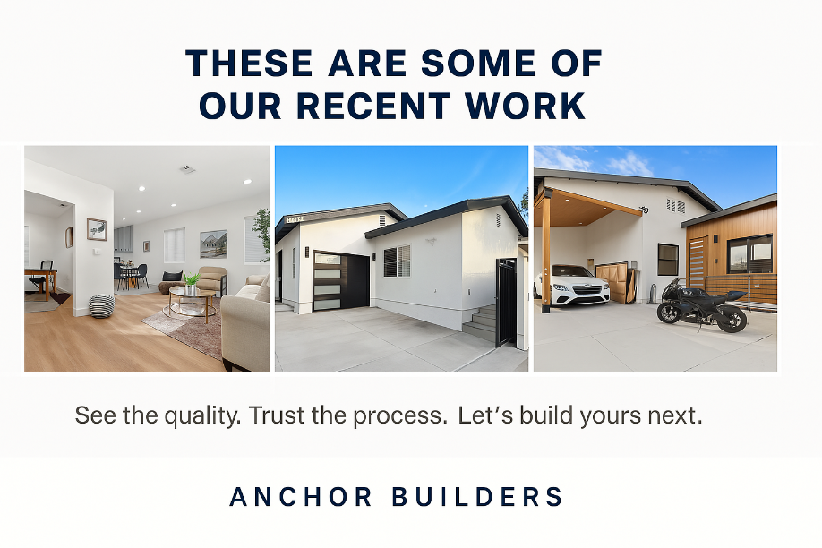

OWNER ACCEPTANCE
I, John Vo, accept the above scope of work, proposed to be completed by Anchor Builders for the amount of $ 260,500.00 |  |  |  |  |  |  |  |  |  | input sheet data (name

 |  |  |  |  |  |  |  |  |  | input sheet data (name
Submitted by John Vo |  |  |  |  |  |  |  | Date

