Cover Sheet
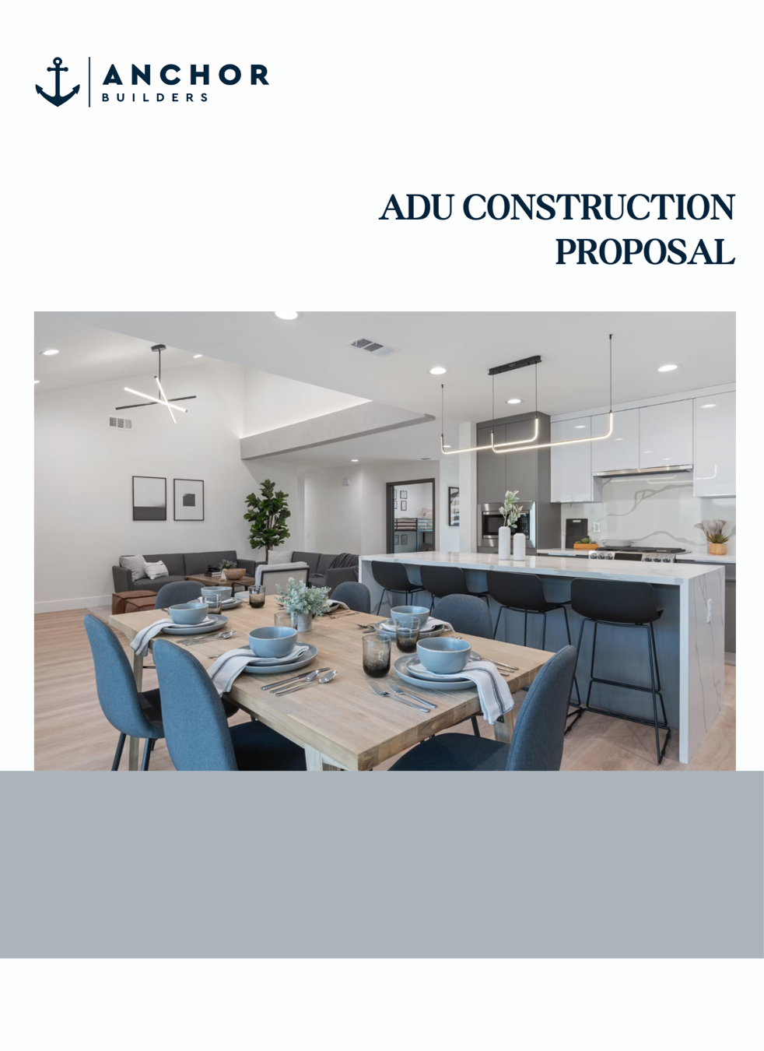

Prepared for:
Vu Nguyen
714-251-3039 Poloafters@gmail.com
Project Address:
10092 Banbury Ave
Westminster, CA 92683

Construction Proposal
 |  |  |  | 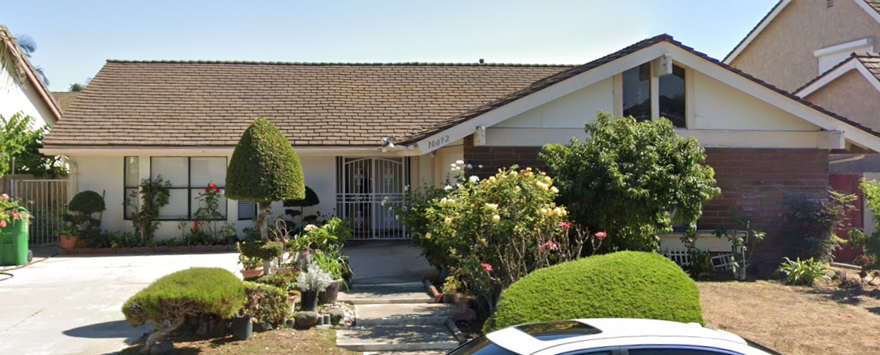

PROJECT OWNER
Name |  | Vu Nguyen |  |  |  |  |  |  |  | input sheet data
Address |  | 10092 Banbury Ave |  |  |  |  |  |  |  | input sheet data
City, State ZIP |  | Westminster, CA 92683 |  |  |  |  |  |  |  | input sheet data
Phone |  | 714-251-3039 |  |  |  |  |  |  |  | input sheet data
Email |  |  |  |  |  |  |  |  |  | input sheet data

SCOPE OF WORK
[JADU Garage Conversion]
BED/BATH: 1 Bedroom, 1 Bathroom |  |  | LIVING AREA: ± 430 sqft |  |  |  | ADU TYPE: Garage Conversion Plan Date 01-15-25 Permit Cycle 2 |  |  | Dependent on how many bedrooms and bathrooms

• Standardized Finishes & Fixtures- Installed from our pre-selected materials list for consistent quality. |  |  |  |  | • Mini split HVAC
• An ALLOWANCE WORKSHEET will be included for certain finish material items |  |  |  |  | • Electrical - Shared electrical panel
 |  |  |  |  | • Separate Gas Meter
• House Appliances – Range hood, stove, dishwasher, kitchen sink |  |  |  |  | • Shared Sewer
• Cabinetry & Casework - Kitchen cabinets and bathroom vanities |  |  |  |  | • Fire Safety – Smoke & CO detectors per building code
• Flooring - Vinyl plank flooring throughout, tile in bathrooms |  |  |  |  | • Shared Water Meter
• Windows & Doors - Energy-efficient vinyl windows; standard interior/exterior doors |  |  |  |  |  |  |  |  |  | Electrical is dependent on selecting SHARED vs SEPARATE
• Insulation – R-13/R-30 insulation for walls and attic, compliant with Title 24 |  |  |  |  |  |  |  |  |  | Gas & Water is dependent on selecting SHARED vs SEPARATE
• | Replace existing water heater & install 2 new electric heat pump
• | Includes 4 piece fiberglass shower enclosure

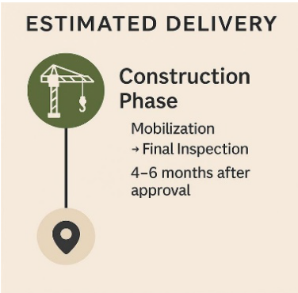
ESTIMATED PRICE BREAKDOWN
Phase |  | Description |  |  |  | Price
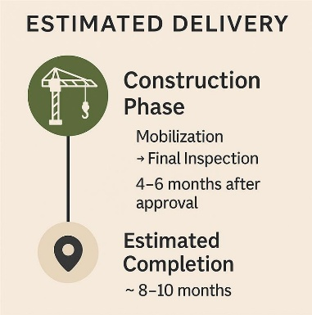
CONSTRUCTION |  | Deposit |  |  |  | $ 1,000
 |  | Interior Design / Finish Material Selection¹ |  |  |  | included
 |  | Mobilization |  |  |  | $ 10,000
 |  | Trenching & Underground Plumbing |  |  |  | $ 17,000
 |  | Foundation |  |  |  | $ 17,000
 |  | Framing |  |  |  | $ 17,000
 |  | Mechanical, Electrical, Plumbing (MEP) |  |  |  | $ 17,000
 |  | Drywall |  |  |  | $ 17,000
 |  | Property Final |  |  |  | $ 9,000 |  |  |  |  | Vinh Le to Create an optional additional page for ADD ON WORK
 |  | Subtotal (without Add on Work) |  |  |  | $ 105,000

ADD ON WORK |  | Upgrade entry door with side light |  |  |  | $ 1,108 |  | CONSTRUCTION Cost per sqft | $244.19 per sqft
 |  | Walkway Outside of House Note 5 SP1.0: 102 SF |  |  |  | $ 1,020
 |  | Vaulted Ceiling Throughout |  |  |  | $ 600

 |  |  |  |  |  |  |  | GRAND TOTAL | $ 107,728

 |  | Subtotal (with Add on Work) |  |  |  | $ 107,728 |  |  |  |  | Line 57 - dependent on additional work

EXCLUSIONS |  |  |  |  |  | ADDITIONAL SERVICES (ADD ON)
[Any work outside of the normal building of an ADU] |  |  |  |  |  | [These are additional services that are not included]

City-Related Costs |  |  |  |  |  | 1) Design Upgrades
• | City permits, planning approval fees, and third-party inspections |  |  |  |  | a. Customized option to personalize your project beyond our Standardized Material Package.
• | Land grading, surveys, and soil testing (if required), including grading beyond the building foundation area
 |  |  |  |  |  | 2) Landscaping and Hardscaping Site Design
Site Prep & Exterior Work |  |  |  |  |  | a. Landscape and hardscaping services to improve the appearance and functionality of your property.
• | Cleaning or demolishing any existing or unpermitted structures
• | Landscaping, fencing, driveways, patios, rain gutters |  |  |  |  | 3) Rental Plans
• | Potential damage to underground irrigation or tree roots |  |  |  |  | a. Creation of a site plan to designate a parking spot for tenants, ensuring separation between rental units.
Utilities & Unexpected Conditions
• | Utility connections (gas, water, electric) or fire sprinkler system installation (if required)
• | Unforeseen repairs like structural issues, pests, or water drainage
• | Builder Risk insurance or city-required bonds for construction
Security & Insurance
• | Job-site security or surveillance systems
• | Patch back for sewer trench only
• | Detail 4 on A3.2 not applicable

TERMS & CONDITIONS
A formal construction contract will be prepared and executed upon acceptance of this bid. The pricing outlined in this proposal is valid for 30 days from the proposal date. A detailed payment schedule will be included in the formal contract. The overall project schedule is subject to factors such as city permitting timelines, material availability, and the client’s responsiveness throughout the process. Any changes to the agreed-upon scope of work, materials, layout, or finish levels must be requested in writing and formally approved. Approved change orders may result in adjustments to both the total project cost and construction timeline. All changes will be documented and reflected with an updated scope, revised pricing, and adjusted schedule as needed. *This is a non-binding estimate. Final cost is subject to plan approval, scope adjustments, and change orders.*

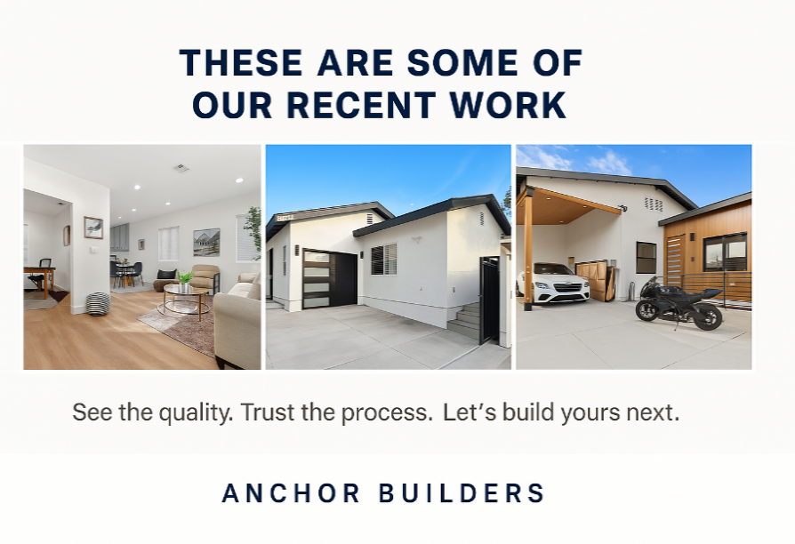

OWNER ACCEPTANCE
I, Vu Nguyen, accept the above scope of work, proposed to be completed by Anchor Builders for the amount of $ 107,728.00 |  |  |  |  |  |  |  |  |  | input sheet data (name

 |  |  |  |  |  |  |  |  |  | input sheet data (name
Submitted by Vu Nguyen |  |  |  |  |  |  |  | Date

