Sheet1
Sprint | User story ID | TC ID | Complexity | Title | Area | Preconditions | Steps | Expected Results | Priority
Registration
0 |  | R-1 |  | Check UI | Feature Testing | User does have not an account | Check UI | All items are designed like with latest design | HIGH
1 |  | R-2 |  | Check spelling and grammar | Feature Testing | User does have not an account | Check spelling and grammar | All text are correct spelling and grammar | LOW
1 |  | R-3 |  | Validate | Feature Testing | User does have not an account | Check validate | All fields must be validate must be indicated by an asterisk | HIGH
1 |  | R-4 |  | Radio button "Type of account" | Feature Testing | User does have not an account | User press on button | If the user is a doctor press on "Doctor" or if the user is a patient press on "Patient". Registration information depends on account type | NORMAL
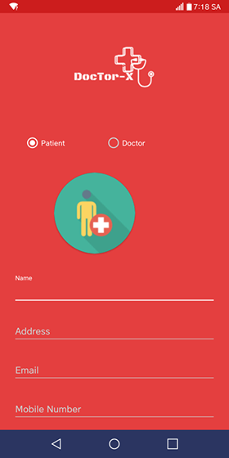
1 |  | R-5 |  | The logo represents the type of account | Feature Testing | User does have not an account | Verify display | After the user selects the account type, the logo will be displayed accordingly | NORMAL
If type of account is patient
1 |  | R-6 |  | When user input their name | Feature Testing | User does have not an account | User press on field and input | Users can enter their names and there may be spaces between words | NORMAL
1 |  | R-7 |  | When user input their address | Feature Testing | User does have not an account | User press on field and input | Users can enter their address and there may be spaces between words | NORMAL
1 |  | R-8 |  | When user input their email | Feature Testing | User does have not an account | User press on field and input | Users must enter the correct format email (Example: abc@gmail.com), if the wrong to re-enter | NORMAL
1 |  | R-9 |  | When user input their phone number | Feature Testing | User does have not an account | User press on field and input | Users must enter the correct format phone (only input number) | NORMAL
1 |  | R-10 |  | When user input their password | Feature Testing | User does have not an account | User press on field and input | Users will create the password they want, the password will be displayed as *** and at least 8 characters including uppercase, number, and lowercase letters | NORMAL
1 |  | R-11 |  | When user re-input their password | Feature Testing | User does have not an account | User press on field and input | The password entered must be the same as the one entered in the previous step | NORMAL
1 |  | R-12 |  | When user input their DOB | Feature Testing | User does have not an account | User press on field and input | The screen will display as DatetimePicker for the selected of user | NORMAL
1 |  | R-13 |  | When the user proceeds to registration | Feature Testing | User does have not an account | User press on Registration button | After making sure all the above fields are correct, proceed to create account. Once created, users can use the account to log in | NORMAL
If type of account is doctor
1 |  | R-14 |  | When user input their workplace | Feature Testing | User does have not an account | User press on field and input | Users can enter the workplace (Which hospital, where?) | NORMAL
1 |  | R-15 |  | When user input their worktime | Feature Testing | User does have not an account | User press on field and input | Users can enter the worktime (The working time of the doctor will change constantly due to the nature of the work) | NORMAL
1 |  | R-16 |  | When user select their specialty | Feature Testing | User does have not an account | User press on field and select | The specialty is shown as Dropdown for the doctor's choice | NORMAL
1 |  | R-17 |  | When user select their clinic address | Feature Testing | User does have not an account | User press on field and input | Doctor's will input their clinic address | NORMAL
1 |  | R-18 |  | When the user proceeds to registration | Feature Testing | User does have not an account | User press on Registration button | After making sure all the above fields are correct, proceed to create account. Once created, users can use the account to log in | NORMAL
Login
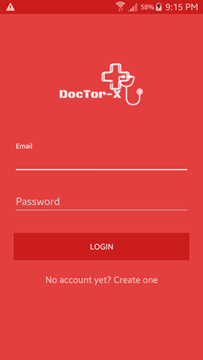
0 |  | L-1 |  | Check UI | Feature Testing | User have an account | Check UI | All items are designed like with latest design | HIGH
1 |  | L-2 |  | Check spelling and grammar | Feature Testing | User have an account | Check spelling and grammar | All text are correct spelling and grammar | LOW
1 |  | L-3 |  | Validate | Feature Testing | User have an account | Check validate | All fields must be validate must be indicated by an asterisk | HIGH
1 |  | L-4 |  | When user input their phone number | Feature Testing | User have an account | Press on field and input | The user will enter the correct registered phone number | NORMAL
1 |  | L-5 |  | When user input their password | Feature Testing | User have an account | Press on field and input | The user will enter the correct registered password | NORMAL
1 |  | L-6 |  | When the user proceeds to log in | Feature Testing | User have an account | Press button | If the phone number and password are exactly the same, login and use the functions of the application | NORMAL
1 |  | L-7 |  | Link for registration | Feature Testing | User does not have an account | Press link | If the user does not have an account then press on the link to go to the registration screen | NORMAL
Main screen of patient
0 |  | MP-1 |  | Check UI | Feature Testing | User have an account | Check UI | All items are designed like with latest design | HIGH
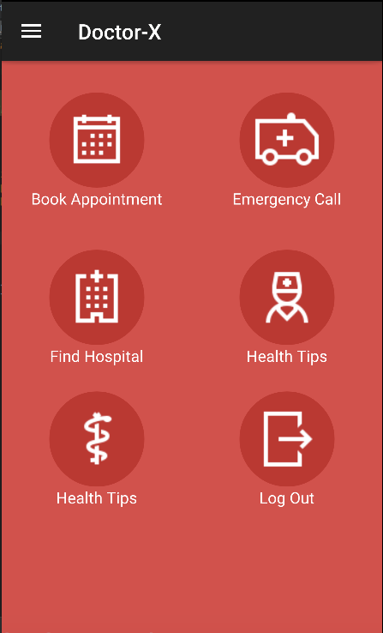
1 |  | MP-2 |  | Check spelling and grammar | Feature Testing | User have an account | Check spelling and grammar | All text are correct spelling and grammar | LOW
1 |  | MP-3 |  | Validate | Feature Testing | User have an account | Check validate | All fields must be validate must be indicated by an asterisk | HIGH
1 |  | MP-4 |  | When user want to book an appointment | Feature Testing | User have an account | Press on button | Move to "Book appointment" screen | NORMAL
1 |  | MP-5 |  | When user want to search doctors in case of emergency | Feature Testing | User have an account | Press on button | Move to "Emergency call" screen | NORMAL
1 |  | MP-6 |  | When user want to search hospitals as close as possible | Feature Testing | User have an account | Press on button | Move to "Find hospital" screen | NORMAL
1 |  | MP-7 |  | When user want to see health tips | Feature Testing | User have an account | Press on button | Move to "Health tips" screen | NORMAL
1 |  | MP-8 |  | When patient or doctor want to install time reminder drug | Feature Testing | User have an account | Press on button | Move to "Medicine Reminder" | NORMAL
1 |  | MP-9 |  | When user want to log out account | Feature Testing | User have an account | Press on button | Show message: "Do you really want to log out ?". If user press on "Yes" then log out or if user press on "No" then stay on screen | NORMAL

Sheet2
Sprint | User story ID | TC ID | Complexity | Title | Area | Preconditions | Steps | Expected Results | Priority
Book appointment
0 |  | BA-1 |  | Check UI | Feature Testing | User have an account | Check UI | All items are designed like with latest design | HIGH
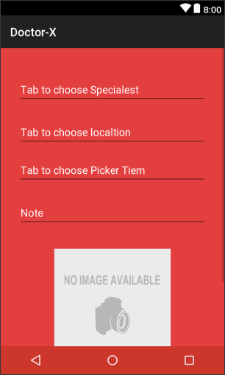
1 |  | BA-2 |  | Check spelling and grammar | Feature Testing | User have an account | Check spelling and grammar | All text are correct spelling and grammar | LOW
1 |  | BA-3 |  | Validate | Feature Testing | User have an account | Check validate | All fields must be validate must be indicated by an asterisk | HIGH
1 |  | BA-4 |  | First, patient will choose specialty | Feature Testing | User have an account | User press on field "Tab to choose Speacialty" | Display field will be formatted dropdown and patient can choose the specialty they want | NORMAL
1 |  | BA-5 |  | Next, patient will choose location | Feature Testing | User have an account | User press on field "Tab to choose Location" | There are two types of placements, one is the default position at home or one fixed position, two is the current position of the patient | NORMAL
1 |  | BA-6 |  | Next, patient will choose time for appointment | Feature Testing | User have an account | User press on field "Tab to choose PickerTime" | Choose time will follow format DatetimePicker and patient will choose time through it | NORMAL
1 |  | BA-7 |  | Next, patient will input note if there is a problem to describe | Feature Testing | User have an account | User press on field "Note" | Patient can annotate which they want to describe more | NORMAL
1 |  | BA-8 |  | Final, patient will select images describing their condition | Feature Testing | User have an account | User press on field "Images" | Patient can choose what images they want | NORMAL
1 |  | BA-9 |  | After completing the selection above, patient will proceed book appointment with doctors | Feature Testing | User have an account | User press on button "Book" | Users will see the list and location of doctors who match the requirements they search on result find doctors screen | NORMAL
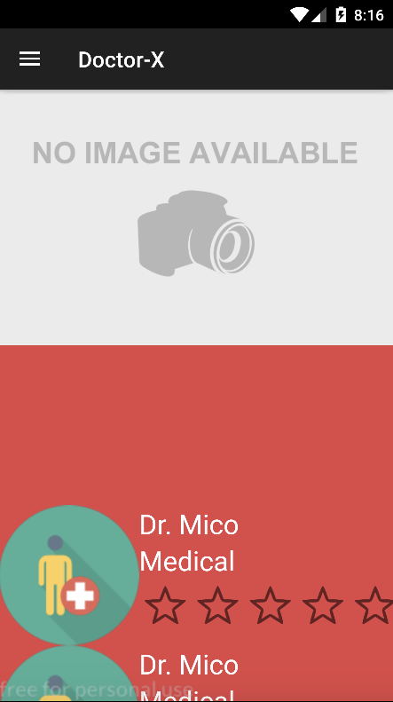
Result find doctors
0 |  | RF-1 |  | Check UI | Feature Testing | User have an account | Check UI | All items are designed like with latest design | HIGH
1 |  | RF-2 |  | Check spelling and grammar | Feature Testing | User have an account | Check spelling and grammar | All text are correct spelling and grammar | LOW
1 |  | RF-3 |  | Validate | Feature Testing | User have an account | Check validate | All fields must be validate must be indicated by an asterisk | HIGH
1 |  | RF-4 |  | Map | Feature Testing | User have an account | Check display | The location of the search doctors will be displayed on map | NORMAL
1 |  | RF-5 |  | Servires in map | Feature Testing | User have an account | Press and move on map | When patient click on the doctor's location on the map, they will display the doctor's location details, zoom in or zoom out the map to see the details. | NORMAL
1 |  | RF-6 |  | List of doctors | Feature Testing | User have an account | Check display | Patients will see a list of doctors displaying the form listview | NORMAL
1 |  | RF-7 |  | When patient choose a doctor on the list of doctors | Feature Testing | User have an account | Press on element in list | Patient will see detail information of doctor selected in service of doctors screen | NORMAL
Service of doctors
0 |  | SD-1 |  | Check UI | Feature Testing | User have an account | Check UI | All items are designed like with latest design | HIGH
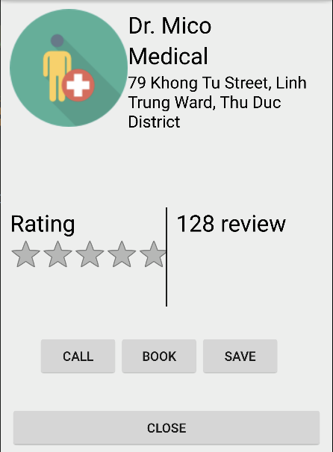
1 |  | SD-2 |  | Check spelling and grammar | Feature Testing | User have an account | Check spelling and grammar | All text are correct spelling and grammar | LOW
1 |  | SD-3 |  | Validate | Feature Testing | User have an account | Check validate | All fields must be validate must be indicated by an asterisk | HIGH
1 |  | SD-4 |  | When patient want to call doctor | Feature Testing | User have an account | Press on button "Call" | Patient can call doctor through their call screen | NORMAL
1 |  | SD-5 |  | When patient want to book an appointment with doctor | Feature Testing | User have an account | Press on button "Book" | Now, patient's screen move to "Book appointment" screen | NORMAL
1 |  | SD-6 |  | When patient want to save doctor's information | Feature Testing | User have an account | Press on button "Save" | Now, patient's screen move to "Book appointment" screen | NORMAL
1 |  | SD-7 |  | When patient want to cancel | Feature Testing | User have an account | Press on button "Close" | Now, patient's screen back to step above | NORMAL
1 |  | SD-8 |  | If user want to see detail information of doctor | Feature Testing | User have an account | Press on icon represent | Now, patient's screen movt to "Detail information of doctor" screen | NORMAL
Detail information of doctor
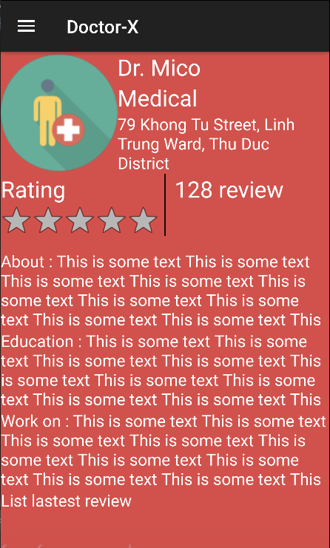
0 |  | DD-1 |  | Check UI | Feature Testing | User have an account | Check UI | All items are designed like with latest design | HIGH
1 |  | DD-2 |  | Check spelling and grammar | Feature Testing | User have an account | Check spelling and grammar | All text are correct spelling and grammar | LOW
1 |  | DD-3 |  | Validate | Feature Testing | User have an account | Check validate | All fields must be validate must be indicated by an asterisk | HIGH
1 |  | DD-4 |  |  | Feature Testing | User have an account | Check validate | All fields must be validate must be indicated by an asterisk | HIGH

Sheet3
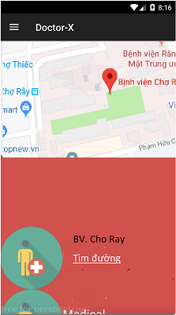
Sprint | User story ID | TC ID | Complexity | Title | Area | Preconditions | Steps | Expected Results | Priority
Find hospitals
0 |  | FH-1 |  | Check UI | Feature Testing | User have an account | Check UI | All items are designed like with latest design | HIGH
1 |  | FH-2 |  | Check spelling and grammar | Feature Testing | User have an account | Check spelling and grammar | All text are correct spelling and grammar | LOW
1 |  | FH-3 |  | Validate | Feature Testing | User have an account | Check validate | All fields must be validate must be indicated by an asterisk | HIGH
1 |  | FH-4 |  | Map | Feature Testing | User have an account | Check display | The location of the search hospitals will be displayed on map | NORMAL
1 |  | FH-5 |  | Servires in map | Feature Testing | User have an account | Press and move on map | When patient click on the location of hospital on the map, they will display the location of hospital details, zoom in or zoom out the map to see the details. | NORMAL
1 |  | FH-6 |  | List of hospitals | Feature Testing | User have an account | Check display | Patients will see a list of hospitals displaying the form listview | NORMAL
1 |  | FH-7 |  | When patient choose a hospital on the list of hospitals | Feature Testing | User have an account | Press on element in list | Patient will see detail information of hospital selected | NORMAL
Setting profile of doctor
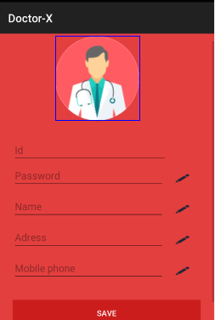
0 |  | SD-1 |  | Check UI | Feature Testing | User have an account | Check UI | All items are designed like with latest design | HIGH
1 |  | SD-2 |  | Check spelling and grammar | Feature Testing | User have an account | Check spelling and grammar | All text are correct spelling and grammar | LOW
1 |  | SD-3 |  | Validate | Feature Testing | User have an account | Check validate | All fields must be validate must be indicated by an asterisk | HIGH
1 |  | SD-4 |  | When doctor press on field ID | Feature Testing | User have an account | Press on field | Do not allow modification code of doctor | HIGH
1 |  | SD-5 |  | When doctor press on field Password | Feature Testing | User have an account | Press on field | Doctor input new password and does not coincide with the old password | NORMAL
1 |  | SD-6 |  | When doctor press on field Name | Feature Testing | User have an account | Press on field | Doctor input new name | NORMAL
1 |  | SD-7 |  | When doctor press on field Address | Feature Testing | User have an account | Press on field | Doctor input new address | NORMAL
1 |  | SD-8 |  | When doctor press on field mobile phone | Feature Testing | User have an account | Press on field | Doctor input new address | NORMAL
1 |  | SD-9 |  | When doctor press on button Save | Feature Testing | User have an account | Press on button | Update doctor's information | NORMAL
Emergency call
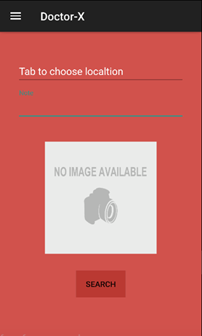
0 |  | EC-1 |  | Check UI | Feature Testing | User have an account | Check UI | All items are designed like with latest design | HIGH
1 |  | EC-2 |  | Check spelling and grammar | Feature Testing | User have an account | Check spelling and grammar | All text are correct spelling and grammar | LOW
1 |  | EC-3 |  | Validate | Feature Testing | User have an account | Check validate | All fields must be validate must be indicated by an asterisk | HIGH
1 |  | EC-4 |  | First, patient will choose location | Feature Testing | User have an account | User press on field "Tab to choose Location" | The current position of the patient will be displayed | NORMAL
1 |  | EC-5 |  | Next, patient will input note if there is a problem to describe | Feature Testing | User have an account | User press on field "Note" | Patient can annotate which they want to describe more | NORMAL
1 |  | EC-6 |  | Final, patient will select images describing their condition | Feature Testing | User have an account | User press on field "Images" | Patient can choose what images they want for describe current status | NORMAL
1 |  | EC-7 |  | After completing the selection above, patient will proceed search with doctors | Feature Testing | User have an account | User press on button "Search" | Users will see the list and location of doctors | NORMAL

Sheet4
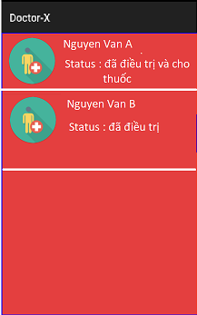
Sprint | User story ID | TC ID | Complexity | Title | Area | Preconditions | Steps | Expected Results | Priority
Medical history
0 |  | MH-1 |  | Check UI | Feature Testing | User have an account | Check UI | All items are designed like with latest design | HIGH
1 |  | MH-2 |  | Check spelling and grammar | Feature Testing | User have an account | Check spelling and grammar | All text are correct spelling and grammar | LOW
1 |  | MH-3 |  | Validate | Feature Testing | User have an account | Check validate | All fields must be validate must be indicated by an asterisk | HIGH
My appointment
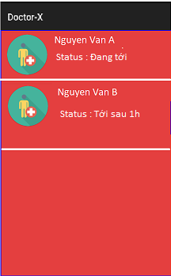
0 |  | MA-1 |  | Check UI | Feature Testing | User have an account | Check UI | All items are designed like with latest design | HIGH
1 |  | MA-2 |  | Check spelling and grammar | Feature Testing | User have an account | Check spelling and grammar | All text are correct spelling and grammar | LOW
1 |  | MA-3 |  | Validate | Feature Testing | User have an account | Check validate | All fields must be validate must be indicated by an asterisk | HIGH
1 |  | MA-4 |  | When doctor press on an appointment | Feature Testing | User have an account | Press on an appointment | Show appointment details | HIGH
My patient
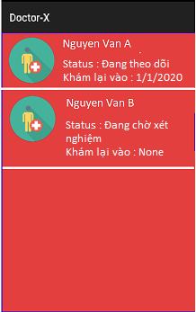
0 |  | MP-1 |  | Check UI | Feature Testing | User have an account | Check UI | All items are designed like with latest design | HIGH
1 |  | MP-2 |  | Check spelling and grammar | Feature Testing | User have an account | Check spelling and grammar | All text are correct spelling and grammar | LOW
1 |  | MP-3 |  | Validate | Feature Testing | User have an account | Check validate | All fields must be validate must be indicated by an asterisk | HIGH
1 |  | MP-4 |  | When doctor press on a patient | Feature Testing | User have an account | Press on a patient | Show details of the patient's condition | NORMAL
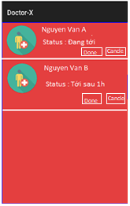
My patient
0 |  | MP-1 |  | Check UI | Feature Testing | User have an account | Check UI | All items are designed like with latest design | HIGH
1 |  | MP-2 |  | Check spelling and grammar | Feature Testing | User have an account | Check spelling and grammar | All text are correct spelling and grammar | LOW
1 |  | MP-3 |  | Validate | Feature Testing | User have an account | Check validate | All fields must be validate must be indicated by an asterisk | HIGH
1 |  | MP-4 |  | When doctor press on button Done | Feature Testing | User have an account | Press on button "Done" | Complete medical examination for patients | NORMAL
1 |  | MP-5 |  | When doctor press on button Cancel | Feature Testing | User have an account | Press on button "Cancel" | Cancel appointment | NORMAL
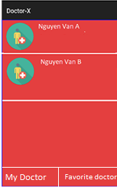
My doctor
0 |  | MD-1 |  | Check UI | Feature Testing | User have an account | Check UI | All items are designed like with latest design | HIGH
1 |  | MD-2 |  | Check spelling and grammar | Feature Testing | User have an account | Check spelling and grammar | All text are correct spelling and grammar | LOW
1 |  | MD-3 |  | Validate | Feature Testing | User have an account | Check validate | All fields must be validate must be indicated by an asterisk | HIGH
1 |  | MD-4 |  | When doctor press on button Done | Feature Testing | User have an account | Press on button "Done" | Complete medical examination for patients | NORMAL
1 |  | MD-5 |  | When doctor press on button Cancel | Feature Testing | User have an account | Press on button "Cancel" | Cancel appointment | NORMAL
Notice of appointment
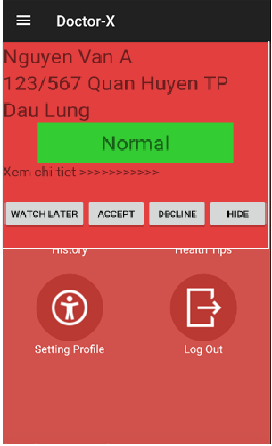
0 |  | NA-1 |  | Check UI | Feature Testing | User have an account | Check UI | All items are designed like with latest design | HIGH
1 |  | NA-2 |  | Check spelling and grammar | Feature Testing | User have an account | Check spelling and grammar | All text are correct spelling and grammar | LOW
1 |  | NA-3 |  | Validate | Feature Testing | User have an account | Check validate | All fields must be validate must be indicated by an asterisk | HIGH
1 |  | NA-4 |  | When doctor press on button Watch later | Feature Testing | User have an account | Press on button "Watch later" | The appointment will be put into standby mode | NORMAL
1 |  | NA-5 |  | When doctor press on button Accept | Feature Testing | User have an account | Press on button "Accept" | Accept appointments and prepare for medical examinations | NORMAL
1 |  | NA-6 |  | When doctor press on button Delice | Feature Testing | User have an account | Press on button "Delice" | Refused medical examination | NORMAL
1 |  | NA-7 |  | When doctor press on button Hide | Feature Testing | User have an account | Press on button "Hide" | Hide notifications from screen | NORMAL
1 |  | NA-8 |  | When doctor press on field "Detial" | Feature Testing | User have an account | Press on button "Detail" | See how the patient details | NORMAL

