A - Skirt Back
A - Skirt Back
Numbered circles on the picture match the 'No.' column. Fill the yellow columns (Verdict, Correct name, Comment).

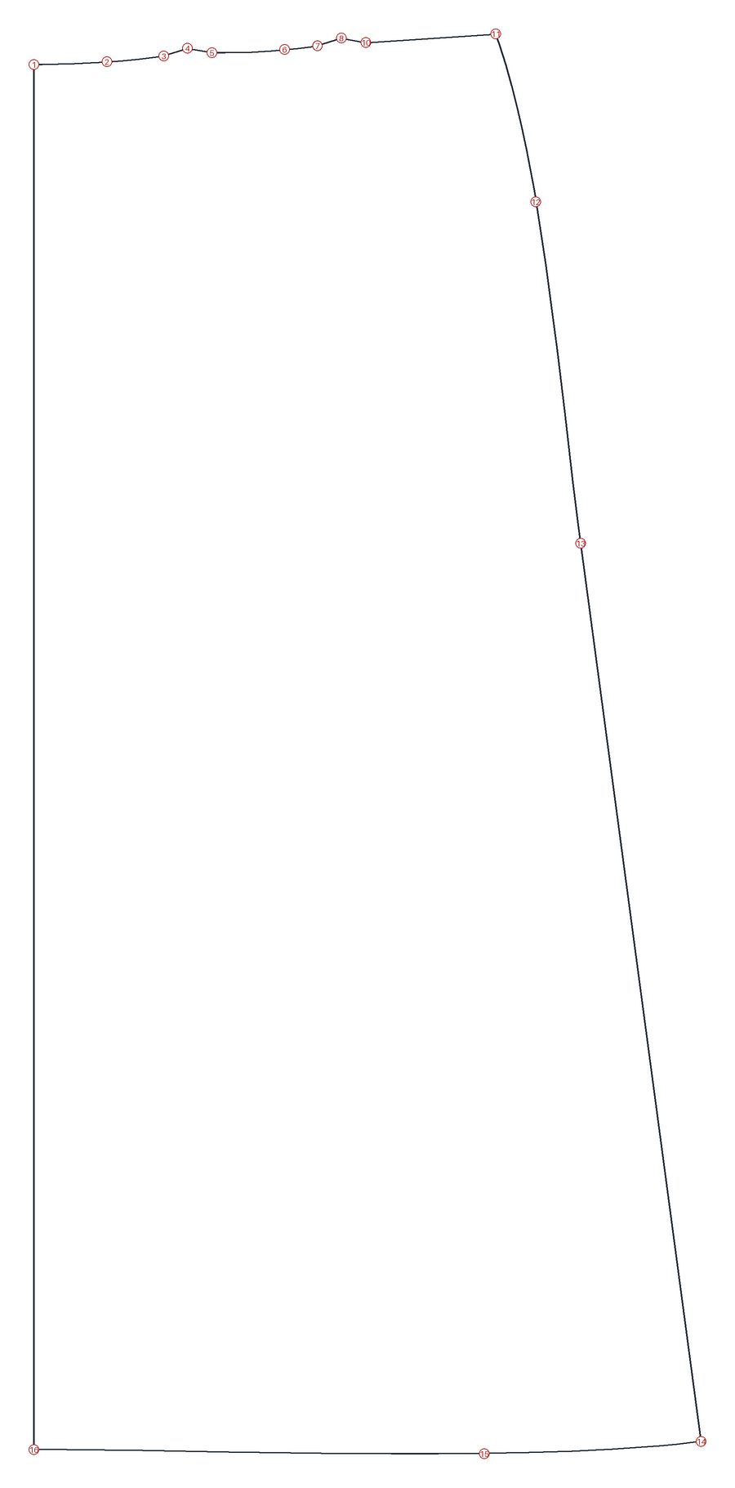

No. | Kind | Seamly2D label | How it was drawn | Uses measurements | x (mm) | y (mm) | Proposed name | Confidence | Why we think so | Verdict | Correct name (if Correct) | Comment
1 | point | A1 | endLine; angle=270; length=5*#CM |  | 7.9 | 60.6 | skirt_back.CB_waist | medium | left edge, top: where the centre-back line meets the waist
2 | curve | Spl_A1_A13a | cubicBezier |  | 38 | 59.5 | skirt_back.waist_curve | low | curve along the waist between centre back and the first dart
3 | point | A13a | alongLine; length=1*#CM |  | 61.3 | 57.1 | skirt_back.dart1_leg_a | low | first of three points that form a bump in the waist line, which looks like a dart
4 | point | A11b | endLine; angle=AngleLine_A11_A13-180; length=0.25*#CM |  | 71.1 | 53.9 | skirt_back.dart1_fold | low | middle of the bump, 0.25 cm above the waist line
5 | point | A13b | alongLine; length=Line_A11_A13a |  | 81.2 | 55.8 | skirt_back.dart1_leg_b | low | third point of the bump
6 | curve | Spl_A13b_A14a | cubicBezier |  | 111.1 | 54.5 |  |  | no proposal: please name it if it matters
7 | point | A14a | alongLine; length=Line_A11_A13a |  | 124.6 | 52.9 | skirt_back.dart2_leg_a | low | same shape as the first dart, nearer the side
8 | point | A12a | alongLine; length=CurrentLength+0.25*#CM |  | 134.4 | 49.8 | skirt_back.dart2_fold | low | middle of the second bump
9 | point | A14b | alongLine; length=Line_A11_A13a |  | 144.6 | 51.6 | skirt_back.dart2_leg_b | low | third point of the second bump
10 | curve | Spl_A14b_A10 | cubicBezier |  | 144.6 | 51.6 | skirt_back.waist_curve_side | low | curve between the second dart and the side
11 | point | A10 | endLine; angle=90; length=1.25*#CM |  | 197.9 | 48.1 | skirt_back.side_waist | medium | highest point on the right, where the side seam begins
12 | curve | SplPath_A10_A7 | cubicBezierPath |  | 214.5 | 117.1 | skirt_back.side_seam_upper | medium | hip curve from the waist to the hip point
13 | point | A7 | alongLine; length=(hip_circ/4)+1.5*#CM | hip_circ | 232.9 | 257.6 | skirt_back.side_hip | high | length is hip_circ/4 plus ease, drawn at the hip line
14 | point | A8a | alongLine; length=Line_A5_A3 |  | 282.5 | 627.3 | skirt_back.side_hem | medium | bottom right corner of the side seam
15 | curve | Spl_A3_A8a | cubicBezier |  | 193.2 | 632.2 | skirt_back.hem_curve | medium | curved bottom edge
16 | point | A3 | endLine; angle=270; length=height_waist_side_to_knee | height_waist_side_to_knee | 7.9 | 630.6 | skirt_back.CB_hem | medium | bottom left, on the centre-back line; its length is height_waist_side_to_knee

A - Skirt Front
A - Skirt Front
Numbered circles on the picture match the 'No.' column. Fill the yellow columns (Verdict, Correct name, Comment).

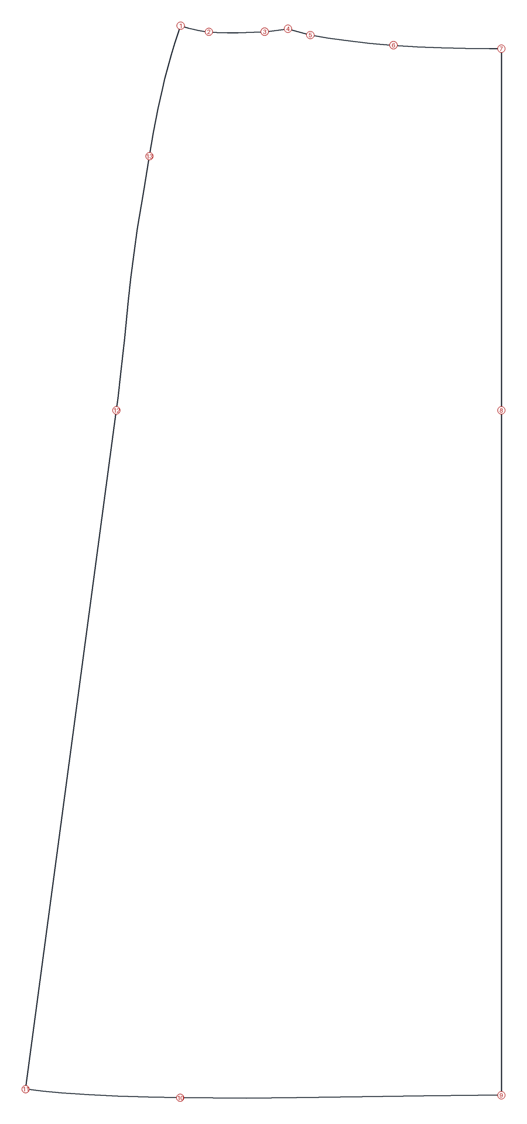

No. | Kind | Seamly2D label | How it was drawn | Uses measurements | x (mm) | y (mm) | Proposed name | Confidence | Why we think so | Verdict | Correct name (if Correct) | Comment
1 | point | A16 | endLine; angle=90; length=1.25*#CM |  | 267.9 | 48.1 | skirt_front.side_waist | medium | highest point on the left, mirror of the back's side waist
2 | curve | Spl_A16_A17a | cubicBezier |  | 283.3 | 51.4 | skirt_front.waist_curve_side | low | curve between the side and the dart
3 | point | A17a | alongLine; length=1.25 |  | 313.8 | 51.4 | skirt_front.dart_leg_a | low | first point of the bump in the waist line
4 | point | A17e | alongLine; length=CurrentLength+0.25 |  | 326.4 | 49.8 | skirt_front.dart_fold | low | middle of the bump
5 | point | A17b | alongLine; length=Line_A17_A17a |  | 338.7 | 53.1 | skirt_front.dart_leg_b | low | third point of the bump
6 | curve | Spl_A17b_A2 | cubicBezier |  | 384.1 | 58.7 | skirt_front.waist_curve_cf | low | curve between the dart and the centre front
7 | point | A2 | endLine; angle=0; length=(hip_circ/2)+1.5*#CM | hip_circ | 442.9 | 60.6 | skirt_front.CF_waist | medium | right edge, top; length is hip_circ/2 plus ease
8 | point | A6 | intersectXY |  | 442.9 | 257.6 | skirt_front.CF_hip | medium | right edge at the same height as the hip point
9 | point | A4 | intersectXY |  | 442.9 | 630.6 | skirt_front.CF_hem | medium | bottom right, on the centre-front line
10 | curve | Spl_A4_A8c | cubicBezier |  | 267.8 | 632 | skirt_front.hem_curve | medium | curved bottom edge
11 | point | A8c | alongLine; length=Line_A5_A3 |  | 183.4 | 627.3 | skirt_front.side_hem | medium | bottom left corner of the side seam
12 | point | A7 | alongLine; length=(hip_circ/4)+1.5*#CM | hip_circ | 232.9 | 257.6 | skirt_front.side_hip | high | length is hip_circ/4 plus ease, drawn at the hip line
13 | curve | SplPath_A16_A7 | cubicBezierPath |  | 250.9 | 119.2 | skirt_front.side_seam_upper | medium | hip curve from the waist to the hip point

B - Trousers Back
B - Trousers Back
Numbered circles on the picture match the 'No.' column. Fill the yellow columns (Verdict, Correct name, Comment).

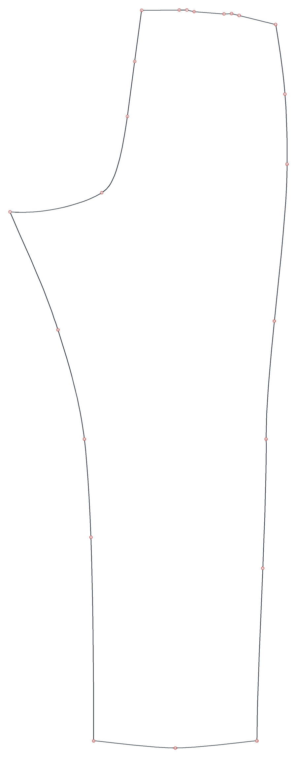

No. | Kind | Seamly2D label | How it was drawn | Uses measurements | x (mm) | y (mm) | Proposed name | Confidence | Why we think so | Verdict | Correct name (if Correct) | Comment
1 | point | B24 | endLine; angle=270; length=0.5*#CM |  | -425.1 | 274.6 | trouser_back.crotch_point | medium | leftmost point, at the crotch level
2 | curve | SplPath_B24_B21 | cubicBezierPath |  | -295.7 | 247.6 | trouser_back.crotch_curve | medium | curve from the crotch point up to the centre back
3 | point | B19 | alongLine; length=CurrentLength/2 |  | -259.6 | 140.1 | trouser_back.CB_seam_mid | low | halfway along the curve (length CurrentLength/2)
4 | curve | SplPath_B24_B21 | cubicBezierPath |  | -249.2 | 62.6 |  |  | no proposal: please name it if it matters
5 | point | B21 | endLine; angle=90; length=2*#CM |  | -239.6 | -9.4 | trouser_back.CB_waist | medium | top left, 2 cm above the waist line
6 | point | B30d | trueDarts |  | -186.4 | -9.9 | trouser_back.waist_dart1_leg_a | low | first point of the first dart at the waist
7 | point | B30f | lineIntersectAxis; angle=AngleLine_B30_B30a-180 |  | -175.8 | -10 | trouser_back.waist_dart1_tip | low | middle point of the first dart
8 | point | B30e | trueDarts |  | -165.5 | -7.7 | trouser_back.waist_dart1_leg_b | low | third point of the first dart
9 | point | B31d | trueDarts |  | -123.5 | -4.4 | trouser_back.waist_dart2_leg_a | low | first point of the second dart
10 | point | B31f | lineIntersectAxis; angle=AngleLine_B31_B31a-180 |  | -112.7 | -4.8 | trouser_back.waist_dart2_tip | low | middle point of the second dart
11 | point | B31e | trueDarts |  | -102.2 | -2.2 | trouser_back.waist_dart2_leg_b | low | third point of the second dart
12 | point | B22 | pointOfContact; radius=(waist_circ/4)+4*#CM | waist_circ | -50.6 | 10.6 | trouser_back.side_waist | medium | top right; length is waist_circ/4 plus ease
13 | curve | SplPath_B22_B26 | cubicBezierPath |  | -37.6 | 108.7 |  |  | no proposal: please name it if it matters
14 | point | B25 | endLine; angle=0; length=(hip_circ/4)+1.5*#CM | hip_circ | -34.6 | 207.6 | trouser_back.side_hip | high | length is hip_circ/4 plus ease, drawn at the hip line
15 | curve | SplPath_B22_B26 | cubicBezierPath |  | -52.5 | 428.6 |  |  | no proposal: please name it if it matters
16 | point | B27 | endLine; angle=0; length=1*#CM |  | -64.1 | 595.1 | trouser_back.side_knee | medium | on the knee line, right side
17 | curve | SplPath_B22_B26 | cubicBezierPath |  | -68.9 | 777 |  |  | no proposal: please name it if it matters
18 | point | B26 | endLine; angle=0; length=1*#CM |  | -77.1 | 1020.6 | trouser_back.side_hem | medium | bottom right corner
19 | curve | SplPath_B28_B26 | cubicBezierPath |  | -192.1 | 1030.6 |  |  | no proposal: please name it if it matters
20 | point | B28 | endLine; angle=180; length=1*#CM |  | -307.1 | 1020.6 | trouser_back.inseam_hem | medium | bottom left corner
21 | curve | SplPath_B28_B24 | cubicBezierPath |  | -310.9 | 733.5 |  |  | no proposal: please name it if it matters
22 | point | B29 | endLine; angle=180; length=1*#CM |  | -320.1 | 595.1 | trouser_back.inseam_knee | medium | on the knee line, inside leg
23 | curve | SplPath_B28_B24 | cubicBezierPath |  | -357.4 | 441 |  |  | no proposal: please name it if it matters

C - Bodice Back
C - Bodice Back
Numbered circles on the picture match the 'No.' column. Fill the yellow columns (Verdict, Correct name, Comment).

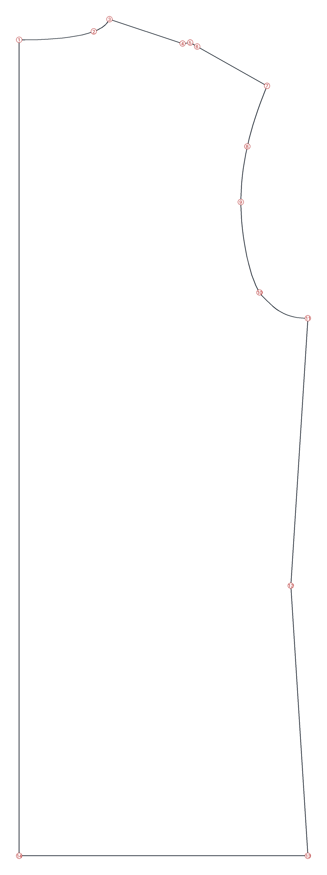

No. | Kind | Seamly2D label | How it was drawn | Uses measurements | x (mm) | y (mm) | Proposed name | Confidence | Why we think so | Verdict | Correct name (if Correct) | Comment
1 | point | C1 | endLine; angle=270; length=1.5*#CM |  | 107.9 | 25.6 | bodice_back.CB_neck | medium | left edge, 1.5 cm below the top: where the centre-back line meets the neckline
2 | curve | Spl_C1_C9 | cubicBezier |  | 162.4 | 19.5 | bodice_back.neckline | high | curve between the centre back and the neck-shoulder point
3 | point | C9 | alongLine; length=(neck_circ/5)-0.2*#CM | neck_circ | 173.9 | 10.6 | bodice_back.SNP | medium | top, length neck_circ/5: the side neck point
4 | point | C12e | trueDarts |  | 227.4 | 28.3 | bodice_back.shoulder_dart_leg_a | low | first of three points that form a small dart on the shoulder
5 | point | C12g | lineIntersectAxis; angle=AngleLine_C13_C12 |  | 233 | 27.6 | bodice_back.shoulder_dart_tip | low | middle point of the three
6 | point | C12f | trueDarts |  | 238.1 | 30.5 | bodice_back.shoulder_dart_leg_b | low | third point of the dart
7 | point | C11 | pointOfContact; radius=shoulder_length+1*#CM | shoulder_length | 289.1 | 59.2 | bodice_back.shoulder_tip | medium | end of the shoulder; radius is shoulder_length plus 1 cm
8 | curve | SplPath_C11_C32 | cubicBezierPath |  | 274.7 | 103.3 | bodice_back.armhole_upper | medium | armhole curve below the shoulder tip
9 | point | C16 | alongLine; length=CurrentLength/2 |  | 269.9 | 143.9 | bodice_back.armhole_mid | low | halfway along the armhole
10 | curve | SplPath_C11_C32 | cubicBezierPath |  | 283.6 | 209.8 | bodice_back.armhole_lower | medium | armhole curve above the underarm
11 | point | C32 | alongLine; length=CurrentLength/2 |  | 318.9 | 228.6 | bodice_back.underarm | medium | where the armhole meets the side seam
12 | point | C33a | alongLine; length=(((Line_C5_C6-((waist_circ/2)+3*#CM))/12)*1.5) | waist_circ | 306.4 | 423.6 | bodice_back.side_waist | medium | on the side seam; its length uses waist_circ
13 | point | C34 | intersectXY |  | 318.9 | 620.6 | bodice_back.side_bottom | medium | bottom right corner
14 | point | C7 | endLine; angle=270; length=height_waist_side_to_hip | height_waist_side_to_hip | 107.9 | 620.6 | bodice_back.CB_bottom | medium | bottom left corner; the centre back is height_waist_side_to_hip long

C - Bodice Front
C - Bodice Front
Numbered circles on the picture match the 'No.' column. Fill the yellow columns (Verdict, Correct name, Comment).

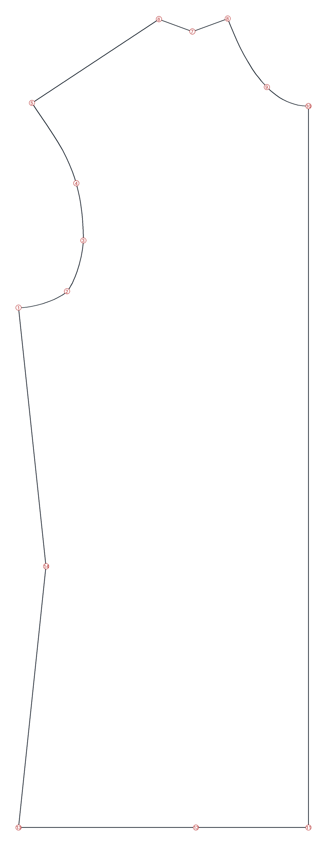

No. | Kind | Seamly2D label | How it was drawn | Uses measurements | x (mm) | y (mm) | Proposed name | Confidence | Why we think so | Verdict | Correct name (if Correct) | Comment
1 | point | C32 | alongLine; length=CurrentLength/2 |  | 318.9 | 228.6 | bodice_front.underarm | medium | where the armhole meets the side seam (same point as on the back)
2 | curve | SplPath_C32_C30 | cubicBezierPath |  | 355.6 | 216.2 | bodice_front.armhole_lower | medium | armhole curve above the underarm
3 | point | C31 | alongLine; length=Line_C21_C3/3 |  | 367.9 | 177.9 | bodice_front.armhole_mid | low | a third of the way along a guide line to the neck
4 | curve | SplPath_C32_C30 | cubicBezierPath |  | 362.6 | 134.8 | bodice_front.armhole_upper | medium | armhole curve below the shoulder tip
5 | point | C30 | pointOfContact; radius=shoulder_length | shoulder_length | 329.1 | 74.2 | bodice_front.shoulder_tip | medium | end of the shoulder; radius is shoulder_length
6 | point | C27a | alongLine; length=Line_C26_C20 |  | 425 | 11 | bodice_front.shoulder_dart_leg_a | low | first of three points that form a small dart on the shoulder
7 | point | C20c_a1 | flippingByLine |  | 450.3 | 20.3 | bodice_front.shoulder_dart_tip | low | middle point of the three (a mirrored copy)
8 | point | C20 | endLine; angle=180; length=(neck_circ/5)-0.7 | neck_circ | 476.9 | 10.6 | bodice_front.SNP | medium | top right, length neck_circ/5: the side neck point
9 | curve | Spl_C20_C21 | cubicBezier |  | 506.5 | 62.2 | bodice_front.neckline | high | curve between the side neck point and the centre front
10 | point | C21 | alongLine; length=(neck_circ/5)-0.2 | neck_circ | 537.9 | 76.6 | bodice_front.CF_neck | medium | right edge, where the centre-front line meets the neckline
11 | point | C8 | intersectXY |  | 537.9 | 620.6 | bodice_front.CF_bottom | medium | bottom right corner on the centre-front line
12 | point | C25 | intersectXY |  | 452.9 | 620.6 | bodice_front.bottom_mid | low | on the bottom edge between the centre front and the side
13 | point | C34 | intersectXY |  | 318.9 | 620.6 | bodice_front.side_bottom | medium | bottom left corner
14 | point | C33b | alongLine; length=(((Line_C5_C6-((waist_circ/2)+3))/12)*2.5) | waist_circ | 339.8 | 423.6 | bodice_front.side_waist | medium | on the side seam; its length uses waist_circ

D - 1 Piece Sleeve
D - 1 Piece Sleeve
Numbered circles on the picture match the 'No.' column. Fill the yellow columns (Verdict, Correct name, Comment).

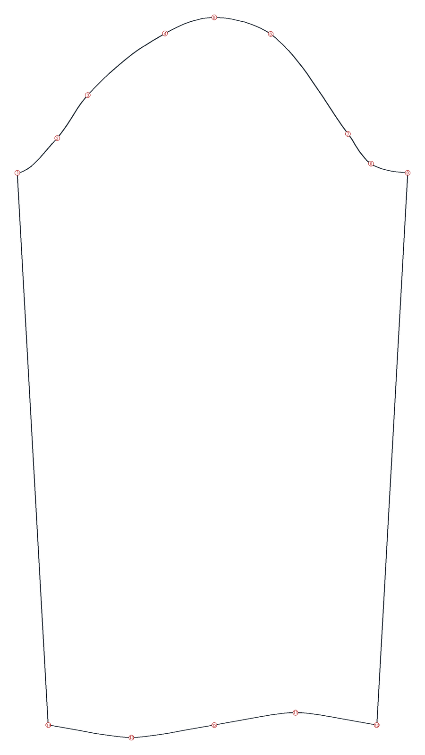

No. | Kind | Seamly2D label | How it was drawn | Uses measurements | x (mm) | y (mm) | Proposed name | Confidence | Why we think so | Verdict | Correct name (if Correct) | Comment
1 | point | D12 | curveIntersectAxis; angle=180 |  | 101.5 | 228.6 | sleeve.biceps_end_a | low | left end of the line across the sleeve cap; which side is front is not clear
2 | curve | SplPath_D12_D11 | cubicBezierPath |  | 133.5 | 200.7 | sleeve.cap_curve_a | low | first part of the sleeve cap curve
3 | point | D9 | curveIntersectAxis; angle=180 |  | 158.2 | 166 | sleeve.cap_notch_a | low | point on the cap curve found by a horizontal line
4 | curve | SplPath_D12_D11 | cubicBezierPath |  | 220.5 | 116.3 |  |  | no proposal: please name it if it matters
5 | point | D7 | pointOfContact; radius=SplPath_D5a_C30+#ShoulderTip |  | 260.1 | 103.4 | sleeve.cap_top | high | highest point, directly above the wrist centre; radius uses the armhole length and #ShoulderTip
6 | curve | SplPath_D12_D11 | cubicBezierPath |  | 305.6 | 116.8 |  |  | no proposal: please name it if it matters
7 | point | D5 | alongLine; length=CurrentLength/2 |  | 367.9 | 197.3 | sleeve.cap_notch_b | low | halfway along the second half of the cap
8 | curve | SplPath_D12_D11 | cubicBezierPath |  | 386.5 | 221.3 |  |  | no proposal: please name it if it matters
9 | point | D11 | curveIntersectAxis; angle=0 |  | 416 | 228.6 | sleeve.biceps_end_b | low | right end of the line across the sleeve cap
10 | point | D15a | alongLine; length=Line_D14_D14a |  | 391 | 673.4 | sleeve.wrist_corner_b | medium | bottom right corner
11 | curve | SplPath_D14a_D15a | cubicBezierPath |  | 325.6 | 663.4 |  |  | no proposal: please name it if it matters
12 | point | D13 | endLine; angle=270; length=arm_shoulder_tip_to_wrist_bent | arm_shoulder_tip_to_wrist_bent | 260.1 | 673.4 | sleeve.wrist_center | medium | bottom centre, arm_shoulder_tip_to_wrist_bent below the cap top
13 | curve | SplPath_D14a_D15a | cubicBezierPath |  | 193.3 | 683.4 |  |  | no proposal: please name it if it matters
14 | point | D14a | alongLine; length=5/2*#CM |  | 126.5 | 673.4 | sleeve.wrist_corner_a | medium | bottom left corner

