Charts
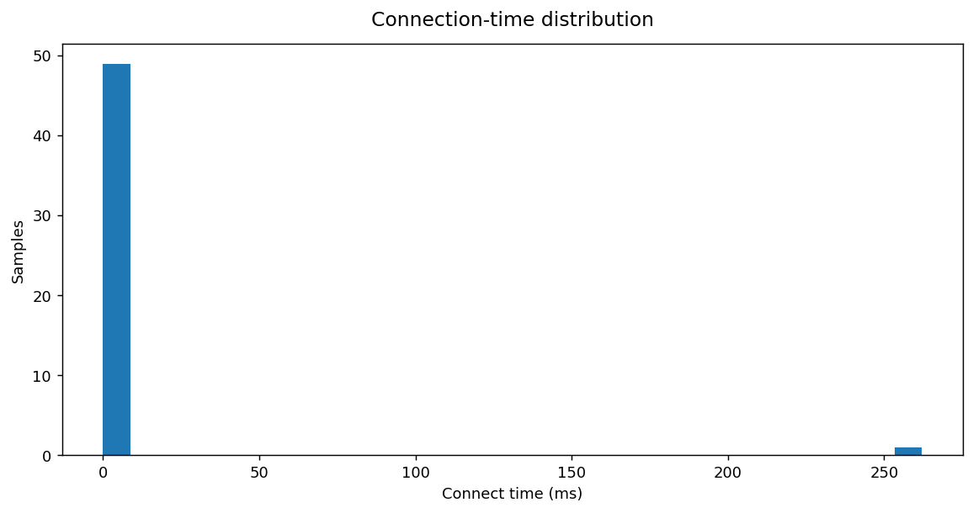
JMeter Single-Run Load Test Charts
Charts reflect this uploaded run. Transaction charts show the top 10 where applicable.

Average vs P95 response time by transaction
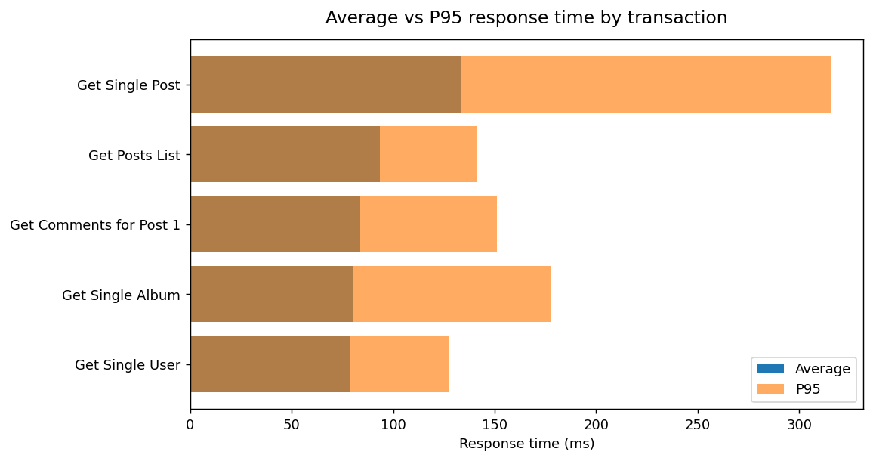

P95 response time by transaction
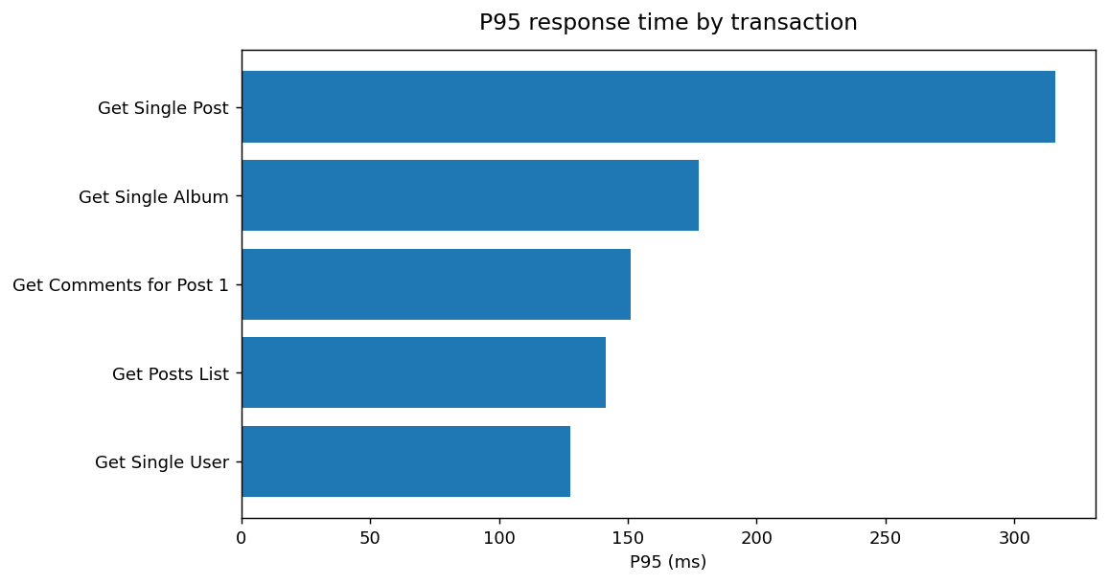

Response-time distribution by transaction (box plot)
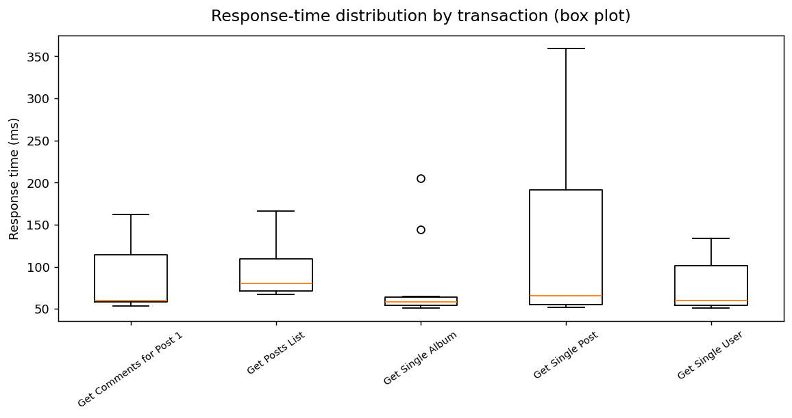

Individual response times over time (scatter)
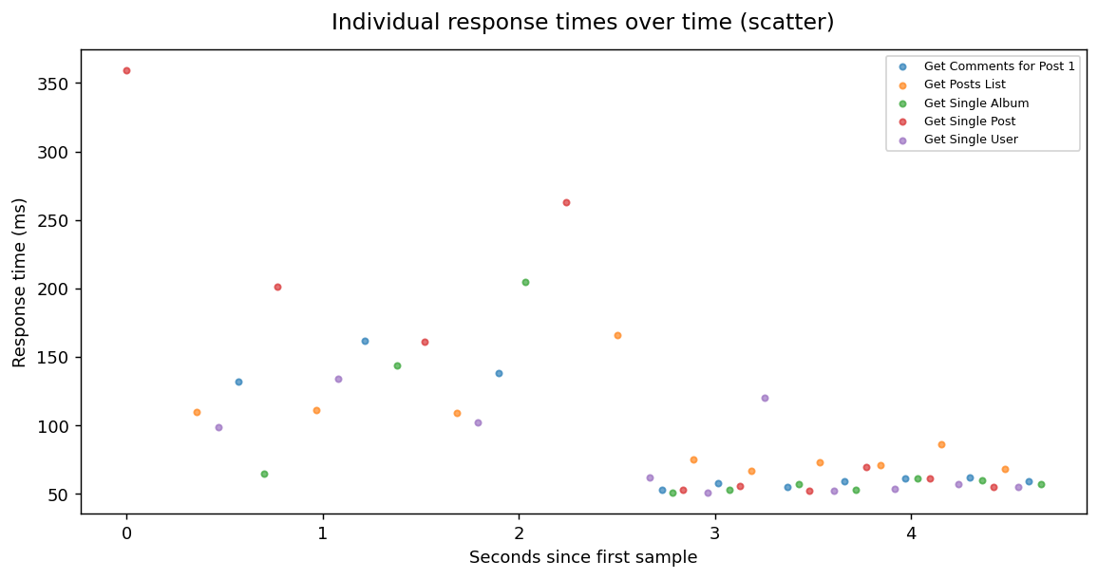

Requests per second over time (1-second buckets)
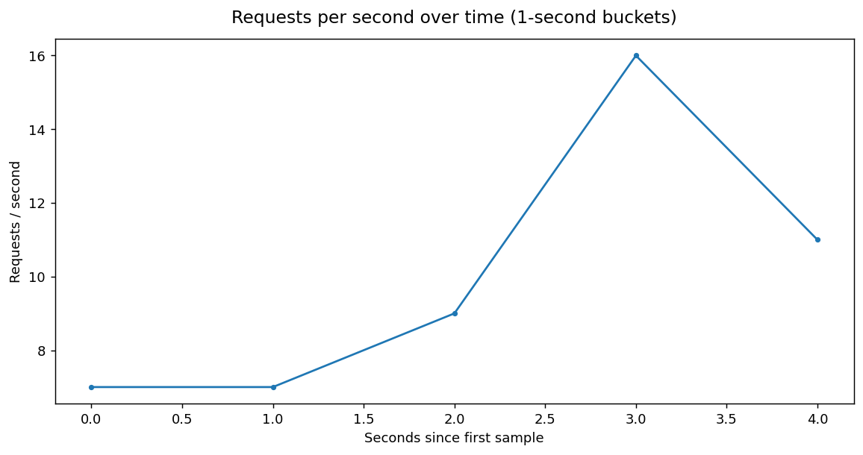

Cumulative completed samples
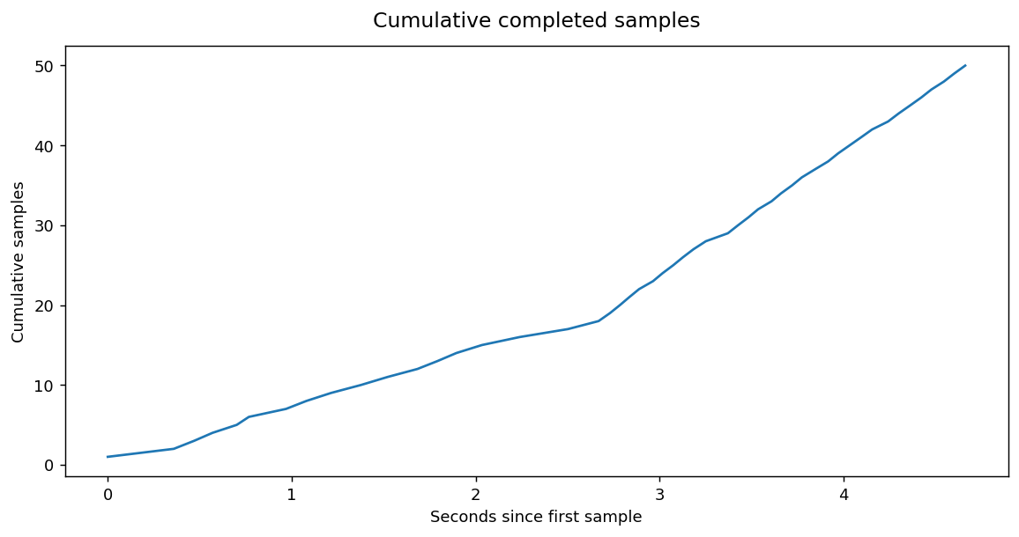

Active threads recorded with samples
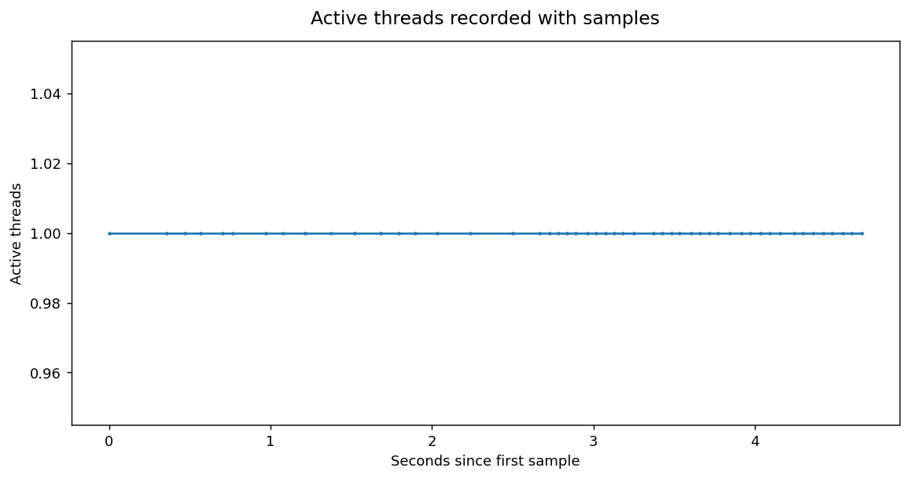

Sample outcome distribution
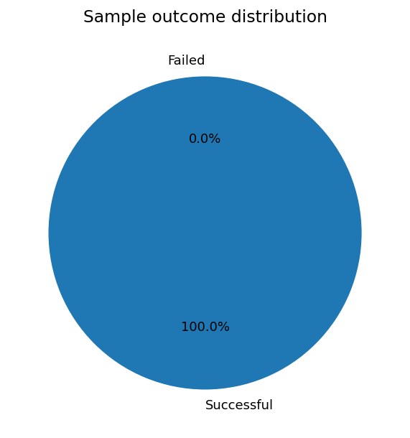

Samples by HTTP response code
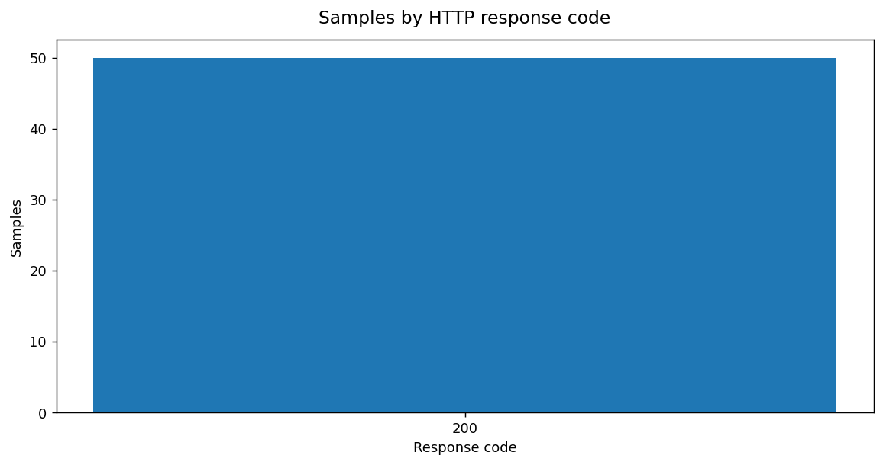

Error rate by transaction
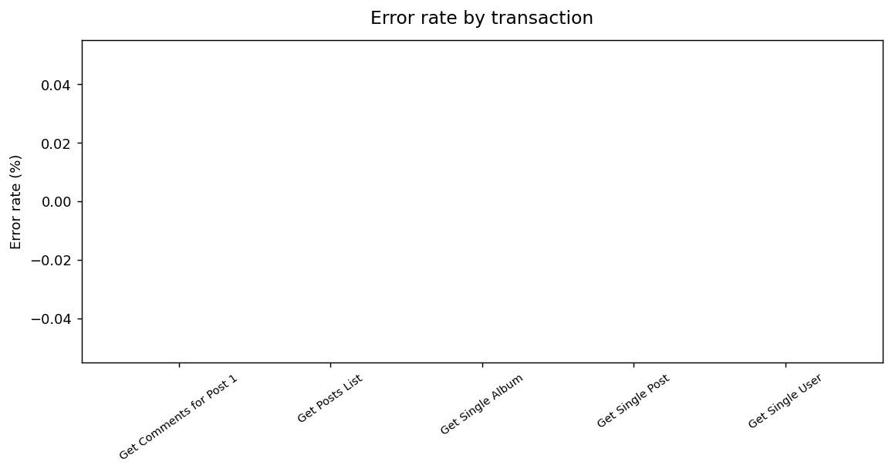

Server latency by transaction
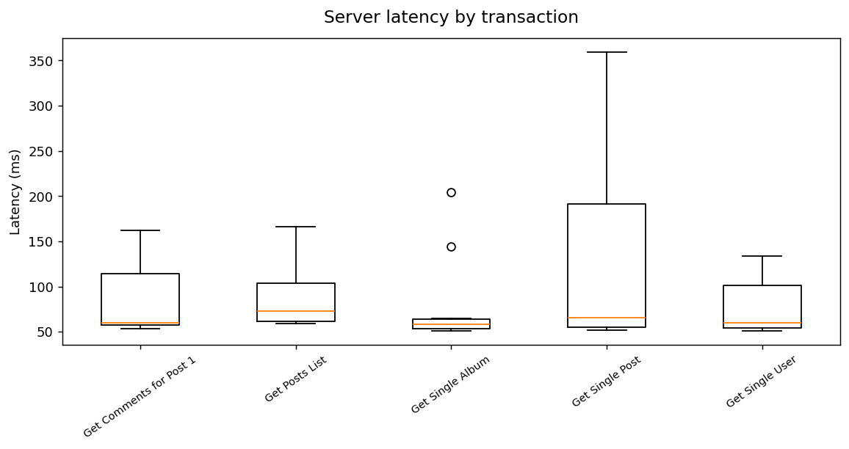

Connection-time distribution

