Cloud cover chart
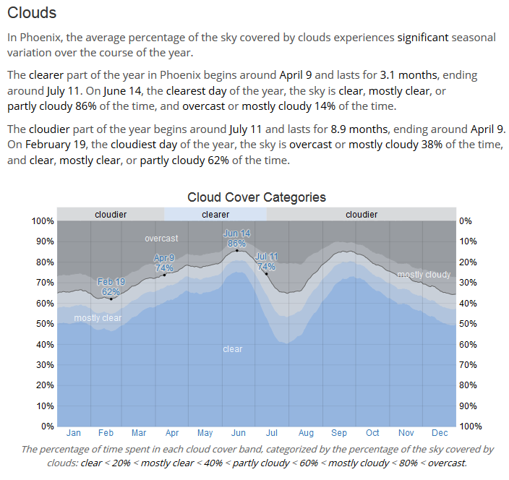
From: https://weatherspark.com/y/2460/Average-Weather-in-Phoenix-Arizona-United-States-Year-Round

