Task
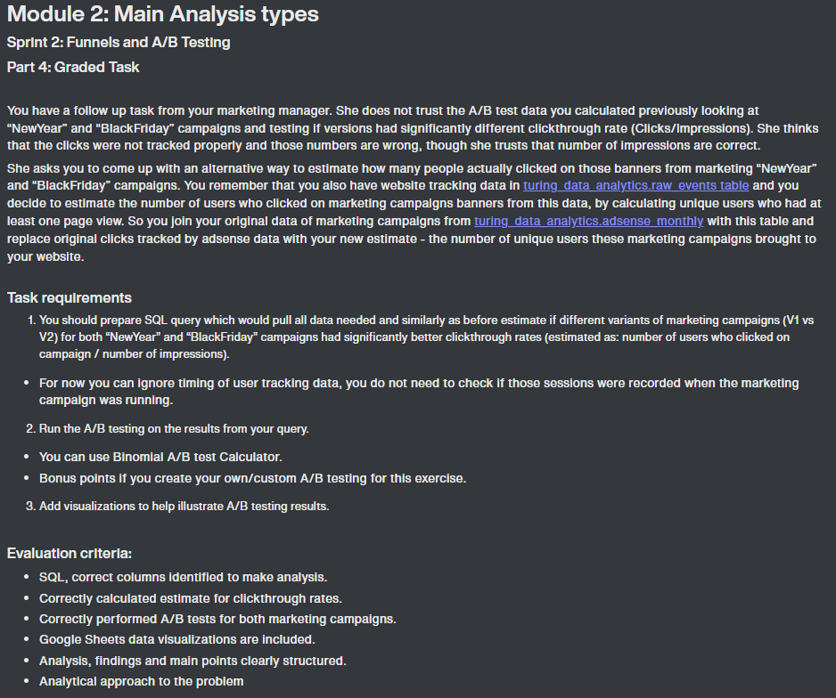

Funnels Analysis
Online Sales Funnel Analysis

event_name | United_States | India | Canada | Total_Count | Total_Drop_Off | Drop_Off_US | Drop_Off_India | Drop_Off_Canada | event_name | United_States | India | Canada | Total_Count | Total_Drop_Off | Drop_Off_US | Drop_Off_India | Drop_Off_Canada
first_visit | 112863 | 24117 | 19296 | 156276 | 100.0% | 100.0% | 100.0% | 100.0% | add_to_cart | 5603 | 1162 | 993 | 7758 | 100.0% | 100.0% | 100.0% | 100.0%
view_promotion | 44912 | 9551 | 7836 | 62299 | 39.9% | 39.8% | 39.6% | 40.6% | begin_checkout | 4310 | 878 | 764 | 5952 | 76.7% | 76.9% | 75.6% | 76.9%
view_item | 26953 | 5795 | 4653 | 37401 | 23.9% | 23.9% | 24.0% | 24.1% | add_shipping_info | 4309 | 878 | 764 | 5951 | 76.7% | 76.9% | 75.6% | 76.9%
select_item | 5853 | 1223 | 988 | 8064 | 5.2% | 5.2% | 5.1% | 5.1% | select_promotion | 3561 | 777 | 606 | 4944 | 63.7% | 63.6% | 66.9% | 61.0%
purchase | 1942 | 406 | 355 | 2703 | 1.7% | 1.7% | 1.7% | 1.8% | add_payment_info | 2516 | 524 | 465 | 3505 | 45.2% | 44.9% | 45.1% | 46.8%
 |  |  |  |  |  |  |  |  | purchase | 1942 | 406 | 355 | 2703 | 34.8% | 34.7% | 34.9% | 35.8%

Online Sales - US
 | US_Helper | United_States
first_visit | 0 | 112863
view_promotion | 33975.5 | 44912
view_item | 42955 | 26953
select_item | 53505 | 5853
select_promotion | 54651 | 3561
purchase | 55460.5 | 1942
Online Sales -India
 | India_Helper | India
first_visit | 0 | 24117
view_promotion | 7283 | 9551
view_item | 9161 | 5795
select_item | 11447 | 1223
select_promotion | 11670 | 777
purchase | 11855.5 | 406

Online Sales - Top 3 Totals
 | Total_Helper | Total_Count
first_visit | 0 | 156276
view_promotion | 46988.5 | 62299
view_item | 59437.5 | 37401
select_item | 74106 | 8064
select_promotion | 75666 | 4944
purchase | 76786.5 | 2703
Online Sales - Canada
 | Canada_Helper | Canada
first_visit | 0 | 19296
view_promotion | 5730 | 7836
view_item | 7321.5 | 4653
select_item | 9154 | 988
select_promotion | 9345 | 606
purchase | 9470.5 | 355

Analysis Results: - Over 60% of users don't make it from 'first visit' to 'view promotion'
- 77% of users don't make it from 'first visit' to 'view item'
- Only 20% of users who view item actually go on to select the item.
- (should run two separate funnel on group of users who saw promotion and those who didn't to see the difference in those numbers drop off
Analysis Results:
- 99.8% of users who begin checkout make it to the 'add shipping info' stage, yet only 59% of them actually add payment info.
- 83% of users who begin checkout, select the promotion.

AB_Tests_Analysis
A/B Tests for Black Friday 2020 and New Year 2021 Campaigns

Null Hypothesis - There is no difference between the 2 Black Friday campaigns. Alternative Hypothesis - BlackFriday_V2 campaign yielded different results than BlackFriday_V1 campaign |  |  |  |  | Null Hypothesis - There is no difference between the 2 New Year campaigns. Alternative Hypothesis - New Year_V2 campaign yielded different results than New Year_V1 campaign

 | total | converted | COV% | Standard Error (std) |  | total | converted | COV% | Standard Error (std)
BlackFriday_V1 (control) | 8,220 | 9 | 0.11% | 0.04% | NewYear_V1 (control) | 4,430 | 59 | 1.33% | 0.17%
BlackFriday_V2 (variant) | 24,276 | 24 | 0.10% | 0.02% | NewYear_V2 (variant) | 13,039 | 34 | 0.26% | 0.04%

95% Confidence Interval (CI) Limits |  | 99% Confidence Interval (CI) Limits |  |  | 95% Confidence Interval (CI) Limits |  | 99% Confidence Interval (CI) Limits
From | To | From | To |  | From | To | From | To
0.04% | 0.18% | 0.02% | 0.20% |  | 0.99% | 1.67% | 0.89% | 1.77%
0.06% | 0.14% | 0.05% | 0.15% |  | 0.17% | 0.35% | 0.15% | 0.38%

Probability that Variant is better than the control | 35.97% |  | Results |  | Probability that Variant is better than the control | 0.00% |  | Results
 |  |  | Z Score | 0.25 |  |  |  | Z Score | 6.02
 |  |  | P value | 0.6006 |  |  |  | P value | 1

Significant at 95% | NO |  |  |  | Significant at 95% | YES
Significant at 99% | NO |  |  |  | Significant at 99% | YES
Black Friday 2020 Campaign
New Year 2021 Campaign

Analysis Results: The A/B test shows that the BlackFriday_V2 campaign has a 35.97% probability to be better than the BlackFriday_V1 campaign, with P value 0.6006 and variant COV% at 0.10%. |  |  |  |  | Analysis Results: The A/B test shows that the NewYear_V2 campaign has a zero probability to be better than the NewYear_V1 campaign, with P value 1.0 and variant COV% at 0.26%.

