Task
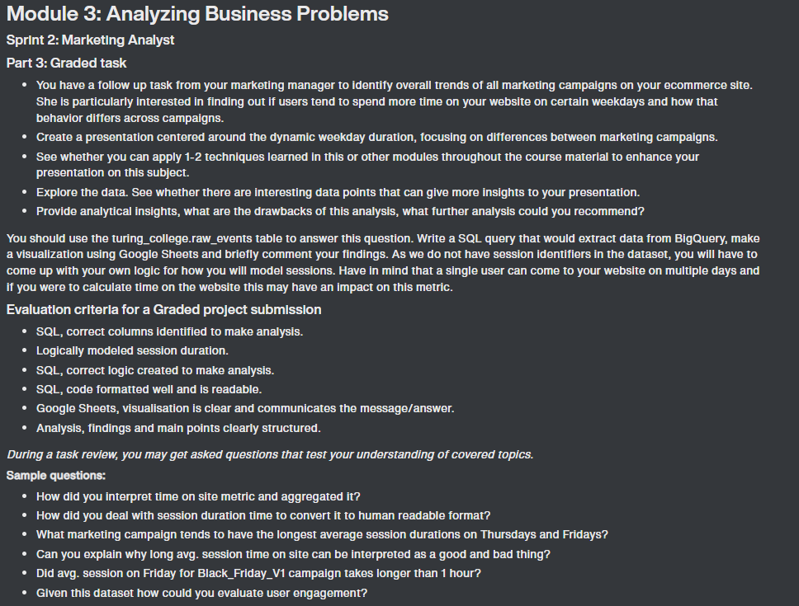

Analysis
AVG Session Length by Campaign and Day
 | BlackFriday_V1 | BlackFriday_V2 | Holiday_V1 | Holiday_V2 | NewYear_V1 | NewYear_V2
Sunday |  | 26.76 |  | 0.90 | 1.53
Monday |  | 17.59 |  | 10.24
Tuesday | 3.38 | 12.27 | 23.08 | 3.25
Wednesday |  | 11.62 | 12.53 |  | 7.57 | 4.62
Thursday |  | 4.50 | 1.83 | 5.87 | 5.17 | 3.79
Friday | 12.44 | 19.88 | 9.94 | 6.61 | 2.16 | 4.43
Saturday | 17.56 |  | 15.74 | 11.45 | 1.63 | 16.60
AVG Session Length by Campaign and Day
 | (direct) | (organic) | (referral) | Data Share Promo
Sunday | 2.23 | 2.16 | 6.84 | 8.73
Monday | 2.33 | 2.52 | 7.40 | 9.25
Tuesday | 2.59 | 2.62 | 7.61 | 8.38
Wednesday | 2.52 | 2.71 | 7.56 | 10.93
Thursday | 2.55 | 2.47 | 7.69 | 8.89
Friday | 2.63 | 2.39 | 7.77 | 7.83
Saturday | 2.44 | 2.23 | 7.38 | 6.61
AVG Session time (all sessions)
 | AVG Session time (all sessions)
Monday | 3.6048178556
Tuesday | 3.7374227508
Wednesday | 3.7026863343
Thursday | 3.7048578142
Friday | 3.7103631037
Saturday | 3.3562625025
Sunday | 3.122480138

 | CPM | CPC | CTR
Holiday_V1 | $15.00 | $1.03 | 1.46%
Holiday_V2 | $11.00 | $0.66 | 1.67%
NewYear_V1 | $10.00 | $0.14 | 7.11%
NewYear_V2 | $12.00 | $1.29 | 0.93%
BlackFriday_V1_2020 | $11.00 | $0.20 | 5.49%
BlackFriday_V1_2021 | $11.00 | $0.62 | 1.78%
BlackFriday_V2 | $15.00 | $3.03 | 0.49%
Data Share Promo | $12.37 | $0.76 | 1.63%
Count of Sessions by Campaign and Day
 | BlackFriday_V1 | BlackFriday_V2 | Holiday_V1 | Holiday_V2 | NewYear_V1 | NewYear_V2
Sunday |  | 5 |  | 1 | 5
Monday |  | 9 |  | 7
Tuesday | 2 | 6 | 2 | 3
Wednesday |  | 2 | 2 |  | 12 | 5
Thursday |  | 1 | 2 | 4 | 36 | 27
Friday | 2 | 2 | 8 | 19 | 13 | 5
Saturday | 5 |  | 5 | 3 | 2 | 2
Count of Sessions by Campaign and Day
 | (direct) | (organic) | (referral) | Data Share Promo
Sunday | 3060 | 8483 | 12635 | 112
Monday | 4216 | 10364 | 17809 | 227
Tuesday | 4654 | 11519 | 21017 | 247
Wednesday | 4516 | 11474 | 20539 | 222
Thursday | 4409 | 11393 | 19253 | 223
Friday | 3879 | 10962 | 17511 | 235
Saturday | 3001 | 8534 | 12793 | 205

Bounce Rates
 | BlackFriday_V2 | Holiday_V1 | Holiday_V2 | NewYear_V1
Sunday | 20.00% |  |  | 20.00%
Tuesday |  |  | 33.33%
Wednesday | 50.00% |  |  | 8.33%
Thursday |  |  | 25.00%
Friday |  |  | 5.26% | 7.69%
Saturday |  | 20.00% | 33.33%
Bounce Rates
 | (direct) | (organic) | (referral) | Data Share Promo
Sunday | 16.93% | 13.25% | 11.03% | 8.93%
Monday | 17.20% | 13.32% | 12.63% | 10.13%
Tuesday | 16.09% | 13.29% | 11.77% | 13.36%
Wednesday | 16.63% | 13.31% | 11.88% | 10.81%
Thursday | 16.33% | 13.25% | 11.91% | 8.52%
Friday | 17.07% | 13.12% | 12.22% | 9.79%
Saturday | 17.49% | 13.79% | 11.01% | 13.66%
Analysis and Recomendations
1. Overall average session length was the highest for BlackFriday, Holiday and NewYear campaigns with the longest being BlackFridayV2 on Sunday at 26.76 minutes.
2. Direct, Organic, Referral and Data Share Promo campaigns average session length was in the 5 - 10 minute range with little fluctuation between days of the week. Exception being Data Share Promo which saw increased avg session length on Mondays and Wednesdays with 9.25 and 10.93 minutes respectively.
3. Total sessions were significantly lower for BlackFriday, Holiday and NewYear campaigns with spikes on Wednesday, Thursday and Friday. Direct, Organic, and DataSharePromo campaigns were steady thoroughout the week with slight decreases on Saturday and Sunday. Referral campaign spiked from around 12k on Saturday and Sunday to as high as 21k sessions on Tuesday and then decreased slightly back towards the weekend.
4. Bounce rates we highest for BlackFridayV2 campaign at 50% on Wednesday but there were only 2 sessions that day. Direct, Organic,Referral and DataSharePromo campaigns bounce rates were all in the 10-20% range with only small day to day fluctuations.
5. Average session time for all sessions was 3.55 minutes with highest times on Tuesday through Friday and falling closer to 3 minutes on Sundays

