Task
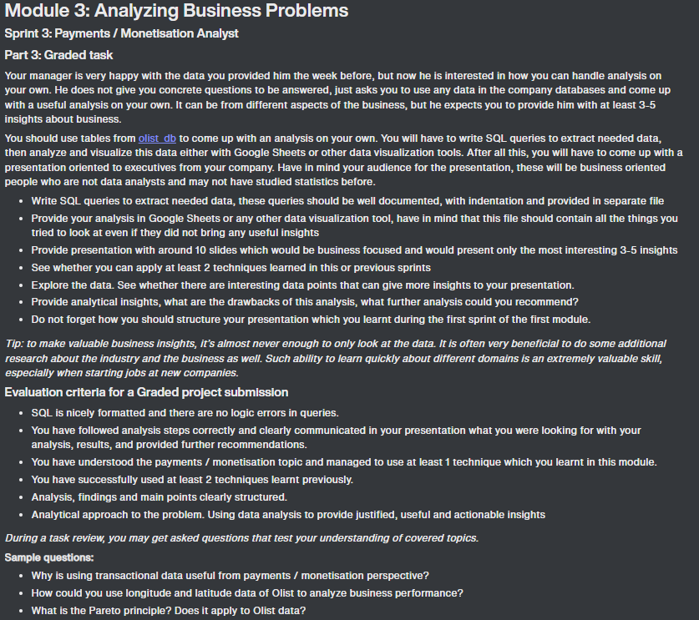

Schema
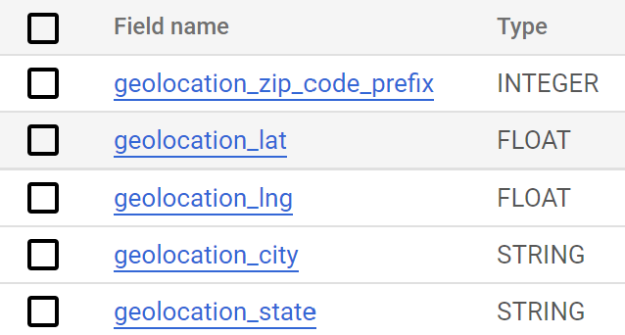
 | olist_order_payments_dataset | olist_products_dataset
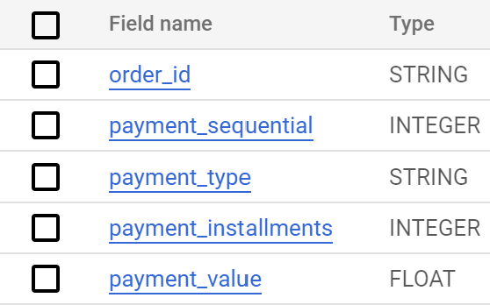
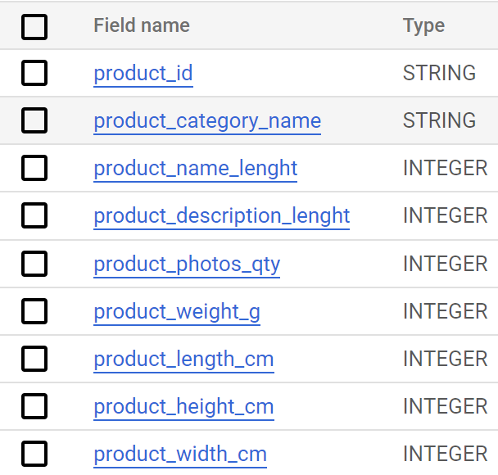

order_id
product_id

olist_order_reviews_dataset | olist_orders_dataset | olist_order_items_dataset | olist_sellers_dataset
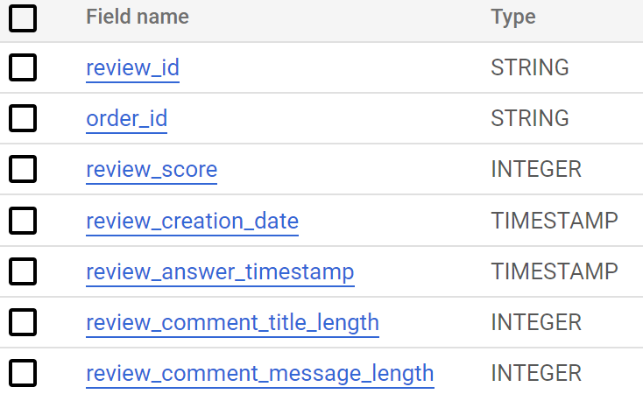
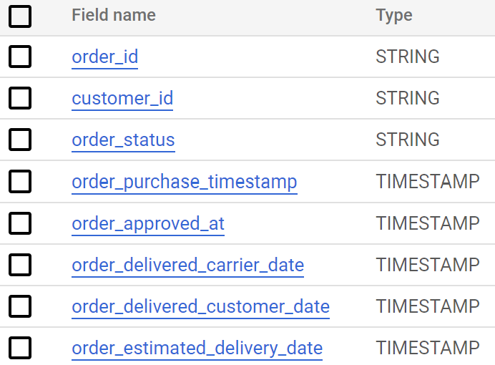
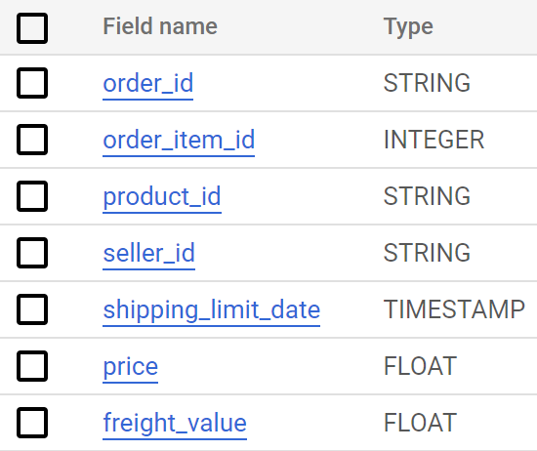
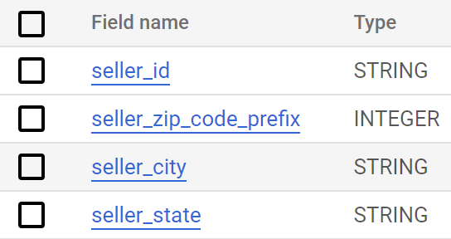

seller_id
order_id
order_id

zip_code_prefix

customer_id

 | olist_customesr_dataset |  | olist_geolocation_dataset
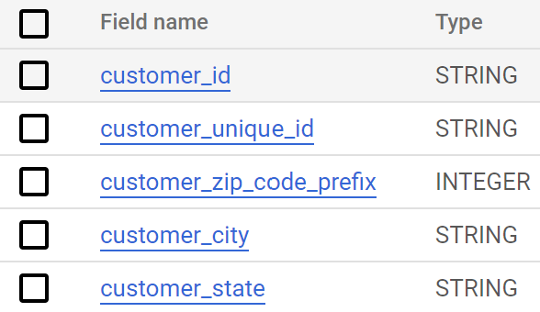
zip_code_prefix

Analysis1
Revenue Vs. Orders by Day of Week
Revenue Vs. Orders by Year
total_customers | num_customer_cities | num_customer_states | num_orders | avg_review_score | total_revenue |  | date | num_orders | revenue
96096 | 4119 | 27 | 99441 | 4.016998 | 15915872.32 |  | Jan-17 | 800 | 137188.49
 |  |  |  |  |  |  | Feb-17 | 1780 | 286280.62
num_sellers | num_seller_cities | num_seller_states | avg_delivery_time |  |  |  | Mar-17 | 2682 | 432048.59
3095 | 611 | 23 | 12 days |  |  |  | Apr-17 | 2404 | 412422.24
 |  |  |  |  |  |  | May-17 | 3700 | 586190.95
 |  |  |  |  |  |  | Jun-17 | 3245 | 502963.04
 |  |  |  |  |  |  | Jul-17 | 4026 | 584971.62
 |  |  |  |  |  |  | Aug-17 | 4331 | 668204.6
day_of_week | num_orders | revenue |  | purchase_hour | num_orders | revenue | Sep-17 | 4285 | 720398.91
1 | 11960 | 1858518.47 |  | 0 | 2394 | 371018.9 | Oct-17 | 4631 | 769312.37
2 | 16196 | 2600533.82 |  | 1 | 1170 | 174479 | Nov-17 | 7544 | 1179143.77
3 | 15963 | 2532228.11 |  | 2 | 510 | 65526.06 | Dec-17 | 5673 | 863547.23
4 | 15552 | 2466682.13 |  | 3 | 272 | 41319.89 | Jan-18 | 7269 | 1107301.89
5 | 14761 | 2351584.2 |  | 4 | 206 | 28334.08 | Feb-18 | 6728 | 986908.96
Revenue Vs. Orders by Day of Month
6 | 14122 | 2281931.02 |  | 5 | 188 | 26175.23 | Mar-18 | 7211 | 1155126.82
7 | 10887 | 1752075.49 |  | 6 | 502 | 67452.45 | Apr-18 | 6939 | 1159698.04
 |  |  |  | 7 | 1231 | 179761.85 | May-18 | 6873 | 1149781.82
 |  |  |  | 8 | 2967 | 458449.5 | Jun-18 | 6167 | 1022677.11
purchase_day | num_orders | revenue |  | 9 | 4785 | 790252.51 | Jul-18 | 6292 | 1058728.03
1 | 3101 | 519514.53 |  | 10 | 6177 | 975972.35 | Aug-18 | 6512 | 1003308.47
2 | 3213 | 512256.11 |  | 11 | 6578 | 1023074.93 | Sep-18 | 16 | 166.46
3 | 3283 | 525518.22 |  | 12 | 5995 | 986082.17
4 | 3483 | 568582.42 |  | 13 | 6518 | 1015875.62
5 | 3445 | 553851.27 |  | 14 | 6569 | 1100743.07 | review_score | num_reviews | % of total
6 | 3468 | 568735.67 |  | 15 | 6454 | 1052986.78 | 1 | 11424 | 12%
7 | 3363 | 543662.38 |  | 16 | 6675 | 1090233.44 | 2 | 3151 | 3%
8 | 3326 | 511116.3 |  | 17 | 6150 | 979469.54 | 3 | 8179 | 8%
9 | 3271 | 535577 |  | 18 | 5769 | 954038.98 | 4 | 19142 | 19%
10 | 3168 | 515699.42 |  | 19 | 5982 | 958005.52 | 5 | 57328 | 58%
11 | 3308 | 543922.87 |  | 20 | 6193 | 995339.27 | Total | 99224 | 100%
Revenue Vs. Orders by Hour
12 | 3202 | 518170.4 |  | 21 | 6217 | 975604.7
13 | 3277 | 523530.9 |  | 22 | 5816 | 918025.73
14 | 3387 | 532165.6 |  | 23 | 4123 | 615331.67
15 | 3524 | 555368.1
16 | 3581 | 575069.09
17 | 3200 | 499735.45
18 | 3430 | 571691.19
19 | 3364 | 525049.61
20 | 3261 | 522968.76
21 | 3116 | 460061.09
22 | 3181 | 475858.14
23 | 3128 | 481988.48
24 | 3877 | 600095.11
25 | 3290 | 513106.3
26 | 3290 | 504428.69
27 | 3122 | 492492.22
28 | 3011 | 491976.07
29 | 2557 | 427947.17
30 | 2534 | 394164.83
31 | 1680 | 279249.85
Delivery times (days) by Product Review

review_score | hours_to_approve | days_to_deliver | days_estimated_vs_actual
1 | 10.559642781 | 20.849973418 | 3.425943647
2 | 10.578231293 | 16.19483169 | 7.8408704522
3 | 10.517964824 | 13.793242055 | 9.8868232634
4 | 9.9869356793 | 11.848053932 | 11.431084426
5 | 9.6818675733 | 10.224153946 | 12.417585306

customer_state | days_to_deliver
RR | 28.975609756
AP | 26.731343284
AM | 25.986206897
AL | 24.040302267
PA | 23.316067653
MA | 21.117154812
Delivery time(days) by State
SE | 21.029850746
CE | 20.817826427
AC | 20.6375
PB | 19.953578337
PI | 18.993697479
RO | 18.913580247
BA | 18.866400491
RN | 18.824894515
PE | 17.965473949
MT | 17.593679458
TO | 17.226277372
ES | 15.331829574
MS | 15.191155492
GO | 15.15074093
RJ | 14.849186432
RS | 14.819236527
SC | 14.479560192
DF | 12.509134615
MG | 11.543813298
PR | 11.526711355
SP | 8.2980614891

Pareto
Pareto Chart
product_category_name | revenue | total | perc_of_revenue | cuml_%
health_beauty | 1441248 | 15629892 | 9.221% | 9.221%
watches_gifts | 1305542 | 15629892 | 8.353% | 17.574%
bed_bath_table | 1241682 | 15629892 | 7.944% | 25.518%
sports_leisure | 1156656 | 15629892 | 7.400% | 32.919%
computers_accessories | 1059272 | 15629892 | 6.777% | 39.696%
furniture_decor | 902512 | 15629892 | 5.774% | 45.470%
housewares | 778398 | 15629892 | 4.980% | 50.450%
cool_stuff | 719330 | 15629892 | 4.602% | 55.052%
auto | 685384 | 15629892 | 4.385% | 59.438%
garden_tools | 584219 | 15629892 | 3.738% | 63.175%
toys | 561373 | 15629892 | 3.592% | 66.767%
baby | 480118 | 15629892 | 3.072% | 69.839%
perfumery | 453339 | 15629892 | 2.900% | 72.739%
telephony | 394883 | 15629892 | 2.526% | 75.266%
office_furniture | 342533 | 15629892 | 2.192% | 77.457%
stationery | 277742 | 15629892 | 1.777% | 79.234%
pet_shop | 253877 | 15629892 | 1.624% | 80.859%
computers | 232799 | 15629892 | 1.489% | 82.348%
musical_instruments | 210137 | 15629892 | 1.344% | 83.692%
electronics | 206825 | 15629892 | 1.323% | 85.016%
small_appliances | 206669 | 15629892 | 1.322% | 86.338%
fashion_bags_accessories | 184274 | 15629892 | 1.179% | 87.517%
consoles_games | 177293 | 15629892 | 1.134% | 88.651%
luggage_accessories | 170875 | 15629892 | 1.093% | 89.745%
construction_tools_construction | 165328 | 15629892 | 1.058% | 90.802%
home_appliances_2 | 123918 | 15629892 | 0.793% | 91.595%
home_construction | 96920 | 15629892 | 0.620% | 92.215%
home_appliances | 94990 | 15629892 | 0.608% | 92.823%
furniture_living_room | 86885 | 15629892 | 0.556% | 93.379%
agro_industry_and_commerce | 78374 | 15629892 | 0.501% | 93.880%
home_confort | 67073 | 15629892 | 0.429% | 94.309%
fixed_telephony | 64221 | 15629892 | 0.411% | 94.720%
air_conditioning | 61774 | 15629892 | 0.395% | 95.116%
kitchen_dining_laundry_garden_furniture | 58328 | 15629892 | 0.373% | 95.489%
audio | 56399 | 15629892 | 0.361% | 95.850%
books_general_interest | 56052 | 15629892 | 0.359% | 96.208%
small_appliances_home_oven_and_coffee | 50194 | 15629892 | 0.321% | 96.529%
construction_tools_lights | 48664 | 15629892 | 0.311% | 96.841%
industry_commerce_and_business | 47554 | 15629892 | 0.304% | 97.145%
construction_tools_safety | 44464 | 15629892 | 0.284% | 97.429%
food | 36664 | 15629892 | 0.235% | 97.664%
market_place | 33835 | 15629892 | 0.216% | 97.881%
costruction_tools_garden | 31027 | 15629892 | 0.199% | 98.079%
fashion_shoes | 28482 | 15629892 | 0.182% | 98.261%
art | 28248 | 15629892 | 0.181% | 98.442%
drinks | 28170 | 15629892 | 0.180% | 98.622%
signaling_and_security | 28017 | 15629892 | 0.179% | 98.801%
furniture_bedroom | 24661 | 15629892 | 0.158% | 98.959%
books_technical | 23379 | 15629892 | 0.150% | 99.109%
food_drink | 19687 | 15629892 | 0.126% | 99.235%
costruction_tools_tools | 17934 | 15629892 | 0.115% | 99.350%
fashion_male_clothing | 12950 | 15629892 | 0.083% | 99.432%
christmas_supplies | 12030 | 15629892 | 0.077% | 99.509%
fashion_underwear_beach | 11458 | 15629892 | 0.073% | 99.583%
tablets_printing_image | 8755 | 15629892 | 0.056% | 99.639%
cine_photo | 8190 | 15629892 | 0.052% | 99.691%
dvds_blu_ray | 7288 | 15629892 | 0.047% | 99.738%
music | 6725 | 15629892 | 0.043% | 99.781%
furniture_mattress_and_upholstery | 5999 | 15629892 | 0.038% | 99.819%
books_imported | 5410 | 15629892 | 0.035% | 99.854%
party_supplies | 5313 | 15629892 | 0.034% | 99.888%
fashio_female_clothing | 3425 | 15629892 | 0.022% | 99.910%
fashion_sport | 2698 | 15629892 | 0.017% | 99.927%
la_cuisine | 2389 | 15629892 | 0.015% | 99.942%
arts_and_craftmanship | 2184 | 15629892 | 0.014% | 99.956%
diapers_and_hygiene | 2141 | 15629892 | 0.014% | 99.970%
flowers | 1599 | 15629892 | 0.010% | 99.980%
home_comfort_2 | 1171 | 15629892 | 0.007% | 99.988%
cds_dvds_musicals | 955 | 15629892 | 0.006% | 99.994%
fashion_childrens_clothes | 665 | 15629892 | 0.004% | 99.998%
security_and_services | 325 | 15629892 | 0.002% | 100.000%

Analysis2
Order count and revenue by product category
product_category_name | order_count | revenue
bed_bath_table | 9383 | 1241682
health_beauty | 8809 | 1441248
sports_leisure | 7690 | 1156656
computers_accessories | 6673 | 1059272
furniture_decor | 6431 | 902512
housewares | 5880 | 778398
watches_gifts | 5620 | 1305542
telephony | 4197 | 394883
auto | 3892 | 685384
toys | 3885 | 561373
cool_stuff | 3632 | 719330
garden_tools | 3517 | 584219
perfumery | 3158 | 453339
baby | 2881 | 480118
electronics | 2550 | 206825
stationery | 2309 | 277742
fashion_bags_accessories | 1857 | 184274
pet_shop | 1709 | 253877
office_furniture | 1272 | 342533
consoles_games | 1061 | 177293
luggage_accessories | 1034 | 170875
construction_tools_construction | 748 | 165328
home_appliances | 727 | 94990
small_appliances | 630 | 206669
musical_instruments | 628 | 210137
books_general_interest | 512 | 56052
home_construction | 490 | 96920
food | 450 | 36664
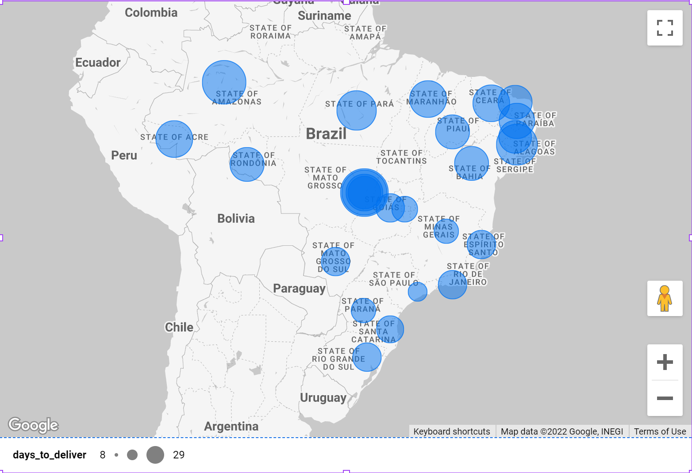
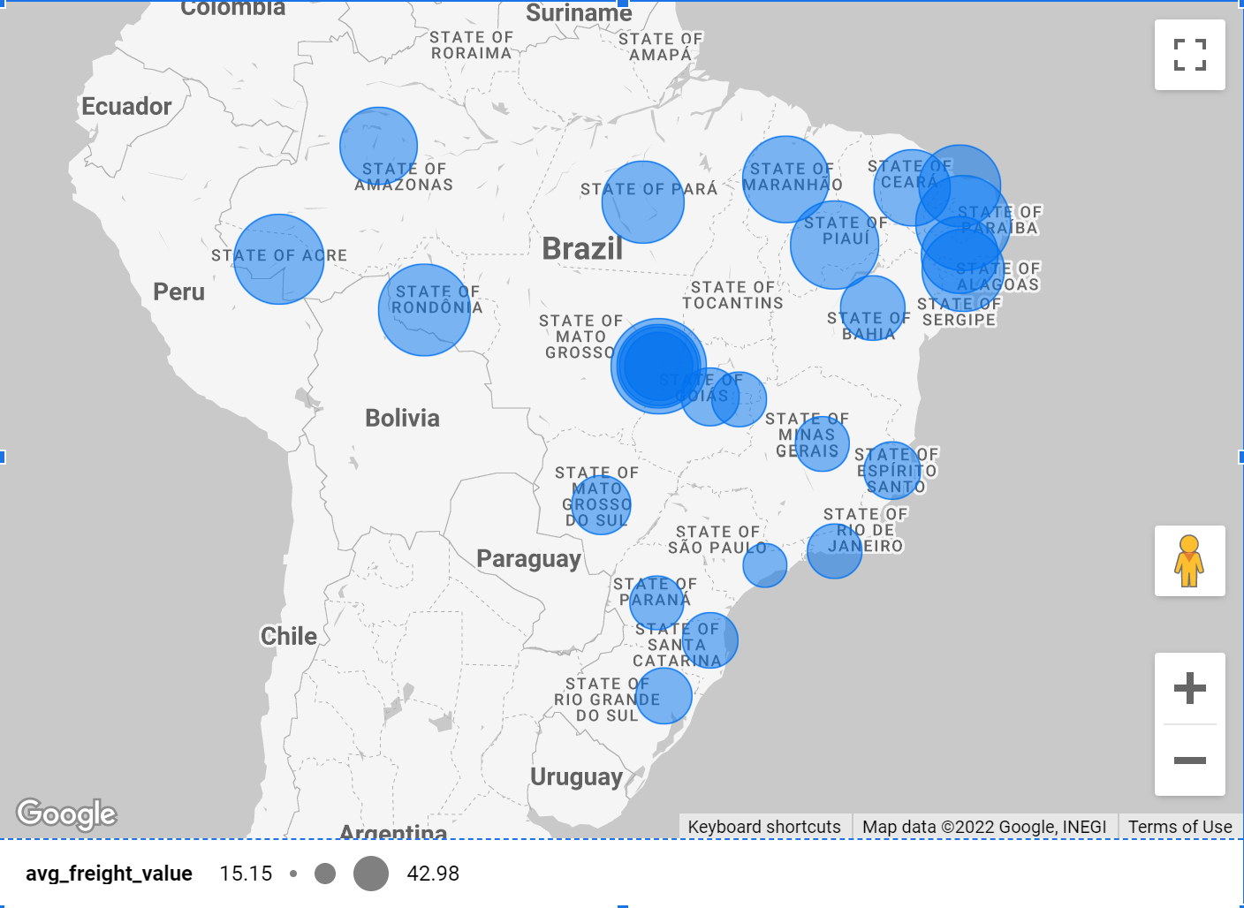
furniture_living_room | 421 | 86885
home_confort | 397 | 67073
audio | 350 | 56399
drinks | 297 | 28170
market_place | 280 | 33835
books_technical | 260 | 23379
air_conditioning | 253 | 61774
kitchen_dining_laundry_garden_furniture | 248 | 58328
construction_tools_lights | 244 | 48664
fashion_shoes | 240 | 28482
industry_commerce_and_business | 235 | 47554
home_appliances_2 | 231 | 123918
food_drink | 227 | 19687
fixed_telephony | 217 | 64221
art | 202 | 28248
costruction_tools_garden | 194 | 31027
agro_industry_and_commerce | 182 | 78374
computers | 181 | 232799
construction_tools_safety | 167 | 44464
signaling_and_security | 140 | 28017
christmas_supplies | 128 | 12030
fashion_underwear_beach | 121 | 11458
fashion_male_clothing | 112 | 12950
costruction_tools_tools | 97 | 17934
furniture_bedroom | 95 | 24661
tablets_printing_image | 79 | 8755
small_appliances_home_oven_and_coffee | 75 | 50194
cine_photo | 65 | 8190
dvds_blu_ray | 59 | 7288
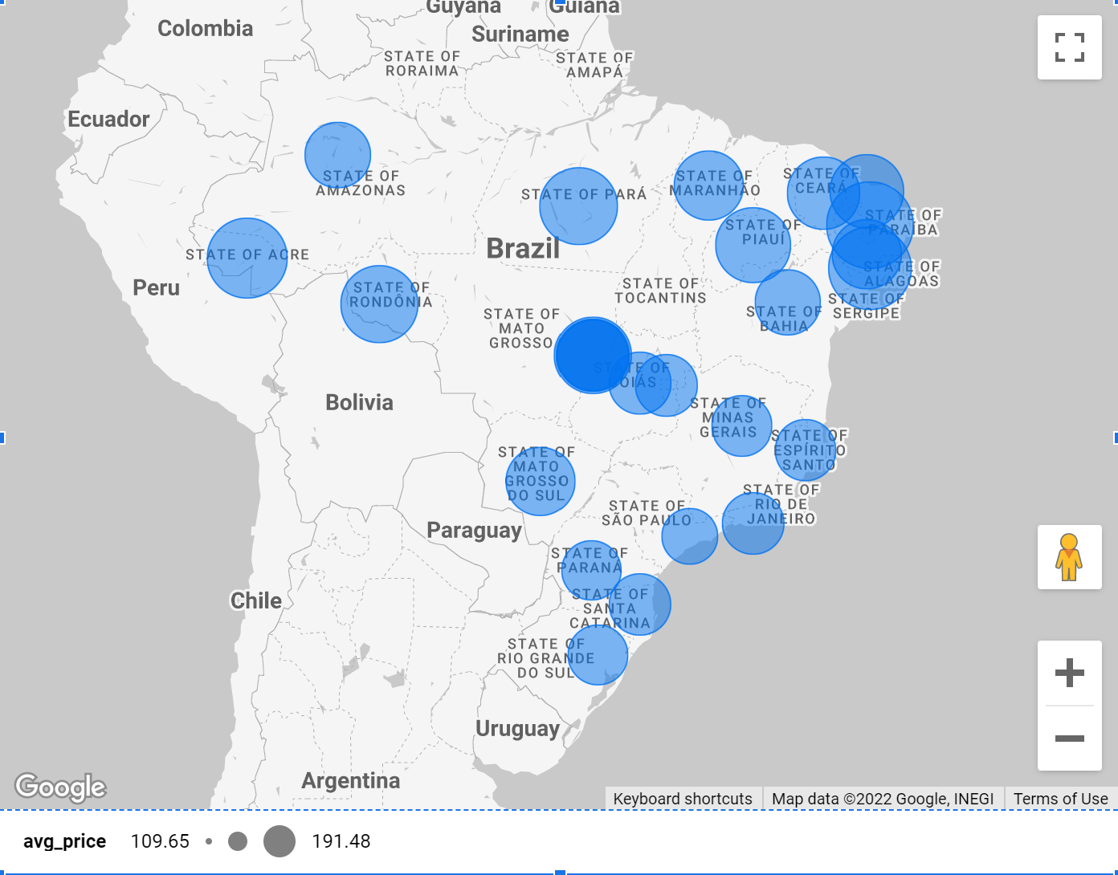
books_imported | 53 | 5410
party_supplies | 39 | 5313
fashio_female_clothing | 39 | 3425
furniture_mattress_and_upholstery | 38 | 5999
music | 38 | 6725
flowers | 29 | 1599
fashion_sport | 27 | 2698
diapers_and_hygiene | 27 | 2141
home_comfort_2 | 24 | 1171
arts_and_craftmanship | 23 | 2184
la_cuisine | 13 | 2389
cds_dvds_musicals | 12 | 955
fashion_childrens_clothes | 8 | 665
security_and_services | 2 | 325

customer_state | days_to_deliver | avg_price | avg_freight_value
RR, Brazil | 28 | 150.56596154 | 42.984423077
AP, Brazil | 28 | 164.32073171 | 34.006097561
AM, Brazil | 26 | 135.496 | 33.205393939
AL, Brazil | 24 | 180.88921171 | 35.843671171
PA, Brazil | 23 | 165.69241667 | 35.832685185
MA, Brazil | 21 | 145.20415049 | 38.257002427
SE, Brazil | 21 | 153.04116883 | 36.653168831
CE, Brazil | 21 | 153.75826116 | 32.714201624
PB, Brazil | 20 | 191.47521595 | 42.723803987
AC, Brazil | 20 | 173.72771739 | 40.073369565
BA, Brazil | 19 | 134.60120821 | 26.363958937
PI, Brazil | 19 | 160.35808118 | 39.14797048
RN, Brazil | 19 | 156.96593573 | 35.652362949
RO, Brazil | 19 | 165.97352518 | 41.06971223
MT, Brazil | 18 | 148.29718483 | 28.16628436
PE, Brazil | 18 | 145.50832226 | 32.91786268
TO, Brazil | 17 | 157.52933333 | 37.246603175
RJ, Brazil | 15 | 125.11781809 | 20.960923932
RS, Brazil | 15 | 120.33745309 | 21.73580433
GO, Brazil | 15 | 126.27173168 | 22.766815259
ES, Brazil | 15 | 121.91370124 | 22.058776596
SC, Brazil | 15 | 124.65357759 | 21.470368774
MS, Brazil | 15 | 142.62837607 | 23.374884005
DF, Brazil | 13 | 125.77054863 | 21.041354946
MG, Brazil | 12 | 120.74857415 | 20.630166806
PR, Brazil | 11 | 119.00413937 | 20.531651568
SP, Brazil | 8 | 109.65362916 | 15.14727539

