Task
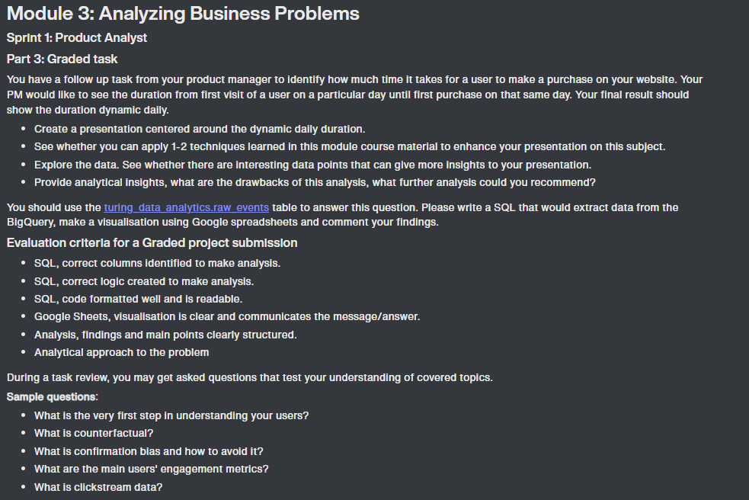

Analysis
 | Total
11/1/2020 | 27.785714286
11/2/2020 | 87.673469388
11/3/2020 | 97.346938776
11/4/2020 | 111.60869565
11/5/2020 | 41.269230769
11/6/2020 | 87.586206897
11/7/2020 | 26.451612903
11/8/2020 | 66.90625
11/9/2020 | 77.711538462
11/10/2020 | 102.40625
11/11/2020 | 100.3125
11/12/2020 | 84.222222222
11/13/2020 | 78.797468354
11/14/2020 | 103.9
11/15/2020 | 26.571428571
11/16/2020 | 60.797101449
11/17/2020 | 49.020408163
11/18/2020 | 68.602941176
11/19/2020 | 59.083333333
11/20/2020 | 76.415254237
11/21/2020 | 62.279411765
11/22/2020 | 67.983333333
11/23/2020 | 64.773049645
11/24/2020 | 50.360544218
11/25/2020 | 120.56481481
11/26/2020 | 50.701754386
11/27/2020 | 64.948453608
11/28/2020 | 63.166666667
11/29/2020 | 71.431372549
11/30/2020 | 78.361702128
12/1/2020 | 97.373831776
12/2/2020 | 116.74390244
12/3/2020 | 72.633333333
12/4/2020 | 58.916666667
12/5/2020 | 91.195402299
12/6/2020 | 87.571428571
12/7/2020 | 92.209090909
12/8/2020 | 83.549180328
12/9/2020 | 79.46
12/10/2020 | 112.32867133
12/11/2020 | 91.575
12/12/2020 | 56.386792453
12/13/2020 | 62.621621622
12/14/2020 | 68.828282828
12/15/2020 | 147.96402878
12/16/2020 | 104.21678322
12/17/2020 | 122.66666667
12/18/2020 | 167.63551402
12/19/2020 | 66.692307692
12/20/2020 | 78.7
...

WIth average time to purchase for all purchases being 81 minutes, we can see on this graph the significant spikes around the end of November, all throughout the month of December and the middle and end of January. November and December numbers might be due to holiday shopping and various campaigns. January spikes could be caused by the NewYear campaigns that were run.

 | Total
11/1/2020 | 63.357142857
11/2/2020 | 167.02040816
11/3/2020 | 76.040816327
11/4/2020 | 119.5
11/5/2020 | 68.923076923
11/6/2020 | 126.89655172
11/7/2020 | 122.61290323
11/8/2020 | 130.25
11/9/2020 | 60.230769231
11/10/2020 | 63.140625
11/11/2020 | 74.015625
11/12/2020 | 66.925925926
11/13/2020 | 100.51898734
11/14/2020 | 81.9
11/15/2020 | 70.619047619
11/16/2020 | 74.376811594
11/17/2020 | 85.37755102
11/18/2020 | 102.79411765
11/19/2020 | 164.14285714
11/20/2020 | 152.54237288
11/21/2020 | 127.52941176
11/22/2020 | 122.33333333
11/23/2020 | 173.07801418
11/24/2020 | 131.7755102
11/25/2020 | 165.97222222
11/26/2020 | 77.929824561
11/27/2020 | 81.804123711
11/28/2020 | 88.897435897
11/29/2020 | 81.529411765
11/30/2020 | 111.9929078
12/1/2020 | 68.23364486
12/2/2020 | 87.487804878
12/3/2020 | 52.077777778
12/4/2020 | 89.28125
12/5/2020 | 87.908045977
12/6/2020 | 63.142857143
12/7/2020 | 119.04545455
12/8/2020 | 82.098360656
12/9/2020 | 110.75333333
12/10/2020 | 90
12/11/2020 | 78.875
12/12/2020 | 65.801886792
12/13/2020 | 95.891891892
12/14/2020 | 136.61616162
12/15/2020 | 181.51798561
12/16/2020 | 142.20979021
12/17/2020 | 108.17460317
12/18/2020 | 164.07476636
12/19/2020 | 83.230769231
12/20/2020 | 74
...

Average revenue seems to have a similar graph as the average time, spiking and falling around the same dates for the most part. Largest spikes are around Thanksgiving and Christmas times. Again this could be a result of seasonality as well as campaigns that were running during those weeks. Also, there is a major drop in average revenue towards the end January.

Desktop Vs. Mobile Vs. Tablet
 | desktop | mobile | tablet
11/1/2020 | 33.222222222 | 18
11/2/2020 | 79.387096774 | 106.35294118 | 27
11/3/2020 | 105.13333333 | 85.052631579
11/4/2020 | 99.515151515 | 151.25 | 35
11/5/2020 | 18.625 | 85.777777778 | 3
11/6/2020 | 54.714285714 | 81.444444444 | 449.66666667
11/7/2020 | 20.882352941 | 33.214285714
11/8/2020 | 95.066666667 | 46.133333333 | 11.5
11/9/2020 | 18.827586207 | 151.95652174
11/10/2020 | 99.542857143 | 105.86206897
11/11/2020 | 95.378378378 | 110.76923077 | 11
11/12/2020 | 49.933333333 | 127.08333333
11/13/2020 | 56.259259259 | 127.48
11/14/2020 | 93.888888889 | 118.91666667
11/15/2020 | 13.153846154 | 48.285714286 | 49
11/16/2020 | 83.378378378 | 36.310344828 | 19
11/17/2020 | 45.160714286 | 54.166666667
11/18/2020 | 52.638888889 | 86.5625
11/19/2020 | 60.595744681 | 41.205128205
11/20/2020 | 84.947368421 | 68.442622951
11/21/2020 | 73.648648649 | 52.137931034 | 18
11/22/2020 | 107.41935484 | 25.827586207
11/23/2020 | 66.876712329 | 64.229508197 | 47.571428571
11/24/2020 | 38.541176471 | 67.131147541 | 32
11/25/2020 | 127.27692308 | 112.66666667 | 16
11/26/2020 | 46.8 | 56.769230769 | 10
11/27/2020 | 82.589285714 | -17.473684211 | 56.666666667
11/28/2020 | 51.526315789 | 76.684210526 | 27.5
11/29/2020 | 88.413793103 | 49.35 | 46
11/30/2020 | 80.554054054 | 69.439393939 | 505
12/1/2020 | 87.142857143 | 114.34883721 | 12
12/2/2020 | 129.32608696 | 114.45454545 | 31
12/3/2020 | 69.586206897 | 79.275862069 | 67.333333333
12/4/2020 | 44.094339623 | 80.024390244 | 19
12/5/2020 | 64 | 115.21621622 | 26.5
12/6/2020 | 111.54166667 | 60.875 | 13.5
12/7/2020 | 107.53030303 | 70.488372093 | 15
12/8/2020 | 83.846153846 | 86.146341463 | 40.333333333
12/9/2020 | 63.01 | 105.06122449 | 18.5
12/10/2020 | 136.51807229 | 75.728813559 | 28
12/11/2020 | 89.891304348 | 87.514705882 | 433
12/12/2020 | 62.971830986 | 43.823529412 | 16
12/13/2020 | 91.813953488 | 22.129032258
12/14/2020 | 31.230769231 | 79.933333333 | 87
12/15/2020 | 190.09302326 | 81.057692308 | 4
12/16/2020 | 91.397727273 | 111.35185185 | 33
12/17/2020 | 131.91666667 | 112.26415094 | 8
12/18/2020 | 203.29850746 | 100.33333333 | 403
12/19/2020 | 80.266666667 | 48.181818182
12/20/2020 | 17.5 | 170.5
...

Based on this graph, purchases made from a tablet saw the highest average times spikes, especially around the end of November and middle of December. Purchases made on both desktop and mobile platforms saw an increase in average time in the middle and end of January, although overall time to purchase goes down at the end of January for all three platforms. It's also worth mentioning that total number of purchases for Desktop was 3226, Mobile 2355, and Tablet only 111.

Desktop Vs. Mobile Vs. Tablet
 | desktop | mobile | tablet
11/1/2020 | 62.888888889 | 64.2
11/2/2020 | 204.19354839 | 105.76470588 | 56
11/3/2020 | 68.4 | 88.105263158
11/4/2020 | 132.90909091 | 90.75 | 22
11/5/2020 | 60.9375 | 77.444444444 | 120
11/6/2020 | 72.285714286 | 187.88888889 | 87.666666667
11/7/2020 | 64.058823529 | 193.71428571
11/8/2020 | 206.13333333 | 59.466666667 | 92
11/9/2020 | 53.620689655 | 68.565217391
11/10/2020 | 67.342857143 | 58.068965517
11/11/2020 | 50.918918919 | 109.34615385 | 10
11/12/2020 | 62.333333333 | 72.666666667
11/13/2020 | 95.388888889 | 111.6
11/14/2020 | 88.944444444 | 71.333333333
11/15/2020 | 77.076923077 | 43.857142857 | 174
11/16/2020 | 64.540540541 | 91.310344828 | 32
11/17/2020 | 88.053571429 | 81.80952381
11/18/2020 | 109.94444444 | 94.75
11/19/2020 | 99 | 239.30769231
11/20/2020 | 153.40350877 | 151.73770492
11/21/2020 | 161.83783784 | 72.296296296 | 183
11/22/2020 | 142.32258065 | 100.96551724
11/23/2020 | 147.89041096 | 197.57377049 | 222.28571429
11/24/2020 | 123.48235294 | 144.50819672 | 60
11/25/2020 | 205.09230769 | 107.92857143 | 61
11/26/2020 | 62.2 | 96.961538462 | 55
11/27/2020 | 89.142857143 | 67.742857143 | 95.333333333
11/28/2020 | 95.184210526 | 86.921052632 | 7
11/29/2020 | 78.034482759 | 80.9 | 138.5
11/30/2020 | 102.36486486 | 124.37878788 | 7
12/1/2020 | 59.984126984 | 80.465116279 | 62
12/2/2020 | 62.5 | 124.6875 | 77.25
12/3/2020 | 48.672413793 | 62.862068966 | 13.666666667
12/4/2020 | 101.71698113 | 74.926829268 | 54
12/5/2020 | 92.9 | 77.891891892 | 60.5
12/6/2020 | 81.375 | 40.5625 | 25
12/7/2020 | 154.43939394 | 66.418604651 | 46
12/8/2020 | 79.076923077 | 83.731707317 | 138.33333333
12/9/2020 | 120.76 | 88.958333333 | 66.75
12/10/2020 | 78.168674699 | 109.06896552 | 28
12/11/2020 | 72.47826087 | 88 | 56
12/12/2020 | 69.225352113 | 60.588235294 | 0
12/13/2020 | 122.48837209 | 59
12/14/2020 | 123.34210526 | 145.55 | 105
12/15/2020 | 247.86046512 | 74.673076923 | 32
12/16/2020 | 171.63218391 | 97.111111111 | 80
12/17/2020 | 94.916666667 | 127.94339623 | 15
12/18/2020 | 201.91044776 | 101.25641026 | 79
12/19/2020 | 70.066666667 | 101.18181818
12/20/2020 | 91.166666667 | 48.25
...

Average revenue was the highest for desktop purchases especially around the holidays with the largest spike at the end of the year. Revenue for all 3 categories goes down significantly after the 3rd week of January.

Chrome Vs. Safari
 | Chrome | Safari
11/1/2020 | 21.555555556 | 12
11/2/2020 | 78.25 | 159.7
11/3/2020 | 91.888888889 | 118.72727273
11/4/2020 | 102.64102564 | 161.57142857
11/5/2020 | 40 | 24.5
11/6/2020 | 73.125 | 59.461538462
11/7/2020 | 22.173913043 | 36
11/8/2020 | 71.761904762 | 62.5
11/9/2020 | 35.941176471 | 156.88235294
11/10/2020 | 127.82051282 | 26.4
11/11/2020 | 122.2195122 | 78.117647059
11/12/2020 | 102.53658537 | 22
11/13/2020 | 50.031746032 | 212.5
11/14/2020 | 110.51851852 | 44.333333333
11/15/2020 | 15.083333333 | 67
11/16/2020 | 56.088888889 | 59.761904762
11/17/2020 | 47.125 | 54.130434783
11/18/2020 | 49.577777778 | 65.736842105
11/19/2020 | 69.235294118 | 28.451612903
11/20/2020 | 99.181818182 | 38.242424242
11/21/2020 | 66.9 | 21.833333333
11/22/2020 | 70.341463415 | 69.352941176
11/23/2020 | 55.453703704 | 44.923076923
11/24/2020 | 31.969387755 | 80.388888889
11/25/2020 | 110.44047619 | 179.95
11/26/2020 | 42.731707317 | 81.769230769
11/27/2020 | 69.235294118 | -28.08
11/28/2020 | 66.5 | 68.894736842
11/29/2020 | 83.966666667 | 52.944444444
11/30/2020 | 90.129032258 | 38.8
12/1/2020 | 89.96969697 | 115.61764706
12/2/2020 | 112.22222222 | 134.52631579
12/3/2020 | 52.703125 | 111.61904762
12/4/2020 | 63.1875 | 61.952380952
12/5/2020 | 78.75862069 | 99.92
12/6/2020 | 100.64285714 | 62.583333333
12/7/2020 | 109.20547945 | 66.566666667
12/8/2020 | 92.941176471 | 48.833333333
12/9/2020 | 63.524752475 | 97.3
12/10/2020 | 121.19354839 | 100.60526316
12/11/2020 | 83.036036036 | 122.80555556
12/12/2020 | 65.410958904 | 32.833333333
12/13/2020 | 61.208333333 | 29.35
12/14/2020 | 76.189655172 | 61.378378378
12/15/2020 | 180.86734694 | 79.454545455
12/16/2020 | 118.85217391 | 31.727272727
12/17/2020 | 138 | 62.047619048
12/18/2020 | 52.348484848 | 432.06060606
12/19/2020 | 49.794117647 | 67.461538462
12/20/2020 | 100.21428571 | 28.5
...
Comparing the average time between Chrome and Safari we see that Chrome is the more stable browser with only minor spikes in average time, Safari on the other hand exhibits significant spikes on random dates. Chrome and Safari had by far the largest number of sales of all the browsers with 3891 and 1392 respectively. All the other browsers combined for only 409 purchases.

Safari browser versions 13.1 Vs. 14 Vs. 604
 | 13.1 | 14 | 604
11/1/2020 | 20 |  | 4
11/2/2020 | 11.5 | 156.83333333 | 27
11/3/2020 | 13 | 13.625 | 592
11/4/2020 | 259.5 | 31
11/5/2020 | 18 | 46.666666667 | 3
11/6/2020 |  | 59.461538462
11/7/2020 |  | 38
11/8/2020 |  | 69 | 4
11/9/2020 |  | 107.53333333 | 869
11/10/2020 | 7 | 33.090909091 | 9
11/11/2020 | 153 | 83.5 | 6.6666666667
11/12/2020 |  | 21.428571429 | 24
11/13/2020 | 36 | 238.58333333 | 76
11/14/2020 |  | 44.333333333
11/15/2020 | 5 | 87.666666667
11/16/2020 | 10.5 | 74.5625 | 20
11/17/2020 | 19.333333333 | 27.3125 | 187.5
11/18/2020 | 40.8 | 85.916666667 | 7
11/19/2020 | 13 | 30.952380952 | 24.666666667
11/20/2020 | 16.166666667 | 40.578947368 | 59
11/21/2020 | 27 | 25 | 14
11/22/2020 |  | 69.133333333 | 71
11/23/2020 | 60 | 50.888888889 | 3
11/24/2020 | 72.625 | 143.75 | 47.2
11/25/2020 | 300.6 | 142.57142857
11/26/2020 | 10 | 124.875 | 12.666666667
11/27/2020 | 114.5 | -59.166666667 | 17
11/28/2020 | 26 | 77.875 | 11
11/29/2020 | 21.75 | 22 | 207.33333333
11/30/2020 | 12.5 | 46.192307692 | 22.75
12/1/2020 | 254.71428571 | 82.869565217 | 60.5
12/2/2020 | 680 | 78.533333333
12/3/2020 | 49 | 138.25 | 11
12/4/2020 | 23 | 67 | 51.5
12/5/2020 | 19 | 103.94117647 | 130.75
12/6/2020 | 103 | 47.571428571 | 16.5
12/7/2020 | 39.25 | 88.7 | 11
12/8/2020 | 29.666666667 | 60.166666667 | 55.5
12/9/2020 | 50.666666667 | 116.73333333 | 21.5
12/10/2020 | 45 | 99.551724138 | 120.5
12/11/2020 | 15.5 | 162.84 | 40.833333333
12/12/2020 | 14 | 32.95 | 40.5
12/13/2020 | 15 | 30.611111111
12/14/2020 | 52.5 | 69.466666667 | 10.75
12/15/2020 | 47.25 | 86.681818182 | 101.4
12/16/2020 | 18 | 28.307692308 | 46.333333333
12/17/2020 |  | 68.444444444 | 24
12/18/2020 | 27.5 | 507.40740741 | 48.5
12/19/2020 |  | 71.916666667 | 14
12/20/2020 | 11.5 | 48 | 4
...
Further breaking down the different versions of Safari browser we see that versions 13.1 and 14 have the largest times. Version 14 accounted for majority of purchases(985)

