Task
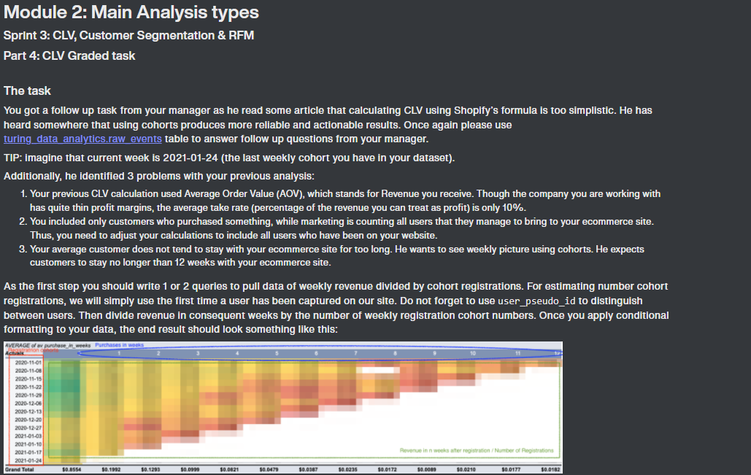

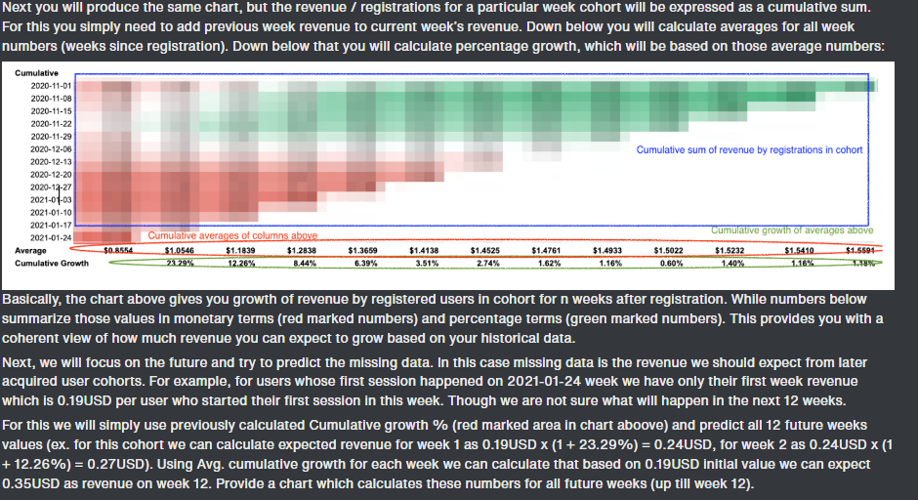

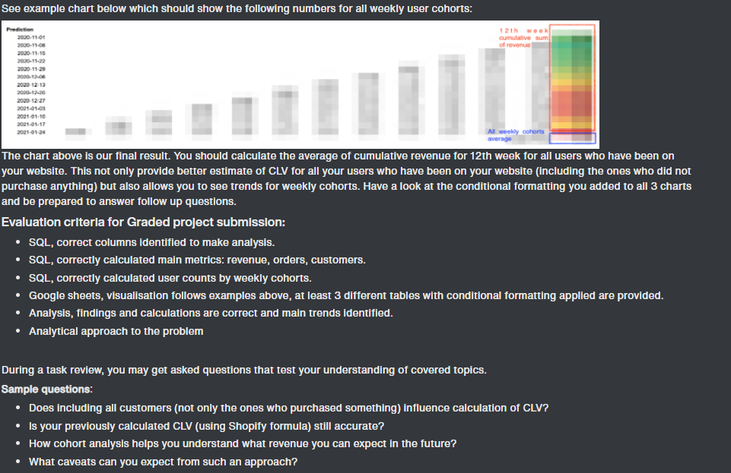

CLV_Analysis
Customer CLV Analysis by cohort (week of 2020-11-01 to week of 2021-01-24)

Average sales by weekly cohort |  |  |  |  |  |  |  |  |  |  |  |  |  |  |  | Sum of sales by weekly cohort
cohort_week | batch_size | week_0 | week_1 | week_2 | week_3 | week_4 | week_5 | week_6 | week_7 | week_8 | week_9 | week_10 | week_11 | week_12 |  | cohort_week | batch_size | week_0 | week_1 | week_2 | week_3 | week_4 | week_5 | week_6 | week_7 | week_8 | week_9 | week_10 | week_11 | week_12
2020-11-01 | 20078 | $0.94 | $0.33 | $0.27 | $0.26 | $0.16 | $0.15 | $0.17 | $0.03 | $0.01 | $0.01 | $0.02 | $0.01 | $0.02 |  | 2020-11-01 | 20078 | 18833 | 6553 | 5365 | 5255 | 3210 | 3076 | 3319 | 502 | 157 | 277 | 465 | 300 | 365
2020-11-08 | 16232 | $1.19 | $0.38 | $0.28 | $0.23 | $0.28 | $0.10 | $0.04 | $0.07 | $- | $0.01 | $0.04 | $0.02 |  |  | 2020-11-08 | 16232 | 19348 | 6189 | 4565 | 3722 | 4489 | 1696 | 639 | 1126 | 0 | 195 | 576 | 333
2020-11-15 | 17845 | $1.38 | $0.30 | $0.22 | $0.23 | $0.17 | $0.03 | $0.03 | $0.02 | $0.02 | $0.01 | $0.00 |  |  |  | 2020-11-15 | 17845 | 24657 | 5296 | 3903 | 4061 | 2982 | 457 | 514 | 393 | 374 | 111 | 79
2020-11-22 | 19637 | $1.65 | $0.24 | $0.23 | $0.12 | $0.04 | $0.01 | $0.01 | $0.01 | $0.03 | $0.00 |  |  |  |  | 2020-11-22 | 19637 | 32347 | 4632 | 4425 | 2344 | 727 | 260 | 126 | 208 | 679 | 74
2020-11-29 | 21991 | $1.32 | $0.36 | $0.24 | $0.05 | $0.01 | $0.02 | $0.01 | $0.01 | $0.01 |  |  |  |  |  | 2020-11-29 | 21991 | 29015 | 7992 | 5350 | 1056 | 273 | 487 | 134 | 263 | 119
2020-12-06 | 28069 | $1.20 | $0.33 | $0.08 | $0.03 | $0.02 | $0.03 | $0.02 | $0.00 |  |  |  |  |  |  | 2020-12-06 | 28069 | 33755 | 9247 | 2287 | 966 | 585 | 756 | 685 | 62
2020-12-13 | 25153 | $1.01 | $0.11 | $0.04 | $0.03 | $0.04 | $0.03 | $0.00 |  |  |  |  |  |  |  | 2020-12-13 | 25153 | 25360 | 2712 | 1012 | 760 | 1027 | 750 | 10
2020-12-20 | 17830 | $0.37 | $0.05 | $0.02 | $0.02 | $0.02 | $0.01 |  |  |  |  |  |  |  |  | 2020-12-20 | 17830 | 6574 | 960 | 373 | 415 | 321 | 144
2020-12-27 | 16539 | $0.34 | $0.05 | $0.00 | $0.02 | $0.01 |  |  |  |  |  |  |  |  |  | 2020-12-27 | 16539 | 5608 | 841 | 75 | 337 | 99
2021-01-03 | 22774 | $0.23 | $0.06 | $0.03 | $0.00 |  |  |  |  |  |  |  |  |  |  | 2021-01-03 | 22774 | 5201 | 1464 | 624 | 108
2021-01-10 | 21452 | $0.40 | $0.06 | $0.01 |  |  |  |  |  |  |  |  |  |  |  | 2021-01-10 | 21452 | 8568 | 1255 | 267
2021-01-17 | 20782 | $0.90 | $0.12 |  |  |  |  |  |  |  |  |  |  |  |  | 2021-01-17 | 20782 | 18770 | 2536
2021-01-24 | 19560 | $0.19 |  |  |  |  |  |  |  |  |  |  |  |  |  | 2021-01-24 | 19560 | 3758
Grand Total | 267942 | $0.86 | $0.20 | $0.13 | $0.10 | $0.08 | $0.05 | $0.04 | $0.02 | $0.01 | $0.01 | $0.02 | $0.02 | $0.02

Cumulative Sum of Revenue
Batch size by weekly cohort
Cumulative sum of sales
cohort_week | batch_size | week_0 | week_1 | week_2 | week_3 | week_4 | week_5 | week_6 | week_7 | week_8 | week_9 | week_10 | week_11 | week_12
2020-11-01 | 20078 | $0.94 | $1.26 | $1.53 | $1.79 | $1.95 | $2.11 | $2.27 | $2.30 | $2.30 | $2.32 | $2.34 | $2.36 | $2.37
2020-11-08 | 16232 | $1.19 | $1.57 | $1.85 | $2.08 | $2.36 | $2.46 | $2.50 | $2.57 | $2.57 | $2.59 | $2.62 | $2.64
2020-11-15 | 17845 | $1.38 | $1.68 | $1.90 | $2.12 | $2.29 | $2.32 | $2.35 | $2.37 | $2.39 | $2.40 | $2.40
2020-11-22 | 19637 | $1.65 | $1.88 | $2.11 | $2.23 | $2.26 | $2.28 | $2.28 | $2.30 | $2.33 | $2.33
2020-11-29 | 21991 | $1.32 | $1.68 | $1.93 | $1.97 | $1.99 | $2.01 | $2.01 | $2.03 | $2.03
2020-12-06 | 28069 | $1.20 | $1.53 | $1.61 | $1.65 | $1.67 | $1.70 | $1.72 | $1.72
2020-12-13 | 25153 | $1.01 | $1.12 | $1.16 | $1.19 | $1.23 | $1.26 | $1.26
2020-12-20 | 17830 | $0.37 | $0.42 | $0.44 | $0.47 | $0.48 | $0.49
2020-12-27 | 16539 | $0.34 | $0.39 | $0.39 | $0.41 | $0.42
2021-01-03 | 22774 | $0.23 | $0.29 | $0.32 | $0.32
2021-01-10 | 21452 | $0.40 | $0.46 | $0.47
2021-01-17 | 20782 | $0.90 | $1.03
2021-01-24 | 19560 | $0.19
Average |  | $0.86 | $1.05 | $1.18 | $1.28 | $1.37 | $1.41 | $1.45 | $1.48 | $1.49 | $1.50 | $1.52 | $1.54 | $1.56
Cumulative Growth |  |  | 23.29% | 12.26% | 8.44% | 6.39% | 3.51% | 2.74% | 1.62% | 0.93% | 0.60% | 1.40% | 1.17% | 1.18%
Key Analysis Points:
1. Weekly revenue drops off signifficantly in cohorts acquired after December 20th.
2. Novermber 1st and 8th cohorts show a significant drop off only after 6-8 weeks, while later cohorts begin droping off after just 2-3 weeks.
3. January 17th cohort is showing higher weekly revenue numbers compared to adjacent weeks.
4. Cumulative growth plateaus around 1-1.5% after week 8, with lowest dips in weeks 8 and 9. 5. Batch size increased around the same time BlackFriday and NewYear campaigns were running.
Recommendations:
1. Need to further break down customers into cohorts based on different demographics to get more insight.
2. Marketing campaigns seem to attarct higher volumes of customers - continue developing different future campaigns
Revenue Forecast for 12 weeks
cohort_week | batch_size | week_0 | week_1 | week_2 | week_3 | week_4 | week_5 | week_6 | week_7 | week_8 | week_9 | week_10 | week_11 | week_12 | Cumulative Sum of Revenue
2020-11-01 | 20078 |  |  |  |  |  |  |  |  |  |  |  |  | $2.37 | $1.99
2020-11-08 | 16232 |  |  |  |  |  |  |  |  |  |  |  |  | $2.67 | $2.28
2020-11-15 | 17845 |  |  |  |  |  |  |  |  |  |  |  | $2.43 | $2.46 | $2.17
2020-11-22 | 19637 |  |  |  |  |  |  |  |  |  |  | $2.37 | $2.39 | $2.42 | $2.19
2020-11-29 | 21991 |  |  |  |  |  |  |  |  |  | $2.04 | $2.07 | $2.10 | $2.12 | $1.91
2020-12-06 | 28069 |  |  |  |  |  |  |  |  | $1.74 | $1.75 | $1.77 | $1.79 | $1.82 | $1.62
2020-12-13 | 25153 |  |  |  |  |  |  |  | $1.28 | $1.29 | $1.30 | $1.32 | $1.33 | $1.35 | $1.19
2020-12-20 | 17830 |  |  |  |  |  |  | $0.51 | $0.51 | $0.52 | $0.52 | $0.53 | $0.54 | $0.54 | $0.46
2020-12-27 | 16539 |  |  |  |  |  | $0.44 | $0.45 | $0.45 | $0.46 | $0.46 | $0.47 | $0.47 | $0.48 | $0.41
2021-01-03 | 22774 |  |  |  |  | $0.35 | $0.36 | $0.37 | $0.37 | $0.38 | $0.38 | $0.38 | $0.39 | $0.39 | $0.31
2021-01-10 | 21452 |  |  |  | $0.51 | $0.54 | $0.56 | $0.58 | $0.59 | $0.59 | $0.60 | $0.60 | $0.61 | $0.62 | $0.49
2021-01-17 | 20782 |  |  | $1.15 | $1.25 | $1.33 | $1.37 | $1.41 | $1.43 | $1.45 | $1.46 | $1.48 | $1.49 | $1.51 | $1.15
2021-01-24 | 19560 |  | $0.24 | $0.27 | $0.29 | $0.31 | $0.32 | $0.33 | $0.33 | $0.33 | $0.34 | $0.34 | $0.35 | $0.35 | $0.27
Total |  |  |  |  |  |  |  |  |  |  |  |  |  |  | $16.44

