Task
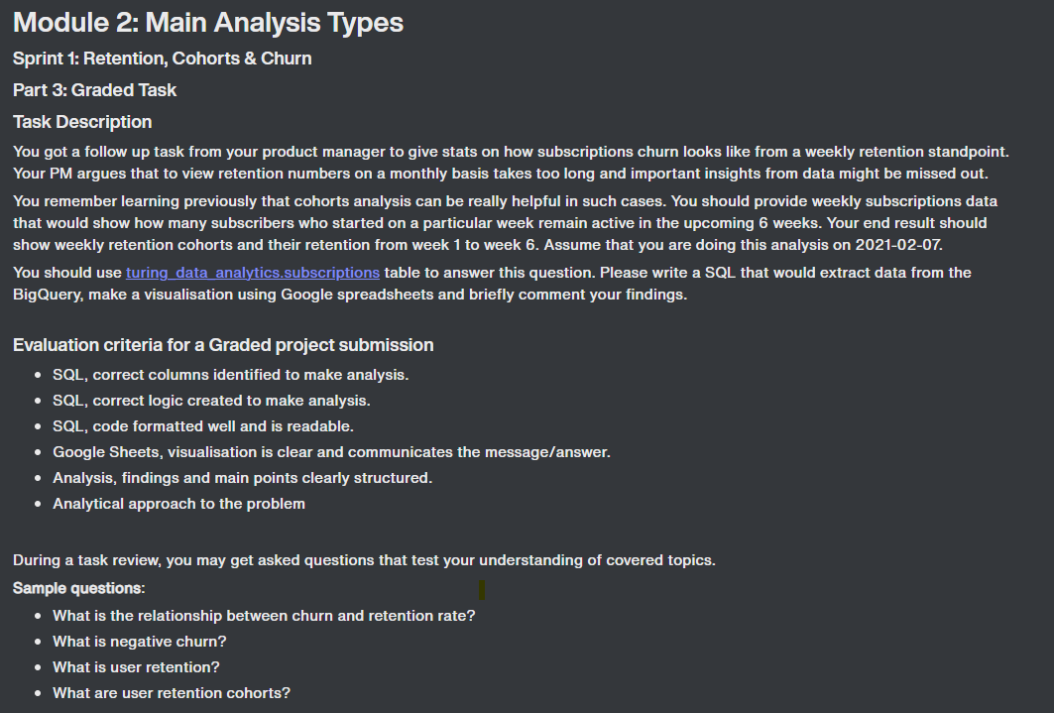

Analysis
Weekly New Subscriptions
Retention by Cohort(number of subscriptions)
cohort_week | 0 | 1 | 2 | 3 | 4 | 5 | 6
2020-11-01 | 20085 | 18779 | 18059 | 17654 | 17429 | 17201 | 17014
2020-11-08 | 16248 | 15182 | 14505 | 14240 | 14036 | 13839 | 13749
2020-11-15 | 17972 | 16767 | 16170 | 15847 | 15609 | 15451 | 15387
2020-11-22 | 19932 | 18659 | 18009 | 17647 | 17427 | 17337 | 17311
2020-11-29 | 22303 | 20960 | 20157 | 19802 | 19682 | 19634 | 19576
2020-12-06 | 28550 | 27008 | 26282 | 26086 | 26006 | 25880 | 25812
2020-12-13 | 25545 | 24305 | 23809 | 23734 | 23615 | 23527 | 23465
2020-12-20 | 18190 | 17515 | 17293 | 17186 | 17100 | 17034 | 16989
2020-12-27 | 17060 | 16412 | 16117 | 15960 | 15861 | 15771
2021-01-03 | 23296 | 22264 | 21722 | 21479 | 21308
2021-01-10 | 21811 | 20820 | 20236 | 19987
2021-01-17 | 21083 | 19979 | 19279
2021-01-24 | 20031 | 18793
2021-01-31 | 2256

Retention by Cohort(% of subscriptions)
 | November 1, 2020 | November 8, 2020 | November 15, 2020 | November 22, 2020 | November 29, 2020 | December 6, 2020 | December 13, 2020 | December 20, 2020 | December 27, 2020 | January 3, 2021 | January 10, 2021 | January 17, 2021
 | 100% | 100% | 100% | 100% | 100% | 100% | 100% | 100% | 100% | 100% | 100% | 100%
 | 93% | 93% | 93% | 94% | 94% | 95% | 95% | 96% | 96% | 96% | 95% | 95%
 | 90% | 89% | 90% | 90% | 90% | 92% | 93% | 95% | 94% | 93% | 93% | 91%
 | 88% | 88% | 88% | 89% | 89% | 91% | 93% | 94% | 94% | 92% | 92%
 | 87% | 86% | 87% | 87% | 88% | 91% | 92% | 94% | 93% | 91%
 | 86% | 85% | 86% | 87% | 88% | 91% | 92% | 94% | 92%
 | 85% | 85% | 86% | 87% | 88% | 90% | 92% | 93%
Retention by Cohort(% of subscriptions)
cohort_week | 0 | 1 | 2 | 3 | 4 | 5 | 6
2020-11-01 | 100% | 93% | 90% | 88% | 87% | 86% | 85%
2020-11-08 | 100% | 93% | 89% | 88% | 86% | 85% | 85%
2020-11-15 | 100% | 93% | 90% | 88% | 87% | 86% | 86%
2020-11-22 | 100% | 94% | 90% | 89% | 87% | 87% | 87%
2020-11-29 | 100% | 94% | 90% | 89% | 88% | 88% | 88%
2020-12-06 | 100% | 95% | 92% | 91% | 91% | 91% | 90%
2020-12-13 | 100% | 95% | 93% | 93% | 92% | 92% | 92%
2020-12-20 | 100% | 96% | 95% | 94% | 94% | 94% | 93%
2020-12-27 | 100% | 96% | 94% | 94% | 93% | 92%
2021-01-03 | 100% | 96% | 93% | 92% | 91%
2021-01-10 | 100% | 95% | 93% | 92%
2021-01-17 | 100% | 95% | 91%
2021-01-24 | 100% | 94%
2021-01-31 | 100%

Key analisys points:
1. December 6th and 13th cohorts have the highest number of subscriptions - Seasonal? Maybe another reason?
2. Overall retention has increased over time - need to evaluate what changed week by week
3. Big drop in retention in weeks 1 and 2, then stabalizes over next weeks. What changed?
4. December 13th and 20th cohorts had the best retention over 6 week only churning 8% and 7% of subscriptions respectively.
5. New subscriptions are higher in the beginning of each month and drop off toward the end of each month.

