URL Details
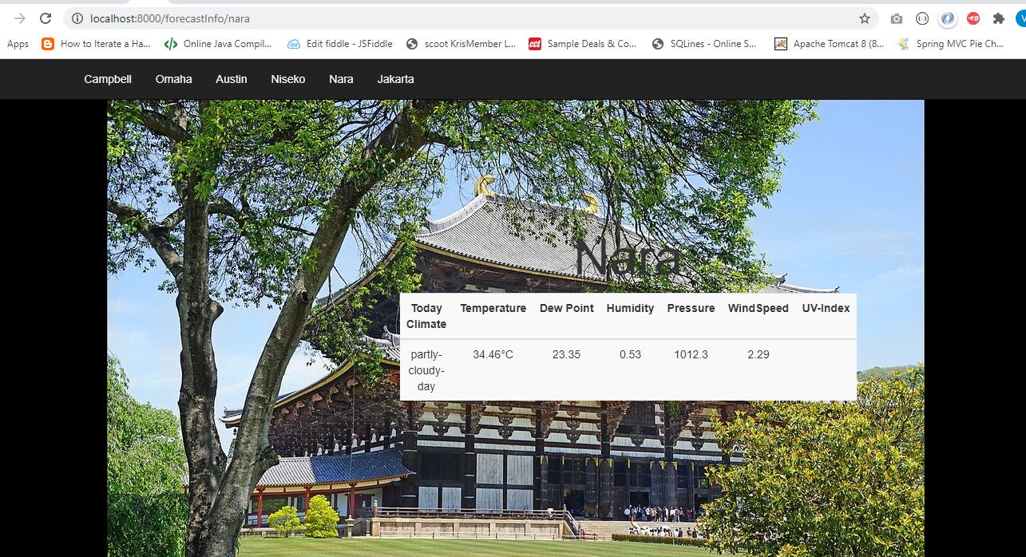
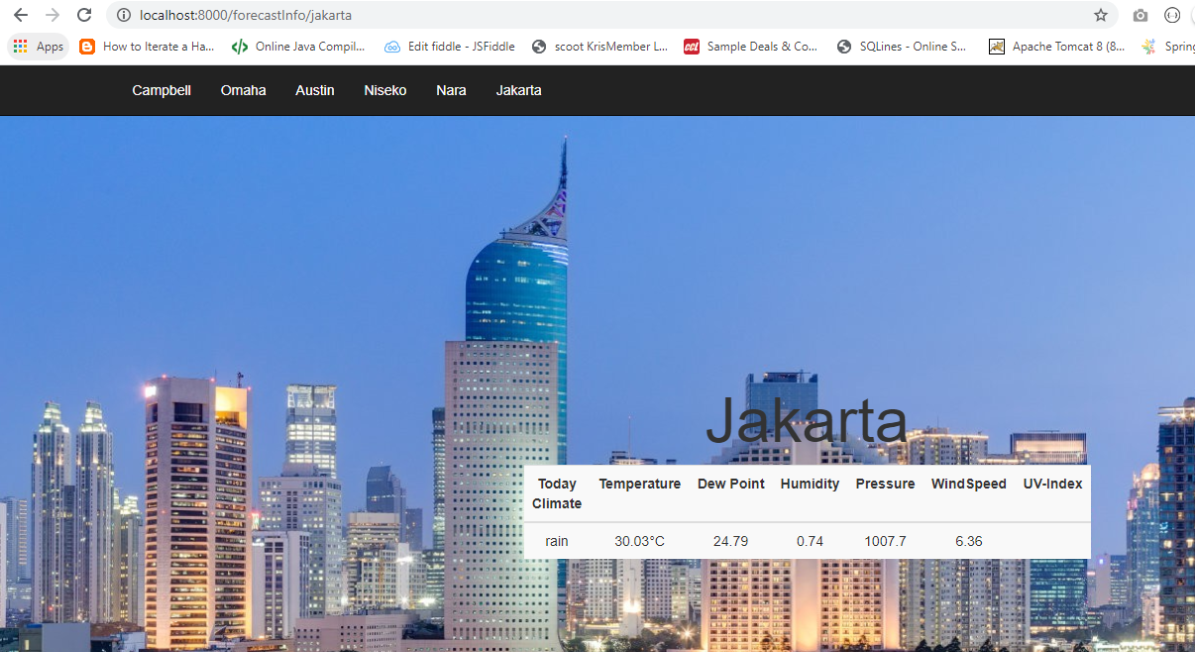
URL | http://localhost:8000/forecastInfo/austin

DB Details
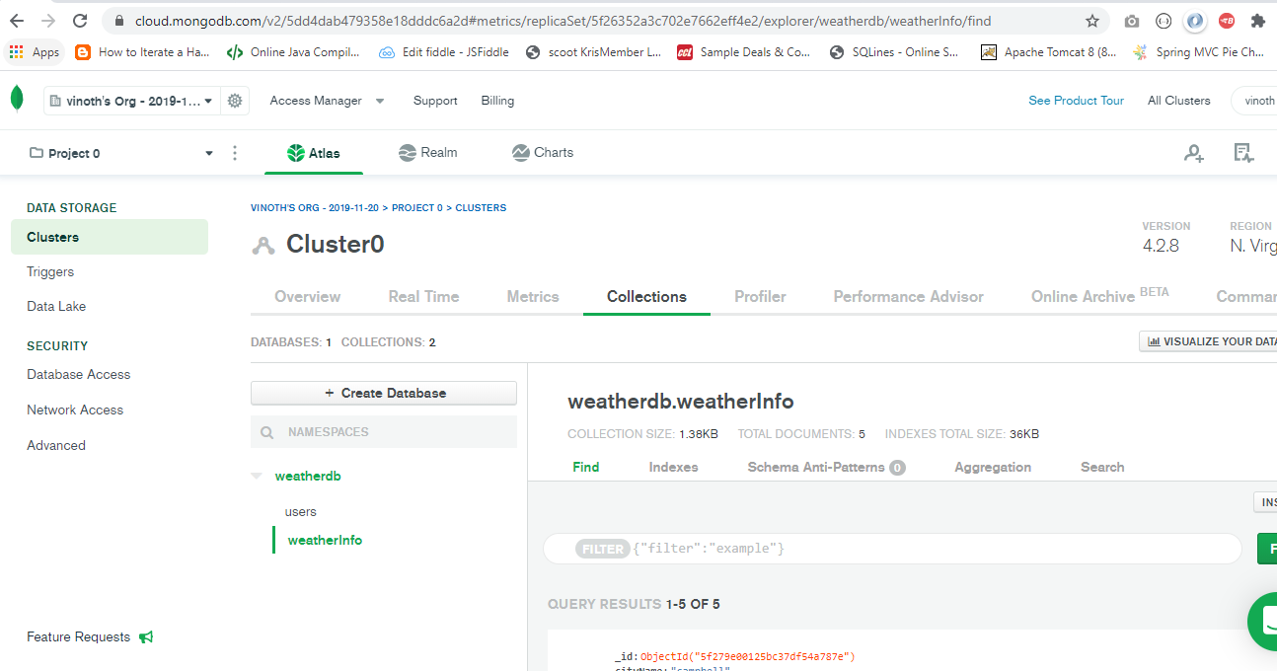

WhiteList-step
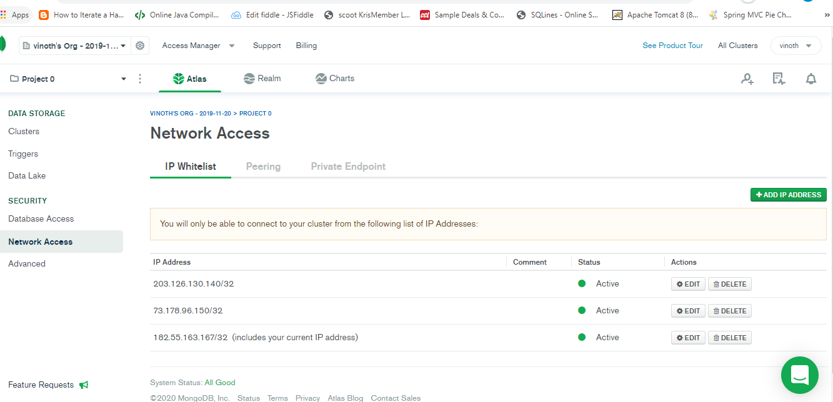
Login to MongoDB with below credential
 |  | vinothme@hotmail.com
 |  | singapore2020

 | select Network access Tab and add the IP

ErrorPage
