WorkFlow
👤
USER 1

call from QR Code 1

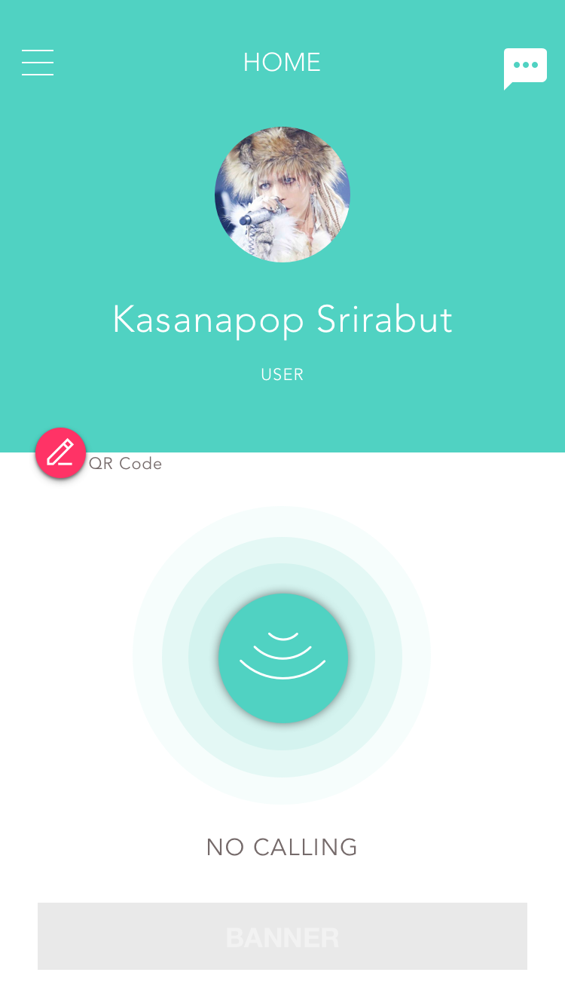

Login
messeging

send end calling status
QR Code 1

messeging

call from QR Code 2

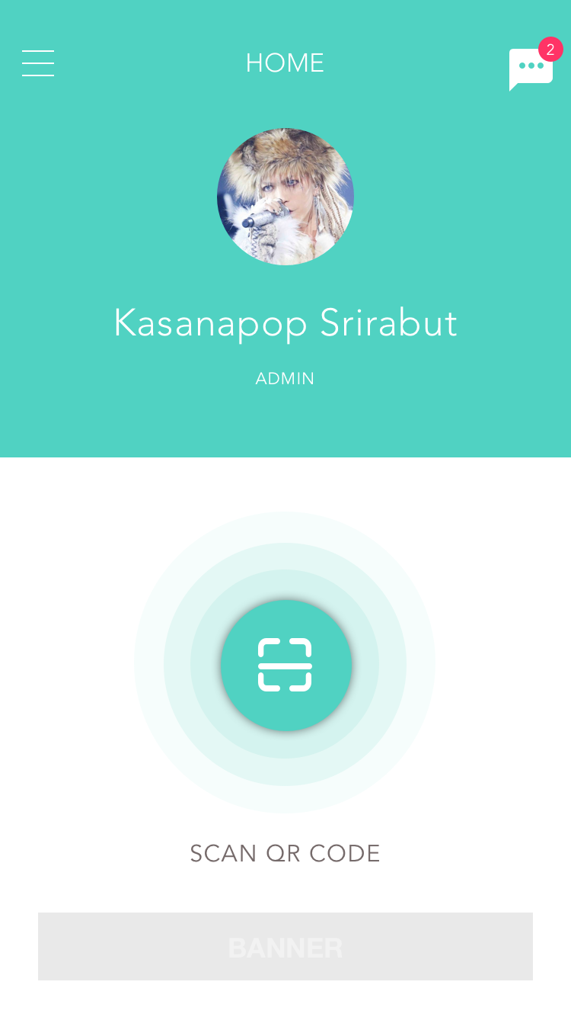

👤
USER 2

Login
check Login

scan
QR Code 2
👤
ADMIN

send end calling status

call from QR Code 3

messeging
👤
USER 3
QR Code 3
Login

Check QR

Web Server
DATABASE

send end calling status

send end calling (each user)
line | meaning
 | login process
 | calling process
 | massageing process
 | end calling process

