Feuil1
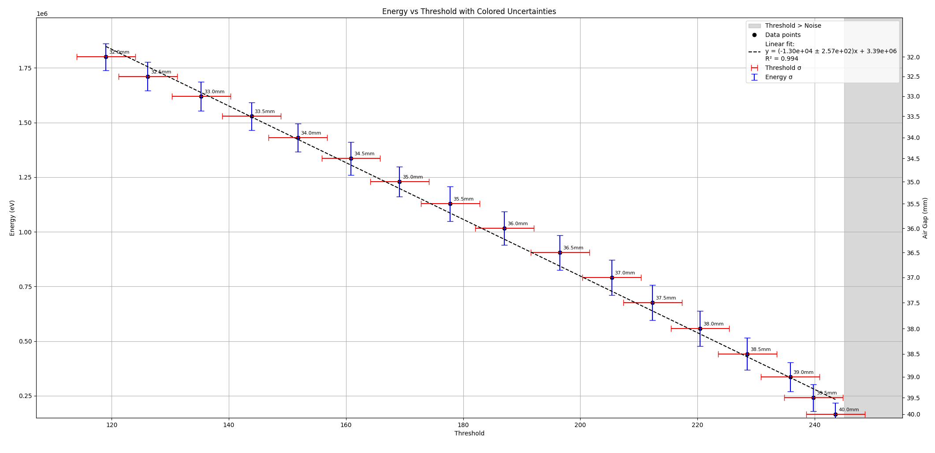
VTH_BL = 107 |  |  |  |  |  | TH0
TH0 | V_TH0 | TH1 | VTH1 | TH2 | VTH2 | | Vsignal | (V) | ADC Value | air gap (mm) | Energy (eV) | interpolated energy (eV)
255 | 1.656 | 231 |  | 242 |  | 0 | 0 |  |  |  | BASELINE | 1.656
254 | 1.65401 | 230 |  | 241 |  | 0.00199 | 32.625515548
253 | 1.649838 | 229 |  | 240 |  | 0.006162 | 101.02433508
252 | 1.648097 | 228 |  | 239 |  | 0.007903 | 129.5675625
251 | 1.645345 | 227 |  | 238 |  | 0.010655 | 174.6858634
250 | 1.642948 | 226 |  | 237 |  | 0.013052 | 213.98403464
249 | 1.638899 | 225 |  | 236 |  | 0.017101 | 280.3663022
248 | 1.637062 | 224 |  | 235 |  | 0.018938 | 310.48342384
247 | 1.635074 | 223 |  | 234 |  | 0.020926 | 343.07614993
246 | 1.633199 | 222 |  | 233 |  | 0.022801 | 373.81627136
245 | 1.629147 | 221 |  | 232 |  | 0.026853 | 440.24772312
244 | 1.627059 | 220 |  | 231 |  | 0.028941 | 474.47992235
243 | 1.624136 | 219 |  | 230 |  | 0.031864 | 522.40172232 | 40 | 165470.33 | 165470.33
242 | 1.621886 | 218 |  | 229 |  | 0.034114 | 559.28986804 |  |  | 190597.78
241 | 1.617978 | 217 |  | 228 |  | 0.038022 | 623.36047848 |  |  | 215725.23
240 | 1.615989 | 216 |  | 227 |  | 0.040011 | 655.96959929 | 39.5 | 240852.68 | 240852.68
239 | 1.610708 | 215 |  | 226 |  | 0.045292 | 742.55017598 |  |  | 264850.0625
238 | 1.608636 | 214 |  | 225 |  | 0.047364 | 776.52005951 |  |  | 288847.445
237 | 1.604511 | 213 |  | 224 |  | 0.051489 | 844.14832666 |  |  | 312844.8275
236 | 1.602498 | 212 |  | 223 |  | 0.053502 | 877.15092103 | 39 | 336842.21 | 336842.21
235 | 1.599677 | 211 |  | 222 |  | 0.056323 | 923.4004584 |  |  | 349936.69375
234 | 1.597769 | 210 |  | 221 |  | 0.058231 | 954.68160597 |  |  | 363031.1775
233 | 1.593814 | 209 |  | 220 |  | 0.062186 | 1019.5227688 |  |  | 376125.66125
232 | 1.591555 | 208 |  | 219 |  | 0.064445 | 1056.5584671 |  |  | 389220.145
231 | 1.589515 | 207 |  | 218 |  | 0.066485 | 1090.0037192 |  |  | 402314.62875
230 | 1.587543 | 206 |  | 217 |  | 0.068457 | 1122.3341296 |  |  | 415409.1125
229 | 1.583359 | 205 |  | 216 |  | 0.072641 | 1190.9296859 |  |  | 428503.59625
228 | 1.581207 | 204 |  | 215 |  | 0.074793 | 1226.2111479 | 38.5 | 441598.08 | 441598.08
227 | 1.578313 | 203 |  | 214 |  | 0.077687 | 1273.6575007 |  |  | 456049.47875
226 | 1.576486 | 202 |  | 213 |  | 0.079514 | 1303.610675 |  |  | 470500.8775
225 | 1.572251 | 201 |  | 212 |  | 0.083749 | 1373.0423626 |  |  | 484952.27625
224 | 1.569993 | 200 |  | 211 |  | 0.086007 | 1410.0616662 |  |  | 499403.675
223 | 1.567043 | 199 |  | 210 |  | 0.088957 | 1458.4261239 |  |  | 513855.07375
222 | 1.565174 | 198 |  | 209 |  | 0.090826 | 1489.067877 |  |  | 528306.4725
221 | 1.561133 | 197 |  | 208 |  | 0.094867 | 1555.3189867 |  |  | 542757.87125
220 | 1.558748 | 196 |  | 207 |  | 0.097252 | 1594.4204211 | 38 | 557209.27 | 557209.27
219 | 1.556012 | 195 |  | 206 |  | 0.099988 | 1639.2764063 |  |  | 572059.18625
218 | 1.55396 | 194 |  | 205 |  | 0.10204 | 1672.9183952 |  |  | 586909.1025
217 | 1.549918 | 193 |  | 204 |  | 0.106082 | 1739.1858997 |  |  | 601759.01875
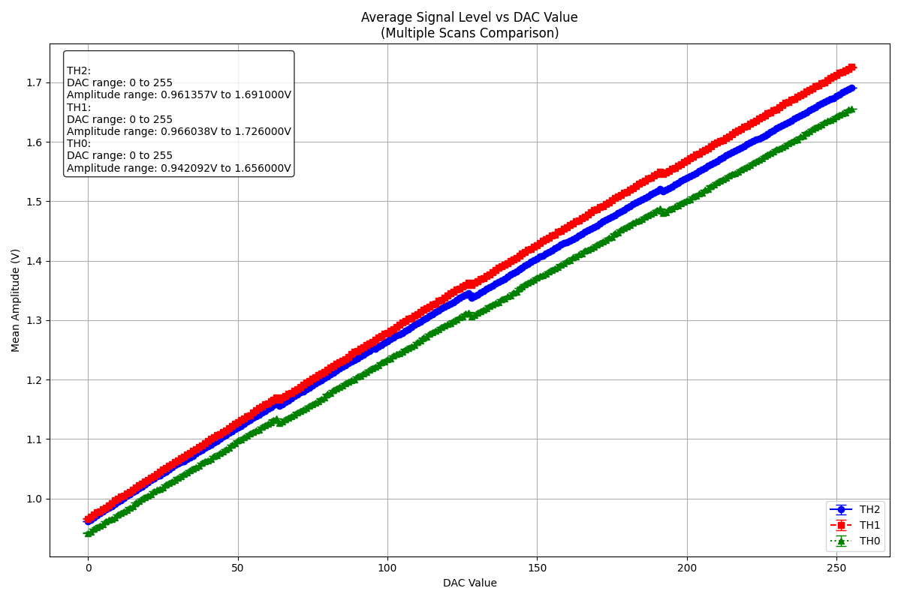
216 | 1.547759 | 192 |  | 203 |  | 0.108241 | 1774.5821248 |  |  | 616608.935
215 | 1.545853 | 191 |  | 202 |  | 0.110147 | 1805.830483 |  |  | 631458.85125
214 | 1.543603 | 190 |  | 201 |  | 0.112397 | 1842.7186287 |  |  | 646308.7675
213 | 1.539502 | 189 |  | 200 |  | 0.116498 | 1909.9534223 |  |  | 661158.68375
212 | 1.537719 | 188 |  | 199 |  | 0.118281 | 1939.1852284 | 37.5 | 676008.6 | 676008.6
211 | 1.534605 | 187 |  | 198 |  | 0.121395 | 1990.2384221 |  |  | 692456.93857
210 | 1.532455 | 186 |  | 197 |  | 0.123545 | 2025.4870947 |  |  | 708905.27714
209 | 1.528415 | 185 |  | 196 |  | 0.127585 | 2091.7218096 |  |  | 725353.61571
208 | 1.526252 | 184 |  | 195 |  | 0.129748 | 2127.1836137 |  |  | 741801.95429
207 | 1.521081 | 183 |  | 194 |  | 0.134919 | 2211.96077 |  |  | 758250.29286
206 | 1.518903 | 182 |  | 193 |  | 0.137097 | 2247.668495 |  |  | 774698.63143
205 | 1.514609 | 181 |  | 192 |  | 0.141391 | 2318.0674718 | 37 | 791146.97 | 791146.97
204 | 1.512635 | 180 |  | 191 |  | 0.143365 | 2350.4306716 |  |  | 805350.8875
203 | 1.509904 | 179 |  | 190 |  | 0.146096 | 2395.2046832 |  |  | 819554.805
202 | 1.507703 | 178 |  | 189 |  | 0.148297 | 2431.2894871 |  |  | 833758.7225
201 | 1.503533 | 177 |  | 188 |  | 0.152467 | 2499.6555171 |  |  | 847962.64
200 | 1.501505 | 176 |  | 187 |  | 0.154495 | 2532.9040325 |  |  | 862166.5575
199 | 1.499423 | 175 |  | 186 |  | 0.156577 | 2567.0378633 |  |  | 876370.475
198 | 1.497384 | 174 |  | 185 |  | 0.158616 | 2600.4667207 |  |  | 890574.3925
197 | 1.493362 | 173 |  | 184 |  | 0.162638 | 2666.4063305 | 36.5 | 904778.31 | 904778.31
196 | 1.491207 | 172 |  | 183 |  | 0.164793 | 2701.7369767 |  |  | 915903.247
195 | 1.488509 | 171 |  | 182 |  | 0.167491 | 2745.9699621 |  |  | 927028.184
194 | 1.486158 | 170 |  | 181 |  | 0.168446 | 2761.6269307 |  |  | 938153.121
193 | 1.482197 | 169 |  | 180 |  | 0.169842 | 2784.5139757 |  |  | 949278.058
192 | 1.479949 | 168 |  | 179 |  | 0.170787 | 2800.0069969 |  |  | 960402.995
191 | 1.487554 | 167 |  | 178 |  | 0.173803 | 2849.4535069 |  |  | 971527.932
190 | 1.485213 | 166 |  | 177 |  | 0.17468 | 2863.8316864 |  |  | 982652.869
189 | 1.48132 | 165 |  | 176 |  | 0.176051 | 2886.3088632 |  |  | 993777.806
188 | 1.479177 | 164 |  | 175 |  | 0.176823 | 2898.9655959 |  |  | 1004902.743
187 | 1.476337 | 163 |  | 174 |  | 0.179663 | 2945.5266331 | 36 | 1016027.68 | 1016027.68
186 | 1.474109 | 162 |  | 173 |  | 0.181891 | 2982.0540948 |  |  | 1028516.4644
185 | 1.470147 | 161 |  | 172 |  | 0.185853 | 3047.0100207 |  |  | 1041005.2489
184 | 1.46785 | 160 |  | 171 |  | 0.18815 | 3084.6687188 |  |  | 1053494.0333
183 | 1.465901 | 159 |  | 170 |  | 0.190099 | 3116.6220503 |  |  | 1065982.8178
182 | 1.463648 | 158 |  | 169 |  | 0.192352 | 3153.5593803 |  |  | 1078471.6022
181 | 1.45983 | 157 |  | 168 |  | 0.19617 | 3216.1544649 |  |  | 1090960.3867
180 | 1.457519 | 156 |  | 167 |  | 0.198481 | 3254.0426892 |  |  | 1103449.1711
179 | 1.454618 | 155 |  | 166 |  | 0.201382 | 3301.6038051 |  |  | 1115937.9556
178 | 1.452461 | 154 |  | 165 |  | 0.203539 | 3336.9672408 | 35.5 | 1128426.74 | 1128426.74
177 | 1.448167 | 153 |  | 164 |  | 0.207833 | 3407.3662175 |  |  | 1139634.0222
176 | 1.445802 | 152 |  | 163 |  | 0.210198 | 3446.1397574 |  |  | 1150841.3044
175 | 1.440605 | 151 |  | 162 |  | 0.215395 | 3531.3431766 |  |  | 1162048.5867
174 | 1.438796 | 150 |  | 161 |  | 0.217204 | 3561.0012458 |  |  | 1173255.8689
173 | 1.434575 | 149 |  | 160 |  | 0.221425 | 3630.2034072 |  |  | 1184463.1511
172 | 1.432216 | 148 |  | 159 |  | 0.223784 | 3668.8785786 |  |  | 1195670.4333
171 | 1.429516 | 147 |  | 158 |  | 0.226484 | 3713.1443535 |  |  | 1206877.7156
170 | 1.427214 | 146 |  | 157 |  | 0.228786 | 3750.8850252 |  |  | 1218084.9978
169 | 1.423093 | 145 |  | 156 |  | 0.232907 | 3818.4477134 | 35 | 1229292.28 | 1229292.28
168 | 1.420954 | 144 |  | 155 |  | 0.235046 | 3853.516044 |  |  | 1242578.71
167 | 1.419074 | 143 |  | 154 |  | 0.236926 | 3884.3381391 |  |  | 1255865.14
166 | 1.416839 | 142 |  | 153 |  | 0.239161 | 3920.9803638 |  |  | 1269151.57
165 | 1.412587 | 141 |  | 152 |  | 0.243413 | 3990.6907619 |  |  | 1282438
164 | 1.410698 | 140 |  | 151 |  | 0.245302 | 4021.6604095 |  |  | 1295724.43
163 | 1.407497 | 139 |  | 150 |  | 0.248503 | 4074.1399448 |  |  | 1309010.86
162 | 1.405566 | 138 |  | 149 |  | 0.250434 | 4105.7981712 |  |  | 1322297.29
161 | 1.401343 | 137 |  | 148 |  | 0.254657 | 4175.0331221 | 34.5 | 1335583.72 | 1335583.72
160 | 1.399213 | 136 |  | 147 |  | 0.256787 | 4209.9539 |  |  | 1346217.4989
159 | 1.395732 | 135 |  | 146 |  | 0.260268 | 4267.0239601 |  |  | 1356851.2778
158 | 1.393691 | 134 |  | 145 |  | 0.262309 | 4300.485607 |  |  | 1367485.0567
ADC vs Energy (MeV)
 | ADC versus Energy (MeV) Simulated Data Srim
 | 522.40172232
 | 655.96959929
 | 877.15092103
 | 1226.2111479
 | 1594.4204211
 | 1939.1852284
 | 2318.0674718
 | 2666.4063305
 | 2945.5266331
 | 3336.9672408
 | 3818.4477134
 | 4175.0331221
 | 4593.9185101
 | 4949.389077
 | 5406.4250051
 | 5727.8273201
 | 5983.6834988
157 | 1.389438 | 133 |  | 144 |  | 0.266562 | 4370.2123998 |  |  | 1378118.8356
156 | 1.387609 | 132 |  | 143 |  | 0.268391 | 4400.1983636 |  |  | 1388752.6144
155 | 1.384598 | 131 |  | 142 |  | 0.271402 | 4449.5628999 |  |  | 1399386.3933
154 | 1.382333 | 130 |  | 141 |  | 0.273667 | 4486.6969666 |  |  | 1410020.1722
153 | 1.377985 | 129 |  | 140 |  | 0.278015 | 4557.9812588 |  |  | 1420653.9511
152 | 1.375793 | 128 |  | 139 |  | 0.280207 | 4593.9185101 | 34 | 1431287.73 | 1431287.73
151 | 1.374027 | 127 |  | 138 |  | 0.281973 | 4622.8716058 |  |  | 1443439.9912
150 | 1.371789 | 126 |  | 137 |  | 0.284211 | 4659.5630148 |  |  | 1455592.2525
149 | 1.367517 | 125 |  | 136 |  | 0.288483 | 4729.6013075 |  |  | 1467744.5137
148 | 1.365438 | 124 |  | 135 |  | 0.290562 | 4763.6859541 |  |  | 1479896.775
147 | 1.36243 | 123 |  | 134 |  | 0.29357 | 4813.0013063 |  |  | 1492049.0362
146 | 1.360411 | 122 |  | 133 |  | 0.295589 | 4846.102269 |  |  | 1504201.2975
145 | 1.356196 | 121 |  | 132 |  | 0.299804 | 4915.206062 |  |  | 1516353.5587
144 | 1.354111 | 120 |  | 131 |  | 0.301889 | 4949.389077 | 33.5 | 1528505.82 | 1528505.82
143 | 1.348401 | 119 |  | 130 |  | 0.307599 | 5043.0029935 |  |  | 1538660.6356
142 | 1.34636 | 118 |  | 129 |  | 0.30964 | 5076.4646404 |  |  | 1548815.4511
141 | 1.341894 | 117 |  | 128 |  | 0.314106 | 5149.6835109 |  |  | 1558970.2667
140 | 1.339825 | 116 |  | 127 |  | 0.316175 | 5183.6042103 |  |  | 1569125.0822
139 | 1.337073 | 115 |  | 126 |  | 0.318927 | 5228.7225112 |  |  | 1579279.8978
138 | 1.33477 | 114 |  | 125 |  | 0.32123 | 5266.4795776 |  |  | 1589434.7133
137 | 1.330604 | 113 |  | 124 |  | 0.325396 | 5334.7800288 |  |  | 1599589.5289
136 | 1.32838 | 112 |  | 123 |  | 0.32762 | 5371.2419115 |  |  | 1609744.3444
135 | 1.326234 | 111 |  | 122 |  | 0.329766 | 5406.4250051 | 33 | 1619899.16 | 1619899.16
134 | 1.324343 | 110 |  | 121 |  | 0.331657 | 5437.4274423 |  |  | 1630063.7978
133 | 1.31996 | 109 |  | 120 |  | 0.33604 | 5509.2855501 |  |  | 1640228.4356
132 | 1.317755 | 108 |  | 119 |  | 0.338245 | 5545.4359329 |  |  | 1650393.0733
131 | 1.314755 | 107 |  | 118 |  | 0.341245 | 5594.6201272 |  |  | 1660557.7111
130 | 1.312359 | 106 |  | 117 |  | 0.342976 | 5622.9994073 |  |  | 1670722.3489
129 | 1.308191 | 105 |  | 116 |  | 0.343641 | 5633.9019037 |  |  | 1680886.9867
128 | 1.306016 | 104 |  | 115 |  | 0.345099 | 5657.8054222 |  |  | 1691051.6244
127 | 1.313024 | 103 |  | 114 |  | 0.347809 | 5702.2351444 |  |  | 1701216.2622
126 | 1.310901 | 102 |  | 113 |  | 0.34937 | 5727.8273201 | 32.5 | 1711380.9 | 1711380.9
125 | 1.30663 | 101 |  | 112 |  | 0.349984 | 5737.8936852 |  |  | 1724092.8886
124 | 1.304487 | 100 |  | 111 |  | 0.351513 | 5762.9612296 |  |  | 1736804.8771
123 | 1.301552 | 99 |  | 110 |  | 0.354448 | 5811.0797663 |  |  | 1749516.8657
122 | 1.299272 | 98 |  | 109 |  | 0.356728 | 5848.459754 |  |  | 1762228.8543
121 | 1.295028 | 97 |  | 108 |  | 0.360972 | 5918.0389942 |  |  | 1774940.8429
120 | 1.293012 | 96 |  | 107 |  | 0.362988 | 5951.0907727 |  |  | 1787652.8314
119 | 1.291024 | 95 |  | 106 |  | 0.364976 | 5983.6834988 | 32 | 1800364.82 | 1800364.82
118 | 1.288524 | 94 |  | 105 |  | 0.367476 | 6024.6703274
117 | 1.284384 | 93 |  | 104 |  | 0.371616 | 6092.5445155
116 | 1.282119 | 92 |  | 103 |  | 0.373881 | 6129.6785822
115 | 1.279246 | 91 |  | 102 |  | 0.376754 | 6176.7806456
114 | 1.277161 | 90 |  | 101 |  | 0.378839 | 6210.9636607
113 | 1.272648 | 89 |  | 100 |  | 0.383352 | 6284.9530836
112 | 1.270427 | 88 |  | 99 |  | 0.385573 | 6321.3657821
111 | 1.26532 | 87 |  | 98 |  | 0.39068 | 6405.0936755 | 31.5 | 1881606.38
110 | 1.263014 | 86 |  | 97 |  | 0.392986 | 6442.8999262
109 | 1.258643 | 85 |  | 96 |  | 0.397357 | 6514.5612973
108 | 1.256279 | 84 |  | 95 |  | 0.399721 | 6553.3184424
107 | 1.253364 | 83 |  | 94 |  | 0.402636 | 6601.1090845
106 | 1.251234 | 82 |  | 93 |  | 0.404766 | 6636.0298625
105 | 1.247114 | 81 |  | 92 |  | 0.408886 | 6703.576156
104 | 1.24475 | 80 |  | 91 |  | 0.41125 | 6742.3333011 | 31 | 1966669.19
103 | 1.242772 | 79 |  | 90 |  | 0.413228 | 6774.7620799
102 | 1.240456 | 78 |  | 89 |  | 0.415544 | 6812.7322778
101 | 1.236168 | 77 |  | 88 |  | 0.419832 | 6883.0328862
100 | 1.233776 | 76 |  | 87 |  | 0.422224 | 6922.2490838
99 | 1.230858 | 75 |  | 86 |  | 0.425142 | 6970.0889101
98 | 1.228801 | 74 |  | 85 |  | 0.427199 | 7003.8128727
97 | 1.224435 | 73 |  | 84 |  | 0.431565 | 7075.3922701 | 30.5 | 2049825.53
96 | 1.222246 | 72 |  | 83 |  | 0.433754 | 7111.2803372
95 | 1.218966 | 71 |  | 82 |  | 0.437034 | 7165.0550563
94 | 1.216615 | 70 |  | 81 |  | 0.439385 | 7203.5990699
93 | 1.212372 | 69 |  | 80 |  | 0.443628 | 7273.1619154
92 | 1.210056 | 68 |  | 79 |  | 0.445944 | 7311.1321134
91 | 1.207145 | 67 |  | 78 |  | 0.448855 | 7358.8571766
90 | 1.204957 | 66 |  | 77 |  | 0.451043 | 7394.7288489
89 | 1.200674 | 65 |  | 76 |  | 0.455326 | 7464.9474836
88 | 1.198501 | 64 |  | 75 |  | 0.457499 | 7500.573235
87 | 1.196335 | 63 |  | 74 |  | 0.459665 | 7536.0842233
86 | 1.193805 | 62 |  | 73 |  | 0.462195 | 7577.5628938
85 | 1.189923 | 61 |  | 72 |  | 0.466077 | 7641.2072413
84 | 1.187709 | 60 |  | 71 |  | 0.468291 | 7677.5051766
83 | 1.18456 | 59 |  | 70 |  | 0.47144 | 7729.1321859
82 | 1.182433 | 58 |  | 69 |  | 0.473567 | 7764.0037797
81 | 1.177952 | 57 |  | 68 |  | 0.478048 | 7837.4685712
80 | 1.175746 | 56 |  | 67 |  | 0.480254 | 7873.6353488
79 | 1.170275 | 55 |  | 66 |  | 0.485725 | 7963.3309244
78 | 1.16785 | 54 |  | 65 |  | 0.48815 | 8003.0881481
77 | 1.163982 | 53 |  | 64 |  | 0.492018 | 8066.5029693
76 | 1.161486 | 52 |  | 63 |  | 0.494514 | 8107.424219
75 | 1.158518 | 51 |  | 62 |  | 0.497482 | 8156.0837819
74 | 1.155982 | 50 |  | 61 |  | 0.500018 | 8197.6608208
73 | 1.15187 | 49 |  | 60 |  | 0.50413 | 8265.0759564
72 | 1.149573 | 48 |  | 59 |  | 0.506427 | 8302.7346545
71 | 1.147673 | 47 |  | 58 |  | 0.508327 | 8333.8846442
70 | 1.145254 | 46 |  | 57 |  | 0.510746 | 8373.5434996
69 | 1.140841 | 45 |  | 56 |  | 0.515159 | 8445.8934494
68 | 1.138736 | 44 |  | 55 |  | 0.517264 | 8480.404359
67 | 1.135564 | 43 |  | 54 |  | 0.520436 | 8532.4084471
66 | 1.133488 | 42 |  | 53 |  | 0.521156 | 8544.2126538
65 | 1.129042 | 41 |  | 52 |  | 0.522512 | 8566.4439096
64 | 1.126789 | 40 |  | 51 |  | 0.523372 | 8580.5433786
63 | 1.134844 | 39 |  | 50 |  | 0.526958 | 8639.3348855
62 | 1.132628 | 38 |  | 49 |  | 0.527668 | 8650.9751448
61 | 1.128332 | 37 |  | 48 |  | 0.529211 | 8676.2722154
60 | 1.125973 | 36 |  | 47 |  | 0.530027 | 8689.6503163
59 | 1.122869 | 35 |  | 46 |  | 0.533131 | 8740.5395626
58 | 1.120557 | 34 |  | 45 |  | 0.535443 | 8778.4441817
57 | 1.116261 | 33 |  | 44 |  | 0.539739 | 8848.8759479
56 | 1.114177 | 32 |  | 43 |  | 0.541823 | 8883.0425682
55 | 1.111862 | 31 |  | 42 |  | 0.544138 | 8920.9963715
54 | 1.109753 | 30 |  | 41 |  | 0.546247 | 8955.5728601
53 | 1.105178 | 29 |  | 40 |  | 0.550822 | 9030.5787564
52 | 1.10282 | 28 |  | 39 |  | 0.55318 | 9069.2375331
51 | 1.099862 | 27 |  | 38 |  | 0.556138 | 9117.7331487
50 | 1.097443 | 26 |  | 37 |  | 0.558557 | 9157.392004
49 | 1.092982 | 25 |  | 36 |  | 0.563018 | 9230.5289009
48 | 1.090805 | 24 |  | 35 |  | 0.565195 | 9266.2202313
47 | 1.085127 | 23 |  | 34 |  | 0.570873 | 9359.3095163
46 | 1.082859 | 22 |  | 33 |  | 0.573141 | 9396.4927672
45 | 1.078571 | 21 |  | 32 |  | 0.577429 | 9466.7933756
44 | 1.07635 | 20 |  | 31 |  | 0.57965 | 9503.2060741
43 | 1.073327 | 19 |  | 30 |  | 0.582673 | 9552.7673472
42 | 1.070994 | 18 |  | 29 |  | 0.585006 | 9591.0162556
41 | 1.066579 | 17 |  | 28 |  | 0.589421 | 9663.3989949
40 | 1.064384 | 16 |  | 27 |  | 0.591616 | 9699.3854304
39 | 1.062167 | 15 |  | 26 |  | 0.593833 | 9735.73255
38 | 1.059942 | 14 |  | 25 |  | 0.596058 | 9772.2108274
37 | 1.055548 | 13 |  | 24 |  | 0.600452 | 9844.2492773
36 | 1.053113 | 12 |  | 23 |  | 0.602887 | 9884.1704484
35 | 1.050041 | 11 |  | 22 |  | 0.605959 | 9934.5350633
34 | 1.047941 | 10 |  | 21 |  | 0.608059 | 9968.9639993
33 | 1.043242 | 9 |  | 20 |  | 0.612758 | 10046.002842
32 | 1.040989 | 8 |  | 19 |  | 0.615011 | 10082.940172
31 | 1.037666 | 7 |  | 18 |  | 0.618334 | 10137.419865
30 | 1.035408 | 6 |  | 17 |  | 0.620592 | 10174.439168
29 | 1.030782 | 5 |  | 16 |  | 0.625218 | 10250.281196
28 | 1.028457 | 4 |  | 15 |  | 0.627543 | 10288.398947
27 | 1.025446 | 3 |  | 14 |  | 0.630554 | 10337.763483
26 | 1.023074 | 2 |  | 13 |  | 0.632926 | 10376.651786
25 | 1.018565 | 1 |  | 12 |  | 0.637435 | 10450.57563
24 | 1.016247 | 0 |  | 11 |  | 0.639753 | 10488.578617
23 | 1.014248 | -1 |  | 10 |  | 0.641752 | 10521.351685
22 | 1.012022 | -2 |  | 9 |  | 0.643978 | 10557.846358
21 | 1.007501 | -3 |  | 8 |  | 0.648499 | 10631.966938
20 | 1.005243 | -4 |  | 7 |  | 0.650757 | 10668.986242
19 | 1.002036 | -5 |  | 6 |  | 0.653964 | 10721.564146
18 | 0.999704 | -6 |  | 5 |  | 0.656296 | 10759.796659
17 | 0.995234 | -7 |  | 4 |  | 0.660766 | 10833.081109
16 | 0.992921 | -8 |  | 3 |  | 0.663079 | 10871.002123
15 | 0.987247 | -9 |  | 2 |  | 0.668753 | 10964.025829
14 | 0.985027 | -10 |  | 1 |  | 0.670973 | 11000.422133
13 | 0.980493 | -11 |  | 0 |  | 0.675507 | 11074.755845
12 | 0.978153 | -12 |  | -1 |  | 0.677847 | 11113.119516
11 | 0.975088 | -13 |  | -2 |  | 0.680912 | 11163.369368
10 | 0.972605 | -14 |  | -3 |  | 0.683395 | 11204.077486
9 | 0.96806 | -15 |  | -4 |  | 0.68794 | 11278.591541
8 | 0.96582 | -16 |  | -5 |  | 0.69018 | 11315.315739
7 | 0.963611 | -17 |  | -6 |  | 0.692389 | 11351.531701
6 | 0.961422 | -18 |  | -7 |  | 0.694578 | 11387.419768
5 | 0.956874 | -19 |  | -8 |  | 0.699126 | 11461.983007
4 | 0.95466 | -20 |  | -9 |  | 0.70134 | 11498.280942
3 | 0.951358 | -21 |  | -10 |  | 0.704642 | 11552.416345
2 | 0.949236 | -22 |  | -11 |  | 0.706764 | 11587.205965
1 | 0.944418 | -23 |  | -12 |  | 0.711582 | 11666.195781
0 | 0.942092 | -24 |  | -13 |  | 0.713908 | 11704.329927

