suggested
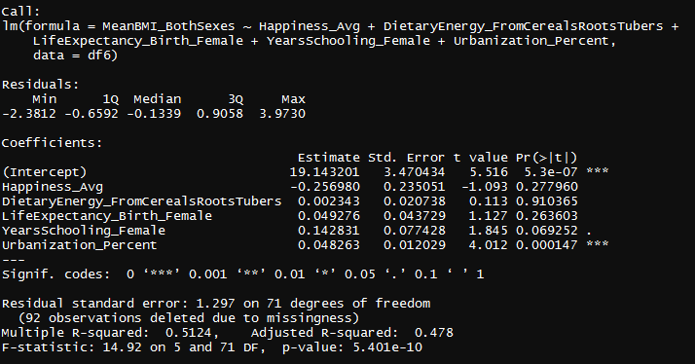
Variables | Number
Happiness_Avg | 28
DietaryEnergy_FromCerealsRootsTubers | 49

LifeExpectancy_Birth_Female | 19
YearsSchooling_Female | 10
FoodPrice_Index | 48
Under.Five.Mortality..Probability. | 6

Urbanization_Percent | 27

