Notation
NOTATION

Subscript j indicates values computed for a given flow discharge, paramters with no subscript refer to mean annual values

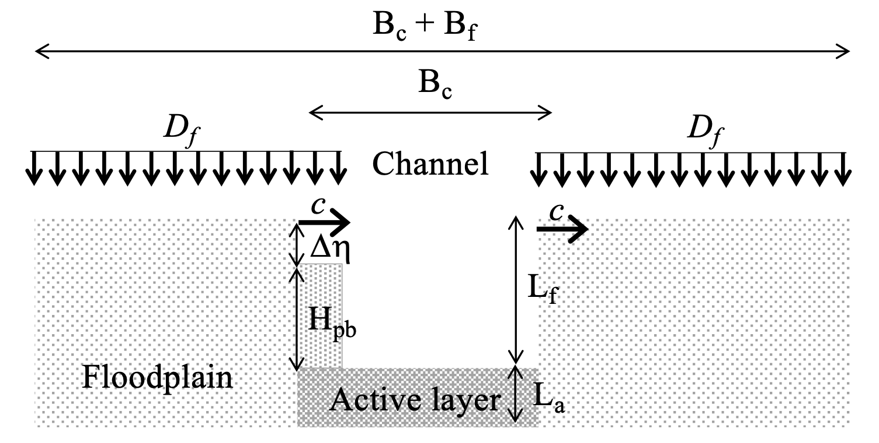
G_s | Mean annual sand load (tons/yr)
G_m | Mean annual mud load (tons/yr)
Q_s | Mean annual sand load (m3/s)
Q_m | Mean annual mud load (m3/s)
B_f | Floodplain width (m)
B_c | Channel width (m)
S | Bed slope (m/m)
L_f | Floodplain thickness (m)
d_s | Sand diameter (m)
d_m | Mud grain size (m)
R | Submerged specific gravity of the sediment (-)
L_a | Active layer thickness (m)
porosity | Bulk porosity of the system (-)
a_bedload | Fraction of the total load transported as bedload (-)
vs_s | Sand settling velocity (m/s)
Cz_c | Chezy coefficient for the channel (-)
C_f,f | Friction coefficient for the floodplain (-)
$$C_{fc}=1/{C_{zc}^{2}}$$
C_f,c | Friction coefficient for the channel (-)
k_c | Roughness height (m)
u* | Shear velocity (m/s)
z | Nearly vertical coordinate upward normal from the channel bed (m)
z_b | Elevation above the channel bed where the near bed volumetric concentration of suspended sand is computed (m)
z | Non-dimensional elevation above the channel bed (z/Hc) (-)
z_b | Non-dimensional elevation above the channel bed (zb/Hc) where the near bed volumetric concentration of suspended sand is computed (-)
$$I=\int_{ζ_{b}}^{1}{{\left[\frac{{\left(1−ζ\right)}/ζ}{\left(1−ζ_{b}\right)/ζ_{b}}\right]}^{\frac{{vs}_{,s}}{κu^{∗}}}ln\left(30\frac{H_{c}}{k_{c}}ζ\right)dζ}$$
k | von Karman constant equal to 0.4 (-)
$$c_{b,s}=\frac{κQ_{s}}{B_{c}u^{∗}H_{c}I}$$
conc | Volumetric suspended sand concentration at elevation z above the channel bed (-) [Parker, 2004]
c_b,s | Near bed volumetric concentration of suspended sand (-) [Parker, 2004]
Q_w | Water discharge (m3/s)
$$C_{s}=\frac{\int_{L_{f}/H_{c}}^{1}{conc dζ}}{\int_{L_{f}/H_{c}}^{1}{dζ}}$$
$$\frac{conc}{c_{b,s}}={\left[\frac{{\left(1−ζ\right)}/ζ}{\left(1−ζ_{b}\right)/ζ_{b}}\right]}^{\frac{{vs}_{,s}}{κu^{∗}}}$$
Q_w,f | Water discharge on the floodplain (m3/s)
$$C_{m}=\frac{Q_{m}}{Q_{w}−Q_{w,f}}$$
C_s | Vertically averaged volumetric suspended sand concentration in the channel above the floodplain (-) [Parker, 2004]
C_m | Vertically averaged volumetric suspended mud concentration in the channel above the floodplain (-) [Parker, 2002]
p | Fraction of the year in which the discharge is equal to Q_w (-)
H_c | Water depth in the channel (m)
H_f | Water depth on the floodplain (m)
$$τ^{∗}={H_{c}S}/{Rd_{s}}$$
t* | Shields number (-)
Fl_s | Floodplain number for the sand (-)
Fl_m | Floodplain number for the mud (-)
$$Q_{s,j}=\sqrt{Rgd_{s}}d_{s}B_{c}\frac{α_{EH}}{C_{fc}}{\left(τ_{j}^{∗}\right)}^{n_{EH}}$$
a_EH | Coefficient of the Engelund and Hansen -type load relation (-)
n_EH | Exponent of the Engelund and Hansen -type load relation (-)
$$G_{m,j}=a_{m}Q_{w,j}^{n_{m}}$$
a_m | Coefficient of the power law used to express the mud rating curve with flow discharge in m3/s and mud load in metric tons/yr [tons*s/(m3*yr)]
b_m | Exponent of the power law used to express the mud rating curve with flow discharge in m3/s and mud load in metric tons/yr.(-)
W | Reach averaged sinuosity (-)
$$F_{pb,k}=\frac{β_{k}Q_{k,av}}{\sum_{k=1}^{2}{β_{k}Q_{k,av}}}$$
b_s | Parameter to estimate the amount of sand in point bar deposits (-) | k = subscript that can be s (sand) or m (mud)
b_m | Parameter to estimate the amount of mud in point bar deposits (-)
g | Acceleration of gravity (m/s2)
p_s | Volume fraction content of sand in the load (-)
p_m | Volume fraction content of mud in the load (-)
$$S_{f}=ΩS$$
S_f | Downvalley slope (m/m)
F_f,s | Volume fraction content of sand in the floodplain (-)
F_f,m | Volume fraction content of mud in the floodplain (-)
F_pb,s | Volume fraction content of sand in point bars (-)
F_pb,m | Volume fraction content of mud in point bars (-)
$$D_{f,k}={Fl}_{k}\frac{Q_{w,f}}{B_{f}}C_{k}$$
D_f,s | Overbank deposition rate of sand (m2/s or mm/yr when expressed per unit floodplain width) [Parker, 1996]
D_f,m | Overbank deposition rate of mud (m2/s or mm/yr when expressed per unit floodplain width) [Parker, 1996]
D_f | Overbank deposition rate of sand and mud (mm/yr)
Q_bf | Bankfull discharge (m3/s)
Q_s,bf | Sand transport capacity at bankfull flow (m3/s)
H_bf | Bankfull depth, equal to L_f (m)
Fr_bf | Bankfull Froude number (-)
t*_bf | Bankfull Shields number (-)
U_bf | Bankfull velocity (m/s)
c | Channel migration rate (m/yr or m/s)
H_pb | Point bar height (m) [Ikeda et al., 1981]
Dh | Difference in elevation between point bar and floodplain (m) [Parker, 2002]

Calculation_of_the_flow
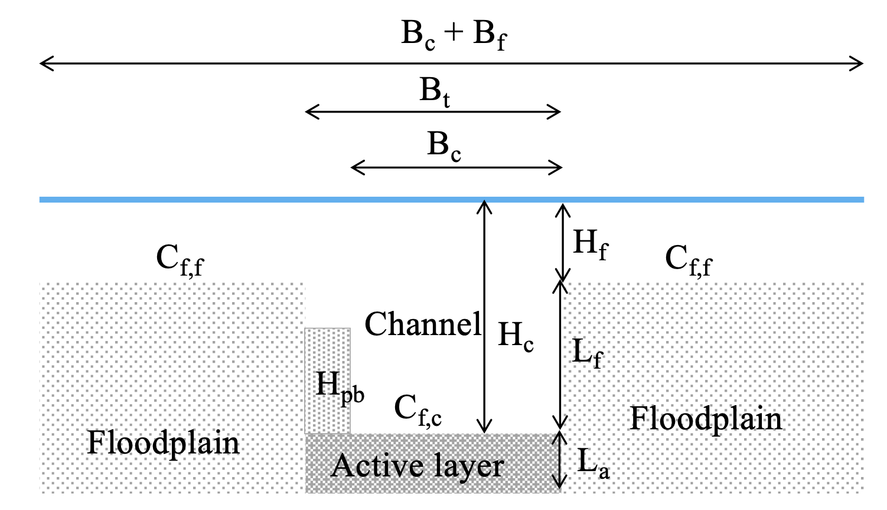
CALCULATION OF THE FLOW |  | Known paramters
 |  | C_f,f | Friction coefficient for the floodplain (-)
 |  | C_f,c | Friction coefficient for the channel (-)
 |  | Q_w | Water discharge (m3/s)
 |  | B_f | Floodplain width (m)
 |  | B_c | Channel width (m)
 |  | S | Bed slope (m/m)
 |  | L_f | Floodplain thickness (m)
 |  | W | Reach averaged sinuosity (-)
 |  | S_f | Downvalley slope (m/m)

 |  | Unkowns
 |  | Q_w,c | Water discharge in the channel(m3/s)
 |  | Q_w,f | Water discharge on the floodplain (m3/s)
 |  | H_c | Water depth in the channel (m)
 |  | H_f | Water depth on the floodplain (m)

If H_c <= L_f
$$Q_{w,c}=Q_{w}$$
$$Q_{w,f}=0$$
$$H_{f}=0$$

 | solve
$$H_{c}={\left(\frac{C_{f,c}Q_{w}^{2}}{B_{c}^{2}gS}\right)}^{1/3}$$

If H_c > L_f

 | iteratively solve
$$H_{c}={\left(\frac{C_{f,c}Q_{w,c}^{2}}{B_{c}^{2}gS}\right)}^{1/3}$$
$$H_{f}={\left(\frac{C_{f,c}Q_{w,f}^{2}}{B_{c}^{2}gS_{f}}\right)}^{1/3}$$

 | with the constaints
$$H_{c}=L_{f}+H_{f}$$
$$Q_{w}=Q_{w,c}+Q_{w,f}$$

