Notation
NOTATION

Subscript j indicates values computed for a given flow discharge, paramters with no subscript refer to mean annual values

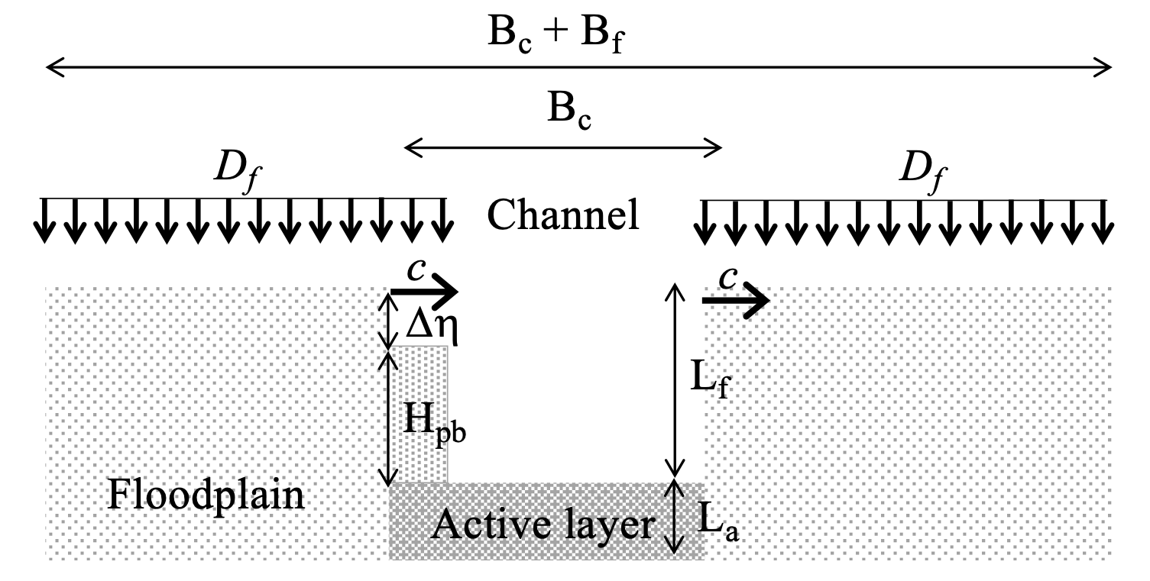
G_s | Mean annual sand load (tons/yr)
G_m | Mean annual mud load (tons/yr)
Q_s | Mean annual sand load (m3/s)
Q_m | Mean annual mud load (m3/s)
B_f | Floodplain width (m)
B_c | Channel width (m)
S | Bed slope (m/m)
L_f | Floodplain thickness (m)
d_s | Sand diameter (m)
d_m | Mud grain size (m)
R | Submerged specific gravity of the sediment (-)
L_a | Active layer thickness (m)
porosity | Bulk porosity of the system (-)
a_bedload | Fraction of the total load transported as bedload (-)
vs_s | Sand settling velocity (m/s)
Cz_c | Chezy coefficient for the channel (-)
C_f,f | Friction coefficient for the floodplain (-)
$$C_{fc}=1/{C_{zc}^{2}}$$
C_f,c | Friction coefficient for the channel (-)
k_c | Roughness height (m)
u* | Shear velocity (m/s)
z | Nearly vertical coordinate upward normal from the channel bed (m)
z_b | Elevation above the channel bed where the near bed volumetric concentration of suspended sand is computed (m)
z | Non-dimensional elevation above the channel bed (z/Hc) (-)
z_b | Non-dimensional elevation above the channel bed (zb/Hc) where the near bed volumetric concentration of suspended sand is computed (-)
$$I=\int_{ζ_{b}}^{1}{{\left[\frac{{\left(1−ζ\right)}/ζ}{\left(1−ζ_{b}\right)/ζ_{b}}\right]}^{\frac{{vs}_{,s}}{κu^{∗}}}ln\left(30\frac{H_{c}}{k_{c}}ζ\right)dζ}$$
k | von Karman constant equal to 0.4 (-)
$$c_{b,s}=\frac{κQ_{s}}{B_{c}u^{∗}H_{c}I}$$
conc | Volumetric suspended sand concentration at elevation z above the channel bed (-) [Parker, 2004]
c_b,s | Near bed volumetric concentration of suspended sand (-) [Parker, 2004]
Q_w | Water discharge (m3/s)
$$C_{s}=\frac{\int_{L_{f}/H_{c}}^{1}{conc dζ}}{\int_{L_{f}/H_{c}}^{1}{dζ}}$$
$$\frac{conc}{c_{b,s}}={\left[\frac{{\left(1−ζ\right)}/ζ}{\left(1−ζ_{b}\right)/ζ_{b}}\right]}^{\frac{{vs}_{,s}}{κu^{∗}}}$$
Q_w,f | Water discharge on the floodplain (m3/s)
$$C_{m}=\frac{Q_{m}}{Q_{w}−Q_{w,f}}$$
C_s | Vertically averaged volumetric suspended sand concentration in the channel above the floodplain (-) [Parker, 2004]
C_m | Vertically averaged volumetric suspended mud concentration in the channel above the floodplain (-) [Parker, 2002]
p | Fraction of the year in which the discharge is equal to Q_w (-)
H_c | Water depth in the channel (m)
H_f | Water depth on the floodplain (m)
$$τ^{∗}={H_{c}S}/{Rd_{s}}$$
t* | Shields number (-)
Fl_s | Floodplain number for the sand (-)
Fl_m | Floodplain number for the mud (-)
$$Q_{s,j}=\sqrt{Rgd_{s}}d_{s}B_{c}\frac{α_{EH}}{C_{fc}}{\left(τ_{j}^{∗}\right)}^{n_{EH}}$$
a_EH | Coefficient of the Engelund and Hansen -type load relation (-)
n_EH | Exponent of the Engelund and Hansen -type load relation (-)
$$G_{m,j}=a_{m}Q_{w,j}^{n_{m}}$$
a_m | Coefficient of the power law used to express the mud rating curve with flow discharge in m3/s and mud load in metric tons/yr [tons*s/(m3*yr)]
b_m | Exponent of the power law used to express the mud rating curve with flow discharge in m3/s and mud load in metric tons/yr.(-)
W | Reach averaged sinuosity (-)
$$F_{pb,k}=\frac{β_{k}Q_{k,av}}{\sum_{k=1}^{2}{β_{k}Q_{k,av}}}$$
b_s | Parameter to estimate the amount of sand in point bar deposits (-) | k = subscript that can be s (sand) or m (mud)
b_m | Parameter to estimate the amount of mud in point bar deposits (-)
z_E,ref | Reference rate of bank erosion (m/yr) [Eke et al., 2014]
z_veg | Rate of vegetal encroachment (m/yr) [Eke et al., 2014]
g | Acceleration of gravity (m/s2)
p_s | Volume fraction content of sand in the load (-)
p_m | Volume fraction content of mud in the load (-)
$$S_{f}=ΩS$$
S_f | Downvalley slope (m/m)
F_f,s | Volume fraction content of sand in the floodplain (-)
F_f,m | Volume fraction content of mud in the floodplain (-)
F_pb,s | Volume fraction content of sand in point bars (-)
F_pb,m | Volume fraction content of mud in point bars (-)
$$D_{f,k}={Fl}_{k}\frac{Q_{w,f}}{B_{f}}C_{k}$$
D_f,s | Overbank deposition rate of sand (m2/s or mm/yr when expressed per unit floodplain width) [Parker, 1996]
D_f,m | Overbank deposition rate of mud (m2/s or mm/yr when expressed per unit floodplain width) [Parker, 1996]
D_f | Overbank deposition rate of sand and mud (mm/yr)
Q_bf | Bankfull discharge (m3/s)
Q_s,bf | Sand transport capacity at bankfull flow (m3/s)
H_bf | Bankfull depth, equal to L_f (m)
Fr_bf | Bankfull Froude number (-)
t*_bf | Bankfull Shields number (-)
I_f | Flow intermittency, i.e. average fraction of the year in which the river is morphologically active (-) [Paola et al., 1992]
RR | Radius of curvature (m)
curv | Curvature (-)
n | kinematic viscosity of water equal to 0.000001 m2/s
Rep | Particle Reynolds number of the sand (-)
t*_c | Critical Shields number for the initiation of sand motion (-)
k_s | Roughness height associated with skin friction (m)
d_bank | Geometric mean size of the bank material (m)
b_slope | Bank slope (-)
U_bf | Bankfull velocity (m/s)
t*_s,bf | Bankfull Shields number associated with skin friction (-)
t*_calc | Bankfull Shields number to be used in the bank migration calculations (-)
u_1 | Lateral flow variation in a linear flow model for a spatially constant curvature channel (-) [Johannesson and Parker, 1989]
U_b1 | Near bank flow velocity (m/s) [Johannesson and Parker, 1989]
U_b2 | Near bank flow velocity (m/s) [Johannesson and Parker, 1989]
t*_b1 | Near bank Shields number (-) [Johannesson and Parker, 1989]
t*_b2 | Near bank Shields number (-) [Johannesson and Parker, 1989]
B_bank | Bank region width (m) [Johannesson and Parker, 1989]
n_bar | Non-dimensional transverse coordinate of the bank (-) [Johannesson and Parker, 1989]
q_s,non | Streamwise non-dimensional bedload transport rate in the bank region (-)
q_n,non | Transverse bedload transport rate in the bank region (-)
z_b1 | Bank migration rate (m/yr) [Eke et al., 2014]
z_b2 | Bank migration rate (m/yr) [Eke et al., 2014]
$$c=0.5\left|ζ_{b1}+ζ_{b2}\right|$$
$$\frac{dB_{c}}{dt}=ζ_{b2}−ζ_{b1}$$
c | Channel migration rate (m/yr or m/s) [Eke et al., 2014]
dBc/dt | Time rate of change of channe width [Eke et al., 2014]
$$H_{pb}=\frac{\left|{Sc}_{fact}\right|L_{f}σ}{2}$$
$$∆η=L_{f}−H_{pb}$$
H_pb | Point bar height (m) [Ikeda et al., 1981]
Dh | Difference in elevation between point bar and floodplain (m) [Parker, 2002]

Calculation_of_the_flow
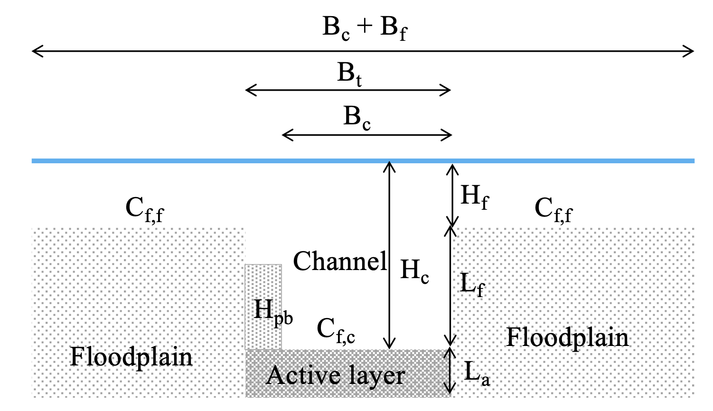
CALCULATION OF THE FLOW |  | Known paramters
 |  | C_f,f | Friction coefficient for the floodplain (-)
 |  | C_f,c | Friction coefficient for the channel (-)
 |  | Q_w | Water discharge (m3/s)
 |  | B_f | Floodplain width (m)
 |  | B_c | Channel width (m)
 |  | S | Bed slope (m/m)
 |  | L_f | Floodplain thickness (m)
 |  | W | Reach averaged sinuosity (-)
 |  | S_f | Downvalley slope (m/m)

 |  | Unkowns
 |  | Q_w,c | Water discharge in the channel(m3/s)
 |  | Q_w,f | Water discharge on the floodplain (m3/s)
 |  | H_c | Water depth in the channel (m)
 |  | H_f | Water depth on the floodplain (m)

If H_c <= L_f
$$Q_{w,c}=Q_{w}$$
$$Q_{w,f}=0$$
$$H_{f}=0$$

 | solve
$$H_{c}={\left(\frac{C_{f,c}Q_{w}^{2}}{B_{c}^{2}gS}\right)}^{1/3}$$

If H_c > L_f

 | iteratively solve
$$H_{c}={\left(\frac{C_{f,c}Q_{w,c}^{2}}{B_{c}^{2}gS}\right)}^{1/3}$$
$$H_{f}={\left(\frac{C_{f,c}Q_{w,f}^{2}}{B_{c}^{2}gS_{f}}\right)}^{1/3}$$

 | with the constaints
$$H_{c}=L_{f}+H_{f}$$
$$Q_{w}=Q_{w,c}+Q_{w,f}$$

Bank_migration_calculation
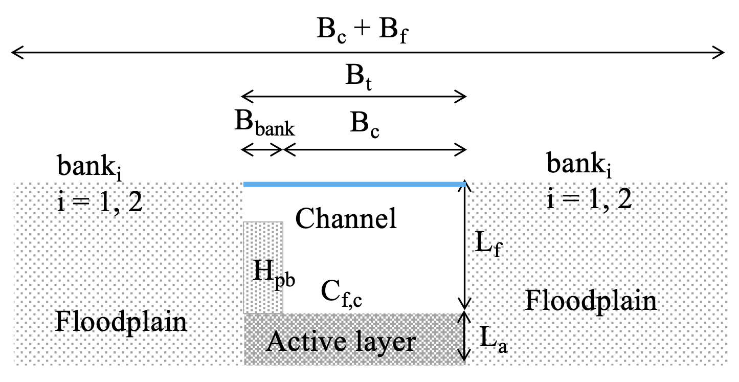
CALCULATION OF POINT BAR HEIGHT, MIGRATION RATE AND CHANGE IN CHANNEL WIDTH
(Ikeda et al., 1981; Johannesson & Parker, 1988, 1989, Paola et al., 1992, Parker, 2004, Wright and Parker, 2005, Eke et al., 2014)

$$Q_{bf}=\sqrt{\frac{gS}{C_{f,c}}}B_{c}L_{f}^{3/2}$$
$$τ_{bf}^{∗}=\frac{L_{f}S}{Rd_{s}}$$
$$U_{bf}=\frac{Q_{bf}}{B_{c}L_{f}}$$
$${Fr}_{bf}=\frac{U_{bf}}{\sqrt{gL_{f}}}$$
Calculation of bankfull parameters |  |  |  | Q_s,av | Mean annual sand load (m3/s)
 |  |  |  | B_c | Channel width (m)
 |  |  |  | S | Bed slope (m/m)
 |  |  |  | L_f | Floodplain thickness (m)
 |  |  |  | d_s | Sand diameter (m)
$$Q_{s,bf}=\frac{α_{EH}}{C_{f,c}}{τ_{bf}^{∗}}^{n_{EH}}\sqrt{Rgd_{s}}d_{s}B_{c}$$
$$I_{f}=\frac{Q_{s.av}}{Q_{s,bf}}$$
 |  |  |  | d_m | Mud grain size (m)
 |  |  |  | R | Submerged specific gravity of the sediment (-)
 |  |  |  | porosity | Bulk porosity of the system (-)
 |  |  |  | a_bedload | Fraction of the total load transported as bedload (-)
Calculation of point bar height and bank coordinate |  |  |  | C_f,c | Friction coefficient for the channel (-)
 |  |  |  | a_EH | Coefficient of the Engelund and Hansen -type load relation (-)
$$H_{pb}=\frac{\left|{Sc}_{fact}\right|L_{f}σ}{2}=\frac{AL_{f}σ}{2}$$
$$∆η=L_{f}−H_{pb}$$
 |  |  |  | n_EH | Exponent of the Engelund and Hansen -type load relation (-)
 |  |  |  | W | Reach averaged sinuosity (-)
 |  |  |  | z_E,ref | Reference rate of bank erosion (m/yr) [Eke et al., 2014]
$$B_{bank}=\frac{H_{pb}}{b_{slope}}$$
$$n_{bar}=\frac{B_{c}+B_{bank}}{B_{c}}$$
 |  |  |  | z_veg | Rate of vegetal encroachment (m/yr) [Eke et al., 2014]
 |  |  |  | g | Acceleration of gravity (m/s2)
 |  |  |  | F_f,s | Volume fraction content of sand in the floodplain (-)
 |  |  |  | F_f,m | Volume fraction content of mud in the floodplain (-)
Bank migration model |  |  |  | Q_bf | Bankfull discharge (m3/s)
 |  |  |  | Q_s,bf | Sand transport capacity at bankfull flow (m3/s)
1) compute the velocity perturbation |  |  |  | H_bf | Bankfull depth, equal to L_f (m)
$$u_{1}=0.5σ\left({Fr}_{bf}^{2}χ_{20}+{Sc}_{fact}−1+{Sec}_{flow}\right)$$
 |  |  |  | Fr_bf | Bankfull Froude number (-)
 |  |  |  | t*_bf | Bankfull Shields number (-)
2) Compute near bank velocity and transport coefficients |  |  |  | I_f | Flow intermittency, i.e. average fraction of the year in which the river is morphologically active (-) [Paola et al., 1992]
 |  |  |  | I_f,ref | Reference flow intermittency for channel migration calculations, set equal to I_f in the calculations [Eke et al., 2014]
 | Bank 1 (i = 1) |  | Bank 2 (i = 2) | RR | Radius of curvature (m) (Langbein & Leopold, 1966)
$$U_{b2}=U_{bf}\left(1+u_{1}\right)$$
 |  |  |  | s | Curvature (-)
$$U_{b1}=U_{bf}\left(1−u_{1}\right)$$
 |  |  |  | n | kinematic viscosity of water equal to 0.000001 m2/s
$${Tr}_{coeff,1}=1−\frac{n_{bar}}{σ}$$
$${Tr}_{coeff,1}=1+\frac{n_{bar}}{σ}$$
 |  |  |  | Rep | Particle Reynolds number of the sand (-)
 |  |  |  | t*_c | Critical Shields number for the initiation of sand motion (-) (Parker, 2004)
 |  |  |  | k_s | Roughness height associated with skin friction (m)
$${Tr}_{coeff,2}=1−σ$$
$${Tr}_{coeff,2}=1+σ$$
 |  |  |  | d_bank | Geometric mean size of the bank material (m)
 |  |  |  | b_slope | Bank slope (-)
$$sss=−1$$
$$sss=1$$
 |  |  |  | U_bf | Bankfull velocity (m/s)
 |  |  |  | t*_s,bf | Bankfull Shields number associated with skin friction (-)
3) Compute bank migration rates (i = bank 1, bank 2) |  |  |  | t*_calc | Bankfull Shields number to be used in the bank migration calculations (-)
 |  |  |  | u_1 | Lateral flow variation in a linear flow model for a spatially constant curvature channel (-) [Johannesson and Parker, 1989]
 | a) determine near-bank Shields number |  |  | U_b1 | Near bank flow velocity (m/s) [Johannesson and Parker, 1989]
$$τ_{bi}^{∗}=\frac{C_{f,c}U_{bi}^{2}}{R{gd}_{s}}$$
$$τ_{ratio,i}^{∗}=\frac{τ_{bi}^{∗}}{τ_{bf}^{∗}}$$
 |  |  |  | U_b2 | Near bank flow velocity (m/s) [Johannesson and Parker, 1989]
 |  |  |  | t*_b1 | Near bank Shields number (-) [Johannesson and Parker, 1989]
 |  |  |  | t*_b2 | Near bank Shields number (-) [Johannesson and Parker, 1989]
 |  |  |  | B_bank | Bank region width (m) [Johannesson and Parker, 1989]
 | b) determine near-bank sand fluxes |  |  | n_bar | Non-dimensional transverse coordinate of the bank (-) [Johannesson and Parker, 1989]
$$q_{s,non,i}=α_{bedload}\frac{α_{EH}}{C_{f,c}}{τ_{bi}^{∗}}^{n_{EH}}$$
 |  |  |  | q_s,non | Streamwise non-dimensional bedload transport rate in the bank region (-)
 |  |  |  | q_n,non | Transverse bedload transport rate in the bank region (-)
 |  |  |  | z_b1 | Bank migration rate (m/yr) [Eke et al., 2014]
$$q_{n,i}=q_{s,non,i}\left|b_{slope}\sqrt{Rgd_{bank}}d_{bank}I_{f}×60×60×24×365.25\right|$$
 |  |  |  | z_b2 | Bank migration rate (m/yr) [Eke et al., 2014]
 |  |  |  | c | Channel migration rate (m/yr or m/s) [Eke et al., 2014]
 |  |  |  | dBc/dt | Time rate of change of channe width [Eke et al., 2014]
 | c) compute migration rates for |  |  | H_pb | Point bar height (m) [Ikeda et al., 1981]
$$ζ_{non,i}={sss}_{i}\frac{q_{n,i}{Tr}_{coeff,2,i}}{{\left(1−porosity\right)H}_{pb}{Tr}_{coeff,1,i}}$$
 |  | i) eroding bank |  | Dh | Difference in elevation between point bar and floodplain (m) [Parker, 2002]

 |  |  |  | Calculation of model paramters
$$ζ_{E,refX,i}={sss}_{i}ζ_{E,ref}$$
 |  |  |  | 1) Radius of curvature, non-dimensional curvature and epsilon
$${XXX}_{i}=I_{f,ref}\left|\frac{ζ_{non,i}}{ζ_{E,refX,i}}\right|$$
$$RR=\frac{12B_{c}Ω^{2/3}}{13\sqrt{Ω−1}}$$
$$σ=\frac{B_{c}}{2RR}$$
$$ε=\frac{C_{f,c}}{2}\frac{B_{c}}{L_{f}}$$

$$ζ_{bi,1}=\frac{I_{f}ζ_{non,i}}{1+\frac{{XXX}_{i}}{τ_{ratio,i}^{∗}−1}}$$
 |  |  |  | 2) bankfull depth and Shields number associated with skin friction
$$H_{bf,s}={\left(\frac{U_{bf}k_{s}^{1/3}}{8.1\sqrt{gS}}\right)}^{3/2}$$
$$τ_{bf,s}^{∗}=\frac{H_{bf,s}S}{Rd_{s}}$$
$$k_{s}=3d_{s}$$
 |  | ii) depositing bank
$$ζ_{bi,2}={sss}_{i}\left(1−I_{f}\right)ζ_{veg}\left(1−τ_{ratio,i}^{∗}\right)$$
 |  |  |  | 3) Shields number to be used in the calculations
$$τ_{calc}^{∗}=min\left\{τ_{bf}^{∗},τ_{bf,s}^{∗}\right\}$$
 |  | iii) stationary bank
$$ζ_{bi,3}=0$$
$${Re}_{p}=\frac{\sqrt{Rgd_{s}}d_{s}}{ν}$$
$$τ_{c}^{∗}=0.5\left(0.22{Re}_{p}^{−0.6}+0.06×{10}^{−7.7{Re}_{p}^{−0.6}}\right)$$
 |  |  |  | 4) Shields number for the initiation of sand motion
 | d) determine if the bank erodes, deposits or stays in a fix position based
 |  | on the magnitude of the near-bank Shields number
$$τ_{ratio,i}^{∗}>1$$
$$ζ_{bi}=ζ_{bi,1}$$
$$τ_{ratio,i}^{∗}<1$$
$$ζ_{bi}=ζ_{bi,2}$$
$$d_{bank}=\frac{2^{\left[\log_{2}\left({1000d}_{s}\right)F_{f,s}+\log_{2}\left({1000d}_{m}\right)F_{f,m}\right]}}{1000}$$
 |  | if | the bank erodes
 |  |  |  | 4) Bank parameters
 |  | if | sediment is deposited

$$τ_{ratio,i}^{∗}=0$$
$$ζ_{bi}=ζ_{bi,3}$$
 |  | if | nothing happens
$$χ_{1}=\frac{1}{13\sqrt{C_{f,c}}}$$
$$χ=χ_{1}−\frac{1}{3}$$
$$χ_{20}=\frac{χ^{3}+χ^{2}+\frac{2}{5}χ+\frac{2}{35}}{χ_{1}^{3}}$$

4) Determine channel migration rate and rate of channel width change
$$\frac{dB_{c}}{dt}=ζ_{b2}−ζ_{b1}$$
$$TG=\frac{2\left(2χ^{2}−\frac{4}{5}χ+\frac{1}{15}\right)}{{945χ}_{1}^{4}}$$
$$G_{bed}=\frac{\left(χ^{2}+\frac{2}{3}χ+\frac{2}{15}\right)χ}{χ_{1}^{2}}−χ_{20}χ$$
$$c=0.5\left|ζ_{b1}+ζ_{b2}\right|$$
$$T_{bed}=\frac{χ}{χ_{1}}$$

$$β_{o}=β^{∗}\sqrt{\frac{τ_{c}^{∗}}{τ_{calc}^{∗}}}$$
$$β^{∗}=5.88$$

$${Sc}_{fact}=−\frac{G_{bed}}{χC_{f,c}β_{o}}$$
$${Sec}_{flow}=\frac{3TG}{ε^{2}χ_{1}}$$

