Correlation Data
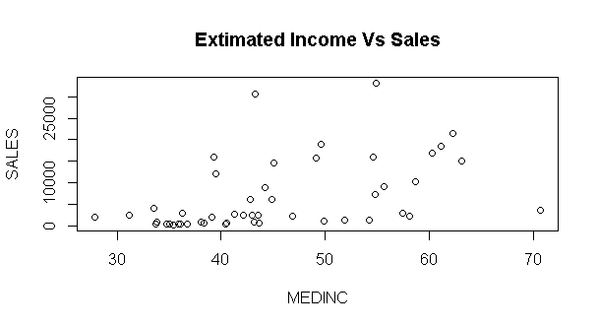
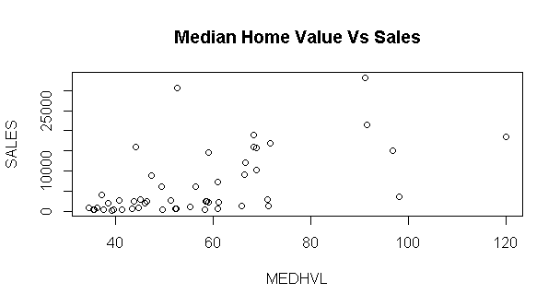
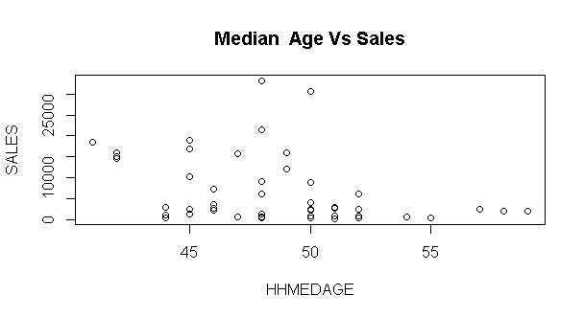
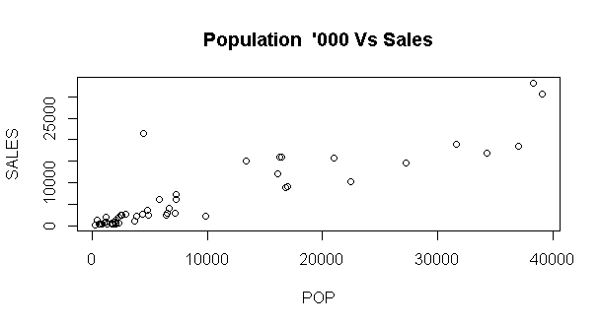
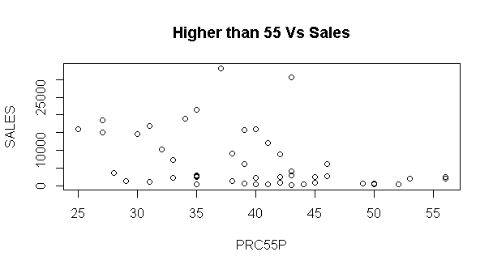
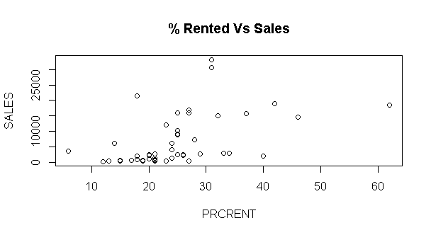
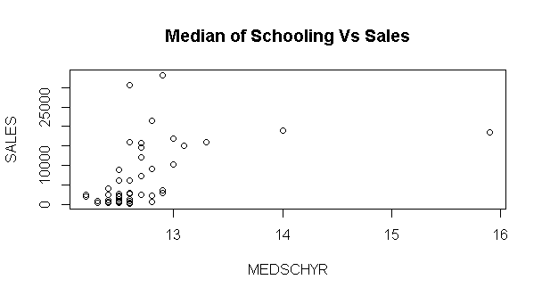
 | SA Assignment 1 Vipul Singhal 71420053

 | Decription | ZIP | PERPERHH | MEDSCHYR | MEDHVL | PRCRENT | PRC55P | HHMEDAGE | MEDINC | SALES | POP
ZIP | Zip Code | 1.00 | -0.25 | -0.18 | -0.56 | -0.19 | 0.36 | 0.31 | -0.50 | -0.22 | -0.10
PERPERHH | Person Per Households | -0.25 | 1.00 | -0.19 | 0.07 | -0.37 | -0.52 | -0.48 | 0.33 | -0.14 | -0.18
MEDSCHYR | Median of Schooling | -0.18 | -0.19 | 1.00 | 0.71 | 0.64 | -0.48 | -0.48 | 0.52 | 0.47 | 0.59 | Important Variable as per correlation and scatter plot
MEDHVL | Median Home Value | -0.56 | 0.07 | 0.71 | 1.00 | 0.37 | -0.62 | -0.54 | 0.84 | 0.57 | 0.53
PRCRENT | % Rented | -0.19 | -0.37 | 0.64 | 0.37 | 1.00 | -0.31 | -0.37 | 0.20 | 0.50 | 0.64
PRC55P | Higher than 55 | 0.36 | -0.52 | -0.48 | -0.62 | -0.31 | 1.00 | 0.96 | -0.78 | -0.39 | -0.40
HHMEDAGE | Median Age | 0.31 | -0.48 | -0.48 | -0.54 | -0.37 | 0.96 | 1.00 | -0.68 | -0.36 | -0.42
MEDINC | Extimated Income | -0.50 | 0.33 | 0.52 | 0.84 | 0.20 | -0.78 | -0.68 | 1.00 | 0.47 | 0.43
SALES | Sales | -0.22 | -0.14 | 0.47 | 0.57 | 0.50 | -0.39 | -0.36 | 0.47 | 1.00 | 0.89
POP | Population '000 | -0.10 | -0.18 | 0.59 | 0.53 | 0.64 | -0.40 | -0.42 | 0.43 | 0.89 | 1.00

Model1
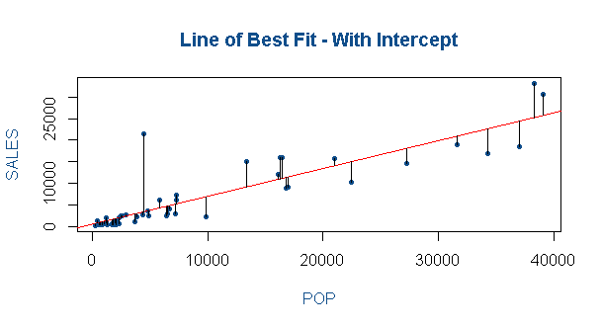
model<-lm(SALES~ POP ,data=Data)
> summary(model)

Call:
lm(formula = SALES ~ POP, data = Data)

Residuals:
Min 1Q Median 3Q Max
-6046.7 -1460.9 -670.5 485.6 18229.5

Coefficients:
Estimate Std. Error t value Pr(>|t|)
(Intercept) 469.70360 702.90619 0.668 0.507
POP 0.64709 0.04881 13.258 <2e-16 ***
---
Signif. codes: 0 ‘***’ 0.001 ‘**’ 0.01 ‘*’ 0.05 ‘.’ 0.1 ‘ ’ 1

Residual standard error: 3792 on 48 degrees of freedom
Multiple R-squared: 0.7855, Adjusted R-squared: 0.781
F-statistic: 175.8 on 1 and 48 DF, p-value: < 2.2e-16

> anova(model)
Analysis of Variance Table

Response: SALES
Df Sum Sq Mean Sq F value Pr(>F)
POP 1 2527165015 2527165015 175.77 < 2.2e-16 ***
Residuals 48 690116755 14377432
---
Signif. codes: 0 ‘***’ 0.001 ‘**’ 0.01 ‘*’ 0.05 ‘.’ 0.1 ‘ ’ 1

Final Model1
summary(model4) | This is Final Robust Model with signicant variables and Highest R2

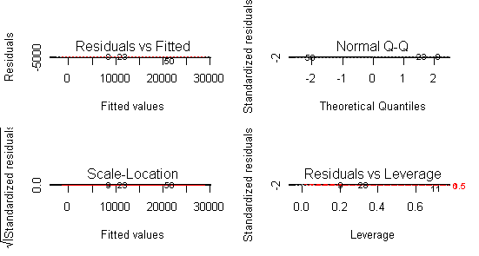
Call:
lm(formula = SALES ~ POP + MEDHVL + MEDSCHYR, data = Data)

Residuals:
Min 1Q Median 3Q Max
-6588.6 -1727.7 31.3 1365.2 14246.1

Coefficients:
Estimate Std. Error t value Pr(>|t|)
(Intercept) 4.180e+04 1.583e+04 2.641 0.01125 *
POP 6.483e-01 5.592e-02 11.594 3e-15 ***
MEDHVL 1.275e+02 3.862e+01 3.302 0.00186 **
MEDSCHYR -3.830e+03 1.355e+03 -2.826 0.00695 **
---
Signif. codes: 0 ‘***’ 0.001 ‘**’ 0.01 ‘*’ 0.05 ‘.’ 0.1 ‘ ’ 1

Residual standard error: 3445 on 46 degrees of freedom
Multiple R-squared: 0.8303, Adjusted R-squared: 0.8193
F-statistic: 75.05 on 3 and 46 DF, p-value: < 2.2e-16

> anova(model4)
Analysis of Variance Table

Response: SALES
Df Sum Sq Mean Sq F value Pr(>F)
POP 1 2527165015 2527165015 212.9794 < 2.2e-16 ***
MEDHVL 1 49505433 49505433 4.1721 0.046850 *
MEDSCHYR 1 94785707 94785707 7.9882 0.006945 **
Residuals 46 545825615 11865774
---
Signif. codes: 0 ‘***’ 0.001 ‘**’ 0.01 ‘*’ 0.05 ‘.’ 0.1 ‘ ’ 1

Diagnostic
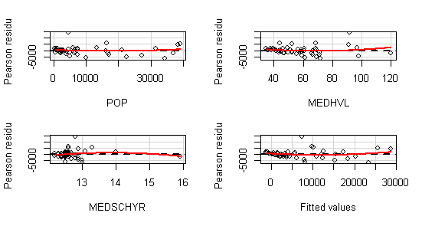
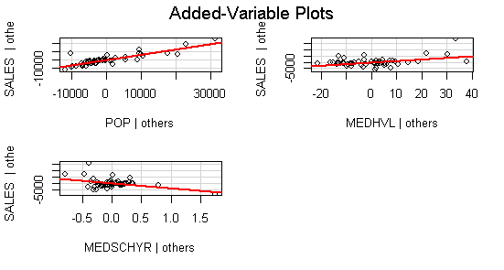

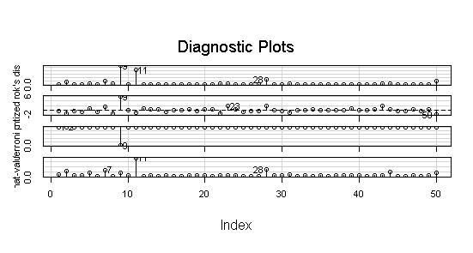
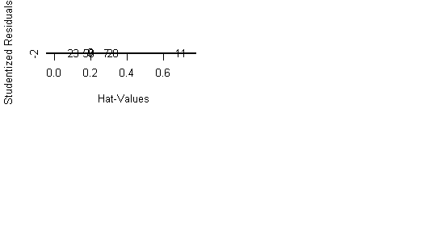

9 & 11 are seems to be outliers

Accurate Model with Diagonistic
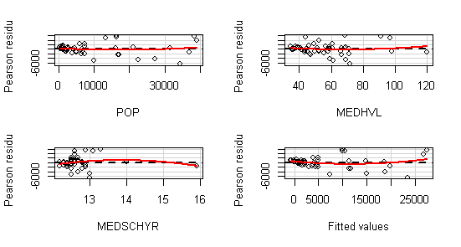
summary(model.final)

Call:
lm(formula = SALES ~ POP + MEDHVL + MEDSCHYR, data = Data[-c(9),
])

Residuals:
Min 1Q Median 3Q Max
-6661.4 -1110.7 97.8 906.1 5931.6

Coefficients:
Estimate Std. Error t value Pr(>|t|)
(Intercept) 3.194e+04 1.199e+04 2.665 0.01066 *
POP 6.949e-01 4.266e-02 16.291 < 2e-16 *** | All the three variables are significant and Model has good fit
MEDHVL 5.476e+01 3.137e+01 1.746 0.08766 .
MEDSCHYR -2.787e+03 1.031e+03 -2.703 0.00966 **
---
Signif. codes: 0 ‘***’ 0.001 ‘**’ 0.01 ‘*’ 0.05 ‘.’ 0.1 ‘ ’ 1

Residual standard error: 2585 on 45 degrees of freedom
Multiple R-squared: 0.8993, Adjusted R-squared: 0.8926
F-statistic: 133.9 on 3 and 45 DF, p-value: < 2.2e-16

> anova(model.final)
Analysis of Variance Table

Response: SALES
Df Sum Sq Mean Sq F value Pr(>F)
POP 1 2635165939 2635165939 394.4374 < 2.2e-16 ***
MEDHVL 1 223951 223951 0.0335 0.855551
MEDSCHYR 1 48808211 48808211 7.3057 0.009662 **
Residuals 45 300636961 6680821
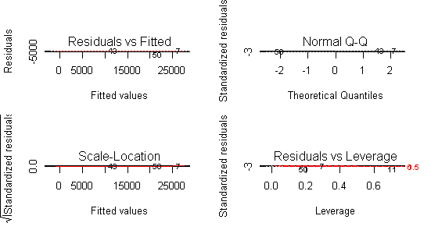
---
Signif. codes: 0 ‘***’ 0.001 ‘**’ 0.01 ‘*’ 0.05 ‘.’ 0.1 ‘ ’ 1

Signif. codes: 0 ‘***’ 0.001 ‘**’ 0.01 ‘*’ 0.05 ‘.’ 0.1 ‘ ’ 1
> confint(model.final)
2.5 % 97.5 %
(Intercept) 7799.2442220 56087.7610539
POP 0.6089883 0.7808157
MEDHVL -8.4142846 117.9427277
MEDSCHYR -4864.5891103 -710.3561337

Test stat Pr(>|t|)
POP 0.687 0.496
MEDHVL 0.908 0.369
MEDSCHYR -1.280 0.207
Tukey test 1.303 0.193
>
> # Added Variable Plots
> avPlots(model.final, id.n=2, id.cex=0.7)
>
>
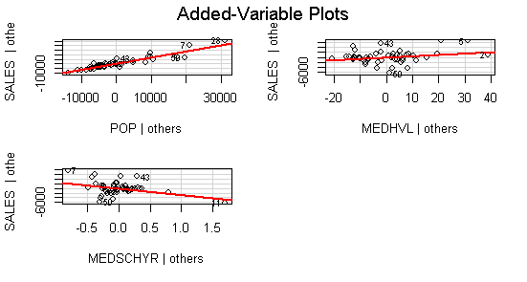
> ### Variance Inflation Factors
> vif(model.final)
POP MEDHVL MEDSCHYR
1.637195 2.258241 2.370115

