Sheet1
 |  |  |  |  | Start

 |  |  |  | Upload File

 |  |  |  | Select Option

Prfmd
ON
Has
 | PDF or Images? |  |  |  |  | Decision

 |  |  | YES |  |  | NO
Generts

 |  | PDF |  |  |  | IMAGES

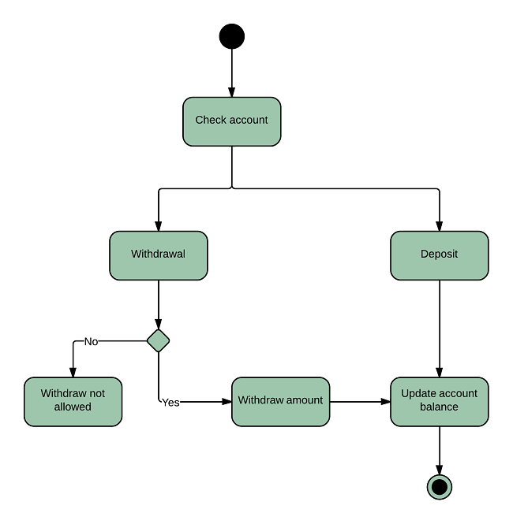
Merge PDFs |  |  | Extract PDF |  |  |  | Images → PDF

 |  |  |  |  |  |  |  | Create PDF from Images

Merge PDFs (DOWNLOAD) |  |  | Extract Selctd Pags (DOWNLOAD) |  |  |  | PDF from Images (DOWNLOAD)

 |  |  |  |  |  | END

