Sheet1
 |  | PDF_FILE or IMAGE_FILE (I.P.)
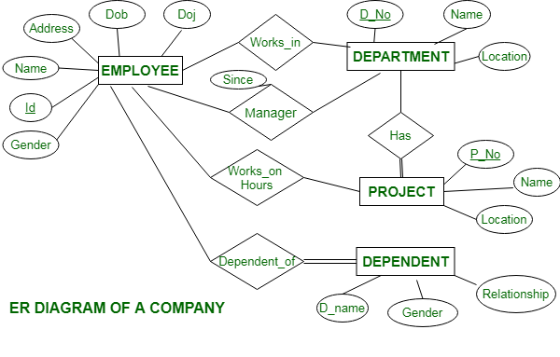

Has

 |  | PDF_FILE |  |  |  | Image_FILE

 | file_id |  |  |  |  |  | img_id

 |  | file_name |  |  |  | img_name

Prfmd
ON
Cnvrtd
BY

 |  | OPERATION |  |  |  | OPERATION
Prfmd
ON
Has
ISA

Generts
 | MERGE_ |  | EXTRACT_ |  | IMAGES_TO_PDF_OPERATION
 | OPERATIONS |  | OPERATION

Generts
Generts
Generts

Merge PDFs (DOWNLOAD) |  |  |  | Extract Selctd Pags (DOWNLOAD) |  | PDF from Images (DOWNLOAD)

 |  |  |  |  |  |  |  | Create PDF from Images

