Sheet1
 |  | Start

 | Upload File

 |  |  | Decision

Sales_ Analysis |  |  | Products_ Analysis
Prfmd
ON
Has

Generts

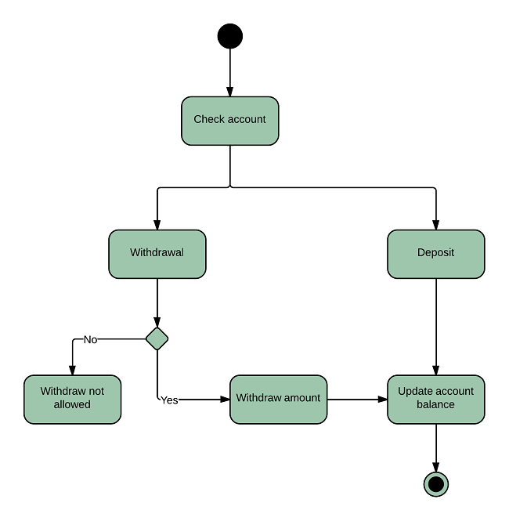

 |  |  | END

