Sheet1
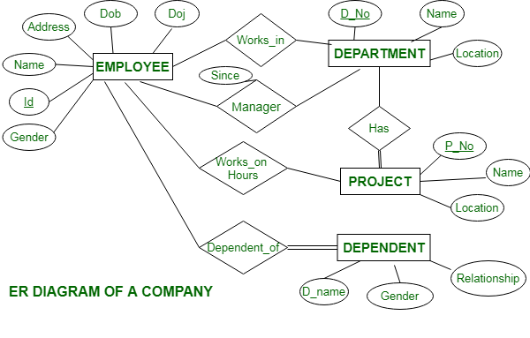

Prfmd
ON
Has

uploaded

