Sheet1
 |  |  | USER |  |  |  |  | 1
SELECTS
 | userId
 |  |  | username |  | authToken

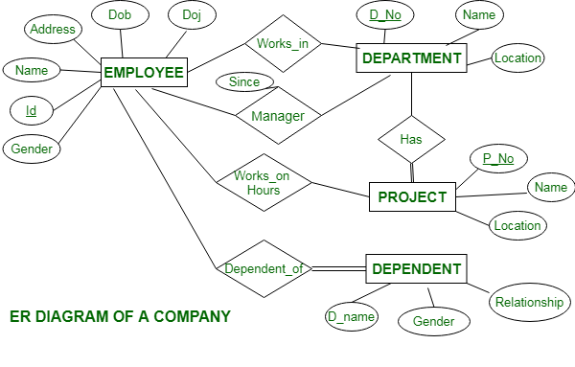
 |  |  |  |  |  |  |  |  | N
 |  |  |  |  |  |  | EXCEL_FILE

extracted
TO
fileName |  |  |  |  |  |  |  |  |  | 1
 |  | fileSize
 |  |  |  | fileType
 |  |  |  |  |  | uploadDate |  |  | TO

 |  |  |  |  |  |  |  | 1 | 1
 |  |  |  |  |  | N | EXTRACTED_DATA

uploaded
 |  |  |  |  |  |  |  |  | dataId
 |  |  |  |  | 1
 |  | N | GITHUB_REPO

targets
 |  |  |  |  |  |  |  |  | buyerName
 |  |  |  | repo_Name

Has
 |  | branch |  |  |  | owner_
 |  |  |  |  |  | Username |  |  | billNumber

uploaded
 |  |  | 1
N | UPLOAD_RECORD |  |  |  |  |  |  |  | vehicle

 |  | status
upload_Id |  |  |  | commit_ |  |  |  |  | date
 |  |  |  | Message

 | month_Folder |  |  | isUpdate |  |  |  |  | products_info,

 |  |  |  |  |  |  |  |  | other_info.

 |  |  |  |  |  |  |  |  | amount

