Sheet1
creates
USER |  | 1 |  | 1 | SESSION |  | 1
access

P.A.T. |  |  |  |  | session_Id

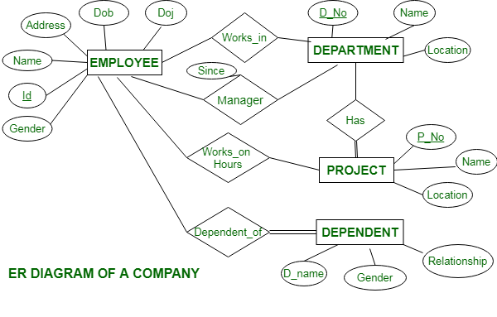
contains
 |  |  |  |  |  |  |  |  | 1
 |  |  |  |  |  |  | 1 | MONTH
 |  |  | 1
 |  | 1 | BILLs |  | N
have
 |  | N
 |  |  |  |  |  |  |  |  | month_Id

 | 1 | N |  |  | bill_No. |  |  |  | month_Name
 | PRODUCTs |  | 1
 |  |  | N

 |  |  |  |  | bill_Date
 |  | product_Id

 |  |  |  |  | bill_Vehicle
 |  | P_Name

Prfmd
ON
Has
 |  |  |  |  | bill_Amount
 |  | P_Quantity

uploaded
 |  | P_Rate

 |  |  |  |  |  |  | buyer_Id
Assigned
TO
 |  | 1 | BUYERs

 |  |  |  |  |  |  | buyer_Name

 |  |  |  |  |  | 1
 |  |  |  |  |  | SUMMARYs

Has
Transaction_
Summary
Top_Buyer

Overall_
Summary
All_Buyer_
Summary
 |  | 1
 | MONTH

