Sheet1
creates
USER | 1 |  | 1 | SESSION |  | 1
access

P.A.T. |  |  |  | session_Id

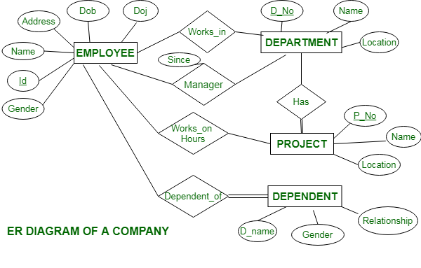
contains
 |  |  |  |  |  |  |  | N
 |  |  |  |  |  | 1 | MONTHs
 |  |  | 1/N
 | 1/N | BILLs |  | N

 |  |  |  |  |  |  |  | month(s)_
 |  |  |  |  |  |  |  | File(s)

 |  |  | bill_Date

Has

 |  |  | vehicle_Info.
ISSUED
TO

 |  | N | PRODUCTS

Prfmd
ON
product_
Name
Has

product_
Quantity
uploaded

 |  |  |  | 1
 |  | 1/N | BUYERs |  | 1

usage
usage
by Vhcl
 |  |  | buyer_Name

 |  |  |  |  |  | N |  |  | N
 |  |  |  |  | Product_Qnty. |  |  | Product_Qnty.

