Summary
Category | Count
Passed | 0
Failed | 0
Skipped | 1
Total | 1
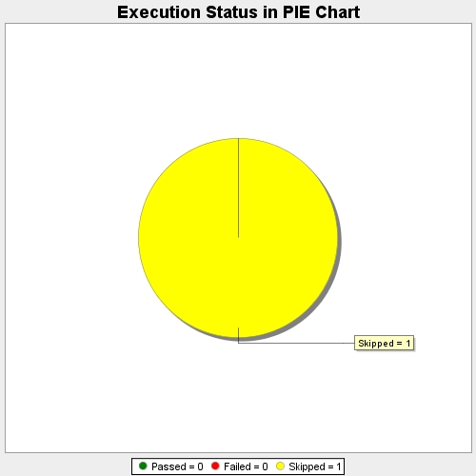
Start Time | 2018-09-21T15:51:24Z
End Time | 2018-09-21T15:51:24Z
Duration | 388 ms

