Coffee SnD ETG
Brazil Arabica production
Arabica Production
Brazil Combo | 57.3 | 50.6 | 67.0 | 60.0 | 73.0 | 58.0 | 60.0 | 66.0 | 65.0 | 63.0 | 74.6 | 66.0
Jul- Jun | SnD ETG
Arabica |  |  |  |  |  |  |  |  |  |  |  |  |  |  | 2006/07 | 2007/08 | 2008/09 | 2009/10 | 2010/11 | 2011/12 | 2012/13 | 2013/14 | 2014/15 | 2015/16 | 2016/17 | 2017/18 | 2018/19 | 2019/20 | 2020/21 | 2021/22 | 2022/23 | 2023/24
 | 2016/17 | 2017/18 | 2018/19 | 2019/20 | 2020/21 | 2021/22 | 2022/23* | 2023/24* | 2024/25* | 2025/26* | 2026/27* | 2027/28* |  | Arabica | 46% | 35% | 39% | 26% | 31% | 31% | 39% | 39% | 31% | 25% | 28% | 26% | 30% | 26% | 31% | 28% | 31% | 40% | 32%
Brazil | 45.7 | 37.3 | 48.0 | 39.0 | 53.0 | 36.0 | 37.0 | 42.0 | 43.0 | 37.0 | 50.0 | 41.0 |  | S/U Change |  | -11% | 4% | -13% | 4% | 1% | 8% | -1% | -8% | -6% | 3% | -2% | 3% | -3% | 5% | -3% | 3% | 9%
Colombia | 14.6 | 13.4 | 13.9 | 13.8 | 13.2 | 11.7 | 10.5 | 12.0 | 14.5 | 12.5 | 13.5 | 14.0 |  | Robusta | 20% | 21% | 26% | 23% | 26% | 19% | 20% | 23% | 27% | 25% | 25% | 20% | 21% | 21% | 21% | 18% | 15% | 15% | 21%
Honduras | 7.8 | 7.8 | 7.4 | 6.1 | 6.5 | 4.9 | 5.5 | 4.9 | 5.3 | 6.0 | 5.6 | 5.6 |  | S/U Change |  | 1% | 5% | -4% | 3% | -7% | 1% | 3% | 4% | -2% | 0% | -4% | 1% | -1% | 1% | -4% | -3% | 0%
Super 5 | 12.0 | 12.3 | 12.1 | 11.6 | 12.0 | 11.7 | 12.5 | 13.0 | 13.5 | 13.8 | 13.8 | 14.0 |  | A-R | 26% | 14% | 13% | 4% | 5% | 12% | 19% | 16% | 4% | 1% | 4% | 6% | 8% | 6% | 10% | 10% | 17% | 25% | 11%
Ethiopia | 5.9 | 5.8 | 6.4 | 6.5 | 7.1 | 7.2 | 7.4 | 7.5 | 7.5 | 8.0 | 7.2 | 7.2 |  | ARB end Jun |  | 46 | 59 | 87 | 152 | 74 | 41 | 84 | 51 | 68 | 28 | 38 | 44 | 47 | 82 | 138 |  |  | 69
Peru | 4.1 | 4.3 | 4.4 | 3.8 | 4.0 | 4.2 | 3.6 | 4.5 | 4.0 | 4.0 | 4.0 | 4.0 |  | Arb Change |  |  | 13 | 28 | 65 | -78 | -33 | 43 | -32 | 16 | -40 | 10 | 5 | 4 | 35 | 56
Others | 10.3 | 10.9 | 10.7 | 9.6 | 8.7 | 9.4 | 9.4 | 9.4 | 9.4 | 11.0 | 9.4 | 9.4 |  | ARB avg Jul-Jun |  | 37 | 45 | 73 | 132 | 125 | 61 | 60 | 80 | 54 | 53 | 42 | 35 | 50 | 63 | 119 |  |  | 69
Production | 100.4 | 91.8 | 102.9 | 90.4 | 104.5 | 85.1 | 85.9 | 93.3 | 97.2 | 92.3 | 103.5 | 98.4 |  | Arb Change |  |  | 8 | 28 | 59 | -7 | -64 | -1 | 20 | -26 | -1 | -11 | -7 | 15 | 13 | 56
Consumption | 94.2 | 93.5 | 97.9 | 94.6 | 96.0 | 91.4 | 89.0 | 92.5 | 99.0 | 98.0 | 96.0 | 97.0 |  | Arabica/Robusta S/U | 2.3 | 1.7 | 1.5 | 1.2 | 1.2 | 1.6 | 2.0 | 1.7 | 1.2 | 1.0 | 1.1 | 1.3 | 1.4 | 1.3 | 1.5 | 1.6 | 2.1 | 2.7 | 1.5
Consumption % |  | -0.7% | 4.7% | -3.4% | 1.5% | -4.8% | -2.6% | 3.9% | 7.0% | -1.0% | -2.0% | 1.0% |  | Relative S/U change |  | -12% | -1% | -10% | 1% | 7% | 7% | -4% | -11% | -4% | 3% | 2% | 2% | -3% | 4% | 0% | 6% | 9%
Balance | 6.2 | (1.7) | 5.0 | (4.2) | 8.5 | (6.3) | (3.1) | 0.8 | (1.8) | (5.7) | 7.5 | 1.4 |  | Arbica SnD |  |  |  |  |  |  |  |  |  |  | 5.6 | (1.7) | 5.0 | (4.2) | 8.2 | (4.9) | 3.2 | 8.7
End Season Stock | 26.4 | 24.7 | 29.7 | 25.5 | 34.0 | 27.7 | 24.6 | 25.4 | 23.6 | 17.9 | 25.4 | 26.8 |  | Robusta SnD |  |  |  |  |  |  |  |  |  |  | (1.9) | (1.3) | 1.5 | 0.7 | 3.7 | (1.5) | (2.1) | (0.1)
S/U | 28.0% | 26.4% | 30.3% | 27.0% | 35.4% | 30.3% | 27.6% | 27.5% | 23.8% | 18.3% | 26.5% | 27.6%
Robusta
Coffee Consumption
Colombia Arabica Production
CCS Coffee Stock / Consumption Ratio
 | 2016/17 | 2017/18 | 2018/19 | 2019/20 | 2020/21 | 2021/22 | 2022/23 | 2023/24 | 2024/25* | 2025/26* | 2026/27* | 2027/28* |  |  |  |  |  |  |  |  |  |  |  | Everyone saying there is no selling from Brazil
Vietnam | 23.1 | 29.0 | 27.9 | 27.7 | 26.5 | 29.1 | 28.5 | 27.5 | 27.0 | 30.0 | 29.0 | 29.5 |  |  |  |  |  |  |  |  |  |  |  | Despite that 23/24 is sold for 12% starting Sep 21, pretty linear since they started
Brazil | 11.6 | 13.3 | 19.0 | 21.0 | 20.0 | 22.0 | 23.0 | 24.0 | 22.0 | 26.0 | 24.6 | 25.0 |  |  |  |  |  |  |  |  |  |  |  | For comparison 2 previous seasons were 18% and 22%
Indonesia | 12.1 | 9.0 | 9.6 | 10.8 | 12.1 | 12.1 | 10.5 | 8.0 | 10.8 | 10.8 | 10.5 | 11.0 |  |  |  |  |  |  |  |  |  |  |  | It's true 22/23 found a clip of selling in the April to Nov period, into and post frost
India | 5.2 | 5.0 | 4.8 | 4.3 | 4.9 | 5.5 | 4.9 | 5.5 | 5.0 | 5.0 | 5.5 | 5.5
S/U ratio Arabica/Robusta
Uganda | 4.1 | 3.7 | 4.0 | 4.9 | 6.3 | 5.5 | 5.5 | 6.5 | 7.0 | 7.0 | 7.0 | 7.0
Cote d'Ivoire | 1.4 | 2.1 | 2.1 | 1.9 | 1.4 | 1.5 | 0.9 | 1.8 | 1.5 | 1.5 | 1.5 | 1.5
Others | 5.3 | 5.1 | 5.7 | 5.1 | 4.9 | 4.7 | 4.6 | 4.8 | 4.9 | 5.0 | 5.0 | 5.0
Production | 62.8 | 67.2 | 73.1 | 75.7 | 76.1 | 80.4 | 77.9 | 78.1 | 78.2 | 85.3 | 83.1 | 84.5
Consumption | 64.6 | 68.6 | 71.6 | 74.0 | 72.0 | 81.3 | 83.1 | 82.0 | 76.0 | 78.0 | 81.0 | 81.0
Consumption % |  | 6.2% | 4.4% | 3.4% | -2.7% | 12.9% | 2.2% | -1.3% | -7.3% | 2.6% | 3.8% | s
Balance | (1.8) | (1.4) | 1.5 | 1.7 | 4.1 | (0.9) | (5.2) | (3.9) | 2.2 | 7.3 | 2.1 | 3.5
End Season Stock | 15.9 | 14.5 | 16.0 | 17.7 | 21.8 | 20.9 | 15.7 | 11.8 | 14.0 | 21.3 | 23.4 | 26.9
S/U | 25% | 21% | 22% | 24% | 30% | 26% | 19% | 14% | 18% | 27% | 29% | 33%
Robusta demand share | 41% | 42% | 42% | 44% | 43% | 47% | 48% | 47% | 43% | 44% | 46% | 46%
Arabica SnD
Robusta SnD
 | Global
 | 2016/17 | 2017/18 | 2018/19 | 2019/20 | 2020/21 | 2021/22 | 2022/23 | 2023/24 | 2024/25 | 2025/26 | 2026/27 | 2027/28
Production Global | 163.2 | 159.0 | 176.0 | 166.1 | 180.6 | 165.5 | 163.8 | 171.4 | 175.4 | 177.6 | 186.6 | 182.9
Consumption Global | 158.8 | 162.1 | 169.5 | 168.6 | 168.0 | 172.7 | 172.1 | 174.5 | 175.0 | 176.0 | 177.0 | 178.0
Brazil Connies production
Global Balance | 4.4 | (3.1) | 6.5 | (2.5) | 12.6 | (7.2) | (8.3) | (3.1) | 0.4 | 1.6 | 9.6 | 4.9
2 year cycle | 2016/18 |  | 2018/20 |  | 2020/22 |  | 2022/24 |  | 2024/26 |  | 2026/28
Global Balance | 1.3 |  | 4.0 |  | 5.4 |  | (11.4) |  | 2.0 |  | 14.5
Global demand chg |  | 2.1% | 4.6% | -0.5% | -0.4% | 2.8% | -0.3% | 1.4% | 0.3% | 0.6% | 0.6% | 0.6%
Combined End Season Stock | 42.3 | 39.2 | 45.7 | 43.2 | 55.8 | 48.6 | 40.3 | 37.2 | 37.6 | 39.2 | 48.8 | 53.7
Combined S/U | 26.6% | 24.2% | 27.0% | 25.6% | 33.2% | 28.1% | 23.4% | 21.3% | 21.5% | 22.3% | 27.6% | 30.2%
Coffee SnD
Global coffee consumption

Arabica Production trends
Arabica Production / Consumption

Robusta Production trends (m bags)
Robusta Production trends (m bags)

Global Coffee balance
Combined Global Coffee S/U
World Arabica production
Robusta Production / Consumption

Two year cycle Global Coffee SnD
2016/18 | 1.3
2018/20 | 4
2020/22 | 5.4
2022/24 | -11.4
2024/26 | 2
2026/28 | 14.5
Arabica 2 year cycle SnD
 | Arabica
2016/18 | 4.5
2018/20 | 0.8
2020/22 | 2.2
2022/24 | -2.3
2024/26 | -7.5
2026/28 | 8.9

 | 2016/17 | 2017/18 | 2018/19 | 2019/20 | 2020/21 | 2021/22 | 2022/23 | 2023/24 | 2024/25 | 2025/26 | 2026/27 | 2027/28
 | 2016/18 |  | 2018/20 |  | 2020/22 |  | 2022/24 |  | 2024/26 |  | 2026/28
Arabica | 4.5 |  | 0.8 |  | 2.2 |  | (2.3) |  | (7.5) |  | 8.9
2 year cycle SnD
 | Arabica | Robusta
2016/18 | 4.5 | -3.2
2018/20 | 0.8 | 3.2
2020/22 | 2.2 | 3.2
2022/24 | -2.3 | -9.1
2024/26 | -7.5 | 9.5
2026/28 | 8.9 | 5.6
2 year cycle SnD
 | Arabica | Robusta
2016/18 | 4.5 | -3.2
2018/20 | 0.8 | 3.2
2020/22 | 2.2 | 3.2
2022/24 | -2.3 | -9.1
2024/26 | -7.5 | 9.5
2026/28 | 8.9 | 5.6
Robusta | (3.2) |  | 3.2 |  | 3.2 |  | (9.1) |  | 9.5 |  | 5.6
Arabica | 6.2 | (1.7) | 5.0 | (4.2) | 8.5 | (6.3) | (3.1) | 0.8 | (1.8) | (5.7) | 7.5 | 1.4
Robusta | (1.8) | (1.4) | 1.5 | 1.7 | 4.1 | (0.9) | (5.2) | (3.9) | 2.2 | 7.3 | 2.1 | 3.5

 |  |  |  |  |  |  |  |  |  |  |  |  | 1. Overall tight coffee complex?
 |  |  |  |  |  |  |  |  |  |  |  |  | 2. Diverging coffee prices?
 |  |  |  |  |  |  |  |  |  |  |  |  | 3. Robusta strength or Arabica weakness

Robusta share of global demand
Arabica S/U
Robusta S/U

Brazil internal SnD
Domestic Conillon inclusion %
14/15 | 56%
15/16 | 53%
16/17 | 35%
17/18 | 43%
18/19 | 52%
19/20 | 54%
20/21 | 50%
21/22 | 70%
22/23 | 70%
23/24 | 55%
24/25* | 60%
25/26* | 75%
26/27* | 65%
27/28 | 55%
28/29
Internal Brazil Arabica S/U
14/15 | 165%
15/16 | 111%
16/17 | 95%
17/18 | 89%
18/19 | 131%
19/20 | 106%
20/21 | 134%
21/22 | 164%
22/23 | 158%
23/24 | 64%
24/25* | 57%
25/26* | 83%
26/27* | 183%
27/28 | 120%
28/29
Internal Brazil Connie S/U
Internal S/U
 | Arabica | Conilon
14/15 | 165% | 70.2%
15/16 | 111% | 66.4%
16/17 | 95% | 102.6%
17/18 | 89% | 82.5%
18/19 | 131% | 59.0%
19/20 | 106% | 53.5%
20/21 | 134% | 54.7%
21/22 | 164% | 31.4%
22/23 | 158% | 37.9%
23/24 | 64% | 40.1%
24/25* | 57% | 11.0%
25/26* | 83% | 10.7%
26/27* | 183% | 26.0%
27/28 | 120% | 29.5%
28/29
Jul-Jun | Brazil Internal SnD (mn Bags)
Arabica | 14/15 | 15/16 | 16/17 | 17/18 | 18/19 | 19/20 | 20/21 | 21/22 | 22/23 | 23/24 | 24/25* | 25/26* | 26/27* | 27/28 | 28/29

Production | 32.1 | 35.4 | 45.7 | 37.3 | 48 | 39 | 53 | 36 | 37 | 42 | 43 | 37 | 50 | 41
Exports | 28.5 | 29.5 | 29 | 26.2 | 33.7 | 31.7 | 36.9 | 33 | 30.3 | 35.5 | 34.8 | 32 | 32 | 32
Consumption | 9.1 | 9.9 | 14.2 | 13 | 11.2 | 10.7 | 11.7 | 7.1 | 7.1 | 10.8 | 9.6 | 5.8 | 8.0 | 10.8
Demand as % of total | 44% | 47% | 65% | 57% | 48% | 46% | 50% | 30% | 30% | 45% | 40% | 25% | 35% | 45%
Stock Change | (5.5) | (4.0) | 2.5 | (1.9) | 3.1 | (3.4) | 4.4 | (4.1) | (0.4) | (4.3) | (1.4) | (0.8) | 10.0 | (1.8)
Closing Stock | 15 | 11 | 13.5 | 11.6 | 14.7 | 11.3 | 15.7 | 11.6 | 11.2 | 6.9 | 5.5 | 4.8 | 14.7 | 12.9
Exports % of Production | 89% | 83% | 63% | 70% | 70% | 81% | 70% | 92% | 82% | 85% | 81% | 86% | 64% | 78%
Consumption % of Production | 28% | 28% | 31% | 35% | 23% | 27% | 22% | 20% | 19% | 26% | 22% | 16% | 16% | 26%
Stock/Use Arabica | 165% | 111% | 95% | 89% | 131% | 106% | 134% | 164% | 158% | 64% | 57% | 83% | 183% | 120%
All Coffee Stocks Brazil | 23 | 18.5 | 21.5 | 19.6 | 21.9 | 18.1 | 22.1 | 16.8 | 17.5 | 12.2 | 7.1 | 6.6 | 18.6 | 16.8
Exports YoY |  | 4% | -2% | -10% | 29% | -6% | 16% | -11% | -8% | 17% | -2% | -8% | 0% | 0%
Arabica Consumption % |  | 8.8% | 43.4% | -8.5% | -13.8% | -4.5% | 9.3% | -39.5% | 0.4% | 51.9% | -11.1% | -40.1% | 40.0% | 34.2%

Jul-Jun | Brazil Internal SnD (mn Bags)
Conillon | 14/15 | 15/16 | 16/17 | 17/18 | 18/19 | 19/20 | 20/21 | 21/22 | 22/23 | 23/24 | 24/25* | 25/26* | 26/27* | 27/28 | 28/29

Brazil Coffee Closing Stock
Internal Brazil Robusta S/U
14/15 | 70.2%
15/16 | 66.4%
16/17 | 102.6%
17/18 | 82.5%
18/19 | 59.0%
19/20 | 53.5%
20/21 | 54.7%
21/22 | 31.4%
22/23 | 37.9%
23/24 | 40.1%
24/25* | 11.0%
25/26* | 10.7%
26/27* | 26.0%
27/28 | 29.5%
28/29
Brazil total S/U
Production | 18.2 | 16 | 11.6 | 13.3 | 19 | 21 | 20 | 22 | 23 | 24 | 21.5 | 26 | 24.6 | 25
Green Exports | 4.5 | 2.3 | 0.3 | 0.7 | 3.6 | 4.5 | 4.7 | 2.6 | 1.5 | 8.2 | 6.6 | 4.7 | 4.6 | 5
Soluble Exports | 2.8 | 2.9 | 3 | 2.9 | 4 | 4.2 | 4 | 4.1 | 3.8 | 3.6 | 4.2 | 3.8 | 3 | 4
Consumption | 11.4 | 11.3 | 7.8 | 9.7 | 12.2 | 12.7 | 11.7 | 16.5 | 16.6 | 13.2 | 14.4 | 17.3 | 15.0 | 13.2
Demand as % of total | 56% | 53% | 35% | 43% | 52% | 54% | 50% | 70% | 70% | 55% | 60% | 75% | 65% | 55%
Stock Change | (0.5) | (0.5) | 0.5 | 0.0 | (0.8) | (0.4) | (0.4) | (1.2) | 1.1 | (1.0) | (3.7) | 0.3 | 2.0
Closing Stock | 8 | 7.5 | 8 | 8 | 7.2 | 6.8 | 6.4 | 5.2 | 6.3 | 5.3 | 1.6 | 1.8 | 3.9 | 3.9
Exports % of Production | 40% | 32% | 28% | 27% | 40% | 41% | 43% | 30% | 23% | 49% | 50% | 33% | 31% | 36%
Consumption % of Production | 63% | 71% | 67% | 73% | 64% | 60% | 59% | 75% | 72% | 55% | 66% | 66% | 66% | 66%
Low Grade Arabica Premium
Stock/Use Conillon | 70.2% | 66.4% | 102.6% | 82.5% | 59.0% | 53.5% | 54.7% | 31.4% | 37.9% | 40.1% | 11.0% | 10.7% | 26.0% | 29.5%

Connie Consumption % |  | -0.9% | -31.0% | 24.4% | 25.8% | 4.1% | -7.9% | 41.2% | 0.4% | -20.4% | 9.1% | 19.8% | -13.3% | -11.7%

All Coffee Production | 50.3 | 51.4 | 57.3 | 50.6 | 67 | 60 | 73 | 58 | 60 | 66 | 64.5 | 63 | 74.6 | 66
Overall Consumption Brazil | 20.5 | 21.2 | 22 | 22.7 | 23.4 | 23.4 | 23.5 | 23.6 | 23.7 | 24 | 24 | 23 | 23 | 24
Annual % change consumption |  | 3.4% | 3.8% | 3.2% | 3.1% | 0.0% | 0.4% | 0.4% | 0.4% | 1.3% | 0.0% | -4.2% | 0.0% | 4.3%

Connilon exports Brazil
Arabica exports Brazil
Combined Coffee Stocks
Overall Brazil | 14/15 | 15/16 | 16/17 | 17/18 | 18/19 | 19/20 | 20/21 | 21/22 | 22/23 | 23/24 | 24/25* | 25/26* | 26/27* | 27/28
Production | 50.3 | 51.4 | 57.3 | 50.6 | 67 | 60 | 73 | 58 | 60 | 66 | 64.5 | 63 | 74.6 | 66
Green Exports | 33 | 31.8 | 29.3 | 26.9 | 37.3 | 36.2 | 41.6 | 35.6 | 31.8 | 43.7 | 41.4 | 36.7 | 36.6 | 37
Soluble Exports | 2.8 | 2.9 | 3 | 2.9 | 4 | 4.2 | 4 | 4.1 | 3.8 | 3.6 | 4.2 | 3.8 | 3 | 4
Consumption | 20.5 | 21.2 | 22 | 22.7 | 23.4 | 23.4 | 23.4 | 23.6 | 23.7 | 24 | 24 | 23 | 23 | 24
Stock Change | (6.0) | (4.5) | 3.0 | (1.9) | 2.3 | (3.8) | 4.0 | (5.3) | 0.7 | (5.3) | (5.1) | (0.5) | 12.0 | 1.0
Closing Stock | 23.0 | 18.5 | 21.5 | 19.6 | 21.9 | 18.1 | 22.1 | 16.8 | 17.5 | 12.2 | 7.1 | 6.6 | 18.6 | 16.8
Exports % of Production | 71% | 68% | 56% | 59% | 62% | 67% | 62% | 68% | 59% | 72% | 71% | 64% | 53% | 62%
Consumption % of Production | 41% | 41% | 38% | 45% | 35% | 39% | 32% | 41% | 40% | 36% | 37% | 37% | 31% | 36%
Low Grade Arabica Premium
Stock/Use Conillon | 112.2% | 87.3% | 97.7% | 86.3% | 93.6% | 77.4% | 94.4% | 71.2% | 73.8% | 50.8% | 29.6% | 28.7% | 80.9% | 70.0%

All Coffee Production | 61.7 | 62.7 | 65.1 | 60.3 | 79.2 | 72.7 | 84.7 | 74.52 | 76.59 | 79.2 | 78.9 | 80.25 | 89.55 | 79.2
Overall Consumption Brazil | 20 | 20.7 | 22.5 | 22.7 | 22.6 | 23 | 23.5 | 23.6 | 23.7 | 24 | 24 | 23 | 23 | 24
Annual % change consumption |  | 3.5% | 8.7% | 0.9% | -0.4% | 1.8% | 2.2% | 0.4% | 0.4% | 1.3% | 0.0% | -4.2% | 0.0% | 4.3%
Total Coffee consumption Brazil (m bags)

AgriAcies format

Arabica Jul-Jun | Carry In | Production | Supply | Int Use | Int. % | Exports | Carry Out | STU |  | Total Jul-Jun | Carry In | Production | Supply | Int Use | Int. % | Exports | Carry Out | STU
10/11 |  |  |  |  |  |  |  | 20% |  | 10/11
11/12 |  |  |  |  |  |  |  | 22% |  | 11/12
12/13 |  |  |  |  |  |  |  | 34% |  | 12/13
13/14 |  |  |  |  |  |  |  | 34% |  | 13/14
14/15 |  |  |  |  |  |  |  | 26% |  | 14/15
15/16 |  |  |  |  |  |  |  | 15% |  | 15/16
16/17 |  |  |  |  |  |  |  | 19% |  | 16/17
17/18 |  |  |  |  |  |  |  | 20% |  | 17/18
18/19 |  |  |  |  |  |  |  | 26% |  | 18/19
19/20 |  |  |  |  |  |  |  | 19% |  | 19/20
20/21 |  |  |  |  |  |  |  | 31% |  | 20/21
21/22 | 14.1 | 31.9 | 46.0 | 5.1 |  | 33.4 | 7.5 | 19% |  | 21/22 | 12.1 | 54.3 | 66.4 | 21.1 |  | 39.7 | 5.6 | 9%
22/23 | 7.5 | 36.6 | 44.1 | 5.3 |  | 30.8 | 8 | 22% |  | 22/23 | 5.6 | 59.1 | 64.7 | 21.3 |  | 35.6 | 7.8 | 14%
23/24 | 8.0 | 44.7 | 52.7 | 8.3 |  | 35.9 | 8.5 | 19% |  | 23/24 | 7.8 | 67.5 | 75.3 | 21.7 |  | 47.5 | 6.1 | 9% | AgriAcies
24/25 | 8.5 | 42.5 | 51.0 | 8.6 |  | 35.5 | 6.9 | 16% |  | 24/25 | 6.1 | 63.7 | 69.8 | 21.5 |  | 46.7 | 1.6 | 2% | Brazil | 2017/18 | 2018/19 | 2019/20 | 2020/21 | 2021/22 | 2022/23 | 2023/24 | 2024/25 | 2025/26
25/26 | 6.9 | 37.9 | 44.8 | 5.3 |  | 30.5 | 9 | 25% |  | 25/26 | 1.6 | 64.0 | 65.6 | 21.2 |  | 41.3 | 3.1 | 5% | Production | 35 | 50 | 34 | 54 | 33 | 36 | 41 | 43.5 | 34.5
26/27 | 9.0 | 50.0 | 59.0 | 6.5 |  | 35 | 17.5 | 42% |  | 26/27 | 3.1 | 75.0 | 78.1 | 21.4 |  | 42.2 | 14.5 | 23% | Carry in Stocks | 17 | 14 | 22 | 15 | 22 | 16 | 15 | 14 | 12.5

Arabica Carry in Stock
Robusta Apr-Mar | Carry In | Production | Supply | Int Use | Int. % | Exports | Carry Out | STU
10/11 |  |  |  |  |  |  |  | 17%
11/12 |  |  |  |  |  |  |  | 7%
12/13 |  |  |  |  |  |  |  | 20%
13/14 |  |  |  |  |  |  |  | 20%
14/15 |  |  |  |  |  |  |  | 24%
15/16 |  |  |  |  |  |  |  | 16%
16/17 |  |  |  |  |  |  |  | 23%
17/18 |  |  |  |  |  |  |  | 22%
18/19 |  |  |  |  |  |  |  | 2%
19/20 |  |  |  |  |  |  |  | 21%
20/21 |  |  |  |  |  |  |  | 19%
21/22 | 3.7 | 22.3 | 26.0 | 15.7 |  | 6.9 | 3.4 | 15%
22/23 | 3.4 | 22.6 | 26.0 | 15.9 |  | 4.7 | 5.4 | 26%
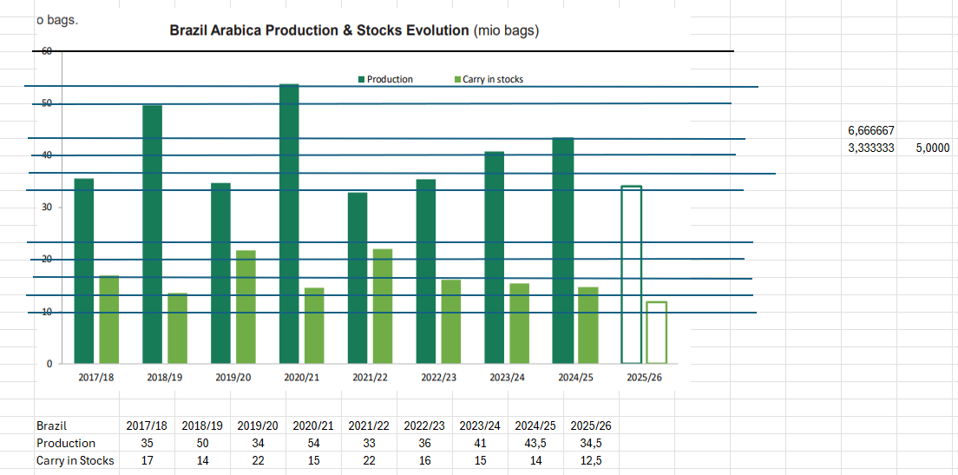
23/24 | 5.4 | 22.8 | 28.2 | 14.6 |  | 9.6 | 4 | 17%
24/25 | 4.0 | 21.2 | 25.2 | 11.8 |  | 12 | 1.4 | 6%
25/26 | 1.4 | 26.1 | 27.5 | 15.5 |  | 10 | 2 | 8%
26/27 | 2.0 | 25.6 | 27.6 | 15.0 |  | 8.7 | 3.9 | 16%

Coffee Production per region
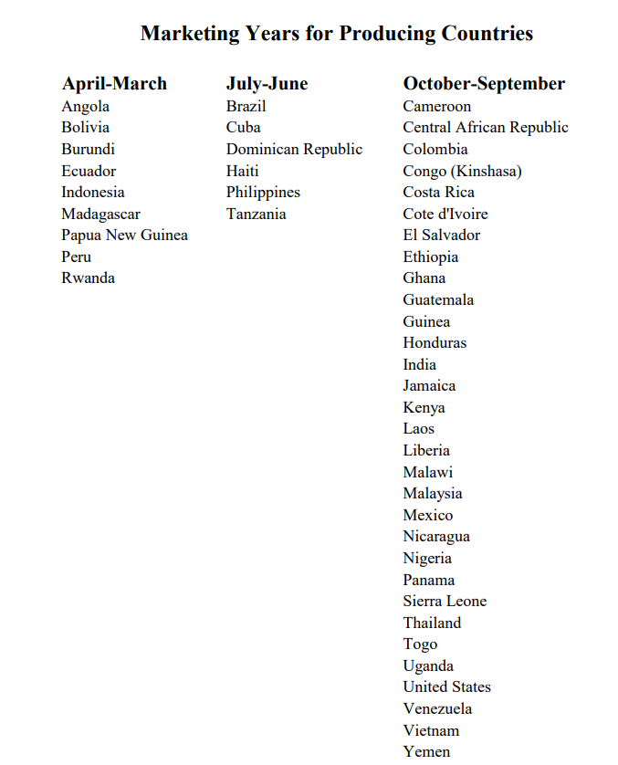
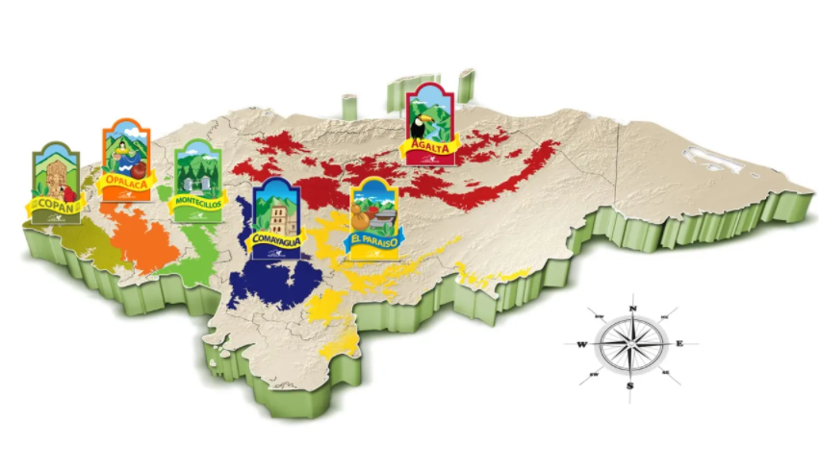
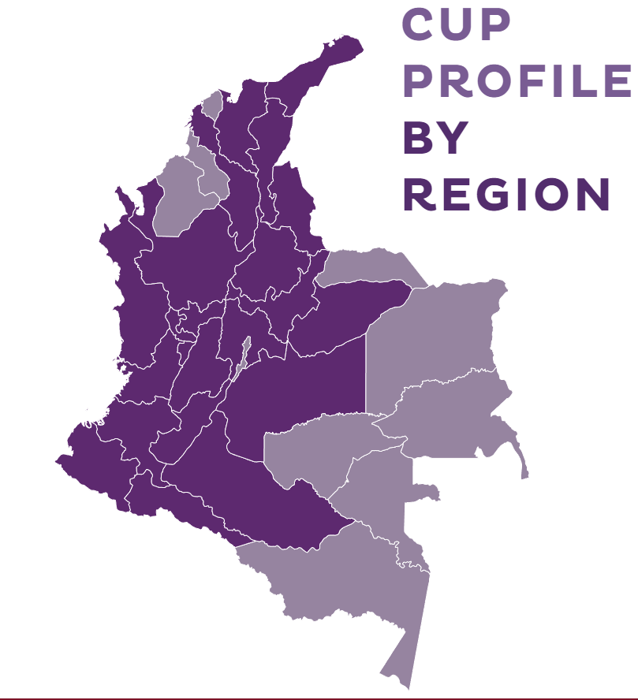
 |  |  |  |  |  |  |  |  | Honduras | Colombia
Region | % Arabica crop |  | The following is the estimated timing of the approximate crop availability for export in selected countries:
Sul de Minas | 38%
Sao Paulo | 12% |  | Arabica
Cerrado | 15% |  | Brazil | 86% in July-December
Zona de Matta | 15% |  | Ethiopia | 75% in January - Jun
Esperito Santo | 10% |  | Honduras: | 60% in January - June
Parana | 3% |  | Kenya | 70% in January - June
Others | 7% |  | Peru | 68% in July - December
Brazil | 100% |  | Colombia | Availability is usually (but not always) spread fairly equally throughout the coffee year

 |  |  | Robusta
Region | % Connies |  | Brazil | 75% January - June
Espirito Santo | 70% |  | Indonesia | 65% July - December
Others | 30% |  | Uganda | 64% January - June
Brazil | 100% |  | Viet Nam | 55% January - June

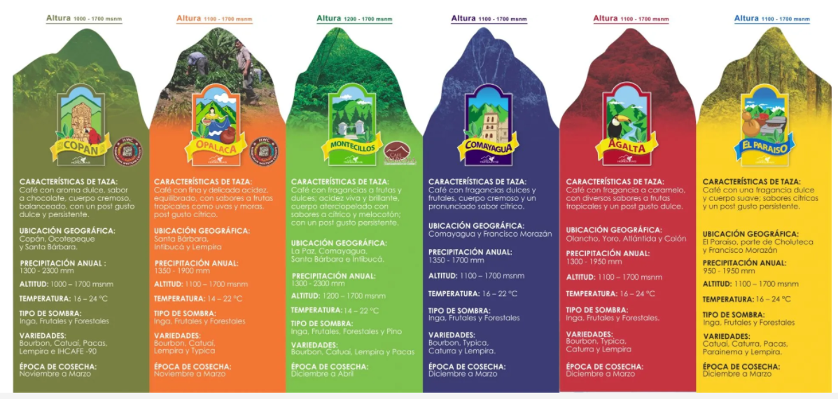

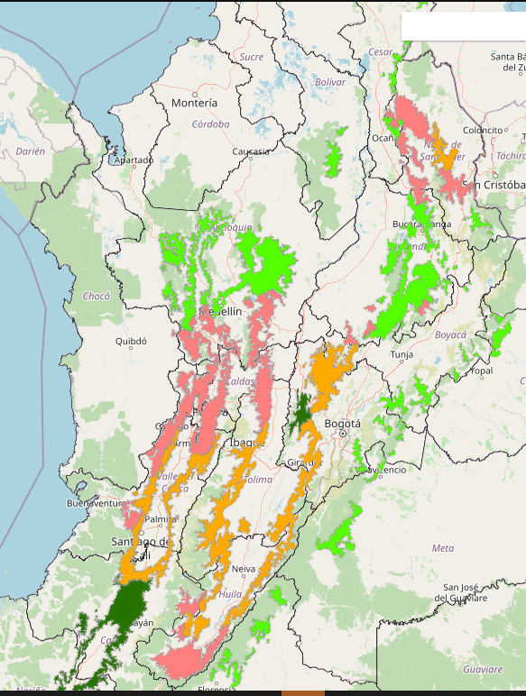
 |  |  |  |  |  | AgriAcies
Region | % Arabica crop | 22/23 not producing | net impact % | Net impact bags | Trend | Arabica | Production | %
Sul de Minas | 38% | 30% | 11.4% | 5.8 | 19.38 | SDM | 20,781 | 40.9%
Sao Paulo | 12% | 20% | 2.4% | 1.2 | 6.12 | CER | 7,351 | 14.5%
Cerrado | 15% | 20% | 3.0% | 1.5 | 7.65 | ZDM | 10,229 | 20.2%
Zona de Mata | 15% | 10% | 1.5% | 0.8 | 7.65 | MOG | 3,926 | 7.7%
Esperito Santo | 10% | 0% | 0.0% | 0.0 | 5.1 | WOSP | 2,026 | 4.0%
Parana | 3% | 10% | 0.3% | 0.2 | 1.53 | PR | 645 | 1.3%
Others | 7% | 10% | 0.7% | 0.4 | 3.57 | BAA | 1,397 | 2.8%
Brazil | 100% |  |  | 9.8 | 51 | ESA | 3,791 | 7.5%
 |  |  |  |  |  | Other A | 611 | 1.2%
 |  |  |  |  |  | Total | 50,757 | 100.0%
Region | % Connies |  |  |  |  | Both basis 26/27
Espirito Santo | 70% |  |  |  |  | AgriAcies
Others | 30% |  |  |  |  | Robusta | Production | %
Brazil | 100% |  |  |  |  | ESC | 18,130 | 73.5%
 |  |  |  |  |  | BAC | 2,796 | 11.3%
 |  |  |  |  |  | RO | 2,656 | 10.8% |  |  | Colombia
 |  |  |  |  |  | ZDM Con | 404 | 1.6% |  |  | Colombia is a relatively new origin for Melbourne Coffee Merchants, but one that is rapidly becoming one of our most important offerings, due to the quality, versatility, diversity and relative value of the coffees available, and the fact that we’re able to source delicious coffees from there almost all year round.
 |  |  |  |  |  | Other Con | 673 | 2.7% |  |  | Colombia produces a lot of coffee – over 11 million bags a year – making it the third-largest exporter of coffee in the world, behind Brazil and Vietnam. There are nearly 600,000 coffee producers in the country, and over two-thirds of the production comes from small farms less than three hectares in size. Most farmers have their own ‘micro beneficios’, where they process the coffee themselves before selling it in parchment.
 |  |  |  |  |  | Total | 24,659 | 100.0% |  |  | Coffee is grown across 588 municipalities and 20 growing regions in Colombia, at elevations of 1,200-2,200 metres above sea level. These regions are all very diverse and produce an impressive variety of coffees, thanks to the country’s mountainous topography, wind patterns, and proximity to the equator, which all combine to create a series of tropical microclimates. Most regions have two harvests a year (the main harvest and a “mitica” or fly crop), which is what makes it possible to source coffee from Colombia pretty much all year long.
 |  |  |  |  |  |  |  |  |  |  | History
 |  |  |  |  |  |  |  |  |  |  | Coffee was introduced to Colombia in the late 1700s with the first plantings in the country’s north. Commercial production and export officially started in the 1810s but remained limited. Throughout the 19thcentury, coffee plants spread across the country from farm to farm, but it wasn’t until the 20thcentury that Colombia established itself as a major coffee-growing nation, boosted by the work of the Federación Nacional de Cafeteros de Colombia (FNC).
 |  |  |  |  |  |  |  |  |  |  | Today, Colombia produces exclusively Arabica coffee. The three most common cultivars are Caturra, Typica and Castillo. Most farmers have a mix of these cultivars growing, although there are some who separate production by cultivar. Bourbon, Catimor, Colombia and Tabi cultivars are also grown in Colombia, among others. An outbreak of coffee-leaf rust in the early 2010s resulted in severe setbacks and lower yields, from which Colombia’s production has now begun to recover. This is thanks in part to aggressive treatment and preventative techniques, along with the development and distribution of disease-resistant plants like Castillo.
 |  |  |  |  |  |  |  |  |  |  | Processing
 |  |  |  |  |  |  |  |  |  |  | Traditionally, the majority of coffees from Colombia have been processed using the washed method. During the harvest, cherries are selectively hand picked in up to four passes, with a few weeks between each pass to allow a larger amount of cherries to ripen. Most farmers have a small ‘beneficio’ (wet mill), a manual or electric pulper, and a fermentation tank. Cherries are picked and pulped on the same day, then immediately placed in the fermentation tank for 12-36 days – the length of time being determined by the temperature (higher temperatures will speed up the fermentation process, and lower temperatures will slow it down). Some producers elect to rinse the coffee in parchment intermediately to help control the fermentation process, and others add water to the fermentation tank, which allows them to remove floaters and get a better selection.
 |  |  |  |  |  |  |  |  |  |  | Depending on the region and conditions, the coffee will either be dried in the sun on patios or flat roofs (in warmer, drier conditions) or under cover on Parabolic beds or in polytunnels (at higher altitudes and in colder, wetter conditions). These tunnels are constructed greenhouses – similar in structure to ‘hoop houses’ – that allow airflow through openings on both ends. These structures protect the drying parchment from rain and mist, and also prevent condensation from dripping back onto the drying beans.
 |  |  |  |  |  |  |  |  |  |  | Coffee Growing Regions
 |  |  |  |  |  |  |  |  |  |  | Colombia has 32 departments in total, and 20 of these produce coffee. Melbourne Coffee Merchants works in the following regions in Colombia:
 |  |  |  |  |  |  |  |  |  |  | ANTIOQUIA
 |  |  |  |  |  |  |  |  |  |  | Antioquia is located in central northwestern Colombia.Coffee was introduced to the region in thethe latter part of the 19thcentury. Since then, this mountainous, fertile department has 128,000 hectares of coffee that is produced by a mix of large estates and tiny farms.
 |  |  |  |  |  |  |  |  |  |  | Antioquia only recently became more accessible to coffee buyers, thanks to a transformation of the department led by Sergio Fajardo, who was the governor of the department in 2012-2016. Sergio transformed Antioquia’s capital city, Medellín, from a violent and dangerous place to a world-class tourist destination with a strong economy. Coffee has played a significant role in this this transformation, and as access to many producers has improved, the region has become one of Colombia’s most important and celebrated coffee-producing areas.
 |  |  |  |  |  |  |  |  |  |  | CAUCA
 |  |  |  |  |  |  |  |  |  |  | The department of Cauca is best known for its coffee from Inza and the city of Popayán. Cauca is located in Colombia’s southwest, on the ‘Macizo Colombiano’ (the Colombian Plateau), between the high peaks of Tolima and Huila and looking out west over the Pacific Ocean. The region has excellent conditions for growing quality coffee, with high elevations and rich volcanic soil. The plateau also has a very stable climate year-round, thanks to its proximity to the equator, as well as the surrounding mountains, which protect the coffee against humidity from the Pacific and trade winds from the south.
 |  |  |  |  |  |  |  |  |  |  | HUILA
 |  |  |  |  |  |  |  |  |  |  | The department of Huila is located in the southwest of Colombia. It is a more rural region than Cauca, and it is known for the quality of its coffee. Huila is one of the largest coffee-producing regions in the country. This department has optimal conditions for producing excellent coffee, with a combination of rich soil and good geography.
 |  |  |  |  |  |  |  |  |  |  | Coffee farming within the region is almost all small-scale, with farmers typically owning an average 1.5 hectares of land. These small farms are tended by individual families, with labour very rarely contracted out, which leads to more thorough and intensive management practices and great pride in the final product (which is often seen as a representation of the family).
 |  |  |  |  |  |  |  |  |  |  | NARIÑO
 |  |  |  |  |  |  |  |  |  |  | Nariño lies in the far south of Colombia, bordering Ecuador along the high peaks of the Andes. The region is strikingly mountainous and boasts no fewer than five volcanoes: Chiles, Cumbal, Azufral, Doña Juana and Galeras.
 |  |  |  |  |  |  |  |  |  |  | Unlike other regions in Colombia there is only one harvest in Nariño – this typically runs from May to August. Coffees here are grown at very high elevations, thanks to its proximity to the equator: some farms are located on mountainsides that reach 2,200 metres above sea level, making it some of the highest grown coffee in the world. Typically, it is very difficult to produce coffee at such high altitudes, but Narino’s proximity to the equatorial line and the steep hills around the volcanoes provide a great angle for sun exposure (which is relatively constant and powerful year-round), creating the right microclimate for coffee plants to thrive.
 |  |  |  |  |  |  |  |  |  |  | Warm air rises from the deep canyons at night and acts like a protective blanket for the coffee plants perched on the mountain tops. These combined attributes allow the coffee to thrive in cooler-than-normal daily conditions and translates into concentrated flowering and long cherry maturation periods, giving time for concentrated sugars to develop in the fruit and resulting in a very unique, sweet, and complex cup profile.
 |  |  |  |  |  |  |  |  |  |  | Some of Colombia’s best coffees come from Nariño, however, due to the remoteness of many of the farms and their small size (producers in the region typically own less than two hectares of land), many smallholders in this region have found it difficult to gain access to markets for higher quality.
 |  |  |  |  |  |  |  |  |  |  | TOLIMA
 |  |  |  |  |  |  |  |  |  |  | Tolima is located in the Andean region, in Colombia’s centre-west. Historically, Tolima has been very difficult to access due to its isolation and instability. For many years, the region has been under the control of Colombia’s notorious rebel group, the FARC, and as a result it has been unsafe and violent. Since 2012, safe access to this region has been possible as a result of peace talks between the Colombian government and the rebels. Since this time, some stunning coffees from small producers have been discovered, mainly via cooperatives.
 |  |  |  |  |  |  |  |  |  |  | The word ‘Tolima’ comes from the local indigenous language and means a “river of snow or cloud”. The region sits on the Cordillera Central, in the middle of the three mountain ranges that create microclimates well-suited to high-quality coffee production. Coffee is the leading agricultural activity in the region, followed by beans and cattle. We are excited about growing our offering from Tolima in the coming years and showcasing the potential of this burgeoning coffee-growing region.
 |  |  |  |  |  |  |  |  |  |  | National Federation of Coffee Growers (FNC)
 |  |  |  |  |  |  |  |  |  |  | The Federación Nacional de Cafeteros de Colombia, colloquially known as the ‘FNC’, was founded in 1927. This sizable non-government organisation provides a range of services and support to the country’s coffee producers, irrespective of their farm size or volume of production.
 |  |  |  |  |  |  |  |  |  |  | The marketing department of FNC develops campaigns to encourage both the international and domestic consumption of specialty-grade Colombian coffees. Along with the Department Committee of Coffee Growers of Quindío, the FNC built and now operates a coffee theme park, including a coffee-history museum, coffee garden, traditional farmer’s house, and even a rollercoaster!
 |  |  |  |  |  |  |  |  |  |  | The FNC guarantees a purchase price for any Colombian-grown coffee, aiming to provide financial security to farmers who then have the option to find private buyers in specialty markets or tender their coffee to FNC and receive a relatively stable price at any point during the year. Although this pricing is tied to the global commodities market, it is standardised and helps to relieve market pressures and provide some certainty for producers.
 |  |  |  |  |  |  |  |  |  |  | The scientific arm of FNC is called Cenicafé, and it is devoted to research and development, and the sharing of their findings to producers throughout the country. For example, Cenicafé developed an ecological system for coffee processing that reduces contamination of local water sources by 90% and reduces water consumption by 95%.
 |  |  |  |  |  |  |  |  |  |  | Cenicafé provides employment for more than 1,500 field workers, who are deployed to meet and consult with farmers on issues like soil management, processing techniques, variety selection, disease prevention and treatment, as well as other agricultural features of coffee production. In order to fund this work, a tax is imposed on all coffee exports regardless of an individual producer’s participation in the services, marketplace, and programs offered by FNC.
 |  |  |  |  |  |  |  |  |  |  | MCM and Colombia
 |  |  |  |  |  |  |  |  |  |  | Since we started working in Colombia, we have fallen in love over and over again with the flavours and regional variations of Colombian coffees. We are grateful for their versatility and availability all year round.
 |  |  |  |  |  |  |  |  |  |  | We are fortunate to work with Pergamino in Colombia. Pergamino is a progressive, family-owned company, that produce some of their own coffee, and also work very closely with lots of small producers all over Colombia. Pergamino’s pioneering approach has allowed us to connect with some extremely dedicated and quality-focused smallholder producers and to start to build long term and mutually beneficial relationships with them.

AgriAcies mimic
Domestic Conillon inclusion %
14/15 | 56%
15/16 | 53%
16/17 | 35%
17/18 | 43%
18/19 | 52%
19/20 | 54%
20/21 | 50%
21/22 | 70%
22/23 | 78%
23/24 | 64%
24/25* | 62%
25/26* | 81%
26/27* | 72%
27/28
28/29
Internal Brazil Arabica S/U
14/15 | 27%
15/16 | 15%
16/17 | 20%
17/18 | 17%
18/19 | 22%
19/20 | 15%
20/21 | 22%
21/22 | 17%
22/23 | 21%
23/24 | 11%
24/25* | 8%
25/26* | 16%
26/27* | 27%
27/28
28/29
Internal Brazil Connie S/U
JUL JUN | Brazil Internal SnD (mn Bags)
Arabica | 14/15 | 15/16 | 16/17 | 17/18 | 18/19 | 19/20 | 20/21 | 21/22 | 22/23 | 23/24 | 24/25* | 25/26* | 26/27* | 27/28 | 28/29

Production | 32.1 | 35.4 | 45.7 | 37.3 | 48 | 39 | 53 | 36 | 37 | 42 | 43 | 37 | 50 | 41
Exports | 28.5 | 29.5 | 29 | 26.2 | 33.7 | 31.7 | 36.9 | 33 | 30.8 | 35.9 | 35.3 | 30.5 | 37.5
Consumption | 9.1 | 9.9 | 14.2 | 13 | 11.2 | 10.7 | 11.7 | 7.1 | 5.3 | 8.6 | 9.1 | 4.4 | 6.4
Demand as % of total | 44% | 47% | 65% | 57% | 48% | 46% | 50% | 30% | 22% | 36% | 38% | 19% | 28%
Stock Change | (5.5) | (4.0) | 2.5 | (1.9) | 3.1 | (3.4) | 4.4 | (4.1) | 0.9 | (2.5) | (1.4) | 2.1 | 6.1
Closing Stock | 10 | 6 | 8.5 | 6.6 | 9.7 | 6.3 | 10.7 | 6.6 | 7.5 | 5.0 | 3.6 | 5.7 | 11.8
Exports % of Production | 89% | 83% | 63% | 70% | 70% | 81% | 70% | 92% | 83% | 85% | 82% | 82% | 75%
Consumption % of Production | 28% | 28% | 31% | 35% | 23% | 27% | 22% | 20% | 14% | 21% | 21% | 12% | 13%
14/15 | 27% | 17.5%
15/16 | 15% | 13.3%
16/17 | 20% | 25.6%
17/18 | 17% | 20.6%
18/19 | 22% | 18.9%
19/20 | 15% | 24.4%
20/21 | 22% | 31.6%
21/22 | 17% | 20.5%
22/23 | 21% | 37.6%
23/24 | 11% | 26.2%
24/25* | 8% | 7.0%
25/26* | 16% | -3.2%
26/27* | 27% | -9.4%
27/28
28/29
Stock/Use Arabica | 27% | 15% | 20% | 17% | 22% | 15% | 22% | 17% | 21% | 11% | 8% | 16% | 27%
All Coffee Stocks Brazil | 12 | 7.5 | 10.5 | 8.6 | 12 | 9.4 | 14.4 | 10 | 13.5 | 9 | 4.6 | 5.1 | 10.2

Arabica Consumption % |  | 8.8% | 43.4% | -8.5% | -13.8% | -4.5% | 9.3% | -39.5% | -25.1% | 63.0% | 5.6% | -52.1% | 47.4%

APR MAR | Brazil Internal SnD (mn Bags)
Conillon | 14/15 | 15/16 | 16/17 | 17/18 | 18/19 | 19/20 | 20/21 | 21/22 | 22/23 | 23/24 | 24/25* | 25/26* | 26/27* | 27/28 | 28/29

Brazil Coffee Closing Stock
Internal Brazil Robusta S/U
14/15 | 17.5%
15/16 | 13.3%
16/17 | 25.6%
17/18 | 20.6%
18/19 | 18.9%
19/20 | 24.4%
20/21 | 31.6%
21/22 | 20.5%
22/23 | 37.6%
23/24 | 26.2%
24/25* | 7.0%
25/26* | -3.2%
26/27* | -9.4%
27/28
28/29
Brazil total S/U
Production | 18.2 | 16 | 11.6 | 13.3 | 19 | 21 | 20 | 22 | 22.6 | 24 | 21.5 | 26 | 24.6
Green Exports | 4.5 | 2.3 | 0.3 | 0.7 | 3.6 | 4.4 | 4.7 | 2.6 | 1.4 | 8 | 6.5 | 6 | 6
Soluble Exports | 2.8 | 2.9 | 3 | 2.9 | 2.9 | 3.1 | 3 | 3.2 | 2.7 | 2.6 | 3.1 | 3 | 3
Consumption | 11.4 | 11.3 | 7.8 | 9.7 | 12.2 | 12.7 | 11.7 | 16.5 | 15.9 | 15.4 | 14.9 | 18.6 | 16.6
Demand as % of total | 56% | 53% | 35% | 43% | 52% | 54% | 50% | 70% | 78% | 64% | 62% | 81% | 72%
Stock Change | (0.5) | (0.5) | 0.5 | 0.0 | 0.3 | 0.8 | 0.6 | (0.3) | 2.6 | (2.0) | (3.0) | (1.6) | (1.0)
Closing Stock | 2 | 1.5 | 2 | 2 | 2.3 | 3.1 | 3.7 | 3.4 | 6.0 | 4.0 | 1.0 | -0.6 | -1.5
Exports % of Production | 40% | 32% | 28% | 27% | 34% | 36% | 39% | 26% | 18% | 44% | 45% | 35% | 37%
Consumption % of Production | 63% | 71% | 67% | 73% | 64% | 60% | 59% | 75% | 70% | 64% | 67% | 67% | 67%
Low Grade Arabica Premium
Stock/Use Conillon | 17.5% | 13.3% | 25.6% | 20.6% | 18.9% | 24.4% | 31.6% | 20.5% | 37.6% | 26.2% | 7.0% | -3.2% | -9.4%

Connie Consumption % |  | -0.9% | -31.0% | 24.4% | 25.8% | 4.1% | -7.9% | 41.2% | -3.8% | -3.4% | -3.1% | 25.2% | -11.1%

All Coffee Production | 50.3 | 51.4 | 57.3 | 50.6 | 67 | 60 | 73 | 58 | 59.6 | 66 | 64.5 | 63 | 74.6
Overall Consumption Brazil | 20.5 | 21.2 | 22 | 22.7 | 23.4 | 23.4 | 23.5 | 23.6 | 23.7 | 24 | 24 | 23 | 23
Annual % change consumption |  | 3.4% | 3.8% | 3.2% | 3.1% | 0.0% | 0.4% | 0.4% | 0.4% | 1.3% | 0.0% | -4.2% | 0.0%

Connilon exports Brazil
Arabica exports Brazil
Combined Coffee Stocks
Overall Brazil | 14/15 | 15/16 | 16/17 | 17/18 | 18/19 | 19/20 | 20/21 | 21/22 | 22/23 | 23/24 | 24/25* | 25/26* | 26/27*
Production | 50.3 | 51.4 | 57.3 | 50.6 | 67 | 60 | 73 | 58 | 59.6 | 66 | 64.5 | 63 | 74.6
Green Exports | 33 | 31.8 | 29.3 | 26.9 | 37.3 | 36.1 | 41.6 | 35.6 | 32.2 | 43.9 | 41.8 | 36.5 | 43.5
Soluble Exports | 2.8 | 2.9 | 3 | 2.9 | 2.9 | 3.1 | 3 | 3.2 | 2.7 | 2.6 | 3.1 | 3 | 3
Consumption | 20.5 | 21.2 | 22 | 22.7 | 23.4 | 23.4 | 23.4 | 23.6 | 21.2 | 24 | 24 | 23 | 23
Stock Change | (6.0) | (4.5) | 3.0 | (1.9) | 3.4 | (2.6) | 5.0 | (4.4) | 3.5 | (4.5) | (4.4) | 0.5 | 5.1
Closing Stock | 12.0 | 7.5 | 10.5 | 8.6 | 12.0 | 9.4 | 14.4 | 10.0 | 13.5 | 9.0 | 4.6 | 5.1 | 10.2
Exports % of Production | 71% | 68% | 56% | 59% | 60% | 65% | 61% | 67% | 59% | 70% | 70% | 63% | 62%
Consumption % of Production | 41% | 41% | 38% | 45% | 35% | 39% | 32% | 41% | 36% | 36% | 37% | 37% | 31%
Low Grade Arabica Premium
Stock/Use Conillon | 58.5% | 35.4% | 47.7% | 37.9% | 51.3% | 40.2% | 61.5% | 42.4% | 63.7% | 37.5% | 19.2% | 22.2% | 44.3%

All Coffee Production | 61.7 | 62.7 | 65.1 | 60.3 | 79.2 | 72.7 | 84.7 | 74.52 | 75.5 | 81.36 | 79.38 | 81.63 | 91.16
Overall Consumption Brazil | 20 | 20.7 | 22.5 | 22.7 | 23.7 | 24.2 | 23.5 | 23.6 | 23.7 | 24 | 24 | 23 | 23
Annual % change consumption |  | 3.5% | 8.7% | 0.9% | 4.4% | 2.1% | -2.9% | 0.4% | 0.4% | 1.3% | 0.0% | -4.2% | 0.0%
Total Coffee consumption Brazil (m bags)

AgriAcies format

Arabica Jul-Jun | Carry In | Production | Supply | Int Use | Int. % | Exports | Carry Out | STU |  | Total Jul-Jun | Carry In | Production | Supply | Int Use | Int. % | Exports | Carry Out | STU
10/11 |  |  |  |  |  |  |  | 20% |  | 10/11
11/12 |  |  |  |  |  |  |  | 22% |  | 11/12
12/13 |  |  |  |  |  |  |  | 34% |  | 12/13
13/14 |  |  |  |  |  |  |  | 34% |  | 13/14
14/15 |  |  |  |  |  |  |  | 26% |  | 14/15
15/16 |  |  |  |  |  |  |  | 15% |  | 15/16
16/17 |  |  |  |  |  |  |  | 19% |  | 16/17
17/18 |  |  |  |  |  |  |  | 20% |  | 17/18
18/19 |  |  |  |  |  |  |  | 26% |  | 18/19
19/20 |  |  |  |  |  |  |  | 19% |  | 19/20
20/21 |  |  |  |  |  |  |  | 31% |  | 20/21
21/22 | 14.1 | 31.9 | 46.0 | 5.1 |  | 33.4 | 7.5 | 19% |  | 21/22 | 12.1 | 54.3 | 66.4 | 21.1 |  | 39.7 | 5.6 | 9%
22/23 | 7.5 | 36.6 | 44.1 | 5.3 |  | 30.8 | 8 | 22% |  | 22/23 | 5.6 | 59.1 | 64.7 | 21.3 |  | 35.6 | 7.8 | 14%
23/24 | 8.0 | 44.7 | 52.7 | 8.3 |  | 35.9 | 8.5 | 19% |  | 23/24 | 7.8 | 67.5 | 75.3 | 21.7 |  | 47.5 | 6.1 | 9%
24/25 | 8.5 | 42.5 | 51.0 | 8.6 |  | 35.5 | 6.9 | 16% |  | 24/25 | 6.1 | 63.7 | 69.8 | 21.5 |  | 46.7 | 1.6 | 2% | Brazil | 2017/18 | 2018/19 | 2019/20 | 2020/21 | 2021/22 | 2022/23 | 2023/24 | 2024/25 | 2025/26
25/26 | 6.9 | 37.9 | 44.8 | 5.3 |  | 30.5 | 9 | 25% |  | 25/26 | 1.6 | 64.0 | 65.6 | 21.2 |  | 41.3 | 3.1 | 5% | Production | 35 | 50 | 34 | 54 | 33 | 36 | 41 | 43.5 | 34.5
26/27 | 9.0 | 50.0 | 59.0 | 6.5 |  | 35 | 17.5 | 42% |  | 26/27 | 3.1 | 75.0 | 78.1 | 21.4 |  | 42.2 | 14.5 | 23% | Carry in Stocks | 17 | 14 | 22 | 15 | 22 | 16 | 15 | 14 | 12.5

Arabica Carry in Stock
Robusta Apr-Mar | Carry In | Production | Supply | Int Use | Int. % | Exports | Carry Out | STU
10/11 |  |  |  |  |  |  |  | 17%
11/12 |  |  |  |  |  |  |  | 7%
12/13 |  |  |  |  |  |  |  | 20%
13/14 |  |  |  |  |  |  |  | 20%
14/15 |  |  |  |  |  |  |  | 24%
15/16 |  |  |  |  |  |  |  | 16%
16/17 |  |  |  |  |  |  |  | 23%
17/18 |  |  |  |  |  |  |  | 22%
18/19 |  |  |  |  |  |  |  | 2%
19/20 |  |  |  |  |  |  |  | 21%
20/21 |  |  |  |  |  |  |  | 19%
21/22 | 3.7 | 22.3 | 26.0 | 15.7 |  | 6.9 | 3.4 | 15%
22/23 | 3.4 | 22.6 | 26.0 | 15.9 |  | 4.7 | 5.4 | 26%
23/24 | 5.4 | 22.8 | 28.2 | 14.6 |  | 9.6 | 4 | 17%
24/25 | 4.0 | 21.2 | 25.2 | 11.8 |  | 12 | 1.4 | 6%
25/26 | 1.4 | 26.1 | 27.5 | 15.5 |  | 10 | 2 | 8%
26/27 | 2.0 | 25.6 | 27.6 | 15.0 |  | 8.7 | 3.9 | 16%

