KFC_Dashboard
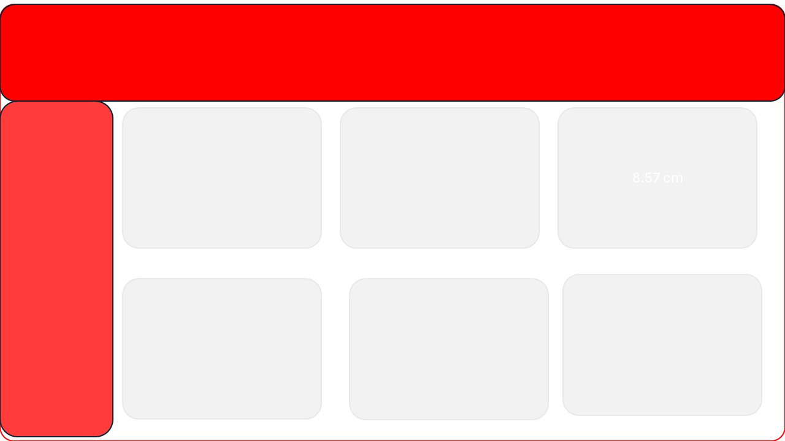
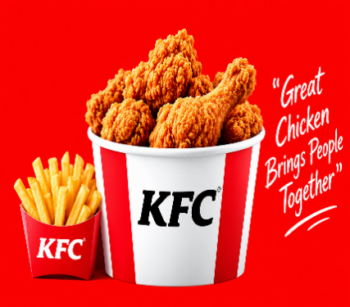
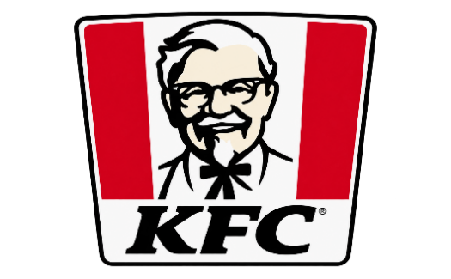
KFC
it’s finger lickin’ good” lettering
37 MIN
Average Delivery Duration
₹ 1,14,437.00
Total Revenue
75
Total Customer
36749
Total order

 | Total
January | 6097
February | 11112
March | 7883
April | 8801
May | 7736
June | 15234
July | 7041
August | 10431
September | 11112
October | 16216
November | 1873
December | 10901
Order Quantity vs. Average Delivery Time
 | Total
1 | 38
2 | 26
3 | 37
4 | 36
5 | 39
6 | 44

Sales Performance – Top 5 Products
 | Series1
1 | 359087
2 | 448034
3 | 374751
4 | 317481
Location Wise Quantity
 | Total
Bahraich | 11
Bhilai | 7
Bhimavaram | 25
Dehri | 3
Dhule | 18
Firozabad | 26
Gaya | 27
Jhansi | 12
Kamarhati | 13
Karaikudi | 22
Malda | 24
Nadiad | 13
Srikakulam | 26
Tiruchirappalli | 15
Product Popularity by Order Type
 | 6 Pc Chicken Bucket | Chicken Twister Wrap | Crispy Chicken Burger | Peri Peri Fries | Zinger Burger Combo
Dine-in | 6 | 7 | 3 | 6
Drive-thru | 17 |  | 10 | 1
Home Delivery | 2 | 11 |  | 5 | 19
Takeaway | 2 | 6 | 7 |  | 2

